Sheet1
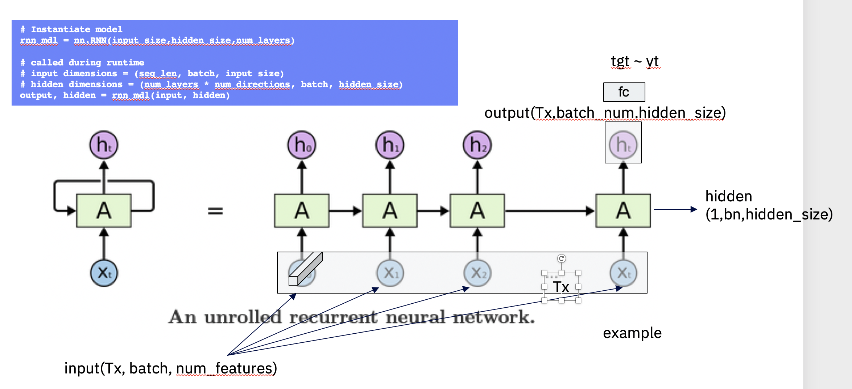
 | Tx = 5
 | X -dimensions
First Pass
 | a | b |  | y
x0 | 1 | 1 |  | 1
x1 | 2 | 1 |  | 2
x2 | 3 | 1 |  | 3
x3 | 4 | 1 |  | 4
x4 | 5 | 0 |  | 5
 | 6 | 6 |  | 6
 | 7 | 7 |  | 7
 | 8 | 8 |  | 8
 | 9 | 9 |  | 9
 | 10 | 10 |  | 10
Second pass
 | a | b | y_prev | y
 | 1 | 1 | nothing | 1
x0 | 2 | 2 | 1 | 2
x1 | 3 | 3 |  | 3
x2 | 4 | 4 |  | 4
x3 | 5 | 5 |  | 5
x4 | 6 | 6 |  | 6
 | 7 | 7 |  | 7
 | 8 | 8 |  | 8
 | 9 | 9 |  | 9
 | 10 | 10 |  | 10

