ES2-2
ce3354-es2-2025-2-problem2

Time (minutes) | Cumulative Depth (inches) | Incremental Depth (end of interval) | Checksum
0 | 0 | 0.04 | 0
30 | 0.04 | 0.34 | 0.04
60 | 0.38 | 0.69 | 0.38
 | Incremental Depth (end of interval)
0 | 0.04
30 | 0.34
60 | 0.69
90 | 0.37
120 | 0.18
150 | 0.08
180
90 | 1.07 | 0.37 | 1.07
120 | 1.44 | 0.18 | 1.44
150 | 1.62 | 0.08 | 1.62
180 | 1.7 |  | 1.7

Formulas
60 | 0.38 | =B8-B7 | =C6+D6

ES2-4
Compute ARF

Given
P | 55 | mm
EUD | 45 | mm
Area | 10 | km^2

ARF | 0.82 | EUD/P

Assume circular watershed (pp. 30 WRIR 99-4267)
Assume Austin == Central Texas

Area | 10000000 | m^2
Area | 107584000 | ft^2
Area | 2469.7887971 | acres
Area | 3.8590449954 | sq. mi.

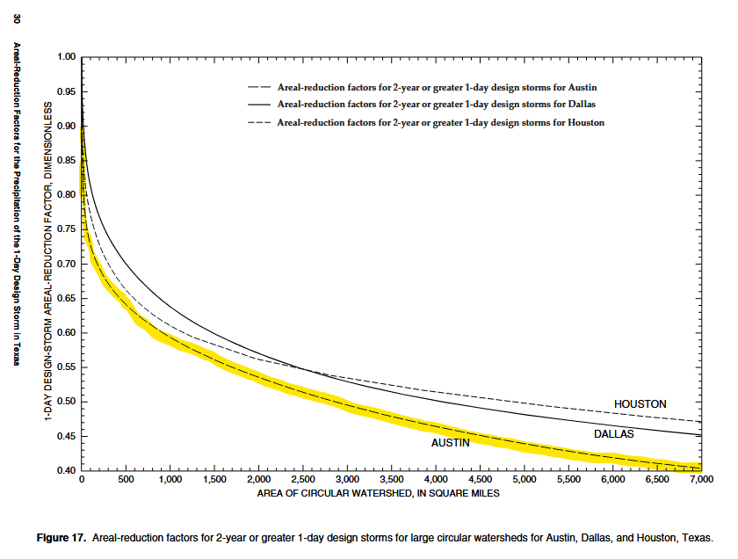

Central Texas for 4 sq.mi. ~ 0.90-0.95

ES2-6
Depth, Intensity for 10-inch Type III Design Storm
 |  |  |  | P24 | 10 | inches
 | Non-Dimensional |  |  | Dimensionalized
Index | Time(min) | P/P24 | i/P24 | P(t) inches | i(t) in/hr | 30-min Moving Average
1 | 0 | 0 | 0 | 0 | 0 | 0.066666666667
2 | 15 | 0.0025 | 0.01 | 0.025 | 0.1 | 0.066666666667
3 | 30 | 0.005 | 0.01 | 0.05 | 0.1 | 0.1
4 | 45 | 0.0075 | 0.01 | 0.075 | 0.1 | 0.1
5 | 60 | 0.01 | 0.01 | 0.1 | 0.1 | 0.1
6 | 75 | 0.0125 | 0.01 | 0.125 | 0.1 | 0.1
7 | 90 | 0.015 | 0.01 | 0.15 | 0.1 | 0.1
8 | 105 | 0.0175 | 0.01 | 0.175 | 0.1 | 0.1
9 | 120 | 0.02 | 0.01 | 0.2 | 0.1 | 0.105
10 | 135 | 0.022875 | 0.0115 | 0.22875 | 0.115 | 0.11
11 | 150 | 0.02575 | 0.0115 | 0.2575 | 0.115 | 0.115
12 | 165 | 0.028625 | 0.0115 | 0.28625 | 0.115 | 0.115
13 | 180 | 0.0315 | 0.0115 | 0.315 | 0.115 | 0.115
14 | 195 | 0.034375 | 0.0115 | 0.34375 | 0.115 | 0.115
15 | 210 | 0.03725 | 0.0115 | 0.3725 | 0.115 | 0.115
16 | 225 | 0.040125 | 0.0115 | 0.40125 | 0.115 | 0.115
17 | 240 | 0.043 | 0.0115 | 0.43 | 0.115 | 0.125
18 | 255 | 0.046625 | 0.0145 | 0.46625 | 0.145 | 0.135
19 | 270 | 0.05025 | 0.0145 | 0.5025 | 0.145 | 0.145
20 | 285 | 0.053875 | 0.0145 | 0.53875 | 0.145 | 0.145
21 | 300 | 0.0575 | 0.0145 | 0.575 | 0.145 | 0.145
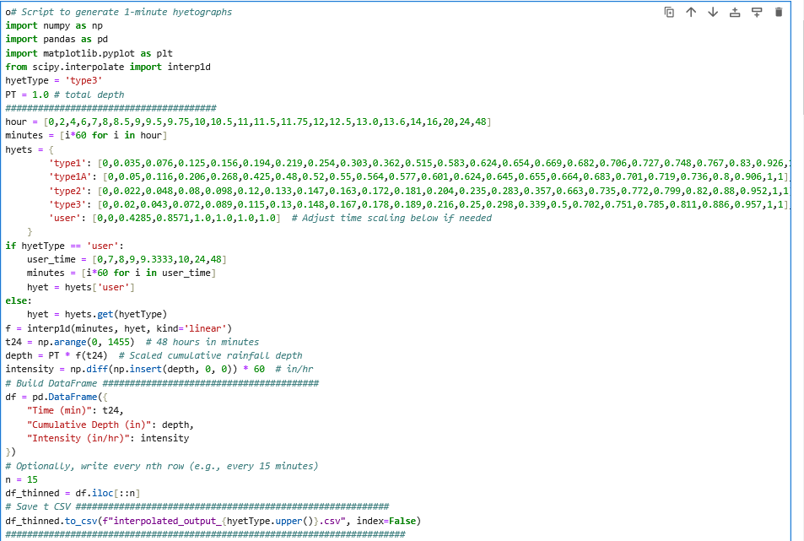
22 | 315 | 0.061125 | 0.0145 | 0.61125 | 0.145 | 0.145
23 | 330 | 0.06475 | 0.0145 | 0.6475 | 0.145 | 0.145
24 | 345 | 0.068375 | 0.0145 | 0.68375 | 0.145 | 0.145
25 | 360 | 0.072 | 0.0145 | 0.72 | 0.145 | 0.15333333333
26 | 375 | 0.07625 | 0.017 | 0.7625 | 0.17 | 0.16166666667
27 | 390 | 0.0805 | 0.017 | 0.805 | 0.17 | 0.17
28 | 405 | 0.08475 | 0.017 | 0.8475 | 0.17 | 0.17
29 | 420 | 0.089 | 0.017 | 0.89 | 0.17 | 0.2
30 | 435 | 0.0955 | 0.026 | 0.955 | 0.26 | 0.23
31 | 450 | 0.102 | 0.026 | 1.02 | 0.26 | 0.26
32 | 465 | 0.1085 | 0.026 | 1.085 | 0.26 | 0.26
33 | 480 | 0.115 | 0.026 | 1.15 | 0.26 | 0.27333333333
34 | 495 | 0.1225 | 0.03 | 1.225 | 0.3 | 0.28666666667
35 | 510 | 0.13 | 0.03 | 1.3 | 0.3 | 0.32
36 | 525 | 0.139 | 0.036 | 1.39 | 0.36 | 0.34
37 | 540 | 0.148 | 0.036 | 1.48 | 0.36 | 0.36666666667
38 | 555 | 0.1575 | 0.038 | 1.575 | 0.38 | 0.37333333333
39 | 570 | 0.167 | 0.038 | 1.67 | 0.38 | 0.4
40 | 585 | 0.178 | 0.044 | 1.78 | 0.44 | 0.42
41 | 600 | 0.189 | 0.044 | 1.89 | 0.44 | 0.47333333333
42 | 615 | 0.2025 | 0.054 | 2.025 | 0.54 | 0.50666666667
43 | 630 | 0.216 | 0.054 | 2.16 | 0.54 | 0.58666666667
44 | 645 | 0.233 | 0.068 | 2.33 | 0.68 | 0.63333333333
45 | 660 | 0.25 | 0.068 | 2.5 | 0.68 | 0.77333333333
46 | 675 | 0.274 | 0.096 | 2.74 | 0.96 | 0.86666666667
47 | 690 | 0.298 | 0.096 | 2.98 | 0.96 | 1.1866666667
48 | 705 | 0.339 | 0.164 | 3.39 | 1.64 | 3.0133333333
49 | 720 | 0.5 | 0.644 | 5 | 6.44 | 4.04
50 | 735 | 0.601 | 0.404 | 6.01 | 4.04 | 4.84
51 | 750 | 0.702 | 0.404 | 7.02 | 4.04 | 3.02
52 | 765 | 0.7265 | 0.098 | 7.265 | 0.98 | 2
53 | 780 | 0.751 | 0.098 | 7.51 | 0.98 | 0.84222222222
54 | 795 | 0.76516666667 | 0.056666666667 | 7.6516666667 | 0.56666666667 | 0.70444444444
55 | 810 | 0.77933333333 | 0.056666666667 | 7.7933333333 | 0.56666666667 | 0.59444444444
56 | 825 | 0.79475 | 0.065 | 7.9475 | 0.65 | 0.62222222222
57 | 840 | 0.811 | 0.065 | 8.11 | 0.65 | 0.55833333333
58 | 855 | 0.820375 | 0.0375 | 8.20375 | 0.375 | 0.46666666667
59 | 870 | 0.82975 | 0.0375 | 8.2975 | 0.375 | 0.375
60 | 885 | 0.839125 | 0.0375 | 8.39125 | 0.375 | 0.375
61 | 900 | 0.8485 | 0.0375 | 8.485 | 0.375 | 0.375
62 | 915 | 0.857875 | 0.0375 | 8.57875 | 0.375 | 0.375
63 | 930 | 0.86725 | 0.0375 | 8.6725 | 0.375 | 0.375
64 | 945 | 0.876625 | 0.0375 | 8.76625 | 0.375 | 0.375
65 | 960 | 0.886 | 0.0375 | 8.86 | 0.375 | 0.30916666667
66 | 975 | 0.8904375 | 0.01775 | 8.904375 | 0.1775 | 0.24333333333
67 | 990 | 0.894875 | 0.01775 | 8.94875 | 0.1775 | 0.1775
68 | 1005 | 0.8993125 | 0.01775 | 8.993125 | 0.1775 | 0.1775
69 | 1020 | 0.90375 | 0.01775 | 9.0375 | 0.1775 | 0.1775
70 | 1035 | 0.9081875 | 0.01775 | 9.081875 | 0.1775 | 0.1775
71 | 1050 | 0.912625 | 0.01775 | 9.12625 | 0.1775 | 0.1775
72 | 1065 | 0.9170625 | 0.01775 | 9.170625 | 0.1775 | 0.1775
73 | 1080 | 0.9215 | 0.01775 | 9.215 | 0.1775 | 0.1775
74 | 1095 | 0.9259375 | 0.01775 | 9.259375 | 0.1775 | 0.1775
75 | 1110 | 0.930375 | 0.01775 | 9.30375 | 0.1775 | 0.1775
76 | 1125 | 0.9348125 | 0.01775 | 9.348125 | 0.1775 | 0.1775
77 | 1140 | 0.93925 | 0.01775 | 9.3925 | 0.1775 | 0.1775
78 | 1155 | 0.9436875 | 0.01775 | 9.436875 | 0.1775 | 0.1775
79 | 1170 | 0.948125 | 0.01775 | 9.48125 | 0.1775 | 0.1775
80 | 1185 | 0.9525625 | 0.01775 | 9.525625 | 0.1775 | 0.1775
81 | 1200 | 0.957 | 0.01775 | 9.57 | 0.1775 | 0.15416666667
82 | 1215 | 0.9596875 | 0.01075 | 9.596875 | 0.1075 | 0.13083333333
83 | 1230 | 0.962375 | 0.01075 | 9.62375 | 0.1075 | 0.1075
84 | 1245 | 0.9650625 | 0.01075 | 9.650625 | 0.1075 | 0.1075
85 | 1260 | 0.96775 | 0.01075 | 9.6775 | 0.1075 | 0.1075
86 | 1275 | 0.9704375 | 0.01075 | 9.704375 | 0.1075 | 0.1075
87 | 1290 | 0.973125 | 0.01075 | 9.73125 | 0.1075 | 0.1075
88 | 1305 | 0.9758125 | 0.01075 | 9.758125 | 0.1075 | 0.1075
89 | 1320 | 0.9785 | 0.01075 | 9.785 | 0.1075 | 0.1075
90 | 1335 | 0.9811875 | 0.01075 | 9.811875 | 0.1075 | 0.1075
91 | 1350 | 0.983875 | 0.01075 | 9.83875 | 0.1075 | 0.1075
92 | 1365 | 0.9865625 | 0.01075 | 9.865625 | 0.1075 | 0.1075
93 | 1380 | 0.98925 | 0.01075 | 9.8925 | 0.1075 | 0.1075
94 | 1395 | 0.9919375 | 0.01075 | 9.919375 | 0.1075 | 0.1075
95 | 1410 | 0.994625 | 0.01075 | 9.94625 | 0.1075 | 0.1075
96 | 1425 | 0.9973125 | 0.01075 | 9.973125 | 0.1075 | 0.1075
97 | 1440 | 1 | 0.01075 | 10 | 0.1075 | 0.1075

ES2-7
Duration-Intensity for Somewhere USA

Duration(minutes) | Intensity (inches/hour)
10 | 4
15 | 3.2
20 | 2.7
30 | 1.9
60 | 1.2
120 | 0.8
180 | 0.6
Duration-Intensity for Somewhere USA (log-log)

ES2-8
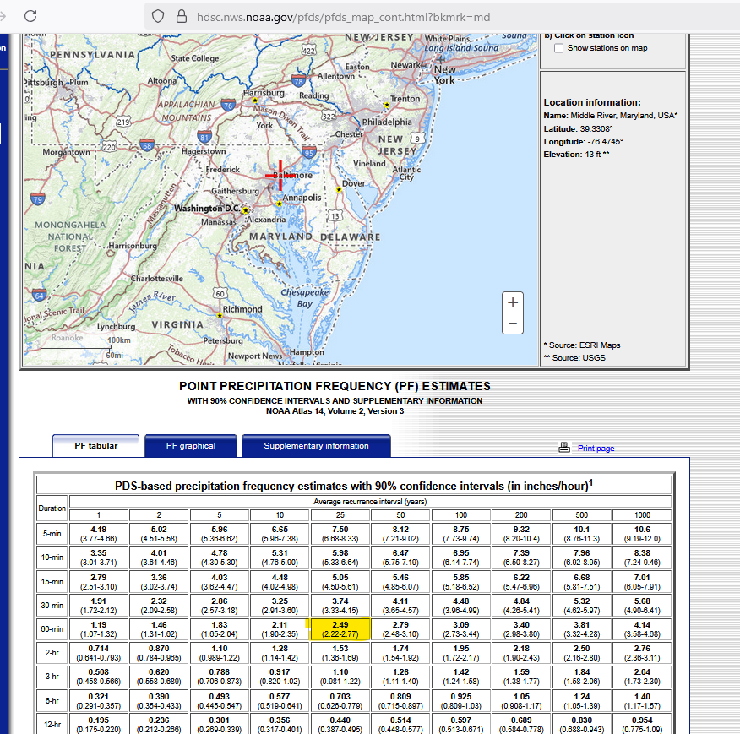
Baltimore MD Data
Begin | End | Mid-Interval(minutes) | Intensity (cm/hr) | Depth (cm) | Cum. Depth (cm)
0 | 10 | 5 | 2 | 0.33333333333 | 0.33333333333
10 | 20 | 15 | 6 | 1 | 1.3333333333
20 | 30 | 25 | 12 | 2 | 3.3333333333
30 | 40 | 35 | 8 | 1.3333333333 | 4.6666666667
40 | 50 | 45 | 6 | 1 | 5.6666666667
50 | 60 | 55 | 3 | 0.5 | 6.1666666667

Average Intensity (over the entire hour) |  |  |  |  | 6.1666666667 | cm/hr
Average of 10-minute intensities |  |  |  |  | 6.1666666667 | cm/hr
Watershed Area |  |  |  |  | 4000 | m^2
Catch Volume |  |  |  |  | 246.66666667 | m^3

Need result in inches to look up ARI |  |  |  |  | 2.4278215223 | in/hr

Approximate ARI via reverse lookup is |  |  |  |  | 25 | -yr;ARI
 |  |  |  |  | 0.04 | -%;AEP

ES2-9
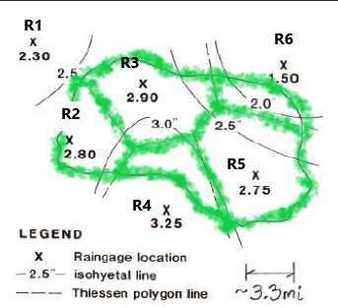
Theissen Polygons
Gage ID | Sub-Area (mi^2) | Theissen Weight | P_i (from Map) | P_i * weight
R1 | 0.00 | 0 | 2.3 | 0
R2 | 20.32 | 0.15434278987 | 2.8 | 0.43215981163
R3 | 35.59 | 0.27033534617 | 2.9 | 0.78397250389
R4 | 16.79 | 0.12753028749 | 3.25 | 0.41447343435
R5 | 47.42 | 0.36018381376 | 2.75 | 0.99050548783
R6 | 11.53 | 0.087607762713 | 1.5 | 0.13141164407

AREA => | 131.66 | 2.75 | <= EUD (Theissen Polygon Method)
 |  | 1.00 | <= CHECK SUM

Isohyets
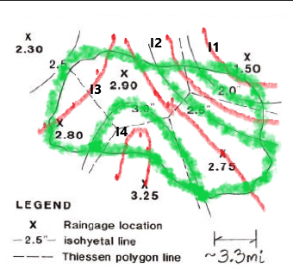
Isohyet | Sub-Area (mi^2) | Theissen Weight | P_i (from Map) | P_i * weight
I1 | 5.96 | 0.0452477446 | 1.75 | 0.07918355305
I2 | 20.71 | 0.15727256846 | 2.25 | 0.35386327902
I3 | 81.25 | 0.61717450913 | 2.75 | 1.6972299001
I4 | 23.72 | 0.18016480954 | 3.25 | 0.58553563101

AREA => | 131.64 | 2.72 | <= EUD (Isoheyetal Method)
 |  | 1.00 | <= CHECK SUM

 |  | 2.58 | <=EUD (Arithmetic Mean all Gages)

ES2-10
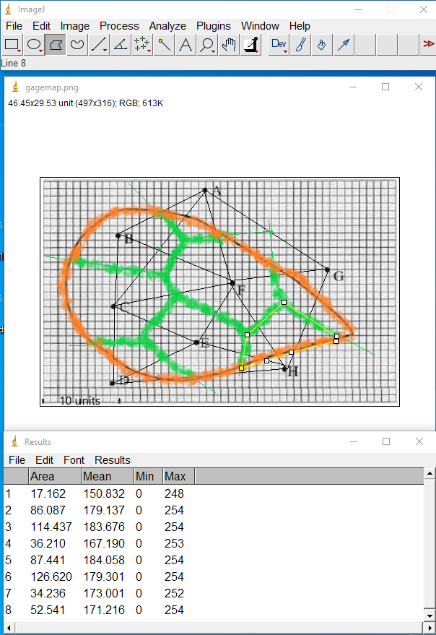
GageID | SubArea (units^2) | Theissen Weight | P_i (from Map) | P_i * weight
A | 17.162 | 0.030937350153 | 25 | 0.77343375384
B | 86.087 | 0.15518608919 | 18 | 2.7933496054
C | 114.437 | 0.20629166411 | 92 | 18.978833098
D | 36.21 | 0.065274527972 | 95 | 6.2010801573
E | 87.441 | 0.15762689866 | 192 | 30.264364542
F | 126.62 | 0.22825354134 | 175 | 39.944369734
G | 34.236 | 0.061716065718 | 152 | 9.3808419891
H | 52.541 | 0.09471386286 | 168 | 15.911928961

 | 554.734 | 1
 | EUD (Theissen Method) => |  |  | 124.24820184
 | EUD (Arithmetic Mean) => |  |  | 114.625

Instructions:
1 | Annotate Image (Draw Polygons)
2 | Set scale
3 | Measure Polygon Areas (A,B,…H)
4 | Transfer Results to Workarea Above
5 | Viola!

ES2-11
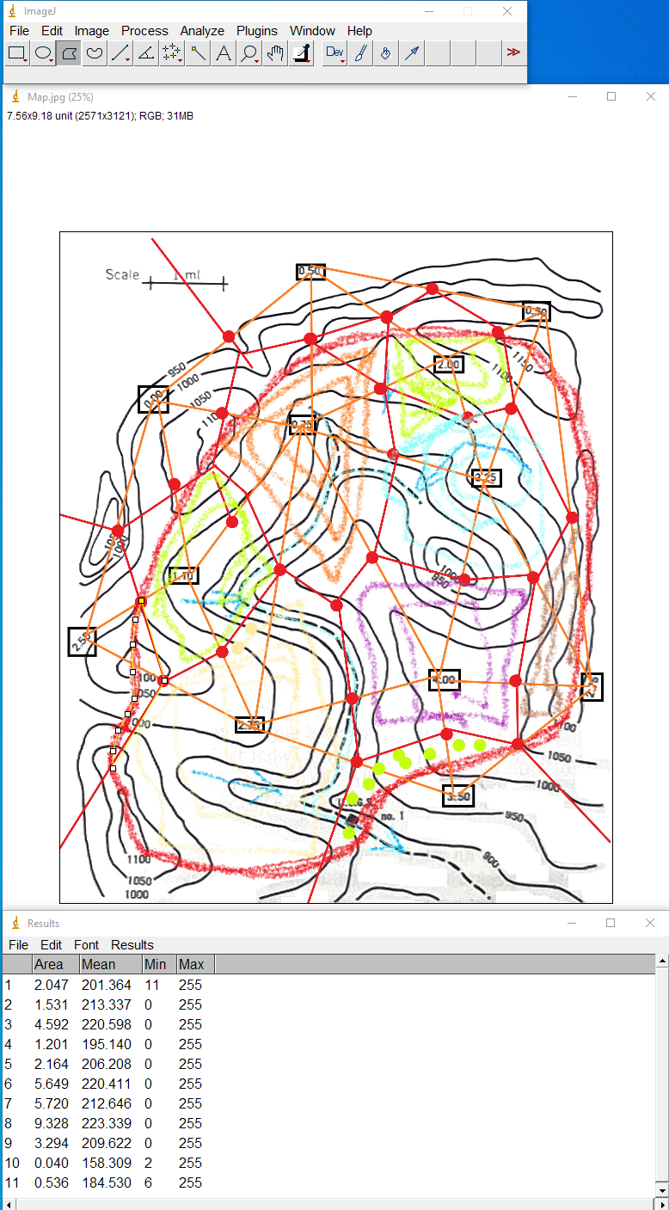
USGS Station No. 1 Watershed EUD Analysis
Gages ID left to right, ID==Catch
GageID | Sub Area | Theissen Weight | P_i | P_i * Weight
2.5 | 0.536 | 0.014846822891 | 2.5 | 0.037117057227
0 | 0.04 | 0.0011079718575 | 0 | 0
1.1 | 3.294 | 0.091241482466 | 1.1 | 0.10036563071
2.75 | 9.328 | 0.25837903717 | 2.75 | 0.71054235222
0.75 | 5.72 | 0.15843997562 | 0.75 | 0.11882998172
0.5 | 0 | 0 | 0.5 | 0
4 | 5.649 | 0.15647332558 | 4 | 0.62589330231
2 | 2.164 | 0.059941277492 | 2 | 0.11988255498
3.5 | 1.201 | 0.033266855022 | 3.5 | 0.11643399258
2.25 | 4.592 | 0.12719516924 | 2.25 | 0.2861891308
0.5 | 1.531 | 0.042407622846 | 0.5 | 0.021203811423
2.76 | 2.047 | 0.056700459808 | 2.76 | 0.15649326907

Total | 36.102 | sq. mi.
 |  | 1 | ck sum
 | EUD (Theissen Method) |  |  | 2.292951083
 | EUD (Arithmetic Mean) |  |  | 1.8841666667

Instructions:
1 | Delineate Boundary (Draw on Image)
2 | Annotate Image (Draw Polygons)
3 | Set scale
4 | Measure Polygon Areas (A,B,…H)
5 | Transfer Results to Workarea Above
6 | Viola!

