PR2
Fitted Solution Result
ce3354-ex1-2025-3-PROBLEM_2
SUPPLIED DATA
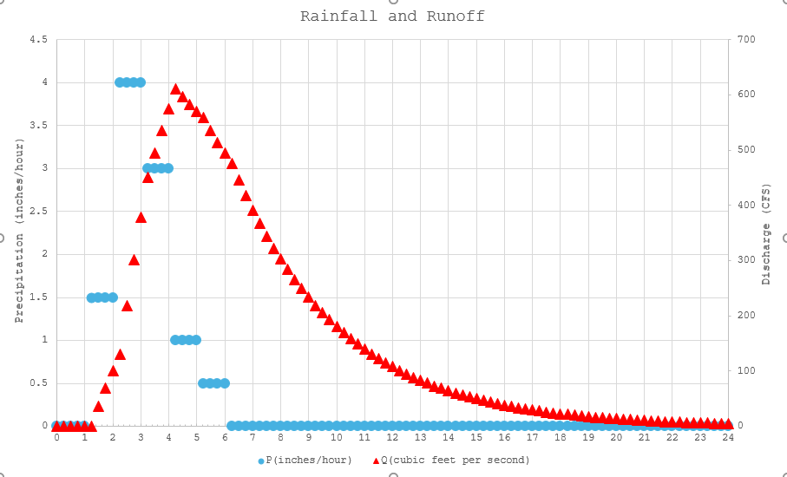

ANALYSIS
1. Build model using supplied ODE.
2. Adjust model parameters until plots identical (or at least visually close)
ITEM | VALUE | UNITS | REMARKS
Area | 1 | sq. mi.
Area | 640 | acres
C | 0.6 | -none | Precipitation to Excess Conversion Fraction (given)
k | 4 | hrs | Basin characteristic time constant
dt | 0.25 | hrs | time step (for Euler's method)
dt/K | 0.0625 | -none- | Computed constant for finite-difference approximation

Sum P | 10.00 | watershed inches
Total P | 533.33333333 | acre-ft
Total P | 23232000 | cu.ft.
Total Q | 13756152.18 | cu.ft.
Total Q | 315.79780036 | acre-feet
Q/P | 0.59 | -none- | should be about same as C
t (hrs) | P(t) | P(t)AC | P(t)AC-Q(t) | Q(t) | Accumulated Volume(t)
0.00 | 0.00 | 0.00 | 0.00 | 0.00 | 0.00
0.25 | 0.00 | 0.00 | 0.00 | 0.00 | 0
0.50 | 0.00 | 0.00 | 0.00 | 0.00 | 0
0.75 | 0.00 | 0.00 | 0.00 | 0.00 | 0
1.00 | 0.00 | 0.00 | 0.00 | 0.00 | 0
1.25 | 1.50 | 576.00 | 576.00 | 0.00 | 0
1.50 | 1.50 | 576.00 | 540.00 | 36.00 | 16200
1.75 | 1.50 | 576.00 | 506.25 | 69.75 | 63787.5
2.00 | 1.50 | 576.00 | 474.61 | 101.39 | 140800.78125
2.25 | 4.00 | 1536.00 | 1404.95 | 131.05 | 245400.73242
2.50 | 4.00 | 1536.00 | 1317.14 | 218.86 | 402863.18665
2.75 | 4.00 | 1536.00 | 1234.82 | 301.18 | 636884.23748
3.00 | 4.00 | 1536.00 | 1157.64 | 378.36 | 942678.97264
3.25 | 3.00 | 1152.00 | 701.29 | 450.71 | 1315761.5368
3.50 | 3.00 | 1152.00 | 657.46 | 494.54 | 1741126.4408
3.75 | 3.00 | 1152.00 | 616.37 | 535.63 | 2204706.0382
4.00 | 3.00 | 1152.00 | 577.84 | 574.16 | 2704111.9109
4.25 | 1.00 | 384.00 | -226.27 | 610.27 | 3237104.9164 | MAX Q
4.50 | 1.00 | 384.00 | -212.13 | 596.13 | 3779985.8591
4.75 | 1.00 | 384.00 | -198.87 | 582.87 | 4310536.743
5.00 | 1.00 | 384.00 | -186.44 | 570.44 | 4829528.1965
5.25 | 0.50 | 192.00 | -366.79 | 558.79 | 5337682.6842
5.50 | 0.50 | 192.00 | -343.87 | 535.87 | 5830277.5165
5.75 | 0.50 | 192.00 | -322.37 | 514.37 | 6302885.1717
6.00 | 0.50 | 192.00 | -302.23 | 494.23 | 6756754.8485
6.25 | 0.00 | 0.00 | -475.34 | 475.34 | 7193057.6704
6.50 | 0.00 | 0.00 | -445.63 | 445.63 | 7607491.566
6.75 | 0.00 | 0.00 | -417.78 | 417.78 | 7996023.3432
7.00 | 0.00 | 0.00 | -391.67 | 391.67 | 8360271.8842
7.25 | 0.00 | 0.00 | -367.19 | 367.19 | 8701754.8914
7.50 | 0.00 | 0.00 | -344.24 | 344.24 | 9021895.2107
7.75 | 0.00 | 0.00 | -322.72 | 322.72 | 9322026.7601
8.00 | 0.00 | 0.00 | -302.55 | 302.55 | 9603400.0876
8.25 | 0.00 | 0.00 | -283.64 | 283.64 | 9867187.5821
8.50 | 0.00 | 0.00 | -265.91 | 265.91 | 10114488.358
8.75 | 0.00 | 0.00 | -249.30 | 249.30 | 10346332.836
9.00 | 0.00 | 0.00 | -233.71 | 233.71 | 10563687.034
9.25 | 0.00 | 0.00 | -219.11 | 219.11 | 10767456.594
9.50 | 0.00 | 0.00 | -205.41 | 205.41 | 10958490.557
9.75 | 0.00 | 0.00 | -192.57 | 192.57 | 11137584.897
10.00 | 0.00 | 0.00 | -180.54 | 180.54 | 11305485.841
10.25 | 0.00 | 0.00 | -169.25 | 169.25 | 11462892.976
10.50 | 0.00 | 0.00 | -158.68 | 158.68 | 11610462.165
10.75 | 0.00 | 0.00 | -148.76 | 148.76 | 11748808.28
11.00 | 0.00 | 0.00 | -139.46 | 139.46 | 11878507.762
11.25 | 0.00 | 0.00 | -130.75 | 130.75 | 12000101.027
11.50 | 0.00 | 0.00 | -122.57 | 122.57 | 12114094.713
11.75 | 0.00 | 0.00 | -114.91 | 114.91 | 12220963.793
12.00 | 0.00 | 0.00 | -107.73 | 107.73 | 12321153.556
12.25 | 0.00 | 0.00 | -101.00 | 101.00 | 12415081.459
12.50 | 0.00 | 0.00 | -94.69 | 94.69 | 12503138.868
12.75 | 0.00 | 0.00 | -88.77 | 88.77 | 12585692.689
13.00 | 0.00 | 0.00 | -83.22 | 83.22 | 12663086.895
13.25 | 0.00 | 0.00 | -78.02 | 78.02 | 12735643.965
13.50 | 0.00 | 0.00 | -73.14 | 73.14 | 12803666.217
13.75 | 0.00 | 0.00 | -68.57 | 68.57 | 12867437.078
14.00 | 0.00 | 0.00 | -64.29 | 64.29 | 12927222.261
14.25 | 0.00 | 0.00 | -60.27 | 60.27 | 12983270.869
14.50 | 0.00 | 0.00 | -56.50 | 56.50 | 13035816.44
14.75 | 0.00 | 0.00 | -52.97 | 52.97 | 13085077.913
15.00 | 0.00 | 0.00 | -49.66 | 49.66 | 13131260.543
15.25 | 0.00 | 0.00 | -46.56 | 46.56 | 13174556.759
15.50 | 0.00 | 0.00 | -43.65 | 43.65 | 13215146.962
15.75 | 0.00 | 0.00 | -40.92 | 40.92 | 13253200.277
16.00 | 0.00 | 0.00 | -38.36 | 38.36 | 13288875.259
16.25 | 0.00 | 0.00 | -35.96 | 35.96 | 13322320.556
16.50 | 0.00 | 0.00 | -33.72 | 33.72 | 13353675.521
16.75 | 0.00 | 0.00 | -31.61 | 31.61 | 13383070.801
17.00 | 0.00 | 0.00 | -29.63 | 29.63 | 13410628.876
17.25 | 0.00 | 0.00 | -27.78 | 27.78 | 13436464.571
17.50 | 0.00 | 0.00 | -26.04 | 26.04 | 13460685.535
17.75 | 0.00 | 0.00 | -24.42 | 24.42 | 13483392.689
18.00 | 0.00 | 0.00 | -22.89 | 22.89 | 13504680.646
18.25 | 0.00 | 0.00 | -21.46 | 21.46 | 13524638.106
18.50 | 0.00 | 0.00 | -20.12 | 20.12 | 13543348.224
18.75 | 0.00 | 0.00 | -18.86 | 18.86 | 13560888.96
19.00 | 0.00 | 0.00 | -17.68 | 17.68 | 13577333.4
19.25 | 0.00 | 0.00 | -16.58 | 16.58 | 13592750.063
19.50 | 0.00 | 0.00 | -15.54 | 15.54 | 13607203.184
19.75 | 0.00 | 0.00 | -14.57 | 14.57 | 13620752.985
20.00 | 0.00 | 0.00 | -13.66 | 13.66 | 13633455.923
20.25 | 0.00 | 0.00 | -12.81 | 12.81 | 13645364.928
20.50 | 0.00 | 0.00 | -12.01 | 12.01 | 13656529.62
20.75 | 0.00 | 0.00 | -11.25 | 11.25 | 13666996.519
21.00 | 0.00 | 0.00 | -10.55 | 10.55 | 13676809.236
21.25 | 0.00 | 0.00 | -9.89 | 9.89 | 13686008.659
21.50 | 0.00 | 0.00 | -9.27 | 9.27 | 13694633.118
21.75 | 0.00 | 0.00 | -8.69 | 8.69 | 13702718.548
22.00 | 0.00 | 0.00 | -8.15 | 8.15 | 13710298.639
22.25 | 0.00 | 0.00 | -7.64 | 7.64 | 13717404.974
22.50 | 0.00 | 0.00 | -7.16 | 7.16 | 13724067.163
22.75 | 0.00 | 0.00 | -6.72 | 6.72 | 13730312.965
23.00 | 0.00 | 0.00 | -6.30 | 6.30 | 13736168.405
23.25 | 0.00 | 0.00 | -5.90 | 5.90 | 13741657.88
23.50 | 0.00 | 0.00 | -5.53 | 5.53 | 13746804.262
23.75 | 0.00 | 0.00 | -5.19 | 5.19 | 13751628.996
24.00 | 0.00 | 0.00 | -4.86 | 4.86 | 13756152.184

PR3
50-yr, 24-hr Type II Storm for Lubbock, Texas
 | I(in/hr) | P(in)
0 | 0 | 0
0.5 | 0.067078 | 0.033539
1 | 0.067078 | 0.067078
1.5 | 0.067078 | 0.100617
2 | 0.067078 | 0.134156
2.5 | 0.079274 | 0.173793
3 | 0.079274 | 0.21343
3.5 | 0.079274 | 0.253067
4 | 0.079274 | 0.292704
4.5 | 0.097568 | 0.341488
5 | 0.097568 | 0.390272
5.5 | 0.097568 | 0.439056
6 | 0.097568 | 0.48784
6.5 | 0.109764 | 0.542722
7 | 0.109764 | 0.597604
7.5 | 0.134156 | 0.664682
8 | 0.134156 | 0.73176
8.5 | 0.158548 | 0.811034
9 | 0.170744 | 0.896406
9.5 | 0.195136 | 0.993974
10 | 0.219528 | 1.103738
10.5 | 0.280508 | 1.243992
11 | 0.378076 | 1.43303
11.5 | 0.585408 | 1.725734
12 | 4.63448 | 4.042974
12.5 | 0.878112 | 4.48203
13 | 0.451252 | 4.707656
13.5 | 0.341488 | 4.8784
14 | 0.24392 | 5.00036
14.5 | 0.18294 | 5.09183
15 | 0.18294 | 5.1833
15.5 | 0.18294 | 5.27477
16 | 0.18294 | 5.36624
16.5 | 0.109764 | 5.421122
17 | 0.109764 | 5.476004
17.5 | 0.109764 | 5.530886
18 | 0.109764 | 5.585768
18.5 | 0.109764 | 5.64065
19 | 0.109764 | 5.695532
19.5 | 0.109764 | 5.750414
20 | 0.109764 | 5.805296
20.5 | 0.073176 | 5.841884
21 | 0.073176 | 5.878472
21.5 | 0.073176 | 5.91506
22 | 0.073176 | 5.951648
22.5 | 0.073176 | 5.988236
23 | 0.073176 | 6.024824
23.5 | 0.073176 | 6.061412
24 | 0.073176 | 6.098
...
ce3354-ex1-2025-3-Problem3

Storm Depth for 50yr, 24 hr from PFDS
P24 | 6.098

Time (min) | Time(hr) | P/P24 | P(in) | I(in/hr)
0 | 0 | 0 | 0 | 0
30 | 0.5 | 0.0055 | 0.033539 | 0.067078
60 | 1 | 0.011 | 0.067078 | 0.067078
90 | 1.5 | 0.0165 | 0.100617 | 0.067078
120 | 2 | 0.022 | 0.134156 | 0.067078
150 | 2.5 | 0.0285 | 0.173793 | 0.079274
180 | 3 | 0.035 | 0.21343 | 0.079274
210 | 3.5 | 0.0415 | 0.253067 | 0.079274
240 | 4 | 0.048 | 0.292704 | 0.079274
270 | 4.5 | 0.056 | 0.341488 | 0.097568
300 | 5 | 0.064 | 0.390272 | 0.097568
330 | 5.5 | 0.072 | 0.439056 | 0.097568
360 | 6 | 0.08 | 0.48784 | 0.097568
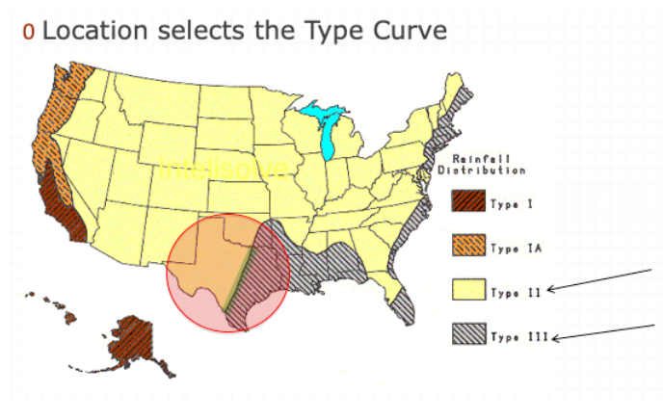
390 | 6.5 | 0.089 | 0.542722 | 0.109764
420 | 7 | 0.098 | 0.597604 | 0.109764
450 | 7.5 | 0.109 | 0.664682 | 0.134156
480 | 8 | 0.12 | 0.73176 | 0.134156
510 | 8.5 | 0.133 | 0.811034 | 0.158548
540 | 9 | 0.147 | 0.896406 | 0.170744
570 | 9.5 | 0.163 | 0.993974 | 0.195136
600 | 10 | 0.181 | 1.103738 | 0.219528
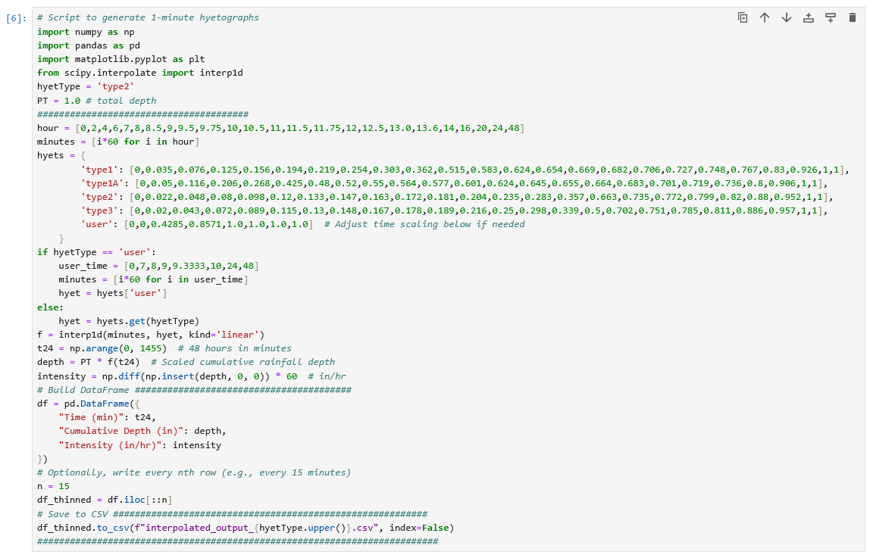
630 | 10.5 | 0.204 | 1.243992 | 0.280508
660 | 11 | 0.235 | 1.43303 | 0.378076
690 | 11.5 | 0.283 | 1.725734 | 0.585408
720 | 12 | 0.663 | 4.042974 | 4.63448
750 | 12.5 | 0.735 | 4.48203 | 0.878112
780 | 13 | 0.772 | 4.707656 | 0.451252
810 | 13.5 | 0.8 | 4.8784 | 0.341488
840 | 14 | 0.82 | 5.00036 | 0.24392
870 | 14.5 | 0.835 | 5.09183 | 0.18294
900 | 15 | 0.85 | 5.1833 | 0.18294
930 | 15.5 | 0.865 | 5.27477 | 0.18294
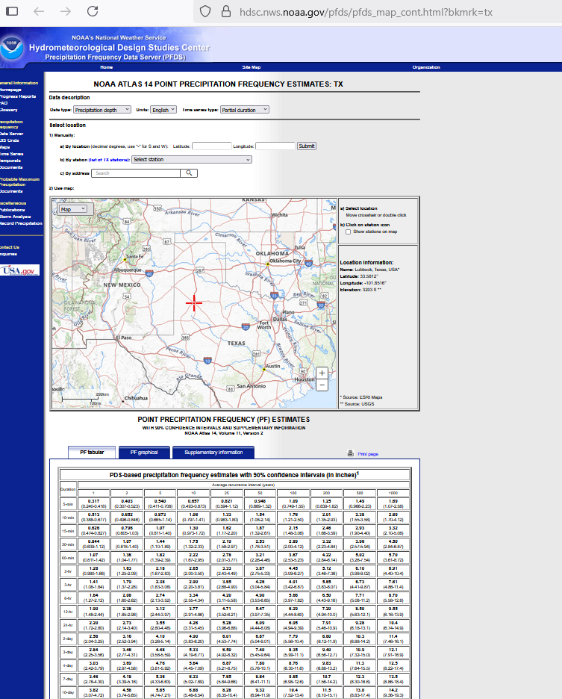
960 | 16 | 0.88 | 5.36624 | 0.18294
990 | 16.5 | 0.889 | 5.421122 | 0.109764
1020 | 17 | 0.898 | 5.476004 | 0.109764
1050 | 17.5 | 0.907 | 5.530886 | 0.109764
1080 | 18 | 0.916 | 5.585768 | 0.109764
1110 | 18.5 | 0.925 | 5.64065 | 0.109764
1140 | 19 | 0.934 | 5.695532 | 0.109764
1170 | 19.5 | 0.943 | 5.750414 | 0.109764
1200 | 20 | 0.952 | 5.805296 | 0.109764
1230 | 20.5 | 0.958 | 5.841884 | 0.073176
1260 | 21 | 0.964 | 5.878472 | 0.073176
1290 | 21.5 | 0.97 | 5.91506 | 0.073176
1320 | 22 | 0.976 | 5.951648 | 0.073176
1350 | 22.5 | 0.982 | 5.988236 | 0.073176
1380 | 23 | 0.988 | 6.024824 | 0.073176
1410 | 23.5 | 0.994 | 6.061412 | 0.073176
1440 | 24 | 1 | 6.098 | 0.073176

 |  |  |  | 4.63448

PR4
Horton Infiltration Model(s)
Formula(s)
Rate: | f(t) = f_c + (f_o - f_c)exp(-kt)
Depth: | F(t) = f_c*t - exp(-kt)(f_o -f_c)/k + C
Input(s)
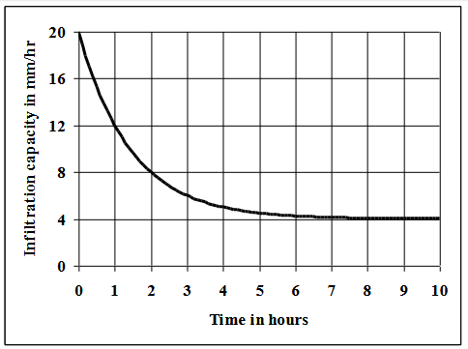
ITEM | VALUE | UNITS
f_o | 20 | mm/hr | Adjust to set intercept on overlay
f_c | 4 | mm/hr | Adjust to set asymptote
k | 0.7 | hr^-1 | Adjust to set curvature
A | 0 | ha
I_a | 0 | mm
p | 12 | mm/hr
t_rain | 8 | hr
Computed Values
P | 96 | mm
P_e | 96 | mm; Excess after I_a removed
C | 22.85714 | mm; Constant of integration from F(0)=0
Plot Arrays
Time(hrs) | Time(min) | f(t) | F(t)
0 | 0 | 20 | -2.8571428601E-06
0.25 | 15 | 17.431312332 | 4.6695509538
0.5 | 30 | 15.275009435 | 8.7499836636
0.75 | 45 | 13.46488583 | 12.335874529
1 | 60 | 11.945364861 | 15.50661877
1.25 | 75 | 10.669792315 | 18.328865264
1.5 | 90 | 9.5990039858 | 20.858562877
1.75 | 105 | 8.7001232052 | 23.142678278
2 | 120 | 7.9455514231 | 25.220637967
2.25 | 135 | 7.3121208429 | 27.125538796
2.5 | 150 | 6.7803830952 | 28.88516415
2.75 | 165 | 6.3340121097 | 30.522836986
3 | 180 | 5.959302852 | 32.058135926
3.25 | 195 | 5.644750535 | 33.507496379
3.5 | 210 | 5.380697384 | 34.884715166
3.75 | 225 | 5.1590361125 | 36.201374125
4 | 240 | 4.972961002 | 37.467195711
4.25 | 255 | 4.8167589441 | 38.690341508
4.5 | 270 | 4.6856340299 | 39.877662814
4.75 | 285 | 4.5755603001 | 41.034911
5 | 300 | 4.4831581348 | 42.166914093
5.25 | 315 | 4.4055904884 | 43.277725017
5.5 | 330 | 4.340475783 | 44.370746024
5.75 | 345 | 4.2858147865 | 45.448833162
6 | 360 | 4.2399292291 | 46.514383958
6.25 | 375 | 4.2014102759 | 47.569411034
6.5 | 390 | 4.1690752701 | 48.6156039
6.75 | 405 | 4.1419314226 | 49.654380825
7 | 420 | 4.1191453291 | 50.686932387
7.25 | 435 | 4.100017383 | 51.714258024
7.5 | 450 | 4.0839602944 | 52.737196722
7.75 | 465 | 4.0704810586 | 53.756452773
8 | 480 | 4.0591658195 | 54.772617401
8.25 | 495 | 4.0496671625 | 55.786186911
8.5 | 510 | 4.0416934483 | 56.797577931
8.75 | 525 | 4.0349998579 | 57.807140203
9 | 540 | 4.0293808764 | 58.815167319
9.25 | 555 | 4.024663983 | 59.821905739
9.5 | 570 | 4.0207043537 | 60.827562352
9.75 | 585 | 4.0173804151 | 61.832310836
10 | 600 | 4.0145901114 | 62.836296984
Total Runoff
Q | 33.163703016 | mm | <= as watershed depth
V | 0 | m^3 | <=total volume

