ES3-4
Horton Infiltration Model(s)
Formula(s)
Rate: | f(t) = f_c + (f_o - f_c)exp(-kt)
Depth: | F(t) = f_c*t - exp(-kt)(f_o -f_c)/k + C
Input(s)
ITEM | VALUE | UNITS
f_o | 5 | mm/hr
f_c | 1 | mm/hr
k | 2 | hr^-1
A | 2 | ha
I_a | 5 | mm
p | 15 | mm/hr
t_rain | 3 | hr
Computed Values
P | 45 | mm
P_e | 40 | mm; Excess after I_a removed
C | 2 | mm; Constant of integration from F(0)=0
Infiltration Rate and Depth ES3-4
Plot Arrays
Time(hrs) | Time(min) | f(t) | F(t)
0 | 0 | 5 | 0
0.25 | 15 | 3.4261226389 | 1.0369386806
0.5 | 30 | 2.4715177647 | 1.7642411177
0.75 | 45 | 1.8925206406 | 2.3037396797
1 | 60 | 1.5413411329 | 2.7293294335
1.25 | 75 | 1.3283399945 | 3.0858300028
1.5 | 90 | 1.1991482735 | 3.4004258633
1.75 | 105 | 1.1207895337 | 3.6896052332
2 | 120 | 1.0732625556 | 3.9633687222
2.25 | 135 | 1.0444359862 | 4.2277820069
2.5 | 150 | 1.026951788 | 4.486524106
2.75 | 165 | 1.0163470858 | 4.7418264571
3 | 180 | 1.0099150087 | 4.9950424956
Total Runoff
Q | 35.004957504 | mm | <= as watershed depth
V | 700.09915009 | m^3 | <=total volume

ES3-5
Green-Ampt Infiltration Excess Model

Input(s)
Dq | 0.25
y | 110 | mm/hr
K | 3 | mm/hr
p | 15 | mm/hr
t_rain | 3 | hr
I_a | 5 | mm
A | 2 | ha
Computed Constant(s)
yDq | 27.5
P | 45 | mm
P_e | 40 | mm
Plot Arrays
Infiltration Depth ES3-5
 |  |  |  |  | Goal Seek: Target 0
t (hrs) | F* | K_s * t | 1 + F/yDq | F(t) (mm) | Residual^2
0 | 0.000 | 0 | 1.0000003919 | 0.000 | 0.000
0.25 | 1.303 | 0.75 | 1.0473910353 | 1.303 | 0.000
0.5 | 2.565 | 1.5 | 1.0932727273 | 2.565 | 0.000
0.75 | 3.793 | 2.25 | 1.1379324266 | 3.793 | 0.000
1 | 4.992 | 3 | 1.1815328367 | 4.992 | 0.000
1.25 | 6.166 | 3.75 | 1.2242361303 | 6.166 | 0.000
1.5 | 7.318 | 4.5 | 1.266105462 | 7.318 | 0.000
1.75 | 8.450 | 5.25 | 1.3072753747 | 8.450 | 0.000
2 | 9.565 | 6 | 1.3478096089 | 9.565 | 0.000
2.25 | 10.664 | 6.75 | 1.387771978 | 10.664 | 0.000
2.5 | 11.748 | 7.5 | 1.4272165692 | 11.748 | 0.000
2.75 | 12.820 | 8.25 | 1.4661947211 | 12.820 | 0.000
3 | 13.880 | 9 | 1.5047395991 | 13.880 | 0.000
Total Runoff
Q | 27.180 | mm | <= as watershed depth
V | 543.59459165 | m^3 | <=total volume

ES3-6
Curve Number as Loss Model
Formula(s)
Retention: | S = (25400/CN)-254 (in mm)
Runoff: | Q = (P-I_a)^2/(P-I_a+S)
Infiltration: | I = P-Q
Input(s)
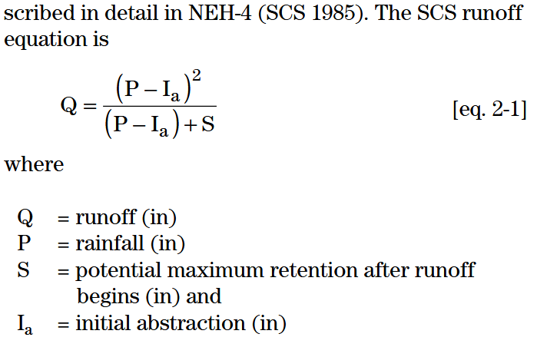
ITEM | VALUE
CN | 75
A | 2 | ha
I_a | 5 | mm
p | 15 | mm/hr
t_rain | 3 | hr
Computed Values
P | 45 | mm
P_e | 40 | mm
NRCS Model(s)
S | 84.666666667 | mm
Using NRCS document, I_a given
Q | 12.834224599 | mm
I | 32.165775401 | mm

Using supplied equations, ignore I_a
S | 84.666666667 | mm
Q | 6.9876207372 | mm
I | 38.012379263 | mm

