Sheet1
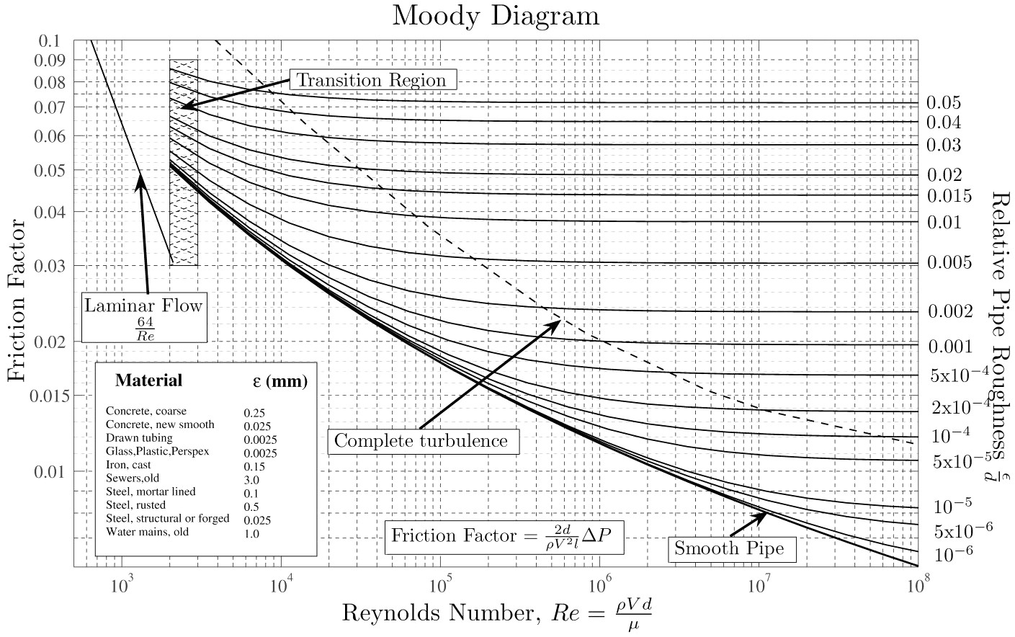
Example Head Loss Problem - If head in 2 reservoirs are constant, what's the flow in the pipe?
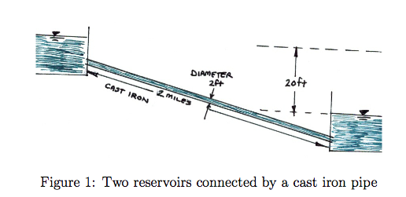
 |  |  |  |  |  | head= energy per unit weight of water

Given: | D | 2.00 | ft
 | viscosity | 1.21E-05 | ft^2/s
 | e | 8.50E-04 | ft
 | e/D | 4.25E-04 | ft/ft
 | L | 1.06E+04 | ft

Find: | Q in pipe
Sol:
Q (cfs) | Re | f | HeadLoss (ft) | Avail.Head (ft) | Difference
10.971776185 | 5.77E+05 | 0.02 | 20.0 | 20.0 | 0.00

Goal | (4*Q*D) | Moody | 8*f*L*Q^2 | From | Problem
Seek | (pi*D^2*visc.) | Chart | (pi^2*2g*D^5) | Diag. | Assump.

