ES7-Network
 | Pipe Network Model - Hybrid - Pipe+Node Method
Reset | 1.00 | <= Set to 0 to reset; set to 1 to iterate; Need to activate iterations/manual control
Iterations | 34.00

 |  |  | PIPES |  |  |  |  |  |  |  |  |  |  | NODES
Pipes |  | 1 | 2 | 3 | 4 | 5 | 6 | 7 | 8 | 9 | 10 | FICT | 1 | 2 | 3 | 4 | 5 | 6 | 7 | 8 | Nodes
Diameter (inches) |  | 10.00 | 16.00 | 6.00 | 6.00 | 8.00 | 8.00 | 8.00 | 12.00 | 8.00 | 8.00 | 9.00 | 0.00 | 0.00 | 0.00 | 0.00 | 0.00 | 0.00 | 0.00 | 0.00 | <=Elevations
Diameter (feet) |  | 0.83 | 1.33 | 0.50 | 0.50 | 0.67 | 0.67 | 0.67 | 1.00 | 0.67 | 0.67 | 0.75
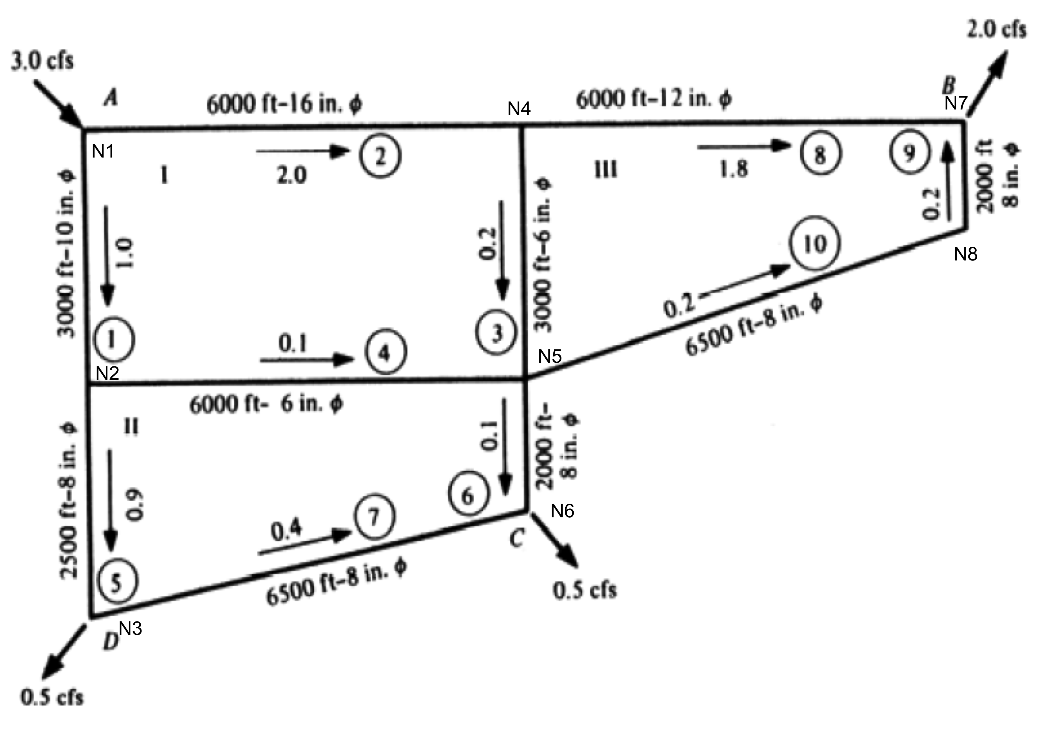
Area (ft^2) |  | 0.55 | 1.40 | 0.20 | 0.20 | 0.35 | 0.35 | 0.35 | 0.79 | 0.35 | 0.35 | 0.44
Length (feet) |  | 3000.00 | 6000.00 | 3000.00 | 6000.00 | 2500.00 | 2000.00 | 6500.00 | 6000.00 | 2000.00 | 6500.00 | 100.00
Roughness (feet) |  | 0.00 | 0.00 | 0.00 | 0.00 | 0.00 | 0.00 | 0.00 | 0.00 | 0.00 | 0.00 | 0.00
Viscosity |  | 0.00 | 0.00 | 0.00 | 0.00 | 0.00 | 0.00 | 0.00 | 0.00 | 0.00 | 0.00 | 0.00

0.1 cfs
0.4 cfs
Q-initial |  | 1.00 | 1.00 | 1.00 | 1.00 | 1.00 | 1.00 | 2.00 | 3.00 | 4.00 | 5.00 | 5.00 | 100.00 | 100.00 | 100.00 | 100.00 | 100.00 | 100.00 | 100.00 | 100.00 | <=Head Initial
Q-k |  | 0.93 | 2.07 | 0.33 | 0.22 | 0.71 | 0.29 | 0.21 | 1.75 | 0.25 | 0.25 | 3.00 | 98.72 | 95.98 | 91.86 | 96.26 | 91.31 | 90.64 | 89.08 | 89.60 | H-k
K-factors |  | 187.92 | 35.84 | 2416.60 | 4833.21 | 477.89 | 382.31 | 1242.52 | 151.04 | 382.31 | 1242.52 | 10.61 | 98.72 | 95.98 | 91.86 | 96.26 | 91.31 | 90.64 | 89.08 | 89.60 | Pressure Head
V-guess |  | 1.696020428 | 1.4860837521 | 1.6735570011 | 1.0984037174 | 2.0321798276 | 0.832609148 | 0.5997853398 | 2.2235374201 | 0.7266187562 | 0.7266187562 | 6.7906109053 | 44.93 | 43.68 | 41.81 | 43.81 | 41.56 | 41.25 | 40.54 | 40.78 | Pressure psi
Re-guess |  | 128487.3960572088 | 180132.3638873459 | 76071.7727777315 | 49928.4417020898 | 123163.4137949436 | 50462.1604871241 | 36351.6266539098 | 202140.7654609288 | 44038.5003727419 | 44038.5003727419 | 462997.1980855137
f-factors |  | 0.02 | 0.02 | 0.02 | 0.02 | 0.02 | 0.02 | 0.02 | 0.02 | 0.02 | 0.02 | 0.01
fK|Q| |  | 2.96 | 1.19 | 15.05 | 21.67 | 5.82 | 2.31 | 5.82 | 4.11 | 2.07 | 6.74 | 0.43
Loss |  | 2.74 | 2.46 | 4.95 | 4.67 | 4.13 | 0.67 | 1.22 | 7.18 | 0.53 | 1.71 | 1.28

 |  | FUNCION(Q)
 |  | Q1 | Q2 | Q3 | Q4 | Q5 | Q6 | Q7 | Q8 | Q9 | Q10 | FICT | H1 | H2 | H3 | H4 | H5 | H6 | H7 | H8 | DEMAND | Q:H-k | A(Q:H) | f(Q:H)
Nodes | N1 | -1.00 | -1.00 | 0.00 | 0.00 | 0.00 | 0.00 | 0.00 | 0.00 | 0.00 | 0.00 | 1.00 | 0.00 | 0.00 | 0.00 | 0.00 | 0.00 | 0.00 | 0.00 | 0.00 | 0.00 | 0.93 | 0.00 | 0.00
 | N2 | 1.00 | 0.00 | 0.00 | -1.00 | -1.00 | 0.00 | 0.00 | 0.00 | 0.00 | 0.00 | 0.00 | 0.00 | 0.00 | 0.00 | 0.00 | 0.00 | 0.00 | 0.00 | 0.00 | 0.00 | 2.07 | 0.00 | 0.00
 | N3 | 0.00 | 0.00 | 0.00 | 0.00 | 1.00 | 0.00 | -1.00 | 0.00 | 0.00 | 0.00 | 0.00 | 0.00 | 0.00 | 0.00 | 0.00 | 0.00 | 0.00 | 0.00 | 0.00 | 0.50 | 0.33 | 0.50 | 0.00
 | N4 | 0.00 | 1.00 | -1.00 | 0.00 | 0.00 | 0.00 | 0.00 | -1.00 | 0.00 | 0.00 | 0.00 | 0.00 | 0.00 | 0.00 | 0.00 | 0.00 | 0.00 | 0.00 | 0.00 | 0.00 | 0.22 | 0.00 | 0.00
 | N5 | 0.00 | 0.00 | 1.00 | 1.00 | 0.00 | -1.00 | 0.00 | 0.00 | 0.00 | -1.00 | 0.00 | 0.00 | 0.00 | 0.00 | 0.00 | 0.00 | 0.00 | 0.00 | 0.00 | 0.00 | 0.71 | 0.00 | 0.00
 | N6 | 0.00 | 0.00 | 0.00 | 0.00 | 0.00 | 1.00 | 1.00 | 0.00 | 0.00 | 0.00 | 0.00 | 0.00 | 0.00 | 0.00 | 0.00 | 0.00 | 0.00 | 0.00 | 0.00 | 0.50 | 0.29 | 0.50 | 0.00
 | N7 | 0.00 | 0.00 | 0.00 | 0.00 | 0.00 | 0.00 | 0.00 | 1.00 | 1.00 | 0.00 | 0.00 | 0.00 | 0.00 | 0.00 | 0.00 | 0.00 | 0.00 | 0.00 | 0.00 | 2.00 | 0.21 | 2.00 | 0.00
 | N8 | 0.00 | 0.00 | 0.00 | 0.00 | 0.00 | 0.00 | 0.00 | 0.00 | -1.00 | 1.00 | 0.00 | 0.00 | 0.00 | 0.00 | 0.00 | 0.00 | 0.00 | 0.00 | 0.00 | 0.00 | 1.75 | 0.00 | 0.00
Pipes | P1 | -2.96 | 0.00 | 0.00 | 0.00 | 0.00 | 0.00 | 0.00 | 0.00 | 0.00 | 0.00 | 0.00 | 1.00 | -1.00 | 0.00 | 0.00 | 0.00 | 0.00 | 0.00 | 0.00 | 0.00 | 0.25 | 0.00 | 0.00
 | P2 | 0.00 | -1.19 | 0.00 | 0.00 | 0.00 | 0.00 | 0.00 | 0.00 | 0.00 | 0.00 | 0.00 | 1.00 | 0.00 | 0.00 | -1.00 | 0.00 | 0.00 | 0.00 | 0.00 | 0.00 | 0.25 | 0.00 | 0.00
 | P3 | 0.00 | 0.00 | -15.05 | 0.00 | 0.00 | 0.00 | 0.00 | 0.00 | 0.00 | 0.00 | 0.00 | 0.00 | 0.00 | 0.00 | 1.00 | -1.00 | 0.00 | 0.00 | 0.00 | 0.00 | 3.00 | 0.00 | 0.00
 | P4 | 0.00 | 0.00 | 0.00 | -21.67 | 0.00 | 0.00 | 0.00 | 0.00 | 0.00 | 0.00 | 0.00 | 0.00 | 1.00 | 0.00 | 0.00 | -1.00 | 0.00 | 0.00 | 0.00 | 0.00 | 98.72 | 0.00 | 0.00
 | P5 | 0.00 | 0.00 | 0.00 | 0.00 | -5.82 | 0.00 | 0.00 | 0.00 | 0.00 | 0.00 | 0.00 | 0.00 | 1.00 | -1.00 | 0.00 | 0.00 | 0.00 | 0.00 | 0.00 | 0.00 | 95.98 | 0.00 | 0.00
 | P6 | 0.00 | 0.00 | 0.00 | 0.00 | 0.00 | -2.31 | 0.00 | 0.00 | 0.00 | 0.00 | 0.00 | 0.00 | 0.00 | 0.00 | 0.00 | 1.00 | -1.00 | 0.00 | 0.00 | 0.00 | 91.86 | 0.00 | 0.00
 | P7 | 0.00 | 0.00 | 0.00 | 0.00 | 0.00 | 0.00 | -5.82 | 0.00 | 0.00 | 0.00 | 0.00 | 0.00 | 0.00 | 1.00 | 0.00 | 0.00 | -1.00 | 0.00 | 0.00 | 0.00 | 96.26 | 0.00 | 0.00
 | P8 | 0.00 | 0.00 | 0.00 | 0.00 | 0.00 | 0.00 | 0.00 | -4.11 | 0.00 | 0.00 | 0.00 | 0.00 | 0.00 | 0.00 | 1.00 | 0.00 | 0.00 | -1.00 | 0.00 | 0.00 | 91.31 | 0.00 | 0.00
 | P9 | 0.00 | 0.00 | 0.00 | 0.00 | 0.00 | 0.00 | 0.00 | 0.00 | -2.07 | 0.00 | 0.00 | 0.00 | 0.00 | 0.00 | 0.00 | 0.00 | 0.00 | -1.00 | 1.00 | 0.00 | 90.64 | 0.00 | 0.00
 | P10 | 0.00 | 0.00 | 0.00 | 0.00 | 0.00 | 0.00 | 0.00 | 0.00 | 0.00 | -6.74 | 0.00 | 0.00 | 0.00 | 0.00 | 0.00 | 1.00 | 0.00 | 0.00 | -1.00 | 0.00 | 89.08 | 0.00 | 0.00
 | FICT | 0.00 | 0.00 | 0.00 | 0.00 | 0.00 | 0.00 | 0.00 | 0.00 | 0.00 | 0.00 | -0.43 | -1.00 | 0.00 | 0.00 | 0.00 | 0.00 | 0.00 | 0.00 | 0.00 | -100.00 | 89.60 | -100.00 | 0.00
 |  | FJACOBIAN(Q)
 |  | Q1 | Q2 | Q3 | Q4 | Q5 | Q6 | Q7 | Q8 | Q9 | Q10 | FICT | H1 | H2 | H3 | H4 | H5 | H6 | H7 | H8 | dQ:H | Q:H-k+1
Nodes | N1 | -1.00 | -1.00 | 0.00 | 0.00 | 0.00 | 0.00 | 0.00 | 0.00 | 0.00 | 0.00 | 1.00 | 0.00 | 0.00 | 0.00 | 0.00 | 0.00 | 0.00 | 0.00 | 0.00 | 0.00 | 0.93
 | N2 | 1.00 | 0.00 | 0.00 | -1.00 | -1.00 | 0.00 | 0.00 | 0.00 | 0.00 | 0.00 | 0.00 | 0.00 | 0.00 | 0.00 | 0.00 | 0.00 | 0.00 | 0.00 | 0.00 | 0.00 | 2.07
 | N3 | 0.00 | 0.00 | 0.00 | 0.00 | 1.00 | 0.00 | -1.00 | 0.00 | 0.00 | 0.00 | 0.00 | 0.00 | 0.00 | 0.00 | 0.00 | 0.00 | 0.00 | 0.00 | 0.00 | 0.00 | 0.33
 | N4 | 0.00 | 1.00 | -1.00 | 0.00 | 0.00 | 0.00 | 0.00 | -1.00 | 0.00 | 0.00 | 0.00 | 0.00 | 0.00 | 0.00 | 0.00 | 0.00 | 0.00 | 0.00 | 0.00 | 0.00 | 0.22
 | N5 | 0.00 | 0.00 | 1.00 | 1.00 | 0.00 | -1.00 | 0.00 | 0.00 | 0.00 | -1.00 | 0.00 | 0.00 | 0.00 | 0.00 | 0.00 | 0.00 | 0.00 | 0.00 | 0.00 | 0.00 | 0.71
 | N6 | 0.00 | 0.00 | 0.00 | 0.00 | 0.00 | 1.00 | 1.00 | 0.00 | 0.00 | 0.00 | 0.00 | 0.00 | 0.00 | 0.00 | 0.00 | 0.00 | 0.00 | 0.00 | 0.00 | 0.00 | 0.29
 | N7 | 0.00 | 0.00 | 0.00 | 0.00 | 0.00 | 0.00 | 0.00 | 1.00 | 1.00 | 0.00 | 0.00 | 0.00 | 0.00 | 0.00 | 0.00 | 0.00 | 0.00 | 0.00 | 0.00 | 0.00 | 0.21
 | N8 | 0.00 | 0.00 | 0.00 | 0.00 | 0.00 | 0.00 | 0.00 | 0.00 | -1.00 | 1.00 | 0.00 | 0.00 | 0.00 | 0.00 | 0.00 | 0.00 | 0.00 | 0.00 | 0.00 | 0.00 | 1.75
Pipes | P1 | -5.92 | 0.00 | 0.00 | 0.00 | 0.00 | 0.00 | 0.00 | 0.00 | 0.00 | 0.00 | 0.00 | 1.00 | -1.00 | 0.00 | 0.00 | 0.00 | 0.00 | 0.00 | 0.00 | 0.00 | 0.25
 | P2 | 0.00 | -2.38 | 0.00 | 0.00 | 0.00 | 0.00 | 0.00 | 0.00 | 0.00 | 0.00 | 0.00 | 1.00 | 0.00 | 0.00 | -1.00 | 0.00 | 0.00 | 0.00 | 0.00 | 0.00 | 0.25
 | P3 | 0.00 | 0.00 | -30.10 | 0.00 | 0.00 | 0.00 | 0.00 | 0.00 | 0.00 | 0.00 | 0.00 | 0.00 | 0.00 | 0.00 | 1.00 | -1.00 | 0.00 | 0.00 | 0.00 | 0.00 | 3.00
 | P4 | 0.00 | 0.00 | 0.00 | -43.34 | 0.00 | 0.00 | 0.00 | 0.00 | 0.00 | 0.00 | 0.00 | 0.00 | 1.00 | 0.00 | 0.00 | -1.00 | 0.00 | 0.00 | 0.00 | 0.00 | 98.72
 | P5 | 0.00 | 0.00 | 0.00 | 0.00 | -11.63 | 0.00 | 0.00 | 0.00 | 0.00 | 0.00 | 0.00 | 0.00 | 1.00 | -1.00 | 0.00 | 0.00 | 0.00 | 0.00 | 0.00 | 0.00 | 95.98
 | P6 | 0.00 | 0.00 | 0.00 | 0.00 | 0.00 | -4.61 | 0.00 | 0.00 | 0.00 | 0.00 | 0.00 | 0.00 | 0.00 | 0.00 | 0.00 | 1.00 | -1.00 | 0.00 | 0.00 | 0.00 | 91.86
 | P7 | 0.00 | 0.00 | 0.00 | 0.00 | 0.00 | 0.00 | -11.63 | 0.00 | 0.00 | 0.00 | 0.00 | 0.00 | 0.00 | 1.00 | 0.00 | 0.00 | -1.00 | 0.00 | 0.00 | 0.00 | 96.26
 | P8 | 0.00 | 0.00 | 0.00 | 0.00 | 0.00 | 0.00 | 0.00 | -8.23 | 0.00 | 0.00 | 0.00 | 0.00 | 0.00 | 0.00 | 1.00 | 0.00 | 0.00 | -1.00 | 0.00 | 0.00 | 91.31
 | P9 | 0.00 | 0.00 | 0.00 | 0.00 | 0.00 | 0.00 | 0.00 | 0.00 | -4.15 | 0.00 | 0.00 | 0.00 | 0.00 | 0.00 | 0.00 | 0.00 | 0.00 | -1.00 | 1.00 | 0.00 | 90.64
 | P10 | 0.00 | 0.00 | 0.00 | 0.00 | 0.00 | 0.00 | 0.00 | 0.00 | 0.00 | -13.48 | 0.00 | 0.00 | 0.00 | 0.00 | 0.00 | 1.00 | 0.00 | 0.00 | -1.00 | 0.00 | 89.08
 | FICT | 0.00 | 0.00 | 0.00 | 0.00 | 0.00 | 0.00 | 0.00 | 0.00 | 0.00 | 0.00 | -0.85 | -1.00 | 0.00 | 0.00 | 0.00 | 0.00 | 0.00 | 0.00 | 0.00 | 0.00 | 89.60

 |  | 0.93 | 2.07 | 0.33 | 0.22 | 0.71 | 0.29 | 0.21 | 1.75 | 0.25 | 0.25 | 3.00 | 98.72 | 95.98 | 91.86 | 96.26 | 91.31 | 90.64 | 89.08 | 89.60 | <= Q:H-k+1

