ES7-Network
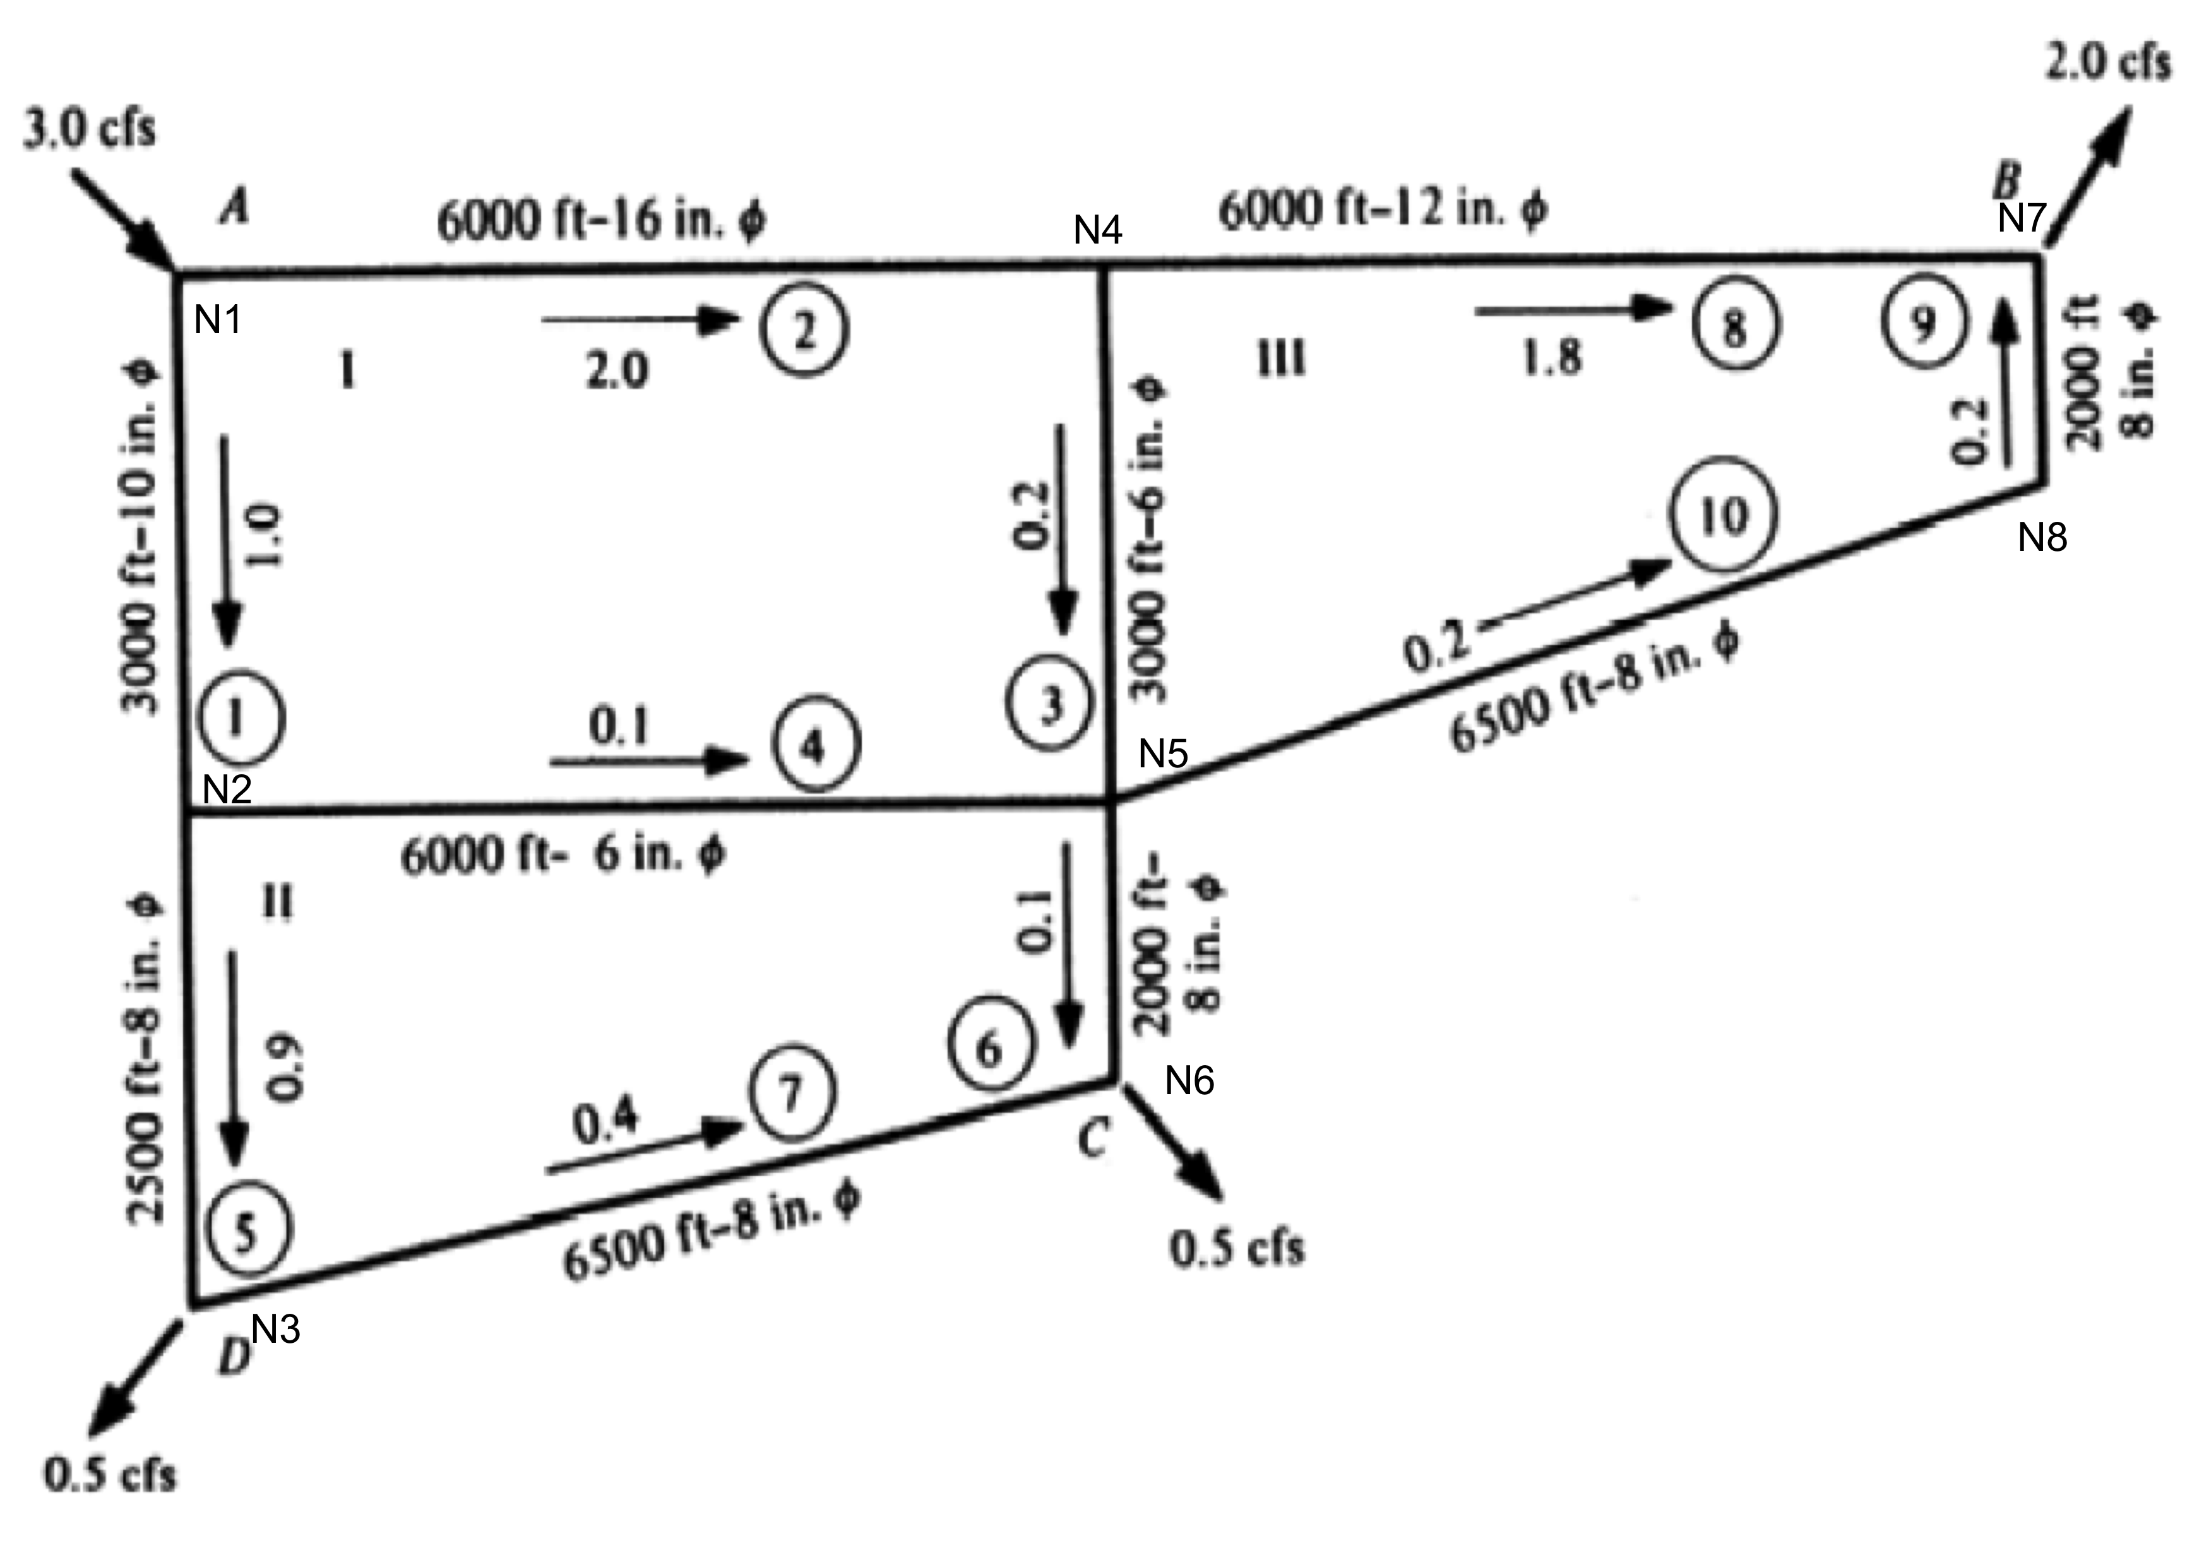
 | Pipe Network Model - Hybrid - Pipe+Node Method
Reset | 1.00 | <= Set to 0 to reset; set to 1 to iterate; Need to activate iterations/manual control
Iterations | 262.00

 |  |  | PIPES |  |  |  |  |  |  |  |  |  |  | NODES
Pipes |  | 1 | 2 | 3 | 4 | 5 | 6 | 7 | 8 | 9 | 10 | FICT | 1 | 2 | 3 | 4 | 5 | 6 | 7 | 8 | Nodes
Diameter (inches) |  | 10.00 | 16.00 | 6.00 | 6.00 | 8.00 | 8.00 | 8.00 | 12.00 | 8.00 | 8.00 | 24.00 | 0.00 | 0.00 | 0.00 | 0.00 | 0.00 | 0.00 | 0.00 | 0.00 | <=Elevations
Diameter (feet) |  | 0.83 | 1.33 | 0.50 | 0.50 | 0.67 | 0.67 | 0.67 | 1.00 | 0.67 | 0.67 | 2.00
Area (ft^2) |  | 0.55 | 1.40 | 0.20 | 0.20 | 0.35 | 0.35 | 0.35 | 0.79 | 0.35 | 0.35 | 3.14
Length (feet) |  | 3000.00 | 6000.00 | 3000.00 | 6000.00 | 2500.00 | 2000.00 | 6500.00 | 6000.00 | 2000.00 | 6500.00 | 100.00
Roughness (feet) |  | 0.00 | 0.00 | 0.00 | 0.00 | 0.00 | 0.00 | 0.00 | 0.00 | 0.00 | 0.00 | 0.00
Viscosity |  | 0.00 | 0.00 | 0.00 | 0.00 | 0.00 | 0.00 | 0.00 | 0.00 | 0.00 | 0.00 | 0.00
Q-initial |  | 1.00 | 1.00 | 1.00 | 1.00 | 1.00 | 1.00 | 2.00 | 3.00 | 4.00 | 5.00 | 5.00 | 100.00 | 100.00 | 100.00 | 100.00 | 100.00 | 100.00 | 100.00 | 100.00 | <=Head Initial
Q-k |  | 0.96 | 2.04 | 0.35 | 0.24 | 0.72 | 0.28 | 0.22 | 1.69 | 0.31 | 0.31 | 3.00 | 99.98 | 95.57 | 89.54 | 95.79 | 88.69 | 87.91 | 84.57 | 85.54 | H-k
K-factors |  | 187.92 | 35.84 | 2416.60 | 4833.21 | 477.89 | 382.31 | 1242.52 | 151.04 | 382.31 | 1242.52 | 0.08 | 99.98 | 95.57 | 89.54 | 95.79 | 88.69 | 87.91 | 84.57 | 85.54 | Pressure Head
V-guess |  | 1.7623057304 | 1.4601910558 | 1.7907464211 | 1.2228793633 | 2.0657330619 | 0.7990559138 | 0.633338574 | 2.1482086051 | 0.8961085899 | 0.8961085899 | 0.9549296586 | 45.50 | 43.50 | 40.75 | 43.59 | 40.36 | 40.01 | 38.49 | 38.93 | Pressure psi
Re-guess |  | 133509.0098764431 | 176993.8552503246 | 81398.5645973189 | 55586.425603066 | 125196.9431432544 | 48428.6311388133 | 38385.1560022205 | 195292.6913684399 | 54310.6115114754 | 54310.6115114754 | 173624.5742820677
f-factors |  | 0.03 | 0.03 | 0.02 | 0.02 | 0.02 | 0.03 | 0.03 | 0.03 | 0.03 | 0.03 | 0.03
fK|Q| |  | 4.58 | 2.06 | 20.18 | 28.67 | 8.36 | 2.80 | 7.40 | 6.65 | 3.10 | 10.07 | 0.01
Loss |  | 4.40 | 4.19 | 7.10 | 6.88 | 6.03 | 0.78 | 1.64 | 11.22 | 0.97 | 3.15 | 0.02

 |  | FUNCION(Q)
 |  | Q1 | Q2 | Q3 | Q4 | Q5 | Q6 | Q7 | Q8 | Q9 | Q10 | FICT | H1 | H2 | H3 | H4 | H5 | H6 | H7 | H8 | DEMAND | Q:H-k | A(Q:H) | f(Q:H)
Nodes | N1 | -1.00 | -1.00 | 0.00 | 0.00 | 0.00 | 0.00 | 0.00 | 0.00 | 0.00 | 0.00 | 1.00 | 0.00 | 0.00 | 0.00 | 0.00 | 0.00 | 0.00 | 0.00 | 0.00 | 0.00 | 0.96 | 0.00 | 0.00
 | N2 | 1.00 | 0.00 | 0.00 | -1.00 | -1.00 | 0.00 | 0.00 | 0.00 | 0.00 | 0.00 | 0.00 | 0.00 | 0.00 | 0.00 | 0.00 | 0.00 | 0.00 | 0.00 | 0.00 | 0.00 | 2.04 | 0.00 | 0.00
 | N3 | 0.00 | 0.00 | 0.00 | 0.00 | 1.00 | 0.00 | -1.00 | 0.00 | 0.00 | 0.00 | 0.00 | 0.00 | 0.00 | 0.00 | 0.00 | 0.00 | 0.00 | 0.00 | 0.00 | 0.50 | 0.35 | 0.50 | 0.00
 | N4 | 0.00 | 1.00 | -1.00 | 0.00 | 0.00 | 0.00 | 0.00 | -1.00 | 0.00 | 0.00 | 0.00 | 0.00 | 0.00 | 0.00 | 0.00 | 0.00 | 0.00 | 0.00 | 0.00 | 0.00 | 0.24 | 0.00 | 0.00
 | N5 | 0.00 | 0.00 | 1.00 | 1.00 | 0.00 | -1.00 | 0.00 | 0.00 | 0.00 | -1.00 | 0.00 | 0.00 | 0.00 | 0.00 | 0.00 | 0.00 | 0.00 | 0.00 | 0.00 | 0.00 | 0.72 | 0.00 | 0.00
 | N6 | 0.00 | 0.00 | 0.00 | 0.00 | 0.00 | 1.00 | 1.00 | 0.00 | 0.00 | 0.00 | 0.00 | 0.00 | 0.00 | 0.00 | 0.00 | 0.00 | 0.00 | 0.00 | 0.00 | 0.50 | 0.28 | 0.50 | 0.00
 | N7 | 0.00 | 0.00 | 0.00 | 0.00 | 0.00 | 0.00 | 0.00 | 1.00 | 1.00 | 0.00 | 0.00 | 0.00 | 0.00 | 0.00 | 0.00 | 0.00 | 0.00 | 0.00 | 0.00 | 2.00 | 0.22 | 2.00 | 0.00
 | N8 | 0.00 | 0.00 | 0.00 | 0.00 | 0.00 | 0.00 | 0.00 | 0.00 | -1.00 | 1.00 | 0.00 | 0.00 | 0.00 | 0.00 | 0.00 | 0.00 | 0.00 | 0.00 | 0.00 | 0.00 | 1.69 | 0.00 | 0.00
Pipes | P1 | -4.58 | 0.00 | 0.00 | 0.00 | 0.00 | 0.00 | 0.00 | 0.00 | 0.00 | 0.00 | 0.00 | 1.00 | -1.00 | 0.00 | 0.00 | 0.00 | 0.00 | 0.00 | 0.00 | 0.00 | 0.31 | 0.00 | 0.00
 | P2 | 0.00 | -2.06 | 0.00 | 0.00 | 0.00 | 0.00 | 0.00 | 0.00 | 0.00 | 0.00 | 0.00 | 1.00 | 0.00 | 0.00 | -1.00 | 0.00 | 0.00 | 0.00 | 0.00 | 0.00 | 0.31 | 0.00 | 0.00
 | P3 | 0.00 | 0.00 | -20.18 | 0.00 | 0.00 | 0.00 | 0.00 | 0.00 | 0.00 | 0.00 | 0.00 | 0.00 | 0.00 | 0.00 | 1.00 | -1.00 | 0.00 | 0.00 | 0.00 | 0.00 | 3.00 | 0.00 | 0.00
 | P4 | 0.00 | 0.00 | 0.00 | -28.67 | 0.00 | 0.00 | 0.00 | 0.00 | 0.00 | 0.00 | 0.00 | 0.00 | 1.00 | 0.00 | 0.00 | -1.00 | 0.00 | 0.00 | 0.00 | 0.00 | 99.98 | 0.00 | 0.00
 | P5 | 0.00 | 0.00 | 0.00 | 0.00 | -8.36 | 0.00 | 0.00 | 0.00 | 0.00 | 0.00 | 0.00 | 0.00 | 1.00 | -1.00 | 0.00 | 0.00 | 0.00 | 0.00 | 0.00 | 0.00 | 95.57 | 0.00 | 0.00
 | P6 | 0.00 | 0.00 | 0.00 | 0.00 | 0.00 | -2.80 | 0.00 | 0.00 | 0.00 | 0.00 | 0.00 | 0.00 | 0.00 | 0.00 | 0.00 | 1.00 | -1.00 | 0.00 | 0.00 | 0.00 | 89.54 | 0.00 | 0.00
 | P7 | 0.00 | 0.00 | 0.00 | 0.00 | 0.00 | 0.00 | -7.40 | 0.00 | 0.00 | 0.00 | 0.00 | 0.00 | 0.00 | 1.00 | 0.00 | 0.00 | -1.00 | 0.00 | 0.00 | 0.00 | 95.79 | 0.00 | 0.00
 | P8 | 0.00 | 0.00 | 0.00 | 0.00 | 0.00 | 0.00 | 0.00 | -6.65 | 0.00 | 0.00 | 0.00 | 0.00 | 0.00 | 0.00 | 1.00 | 0.00 | 0.00 | -1.00 | 0.00 | 0.00 | 88.69 | 0.00 | 0.00
 | P9 | 0.00 | 0.00 | 0.00 | 0.00 | 0.00 | 0.00 | 0.00 | 0.00 | -3.10 | 0.00 | 0.00 | 0.00 | 0.00 | 0.00 | 0.00 | 0.00 | 0.00 | -1.00 | 1.00 | 0.00 | 87.91 | 0.00 | 0.00
 | P10 | 0.00 | 0.00 | 0.00 | 0.00 | 0.00 | 0.00 | 0.00 | 0.00 | 0.00 | -10.07 | 0.00 | 0.00 | 0.00 | 0.00 | 0.00 | 1.00 | 0.00 | 0.00 | -1.00 | 0.00 | 84.57 | 0.00 | 0.00
 | FICT | 0.00 | 0.00 | 0.00 | 0.00 | 0.00 | 0.00 | 0.00 | 0.00 | 0.00 | 0.00 | -0.01 | -1.00 | 0.00 | 0.00 | 0.00 | 0.00 | 0.00 | 0.00 | 0.00 | -100.00 | 85.54 | -100.00 | 0.00
 |  | FJACOBIAN(Q)

0.1 cfs
0.4 cfs
 |  | Q1 | Q2 | Q3 | Q4 | Q5 | Q6 | Q7 | Q8 | Q9 | Q10 | FICT | H1 | H2 | H3 | H4 | H5 | H6 | H7 | H8 | dQ:H | Q:H-k+1
Nodes | N1 | -1.00 | -1.00 | 0.00 | 0.00 | 0.00 | 0.00 | 0.00 | 0.00 | 0.00 | 0.00 | 1.00 | 0.00 | 0.00 | 0.00 | 0.00 | 0.00 | 0.00 | 0.00 | 0.00 | 0.00 | 0.96
 | N2 | 1.00 | 0.00 | 0.00 | -1.00 | -1.00 | 0.00 | 0.00 | 0.00 | 0.00 | 0.00 | 0.00 | 0.00 | 0.00 | 0.00 | 0.00 | 0.00 | 0.00 | 0.00 | 0.00 | 0.00 | 2.04
 | N3 | 0.00 | 0.00 | 0.00 | 0.00 | 1.00 | 0.00 | -1.00 | 0.00 | 0.00 | 0.00 | 0.00 | 0.00 | 0.00 | 0.00 | 0.00 | 0.00 | 0.00 | 0.00 | 0.00 | 0.00 | 0.35
 | N4 | 0.00 | 1.00 | -1.00 | 0.00 | 0.00 | 0.00 | 0.00 | -1.00 | 0.00 | 0.00 | 0.00 | 0.00 | 0.00 | 0.00 | 0.00 | 0.00 | 0.00 | 0.00 | 0.00 | 0.00 | 0.24
 | N5 | 0.00 | 0.00 | 1.00 | 1.00 | 0.00 | -1.00 | 0.00 | 0.00 | 0.00 | -1.00 | 0.00 | 0.00 | 0.00 | 0.00 | 0.00 | 0.00 | 0.00 | 0.00 | 0.00 | 0.00 | 0.72
 | N6 | 0.00 | 0.00 | 0.00 | 0.00 | 0.00 | 1.00 | 1.00 | 0.00 | 0.00 | 0.00 | 0.00 | 0.00 | 0.00 | 0.00 | 0.00 | 0.00 | 0.00 | 0.00 | 0.00 | 0.00 | 0.28
 | N7 | 0.00 | 0.00 | 0.00 | 0.00 | 0.00 | 0.00 | 0.00 | 1.00 | 1.00 | 0.00 | 0.00 | 0.00 | 0.00 | 0.00 | 0.00 | 0.00 | 0.00 | 0.00 | 0.00 | 0.00 | 0.22
 | N8 | 0.00 | 0.00 | 0.00 | 0.00 | 0.00 | 0.00 | 0.00 | 0.00 | -1.00 | 1.00 | 0.00 | 0.00 | 0.00 | 0.00 | 0.00 | 0.00 | 0.00 | 0.00 | 0.00 | 0.00 | 1.69
Pipes | P1 | -9.16 | 0.00 | 0.00 | 0.00 | 0.00 | 0.00 | 0.00 | 0.00 | 0.00 | 0.00 | 0.00 | 1.00 | -1.00 | 0.00 | 0.00 | 0.00 | 0.00 | 0.00 | 0.00 | 0.00 | 0.31
 | P2 | 0.00 | -4.11 | 0.00 | 0.00 | 0.00 | 0.00 | 0.00 | 0.00 | 0.00 | 0.00 | 0.00 | 1.00 | 0.00 | 0.00 | -1.00 | 0.00 | 0.00 | 0.00 | 0.00 | 0.00 | 0.31
 | P3 | 0.00 | 0.00 | -40.36 | 0.00 | 0.00 | 0.00 | 0.00 | 0.00 | 0.00 | 0.00 | 0.00 | 0.00 | 0.00 | 0.00 | 1.00 | -1.00 | 0.00 | 0.00 | 0.00 | 0.00 | 3.00
 | P4 | 0.00 | 0.00 | 0.00 | -57.35 | 0.00 | 0.00 | 0.00 | 0.00 | 0.00 | 0.00 | 0.00 | 0.00 | 1.00 | 0.00 | 0.00 | -1.00 | 0.00 | 0.00 | 0.00 | 0.00 | 99.98
 | P5 | 0.00 | 0.00 | 0.00 | 0.00 | -16.72 | 0.00 | 0.00 | 0.00 | 0.00 | 0.00 | 0.00 | 0.00 | 1.00 | -1.00 | 0.00 | 0.00 | 0.00 | 0.00 | 0.00 | 0.00 | 95.57
 | P6 | 0.00 | 0.00 | 0.00 | 0.00 | 0.00 | -5.59 | 0.00 | 0.00 | 0.00 | 0.00 | 0.00 | 0.00 | 0.00 | 0.00 | 0.00 | 1.00 | -1.00 | 0.00 | 0.00 | 0.00 | 89.54
 | P7 | 0.00 | 0.00 | 0.00 | 0.00 | 0.00 | 0.00 | -14.80 | 0.00 | 0.00 | 0.00 | 0.00 | 0.00 | 0.00 | 1.00 | 0.00 | 0.00 | -1.00 | 0.00 | 0.00 | 0.00 | 95.79
 | P8 | 0.00 | 0.00 | 0.00 | 0.00 | 0.00 | 0.00 | 0.00 | -13.29 | 0.00 | 0.00 | 0.00 | 0.00 | 0.00 | 0.00 | 1.00 | 0.00 | 0.00 | -1.00 | 0.00 | 0.00 | 88.69
 | P9 | 0.00 | 0.00 | 0.00 | 0.00 | 0.00 | 0.00 | 0.00 | 0.00 | -6.20 | 0.00 | 0.00 | 0.00 | 0.00 | 0.00 | 0.00 | 0.00 | 0.00 | -1.00 | 1.00 | 0.00 | 87.91
 | P10 | 0.00 | 0.00 | 0.00 | 0.00 | 0.00 | 0.00 | 0.00 | 0.00 | 0.00 | -20.14 | 0.00 | 0.00 | 0.00 | 0.00 | 0.00 | 1.00 | 0.00 | 0.00 | -1.00 | 0.00 | 84.57
 | FICT | 0.00 | 0.00 | 0.00 | 0.00 | 0.00 | 0.00 | 0.00 | 0.00 | 0.00 | 0.00 | -0.01 | -1.00 | 0.00 | 0.00 | 0.00 | 0.00 | 0.00 | 0.00 | 0.00 | 0.00 | 85.54

 |  | 0.96 | 2.04 | 0.35 | 0.24 | 0.72 | 0.28 | 0.22 | 1.69 | 0.31 | 0.31 | 3.00 | 99.98 | 95.57 | 89.54 | 95.79 | 88.69 | 87.91 | 84.57 | 85.54 | <= Q:H-k+1

