Sheet1
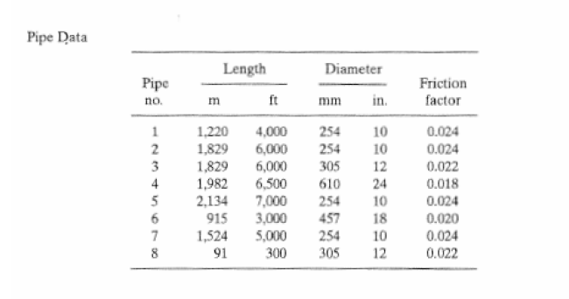
Pipe ID | Friction Factor (from Problem Statement) | Roughness in EPA-NET | Computed Friction Factor from EPA-NET
1 | 0.024 | ## | 0.022
2 | 0.024 | ## | 0.022
3 | 0.022 | ## | ##
4 | 0.018 | ## | ##
5 | 0.024 | ## | ##
6 | 0.020 | ## | ##
7 | 0.024 | ## | ##
8 | 0.022 | ## | ##

