ES7-Network
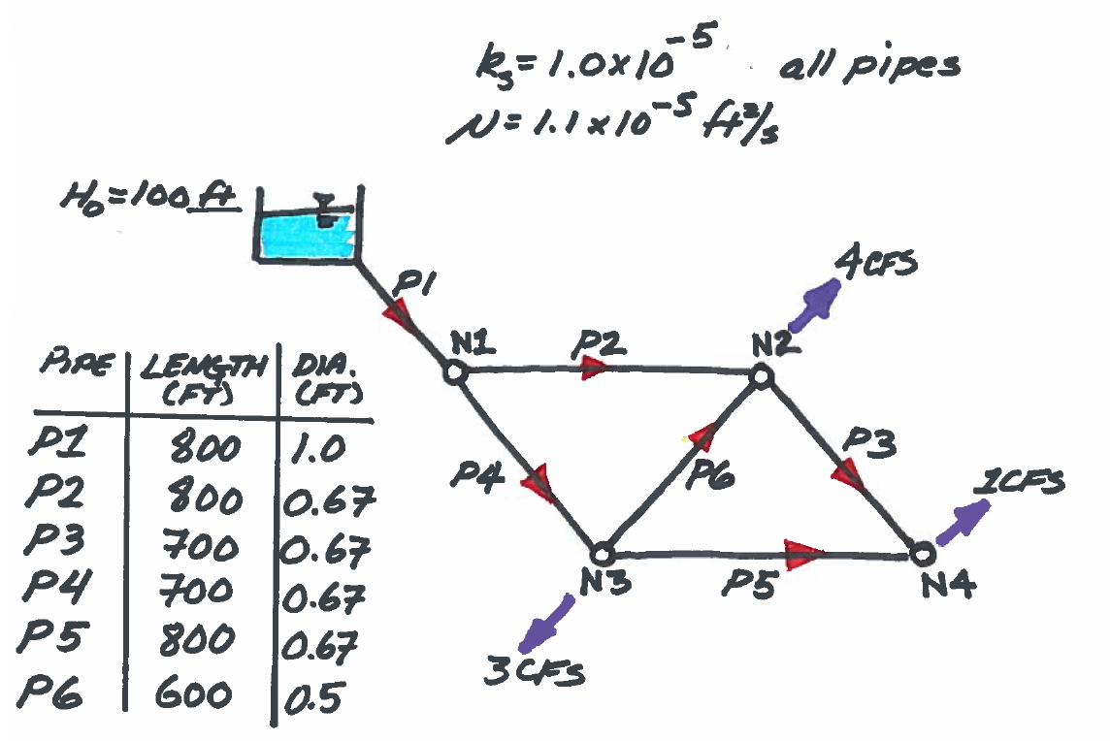
 | Pipe Network Model - Hybrid - Pipe+Node Method
Reset | 1.00 | <= Set to 0 to reset; set to 1 to iterate; Need to activate iterations/manual control
Iterations | 25.00

 |  |  | PIPES |  |  |  |  |  | NODES
Pipes |  | 1 | 2 | 3 | 4 | 5 | 6 | 1 | 2 | 3 | 4 | Nodes
Diameter (inches) |  | 12.00 | 8.00 | 8.00 | 8.00 | 8.00 | 6.00 | 0.00 | 0.00 | 0.00 | 0.00 | <=Elevations
Diameter (feet) |  | 1.00 | 0.67 | 0.67 | 0.67 | 0.67 | 0.50
Area (ft^2) |  | 0.79 | 0.35 | 0.35 | 0.35 | 0.35 | 0.20
Length (feet) |  | 800.00 | 800.00 | 700.00 | 700.00 | 800.00 | 600.00
Roughness (feet) |  | 0.00 | 0.00 | 0.00 | 0.00 | 0.00 | 0.00
Viscosity |  | 0.00 | 0.00 | 0.00 | 0.00 | 0.00 | 0.00
Q-initial |  | 1.00 | 1.00 | 1.00 | 1.00 | 1.00 | 1.00 | 100.00 | 100.00 | 100.00 | 100.00 | <=Head Initial
Q-k |  | 8.00 | 3.90 | 0.27 | 4.10 | 0.73 | 0.37 | 84.54 | 55.37 | 56.57 | 55.17 | H-k
K-factors |  | 20.14 | 152.93 | 133.81 | 133.81 | 152.93 | 483.32 | 84.54 | 55.37 | 56.57 | 55.17 | Pressure Head
V-guess |  | 10.1859163579 | 11.1734987281 | 0.7635532465 | 11.7448130771 | 2.1012357291 | 1.8652629707 | 38.48 | 25.20 | 25.75 | 25.11 | Pressure psi
Re-guess |  | 925993.3961710277 | 677182.7410991556 | 46276.954334037 | 711807.8531573857 | 127348.6199480307 | 84785.6804842022
f-factors |  | 0.01 | 0.01 | 0.02 | 0.01 | 0.02 | 0.02
fK|Q| |  | 1.93 | 7.48 | 0.75 | 6.82 | 1.91 | 3.28

 |  | FUNCION(Q)
 |  | Q1 | Q2 | Q3 | Q4 | Q5 | Q6 | H1 | H2 | H3 | H4 | DEMAND | Q:H-k | A(Q:H) | f(Q:H)

Nodes | N1 | 1.00 | -1.00 | 0.00 | -1.00 | 0.00 | 0.00 | 0.00 | 0.00 | 0.00 | 0.00 | 0.00 | 8.00 | 0.00 | 0.00
 | N2 | 0.00 | 1.00 | -1.00 | 0.00 | 0.00 | 1.00 | 0.00 | 0.00 | 0.00 | 0.00 | 4.00 | 3.90 | 4.00 | 0.00
 | N3 | 0.00 | 0.00 | 0.00 | 1.00 | -1.00 | -1.00 | 0.00 | 0.00 | 0.00 | 0.00 | 3.00 | 0.27 | 3.00 | 0.00
 | N4 | 0.00 | 0.00 | 1.00 | 0.00 | 1.00 | 0.00 | 0.00 | 0.00 | 0.00 | 0.00 | 1.00 | 4.10 | 1.00 | 0.00
Pipes | P1 | -1.93 | 0.00 | 0.00 | 0.00 | 0.00 | 0.00 | -1.00 | 0.00 | 0.00 | 0.00 | -100.00 | 0.73 | -100.00 | 0.00
 | P2 | 0.00 | -7.48 | 0.00 | 0.00 | 0.00 | 0.00 | 1.00 | -1.00 | 0.00 | 0.00 | 0.00 | 0.37 | 0.00 | 0.00
 | P3 | 0.00 | 0.00 | -0.75 | 0.00 | 0.00 | 0.00 | 0.00 | 1.00 | 0.00 | -1.00 | 0.00 | 84.54 | 0.00 | 0.00
 | P4 | 0.00 | 0.00 | 0.00 | -6.82 | 0.00 | 0.00 | 1.00 | 0.00 | -1.00 | 0.00 | 0.00 | 55.37 | 0.00 | 0.00
 | P5 | 0.00 | 0.00 | 0.00 | 0.00 | -1.91 | 0.00 | 0.00 | 0.00 | 1.00 | -1.00 | 0.00 | 56.57 | 0.00 | 0.00
 | P6 | 0.00 | 0.00 | 0.00 | 0.00 | 0.00 | -3.28 | 0.00 | -1.00 | 1.00 | 0.00 | 0.00 | 55.17 | 0.00 | 0.00
 |  | FJACOBIAN(Q)
 |  | Q1 | Q2 | Q3 | Q4 | Q5 | Q6 | H1 | H2 | H3 | H4 | dQ:H | Q:H-k+1

Nodes | N1 | 1.00 | -1.00 | 0.00 | -1.00 | 0.00 | 0.00 | 0.00 | 0.00 | 0.00 | 0.00 | 0.00 | 8.00
 | N2 | 0.00 | 1.00 | -1.00 | 0.00 | 0.00 | 1.00 | 0.00 | 0.00 | 0.00 | 0.00 | 0.00 | 3.90
 | N3 | 0.00 | 0.00 | 0.00 | 1.00 | -1.00 | -1.00 | 0.00 | 0.00 | 0.00 | 0.00 | 0.00 | 0.27
 | N4 | 0.00 | 0.00 | 1.00 | 0.00 | 1.00 | 0.00 | 0.00 | 0.00 | 0.00 | 0.00 | 0.00 | 4.10
Pipes | P1 | -3.86 | 0.00 | 0.00 | 0.00 | 0.00 | 0.00 | -1.00 | 0.00 | 0.00 | 0.00 | 0.00 | 0.73
 | P2 | 0.00 | -14.96 | 0.00 | 0.00 | 0.00 | 0.00 | 1.00 | -1.00 | 0.00 | 0.00 | 0.00 | 0.37
 | P3 | 0.00 | 0.00 | -1.51 | 0.00 | 0.00 | 0.00 | 0.00 | 1.00 | 0.00 | -1.00 | 0.00 | 84.54
 | P4 | 0.00 | 0.00 | 0.00 | -13.64 | 0.00 | 0.00 | 1.00 | 0.00 | -1.00 | 0.00 | 0.00 | 55.37
 | P5 | 0.00 | 0.00 | 0.00 | 0.00 | -3.82 | 0.00 | 0.00 | 0.00 | 1.00 | -1.00 | 0.00 | 56.57
 | P6 | 0.00 | 0.00 | 0.00 | 0.00 | 0.00 | -6.56 | 0.00 | -1.00 | 1.00 | 0.00 | 0.00 | 55.17

 |  | 8.00 | 3.90 | 0.27 | 4.10 | 0.73 | 0.37 | 84.54 | 55.37 | 56.57 | 55.17 | <= Q:H-k+1

