2025 Civil FE Exam Topics
Topic | Sub Topic |  | Number of Questions
Mathematics and Statistics | Analytic geometry |  | 8
 | Single-variable calculus
Mathematics and Statistics | 8
Ethics and Professional Practice | 4
Engineering Economics | 5
Statics | 8
Dynamics | 4
Mechanics of Materials | 7
Materials | 5
Fluid Mechanics | 6
Surveying | 6
Water Resources and Environmental Engineering | 10
Structural Engineering | 10
Geotechnical Engineering | 10
Transportation Engineering | 9
Construction Engineering | 8
 | Vector operations
 | Statistics (e.g., distributions, mean, mode, standard deviation, confidence interval, regression and curve fitting)

Ethics and Professional Practice | Codes of ethics (professional and technical societies) |  | 4
 | Professional liability
 | Licensure
 | Contracts and contract law

Engineering Economics | Time value of money (e.g., equivalence, present worth, equivalent annual worth, future worth, rate of return) |  | 5
 | Cost (e.g., fixed, variable, direct and indirect labor, incremental, average, sunk)
 | Analyses (e.g., breakeven, benefit-cost, life cycle, sustainability, renewable energy)
 | Uncertainty (e.g., expected value and risk)

Statics | Resultants of force systems |  | 8
 | Equivalent force systems
 | Equilibrium of rigid bodies
 | Frames and trusses
 | Centroid of area
 | Area moments of inertia
 | Static friction
Dynamics | Kinematics (e.g., particles, rigid bodies) |  | 4
 | Mass moments of inertia
 | Force acceleration (e.g., particles, rigid bodies)
 | Work, energy, and power (e.g., particles, rigid bodies)
Mechanics of Materials | Shear and moment diagrams |  | 7

 | Stresses and strains (e.g., diagrams, axial, torsion, bending, shear, thermal)
 | Deformations (e.g., axial, torsion, bending, thermal)
 | Combined stresses, principal stresses, and Mohr's circle
 | Elastic and plastic deformations
Materials | Mix design of concrete and asphalt |  | 5
 | Test methods and specifications of metals, concrete, aggregates, asphalt, and wood
 | Physical and mechanical properties of metals, concrete, aggregates, asphalt, and wood
Fluid Mechanics | Flow measurement |  | 6
 | Fluid properties
 | Fluid statics
 | Energy, impulse, and momentum of fluids
Surveying | Angles, distances, and trigonometry |  | 6
 | Area computations
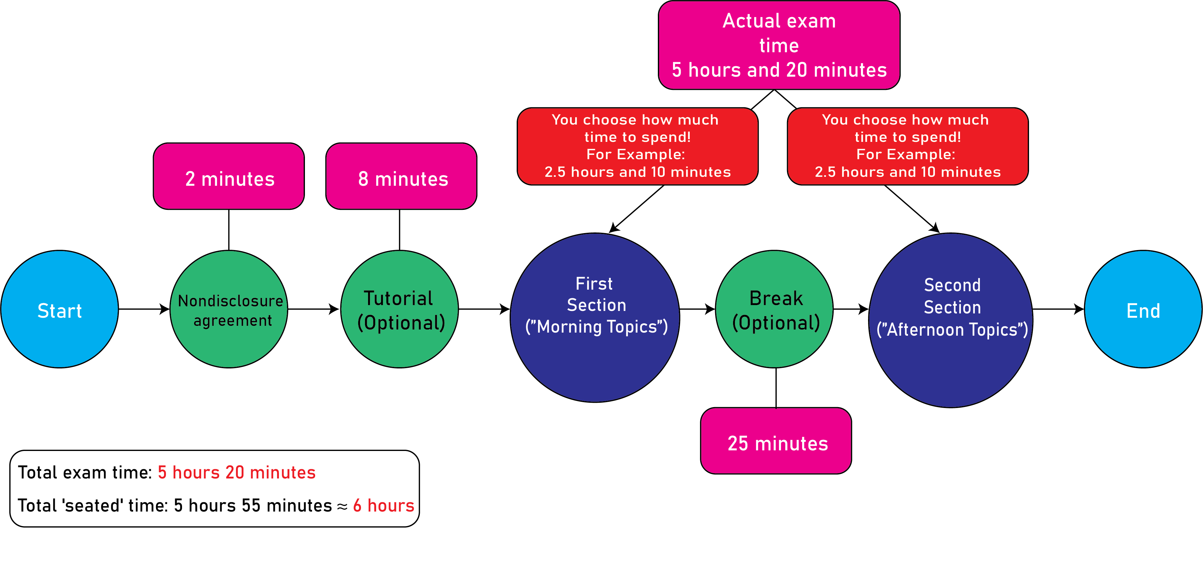
 | Earthwork and volume computations
 | Coordinate systems (e.g., state plane, latitude/longitude)
 | Leveling (e.g., differential, elevations, percent grades)
Water Resources and Environmental Engineering | Basic hydrology (e.g., infiltration, rainfall, runoff, watersheds) |  | 10
 | Basic hydraulics (e.g., Manning equation, Bernoulli theorem, open-channel flow)
 | Pumps
 | Water distribution systems
 | Flood control (e.g., dams, routing, spillways)
 | Stormwater (e.g., detention, routing, quality)
 | Collection systems (e.g., wastewater, stormwater)
 | Groundwater (e.g., flow, wells, drawdown)
 | Water quality (e.g., ground and surface, basic water chemistry)
 | Testing and standards (e.g., water, wastewater, air, noise)
 | Water and wastewater treatment (e.g., biological processes, softening, Water and wastewater treatment (e.g., biological processes, softening, drinking water treatment)
Structural Engineering | Analysis of statically determinant beams, columns, trusses, and frames |  | 10
 | Deflection of statically determinant beams, trusses, and frames
 | Column analysis (e.g., buckling, boundary conditions)
 | Structural determinacy and stability analysis of beams, trusses, and frames
 | Elementary statically indeterminate structures
 | Loads, load combinations, and load paths (e.g., dead, live, lateral, influence lines and moving loads, tributary areas)
 | Design of steel components (e.g., codes and design philosophies, beams, columns, tension members, connections) tension members, connections)
 | Design of reinforced concrete components (e.g., codes and design philosophies, beams, columns) philosophies, beams, columns)
Geotechnical Engineering | Index properties and soil classifications |  | 10
 | Phase relations
 | Laboratory and field tests
 | Effective stress
 | Stability of retaining structures (e.g., active/passive/at-rest pressure)
 | Shear strength
 | Bearing capacity
 | Foundation types (e.g., spread footings, deep foundations, wall footings, mats)
 | Consolidation and differential settlement
 | Slope stability (e.g., fills, embankments, cuts, dams)
 | Soil stabilization (e.g., chemical additives, geosynthetics) Water and wastewater treatment (e.g., biological processes, softening, drinking water treatment)
Transportation Engineering | Geometric design (e.g., streets, highways, intersections) |  | 9
 | Pavement system design (e.g., thickness, subgrade, drainage, rehabilitation)
 | Traffic capacity and flow theory
 | Traffic control devices
 | Transportation planning (e.g., travel forecast modeling, safety, trip generation) generation)
Construction Engineering | Project administration (e.g., documents, management, procurement, project delivery methods) project delivery methods) |  | 8
 | Construction operations and methods (e.g., safety, equipment, productivity analysis, temporary erosion control) analysis, temporary erosion control)
 | Project controls (e.g., earned value, scheduling, allocation of resources, activity relationships) activity relationships)
 | Construction estimating
 | Interpretation of engineering drawings generation)
 |  | Total Number of Questions = | 100

Mathematics and Statistics
Ethics and Professional Practice
Engineering Economics
Statics
Dynamics
Mechanics of Materials
Materials
Fluid Mechanics
Surveying
Water Resources and Environmental Engineering
Structural Engineering
Geotechnical Engineering
Transportation Engineering
Construction Engineering

Mathematics and Statistics | 8
Ethics and Professional Practice | 4
Engineering Economics | 5
Statics | 8
Dynamics | 4
Mechanics of Materials | 7
Materials | 5
Fluid Mechanics | 6
Surveying | 6
Water Resources and Environmental Engineering | 10
Structural Engineering | 10
Geotechnical Engineering | 10
Transportation Engineering | 9
Construction Engineering | 8

Mathematics and Statistics | 8
Ethics and Professional Practice | 4
Engineering Economics | 5
Statics | 8
Dynamics | 4
Mechanics of Materials | 7
Materials | 5
Fluid Mechanics | 6
Surveying | 6
Water Resources and Environmental Engineering | 10
Structural Engineering | 10
Geotechnical Engineering | 10
Transportation Engineering | 9
Construction Engineering | 8

