Sheet1
Horizontal Orifice Discharge Calculator -- US Customary Units

---- INPUT VALUES -----
Orifice Diameter | 5 | FT
Depth above top of Orifice | 7 | FT
Orifice Coefficient | 0.57411286774 | Dimensionless
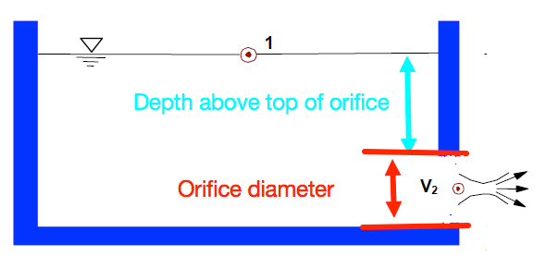

----- COMPUTED VALUES -----
Depth to Orifice centerline | 9.5 | FT
Orifice Circular Area | 19.634954085 | FT^2
Discharge | 278.8251261 | CFS

