Sheet1
Ogee Spillway Calculator
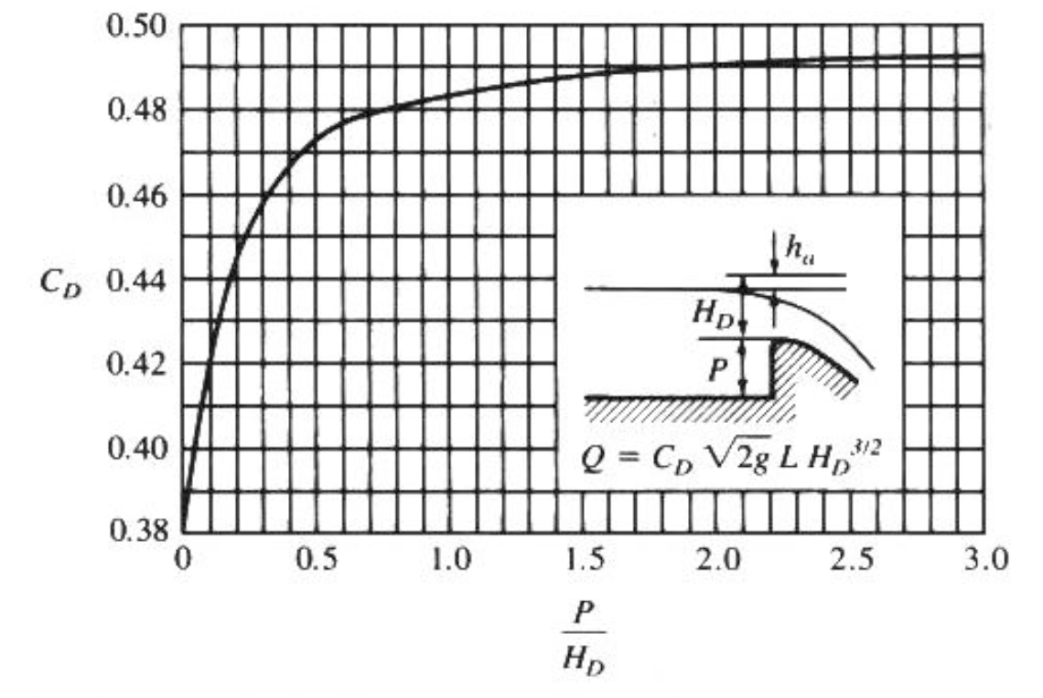

 | Bottom Elev | 2065.00 | <=FT
 | Spillway Invert | 2078.00 | <=FT
 | Pool Elevation | 2079.00 | <= FT
 | No Flow Depth (P) | 13.00 | <=FT
 | P/H | 13.00 | <=X-AXIS ON CHART
 | CD | 0.49 | <=USE CHART
 | C | 3.93 | <=COMPUTED
 | Head | 1.00 | <= FT
 | Length | 100.00 | <=FT
 | Discharge | 393.22 | <=CFS

