Sheet1
Horizontal Orifice Discharge Calculator -- US Customary Units

---- INPUT VALUES -----
Invert Elev. | 2075.00 | FT
Soffit Elev. | 2077.00 | FT
Pool Elev. | 2086.00 | FT
Orifice Diameter | 2 | FT
Depth above top of Orifice | 9 | FT
Orifice Coefficient | 0.5 | Dimensionless
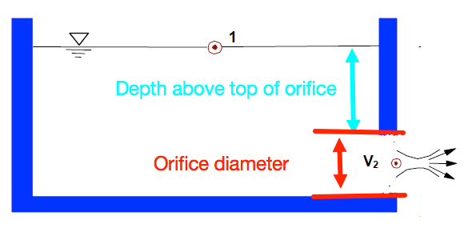

----- COMPUTED VALUES -----
Depth to Orifice centerline | 10 | FT
Orifice Circular Area | 3.1415926536 | FT^2
Discharge | 39.862341986 | CFS

