T_c
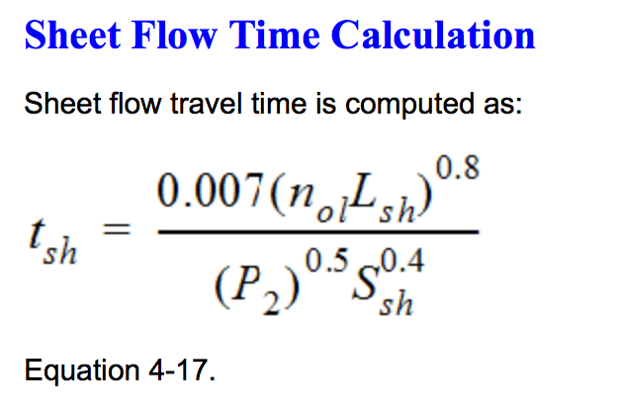
TxDOT Time of Concentration (NRCS Model) (http://onlinemanuals.txdot.gov/txdotmanuals/hyd/time_of_concentration.htm)
 |  |  | COMPUTED VALUES ALL PORTIONS
Sheet Flow |  |  | T_c | 0.31 | hrs
L_sh | 300 | Length Sheet Flow (up to 300 ft max) |  | 18.75 | min
n_ol | 0.011 | Overland roughness coefficient (see table)
P_2 | 4.4 | 2-yr, 24-hr Precip from DDF map
S_sh | 0.0053 | Slope

t_sh | 0.07 | hours

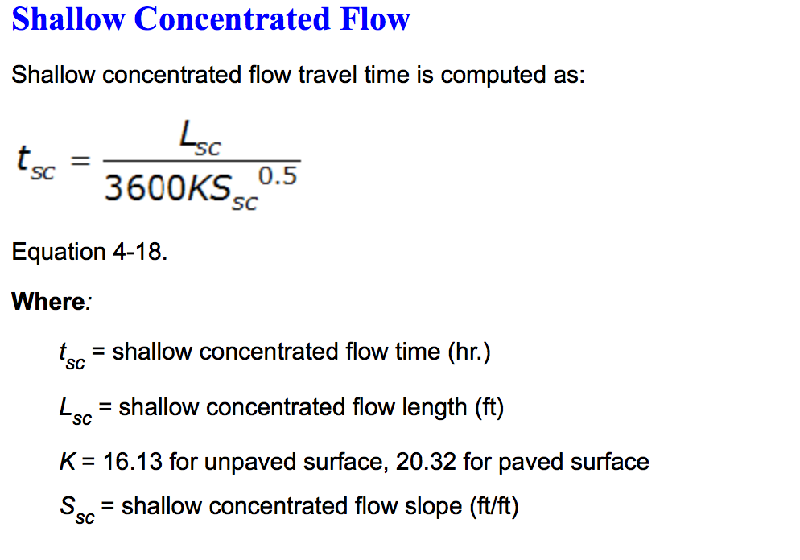
Shallow Concentrated Flow
L_sc | 1090 | Length Shallow Concentrated (feet)
K | 20.32 | See Eq. 4-18 description
S_sc | 0.0053 | Slope

t_sc | 0.20 | hours

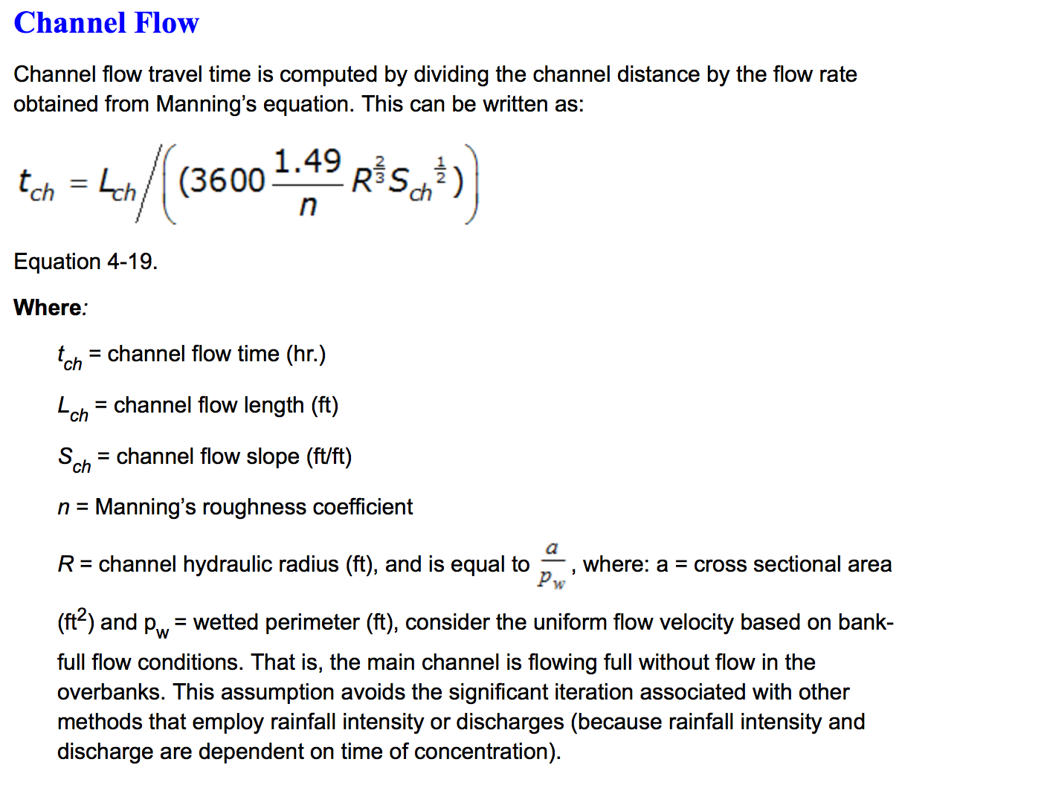
Channel Flow
L_ch | 695 | Length Channel Flow (feet)
n | 0.013 | Manning's n (see Tables)
R | 0.49 | Hyd. Radius (feet)
S_ch | 0.0053 | Slope

t_ch | 0.04 | hours

n_ol
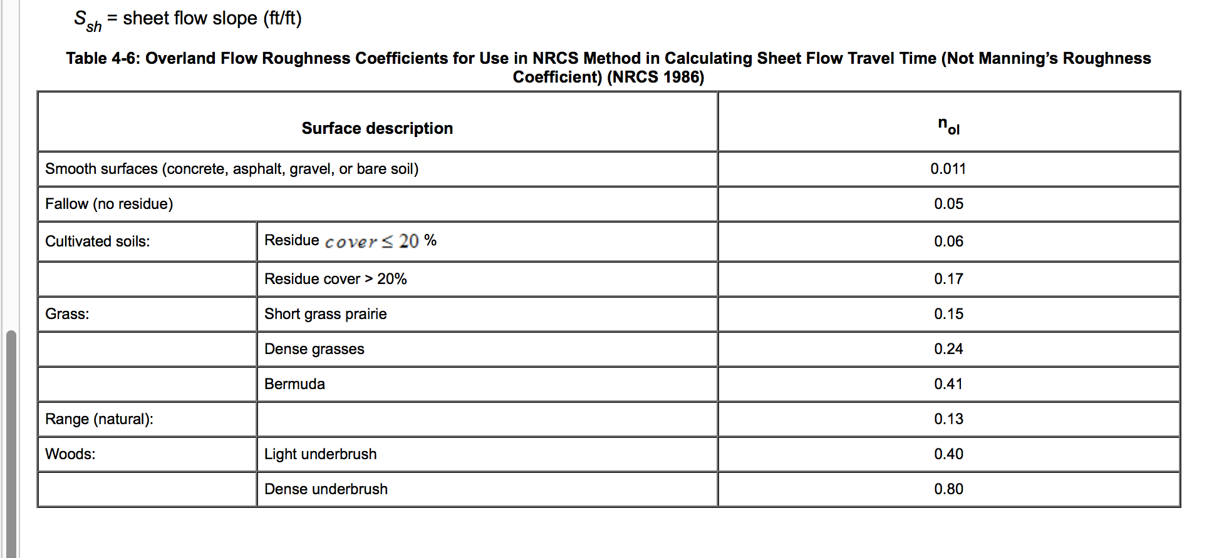

2YR-24HR-DDF-MAP
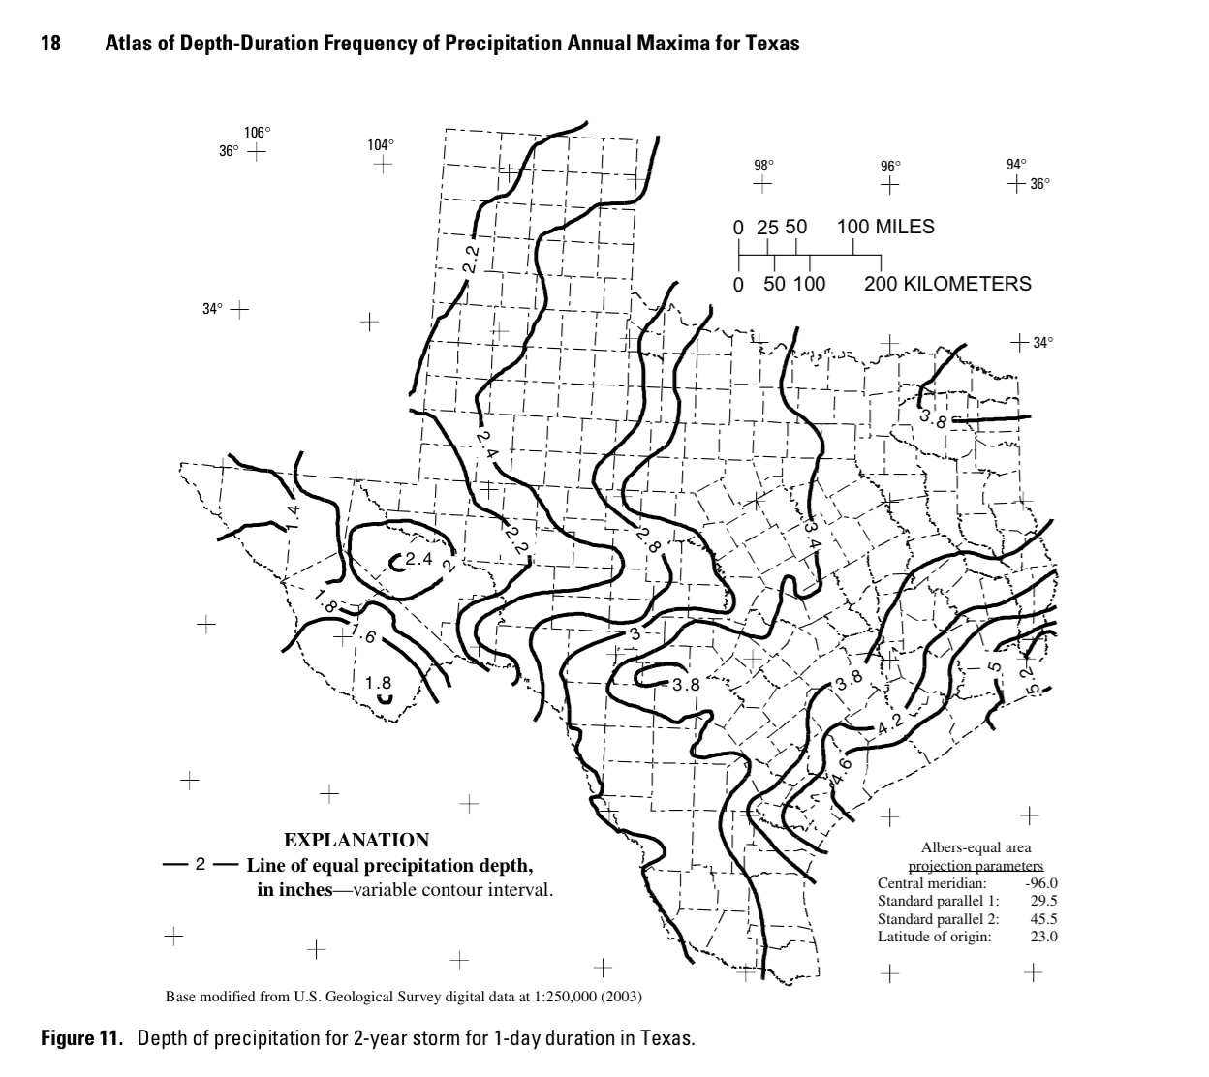

Manning's n (1 of 2)
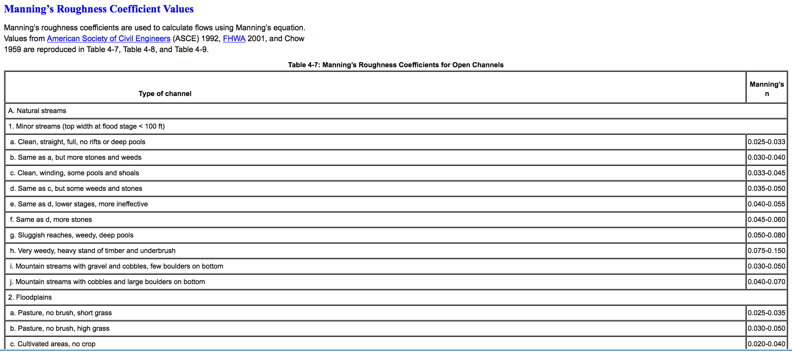





Manning's n (2 of 2)
