Sheet1
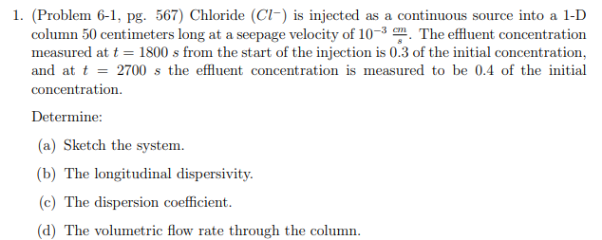
Ogata-Banks Solution for 1D Flow with constant upgradient source value

Inputs
Co | 1000 | Source Concentration
D | 0.61351888728 | Dispersion Coefficient (Answer C)
n | 1 | Porosity
q | 1.00E-03 | cm/sec
V | 0.001 | cm/sec
time | 1800 | seconds
alpha_l | 6.13E+02 | cm (Answer B)
Diffusion | 2.30E-05 | cm^2/sec
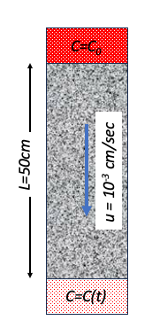
x | t | C | erfc(x-vt/2sqrt(Dt)) | exp(xv/D) | erfc(x+-vt/2sqrt(Dt)) | Target Va;lue | Error | <=== Answer A
0 | 1800 | 1000 | 1.0305521077 | 1 | 0.96944789226
0 | 2700 | 1000 | 1.0374139644 | 1 | 0.96258603559

50 | 1800 | 299.20162262 | 0.30507592788 | 1.0849100535 | 0.27037017164 | 300 | 0.63740644085
50 | 2700 | 400.82445279 | 0.41120780048 | 1.0849100535 | 0.35988338744 | 400 | 0.67972240723

 |  |  |  |  |  | SSE | 1.3171288481

