Sheet1
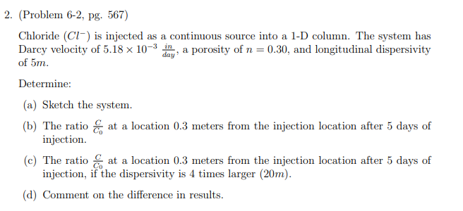
Ogata-Banks Solution for 1D Flow with constant upgradient source value

Inputs
Co | 1000 | Source Concentration
D | 3.40E+00 | Dispersion Coefficient (Answer C)
n | 0.3 | Porosity
q | 5.18E-03 | in/day
V | 0.017266666667 | in/day
time | 5 | days
alpha_l | 1.97E+02 | in
Diffusion | 4.13E-11 | in^2/day
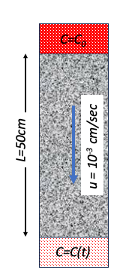
x | t | C | erfc(x-vt/2sqrt(Dt)) | exp(xv/D) | erfc(x+-vt/2sqrt(Dt)) | Target Va;lue | Error | <=== Answer A
0 | 5 | 1000 | 1.0118164193 | 1 | 0.98818358066
0 | 5 | 1000 | 1.0118164193 | 1 | 0.98818358066

11.808 | 5 | 44.102906991 | 0.044344780393 | 1.0618365465 | 0.041306765841 | 300 | 65483.32221
11.808 | 5 | 44.102906991 | 0.044344780393 | 1.0618365465 | 0.041306765841 | 400 | 126662.74081

 |  |  |  |  |  | SSE | 192146.06302
Inputs
Co | 1000 | Source Concentration
D | 1.36E+01 | Dispersion Coefficient (Answer C)
n | 0.3 | Porosity
q | 5.18E-03 | in/day
V | 0.017266666667 | in/day
time | 5 | days
alpha_l | 7.87E+02 | in
Diffusion | 4.13E-11 | in^2/day
x | t | C | erfc(x-vt/2sqrt(Dt)) | exp(xv/D) | erfc(x+-vt/2sqrt(Dt))
0 | 5 | 1000 | 1.0059083717 | 1 | 0.99409162834
0 | 5 | 1000 | 1.0059083717 | 1 | 0.99409162834

11.808 | 5 | 313.48701816 | 0.31470016715 | 1.0151130646 | 0.30762471695
11.808 | 5 | 313.48701816 | 0.31470016715 | 1.0151130646 | 0.30762471695

