Sheet1
Topograph | AF |  | Equations | y = mx + b
< 1500 | 1 | Min | Max | m | b | ArcGIS equations: OutRas = Con((InRas1 > 5) & (InRas1 < 10), 5, 100)
1500 | 1 | 0 | 1500 | 0.0000 | 1.00 | Con((Topo > 0) & (Topo < 1500), 1, 0)
1700 | 0.8 | 1500 | 1700 | -0.0010 | 2.50 | Con((Topo > 1500) & (Topo < 1700), -0.001*Topo + 2.5, 0)
1900 | 0.5 | 1700 | 1900 | -0.0015 | 3.35 | Con((Topo > 1700) & (Topo < 1900), -0.0015*Topo + 3.35, 0)
2000 | 0.4 | 1900 | 2000 | -0.0010 | 2.40 | Con((Topo > 1900) & (Topo < 2000), -0.001*Topo + 2.4, 0)
> 2000 | 0 | 2000 | 5000 | 0.0000 | 0.00 | Con((Topo > 2000) & (Topo < 5000), 0, 0)

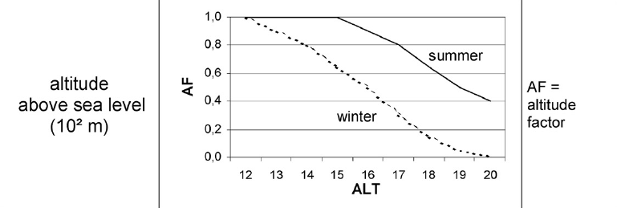
1500
1700
1900

