Accuracy of model for Friction
District | Data point count | Optimal number of trees | Accuracy
Vironniemi (Estnäs) | 435 | 100 | 0.88636363636
Ullanlinna (Ulrikasborg) | 310 | 200 | 0.77419354839
Kampinmalmi (Kampmalmen) | 262 | 100 | 0.81481481481
Taka-Töölö (Bortre Tölö) | 778 | 100 | 0.82051282051
Lauttasaari[1] (Lauttasaari) | 169 | 100 | 0.88235294118
Reijola (Grejus) | 6 | 100 | 1
Munkkiniemi[1] (Munksnäs) | 737 | 100 | 0.72972972973
Haaga[1] (Haga) | 1236 | 100 | 0.77419354839
Pitäjänmäki (Sockenbacka) | 543 | 200 | 0.63636363636
Kaarela[1] (Kårböle) | 1361 | 600 | 0.59854014599
Kallio (Berghäll) | 357 | 100 | 0.69444444444
Alppiharju[1] (Åshöjden) | 409 | 100 | 0.78048780488
Vallila (Vallgård) | 321 | 100 | 0.81818181818
Pasila[1] (Böle) | 646 | 600 | 0.72307692308
Vanhakaupunki (Gammelstaden) | 226 | 200 | 0.5652173913
Maunula (Månsas) | 364 | 100 | 0.67567567568
Länsi-Pakila[1] (Västra Baggböle) | 761 | 100 | 0.88311688312
Tuomarinkylä[1] (Domarby) | 285 | 100 | 0.86206896552
Oulunkylä (Åggelby) | 129 | 100 | 0.46153846154
Itä-Pakila (Östra Baggböle) | 525 | 100 | 0.90566037736
Latokartano (Ladugården) | 213 | 100 | 0.90909090909
Pukinmäki[1] (Bocksbacka) | 243 | 100 | 0.76
Malmi (Malm) | 203 | 100 | 0.7619047619
Suutarila (Skomakarböle) | 271 | 200 | 0.64285714286
Puistola (Parkstad) | 99 | 200 | 0.6
Jakomäki[1] (Jakobacka) | 127 | 100 | 0.61538461538
Kulosaari (Brändö) | 156 | 100 | 0.875
Herttoniemi (Hertonäs) | 153 | 100 | 0.875
Laajasalo (Degerö) 60.17197 | 23 | 100 | 0.66666666667
Vartiokylä (Botby) 60.21723 | 121 | 100 | 0.69230769231
Myllypuro[1] (Kvarnbäcken) | 148 | 100 | 0.86666666667
Mellunkylä[1] (Mellungsby) | 38 | 100 | 0.5
Vuosaari[1] (Nordsjö) | 43 | 300 | 0.8
Östersundom | 39 | 100 | 0.75

Surface temperature
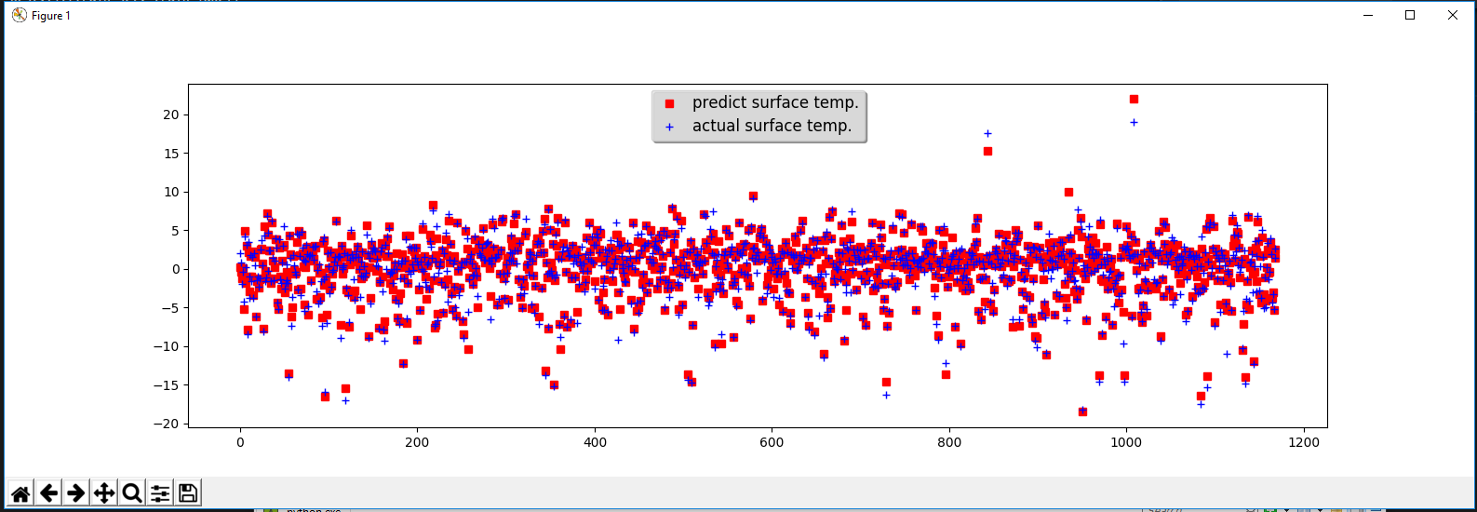

Snow condition
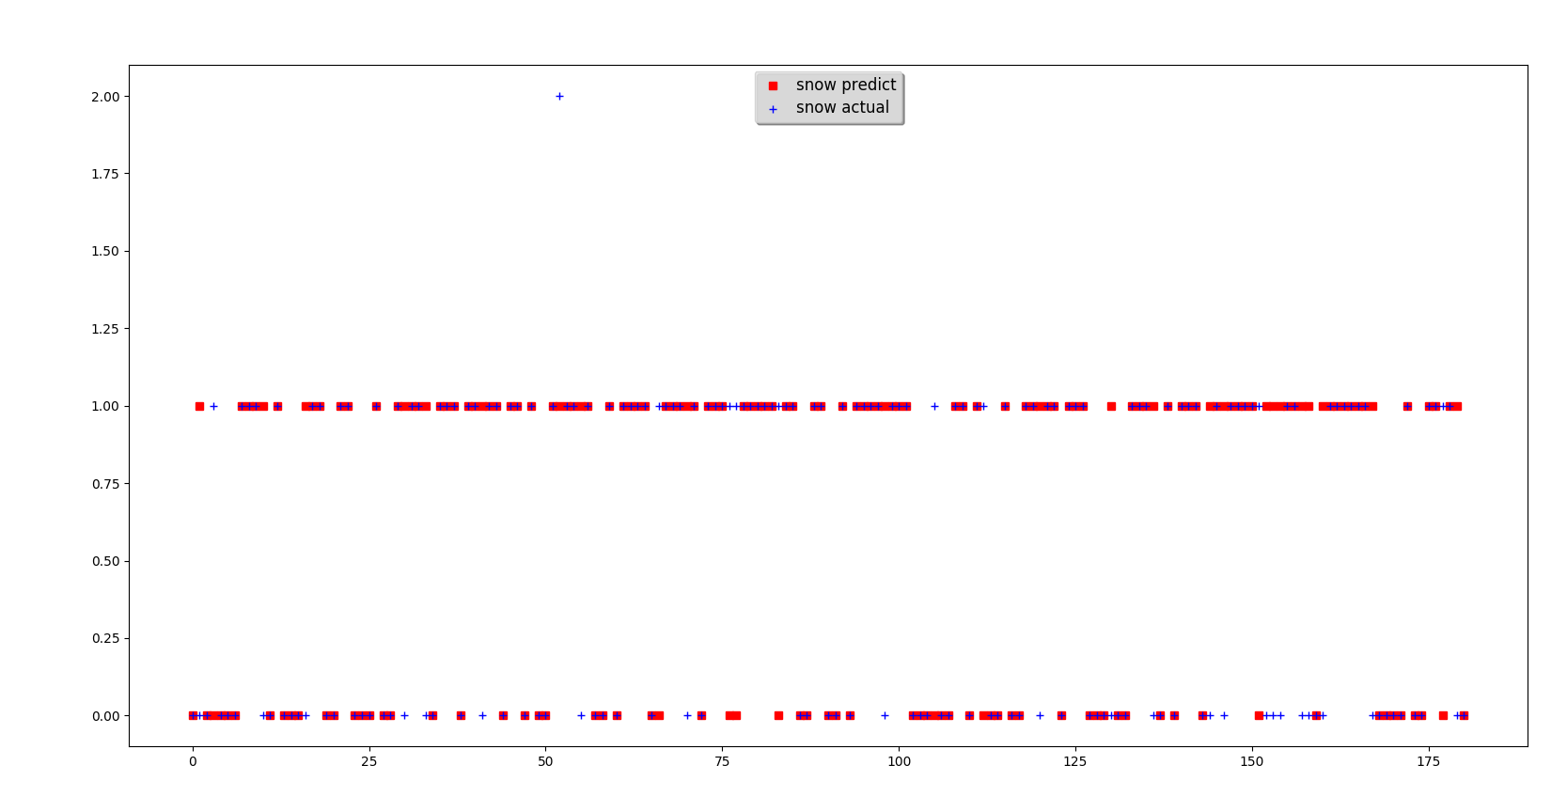

Explanation of classification:
- 0 means "No snow"
- 1 means "Light snow" with less than 2cm depth per 2 hours falling
- 2 means "Heavy snow" with more than 2cm depth per 2 hours falling
Data is trained based on weather data from FMI and validated/tested again with "snow-depth" field from FMI (this is a cummulative depth of snow measured instantly from weather station)

