new Chinese
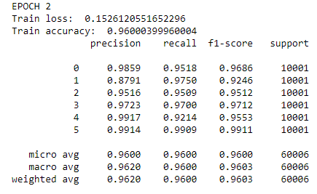
 |  |  |  |  |  | Models | Result acc scores
 |  |  |  |  |  | Bernoulli NB | 0.49367445196 | 0.43498007727
 |  |  |  |  |  | Multinomial NB | 0.64094191764 | 0.61281522121
 |  |  |  |  |  | Svm (linear) | 0.54418920303 | 0.51732072597
 |  |  |  |  |  | Logistic Regression | 0.51463583282 | 0.48960806454
 |  |  |  |  |  | Random Forest | 0.48037031346 | 0.44171231537
 |  |  |  |  |  | kNN | 0.5680444581 | 0.52162428734
 |  |  |  |  |  | Decision Tree | 0.42235197705 | 0.38118575647
 |  |  |  |  |  | XG Boost | 0.32745595165 | 0.3322528341

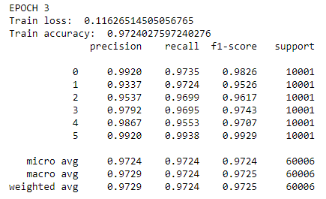
 |  |  |  |  |  |  |  | Multinominal NB | SVC | LR | RF | KNN | DT | XGB
 |  |  |  |  |  |  |  | 0.8413 | 0.7959 | 0.7417 | 0.7043 | 0.7609 | 0.6013 | 0.4827 | 18919
 |  |  |  |  |  |  |  | 0.7184 | 0.659 | 0.6322 | 0.567 | 0.5024 | 0.4425 | 0.4504 | 5844
 |  |  |  |  |  |  |  | 0.7215 | 0.668 | 0.6408 | 0.5134 | 0.6621 | 0.4896 | 0.4974 | 19023
 |  |  |  |  |  |  |  | 0.4808 | 0.2266 | 0.2214 | 0.2228 | 0.384 | 0.1458 | 0.1565 | 12256
 |  |  |  |  |  |  |  | 0.5592 | 0.4951 | 0.4545 | 0.3739 | 0.5035 | 0.3757 | 0.2463 | 17031
 |  |  |  |  |  |  |  | 0.3556 | 0.2593 | 0.2471 | 0.269 | 0.3168 | 0.2322 | 0.1603 | 5023

 |  |  |  |  |  |  |  | 0.6128 | 0.5173 | 0.4896 | 0.4417 | 0.5216 | 0.3812 | 0.3323
 |  |  |  |  |  |  |  | 0.6536 | 0.565 | 0.5328 | 0.4719 | 0.5737 | 0.4178 | 0.3604

precisio | n | recall f1- | score su | pport

 | 0 | 0.2989 | 0.8794 | 0.4461 | 5023
 | 1 | 0.7195 | 0.9764 | 0.8285 | 5844
 | 2 | 0.8041 | 0.8508 | 0.8268 | 19023
 | 3 | 0.927 | 0.8802 | 0.903 | 18919
 | 4 | 0.8774 | 0.6247 | 0.7298 | 17031
 | 5 | 0.9019 | 0.3805 | 0.5352 | 12256

micro | avg | 0.746 | 0.746 | 0.746 | 78096
macro | avg | 0.7548 | 0.7653 | 0.7116 | 78096
weighted | avg | 0.8264 | 0.746 | 0.754 | 78096

