ActivateScheme
Activate Scheme

 |  | Passed | Failed | Pending | Not Yet Test | Total
 |  | 12 | 0 | 0 | 0 | 12

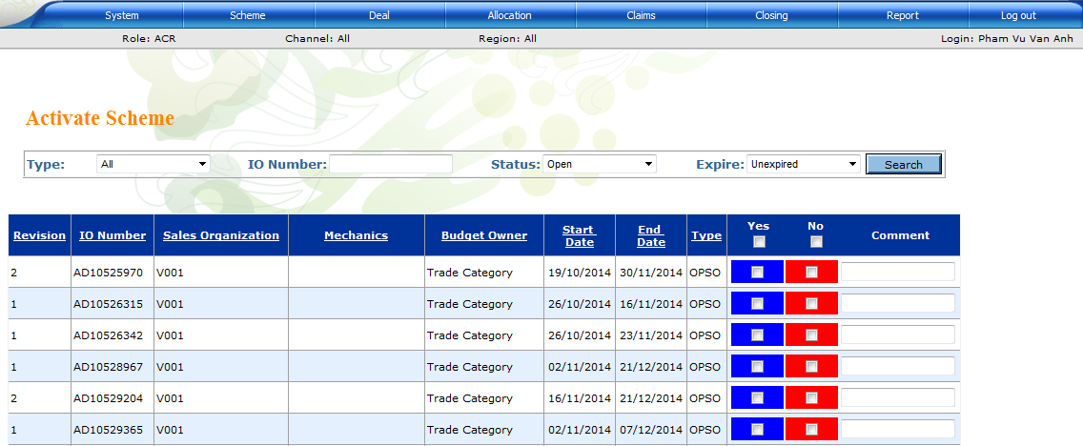
No | Priority | Description | Pre-condition | Steps | Expected Result | Actual Result | Status | Test environment | Version | Note
1 |  | Verify system does not allow activate IO Number that has an Active scheme | Check in table SCHEME_EVALUATION: there are IO Number: A has a scheme ID that has status IsActive = Y | 1. Go to Activate Scheme screen 2. Search IO Number A 3. Activate IO Number A | System displays error message. |  | Passed
2 |  | Verify system does not allow activate IO Number that has many Active scheme | Check in table SCHEME_EVALUATION: there are IO Number: A has many schemes ID that have status IsActive = Y | 1. Go to Activate Scheme screen 2. Search IO Number A 3. Activate IO Number A | System displays error message. |  | Passed
3 |  | Verify system does not allow activate IO Number that contains New budget < Old budget | Check in DB to get: - New Budget of IO Number A from table VN_OPSONUTI_IMP If IO Number from OPSO. - New Budget IO Number A from table VN_ECCNUTI_HEADER_IMP if IO Number from ECC. - Old Budget = Budget of Deal | 1. Go to Activate Scheme screen 2. Search IO Number A 3. Activate IO Number A | System displays error message. |  | Passed
4 |  | Verify system does not allow activate IO Number that contains New End Date < Old End date | Check in DB to get: - New End Date of IO Number A from table VN_OPSONUTI_IMP If IO Number from OPSO. - New End Date of IO Number A from table VN_ECCNUTI_HEADER_IMP if IO Number from ECC. - Old End Date from table SCHEME_EVALUATION | 1. Go to Activate Scheme screen 2. Search IO Number A 3. Activate IO Number A | System displays error message. |  | Passed
5 |  | Verify system creates new scheme successfully after activate IO number | There is not any Active Scheme of IO Number A in DB | 1. Go to Activate Scheme screen 2. Search IO Number A 3. Activate IO Number A | Create new Scheme with Sequence = 1 |  | Passed
6 |  | Verify system creates new scheme successfully after activate IO number | There are 5 Inactive Scheme(s) of IO Number A in DB | 1. Go to Activate Scheme screen 2. Search IO Number A 3. Activate IO Number A | Create new Scheme with Sequence = 6 |  | Passed
7 |  | Verify system updates scheme successfully after activate IO number | There is one Active Scheme of IO Number A (Sequence = 1) in DB | 1. Go to Activate Scheme screen 2. Search IO Number A 3. Activate IO Number A | - Update Scheme of this IO which has Sequqence = 1 - Update Scheme Plan of this Scheme which has Sequence=1 |  | Passed
8 |  | Verify system creates updates scheme successfully after activate IO number | There is one Active Scheme of IO Number A (Sequence = 1) and 4 Inactive Scheme of IO Number A in DB | 1. Go to Activate Scheme screen 2. Search IO Number A 3. Activate IO Number A | - Update Scheme of this IO which has Sequqence = 1 - Update Scheme Plan of this Scheme which has Sequence=1 |  | Passed
9 |  | Verify Budget Available and Scheme Budget on Scheme Master |  | 1. Activate IO Number A succesfully 2. Go to Scheme Master screen 3. Search Scheme ID of IO Number A | System loads correct Budget Available and Scheme Budget: Budget Available and Scheme Budget are the same with DB (table SCHEME_EVALUATION) |  | Passed
10 |  | Verify Budget Available and Scheme Budget on Edit Scheme |  | 1. Activate IO Number A succesfully 2. Go to Edit Scheme screen 3. Search Scheme ID of IO Number A | System loads correct Budget Available and Scheme Budget: Budget Available and Scheme Budget are the same with DB (table SCHEME_EVALUATION) |  | Passed
11 |  | Verify Scheme Budget on Add New Deal |  | 1. Activate IO Number A succesfully 2. Go to Add New Deal screen 3. Select Scheme ID of IO Number A | System loads correct Scheme Budget: Budget Available and Scheme Budget are the same with DB (table SCHEME_EVALUATION) |  | Passed
12 |  | Verify Scheme Budget on Activate Deal |  | 1. Activate IO Number A succesfully 2. Go to Activate Deal screen 3. Select Scheme ID of IO Number A | System loads correct Scheme Budget: Budget Available and Scheme Budget are the same with DB (table SCHEME_EVALUATION) |  | Passed

AutoSendInterface
Send promotion header & budget interface to ISR when system auto change from temp allocation to final allocation

 |  | Passed | Failed | Pending | Not Yet Test | Total
 |  | 3 | 0 | 0 | 0 | 3

No | Priority | Description | Pre-condition | Steps | Expected Result | Actual Result | Status | Test environment | Version | Note
1 | 1 | Verify system auto sends promotion header & budget interface to ISR when system auto change from temp allocation to final allocation | - Deal A is in temp allocation status. - Current date is over Final allocation date of deal A. | 1. Update current date time is over Final allocation date of deal A. 2. Start Import Excel service | - System auto change to final allocation status by service. - System exports interface (promotion header & budget) - System sends email to distributor. |  | Passed | http://10.88.4.62/NUTI2014/ | v001.r977-20150103
2 | 1 | Verify system does not auto sends promotion header & budget interface to ISR if current date is less than FAD | - Deal A is in temp allocation status. - Current date < Final allocation date of deal A. | 1. Update current date time is less than Final allocation date of deal A. 2. Start Import Excel service | System does not do anything (does not auto sends promotion header & budget interface to ISR) |  | Passed | http://10.88.4.62/NUTI2014/ | v001.r977-20150103
3 | 1 | Verify system does not auto sends promotion header & budget interface to ISR if current date is the same with FAD | - Deal A is in temp allocation status. - Current date = Final allocation date of deal A. | 1. Update current date time is the same with Final allocation date of deal A. 2. Start Import Excel service | System does not do anything (does not auto sends promotion header & budget interface to ISR) |  | Passed | http://10.88.4.62/NUTI2014/ | v001.r977-20150103

 |  | Email template when sending to distributor
 |  |  |  |  | Than chao 15147857-CTY TNHH TM DV VINH TUONG HUNG He thong eClaim thong bao: CTKM AA444444441111 da chot ngan sach la: 8,500,000.00 VND Loai KM: Auto - claim 1 lan vao cuoi chuong trinh.. Ngay bat dau: 1/1/2015 12:00:00 AM. Ngay ket thuc: 1/31/2015 12:00:00 AM. Han chot thanh toan: 5/1/2015 12:00:00 AM. Day la mail duoc tao tu dong, vui long khong tra loi.

 |  | Allocate ->

