Sheet1
 |  | KANGO EXPRESS
 |  | Tổng đài: 1900 9475 |  | Air waybill : 29999999999999
Website: http://kangoexp.com |  | Branch: HCM |  | Service: KSN-TEST
1. From (Shipper) :
Company Name: | Company TEST |  |  | Total number of Packages | Gross Weight | Chargeable Weight
Address: | 706 Quốc lộ 1A, Phường Thạnh Lộc, Quận 12
City: | HCM |  |  | 3 | 10 | 20
Country | VIETNAM
Email | tructran13101996@gmail.com
Contact Name | Truc Tran
Phone/Fax No | 798139996
2. To (Receiver):
Company Name: | Zhuang Yun |  | 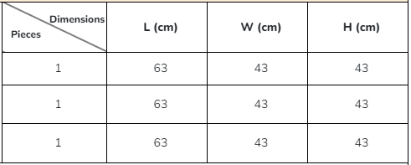
Address: | 56 Langtree Cres 123123213 aaaa
City/Town: | Texas
Postal code | 1000000
Country | United State
Contact Name | Zhang Yun
Phone/Fax No | 5153435
3. Thông tin Đơn hàng (Shipment Information)
Mô tả hàng hóa : ( Description of goods ): Dress, T-Shirt, Trousers,...
Giá trị (value invoice): 393.34 USD
Chữ ký người gửi (Shipper Signature) Ngày, giờ (Date /time): |  | 5/31/2023 | Nhân viên nhận hàng (Picked up by) Ngày, giờ (Date /time) |  |  | 5/31/2023

