Bài 01
Stack |  |  |  | Heap

 | I (0x100)
 | 2
 | j (0x104)
 | 0x100

 | Xuất | i | 2
 |  | j | 0x104
 |  | *j | 2
 |  | &j | 0x100
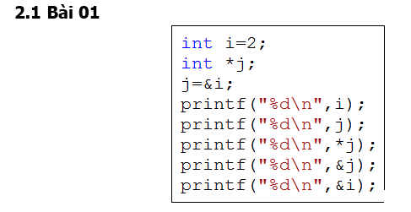
 |  | &i | 0x104

Bài 02
Stack |  |  |  | Heap

 | a (0x100) |  |  |  | 0x1000
 | 0x1000 |  |  |  | 2 | -> | 2

 | b (0x104) |  |  |  | 0x1004
 | 0x1004->0x1000

 | Xuất | *a | 2
 |  | *b | 2

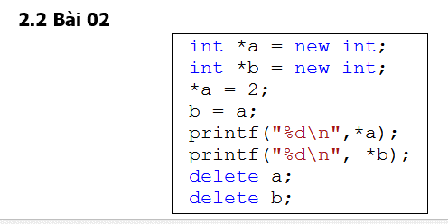
 |  | delete b | error

