Data
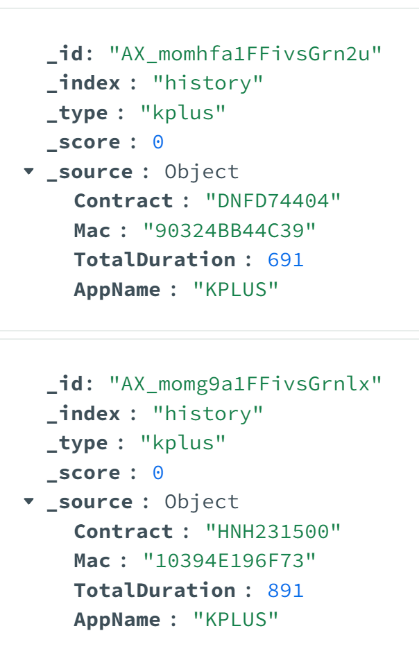
INPUT | OLTP data - JSON
 | Column | Sub-column | Meaning
 | _id |  | Do not use
 | _index |  | Do not use
 | _type |  | Do not use
 | _score |  | Do not use
 | _source | Contract | Customer ID
 |  | Mac | Mac Address
 |  | TotalDuration | Amount of time customers used the service (in seconds)
 |  | AppName | Name of service which customers used

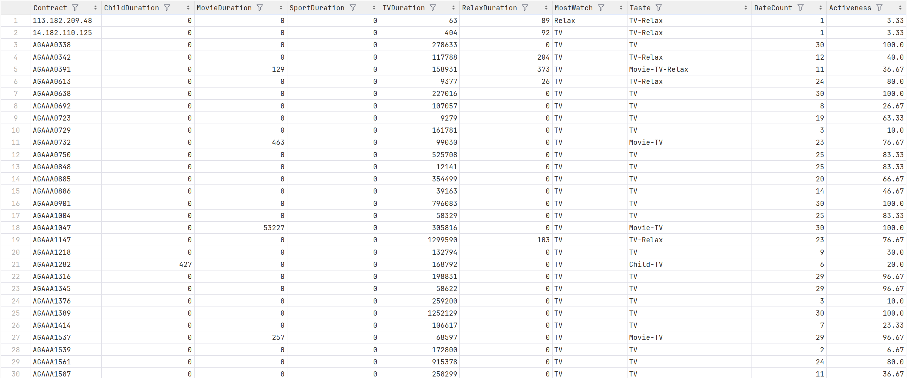
OUTPUT | OLAP data - CSV
 |  | Column | Meaning | Calculation
 |  | Contract | Customer ID
 |  | ChildDuration | Amount of time customers watched Child content (in seconds) | SUM all Duration for Child
 |  | MovieDuration | Amount of time customers watched Movie content (in seconds) | SUM all Duration for Movie
 |  | SportDuration | Amount of time customers watched Sport content (in seconds) | SUM all Duration for Sport
 |  | TVDuration | Amount of time customers watched TV content (in seconds) | SUM all Duration for TV
 |  | RelaxDuration | Amount of time customers watched Relax content (in seconds) | SUM all Duration for Relax
 |  | MostWatch | Which content were watched the most | Get the maximum Duration
 |  | Taste | Combine all the contents were watched | Concatenate the Content
 |  | DateCount | How many days customers used service | COUNT Contract
 |  | Activeness | % days used in a month | DateCount / 30 * 100

