Defects & Observations
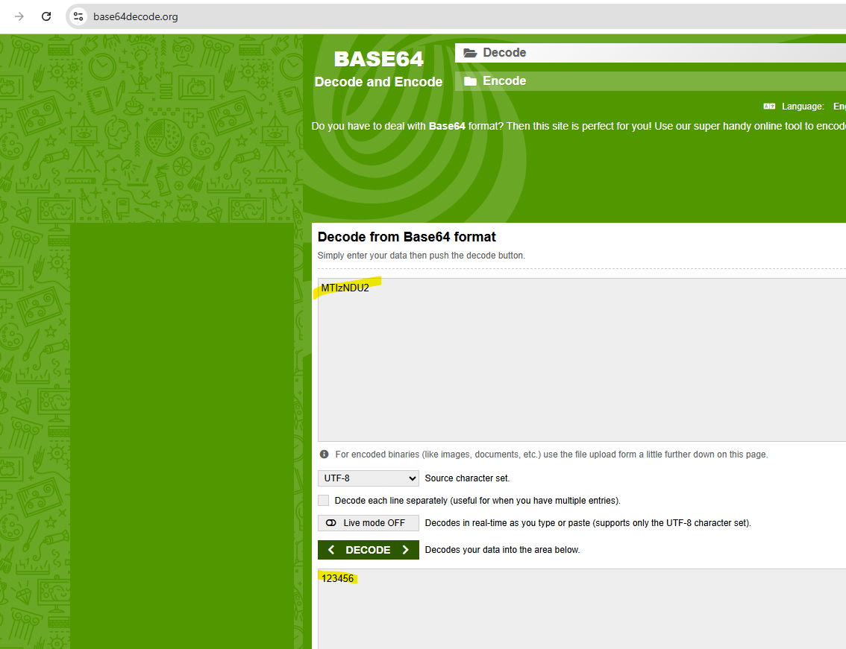
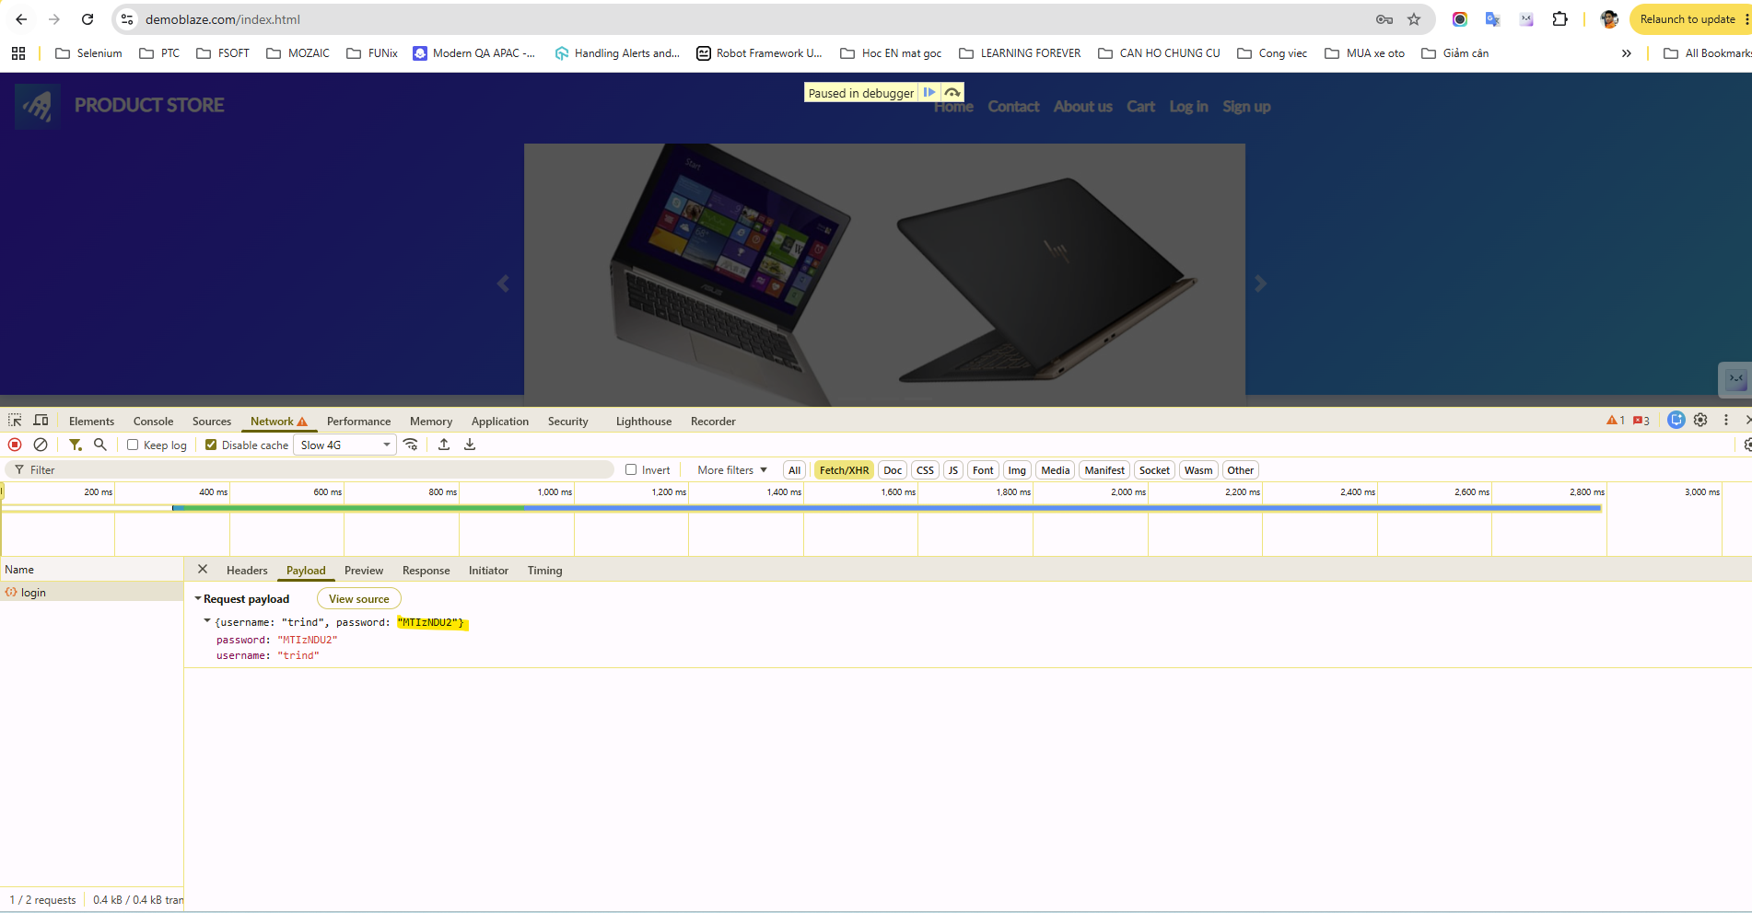
ID | Title | Severity | Related TC | Steps to Reproduce | Expected | Actual (observed)
DEF-01 | Same product added twice creates duplicate rows (no quantity) | Low | TC_CART_005 | 1. Add the same product twice 2. Open Cart | Single row with quantity 2 (typical e-commerce UX) | Two separate rows
DEF-02 | An order can be placed with an empty cart | High | TC_CART_026 | 1. Open Cart with no items 2. Click Place Order 3. Fill Name and Card 4. Click Purchase | Purchase is blocked | Confirmation 'Thank you for your purchase!' is shown with Amount: 0 USD
DEF-03 | Credit card field has no format validation | High | TC_CART_027 | 1. Add a product 2. Place Order with Name and Card = 'abcd' 3. Click Purchase | Invalid card number is rejected | Order is accepted
DEF-04 | Month / Year fields have no validation | Medium | TC_CART_028 | 1. Add a product 2. Place Order with Month = 13 and Year = 1999 | Invalid / expired date is rejected | Order is accepted
DEF-05 | Guest can place an order | Medium | TC_CART_033 | 1. As guest, add a product 2. Place an order with valid details | Login required | Guest order is accepted without login
DEF-06 | Submit login with the Enter key does nothing | Medium | TC_LOGIN_007 | 1. Open the login modal 2. Enter valid credentials 3. Press Enter in the Password field | Form is submitted and user is logged in | Enter does nothing
DEF-07 | Password is only base64-encoded on the client | Medium | TC_LOGIN_026 | 1. Inspect the /login request body in DevTools | Password protected by HTTPS. no reversible encoding presented as security | Password sent as base64 (trivially reversible)
DEF-08 | No visible lockout / rate limiting on failed logins | Medium | TC_LOGIN_027 | 1. Submit a wrong password repeatedly | Lockout, CAPTCHA or throttling after N failures | No visible lockout / rate limiting on failed logins

