Overview
青朋会_Upgrade Drupal 9 to 10 (test environment)

1. Upload source to server test (FTP)

2. Config settings.php file

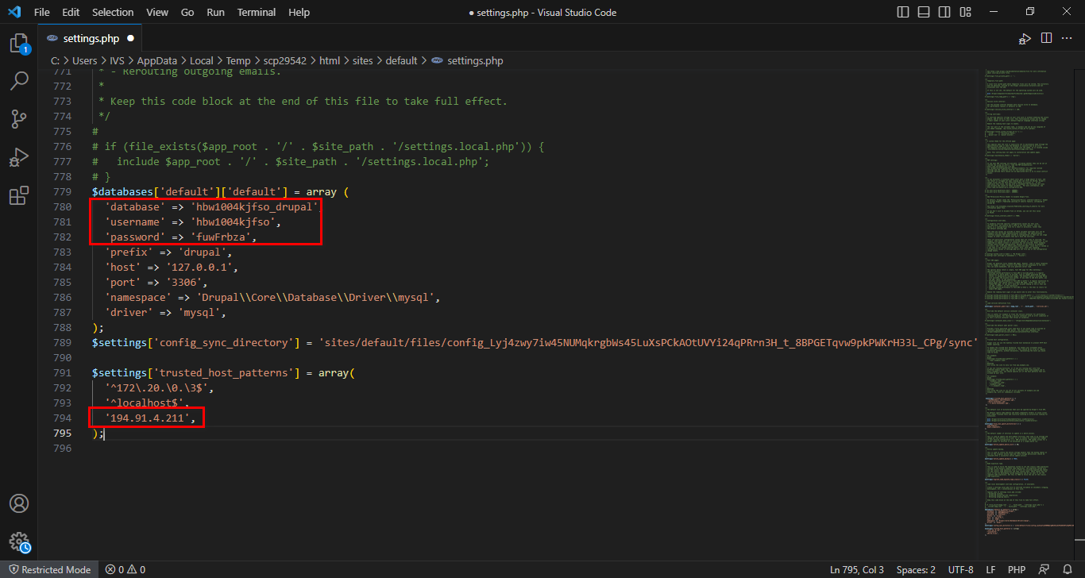

3. Config .htaccess file

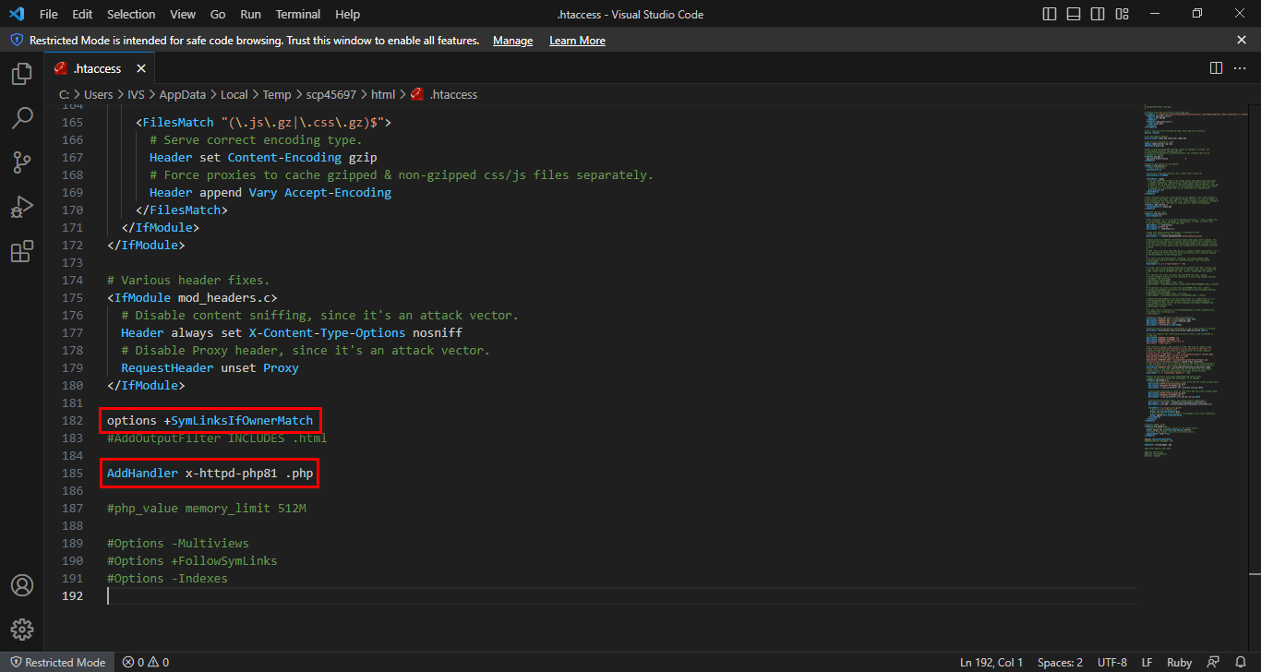

4. Install Drupal Core (/core/install.php)

5. Restore Database (Enable backup and migate module)

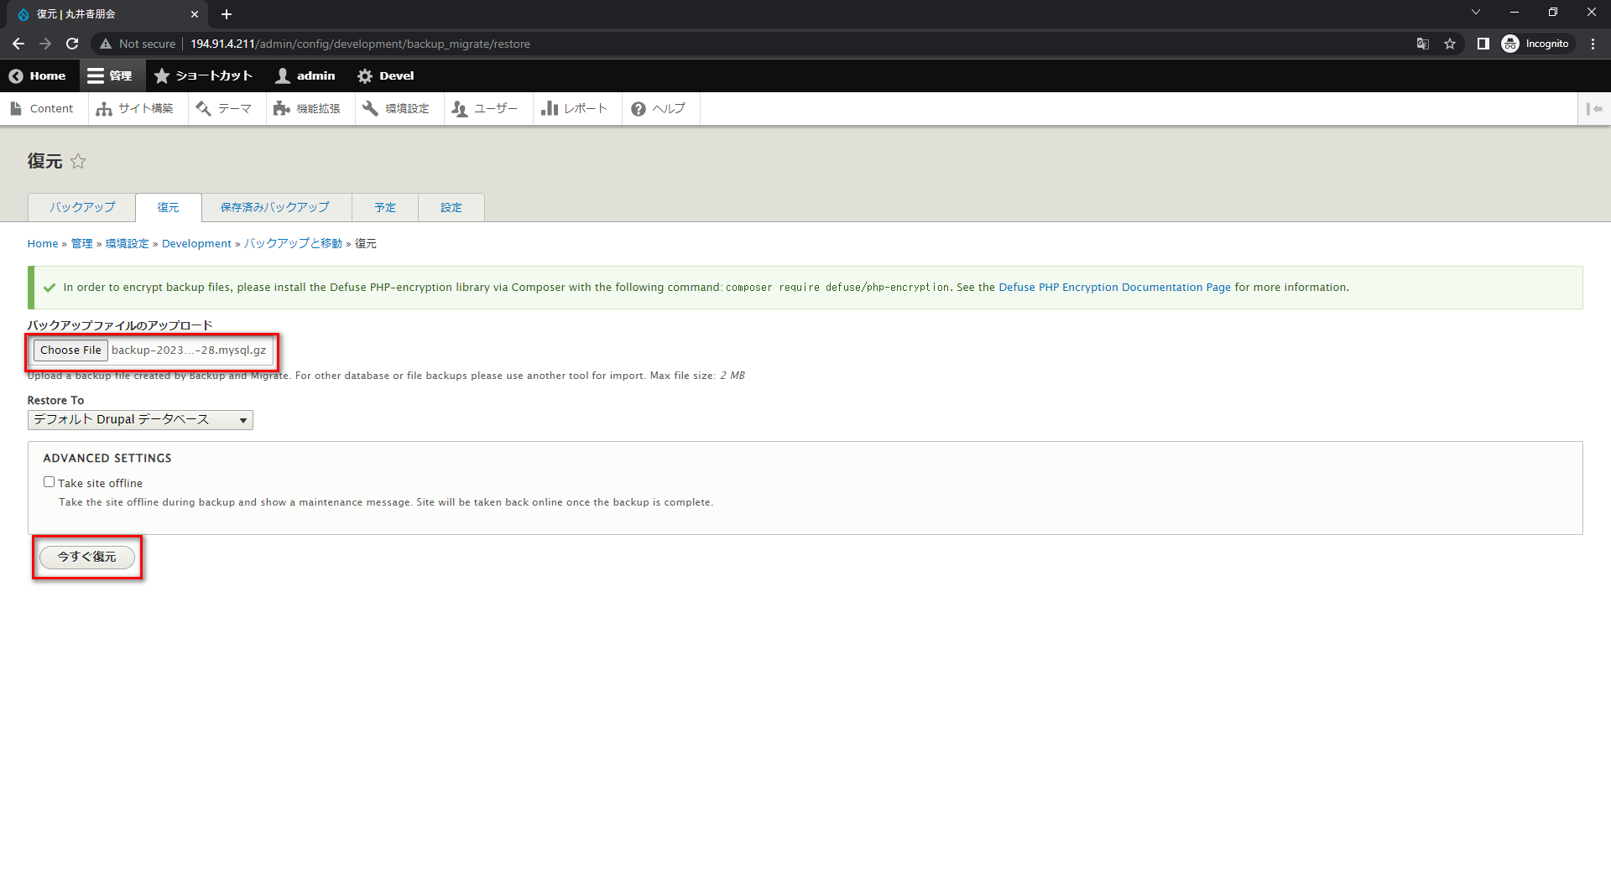

6. Disnable maintenance mode

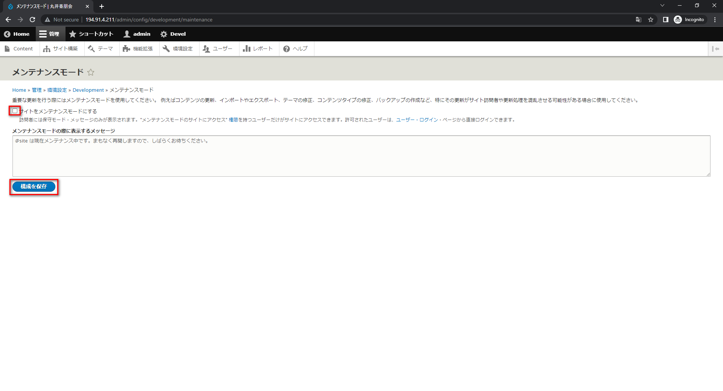

7. Fix bug: DATABASE ISOLATION LEVEL

DATABASE ISOLATION LEVEL
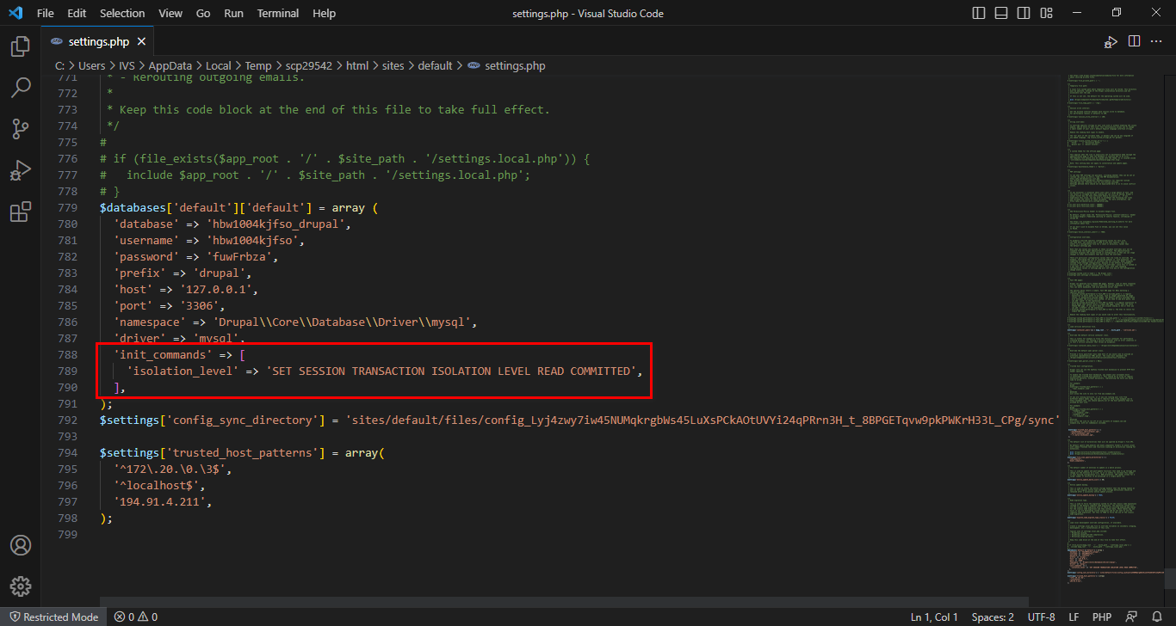
DATABASE ISOLATION LEVEL

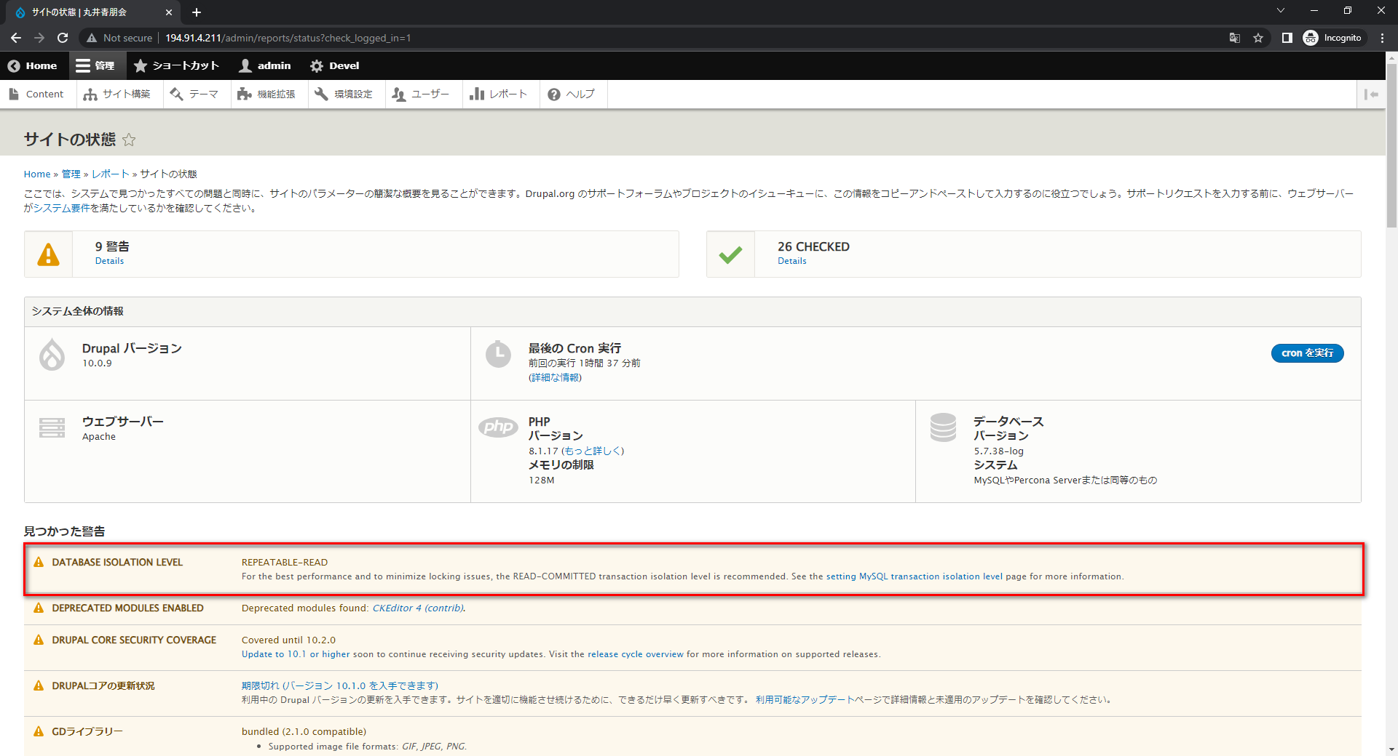

 | Edit settings.php file (/site/default/settings.php).

 |  | Add code:

 |  |  | 'init_commands' => [
 |  |  | 'isolation_level' => 'SET SESSION TRANSACTION ISOLATION LEVEL READ COMMITTED',
 |  |  | ],

