1 investments comparison
Sources:
https://www.climatepolicyinitiative.org/publication/global-landscape-of-climate-finance-2023/ | Comparisons
https://www.climatepolicyinitiative.org/publication/global-landscape-of-climate-finance-2024/ | Updated flow estimate for 2022

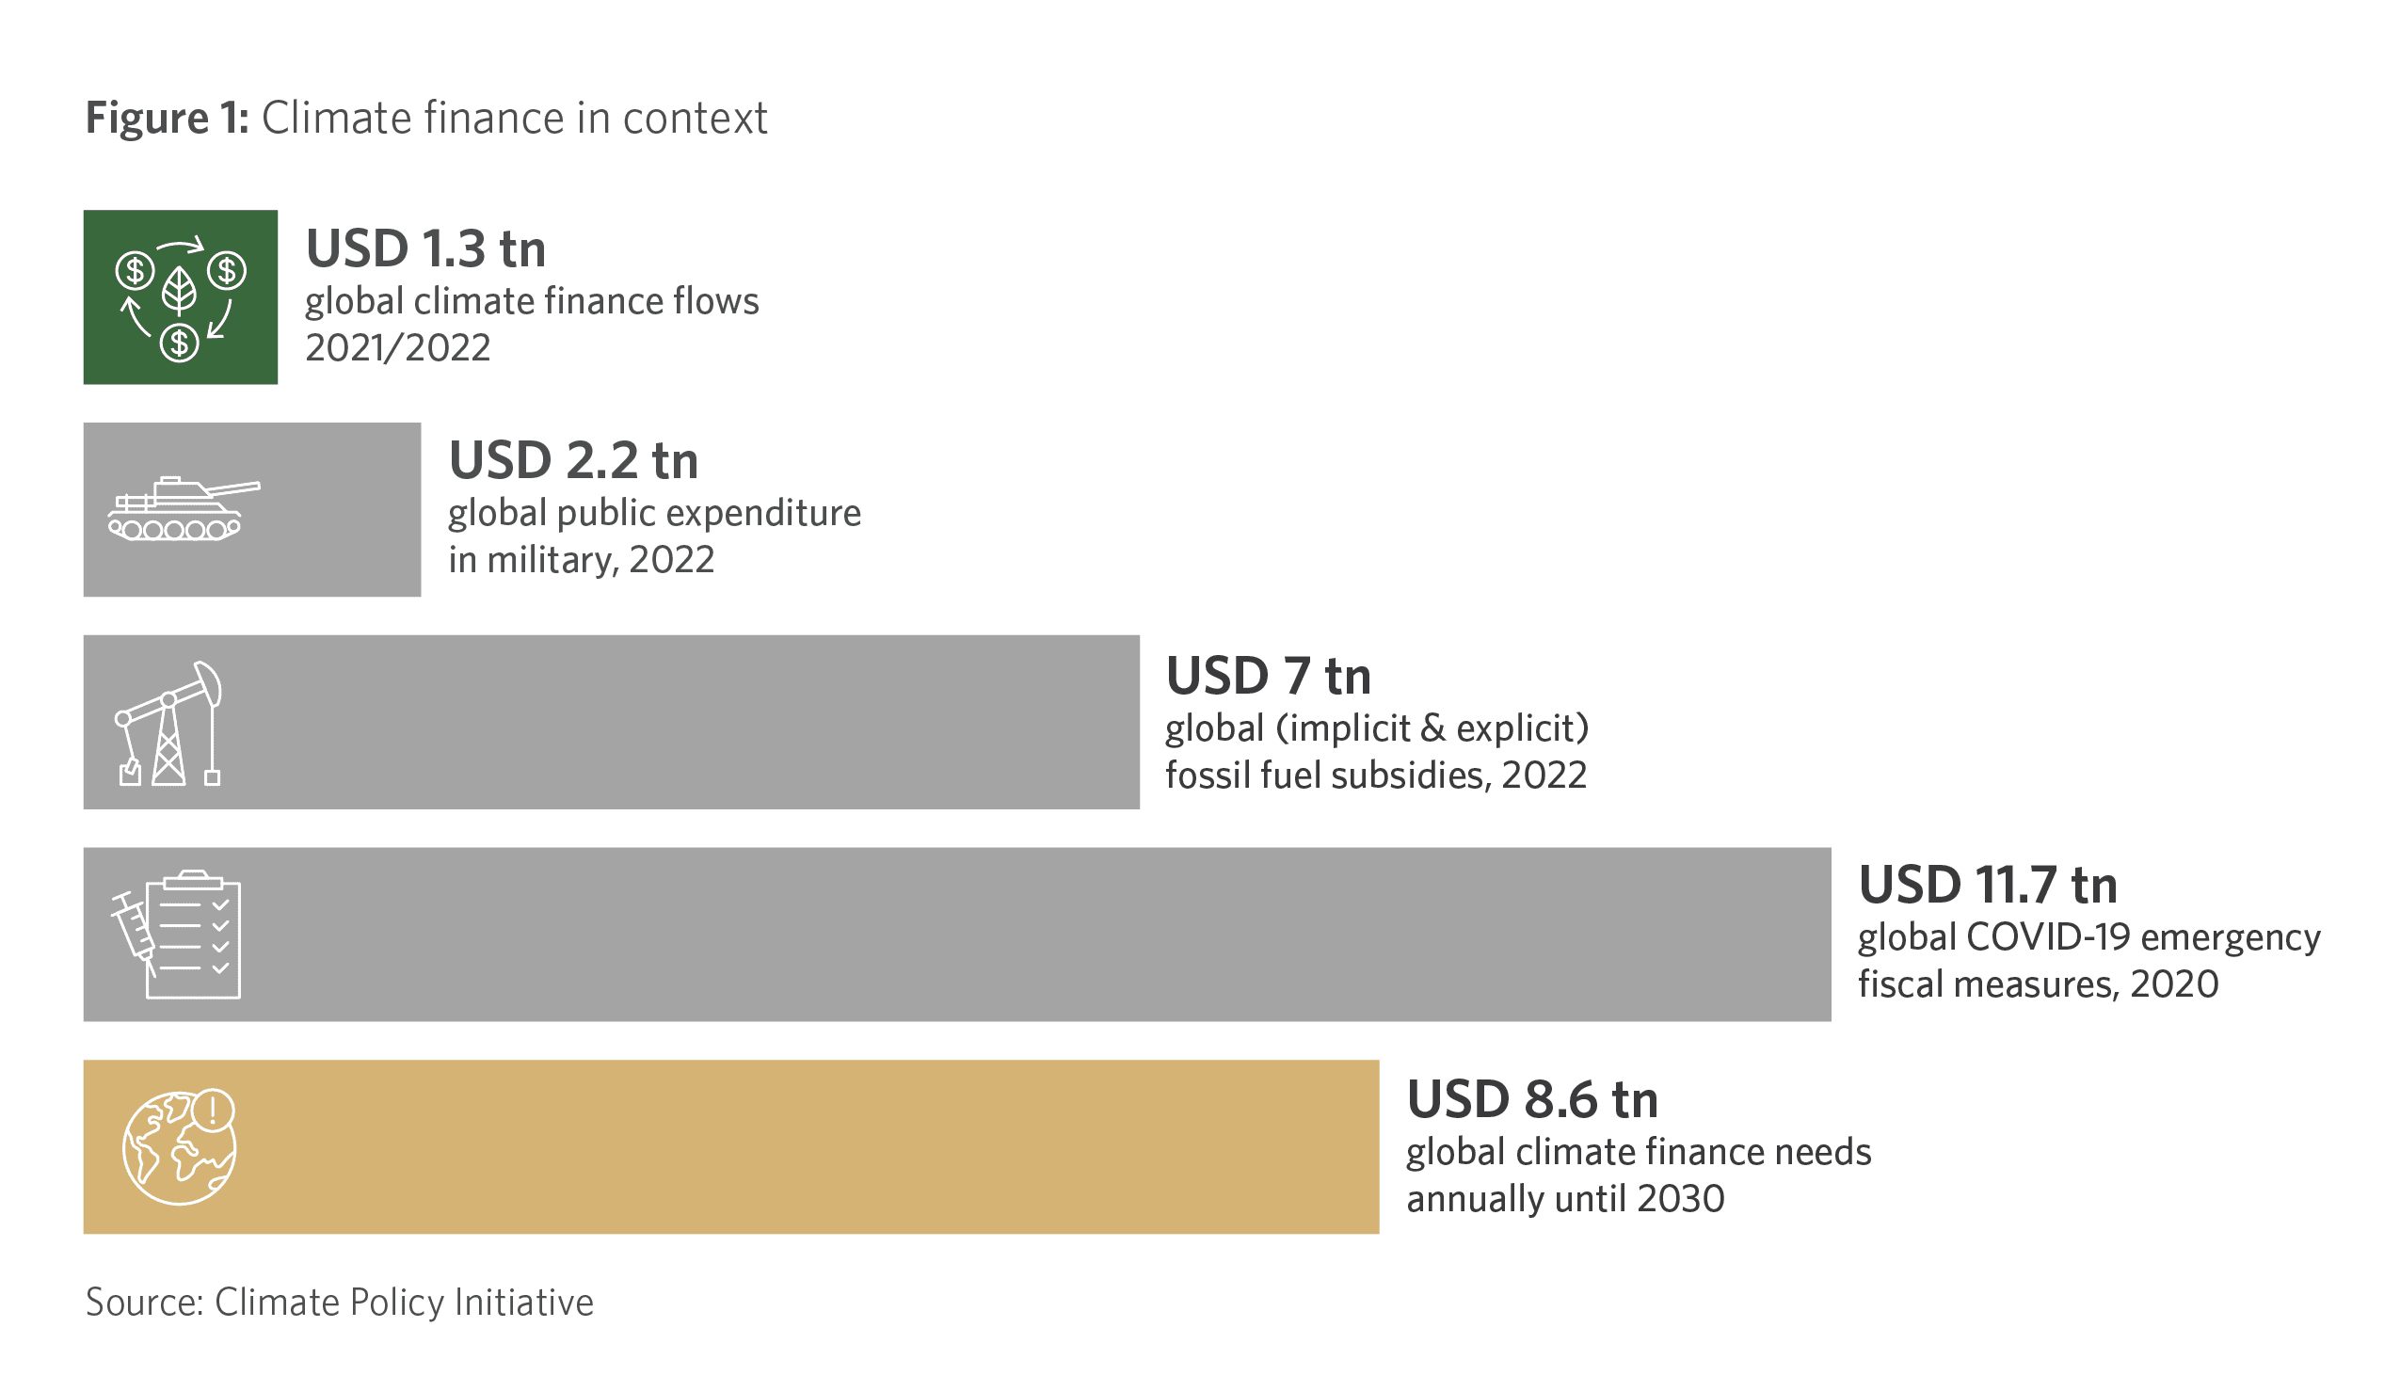
topic | amount (USD tn)
climate finance flows 2022 | 1.459
military spending 2022 | 2.2
fossil fuel subsidies 2022 | 7
COVID-19 emercengy fiscal measures 2020 | 11.7

2 needs vs funding
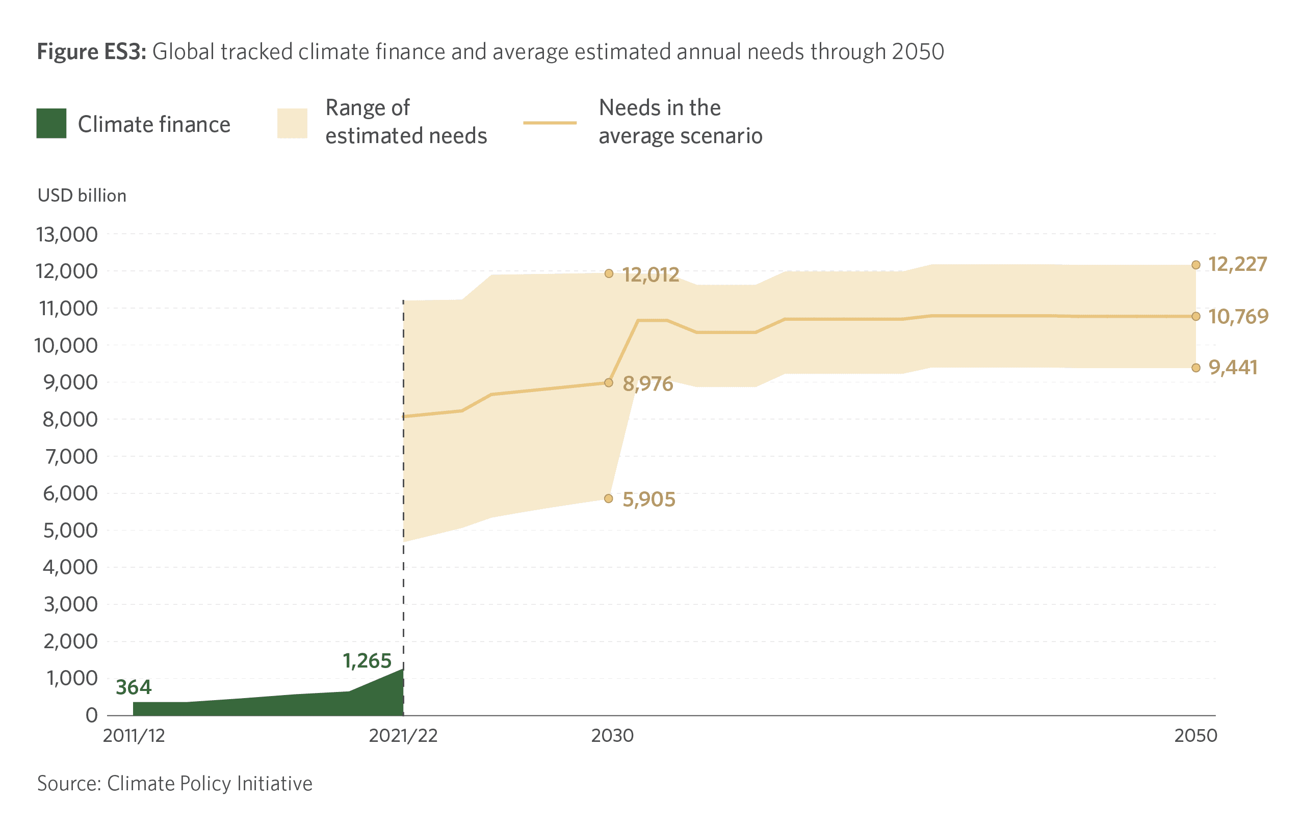
Sources:
https://www.climatepolicyinitiative.org/publication/global-landscape-of-climate-finance-2023/ | Global tracked climate finance flows and average estimated annual needs through 2050
https://www.climatepolicyinitiative.org/publication/global-landscape-of-climate-finance-2024/ | Updated flow estimate for 2018-2023
in USD trillion

year | climate finance flows | mean_needs | upper_needs | lower_needs
2018 | 0.67
2019 | 0.76
2020 | 0.80
2021 | 1.15
2022 | 1.46
2023 | 1.55 | 8.06 | 11.26 | 4.73
2024 |  | 8.14 | 11.28 | 4.93
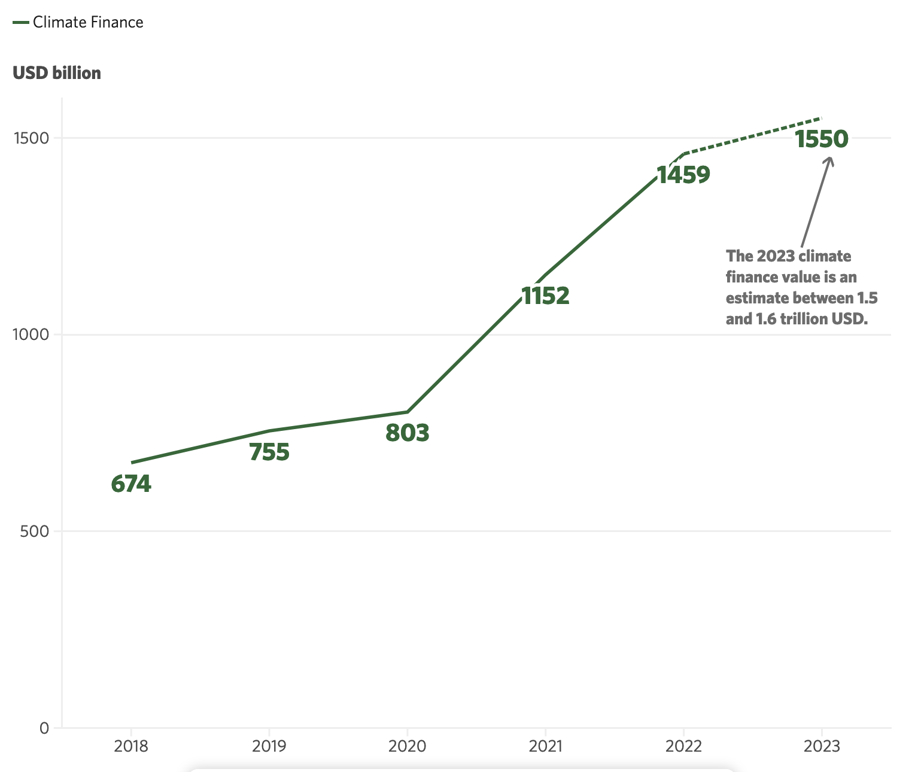
2025 |  | 8.21 | 11.29 | 5.12
2026 |  | 8.66 | 11.96 | 5.40
2027 |  | 8.74 | 11.97 | 5.54
2028 |  | 8.82 | 11.99 | 5.67
2029 |  | 8.90 | 12.00 | 5.79
2030 |  | 8.98 | 12.01 | 5.90
2031 |  | 10.66 | 11.99 | 9.11
2032 |  | 10.66 | 11.99 | 9.11
2033 |  | 10.33 | 11.69 | 8.93
2034 |  | 10.33 | 11.69 | 8.93
2035 |  | 10.33 | 11.69 | 8.93
2036 |  | 10.69 | 12.05 | 9.29
2037 |  | 10.69 | 12.05 | 9.29
2038 |  | 10.69 | 12.05 | 9.29
2039 |  | 10.69 | 12.05 | 9.29
2040 |  | 10.69 | 12.05 | 9.29
2041 |  | 10.78 | 12.24 | 9.46
2042 |  | 10.78 | 12.24 | 9.46
2043 |  | 10.78 | 12.24 | 9.46
2044 |  | 10.78 | 12.24 | 9.46
2045 |  | 10.78 | 12.24 | 9.46
2046 |  | 10.77 | 12.23 | 9.44
2047 |  | 10.77 | 12.23 | 9.44
2048 |  | 10.77 | 12.23 | 9.44
2049 |  | 10.77 | 12.23 | 9.44
2050 |  | 10.77 | 12.23 | 9.44

4 oecd pledge over time
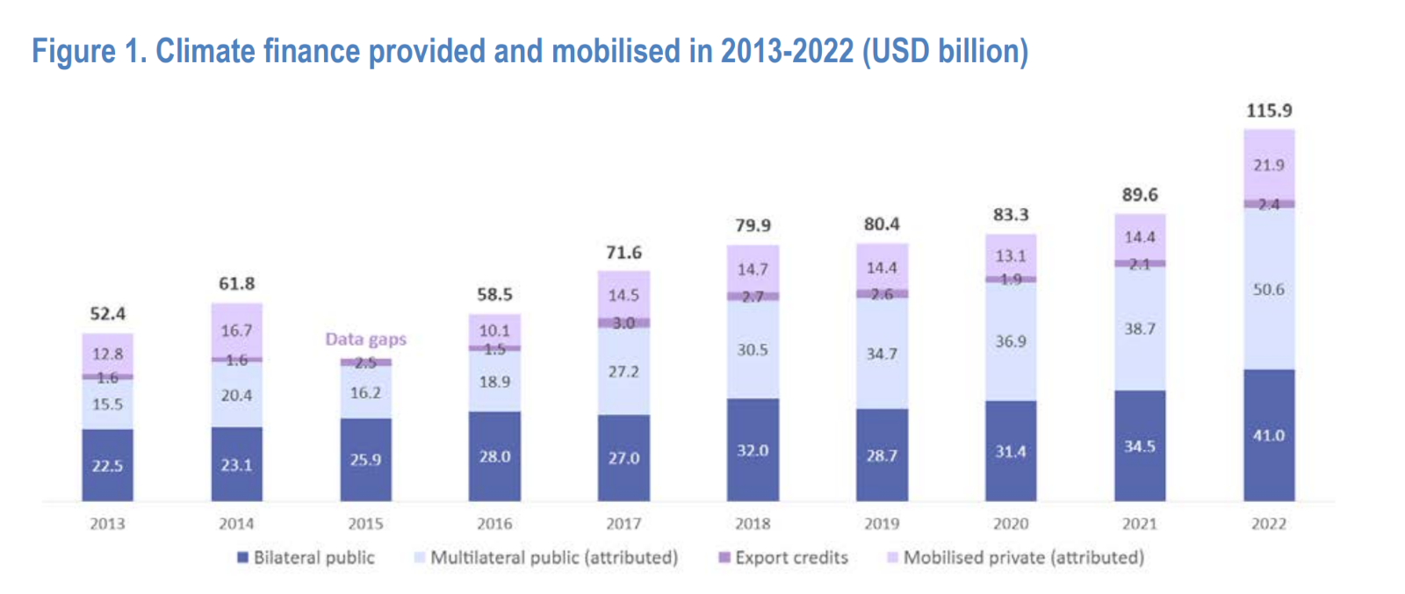
Source:
https://www,oecd,org/en/publications/2024/05/climate-finance-provided-and-mobilised-by-developed-countries-in-2013-2022_8031029a/full-report/component-2,html#tablegrp-d1e189-47ec524116

Category | Label | 2013 | 2014 | 2015 | 2016 | 2017 | 2018 | 2019 | 2020 | 2021 | 2022
Bilateral public climate finance (1) | Country-to-country funding | 22.5 | 23.1 | 25.9 | 28 | 27 | 32 | 28.7 | 31.4 | 34.5 | 41
Multilateral public climate finance attributed to developed countries (2) | Development banks & climate finds | 15.5 | 20.4 | 16.2 | 18.9 | 27.1 | 30.5 | 34.7 | 36.9 | 38.7 | 50.6
Climate-related officially supported export credits (3) | Export credits | 1.6 | 1.6 | 2.5 | 1.5 | 3 | 2.7 | 2.6 | 1.9 | 2.1 | 2.4
Mobilised private climate finance (4) | Publicly mobilized private funding | 12.8 | 16.7 |  | 10.1 | 14.5 | 14.7 | 14.4 | 13.1 | 14.4 | 21.9

5 funding per income group
Source:
https://www.oecd.org/en/publications/climate-finance-provided-and-mobilised-by-developed-countries-in-2013-2022_19150727-en/full-report/component-2.html#section-d1e1325-47ec524116 | Absolute amount of climate finance provided per developing country income group
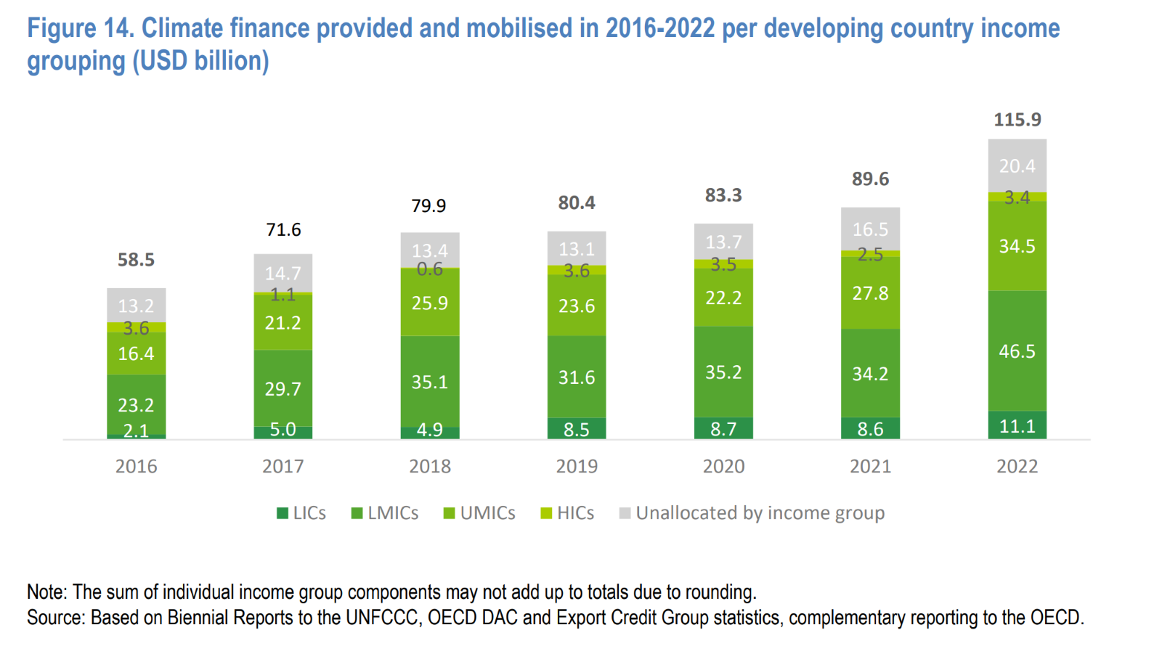
 | Low income | Lower middle income | Upper middle income | High income
year | LICs | LMICs | UMICs | HICs | Unallocated | Total
2016 | 2.1 | 23.2 | 16.4 | 3.6 | 13.2 | 58.5
2017 | 5 | 29.7 | 21.2 | 1.1 | 14.7 | 71.6
2018 | 4.9 | 35.1 | 25.9 | 0.6 | 13.4 | 79.9
2019 | 8.5 | 31.6 | 23.6 | 3.6 | 13.1 | 80.4
2020 | 8.7 | 35.2 | 22.2 | 3.5 | 13.7 | 83.3
2021 | 8.6 | 34.2 | 27.8 | 2.5 | 16.5 | 89.6
2022 | 11.1 | 46.5 | 34.5 | 3.4 | 20.4 | 115.9
total 2016-2022 | 48.9 | 235.5 | 171.6 | 18.3 | 105 | 579.2

total population of group | 722984063 | 3059564861 | 2810588102 | 158430347
income group | Low income | Lower middle income | Upper middle income | High income
total per capita | 67.64 | 76.97 | 61.05 | 115.51

Population calculation:

Source:
https://databank.worldbank.org/source/population-estimates-and-projections | Population estimates and projections
 | Last Updated: 07/01/2024
https://www.oecd.org/en/publications/climate-finance-provided-and-mobilised-by-developed-countries-in-2013-2022_19150727-en/full-report/component-3.html#section-d1e1921-47ec524116 | List of "developing" and "developed" countries in the sense of this report

World bank |  |  |  | OECD
Country Name | Country Code | 2023 [YR2023] - Population, total [SP.POP.TOTL] | Income Group | country_name_OECD | OECD_recipient | DAC 2018 | UNFCCC | developed
Afghanistan | AFG | 42239854 | Low income | Afghanistan | TRUE | x | x
Albania | ALB | 2745972 | Upper middle income | Albania | TRUE | x | x
Algeria | DZA | 45606480 | Upper middle income | Algeria | TRUE | x | x
American Samoa | ASM | 43914 | High income
Andorra | AND | 80088 | High income | Andorra | TRUE |  | x
Angola | AGO | 36684202 | Lower middle income | Angola | TRUE | x | x
Antigua and Barbuda | ATG | 94298 | High income | Antigua and Barbuda | TRUE | x | x
Argentina | ARG | 46654581 | Upper middle income | Argentina | TRUE | x | x
Armenia | ARM | 2777970 | Upper middle income | Armenia | TRUE | x | x
Aruba | ABW | 106277 | High income
Australia | AUS | 26638544 | High income | Australia | FALSE |  |  | x
Austria | AUT | 9132383 | High income | Austria | FALSE |  |  | x
Azerbaijan | AZE | 10112555 | Upper middle income | Azerbaijan | TRUE | x | x
Bahamas, The | BHS | 412623 | High income | Bahamas | TRUE |  | x
Bahrain | BHR | 1485509 | High income | Bahrain | TRUE |  | x
Bangladesh | BGD | 172954319 | Lower middle income | Bangladesh | TRUE | x | x
Barbados | BRB | 281995 | High income | Barbados | TRUE |  | x
Belarus | BLR | 9178298 | Upper middle income | Belarus | TRUE | x
Belgium | BEL | 11822592 | High income | Belgium | FALSE |  |  | x
Belize | BLZ | 410825 | Upper middle income | Belize | TRUE | x | x
Benin | BEN | 13712828 | Lower middle income | Benin | TRUE | x | x
Bermuda | BMU | 63489 | High income
Bhutan | BTN | 787424 | Lower middle income | Bhutan | TRUE | x | x
Bolivia | BOL | 12388571 | Lower middle income | Bolivia | TRUE | x | x
Bosnia and Herzegovina | BIH | 3210847 | Upper middle income | Bosnia and Herzegovina | TRUE | x | x
Botswana | BWA | 2675352 | Upper middle income | Botswana | TRUE | x | x
Brazil | BRA | 216422446 | Upper middle income | Brazil | TRUE | x | x
British Virgin Islands | VGB | 31538 | High income
Brunei Darussalam | BRN | 452524 | High income | Brunei Darussalam | TRUE |  | x
Bulgaria | BGR | 6430370 | High income | Bulgaria | FALSE |  |  | x
Burkina Faso | BFA | 23251485 | Low income | Burkina Faso | TRUE | x | x
Burundi | BDI | 13238559 | Low income | Burundi | TRUE | x | x
Cabo Verde | CPV | 598682 | Lower middle income | Cabo Verde | TRUE | x | x
Cambodia | KHM | 16944826 | Lower middle income | Cambodia | TRUE | x | x
Cameroon | CMR | 28647293 | Lower middle income | Cameroon | TRUE | x | x
Canada | CAN | 40097761 | High income | Canada | FALSE |  |  | x
Cayman Islands | CYM | 69310 | High income
Central African Republic | CAF | 5742315 | Low income | Central African Republic | TRUE | x | x
Chad | TCD | 18278568 | Low income | Chad | TRUE | x | x
Channel Islands | CHI | 175346 | High income
Chile | CHL | 19629590 | High income | Chile | TRUE |  | x
China | CHN | 1410710000 | Upper middle income | China (People’s Republic of) | TRUE | x | x
Colombia | COL | 52085168 | Upper middle income | Colombia | TRUE | x | x
Comoros | COM | 852075 | Lower middle income | Comoros | TRUE | x | x
Congo, Dem. Rep. | COD | 102262808 | Low income | Democratic Republic of the Congo | TRUE | x | x
Congo, Rep. | COG | 6106869 | Lower middle income | Congo | TRUE | x | x
Costa Rica | CRI | 5212173 | Upper middle income | Costa Rica | TRUE | x | x
Cote d'Ivoire | CIV | 28873034 | Lower middle income | Côte d’Ivoire | TRUE | x | x
Croatia | HRV | 3853200 | High income | Croatia | FALSE |  |  | x
Cuba | CUB | 11194449 | Upper middle income | Cuba | TRUE | x | x
Curacao | CUW | 147862 | High income
Cyprus | CYP | 1260138 | High income | Cyprus | FALSE |  |  | x
Czechia | CZE | 10873689 | High income | Czechia | FALSE |  |  | x
Denmark | DNK | 5946952 | High income | Denmark | FALSE |  |  | x
Djibouti | DJI | 1136455 | Lower middle income | Djibouti | TRUE | x | x
Dominica | DMA | 73040 | Upper middle income | Dominica | TRUE | x | x
Dominican Republic | DOM | 11332972 | Upper middle income | Dominican Republic | TRUE | x | x
Ecuador | ECU | 18190484 | Upper middle income | Ecuador | TRUE | x | x
Egypt, Arab Rep. | EGY | 112716598 | Lower middle income | Egypt | TRUE | x | x
El Salvador | SLV | 6364943 | Upper middle income | El Salvador | TRUE | x | x
Equatorial Guinea | GNQ | 1714671 | Upper middle income | Equatorial Guinea | TRUE | x | x
Eritrea | ERI | 3748901 | Low income | Eritrea | TRUE | x | x
Estonia | EST | 1366188 | High income | Estonia | FALSE |  |  | x
Eswatini | SWZ | 1210822 | Lower middle income | Eswatini | TRUE | x | x
Ethiopia | ETH | 126527060 | Low income | Ethiopia | TRUE | x | x
European Union | EUU | 449476878 |  | European Union | FALSE |  |  | x
Faroe Islands | FRO | 53270 | High income
Fiji | FJI | 936375 | Upper middle income | Fiji | TRUE | x | x
Finland | FIN | 5584264 | High income | Finland | FALSE |  |  | x
France | FRA | 68170228 | High income | France | FALSE |  |  | x
French Polynesia | PYF | 308872 | High income
Gabon | GAB | 2436566 | Upper middle income | Gabon | TRUE | x | x
Gambia, The | GMB | 2773168 | Low income | Gambia | TRUE | x | x
Georgia | GEO | 3760365 | Upper middle income | Georgia | TRUE | x | x
Germany | DEU | 84482267 | High income | Germany | FALSE |  |  | x
Ghana | GHA | 34121985 | Lower middle income | Ghana | TRUE | x | x
Gibraltar | GIB | 32688 | High income
Greece | GRC | 10361295 | High income | Greece | FALSE |  |  | x
Greenland | GRL | 56865 | High income
Grenada | GRD | 126183 | Upper middle income | Grenada | TRUE | x | x
Guam | GUM | 172952 | High income
Guatemala | GTM | 17602431 | Upper middle income | Guatemala | TRUE | x | x
Guinea | GIN | 14190612 | Lower middle income | Guinea | TRUE | x | x
Guinea-Bissau | GNB | 2150842 | Low income | Guinea-Bissau | TRUE | x | x
Guyana | GUY | 813834 | High income | Guyana | TRUE | x | x
Haiti | HTI | 11724763 | Lower middle income | Haiti | TRUE | x | x
Honduras | HND | 10593798 | Lower middle income | Honduras | TRUE | x | x
Hong Kong SAR, China | HKG | 7536100 | High income
Hungary | HUN | 9589872 | High income | Hungary | FALSE |  |  | x
Iceland | ISL | 393600 | High income | Iceland | FALSE |  |  | x
India | IND | 1428627663 | Lower middle income | India | TRUE | x | x
Indonesia | IDN | 277534122 | Upper middle income | Indonesia | TRUE | x | x
Iran, Islamic Rep. | IRN | 89172767 | Upper middle income | Iran | TRUE | x | x
Iraq | IRQ | 45504560 | Upper middle income | Iraq | TRUE | x | x
Ireland | IRL | 5262382 | High income | Ireland | FALSE |  |  | x
Isle of Man | IMN | 84710 | High income
Israel | ISR | 9756700 | High income | Israel | TRUE |  | x
Italy | ITA | 58761146 | High income | Italy | FALSE |  |  | x
Jamaica | JAM | 2825544 | Upper middle income | Jamaica | TRUE | x | x
Japan | JPN | 124516650 | High income | Japan | FALSE |  |  | x
Jordan | JOR | 11337052 | Lower middle income | Jordan | TRUE | x | x
Kazakhstan | KAZ | 19900177 | Upper middle income | Kazakhstan | TRUE | x | x
Kenya | KEN | 55100586 | Lower middle income | Kenya | TRUE | x | x
Kiribati | KIR | 133515 | Lower middle income | Kiribati | TRUE | x | x
Korea, Dem. People's Rep. | PRK | 26160821 | Low income | Democratic People’s Republic of Korea | TRUE | x | x
Korea, Rep. | KOR | 51712619 | High income | Republic of Korea | TRUE |  | x
Kosovo | XKX | 1756374 | Upper middle income | Kosovo | TRUE | x
Kuwait | KWT | 4310108 | High income | Kuwait | TRUE |  | x
Kyrgyz Republic | KGZ | 7100800 | Lower middle income | Kyrgyzstan | TRUE | x | x
Lao PDR | LAO | 7633779 | Lower middle income | Lao People’s Democratic Republic | TRUE | x | x
Latvia | LVA | 1881750 | High income | Latvia | FALSE |  |  | x
Lebanon | LBN | 5353930 | Lower middle income | Lebanon | TRUE | x | x
Lesotho | LSO | 2330318 | Lower middle income | Lesotho | TRUE | x | x
Liberia | LBR | 5418377 | Low income | Liberia | TRUE | x | x
Libya | LBY | 6888388 | Upper middle income | Libya | TRUE | x | x
Liechtenstein | LIE | 39584 | High income | Liechtenstein | FALSE |  |  | x
Lithuania | LTU | 2871897 | High income | Lithuania | FALSE |  |  | x
Luxembourg | LUX | 668606 | High income | Luxembourg | FALSE |  |  | x
Macao SAR, China | MAC | 704149 | High income
Madagascar | MDG | 30325732 | Low income | Madagascar | TRUE | x | x
Malawi | MWI | 20931751 | Low income | Malawi | TRUE | x | x
Malaysia | MYS | 34308525 | Upper middle income | Malaysia | TRUE | x | x
Maldives | MDV | 521021 | Upper middle income | Maldives | TRUE | x | x
Mali | MLI | 23293698 | Low income | Mali | TRUE | x | x
Malta | MLT | 553214 | High income | Malta | FALSE |  |  | x
Marshall Islands | MHL | 41996 | Upper middle income | Marshall Islands | TRUE | x | x
Mauritania | MRT | 4862989 | Lower middle income | Mauritania | TRUE | x | x
Mauritius | MUS | 1261041 | Upper middle income | Mauritius | TRUE | x | x
Mexico | MEX | 128455567 | Upper middle income | Mexico | TRUE | x | x
Micronesia, Fed. Sts. | FSM | 115224 | Lower middle income | Micronesia | TRUE | x | x
Moldova | MDA | 2486891 | Upper middle income | Moldova | TRUE | x | x
Monaco | MCO | 36297 | High income | Monaco | FALSE |  |  | x
Mongolia | MNG | 3447157 | Upper middle income | Mongolia | TRUE | x | x
Montenegro | MNE | 616177 | Upper middle income | Montenegro | TRUE | x | x
Morocco | MAR | 37840044 | Lower middle income | Morocco | TRUE | x | x
Mozambique | MOZ | 33897354 | Low income | Mozambique | TRUE | x | x
Myanmar | MMR | 54577997 | Lower middle income | Myanmar | TRUE | x | x
Namibia | NAM | 2604172 | Upper middle income | Namibia | TRUE | x | x
Nauru | NRU | 12780 | High income | Nauru | TRUE | x | x
Nepal | NPL | 30896590 | Lower middle income | Nepal | TRUE | x | x
Netherlands | NLD | 17879488 | High income | Netherlands | FALSE |  |  | x
New Caledonia | NCL | 267940 | High income
New Zealand | NZL | 5223100 | High income | New Zealand | FALSE |  |  | x
Nicaragua | NIC | 7046310 | Lower middle income | Nicaragua | TRUE | x | x
Niger | NER | 27202843 | Low income | Niger | TRUE | x | x
Nigeria | NGA | 223804632 | Lower middle income | Nigeria | TRUE | x | x
North Macedonia | MKD | 1811980 | Upper middle income | North Macedonia | TRUE | x | x
Northern Mariana Islands | MNP | 49796 | High income
Norway | NOR | 5519594 | High income | Norway | FALSE |  |  | x
Oman | OMN | 4644384 | High income | Oman | TRUE |  | x
Pakistan | PAK | 240485658 | Lower middle income | Pakistan | TRUE | x | x
Palau | PLW | 18058 | High income | Palau | TRUE | x | x
Panama | PAN | 4468087 | High income | Panama | TRUE | x | x
Papua New Guinea | PNG | 10329931 | Lower middle income | Papua New Guinea | TRUE | x | x
Paraguay | PRY | 6861524 | Upper middle income | Paraguay | TRUE | x | x
Peru | PER | 34352719 | Upper middle income | Peru | TRUE | x | x
Philippines | PHL | 117337368 | Lower middle income | Philippines | TRUE | x | x
Poland | POL | 36685849 | High income | Poland | FALSE |  |  | x
Portugal | PRT | 10525347 | High income | Portugal | FALSE |  |  | x
Puerto Rico | PRI | 3205691 | High income
Qatar | QAT | 2716391 | High income | Qatar | TRUE |  | x
Romania | ROU | 19056116 | High income | Romania | FALSE |  |  | x
Russian Federation | RUS | 143826130 | High income
Rwanda | RWA | 14094683 | Low income | Rwanda | TRUE | x | x
Samoa | WSM | 225681 | Lower middle income | Samoa | TRUE | x | x
San Marino | SMR | 33642 | High income | San Marino | TRUE |  | x
Sao Tome and Principe | STP | 231856 | Lower middle income | Sao Tome and Principe | TRUE | x | x
Saudi Arabia | SAU | 36947025 | High income | Saudi Arabia | TRUE |  | x
Senegal | SEN | 17763163 | Lower middle income | Senegal | TRUE | x | x
Serbia | SRB | 6618026 | Upper middle income | Serbia | TRUE | x | x
Seychelles | SYC | 119773 | High income | Seychelles | TRUE |  | x
Sierra Leone | SLE | 8791092 | Low income | Sierra Leone | TRUE | x | x
Singapore | SGP | 5917648 | High income | Singapore | TRUE |  | x
Sint Maarten (Dutch part) | SXM | 41163 | High income
Slovak Republic | SVK | 5426740 | High income | Slovak Republic | FALSE |  |  | x
Slovenia | SVN | 2120937 | High income | Slovenia | FALSE |  |  | x
Solomon Islands | SLB | 740424 | Lower middle income | Solomon Islands | TRUE | x | x
Somalia | SOM | 18143378 | Low income | Somalia | TRUE | x | x
South Africa | ZAF | 60414495 | Upper middle income | South Africa | TRUE | x | x
South Sudan | SSD | 11088796 | Low income | South Sudan | TRUE | x | x
Spain | ESP | 48373336 | High income | Spain | FALSE |  |  | x
Sri Lanka | LKA | 22037000 | Lower middle income | Sri Lanka | TRUE | x | x
St. Kitts and Nevis | KNA | 47755 | High income | Saint Kitts and Nevis | TRUE |  | x
St. Lucia | LCA | 180251 | Upper middle income | Saint Lucia | TRUE | x | x
St. Martin (French part) | MAF | 32077 | High income
St. Vincent and the Grenadines | VCT | 103698 | Upper middle income | Saint Vincent and the Grenadines | TRUE | x | x
Sudan | SDN | 48109006 | Low income | Sudan | TRUE | x | x
Suriname | SUR | 623236 | Upper middle income | Suriname | TRUE | x | x
Sweden | SWE | 10536632 | High income | Sweden | FALSE |  |  | x
Switzerland | CHE | 8849852 | High income | Switzerland | FALSE |  |  | x
Syrian Arab Republic | SYR | 23227014 | Low income | Syrian Arab Republic | TRUE | x | x
Tajikistan | TJK | 10143543 | Lower middle income | Tajikistan | TRUE | x | x
Tanzania | TZA | 67438106 | Lower middle income | Tanzania | TRUE | x | x
Thailand | THA | 71801279 | Upper middle income | Thailand | TRUE | x | x
Timor-Leste | TLS | 1360596 | Lower middle income | Timor-Leste | TRUE | x | x
Togo | TGO | 9053799 | Low income | Togo | TRUE | x | x
Tonga | TON | 107773 | Upper middle income | Tonga | TRUE | x | x
Trinidad and Tobago | TTO | 1534937 | High income | Trinidad and Tobago | TRUE |  | x
Tunisia | TUN | 12458223 | Lower middle income | Tunisia | TRUE | x | x
Turkiye | TUR | 85326000 | Upper middle income | Türkiye | TRUE | x
Turkmenistan | TKM | 6516100 | Upper middle income | Turkmenistan | TRUE | x | x
Turks and Caicos Islands | TCA | 46062 | High income
Tuvalu | TUV | 11396 | Upper middle income | Tuvalu | TRUE | x | x
Uganda | UGA | 48582334 | Low income | Uganda | TRUE | x | x
Ukraine | UKR | 37000000 | Upper middle income | Ukraine | TRUE | x
United Arab Emirates | ARE | 9516871 | High income | United Arab Emirates | TRUE |  | x
United Kingdom | GBR | 68350000 | High income | United Kingdom | FALSE |  |  | x
United States | USA | 334914895 | High income | United States | FALSE |  |  | x
Uruguay | URY | 3423108 | High income | Uruguay | TRUE |  | x
Uzbekistan | UZB | 36412350 | Lower middle income | Uzbekistan | TRUE | x | x
Vanuatu | VUT | 334506 | Lower middle income | Vanuatu | TRUE | x | x
Venezuela, RB | VEN | 28838499 |  | Venezuela | TRUE | x | x
Viet Nam | VNM | 98858950 | Lower middle income | Viet Nam | TRUE | x | x
Virgin Islands (U.S.) | VIR | 104917 | High income
West Bank and Gaza | PSE | 5165775 | Lower middle income | West Bank and Gaza Strip | TRUE | x | x
Yemen, Rep. | YEM | 34449825 | Low income | Yemen | TRUE | x | x
Zambia | ZMB | 20569737 | Lower middle income | Zambia | TRUE | x | x
Zimbabwe | ZWE | 16665409 | Lower middle income | Zimbabwe | TRUE | x | x
 |  |  |  | Cook Islands | TRUE | x | x
 |  |  |  | Montserrat | TRUE | x
 |  |  |  | Niue | TRUE | x | x
 |  |  |  | Saint Helena | TRUE | x
 |  |  |  | Tokelau | TRUE | x
 |  |  |  | Wallis and Futuna | TRUE | x

6 thematic split OECD
Source:
https://www.oecd.org/en/publications/climate-finance-provided-and-mobilised-by-developed-countries-in-2013-2022_19150727-en/full-report/component-2.html#section-d1e1457-47ec524116
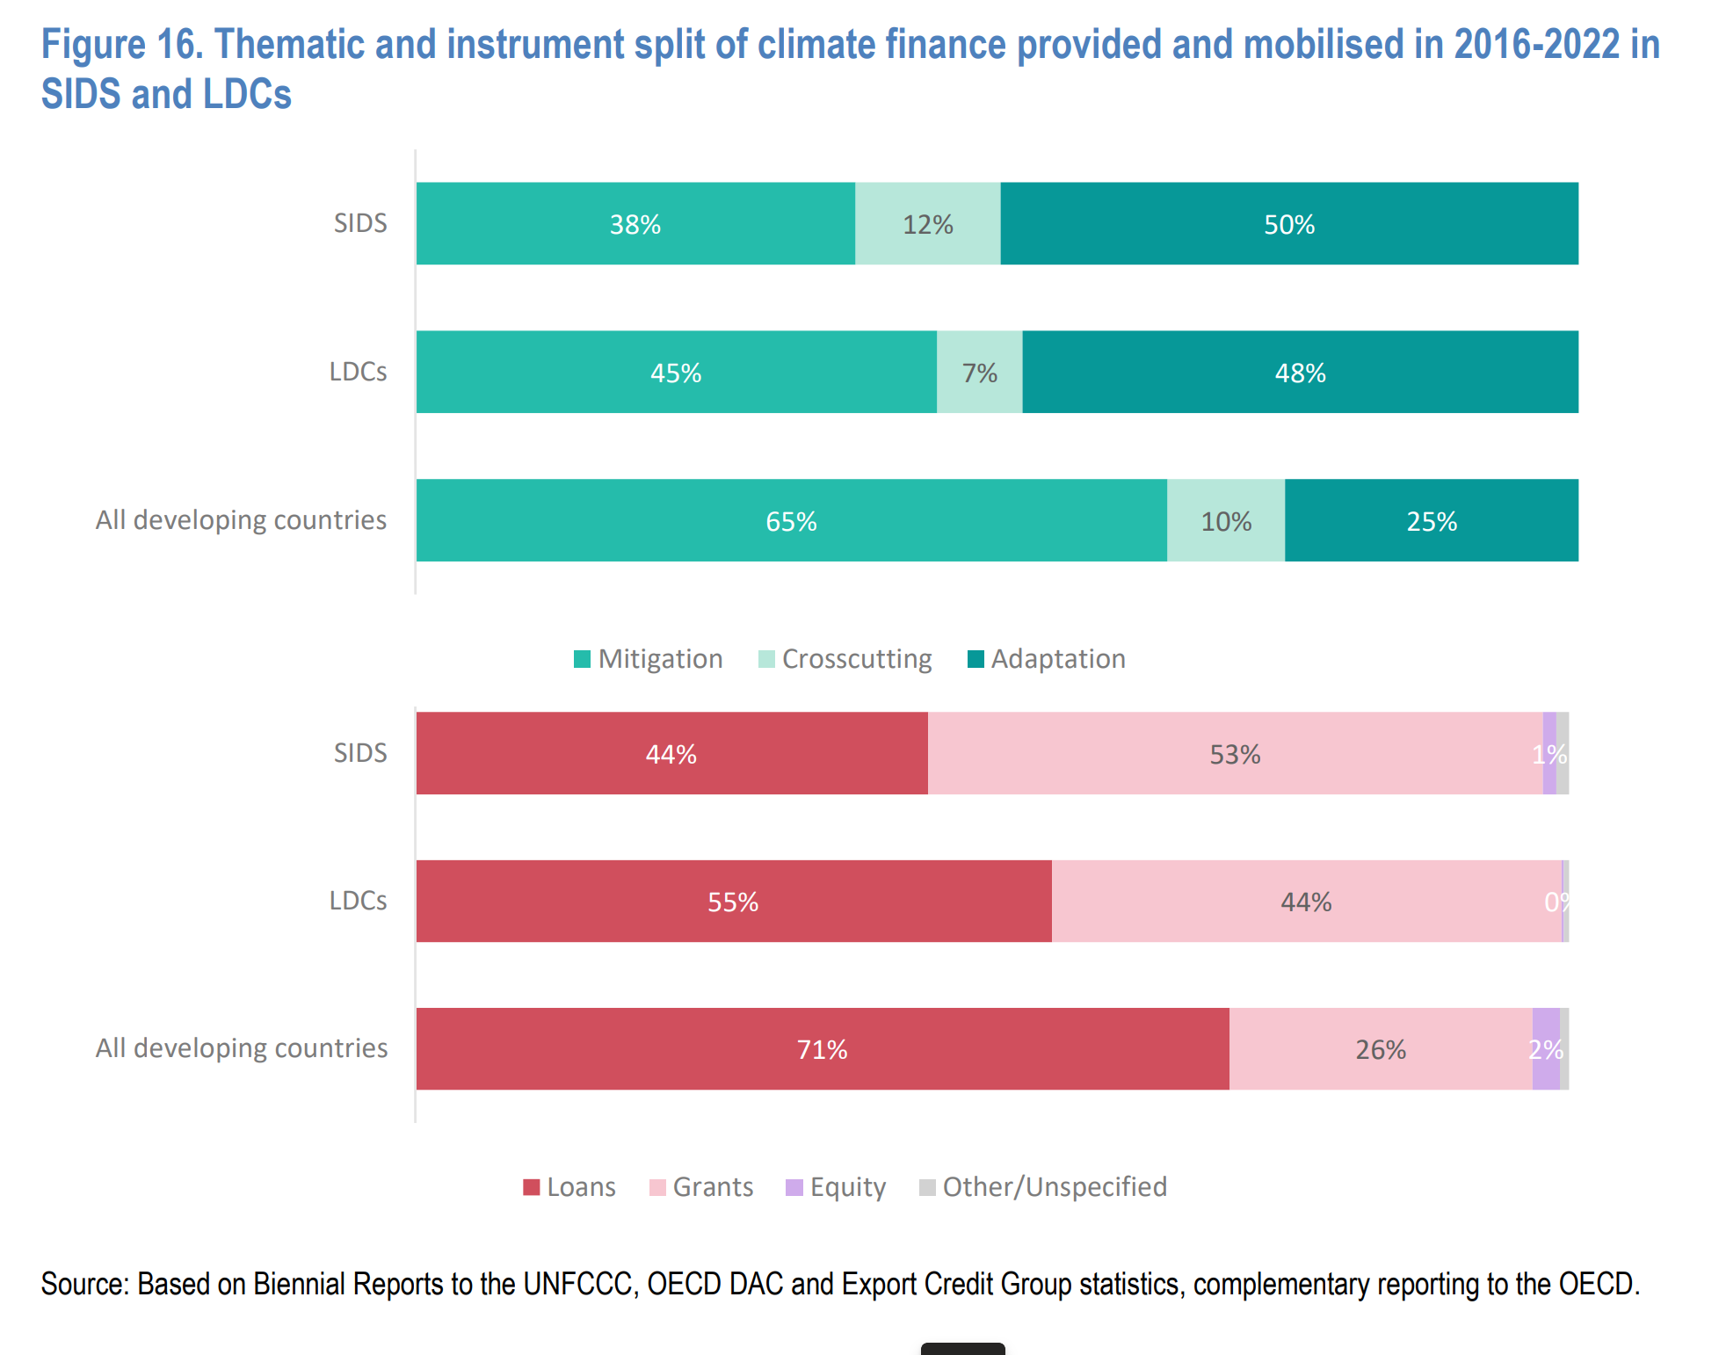

category | label | mitigation | both | adaptation
SIDs | Small Island Developing States | 38 | 12 | 50
LDCs | Least Developed Countries | 45 | 7 | 48
All developing countries | All developing countries | 65 | 10 | 25

7 8 loans vs grants
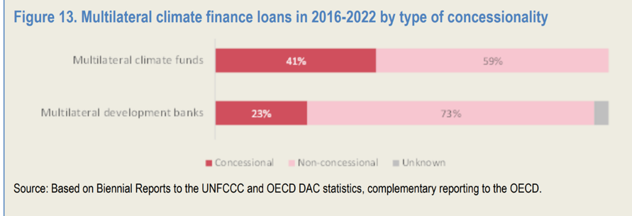
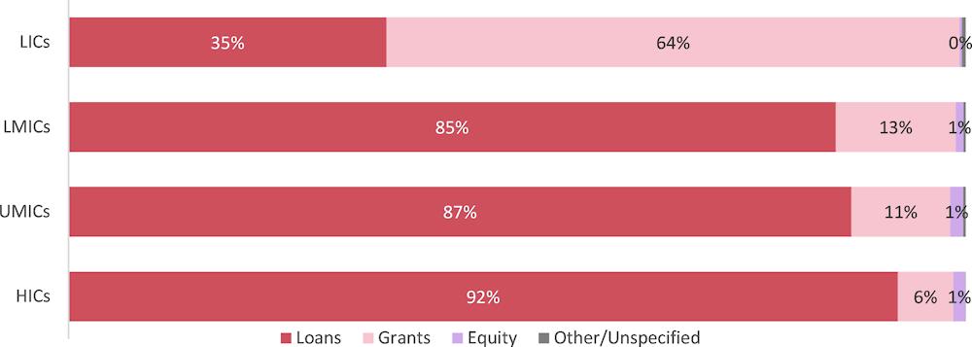
Source:
Figure 10 | https://www.oecd.org/en/publications/2024/05/climate-finance-provided-and-mobilised-by-developed-countries-in-2013-2022_8031029a/full-report/component-2.html#figure-d1e1353-47ec524116

category | label | loans | grants | equity | others
LICs | Low income | 35 | 64 | 0 | 1 | 100
LMICs | Lower middle income | 85 | 13 | 1 | 1 | 100
UMICs | Upper middle income | 87 | 11 | 1 | 1 | 100
HICs | High income | 92 | 6 | 1 | 1 | 100

Source:
Figure 12/13 | https://www.oecd.org/en/publications/2024/05/climate-finance-provided-and-mobilised-by-developed-countries-in-2013-2022_8031029a/full-report/component-2.html#figure-d1e1424-47ec524116

category | label | concessional | non-concessional | unknown
Bilateral providers | bilateral | 79 | 18 | 3
Multilateral climate funds | climate funds | 41 | 59 | 0
Multilateral development banks | development banks | 23 | 73 | 4

