Premiums
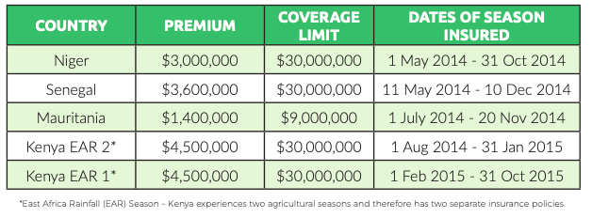
 | Premiums | Coverage limit | Payout | Diff | http://www.africanriskcapacity.org/wp-content/uploads/2017/10/ARC-2015-Payout-Lessons-Learned-Summary-Report.pdf
Niger | 2580000 | 20000000 | 3341062.84 | 761062.84
Senegal | 3600000 | 30000000 | 16485683 | 12885683
Mauretania | 1394373.81 | 9000000 | 6326268.27 | 4931894.46
Kenya | 9000000 | 60000000 | -
Mali
Gambia
Malawi

