Invoice_Generator
 | Invoice Generator App

Generate Invoice
 | Document Details
 | Client_Code | XLP
 | Project_Number | 0001
 | Invoice_Number | 001
 | Author | Joe Bloggs
Show Output Folder
 | Date | 2025-07-19
 | Revision | V04
 | Purchase_Order | 0001

 | Billed to
 | Bill_Name | Blog Joes
 | Bill_Company | Company Ltd.
 | Bill_Email | bjoes@company.com
 | Bill_Address1 | 2 Park Street
 | Bill_Address2 | BS1, Bristol
 | Bill_Address3 | United Kingdom

 | Additional_Information | N/A

# | Description | Qty | Price | Amount
1 | Phase 1: xlpro Python Module Development | 1 | £1,200.00 | £1,200.00
2 | Phase 1: Multithreaded COM Debugging | 1 | £2,400.00 | £2,400.00
3 | Phase 2: Desktop App Development | 1 | £2,400.00 | £2,400.00
4 | Phase 2: Custom Excel Add-In Development and Build Process | 1 | £1,200.00 | £1,200.00
5 | Phase 4: Website Development | 1 | £1,200.00 | £1,200.00
6 | Phase 4: Marketing | 1 | £600.00 | £600.00

 |  |  | Subtotal | £9,000.00
 |  |  | VAT | £1,800.00

 |  |  | Total | £10,800.00

Sheet1
Excel-Python Mixed Plotting |  |  |  |  |  |  |  |  |  |  |  |  |  |  |  | Bivariate Monte-Carlo Simulation |  |  |  | Financial Data Visualisation

X | Y1 | Y2 | Y3 | Y4 | Y5 |  | Label | X-data | Y-data | Style | ColorID | Color | Show Color | Line2Ds
 | 1 | 2 | 3 | 4 | 5 |  |  |  |  |  |  |  |  |  |  | Mean |  | 0.00 | 0.00
 |  |  |  |  |  | Y1 | Y1=X^1 | PyObj<Sheet1$N$732911edd6560a963099dab37bb9b144b52c95eeeb3aaef7596c4e2115d063b91> | PyObj<Sheet1$O$732911edd6560a963099dab37bb9b144b52c95eeeb3aaef7596c4e2115d063b91> | -- | 0 | PyObj<Sheet1$R$787645d54b8f21d8083716beadd95c432de2abd4a074b7d04ad4ef0b62c485757> | [ 31 119 180] | PyObj<Sheet1$U$72a985b167e6da30244ef6d76add7893b4a89dcb2b4cbb8c5ad4c6c2d5085ebe7> | <class 'matplotlib.lines.Line2D'>
0 | 0 | 0 | 0 | 0 | 0 | Y2 | Y2=X^2 | PyObj<Sheet1$N$832911edd6560a963099dab37bb9b144b52c95eeeb3aaef7596c4e2115d063b91> | PyObj<Sheet1$O$88fa2fcc4f5474bd3337fde104378bcb9251c603d98761391a3b8f8195a364a2e> | : | 1 | PyObj<Sheet1$R$8cd5c77eec519651ead1d1e3aa7d91b529eb1d823c3b78a4b08544600c14600e3> | [255 127 14] | PyObj<Sheet1$U$84a85a6f69699d18e4e2e1e07b8594642e0833c2c615a7e1219a85ecb83041437> | <class 'matplotlib.lines.Line2D'> | Cov. |  | 2.00 | 0.40
0.0001 | 0.0001 | 0.00000001 | 1E-12 | 1E-16 | 1E-20 | Y3 | Y3=X^3 | PyObj<Sheet1$N$932911edd6560a963099dab37bb9b144b52c95eeeb3aaef7596c4e2115d063b91> | PyObj<Sheet1$O$9dc60fa0c0e2e9b0b041a45da39f0885932a05eb0856c898815bd32b136f1a8b9> | - | 2 | PyObj<Sheet1$R$9fc8955f0677527ab53f3dbbd2bb44a87a71d5f051f6f57554bc3fed5a62e4a10> | [ 44 160 44] | PyObj<Sheet1$U$926e944e26480b689f05c1df0d273342c686b671cf55e92b3223e27ca50ff2c7b> | <class 'matplotlib.lines.Line2D'> |  |  | 0.40 | 2.00
0.0002 | 0.0002 | 0.00000004 | 8E-12 | 1.6E-15 | 3.2E-19 | Y4 | Y4=X^4 | PyObj<Sheet1$N$1032911edd6560a963099dab37bb9b144b52c95eeeb3aaef7596c4e2115d063b91> | PyObj<Sheet1$O$10eabfe6363e787dd4cbe2f1e596612989662c1977124ada512feeac4b7d731a46> | - | 3 | PyObj<Sheet1$R$106913ba2b016fcd922b09b3ead02dac02b8b052d18309cb11d66660c9eb86a3a6> | [214 39 40] | PyObj<Sheet1$U$10fc6b71e796a8d249104be7fcf4231111166881bb787251f8633f910dd63cd26d> | <class 'matplotlib.lines.Line2D'>
0.0003 | 0.0003 | 0.00000009 | 2.7E-11 | 8.1E-15 | 2.43E-18 | Y5 | Y5=X^5 | PyObj<Sheet1$N$1132911edd6560a963099dab37bb9b144b52c95eeeb3aaef7596c4e2115d063b91> | PyObj<Sheet1$O$11f77a28cdab4bffb123ec1f84c82d3fe6655945a5d62af4fe3cf47d180f87bd72> | - | 4 | PyObj<Sheet1$R$1115e7f0a201641d78393c424faee73dda700f5c00dc198a4e74425c98a8b393b7> | [148 103 189] | PyObj<Sheet1$U$11ccbc5ac29c1c3d3614f3f39a534d519ce7cbb36560ec6e0091d50b6ed8eb1faf> | <class 'matplotlib.lines.Line2D'> | N |  | 10000
0.0004 | 0.0004 | 0.00000016 | 6.4E-11 | 2.56E-14 | 1.024E-17
0.0005 | 0.0005 | 0.00000025 | 1.25E-10 | 6.25E-14 | 3.125E-17
0.0006 | 0.0006 | 0.00000036 | 2.16E-10 | 1.296E-13 | 7.776E-17 | PyObj<Sheet1$L$14fa11a3e2acc901381fb1db755aa865bb523e0ecace9aab80bbec90eac36d5b60> | <class 'xlpro._types.xlproImage'>
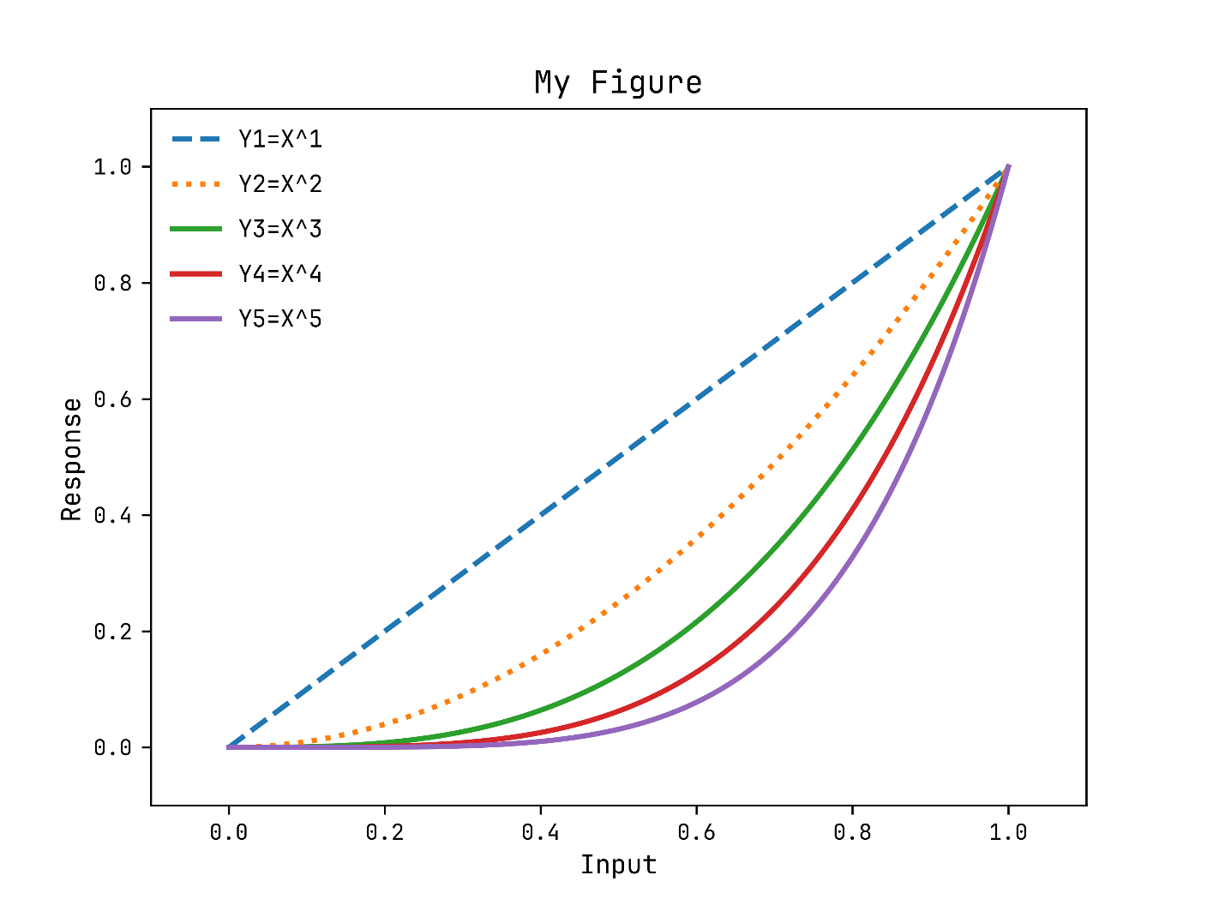
0.0007 | 0.0007 | 0.00000049 | 3.43E-10 | 2.401E-13 | 1.6807E-16 |  |  |  |  |  |  |  |  |  |  | Figure
0.0008 | 0.0008 | 0.00000064 | 5.12E-10 | 4.096E-13 | 3.2768E-16
0.0009 | 0.0009 | 0.00000081 | 7.29E-10 | 6.561E-13 | 5.9049E-16 |  |  |  |  |  |  |  |  |  |  | FigName
0.001 | 0.001 | 0.000001 | 0.000000001 | 1E-12 | 1E-15 |  |  |  |  |  |  |  |  |  |  | FigSeed
0.0011 | 0.0011 | 0.00000121 | 1.331E-09 | 1.4641E-12 | 1.61051E-15
0.0012 | 0.0012 | 0.00000144 | 1.728E-09 | 2.0736E-12 | 2.48832E-15
0.0013 | 0.0013 | 0.00000169 | 2.197E-09 | 2.8561E-12 | 3.71293E-15
0.0014 | 0.0014 | 0.00000196 | 2.744E-09 | 3.8416E-12 | 5.37824E-15
0.0015 | 0.0015 | 0.00000225 | 3.375E-09 | 5.0625E-12 | 7.59375E-15
0.0016 | 0.0016 | 0.00000256 | 4.096E-09 | 6.5536E-12 | 1.048576E-14
0.0017 | 0.0017 | 0.00000289 | 4.913E-09 | 8.3521E-12 | 1.419857E-14
0.0018 | 0.0018 | 0.00000324 | 5.832E-09 | 1.04976E-11 | 1.889568E-14
0.0019 | 0.0019 | 0.00000361 | 6.859E-09 | 1.30321E-11 | 2.476099E-14
0.002 | 0.002 | 0.000004 | 0.000000008 | 1.6E-11 | 3.2E-14
0.0021 | 0.0021 | 0.00000441 | 9.261E-09 | 1.94481E-11 | 4.084101E-14
0.0022 | 0.0022 | 0.00000484 | 1.0648E-08 | 2.34256E-11 | 5.153632E-14
0.0023 | 0.0023 | 0.00000529 | 1.2167E-08 | 2.79841E-11 | 6.436343E-14
0.0024 | 0.0024 | 0.00000576 | 1.3824E-08 | 3.31776E-11 | 7.962624E-14
0.0025 | 0.0025 | 0.00000625 | 1.5625E-08 | 3.90625E-11 | 9.765625E-14
0.0026 | 0.0026 | 0.00000676 | 1.7576E-08 | 4.56976E-11 | 1.1881376E-13
0.0027 | 0.0027 | 0.00000729 | 1.9683E-08 | 5.31441E-11 | 1.4348907E-13
0.0028 | 0.0028 | 0.00000784 | 2.1952E-08 | 6.14656E-11 | 1.7210368E-13 |  |  |  |  |  |  |  |  |  |  | Var1
0.0029 | 0.0029 | 0.00000841 | 2.4389E-08 | 7.07281E-11 | 2.0511149E-13
0.003 | 0.003 | 0.000009 | 0.000000027 | 8.1E-11 | 2.43E-13 |  |  |  |  |  |  |  |  |  |  | Var1 | Var2
0.0031 | 0.0031 | 0.00000961 | 2.9791E-08 | 9.23521E-11 | 2.8629151E-13 | Reset Seed |  | 1
0.0032 | 0.0032 | 0.00001024 | 3.2768E-08 | 1.048576E-10 | 3.3554432E-13 | Figure |  | PyObj<Sheet1$N$401184f742553d902866f699b098eda54114cd5df2adf08b0de141ab89a46531c5> | <class 'matplotlib.figure.Figure'>
0.0033 | 0.0033 | 0.00001089 | 3.5937E-08 | 1.185921E-10 | 3.9135393E-13 | Axes |  | PyObj<Sheet1$N$4193ed8d9287582ab2b197a7685601a1147f29abe6e80f924507b835ede5e48169>_0 | <class 'matplotlib.axes._axes.Axes'>
0.0034 | 0.0034 | 0.00001156 | 3.9304E-08 | 1.336336E-10 | 4.5435424E-13
0.0035 | 0.0035 | 0.00001225 | 4.2875E-08 | 1.500625E-10 | 5.2521875E-13
0.0036 | 0.0036 | 0.00001296 | 4.6656E-08 | 1.679616E-10 | 6.0466176E-13 | title |  | My Figure |  |  | Axes title set to 'My Figure'
0.0037 | 0.0037 | 0.00001369 | 5.0653E-08 | 1.874161E-10 | 6.9343957E-13 | xlabel |  | Input |  |  | X-axis label set to 'Input'.
0.0038 | 0.0038 | 0.00001444 | 5.4872E-08 | 2.085136E-10 | 7.9235168E-13 | ylabel |  | Response |  |  | Y-axis label set to 'Response'.
0.0039 | 0.0039 | 0.00001521 | 5.9319E-08 | 2.313441E-10 | 9.0224199E-13
0.004 | 0.004 | 0.000016 | 0.000000064 | 2.56E-10 | 1.024E-12 | xlims |  | -0.1 | 1.1 |  | X-axis limits set to [-0.1, 1.1].
0.0041 | 0.0041 | 0.00001681 | 6.8921E-08 | 2.825761E-10 | 1.15856201E-12 | ylims |  | -0.1 | 1.1 |  | Y-axis limits set to [-0.1, 1.1].
0.0042 | 0.0042 | 0.00001764 | 7.4088E-08 | 3.111696E-10 | 1.30691232E-12
0.0043 | 0.0043 | 0.00001849 | 7.9507E-08 | 3.418801E-10 | 1.47008443E-12 | loc |  | upper left
0.0044 | 0.0044 | 0.00001936 | 8.5184E-08 | 3.748096E-10 | 1.64916224E-12 | ncol |  | 1
0.0045 | 0.0045 | 0.00002025 | 9.1125E-08 | 4.100625E-10 | 1.84528125E-12 | frameon |  | FALSE
0.0046 | 0.0046 | 0.00002116 | 9.7336E-08 | 4.477456E-10 | 2.05962976E-12 | legend |  | PyObj<Sheet1$N$54073ff9c04fbd8a0d75e01a031a625e13d87287351d58d944a5e4b693faf17925> | <class 'matplotlib.legend.Legend'>
0.0047 | 0.0047 | 0.00002209 | 1.03823E-07 | 4.879681E-10 | 2.29345007E-12
0.0048 | 0.0048 | 0.00002304 | 1.10592E-07 | 5.308416E-10 | 2.54803968E-12 | FigName |  | figure1
0.0049 | 0.0049 | 0.00002401 | 1.17649E-07 | 5.764801E-10 | 2.82475249E-12 | FigSeed |  | -2.5808845331E+18
0.005 | 0.005 | 0.000025 | 0.000000125 | 6.25E-10 | 3.125E-12 | Format |  | png
0.0051 | 0.0051 | 0.00002601 | 1.32651E-07 | 6.765201E-10 | 3.45025251E-12
0.0052 | 0.0052 | 0.00002704 | 1.40608E-07 | 7.311616E-10 | 3.80204032E-12
0.0053 | 0.0053 | 0.00002809 | 1.48877E-07 | 7.890481E-10 | 4.18195493E-12
0.0054 | 0.0054 | 0.00002916 | 1.57464E-07 | 8.503056E-10 | 4.59165024E-12
0.0055 | 0.0055 | 0.00003025 | 1.66375E-07 | 9.150625E-10 | 5.03284375E-12
0.0056 | 0.0056 | 0.00003136 | 1.75616E-07 | 9.834496E-10 | 5.50731776E-12
0.0057 | 0.0057 | 0.00003249 | 1.85193E-07 | 1.0556001E-09 | 6.01692057E-12
0.0058 | 0.0058 | 0.00003364 | 1.95112E-07 | 1.1316496E-09 | 6.56356768E-12
0.0059 | 0.0059 | 0.00003481 | 2.05379E-07 | 1.2117361E-09 | 7.14924299E-12
0.006 | 0.006 | 0.000036 | 0.000000216 | 1.296E-09 | 7.776E-12
0.0061 | 0.0061 | 0.00003721 | 2.26981E-07 | 1.3845841E-09 | 8.44596301E-12
0.0062 | 0.0062 | 0.00003844 | 2.38328E-07 | 1.4776336E-09 | 9.16132832E-12
0.0063 | 0.0063 | 0.00003969 | 2.50047E-07 | 1.5752961E-09 | 9.92436543E-12
0.0064 | 0.0064 | 0.00004096 | 2.62144E-07 | 1.6777216E-09 | 1.073741824E-11
0.0065 | 0.0065 | 0.00004225 | 2.74625E-07 | 1.7850625E-09 | 1.160290625E-11
0.0066 | 0.0066 | 0.00004356 | 2.87496E-07 | 1.8974736E-09 | 1.252332576E-11
0.0067 | 0.0067 | 0.00004489 | 3.00763E-07 | 2.0151121E-09 | 1.350125107E-11
0.0068 | 0.0068 | 0.00004624 | 3.14432E-07 | 2.1381376E-09 | 1.453933568E-11
0.0069 | 0.0069 | 0.00004761 | 3.28509E-07 | 2.2667121E-09 | 1.564031349E-11
0.007 | 0.007 | 0.000049 | 0.000000343 | 2.401E-09 | 1.6807E-11
0.0071 | 0.0071 | 0.00005041 | 3.57911E-07 | 2.5411681E-09 | 1.804229351E-11
0.0072 | 0.0072 | 0.00005184 | 3.73248E-07 | 2.6873856E-09 | 1.934917632E-11
0.0073 | 0.0073 | 0.00005329 | 3.89017E-07 | 2.8398241E-09 | 2.073071593E-11
0.0074 | 0.0074 | 0.00005476 | 4.05224E-07 | 2.9986576E-09 | 2.219006624E-11
0.0075 | 0.0075 | 0.00005625 | 4.21875E-07 | 3.1640625E-09 | 2.373046875E-11
0.0076 | 0.0076 | 0.00005776 | 4.38976E-07 | 3.3362176E-09 | 2.535525376E-11
0.0077 | 0.0077 | 0.00005929 | 4.56533E-07 | 3.5153041E-09 | 2.706784157E-11
0.0078 | 0.0078 | 0.00006084 | 4.74552E-07 | 3.7015056E-09 | 2.887174368E-11
0.0079 | 0.0079 | 0.00006241 | 4.93039E-07 | 3.8950081E-09 | 3.077056399E-11
0.008 | 0.008 | 0.000064 | 0.000000512 | 4.096E-09 | 3.2768E-11
0.0081 | 0.0081 | 0.00006561 | 5.31441E-07 | 4.3046721E-09 | 3.486784401E-11
0.0082 | 0.0082 | 0.00006724 | 5.51368E-07 | 4.5212176E-09 | 3.707398432E-11
0.0083 | 0.0083 | 0.00006889 | 5.71787E-07 | 4.7458321E-09 | 3.939040643E-11
0.0084 | 0.0084 | 0.00007056 | 5.92704E-07 | 4.9787136E-09 | 4.182119424E-11
0.0085 | 0.0085 | 0.00007225 | 6.14125E-07 | 5.2200625E-09 | 4.437053125E-11
0.0086 | 0.0086 | 0.00007396 | 6.36056E-07 | 5.4700816E-09 | 4.704270176E-11
0.0087 | 0.0087 | 0.00007569 | 6.58503E-07 | 5.7289761E-09 | 4.984209207E-11
0.0088 | 0.0088 | 0.00007744 | 6.81472E-07 | 5.9969536E-09 | 5.277319168E-11
0.0089 | 0.0089 | 0.00007921 | 7.04969E-07 | 6.2742241E-09 | 5.584059449E-11
0.009 | 0.009 | 0.000081 | 0.000000729 | 6.561E-09 | 5.9049E-11
0.0091 | 0.0091 | 0.00008281 | 7.53571E-07 | 6.8574961E-09 | 6.240321451E-11
0.0092 | 0.0092 | 0.00008464 | 7.78688E-07 | 7.1639296E-09 | 6.590815232E-11
0.0093 | 0.0093 | 0.00008649 | 8.04357E-07 | 7.4805201E-09 | 6.956883693E-11
0.0094 | 0.0094 | 0.00008836 | 8.30584E-07 | 7.8074896E-09 | 7.339040224E-11
0.0095 | 0.0095 | 0.00009025 | 8.57375E-07 | 8.1450625E-09 | 7.737809375E-11
0.0096 | 0.0096 | 0.00009216 | 8.84736E-07 | 8.4934656E-09 | 8.153726976E-11
0.0097 | 0.0097 | 0.00009409 | 9.12673E-07 | 8.8529281E-09 | 8.587340257E-11
0.0098 | 0.0098 | 0.00009604 | 9.41192E-07 | 9.2236816E-09 | 9.039207968E-11
0.0099 | 0.0099 | 0.00009801 | 9.70299E-07 | 9.6059601E-09 | 9.509900499E-11
0.01 | 0.01 | 0.0001 | 0.000001 | 0.00000001 | 1E-10
0.0101 | 0.0101 | 0.00010201 | 1.030301E-06 | 1.04060401E-08 | 1.0510100501E-10
0.0102 | 0.0102 | 0.00010404 | 1.061208E-06 | 1.08243216E-08 | 1.1040808032E-10
0.0103 | 0.0103 | 0.00010609 | 1.092727E-06 | 1.12550881E-08 | 1.1592740743E-10
0.0104 | 0.0104 | 0.00010816 | 1.124864E-06 | 1.16985856E-08 | 1.2166529024E-10
0.0105 | 0.0105 | 0.00011025 | 1.157625E-06 | 1.21550625E-08 | 1.2762815625E-10
0.0106 | 0.0106 | 0.00011236 | 1.191016E-06 | 1.26247696E-08 | 1.3382255776E-10
0.0107 | 0.0107 | 0.00011449 | 1.225043E-06 | 1.31079601E-08 | 1.4025517307E-10
0.0108 | 0.0108 | 0.00011664 | 1.259712E-06 | 1.36048896E-08 | 1.4693280768E-10
0.0109 | 0.0109 | 0.00011881 | 1.295029E-06 | 1.41158161E-08 | 1.5386239549E-10
0.011 | 0.011 | 0.000121 | 0.000001331 | 1.4641E-08 | 1.61051E-10
0.0111 | 0.0111 | 0.00012321 | 1.367631E-06 | 1.51807041E-08 | 1.6850581551E-10
0.0112 | 0.0112 | 0.00012544 | 1.404928E-06 | 1.57351936E-08 | 1.7623416832E-10
0.0113 | 0.0113 | 0.00012769 | 1.442897E-06 | 1.63047361E-08 | 1.8424351793E-10
0.0114 | 0.0114 | 0.00012996 | 1.481544E-06 | 1.68896016E-08 | 1.9254145824E-10
0.0115 | 0.0115 | 0.00013225 | 1.520875E-06 | 1.74900625E-08 | 2.0113571875E-10
0.0116 | 0.0116 | 0.00013456 | 1.560896E-06 | 1.81063936E-08 | 2.1003416576E-10
0.0117 | 0.0117 | 0.00013689 | 1.601613E-06 | 1.87388721E-08 | 2.1924480357E-10
0.0118 | 0.0118 | 0.00013924 | 1.643032E-06 | 1.93877776E-08 | 2.2877577568E-10
0.0119 | 0.0119 | 0.00014161 | 1.685159E-06 | 2.00533921E-08 | 2.3863536599E-10
0.012 | 0.012 | 0.000144 | 0.000001728 | 2.0736E-08 | 2.48832E-10
0.0121 | 0.0121 | 0.00014641 | 1.771561E-06 | 2.14358881E-08 | 2.5937424601E-10
0.0122 | 0.0122 | 0.00014884 | 1.815848E-06 | 2.21533456E-08 | 2.7027081632E-10
0.0123 | 0.0123 | 0.00015129 | 1.860867E-06 | 2.28886641E-08 | 2.8153056843E-10
0.0124 | 0.0124 | 0.00015376 | 1.906624E-06 | 2.36421376E-08 | 2.9316250624E-10
0.0125 | 0.0125 | 0.00015625 | 1.953125E-06 | 2.44140625E-08 | 3.0517578125E-10
0.0126 | 0.0126 | 0.00015876 | 2.000376E-06 | 2.52047376E-08 | 3.1757969376E-10
0.0127 | 0.0127 | 0.00016129 | 2.048383E-06 | 2.60144641E-08 | 3.3038369407E-10
0.0128 | 0.0128 | 0.00016384 | 2.097152E-06 | 2.68435456E-08 | 3.4359738368E-10
0.0129 | 0.0129 | 0.00016641 | 2.146689E-06 | 2.76922881E-08 | 3.5723051649E-10
0.013 | 0.013 | 0.000169 | 0.000002197 | 2.8561E-08 | 3.71293E-10
0.0131 | 0.0131 | 0.00017161 | 2.248091E-06 | 2.94499921E-08 | 3.8579489651E-10
0.0132 | 0.0132 | 0.00017424 | 2.299968E-06 | 3.03595776E-08 | 4.0074642432E-10
0.0133 | 0.0133 | 0.00017689 | 2.352637E-06 | 3.12900721E-08 | 4.1615795893E-10
0.0134 | 0.0134 | 0.00017956 | 2.406104E-06 | 3.22417936E-08 | 4.3204003424E-10
0.0135 | 0.0135 | 0.00018225 | 2.460375E-06 | 3.32150625E-08 | 4.4840334375E-10
0.0136 | 0.0136 | 0.00018496 | 2.515456E-06 | 3.42102016E-08 | 4.6525874176E-10
0.0137 | 0.0137 | 0.00018769 | 2.571353E-06 | 3.52275361E-08 | 4.8261724457E-10
0.0138 | 0.0138 | 0.00019044 | 2.628072E-06 | 3.62673936E-08 | 5.0049003168E-10
0.0139 | 0.0139 | 0.00019321 | 2.685619E-06 | 3.73301041E-08 | 5.1888844699E-10
0.014 | 0.014 | 0.000196 | 0.000002744 | 3.8416E-08 | 5.37824E-10
0.0141 | 0.0141 | 0.00019881 | 2.803221E-06 | 3.95254161E-08 | 5.5730836701E-10
0.0142 | 0.0142 | 0.00020164 | 2.863288E-06 | 4.06586896E-08 | 5.7735339232E-10
0.0143 | 0.0143 | 0.00020449 | 2.924207E-06 | 4.18161601E-08 | 5.9797108943E-10
0.0144 | 0.0144 | 0.00020736 | 2.985984E-06 | 4.29981696E-08 | 6.1917364224E-10
0.0145 | 0.0145 | 0.00021025 | 3.048625E-06 | 4.42050625E-08 | 6.4097340625E-10
0.0146 | 0.0146 | 0.00021316 | 3.112136E-06 | 4.54371856E-08 | 6.6338290976E-10
0.0147 | 0.0147 | 0.00021609 | 3.176523E-06 | 4.66948881E-08 | 6.8641485507E-10
0.0148 | 0.0148 | 0.00021904 | 3.241792E-06 | 4.79785216E-08 | 7.1008211968E-10
0.0149 | 0.0149 | 0.00022201 | 3.307949E-06 | 4.92884401E-08 | 7.3439775749E-10
0.015 | 0.015 | 0.000225 | 0.000003375 | 5.0625E-08 | 7.59375E-10
0.0151 | 0.0151 | 0.00022801 | 3.442951E-06 | 5.19885601E-08 | 7.8502725751E-10
0.0152 | 0.0152 | 0.00023104 | 3.511808E-06 | 5.33794816E-08 | 8.1136812032E-10
0.0153 | 0.0153 | 0.00023409 | 3.581577E-06 | 5.47981281E-08 | 8.3841135993E-10
0.0154 | 0.0154 | 0.00023716 | 3.652264E-06 | 5.62448656E-08 | 8.6617093024E-10
0.0155 | 0.0155 | 0.00024025 | 3.723875E-06 | 5.77200625E-08 | 8.9466096875E-10
0.0156 | 0.0156 | 0.00024336 | 3.796416E-06 | 5.92240896E-08 | 9.2389579776E-10
0.0157 | 0.0157 | 0.00024649 | 3.869893E-06 | 6.07573201E-08 | 9.5388992557E-10
0.0158 | 0.0158 | 0.00024964 | 3.944312E-06 | 6.23201296E-08 | 9.8465804768E-10
0.0159 | 0.0159 | 0.00025281 | 4.019679E-06 | 6.39128961E-08 | 1.016215048E-09
0.016 | 0.016 | 0.000256 | 0.000004096 | 6.5536E-08 | 1.048576E-09
0.0161 | 0.0161 | 0.00025921 | 4.173281E-06 | 6.71898241E-08 | 1.081756168E-09
0.0162 | 0.0162 | 0.00026244 | 4.251528E-06 | 6.88747536E-08 | 1.1157710083E-09
0.0163 | 0.0163 | 0.00026569 | 4.330747E-06 | 7.05911761E-08 | 1.1506361704E-09
0.0164 | 0.0164 | 0.00026896 | 4.410944E-06 | 7.23394816E-08 | 1.1863674982E-09
0.0165 | 0.0165 | 0.00027225 | 4.492125E-06 | 7.41200625E-08 | 1.2229810312E-09
0.0166 | 0.0166 | 0.00027556 | 4.574296E-06 | 7.59333136E-08 | 1.2604930058E-09
0.0167 | 0.0167 | 0.00027889 | 4.657463E-06 | 7.77796321E-08 | 1.2989198561E-09
0.0168 | 0.0168 | 0.00028224 | 4.741632E-06 | 7.96594176E-08 | 1.3382782157E-09
0.0169 | 0.0169 | 0.00028561 | 4.826809E-06 | 8.15730721E-08 | 1.3785849185E-09
0.017 | 0.017 | 0.000289 | 0.000004913 | 8.3521E-08 | 1.419857E-09
0.0171 | 0.0171 | 0.00029241 | 5.000211E-06 | 8.55036081E-08 | 1.4621116985E-09
0.0172 | 0.0172 | 0.00029584 | 5.088448E-06 | 8.75213056E-08 | 1.5053664563E-09
0.0173 | 0.0173 | 0.00029929 | 5.177717E-06 | 8.95745041E-08 | 1.5496389209E-09
0.0174 | 0.0174 | 0.00030276 | 5.268024E-06 | 9.16636176E-08 | 1.5949469462E-09
0.0175 | 0.0175 | 0.00030625 | 5.359375E-06 | 9.37890625E-08 | 1.6413085937E-09
0.0176 | 0.0176 | 0.00030976 | 5.451776E-06 | 9.59512576E-08 | 1.6887421338E-09
0.0177 | 0.0177 | 0.00031329 | 5.545233E-06 | 9.81506241E-08 | 1.7372660466E-09
0.0178 | 0.0178 | 0.00031684 | 5.639752E-06 | 1.003875856E-07 | 1.7868990237E-09
0.0179 | 0.0179 | 0.00032041 | 5.735339E-06 | 1.026625681E-07 | 1.837659969E-09
0.018 | 0.018 | 0.000324 | 0.000005832 | 1.04976E-07 | 1.889568E-09
0.0181 | 0.0181 | 0.00032761 | 5.929741E-06 | 1.073283121E-07 | 1.942642449E-09
0.0182 | 0.0182 | 0.00033124 | 6.028568E-06 | 1.097199376E-07 | 1.9969028643E-09
0.0183 | 0.0183 | 0.00033489 | 6.128487E-06 | 1.121513121E-07 | 2.0523690114E-09
0.0184 | 0.0184 | 0.00033856 | 6.229504E-06 | 1.146228736E-07 | 2.1090608742E-09
0.0185 | 0.0185 | 0.00034225 | 6.331625E-06 | 1.171350625E-07 | 2.1669986562E-09
0.0186 | 0.0186 | 0.00034596 | 6.434856E-06 | 1.196883216E-07 | 2.2262027818E-09
0.0187 | 0.0187 | 0.00034969 | 6.539203E-06 | 1.222830961E-07 | 2.2866938971E-09
0.0188 | 0.0188 | 0.00035344 | 6.644672E-06 | 1.249198336E-07 | 2.3484928717E-09
0.0189 | 0.0189 | 0.00035721 | 6.751269E-06 | 1.275989841E-07 | 2.4116207995E-09
0.019 | 0.019 | 0.000361 | 0.000006859 | 1.30321E-07 | 2.476099E-09
0.0191 | 0.0191 | 0.00036481 | 6.967871E-06 | 1.330863361E-07 | 2.5419490195E-09
0.0192 | 0.0192 | 0.00036864 | 7.077888E-06 | 1.358954496E-07 | 2.6091926323E-09
0.0193 | 0.0193 | 0.00037249 | 7.189057E-06 | 1.387488001E-07 | 2.6778518419E-09
0.0194 | 0.0194 | 0.00037636 | 7.301384E-06 | 1.416468496E-07 | 2.7479488822E-09
0.0195 | 0.0195 | 0.00038025 | 7.414875E-06 | 1.445900625E-07 | 2.8195062187E-09
0.0196 | 0.0196 | 0.00038416 | 7.529536E-06 | 1.475789056E-07 | 2.8925465498E-09
0.0197 | 0.0197 | 0.00038809 | 7.645373E-06 | 1.506138481E-07 | 2.9670928076E-09
0.0198 | 0.0198 | 0.00039204 | 7.762392E-06 | 1.536953616E-07 | 3.0431681597E-09
0.0199 | 0.0199 | 0.00039601 | 7.880599E-06 | 1.568239201E-07 | 3.12079601E-09
0.02 | 0.02 | 0.0004 | 0.000008 | 0.00000016 | 3.2E-09
0.0201 | 0.0201 | 0.00040401 | 8.120601E-06 | 1.632240801E-07 | 3.28080401E-09
0.0202 | 0.0202 | 0.00040804 | 8.242408E-06 | 1.664966416E-07 | 3.3632321603E-09
0.0203 | 0.0203 | 0.00041209 | 8.365427E-06 | 1.698181681E-07 | 3.4473088124E-09
0.0204 | 0.0204 | 0.00041616 | 8.489664E-06 | 1.731891456E-07 | 3.5330585702E-09
0.0205 | 0.0205 | 0.00042025 | 8.615125E-06 | 1.766100625E-07 | 3.6205062812E-09
0.0206 | 0.0206 | 0.00042436 | 8.741816E-06 | 1.800814096E-07 | 3.7096770378E-09
0.0207 | 0.0207 | 0.00042849 | 8.869743E-06 | 1.836036801E-07 | 3.8005961781E-09
0.0208 | 0.0208 | 0.00043264 | 8.998912E-06 | 1.871773696E-07 | 3.8932892877E-09
0.0209 | 0.0209 | 0.00043681 | 9.129329E-06 | 1.908029761E-07 | 3.9877822005E-09
0.021 | 0.021 | 0.000441 | 0.000009261 | 1.94481E-07 | 4.084101E-09
0.0211 | 0.0211 | 0.00044521 | 9.393931E-06 | 1.982119441E-07 | 4.1822720205E-09
0.0212 | 0.0212 | 0.00044944 | 9.528128E-06 | 2.019963136E-07 | 4.2823218483E-09
0.0213 | 0.0213 | 0.00045369 | 9.663597E-06 | 2.058346161E-07 | 4.3842773229E-09
0.0214 | 0.0214 | 0.00045796 | 9.800344E-06 | 2.097273616E-07 | 4.4881655382E-09
0.0215 | 0.0215 | 0.00046225 | 9.938375E-06 | 2.136750625E-07 | 4.5940138437E-09
0.0216 | 0.0216 | 0.00046656 | 1.0077696E-05 | 2.176782336E-07 | 4.7018498458E-09
0.0217 | 0.0217 | 0.00047089 | 1.0218313E-05 | 2.217373921E-07 | 4.8117014086E-09
0.0218 | 0.0218 | 0.00047524 | 1.0360232E-05 | 2.258530576E-07 | 4.9235966557E-09
0.0219 | 0.0219 | 0.00047961 | 1.0503459E-05 | 2.300257521E-07 | 5.037563971E-09
0.022 | 0.022 | 0.000484 | 0.000010648 | 2.34256E-07 | 5.153632E-09
0.0221 | 0.0221 | 0.00048841 | 1.0793861E-05 | 2.385443281E-07 | 5.271829651E-09
0.0222 | 0.0222 | 0.00049284 | 1.0941048E-05 | 2.428912656E-07 | 5.3921860963E-09
0.0223 | 0.0223 | 0.00049729 | 1.1089567E-05 | 2.472973441E-07 | 5.5147307734E-09
0.0224 | 0.0224 | 0.00050176 | 1.1239424E-05 | 2.517630976E-07 | 5.6394933862E-09
0.0225 | 0.0225 | 0.00050625 | 1.1390625E-05 | 2.562890625E-07 | 5.7665039062E-09
0.0226 | 0.0226 | 0.00051076 | 1.1543176E-05 | 2.608757776E-07 | 5.8957925738E-09
0.0227 | 0.0227 | 0.00051529 | 1.1697083E-05 | 2.655237841E-07 | 6.0273898991E-09
0.0228 | 0.0228 | 0.00051984 | 1.1852352E-05 | 2.702336256E-07 | 6.1613266637E-09
0.0229 | 0.0229 | 0.00052441 | 1.2008989E-05 | 2.750058481E-07 | 6.2976339215E-09
0.023 | 0.023 | 0.000529 | 0.000012167 | 2.79841E-07 | 6.436343E-09
0.0231 | 0.0231 | 0.00053361 | 1.2326391E-05 | 2.847396321E-07 | 6.5774855015E-09
0.0232 | 0.0232 | 0.00053824 | 1.2487168E-05 | 2.897022976E-07 | 6.7210933043E-09
0.0233 | 0.0233 | 0.00054289 | 1.2649337E-05 | 2.947295521E-07 | 6.8671985639E-09
0.0234 | 0.0234 | 0.00054756 | 1.2812904E-05 | 2.998219536E-07 | 7.0158337142E-09
0.0235 | 0.0235 | 0.00055225 | 1.2977875E-05 | 3.049800625E-07 | 7.1670314687E-09
0.0236 | 0.0236 | 0.00055696 | 1.3144256E-05 | 3.102044416E-07 | 7.3208248218E-09
0.0237 | 0.0237 | 0.00056169 | 1.3312053E-05 | 3.154956561E-07 | 7.4772470496E-09
0.0238 | 0.0238 | 0.00056644 | 1.3481272E-05 | 3.208542736E-07 | 7.6363317117E-09
0.0239 | 0.0239 | 0.00057121 | 1.3651919E-05 | 3.262808641E-07 | 7.798112652E-09
0.024 | 0.024 | 0.000576 | 0.000013824 | 3.31776E-07 | 7.962624E-09
0.0241 | 0.0241 | 0.00058081 | 1.3997521E-05 | 3.373402561E-07 | 8.129900172E-09
0.0242 | 0.0242 | 0.00058564 | 1.4172488E-05 | 3.429742096E-07 | 8.2999758723E-09
0.0243 | 0.0243 | 0.00059049 | 1.4348907E-05 | 3.486784401E-07 | 8.4728860944E-09
0.0244 | 0.0244 | 0.00059536 | 1.4526784E-05 | 3.544535296E-07 | 8.6486661222E-09
0.0245 | 0.0245 | 0.00060025 | 1.4706125E-05 | 3.603000625E-07 | 8.8273515312E-09
0.0246 | 0.0246 | 0.00060516 | 1.4886936E-05 | 3.662186256E-07 | 9.0089781898E-09
0.0247 | 0.0247 | 0.00061009 | 1.5069223E-05 | 3.722098081E-07 | 9.1935822601E-09
0.0248 | 0.0248 | 0.00061504 | 1.5252992E-05 | 3.782742016E-07 | 9.3812001997E-09
0.0249 | 0.0249 | 0.00062001 | 1.5438249E-05 | 3.844124001E-07 | 9.5718687625E-09
0.025 | 0.025 | 0.000625 | 0.000015625 | 3.90625E-07 | 9.765625E-09
0.0251 | 0.0251 | 0.00063001 | 1.5813251E-05 | 3.969126001E-07 | 9.9625062625E-09
0.0252 | 0.0252 | 0.00063504 | 1.6003008E-05 | 4.032758016E-07 | 1.01625502E-08
0.0253 | 0.0253 | 0.00064009 | 1.6194277E-05 | 4.097152081E-07 | 1.0365794765E-08
0.0254 | 0.0254 | 0.00064516 | 1.6387064E-05 | 4.162314256E-07 | 1.057227821E-08
...

Sheet2
...
 | Figsize_mm |  | 150 | 150

 | Figure |  | PyObj<Sheet2$E$1600328145ddbdcb53fc6ed393d2058a80b50f5af67cbaebd8d941afab2335984b> | <class 'matplotlib.figure.Figure'>

 | FigName |  | figure1
 | FigSeed |  | -8.6057545054E+18
 | Format |  | svg

 | Show
 | PyObj<Sheet2$C$23205037643c1deeeec7200a8f55c0d44b4553b71c167d8ef056e9c8e425e98b88> | <class 'xlpro._types.xlproImage'>
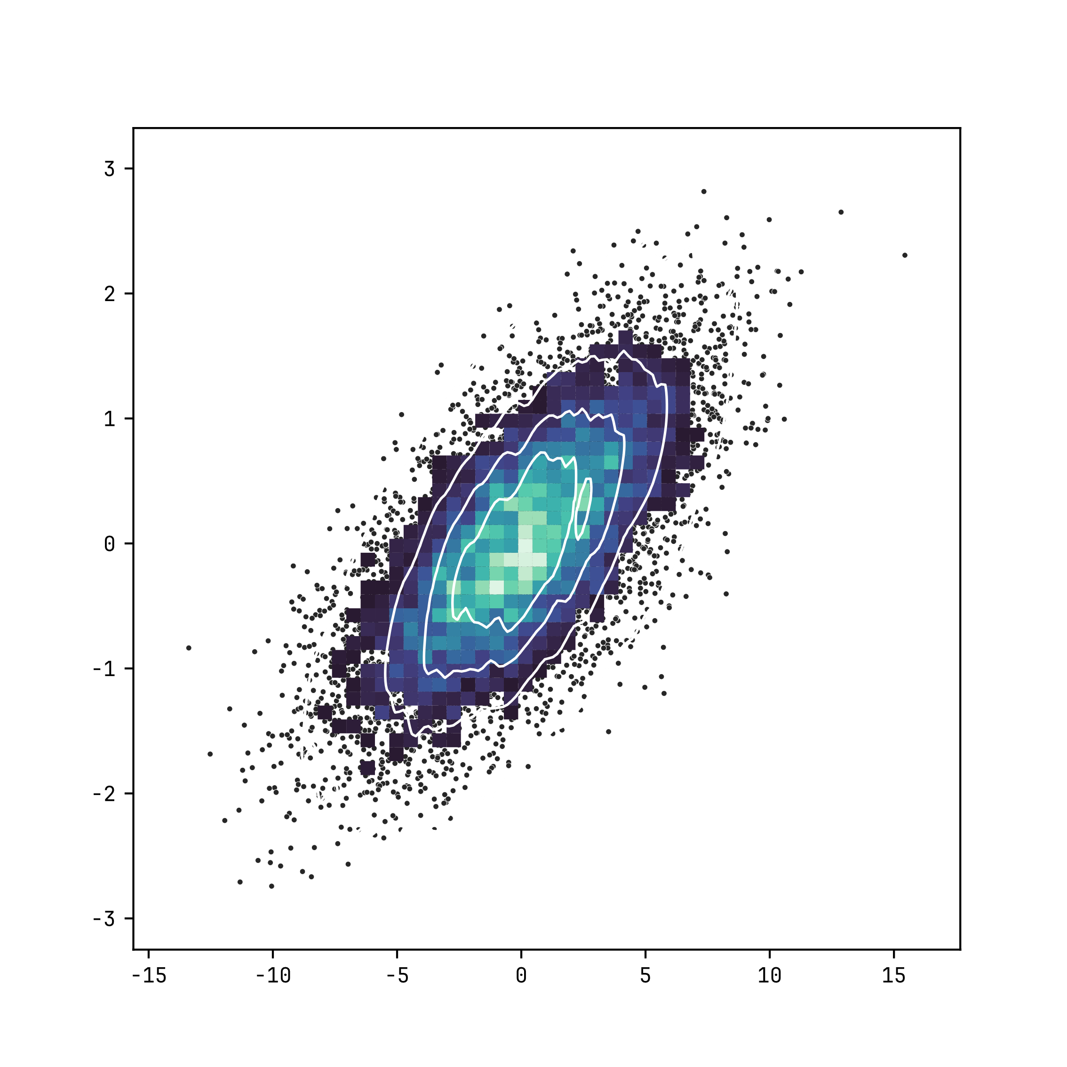

Adapted from seaborn.pydata.org
https://seaborn.pydata.org/examples/layered_bivariate_plot.html#bivariate-plot-with-multiple-elements

