ex1
 |  |  |  |  |  |  |  |  |  | 3 | PyObj<ex1$Q$24c0e8aacb3d475b2ac450f12c115bf11a1c57b1beb6d4a0a50d94d04dc85fdc6> | <class 'matplotlib.figure.Figure'>
 | Days | 1800 | fetch yfinance data for this period |  |  |  |  |  |  |  | PyObj<ex1$Q$32c2e8ea839c934030be7b58f5e4277f9472910a03434a6c6b8d9c117a8fbcbdf>_0 | <class 'matplotlib.axes._axes.Axes'>

 | Ticker | df | df.Date | df.Close | df.Close.TICKER | 0th | normalised |  |  |  | Label | x | y(normalised)
 | AAPL | OSError(22, 'Invalid argument') | Promise<PENDING_PREDECENTS> | Promise<PENDING_PREDECENTS> | Promise<PENDING_PREDECENTS> | Promise<PENDING_PREDECENTS> | Promise<PENDING_PREDECENTS> | Promise<PENDING_PREDECENTS> |  |  | AAPL | Promise<PENDING_PREDECENTS> | Promise<PENDING_PREDECENTS> | Promise<PENDING_PREDECENTS> | -- | PyObj<ex1$W$67ee01c1fce27ae26319f696aa9518185da5d89bae52e86e5e1670f807c17ca9e>_0 | 1 | [255 127 14] | Color Pallette
 | MSFT |  | Promise<PENDING_PREDECENTS> | Promise<PENDING_PREDECENTS> | Promise<PENDING_PREDECENTS> | Promise<PENDING_PREDECENTS> | Promise<PENDING_PREDECENTS> | Promise<PENDING_PREDECENTS> |  |  | MSFT | Promise<PENDING_PREDECENTS> | Promise<PENDING_PREDECENTS> | Promise<PENDING_PREDECENTS> | - | PyObj<ex1$W$7a7459bde3f11791daa679ff7798482af47947036adfb3f4622d2ea58aac461bf>_0 | 9 | [ 23 190 207] | PyObj<ex1$AA$79d4cb1dca5512f32debcbedcaf470e7c3b80796f2c1c13ee4ca5ae808f88d2bc> | <class 'list'>
 | GOOG |  | Promise<PENDING_PREDECENTS> | Promise<PENDING_PREDECENTS> | Promise<PENDING_PREDECENTS> | Promise<PENDING_PREDECENTS> | Promise<PENDING_PREDECENTS> | Promise<PENDING_PREDECENTS> |  |  | GOOG | Promise<PENDING_PREDECENTS> | Promise<PENDING_PREDECENTS> | Promise<PENDING_PREDECENTS> | - | PyObj<ex1$W$893f41f94b2e7fefdd25d841e21442abfbc3a766cf9771abdc0ea45d6bea14cd5>_0 | 2 | [ 44 160 44]
 | AMZN |  | Promise<PENDING_PREDECENTS> | Promise<PENDING_PREDECENTS> | Promise<PENDING_PREDECENTS> | Promise<PENDING_PREDECENTS> | Promise<PENDING_PREDECENTS> | Promise<PENDING_PREDECENTS> |  |  | AMZN | Promise<PENDING_PREDECENTS> | Promise<PENDING_PREDECENTS> | Promise<PENDING_PREDECENTS> | - | PyObj<ex1$W$9c064527bf874deee129a865854224ac78509fa15f6cfd6e2d140bae08494c354>_0 | 3 | [214 39 40]
 | NVDA |  | Promise<PENDING_PREDECENTS> | Promise<PENDING_PREDECENTS> | Promise<PENDING_PREDECENTS> | Promise<PENDING_PREDECENTS> | Promise<PENDING_PREDECENTS> | Promise<PENDING_PREDECENTS> |  |  | NVDA | Promise<PENDING_PREDECENTS> | Promise<PENDING_PREDECENTS> | Promise<PENDING_PREDECENTS> | - | PyObj<ex1$W$101e8ec881671dfcaccfcee3ae56ecc781e62d6bec891a1daaf90650d452d5b11e>_0 | 4 | [148 103 189]
 | TSLA |  | Promise<PENDING_PREDECENTS> | Promise<PENDING_PREDECENTS> | Promise<PENDING_PREDECENTS> | Promise<PENDING_PREDECENTS> | Promise<PENDING_PREDECENTS> | Promise<PENDING_PREDECENTS> |  |  | TSLA | Promise<PENDING_PREDECENTS> | Promise<PENDING_PREDECENTS> | Promise<PENDING_PREDECENTS> | - | PyObj<ex1$W$116c8e3119fd2a31d7c663b4ff7fd8d0a672b31310649c86d59b20f9b55a467ab6>_0 | 5 | [140 86 75]
 | META |  | Promise<PENDING_PREDECENTS> | Promise<PENDING_PREDECENTS> | Promise<PENDING_PREDECENTS> | Promise<PENDING_PREDECENTS> | Promise<PENDING_PREDECENTS> | Promise<PENDING_PREDECENTS> |  |  | META | Promise<PENDING_PREDECENTS> | Promise<PENDING_PREDECENTS> | Promise<PENDING_PREDECENTS> | - | PyObj<ex1$W$1299795d7e367b278317936f6cb96d628fbfdba432005bc97446bf099c53ad21e7>_0 | 6 | [227 119 194]
 | NFLX |  | Promise<PENDING_PREDECENTS> | Promise<PENDING_PREDECENTS> | Promise<PENDING_PREDECENTS> | Promise<PENDING_PREDECENTS> | Promise<PENDING_PREDECENTS> | Promise<PENDING_PREDECENTS> |  |  | NFLX | Promise<PENDING_PREDECENTS> | Promise<PENDING_PREDECENTS> | Promise<PENDING_PREDECENTS> | - | PyObj<ex1$W$13ed1156d890f9da46f083c0130b0e5ebc1762120148b6015386de04ae94995ef4>_0 | 7 | [127 127 127]
 | AMD |  | Promise<PENDING_PREDECENTS> | Promise<PENDING_PREDECENTS> | Promise<PENDING_PREDECENTS> | Promise<PENDING_PREDECENTS> | Promise<PENDING_PREDECENTS> | Promise<PENDING_PREDECENTS> |  |  | AMD | Promise<PENDING_PREDECENTS> | Promise<PENDING_PREDECENTS> | Promise<PENDING_PREDECENTS> | - | PyObj<ex1$W$14c3c4e483ec9e52bc43dee1665dc97ab027915500156033298badc0c97e96c3b6>_0 | 8 | [188 189 34]
 | INTC |  | Promise<PENDING_PREDECENTS> | Promise<PENDING_PREDECENTS> | Promise<PENDING_PREDECENTS> | Promise<PENDING_PREDECENTS> | Promise<PENDING_PREDECENTS> | Promise<PENDING_PREDECENTS> |  |  | INTC | Promise<PENDING_PREDECENTS> | Promise<PENDING_PREDECENTS> | Promise<PENDING_PREDECENTS> | - | PyObj<ex1$W$15a7459bde3f11791daa679ff7798482af47947036adfb3f4622d2ea58aac461bf>_0 | 9 | [ 23 190 207]
 | BABA |  | Promise<PENDING_PREDECENTS> | Promise<PENDING_PREDECENTS> | Promise<PENDING_PREDECENTS> | Promise<PENDING_PREDECENTS> | Promise<PENDING_PREDECENTS> | Promise<PENDING_PREDECENTS> |  |  | BABA | Promise<PENDING_PREDECENTS> | Promise<PENDING_PREDECENTS> | Promise<PENDING_PREDECENTS> | -- | PyObj<ex1$W$16372eed4edb8e5e946babdf0d18df660c78b7329cfc7c38f23065c95d07e94dfa>_0 | 0 | [ 31 119 180]
 | CRM |  | Promise<PENDING_PREDECENTS> | Promise<PENDING_PREDECENTS> | Promise<PENDING_PREDECENTS> | Promise<PENDING_PREDECENTS> | Promise<PENDING_PREDECENTS> | Promise<PENDING_PREDECENTS> |  |  | CRM | Promise<PENDING_PREDECENTS> | Promise<PENDING_PREDECENTS> | Promise<PENDING_PREDECENTS> | -- | PyObj<ex1$W$177ee01c1fce27ae26319f696aa9518185da5d89bae52e86e5e1670f807c17ca9e>_0 | 1 | [255 127 14]
 | ADBE |  | Promise<PENDING_PREDECENTS> | Promise<PENDING_PREDECENTS> | Promise<PENDING_PREDECENTS> | Promise<PENDING_PREDECENTS> | Promise<PENDING_PREDECENTS> | Promise<PENDING_PREDECENTS> |  |  | ADBE | Promise<PENDING_PREDECENTS> | Promise<PENDING_PREDECENTS> | Promise<PENDING_PREDECENTS> | -- | PyObj<ex1$W$1893f41f94b2e7fefdd25d841e21442abfbc3a766cf9771abdc0ea45d6bea14cd5>_0 | 2 | [ 44 160 44]
 | ORCL |  | Promise<PENDING_PREDECENTS> | Promise<PENDING_PREDECENTS> | Promise<PENDING_PREDECENTS> | Promise<PENDING_PREDECENTS> | Promise<PENDING_PREDECENTS> | Promise<PENDING_PREDECENTS> |  |  | ORCL | Promise<PENDING_PREDECENTS> | Promise<PENDING_PREDECENTS> | Promise<PENDING_PREDECENTS> | -- | PyObj<ex1$W$19c064527bf874deee129a865854224ac78509fa15f6cfd6e2d140bae08494c354>_0 | 3 | [214 39 40]
 | PYPL |  | Promise<PENDING_PREDECENTS> | Promise<PENDING_PREDECENTS> | Promise<PENDING_PREDECENTS> | Promise<PENDING_PREDECENTS> | Promise<PENDING_PREDECENTS> | Promise<PENDING_PREDECENTS> |  |  | PYPL | Promise<PENDING_PREDECENTS> | Promise<PENDING_PREDECENTS> | Promise<PENDING_PREDECENTS> | -- | PyObj<ex1$W$201e8ec881671dfcaccfcee3ae56ecc781e62d6bec891a1daaf90650d452d5b11e>_0 | 4 | [148 103 189]
 | SHOP |  | Promise<PENDING_PREDECENTS> | Promise<PENDING_PREDECENTS> | Promise<PENDING_PREDECENTS> | Promise<PENDING_PREDECENTS> | Promise<PENDING_PREDECENTS> | Promise<PENDING_PREDECENTS> |  |  | SHOP | Promise<PENDING_PREDECENTS> | Promise<PENDING_PREDECENTS> | Promise<PENDING_PREDECENTS> | -- | PyObj<ex1$W$216c8e3119fd2a31d7c663b4ff7fd8d0a672b31310649c86d59b20f9b55a467ab6>_0 | 5 | [140 86 75]
 | UBER |  | Promise<PENDING_PREDECENTS> | Promise<PENDING_PREDECENTS> | Promise<PENDING_PREDECENTS> | Promise<PENDING_PREDECENTS> | Promise<PENDING_PREDECENTS> | Promise<PENDING_PREDECENTS> |  |  | UBER | Promise<PENDING_PREDECENTS> | Promise<PENDING_PREDECENTS> | Promise<PENDING_PREDECENTS> | -- | PyObj<ex1$W$2299795d7e367b278317936f6cb96d628fbfdba432005bc97446bf099c53ad21e7>_0 | 6 | [227 119 194]
 | LYFT |  | Promise<PENDING_PREDECENTS> | Promise<PENDING_PREDECENTS> | Promise<PENDING_PREDECENTS> | Promise<PENDING_PREDECENTS> | Promise<PENDING_PREDECENTS> | Promise<PENDING_PREDECENTS> |  |  | LYFT | Promise<PENDING_PREDECENTS> | Promise<PENDING_PREDECENTS> | Promise<PENDING_PREDECENTS> | -- | PyObj<ex1$W$23ed1156d890f9da46f083c0130b0e5ebc1762120148b6015386de04ae94995ef4>_0 | 7 | [127 127 127]
 | DIS |  | Promise<PENDING_PREDECENTS> | Promise<PENDING_PREDECENTS> | Promise<PENDING_PREDECENTS> | Promise<PENDING_PREDECENTS> | Promise<PENDING_PREDECENTS> | Promise<PENDING_PREDECENTS> |  |  | DIS | Promise<PENDING_PREDECENTS> | Promise<PENDING_PREDECENTS> | Promise<PENDING_PREDECENTS> | -- | PyObj<ex1$W$24c3c4e483ec9e52bc43dee1665dc97ab027915500156033298badc0c97e96c3b6>_0 | 8 | [188 189 34]
 | NKE |  | Promise<PENDING_PREDECENTS> | Promise<PENDING_PREDECENTS> | Promise<PENDING_PREDECENTS> | Promise<PENDING_PREDECENTS> | Promise<PENDING_PREDECENTS> | Promise<PENDING_PREDECENTS> |  |  | NKE | Promise<PENDING_PREDECENTS> | Promise<PENDING_PREDECENTS> | Promise<PENDING_PREDECENTS> | -- | PyObj<ex1$W$25a7459bde3f11791daa679ff7798482af47947036adfb3f4622d2ea58aac461bf>_0 | 9 | [ 23 190 207]

Promise<PENDING_PREDECENTS> |  |  | Promise<PENDING_PREDECENTS> |  | Promise<PENDING_PREDECENTS> |  | Promise<PENDING_PREDECENTS>
 |  |  |  |  |  |  |  |  |  | Title | 0.80218490924 | ="Relative ticker prices between " & TEXT(Q37, "yyyy-mm-dd") &" - " & TEXT(R37, "yyyy-mm-dd")

 |  |  |  |  |  |  |  |  |  | x-ax Label | Time | PyObj<ex1$R$31b5115e1b028ec6c13973f94ad989d7eabbc452898f2a676d60127de002660940>
 |  |  |  |  |  |  |  |  |  | y-ax Label | Price | PyObj<ex1$R$325a777b4aba9430c2abd59e491256ec5963a215a800655bad7944329ee1557a66>

 |  |  |  |  |  |  |  |  |  | Legend | Promise<PENDING_PREDECENTS> | Promise<PENDING_PREDECENTS>
 |  |  |  |  |  |  |  |  |  |  |  |  | Promise<PENDING_PREDECENTS>
OSError(22, 'Invalid argument') |  |  |  |  |  |  |  |  |  | Plot days | 1800
 |  |  |  |  |  |  |  |  |  | xlims | 2020-08-01 | 2025-07-06 | Promise<PENDING_PREDECENTS>
 |  |  |  |  |  |  |  |  |  | ylims | 0 | 20 | Promise<PENDING_PREDECENTS>

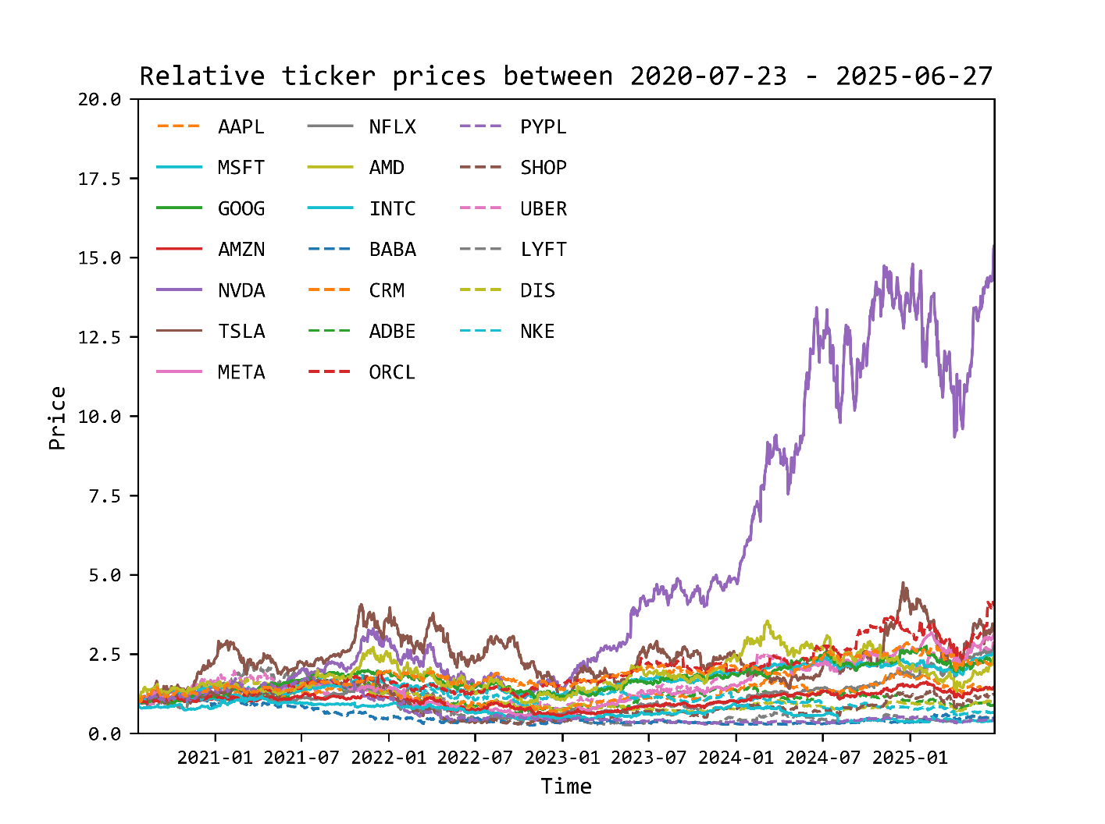
 |  |  |  |  |  |  |  |  |  | Promise<PENDING_PREDECENTS>
 |  |  |  |  |  |  |  |  |  | figure3 | Promise<PENDING_PREDECENTS>
OSError(22, 'Invalid argument')

OSError(22, 'Invalid argument')
OSError(22, 'Invalid argument')
OSError(22, 'Invalid argument')
OSError(22, 'Invalid argument')
OSError(22, 'Invalid argument')
OSError(22, 'Invalid argument')
OSError(22, 'Invalid argument')
OSError(22, 'Invalid argument')
OSError(22, 'Invalid argument')
OSError(22, 'Invalid argument')
OSError(22, 'Invalid argument')
OSError(22, 'Invalid argument')
OSError(22, 'Invalid argument')
OSError(22, 'Invalid argument')
OSError(22, 'Invalid argument')
OSError(22, 'Invalid argument')
OSError(22, 'Invalid argument')
OSError(22, 'Invalid argument')
OSError(22, 'Invalid argument')

 |  |  |  |  |  |  |  |  | General Notes

 |  |  |  |  |  |  |  |  | Force Recalculation

 |  |  |  |  |  |  |  |  | Getting Started

