Sheet1
 | xlpro-ex01-basics.xlsx

 | This example file covers the following
 | 1. Creating a function
 | 2. Optional arguments
 | 3. Showing array results
 | 4. Argument type casting.
 | 5. Showing a matplotlib figure

 | Key:
 |  | input
 |  | output

 | custom_adder()

PENDING_PRECEDENTS & Explicit Arguments
xlpro generally does not treat blank cells as arguments. The function will not execute until explicit arguments are given.
 | a | b
 |  |  | 3 | =custom_adder(1, 2)
 | 5 | 12 | 17 | =custom_adder(B22, C22)
 |  | 12 | Promise<PENDING_PRECEDENTS>

 | adder_or_subtractor()
Function Helper
Use this dropdown in the formula bar for more explicit argument handling
 | a | b | do_add
 | 2 | 9 | #N/A | 11 | =adder_or_subtractor(B28, C28)
 | 2 | 9 | TRUE | 11 | =adder_or_subtractor(B29,C29,D29)
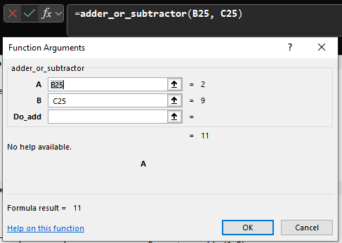
 | 2 | 9 | FALSE | -7 | =adder_or_subtractor(B30,C30,D30)

 | custom_adder_matrix()

 | constant | 9.412

 | matrix | 13 | 13 | 4 |  | PyObj<Sheet1$G$47faa0e9486d6d0f4b61c5f1703b7755d5c27e4f3759a412d3f86649185c2e27dd> | 22.412 | 22.412 | 13.412
 |  | 5 | 9 | 7 |  | <class 'numpy.ndarray'> | 14.412 | 18.412 | 16.412

 | matrix | 1 | 2 | 3 |  | PyObj<Sheet1$G$504364214464f5ddb49ac4000b151860da604fa52b132c86c14d23024ac9f19c2f> | 10.412 | 11.412 | 12.412
 |  |  |  |  |  | <class 'numpy.ndarray'>
xlpro.show()
The show() method returns the array representation of the numpy array.
 | matrix | 9 |  |  |  | PyObj<Sheet1$G$53baddc02e9fbe6043ab89a96786e8099b3e2cda55d86c89be2884891238eb5ea6> | 18.412
 |  | 41 |  |  |  | <class 'numpy.ndarray'> | 50.412
 |  | 13 |  |  |  |  | 22.412

 | custom_adder_always_vector()

 | constant | 13.82

 | vector | 2 | 3 | 4 |  | TypeError("Provided value is not compatible with typing.Annotated[numpy.ndarray[tuple[typing.Any, ...], numpy.dtype[~T]], 'ndarray1d']")
 |  | 5 | 6 | 7

 | vector | 2 | 12 | 5 |  | PyObj<Sheet1$G$656def8b922c5a933d91f7394b3bf5470d2ceaf3ba4c5db3109176a67d02b1fc2b> | 15.82
 |  |  |  |  |  | <class 'numpy.ndarray'> | 25.82
 |  |  |  |  |  |  | 18.82

 | vector | 10 |  |  |  | PyObj<Sheet1$G$69ea8a867f009faf88a01443a49f879c011ba44f96e66d6e710fc95a967ed0c34b> | 23.82
 |  | 11 |  |  |  | <class 'numpy.ndarray'> | 24.82
 |  | 13 |  |  |  |  | 26.82

 | create_matplotlib_figure()
xlpro.show_image()
The show_image() method pushes the figure into Excel. Note the figure updates dynamically with `xdata`, `ydata`, and `seed`.
Figures can be designed to be even more dynamic and configurable. This is just a basic example.
 | pow | 7
 | linelabel | x^7

 | xdata | ydata |  | PyObj<Sheet1$E$78bb31a44d217bfe7302f96b8218c0ed4e421656bff6bde01fe1e8d2109ab2b14c>
 | 1 | 1 |  | <class 'matplotlib.figure.Figure'>
 | 2 | 128
 | 3 | 2187 |  | name | figure1 | # define a unique image name for the workbook
 | 4 | 16384 |  | seed | 3 | # Use this field to force a figure re-show (we can drive this this via a formula in future)
 | 5 | 78125 |  | PyObj<Sheet1$E$831322e1710f4bb21c5de51f5ae719ee252cf739c239dee61ad2002b10b507a8a3>
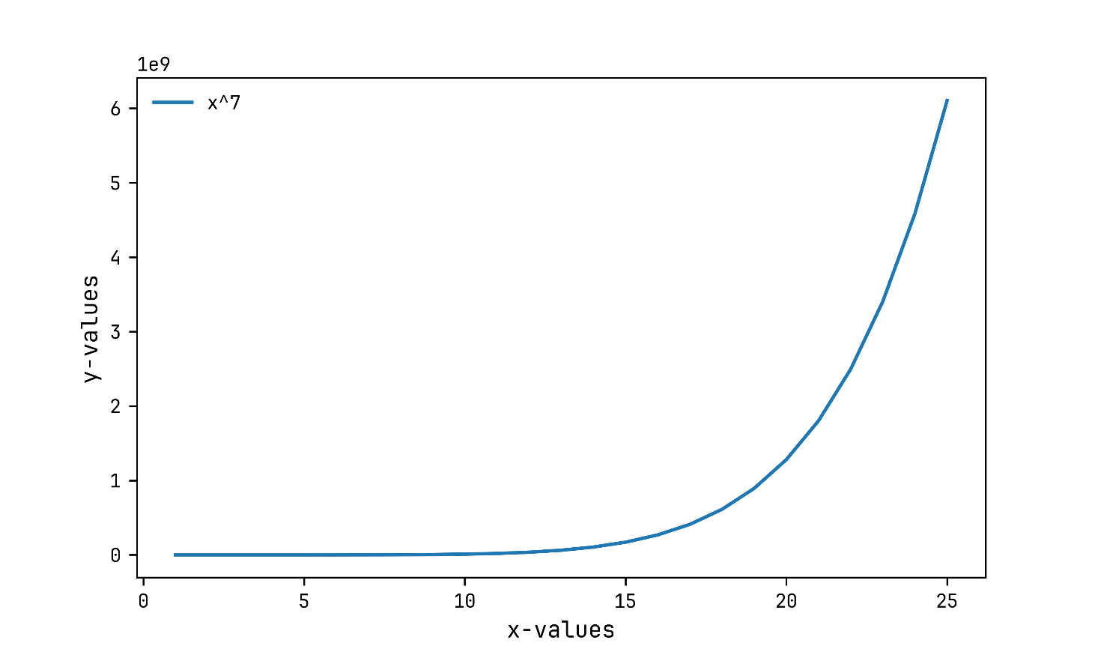
 | 6 | 279936
 | 7 | 823543
 | 8 | 2097152
 | 9 | 4782969
 | 10 | 10000000
 | 11 | 19487171
 | 12 | 35831808
 | 13 | 62748517
 | 14 | 105413504
 | 15 | 170859375
 | 16 | 268435456
 | 17 | 410338673
 | 18 | 612220032
 | 19 | 893871739
 | 20 | 1280000000
 | 21 | 1801088541
 | 22 | 2494357888
 | 23 | 3404825447
 | 24 | 4586471424
 | 25 | 6103515625
i

