Sheet2
a | b | c
1 | 1 | 3 | *<C:\Users\Daniel Evans\projects\xlpro\xlpro_installer\examples\xlpro_example.xlsx::Sheet2::$B$1:$D$33>
2 | 2 | 6.89219013
3 | 81 | 585.19859852 | #NAME?
4 | 256 | 2328.1406462 | #NAME?
5 | 625 | 6794.809347 |  | a | #NAME? | #NAME?
6 | 1296 | 16302.239027 |  | b | #NAME? | #NAME?
7 | 2401 | 34165.819865 |  | c | #NAME? | #NAME?
8 | 4096 | 64856.45283
9 | 6561 | 114152.46657 |  | #NAME? |  |  | #NAME? |  | #NAME?
10 | 10000 | 189287.20334 |  | fig1 |  |  | fig2 |  | fig3
11 | 14641 | 299092.92741 |  | #NAME? |  |  | #NAME? |  | #NAME?
12 | 20736 | 454141.54777
13 | 28561 | 666882.53803
14 | 38416 | 951778.35931
15 | 50625 | 1325437.6357
16 | 65536 | 1806746.2894
17 | 83521 | 2416996.8107
18 | 104976 | 3180015.8104
19 | 130321 | 4122289.9856
20 | 160000 | 5273090.6079
21 | 194481 | 6664596.634
22 | 234256 | 8332016.5259
23 | 279841 | 10313708.856
24 | 331776 | 12651301.767
25 | 390625 | 15389811.354
26 | 456976 | 18577759.012
27 | 531441 | 22267287.818
28 | 614656 | 26514277.979
29 | 707281 | 31378461.393
30 | 810000 | 36923535.372
31 | 923521 | 43217275.547
32 | 1048576 | 50331648
33 | 1185921 | 58342920.65
34 | 1336336 | 67331773.92

 |  |  |  | #NAME?
 |  |  |  | #NAME?
 | *<C:\Users\Daniel Evans\projects\xlpro\xlpro_installer\examples\xlpro_example.xlsx::Sheet2::$B$1:$D$33> |  |  | #NAME?
 | #NAME? |  |  | #NAME?
a | #NAME? |  |  | fig4
 | #NAME? |  |  | #NAME? |  |  |  | C:\Users\Daniel Evans\Downloads\Capture.PNG
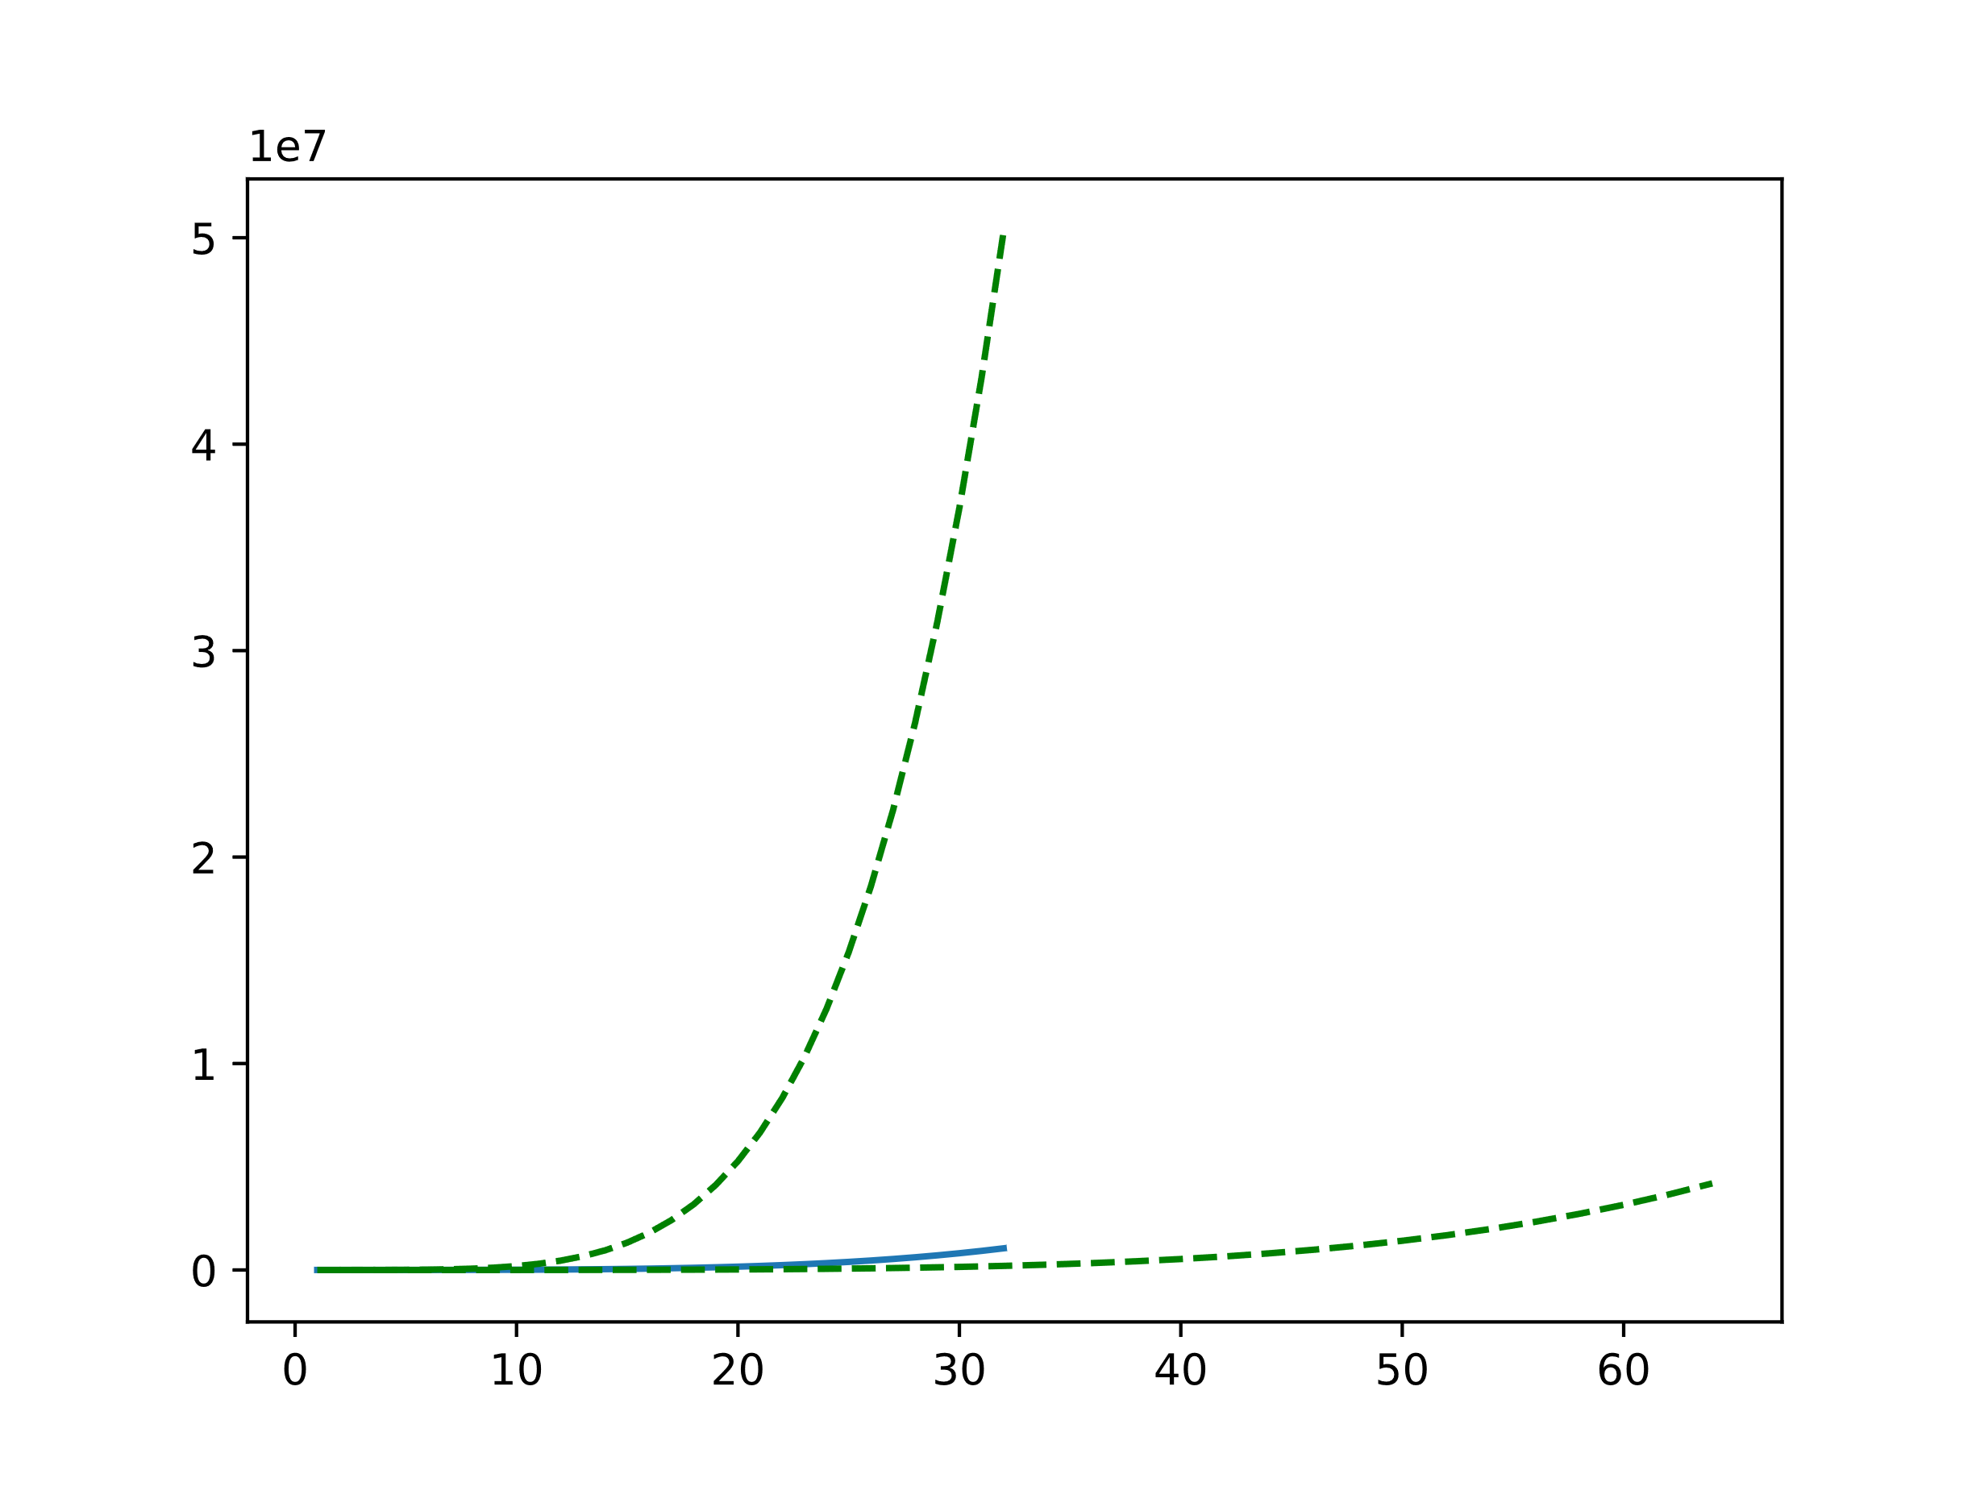
 |  |  |  |  |  |  |  | Image<myimage>

