Sheet1
xlpro-demo.xlsx

PyObj<$B$7c46b8d80c27894ecdb7ae770f427fe6593b52575d30c2063a6c5cf8cd22db2e8> | <class 'numpy.ndarray'>
0.00064215440921 | 4.1591906174E-08
0.0023592815701 | 2.0609216786E-06 | 1 | PyObj<$F$9e5a175a54a96e46d4c33773774e0ccfe602bb091cda5f730f9fd176b850ddf66> | <class 'matplotlib.figure.Figure'> |  |  |  |  | 3.9153646846E+18
0.003076299914 | 4.5659338873E-06 |  | PyObj<$F$10081bc2508a5d92f18ec5906a077aed12555ce5c42243cc2ea84646558f4abf83>_0 | <class 'matplotlib.axes._axes.Axes'>
0.0032690026271 | 5.4777473518E-06
0.0052190889975 | 2.2230863425E-05 | 1 | PyObj<$F$12e3d61e0cff960ed935bb2eb886f338f33760762ec99bc9c2cad7f817aa1bade6> | <class 'matplotlib.lines.Line2D'> | Line1 |  | tag1 | 0.3 | PyObj<$L$12cdce68e4b170675111581fe988d65b8347a9d55b7f6c7f4fa358dfdc988c46fd> | <class 'matplotlib.text.Annotation'>
0.0054269083546 | 2.4984538746E-05 | 2 | PyObj<$F$1376ab8ea6b9d3441ad0f80e426a28b4fdb050b30ee82143cefca7182e08d6cd5c> | <class 'matplotlib.lines.Line2D'> | Line2 |  | tag2 | 0.4 | PyObj<$L$131eb4eb38b8c9fc0b712796a3c7ea96131358066bd3e8842da3ab7cd19ed61ae4> | <class 'matplotlib.text.Annotation'>
0.0057927254118 | 3.0364692209E-05 | 3 | PyObj<$F$14b15f6ec3026388badada7214950bc843b8ed72090bb676cc6f8243e4d2556571> | <class 'matplotlib.lines.Line2D'> | Line3 |  | tag3 | 0.1 | PyObj<$L$14120386eb2a49cf6bf721e883ebbcff0ff3a0f7fc5843dd31fa2bb1389b39c947> | <class 'matplotlib.text.Annotation'>
0.0064986872031 | 4.2812985592E-05 | 4 | PyObj<$F$154369635b63d1d608f4b6ef22e02095523cd31aebc26ef8e627021322ab117ddd> | <class 'matplotlib.lines.Line2D'> | Line4 |  | tag4 | 0.2 | PyObj<$L$159fd90b7e723a87768702432d1029fa2b95783f58e7e514d067bf961446852cf5> | <class 'matplotlib.text.Annotation'>
0.0073778792739 | 6.2519989942E-05
0.0090909456492 | 0.00011641980362
0.009514089047 | 0.00013327100618 |  | -3.3289535103E+18
0.011694350645 | 0.00024560323909 |  | PyObj<$F$1976d62de9b035ea6fec814125bacc79a221b28ca49f0588b7ee8abadc900300bb>_0 | <class 'matplotlib.lines.Line2D'>
0.012096099973 | 0.00027136424095 |  | PyObj<$F$1976d62de9b035ea6fec814125bacc79a221b28ca49f0588b7ee8abadc900300bb>_1 | <class 'matplotlib.lines.Line2D'>
0.012613609933 | 0.00030705195716 |  | PyObj<$F$1976d62de9b035ea6fec814125bacc79a221b28ca49f0588b7ee8abadc900300bb>_2 | <class 'matplotlib.lines.Line2D'>
0.015588689084 | 0.00057154131797 |  | PyObj<$F$1976d62de9b035ea6fec814125bacc79a221b28ca49f0588b7ee8abadc900300bb>_3 | <class 'matplotlib.lines.Line2D'>
0.019797997515 | 0.0011418586576 |  | PyObj<$F$1976d62de9b035ea6fec814125bacc79a221b28ca49f0588b7ee8abadc900300bb>_4 | <class 'matplotlib.lines.Line2D'>
0.020252091417 | 0.0012184938521 |  | PyObj<$F$1976d62de9b035ea6fec814125bacc79a221b28ca49f0588b7ee8abadc900300bb>_5 | <class 'matplotlib.lines.Line2D'>
0.021863479816 | 0.0015155684627 |  | PyObj<$F$1976d62de9b035ea6fec814125bacc79a221b28ca49f0588b7ee8abadc900300bb>_6 | <class 'matplotlib.lines.Line2D'>
0.022684342997 | 0.0016822652856 |  | PyObj<$F$1976d62de9b035ea6fec814125bacc79a221b28ca49f0588b7ee8abadc900300bb>_7 | <class 'matplotlib.lines.Line2D'>
0.024091397791 | 0.0019926061124
0.024285690023 | 0.0020379239517
0.039485634008 | 0.0073741403653
0.03987081105 | 0.0075493541836 | #ff0000ff | PyObj<$F$42847d811dedf6e75542a239ec5d99009b2c2503d4eb13b8181ed72059773e3671> | 255 | 0 | 0 | 255 |  | [[255.0, 0.0, 0.0, 255.0]] |  | <class 'list'>
0.040758985451 | 0.0079588796114 | #00ff00ff | PyObj<$F$433897b440b13c7e0d5690ff4b427ae213f31daba7bc8260b75aff4d9dfa2017af> | 0 | 255 | 0 | 255 |  | [[0.0, 255.0, 0.0, 255.0]] |  | <class 'list'>
0.040888476638 | 0.0080191988181 | #0000ffff | PyObj<$F$4418698c6d18e8394fa882d9c9774e799ee8acc8a973d609b7d54ec6ee5f6f1863> | 0 | 0 | 255 | 255 |  | [[0.0, 0.0, 255.0, 255.0]] |  | <class 'list'>
0.041437747745 | 0.0082766982904 | #ff00ffff | PyObj<$F$45bcba1762cb21ee6204fc83e4edb21a31cd638109a0ca973e9c1e34d1c249d1b8> | 255 | 0 | 255 | 255 |  | [[255.0, 0.0, 255.0, 255.0]] |  | <class 'list'>
0.04146476563 | 0.0082894310043
0.041477952466 | 0.0082956477808
0.043641174278 | 0.0093333771634
0.045052459939 | 0.010026277235
0.047167403431 | 0.011079804143
0.049313658822 | 0.012156358307
0.050456877352 | 0.012728171151 |  | PyObj<$F$52798e0678c68a04a9ce076c59fe741955ac87f11ba2ffc601854a7700e2bcd113>
0.051524462758 | 0.013258631219
0.052051349313 | 0.013518593703 |  | 1.4133525389E+18
0.052315915585 | 0.013648570724 | figure1 | PyObj<$F$5516a59d865f3379121416fe5bd34d15b76021f30ab3cb4b1e512891ff5231a602> | <class 'xlpro._types.xlproImage'>
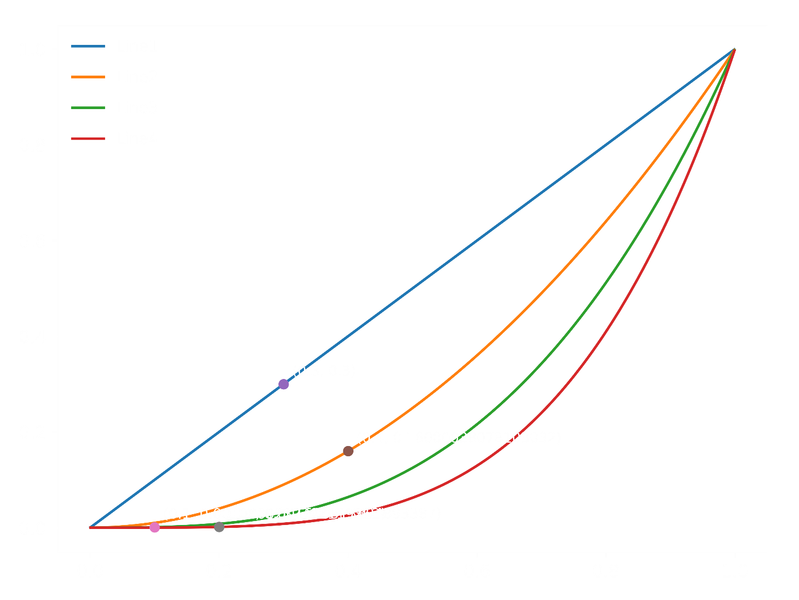
0.052431457362 | 0.013705206941
0.053993862022 | 0.014462096181
0.054047359069 | 0.014487676105
0.057661440829 | 0.01614498984
0.05989980601 | 0.017079256362
0.059988132408 | 0.017114317705
0.060118103506 | 0.017165639912
0.061477853871 | 0.017682320756
0.064602244331 | 0.018709781074
0.066713239449 | 0.019255606861
0.068202571768 | 0.019557633501
0.068296986538 | 0.019574295201
0.069083464683 | 0.019701076227
0.072447534464 | 0.019983570869
0.073089758479 | 0.019986000328
0.073813315096 | 0.019967612093
0.074899022788 | 0.019896681932
0.0764261435 | 0.019705247063
0.076701136467 | 0.019659008453
0.077101086306 | 0.019585195049
0.077272333338 | 0.019551190647
0.078012423876 | 0.01938746248
0.078272790413 | 0.019323310265
0.078913779675 | 0.019150611637
0.07924865996 | 0.019051938711
0.080674418094 | 0.018565543959
0.084226724418 | 0.016866312898
0.084857885996 | 0.016488674679
0.086187529106 | 0.01561579746
0.087528647788 | 0.014627337168
0.087916212767 | 0.014321186613
0.090499576014 | 0.012041727392
0.092128172868 | 0.01038830144
0.092688016714 | 0.0097808372952
0.09285004923 | 0.0096012764569
0.094170699305 | 0.0080749096254
0.094178497373 | 0.0080655639293
0.094975329957 | 0.007089962118
0.095636555976 | 0.0062493683584
0.096913041162 | 0.0045470966521
0.097438286071 | 0.0038162856196
0.098627269151 | 0.0020968369485
0.098924490387 | 0.0016529479542
0.10007223912 | -0.00011363684726
0.10011614455 | -0.00018286305478
0.10198093814 | -0.0032340626393
0.10250172167 | -0.0041245254568
0.1026705386 | -0.0044167296157
0.10391370564 | -0.0066215386198
0.10538168067 | -0.0093432297562
0.10551518595 | -0.0095969852761
0.10603843944 | -0.010601401155
0.10624186825 | -0.010996107684
0.10695073091 | -0.012389705299
0.1076364919 | -0.013764448252
0.10821570718 | -0.014945578491
0.10840120913 | -0.015327665303
0.10893591037 | -0.016439225347
0.10915894457 | -0.016907314148
0.1093181549 | -0.017243034748
0.10974690396 | -0.018153608349
0.10985362669 | -0.018381723702
0.11149205531 | -0.021954795201
0.1128648464 | -0.025046868123
0.11312225219 | -0.025636140116
0.11396918321 | -0.027595277773
0.11503405691 | -0.03010096321
0.11574758634 | -0.031804980946
0.11639289963 | -0.033362494044
0.11700785565 | -0.034860558805
0.11859521798 | -0.038785202776
0.12018645413 | -0.042793687543
0.12024855713 | -0.042951471515
0.1203889291 | -0.043308456549
0.12076960454 | -0.044278909088
0.12337073361 | -0.050988384131
0.12340223647 | -0.05107034322
0.12399810867 | -0.052623046122
0.1245830291 | -0.054151257088
0.12490945391 | -0.055005575844
0.12558426552 | -0.056774391077
0.12661611035 | -0.059483885097
0.12752808305 | -0.061880546272
0.12755783093 | -0.061958718864
0.12769086506 | -0.062308292227
0.1278418506 | -0.062704990578
0.12948142313 | -0.067005936174
0.1295028401 | -0.06706199146
0.1305834484 | -0.069883880895
0.13084857163 | -0.070573963659
0.13268365572 | -0.075317562638
0.13449383144 | -0.079922170847
0.13925520335 | -0.091488244872
0.14061651227 | -0.094600267198
0.14106094236 | -0.095593495967
0.14143709245 | -0.096424859476
0.14537494516 | -0.10455587795
0.14702423841 | -0.10760868167
0.14713916067 | -0.10781275413
0.14810006474 | -0.10947284738
0.15057448171 | -0.11334491052
0.1557584717 | -0.11932392867
0.15700108775 | -0.12027760916
0.15762922335 | -0.12068350725
0.15764981974 | -0.12069593383
0.1593210251 | -0.12151328408
0.15967681996 | -0.1216376677
0.16425498976 | -0.12159579541
0.1648375238 | -0.12136276081
0.16602917996 | -0.12071906523
0.16630151816 | -0.12054008372
0.16631942008 | -0.12052789966
0.16897521322 | -0.1181390486
0.17066269364 | -0.11600866502
0.17233051648 | -0.11342381601
0.17322576338 | -0.11183698102
0.1733161505 | -0.11166896893
0.17376758141 | -0.11080835194
0.17506789776 | -0.10812837594
0.17554920734 | -0.10706035923
0.17682713376 | -0.10402429836
0.17703245171 | -0.10350929582
0.17734902501 | -0.10270043572
0.17909100943 | -0.097927947259
0.18037850177 | -0.094050366241
0.18108605395 | -0.091792687423
0.18171197442 | -0.089720664733
0.18475620414 | -0.078646944995
0.1851149741 | -0.077233791043
0.18572716216 | -0.074770317657
0.18575693814 | -0.074648825889
0.18631622935 | -0.072338099807
0.18660131981 | -0.07113932277
0.18843631561 | -0.063088507706
0.18857217461 | -0.062469602426
0.19310450697 | -0.040074484356
0.19354466796 | -0.037724183967
0.19503438639 | -0.029549644587
0.19602835693 | -0.023911148365
0.19618299097 | -0.023021013507
0.19659183935 | -0.020650985922
0.19813657217 | -0.011484541336
0.19901750506 | -0.0061117248068
0.19902841356 | -0.0060445509792
0.20134408121 | 0.0085564586274
0.20267492994 | 0.017239357311
0.20326633882 | 0.021161653307
0.20453173292 | 0.029678194801
0.20491910849 | 0.032317754046
0.20527773366 | 0.0347743743
0.20637708162 | 0.042379485937
0.20648197654 | 0.043110782436
0.20682694825 | 0.045522495487
0.20772687654 | 0.051860369858
0.20813620097 | 0.054764279015
0.20911420446 | 0.061752578733
0.20939354642 | 0.063760835392
0.2100007159 | 0.068143428347
0.21094498356 | 0.075003511214
0.21157000543 | 0.079571223201
0.21180869778 | 0.081320789111
0.21309260019 | 0.090775151544
0.21430869279 | 0.099786862914
0.21467688623 | 0.102523913
0.21616340865 | 0.11360314547
0.21659766916 | 0.11684575713
0.2166110461 | 0.11694566901
0.21829485152 | 0.12952577456
0.22045852325 | 0.145654657
0.22233851835 | 0.15956987176
0.22666340823 | 0.19088256328
0.22695662498 | 0.19295624995
0.22724658149 | 0.19499939811
0.22974588071 | 0.21226718512
0.23008326409 | 0.21454619645
0.23013211259 | 0.21487505262
0.23088152617 | 0.2198838159
0.23095419412 | 0.2203657767
0.23126032356 | 0.22238870467
0.23254698894 | 0.23075411361
0.2340228877 | 0.24005697141
0.23589747955 | 0.25137449981
0.23623796149 | 0.25336577057
0.2365407323 | 0.25511909349
0.23703833333 | 0.25796436049
0.23749519781 | 0.26053607749
0.23839951634 | 0.2655082554
0.23866392233 | 0.26693154302
0.23897000874 | 0.26856156473
0.24099018653 | 0.27882638712
0.24206210514 | 0.28390772641
0.24461576006 | 0.29491441124
0.24476427554 | 0.29550469469
0.2450314072 | 0.29655216074
0.24954748507 | 0.31133827319
0.2498694897 | 0.31217118547
0.25051680561 | 0.31375199159
0.25067614447 | 0.31412176627
0.25145806314 | 0.31582416232
0.25207622793 | 0.31703650793
0.25301348627 | 0.31864580786
0.25617997719 | 0.32197581614
0.25635877061 | 0.32206421543
0.25728525423 | 0.32234748585
0.25730104877 | 0.32234975925
0.25734189294 | 0.32235523889
0.25792873051 | 0.32237018316
0.25875989239 | 0.32218578842
0.25957179453 | 0.32177055365
0.26143331701 | 0.31992809326
0.26158766684 | 0.31971903004
0.26183635767 | 0.31936389955
0.2627076335 | 0.31794094728
0.26392079811 | 0.31549295747
0.26445600797 | 0.31423899847
0.26461084926 | 0.31385625155
0.26479385528 | 0.3133923083
0.26506905506 | 0.31267099799
0.26708970073 | 0.30650049449
0.26740644326 | 0.30539306326
0.26801824575 | 0.30314596761
0.26912171009 | 0.29873225139
0.27031335566 | 0.29344325109
0.2741814521 | 0.27253157931
0.274395902 | 0.27120515405
0.27561553321 | 0.26332958921
0.27803594024 | 0.24604064688
0.28249311466 | 0.20855667881
0.28252728728 | 0.20824173805
0.28323528549 | 0.20162461294
0.28545150169 | 0.17979408379
0.28611911825 | 0.17289309975
0.28616152497 | 0.17244977165
0.28657905488 | 0.16805332263
0.28706481687 | 0.16286691526
0.28902355844 | 0.14119082504
0.28979507744 | 0.13232633888
0.2900940532 | 0.12884294419
0.29240399601 | 0.10105128969
0.29362241089 | 0.085791694891
0.29447852328 | 0.074834568689
0.29503975285 | 0.067549970024
0.2955512145 | 0.060843197359
0.29744744518 | 0.035436423342
0.29920367465 | 0.011196929942
0.29970434857 | 0.0041713794916
0.29973246002 | 0.0037754698204
0.29988533386 | 0.0016198118358
0.30078513766 | -0.011156665009
0.30175349515 | -0.025067405528
0.3022659541 | -0.032492459421
0.30262234451 | -0.037680810314
0.30287884147 | -0.041426979785
0.30289168865 | -0.04161487518
0.30514173471 | -0.074875970766
0.30630107592 | -0.092255348632
0.30789480256 | -0.11636009929
0.31011718627 | -0.150277596
0.31190671937 | -0.17774031709
0.31311604596 | -0.19632405483
0.3146157529 | -0.21934743629
0.31752394249 | -0.26371855237
0.31777103698 | -0.26746140233
0.31781797818 | -0.26817183315
0.31869793912 | -0.28145084026
0.31960351769 | -0.29503096044
0.31982485523 | -0.29833550315
0.32039309971 | -0.3067907369
0.32131629181 | -0.32043276533
0.32209395603 | -0.33182452548
0.32300034965 | -0.34497507299
0.32387096585 | -0.35746620107
0.3245700179 | -0.3673882484
0.32651059908 | -0.39437672412
0.32670770635 | -0.39706877422
0.3291546406 | -0.42964589907
0.32915598054 | -0.42966328567
0.33057256212 | -0.44774475863
0.33079232975 | -0.45049456471
0.33296955185 | -0.47687670138
0.33393734562 | -0.48807330944
0.33610527432 | -0.51186947036
0.337425187 | -0.52543153921
0.33750910916 | -0.52626902177
0.33824199164 | -0.53345322643
0.33867081973 | -0.5375475698
0.33983629546 | -0.54825647762
0.3410274121 | -0.55854882171
0.34299778606 | -0.5740618183
0.34388831449 | -0.58043005776
0.34409154127 | -0.58182569571
0.34698934297 | -0.59931728641
0.34754694056 | -0.60215184349
0.34769681819 | -0.60288374508
0.3478385995 | -0.60356434046
0.34938129463 | -0.6102211548
0.3508391 | -0.61522654568
0.35162833293 | -0.61740370075
0.35401230107 | -0.6216520358
0.3560455934 | -0.62244447255
0.35846669508 | -0.61989733476
0.35934199064 | -0.61802660004
0.360198916 | -0.61570109349
0.36035118257 | -0.61523651522
0.36192065306 | -0.60954021657
0.36338204936 | -0.60274076749
0.36824607091 | -0.56965053478
0.36838274791 | -0.56848812502
0.36948939949 | -0.55860956482
0.37013560153 | -0.55245784834
...

