Sheet1
Promise<abcd> |  |  | Promise<abcd> | 1 |  | 1 | a | 1 | Promise<abcd>
ArgumentNotReadyException() |  |  | ArgumentNotReadyException() | 2 |  | 2 | b | 2 | Promise<abcd>
1 |  |  | 1 | 3 |  | 3 | c | 3 | Promise<abcd>

xlpro-demo.xlsx

PyObj<$B$7c46b8d80c27894ecdb7ae770f427fe6593b52575d30c2063a6c5cf8cd22db2e8> | <class 'numpy.ndarray'>
0.0020315845722 | 1.3162236938E-06
0.0031450260604 | 4.8784940524E-06 | 1 | PyObj<$F$9e5a175a54a96e46d4c33773774e0ccfe602bb091cda5f730f9fd176b850ddf66> | <class 'matplotlib.figure.Figure'> |  |  |  |  | #NAME?
0.0035059884777 | 6.7557388833E-06 |  | PyObj<$F$10081bc2508a5d92f18ec5906a077aed12555ce5c42243cc2ea84646558f4abf83>_0 | <class 'matplotlib.axes._axes.Axes'>
0.0037598536779 | 8.3295654878E-06
0.0055598715909 | 2.6859850391E-05 | 1 | PyObj<$F$125aa5833ee5c19775ed9407845af8dac3ec8b360d4f16749463f4ef7ed0e46f8e> | <class 'matplotlib.lines.Line2D'> | Line1 |  | tag1 | 0.1 | PyObj<$L$12cd5bc9792c04607c308ecc6c3231492719f1926620df46717da6883cfd49a51d> | <class 'matplotlib.text.Annotation'>
0.0067193466174 | 4.7301050076E-05 | 2 | PyObj<$F$13d37e903996419dfd195f80a6b66a067a4fad9d6748c28e4e9c91d7cb46fe00ed> | <class 'matplotlib.lines.Line2D'> | Line2 |  | tag2 | 0.5 | PyObj<$L$134caaa03497659b5e356fe8ae7cb3144b0e68e71998b4f8927897d7cb55498517> | <class 'matplotlib.text.Annotation'>
0.0071379986218 | 5.6650437318E-05 | 3 | PyObj<$F$14c81c46dc9c16dece12055ecb8ae2e5f1479540d69ea63053ce83c92e6eb0d676> | <class 'matplotlib.lines.Line2D'> | Line3 |  | tag3 | 0.8 | PyObj<$L$14337a77e993c3a0f3c13d20dbc8eefc8ee1c74b5e7fd25cd07ea149432584cc83> | <class 'matplotlib.text.Annotation'>
0.0083456856283 | 9.0264869606E-05 | 4 | PyObj<$F$1532b8edf739e20fbddd4eb8e2d136ec8a517cf7a37c65180bad58f052162c0bed> | <class 'matplotlib.lines.Line2D'> | Line4 |  | tag4 | 1 | PyObj<$L$1570f94d02d0f36e0bdfd97f320ea3e80d955243b50f64229eb7c84ae5521cfb74> | <class 'matplotlib.text.Annotation'>
0.009437332049 | 0.00013010269297
0.010085267231 | 0.00015844970421
0.011641157734 | 0.00024231692927 |  | 1.1124900453E+18
0.012415145544 | 0.00029302703806 |  | PyObj<$F$19d65ecd1393769b374c15d1ccc2290b62f3decfb4f048d5d12ddef86333ef93ea>_0 | <class 'matplotlib.lines.Line2D'>
0.012878300975 | 0.00032642403462 |  | PyObj<$F$19d65ecd1393769b374c15d1ccc2290b62f3decfb4f048d5d12ddef86333ef93ea>_1 | <class 'matplotlib.lines.Line2D'>
0.013228169874 | 0.00035322038713 |  | PyObj<$F$19d65ecd1393769b374c15d1ccc2290b62f3decfb4f048d5d12ddef86333ef93ea>_2 | <class 'matplotlib.lines.Line2D'>
0.013541609649 | 0.00037839965797 |  | PyObj<$F$19d65ecd1393769b374c15d1ccc2290b62f3decfb4f048d5d12ddef86333ef93ea>_3 | <class 'matplotlib.lines.Line2D'>
0.014548617487 | 0.00046704366995 |  | PyObj<$F$19d65ecd1393769b374c15d1ccc2290b62f3decfb4f048d5d12ddef86333ef93ea>_4 | <class 'matplotlib.lines.Line2D'>
0.015008114511 | 0.00051154784044 |  | PyObj<$F$19d65ecd1393769b374c15d1ccc2290b62f3decfb4f048d5d12ddef86333ef93ea>_5 | <class 'matplotlib.lines.Line2D'>
0.015730103425 | 0.00058680250495 |  | PyObj<$F$19d65ecd1393769b374c15d1ccc2290b62f3decfb4f048d5d12ddef86333ef93ea>_6 | <class 'matplotlib.lines.Line2D'>
0.017469446906 | 0.00079603548997 |  | PyObj<$F$19d65ecd1393769b374c15d1ccc2290b62f3decfb4f048d5d12ddef86333ef93ea>_7 | <class 'matplotlib.lines.Line2D'>
0.017624375297 | 0.0008166569158
0.017741143966 | 0.00083241911172
0.029076996557 | 0.0033465262069
0.029139992543 | 0.0033661698957 | #ff0000ff | PyObj<$F$42847d811dedf6e75542a239ec5d99009b2c2503d4eb13b8181ed72059773e3671> | 255 | 0 | 0 | 255 |  | [[255.0, 0.0, 0.0, 255.0]] |  | <class 'list'>
0.029385083542 | 0.0034431899907 | #00ff00ff | PyObj<$F$433897b440b13c7e0d5690ff4b427ae213f31daba7bc8260b75aff4d9dfa2017af> | 0 | 255 | 0 | 255 |  | [[0.0, 255.0, 0.0, 255.0]] |  | <class 'list'>
0.03179341757 | 0.0042496582571 | #0000ffff | PyObj<$F$4418698c6d18e8394fa882d9c9774e799ee8acc8a973d609b7d54ec6ee5f6f1863> | 0 | 0 | 255 | 255 |  | [[0.0, 0.0, 255.0, 255.0]] |  | <class 'list'>
0.032319663417 | 0.0044376399466 | #ff00ffff | PyObj<$F$45bcba1762cb21ee6204fc83e4edb21a31cd638109a0ca973e9c1e34d1c249d1b8> | 255 | 0 | 255 | 255 |  | [[255.0, 0.0, 255.0, 255.0]] |  | <class 'list'>
0.036374638925 | 0.006018685337
0.036628051202 | 0.0061248130305
0.036978957286 | 0.0062730905385
0.03700449525 | 0.0062839408945
0.039315291518 | 0.0072971339265
0.040217021786 | 0.0077080954638
0.040776160638 | 0.007966871416 |  | PyObj<$F$52b68facf513bce10c1ced03467ca00682a42daed17061dd287352d7e520253bde>
0.04104798759 | 0.0080937074062
0.041152648287 | 0.0081427166709 |  | -4.7892283079E+18
0.045856979301 | 0.01042537797 | figure1 | PyObj<$F$554786a38bf29a6ac9a10752fb5ee76c178792cc9e58aac4e444732c2ef3c34e38> | <class 'xlpro._types.xlproImage'>
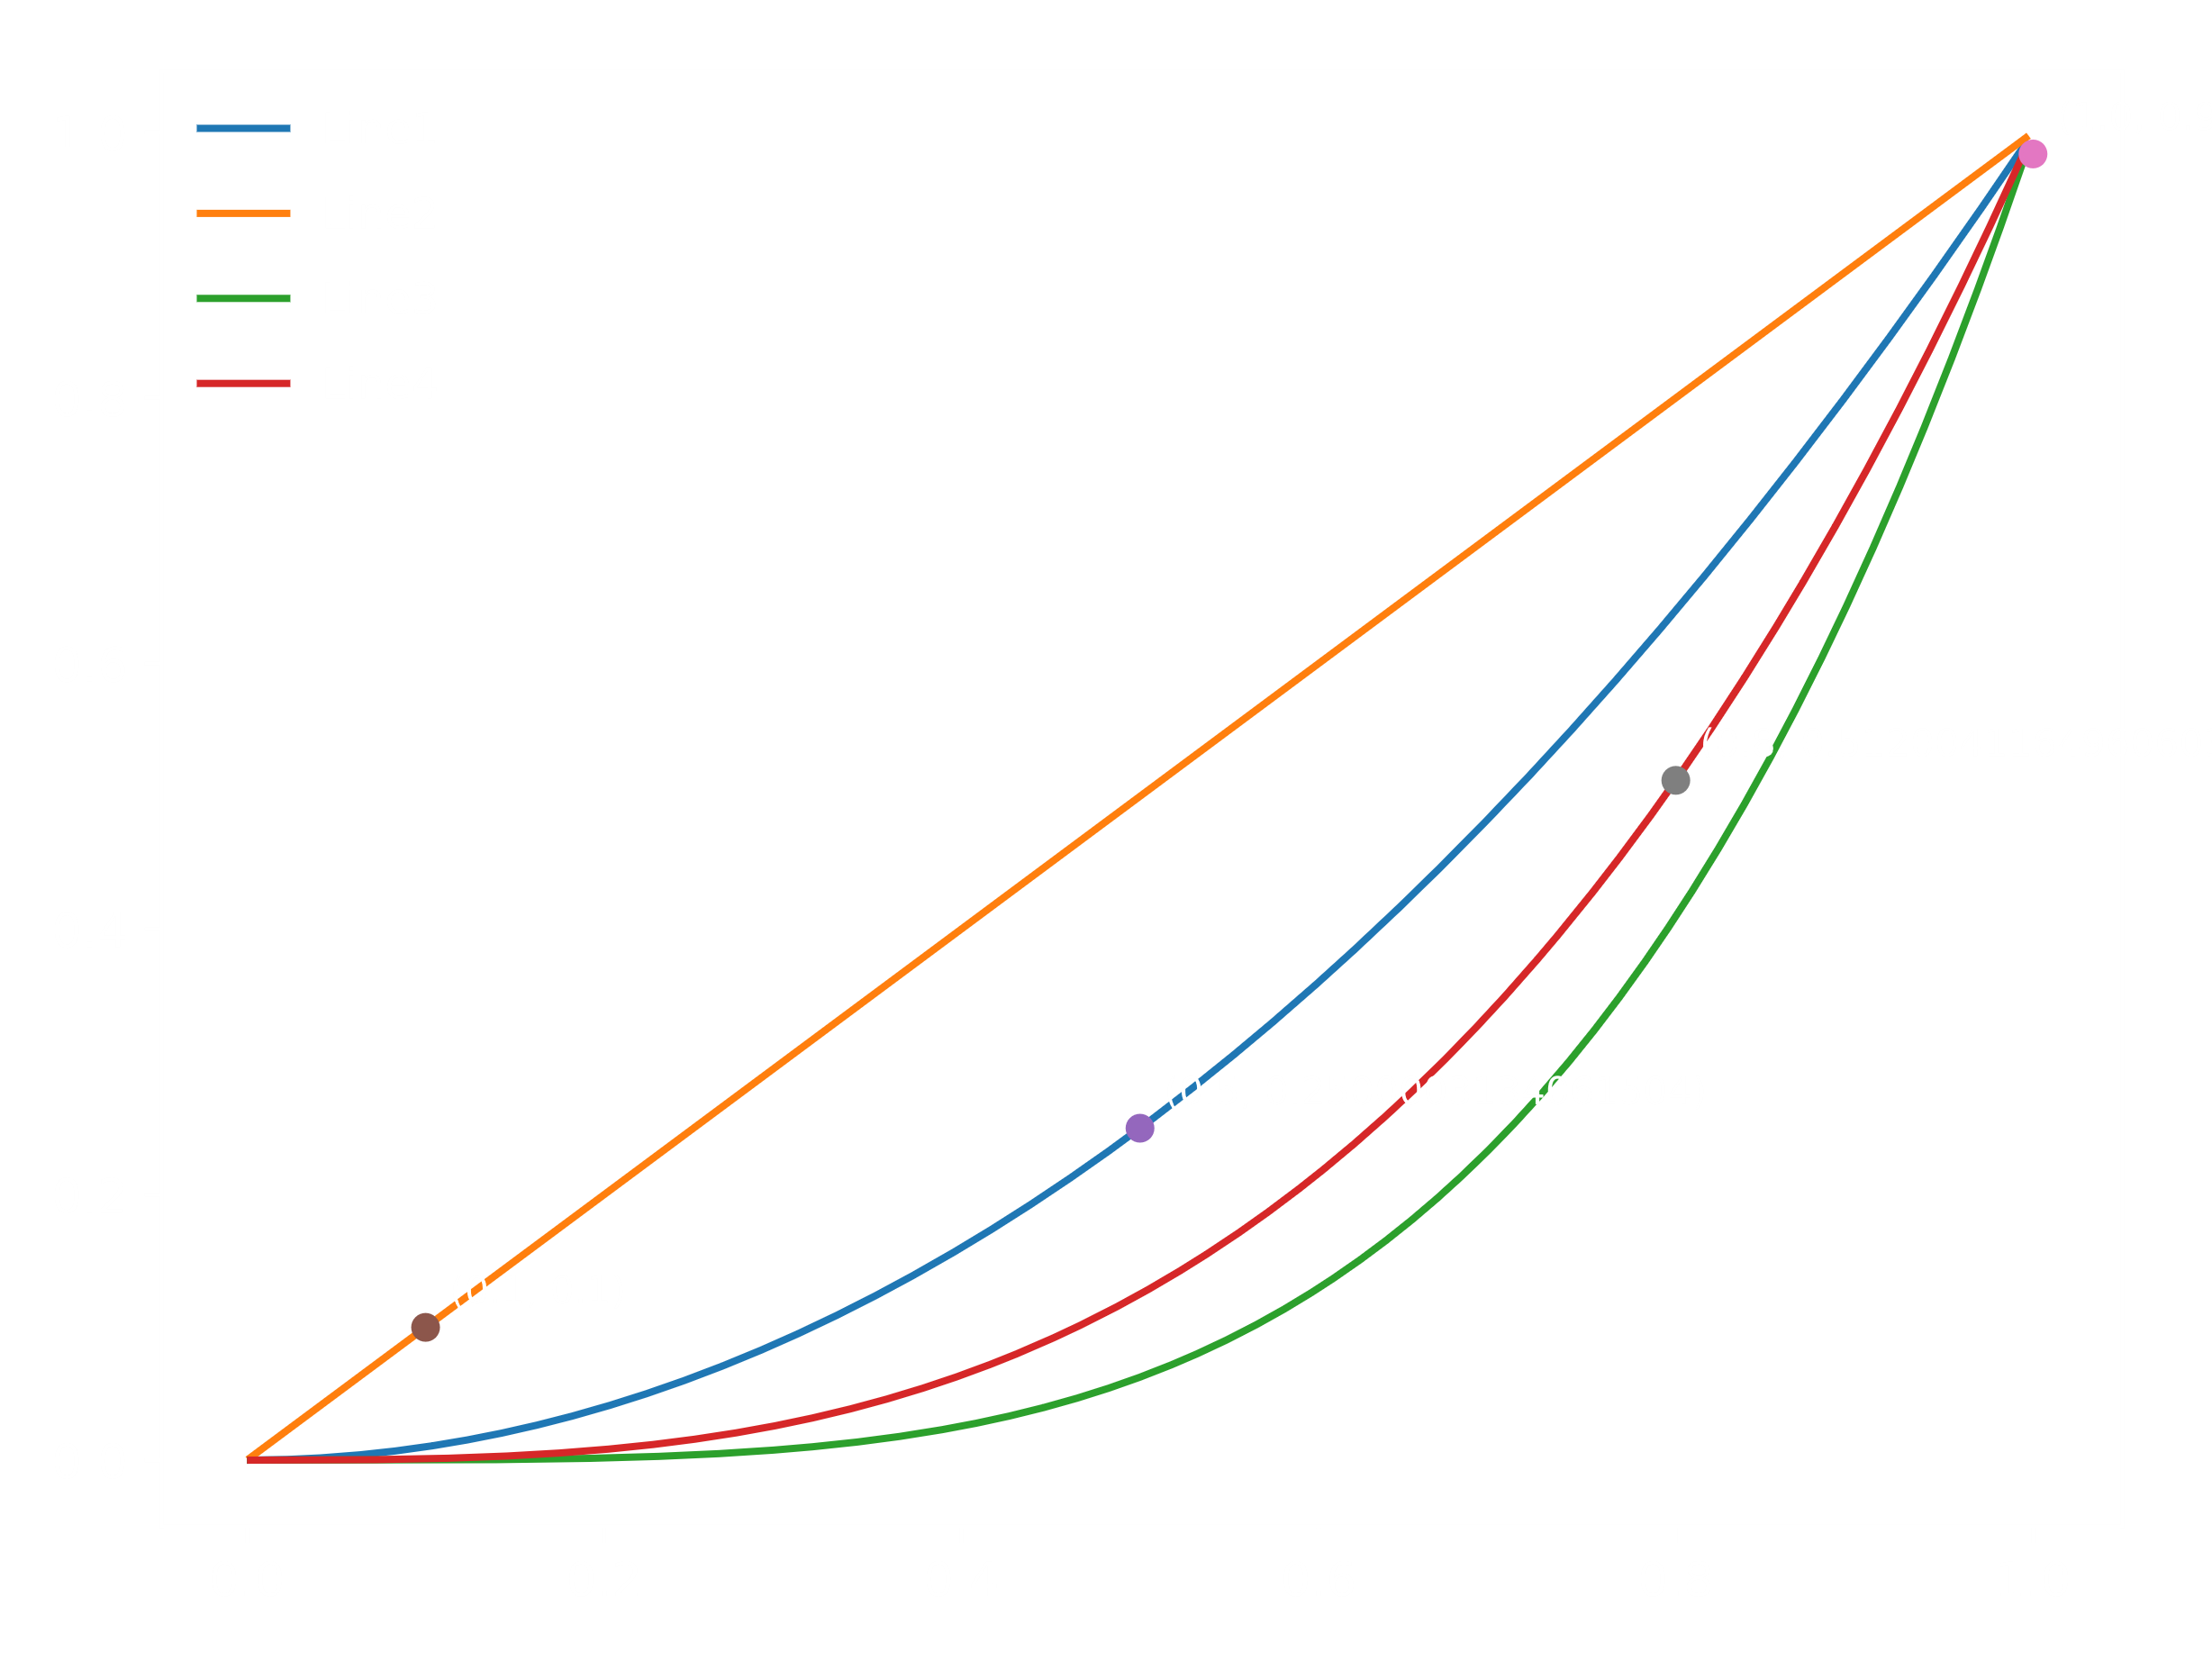
0.046143680166 | 0.010568162962
0.046467727693 | 0.010729842899
0.047068669679 | 0.011030360154
0.04717280884 | 0.011082511547
0.047894702034 | 0.011444434956
0.048108081996 | 0.011551503804
0.049034793503 | 0.0120165283
0.04913452375 | 0.012066545457
0.050546510458 | 0.012772865779
0.050685290918 | 0.012842016865
0.051605078387 | 0.013298495716
0.051855853374 | 0.013422302201
0.052858071608 | 0.013913603503
0.054155467419 | 0.014539292605
0.054212445978 | 0.014566455549
0.054413661992 | 0.014662144905
0.055402509418 | 0.0151266708
0.058627346405 | 0.016558443278
0.060853871918 | 0.017449928588
0.061331383525 | 0.017628513482
0.061554205039 | 0.017710184658
0.061608254347 | 0.017729832631
0.063526352236 | 0.018383402969
0.063880726493 | 0.018494275479
0.064087230169 | 0.018557375269
0.064454456397 | 0.018666781329
0.065717640241 | 0.019014537702
0.065750611573 | 0.019022999882
0.065916105817 | 0.0190649871
0.069231111811 | 0.019722443091
0.06927259296 | 0.019728305313
0.069361085089 | 0.019740603935
0.069630507925 | 0.019776298626
0.06984380271 | 0.019802671413
0.069851886334 | 0.019803637874
0.070054009779 | 0.019827013555
0.070356638284 | 0.019859150093
0.070417494438 | 0.019865194241
0.070484031906 | 0.019871641297
0.070773897103 | 0.019897748135
0.071249810236 | 0.019933539911
0.071552117549 | 0.019951636777
0.072378793388 | 0.019982285942
0.074821211591 | 0.019903533128
0.074853283569 | 0.019900742705
0.076154852062 | 0.01974729571
0.076803713618 | 0.019640821837
0.077898929892 | 0.019414352654
0.081202979273 | 0.018357413855
0.082308454483 | 0.017872284484
0.083009863382 | 0.017528909084
0.084920298102 | 0.01645005728
0.08698695887 | 0.015039780623
0.088934557292 | 0.013472463952
0.089907659594 | 0.01260097683
0.092644061724 | 0.0098292570823
0.093474076169 | 0.0088940089717
0.093884731414 | 0.0084149298832
0.094251670073 | 0.0079776785813
0.095251147036 | 0.0067427456422
0.097489897845 | 0.0037435212612
0.098134803965 | 0.0028199533174
0.09999452141 | 8.604806002E-06
0.10035089316 | -0.00055504535688
0.10038474265 | -0.00060899686259
0.10279479527 | -0.0046329113119
0.10380627949 | -0.0064273555413
0.10518602215 | -0.0089731985304
0.1068547979 | -0.012199460024
0.10708445041 | -0.012655737693
0.1105053382 | -0.019787161233
0.11283150979 | -0.024970765956
0.11441992221 | -0.02865026275
0.11590668439 | -0.032187558568
0.11607656856 | -0.032597105339
0.11726905407 | -0.03550077448
0.1175858387 | -0.036280272911
0.12005599896 | -0.042462551368
0.1202462024 | -0.042945487176
0.1204781209 | -0.043535528496
0.1213907899 | -0.045869462539
0.12275733821 | -0.04939543707
0.12344743323 | -0.051187952864
0.12499072929 | -0.055218434079
0.12535848994 | -0.056182231635
0.12604129799 | -0.057973966221
0.1275501044 | -0.061938414936
0.12853332085 | -0.064520759862
0.12945466511 | -0.066935895611
0.12955093587 | -0.067187858321
0.12986733975 | -0.068015317905
0.13014095701 | -0.06873001267
0.13078726146 | -0.070414471051
0.13289953263 | -0.075871092135
0.13439901276 | -0.079683231021
0.1374683424 | -0.087259270855
0.13748763574 | -0.087305725122
0.13783106566 | -0.088129870361
0.13949679485 | -0.092047884043
0.14201713757 | -0.09768961472
0.14258707609 | -0.098911173295
0.14510353578 | -0.10403208536
0.14554467205 | -0.10488044186
0.14646700142 | -0.10660288755
0.14765021893 | -0.1087060663
0.14890609603 | -0.11079966652
0.15221105064 | -0.11556166571
0.15222286618 | -0.1155766147
0.15685378424 | -0.12017493513
0.15694049432 | -0.12023571614
0.15721372424 | -0.12042082561
0.15722653613 | -0.12042926551
0.15831273466 | -0.12106558142
0.15861368679 | -0.1212138075
0.15866421832 | -0.12123748484
0.1592173843 | -0.12147372933
0.16073830417 | -0.12190240616
0.16082445811 | -0.12191681577
0.16097627772 | -0.12193959466
0.16233513334 | -0.12199311253
0.16416107057 | -0.12162840567
0.16731423089 | -0.11976904952
0.16746162963 | -0.11964286236
0.1688580352 | -0.1182691092
0.17123097915 | -0.11518186477
0.17485557389 | -0.10858643379
0.17666147736 | -0.1044343182
0.17751774715 | -0.10226200619
0.1790478816 | -0.098052682145
0.17983355195 | -0.095727950939
0.18002553706 | -0.095143024695
0.18004373429 | -0.09508723925
0.18043895956 | -0.093860965754
0.18145990136 | -0.090563557232
0.1820588107 | -0.088542314205
0.18453954567 | -0.079489368467
0.1869520474 | -0.069645248185
0.18771784617 | -0.066309375625
0.18794147969 | -0.065316257925
0.18981168363 | -0.056679660526
0.18989617003 | -0.056275671863
0.19092149806 | -0.051279027009
0.19098792363 | -0.050949380557
0.19150911539 | -0.048338043907
0.19193868588 | -0.046152833507
0.19258649665 | -0.042801761341
0.19316546697 | -0.039750775085
0.19353731991 | -0.037763666194
0.19513666006 | -0.028976188073
0.19521070279 | -0.028560056652
0.19637710749 | -0.021898732664
0.1968752952 | -0.018993875251
0.19924650995 | -0.0046982733718
0.20036882552 | 0.0023259020666
0.20242456917 | 0.015590529562
0.20318659737 | 0.020630584215
0.20325704573 | 0.02109972722
0.2066526424 | 0.044302645638
0.20666122356 | 0.044362639027
0.20705888139 | 0.047149599386
0.20721762441 | 0.048265811112
0.20770710522 | 0.051720430879
0.20902605657 | 0.061119954738
0.209438731 | 0.064086165296
0.21063496748 | 0.072745614966
0.21241778129 | 0.085797230385
0.21289198286 | 0.089293384024
0.21298408284 | 0.089973448414
0.21589946408 | 0.11163328563
0.21654363424 | 0.11644218656
0.21704669886 | 0.12020016123
0.21763035435 | 0.12456127686
0.21773780838 | 0.12536418181
0.21925705564 | 0.13670806227
0.22061809448 | 0.14684031245
0.22362940819 | 0.16903765431
0.22723115887 | 0.19489091549
0.22740985833 | 0.19614654774
0.22816243276 | 0.201401308
0.22896250309 | 0.20692535669
0.22936976183 | 0.2097110122
0.23025266463 | 0.21568540685
0.23044717294 | 0.21698919351
0.23216418129 | 0.22828905214
0.23407082571 | 0.24035355282
0.23662015346 | 0.2555762688
0.23914654713 | 0.26949299452
0.2391552648 | 0.26953882343
0.23976258448 | 0.27269255564
0.24017436257 | 0.27478650469
0.241599011 | 0.28174466226
0.24241965661 | 0.28554367767
0.24436693769 | 0.29391284418
0.24450881408 | 0.2944858586
0.24481318486 | 0.29569785012
0.24725818146 | 0.30454972822
0.24966675937 | 0.31165037425
0.2496800235 | 0.31168482216
0.2507392224 | 0.31426602354
0.25232138889 | 0.31748425899
0.25239068568 | 0.31760739269
0.25279000749 | 0.31828736973
0.25311862374 | 0.31880892217
0.2553009387 | 0.32138419987
0.25601076029 | 0.32188216887
0.25611806687 | 0.32194267867
0.25724002653 | 0.32234049983
0.25879904039 | 0.32217111961
0.26121691355 | 0.32020660217
0.26276685547 | 0.31783409285
0.26435389785 | 0.31448649336
0.26589017858 | 0.31034953305
0.26621032474 | 0.30937552525
0.26868931572 | 0.30051715346
0.26880028473 | 0.30006589096
0.26887873684 | 0.29974402291
0.27024681973 | 0.29375288527
0.27157433505 | 0.28725470719
0.27159409006 | 0.28715291245
0.27358660055 | 0.27611928124
0.27368409616 | 0.27554049473
0.27395068645 | 0.2739393815
0.27506754352 | 0.26693787472
0.27515707163 | 0.26635613602
0.27530501134 | 0.26538819704
0.2757391097 | 0.2625002018
0.27702738596 | 0.2535114268
0.27727821484 | 0.25168888259
0.27768167316 | 0.24870803615
0.27796744156 | 0.24656003264
0.27867464731 | 0.24111401056
0.27986391967 | 0.23154026645
0.28024905407 | 0.2283290925
0.28128522359 | 0.21942328129
0.28139482116 | 0.21845872402
0.28225167887 | 0.21077007165
0.28419815714 | 0.19234600561
0.28439767496 | 0.1903835274
0.28447651879 | 0.18960426812
0.28489212791 | 0.18546166492
0.2849416791 | 0.18496386039
0.28553398713 | 0.17894947109
0.2856571099 | 0.1776845319
0.28592224382 | 0.17494349665
0.28603747296 | 0.17374496704
0.28621854927 | 0.17185269581
0.28715692073 | 0.16187492866
0.28785648302 | 0.15425175554
0.28842611522 | 0.14792995381
0.28954939652 | 0.13516871216
0.28956232972 | 0.13501953719
0.29032365901 | 0.12614971285
0.29051679706 | 0.12387217071
0.29072356972 | 0.1214216989
0.29079078449 | 0.12062244173
0.29144152365 | 0.11281681197
0.29478718341 | 0.070838041543
0.29485105384 | 0.07000805106
0.29560373604 | 0.060150867173
0.29568386719 | 0.059093306369
0.29899608972 | 0.014095282822
0.29917648764 | 0.011577011646
0.30125085609 | -0.017826743788
0.30223057758 | -0.031978531196
0.30258136466 | -0.037083221971
0.3047508276 | -0.069050263725
0.30587595363 | -0.085865668246
0.3063646863 | -0.093213003067
0.30691712781 | -0.10154637723
0.30847934976 | -0.12525239142
0.31001004637 | -0.14863652292
0.31102022098 | -0.16412571241
0.31314440027 | -0.19675972489
0.31408792351 | -0.21125023885
0.31432275714 | -0.21485375666
0.31542585898 | -0.23175515599
0.31598449686 | -0.24029327293
0.3166927279 | -0.2510911928
0.32328918833 | -0.3491350105
0.32358344786 | -0.35335699566
0.32434123928 | -0.36415203609
0.32441598677 | -0.36521057757
0.32506262324 | -0.37431895174
0.3252629964 | -0.37712306853
0.3256701692 | -0.38279365686
0.3266108716 | -0.39574741749
0.32778509587 | -0.4116102088
0.32973219244 | -0.43709118947
0.33020402249 | -0.44309944782
0.33118575186 | -0.45537866318
0.33260735401 | -0.47259994843
0.33301075328 | -0.47736026039
0.33317444539 | -0.47927544384
0.33789535126 | -0.53008433754
0.34091391207 | -0.55759716985
0.34190943316 | -0.56573095604
0.34621681147 | -0.5951023467
0.34683044954 | -0.59847752812
0.34850251524 | -0.60659812853
0.35054141847 | -0.61430755643
0.35124771863 | -0.61640094529
0.35182064006 | -0.61787674009
0.35480855043 | -0.62227700585
0.35642933627 | -0.62229591987
0.35649326479 | -0.62226189097
...

