Sheet1
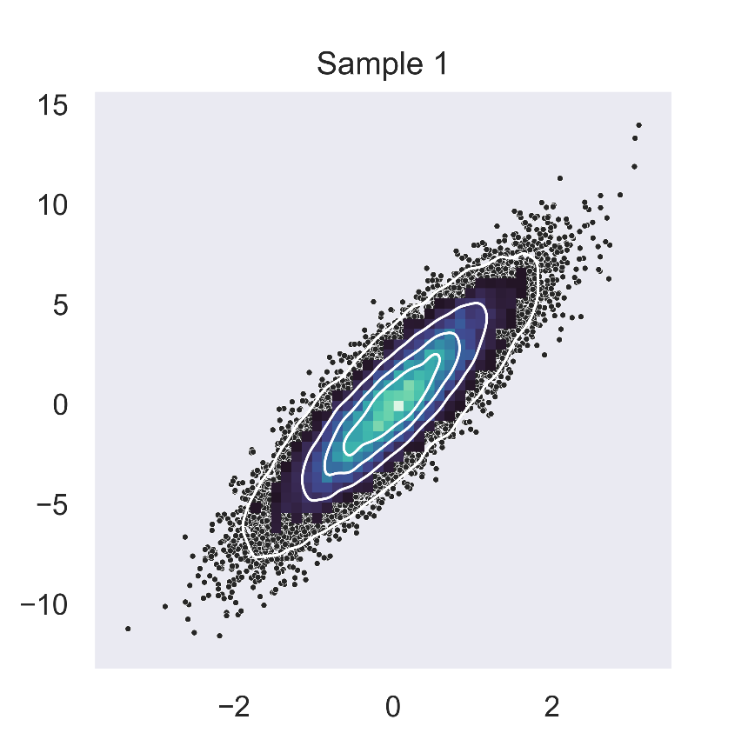
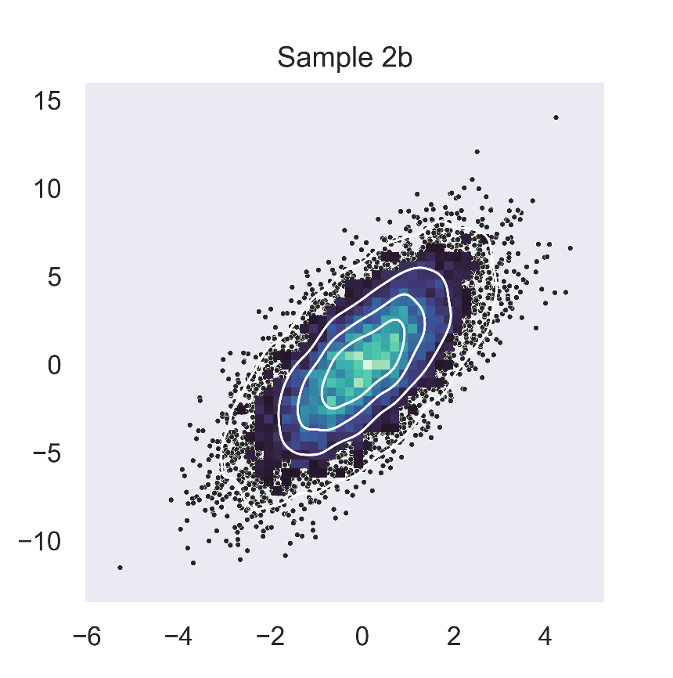
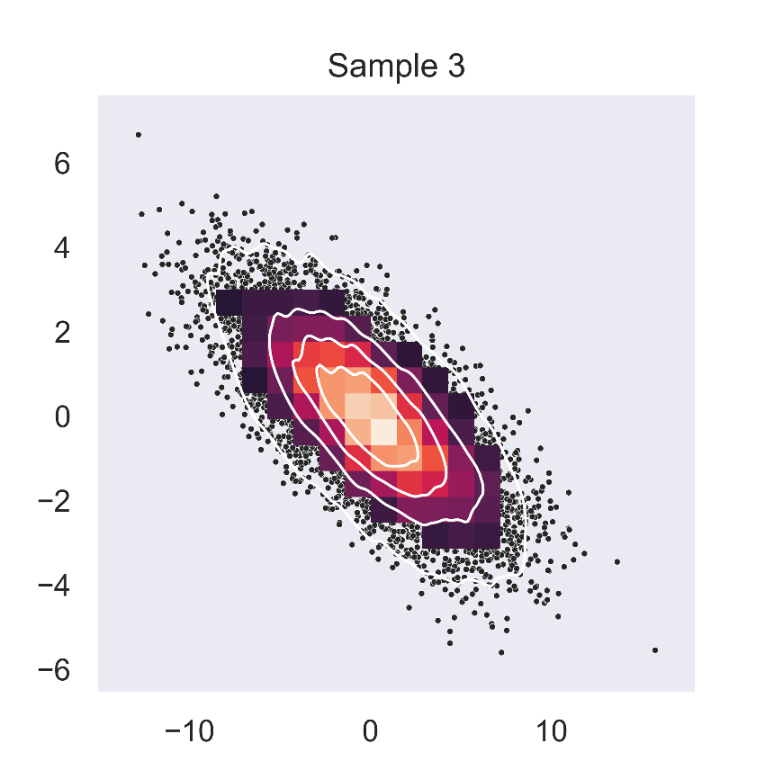
Objective
 | Visualise a maplotlib/seaborn figure in Excel with configurable arguments.
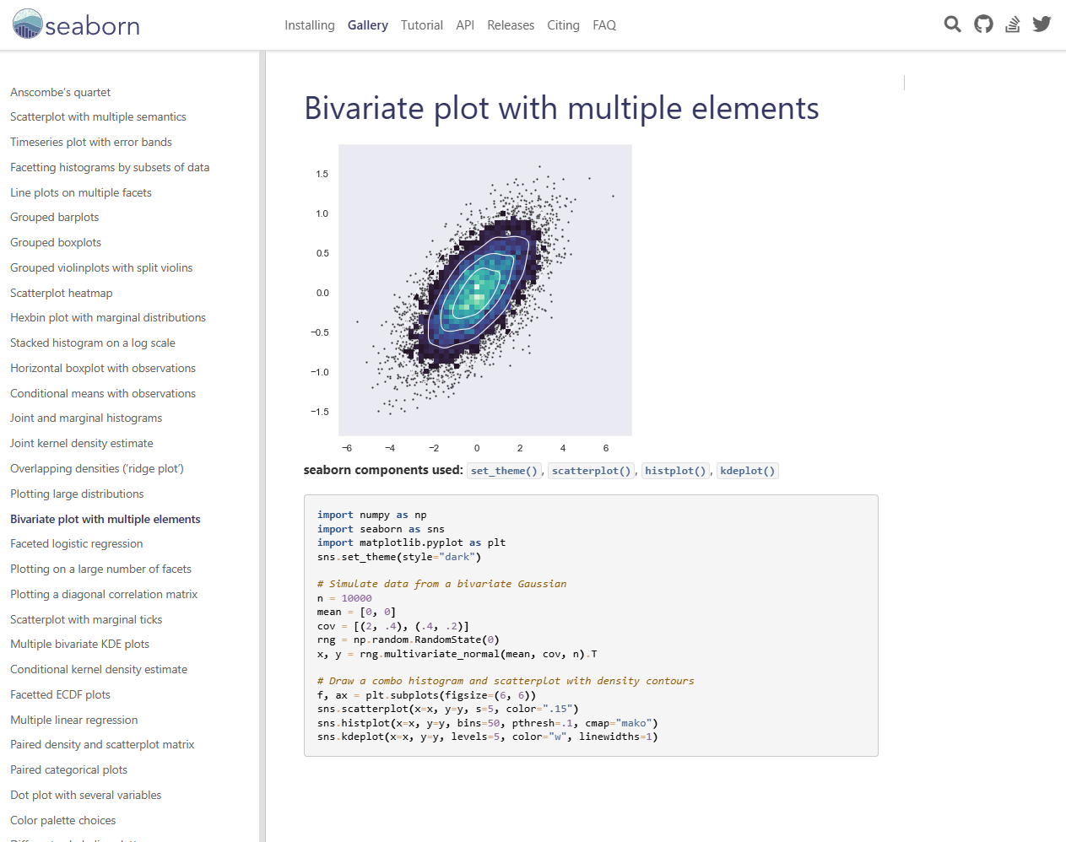

Process
1 | Initialize
2 | Install necessary libraries
3 | Write the function
4 | Use in Excel

Implementation

Config1 |  |  | Config2 |  |  | Config3

n | 20000 |  | n | 10000 |  | n | 10000

mean | 0 | 0 | mean | 0 | 0 | mean | 0 | 0

cov | 2 | 9 | cov | 3 | 10 | cov | 3.2 | 0
 | 0.3 | 2 |  | 0.1 | 3 |  | -13 | 4.5

levels | 5 |  | levels | 5 |  | levels | 5

bins | 50 |  | bins | 50 |  | bins | 20

title | Sample 1 |  | title | Sample 2b |  | title | Sample 3

cmap | mako |  | cmap | mako |  | cmap | rocket

figsize | 100 | 100 | figsize | 100 | 100 | figsize | 100 | 100

figure | PyObj<Sheet1$C$63a826e64bb4da9048e839b47096e1ac42cd0a4184d4ee88e1429030a22af5f230> | <class 'matplotlib.figure.Figure'> | figure | PyObj<Sheet1$J$630263785e97efc537c8d5e749704366e1f58333b71878b178a1474b42aa53a5e3> | <class 'matplotlib.figure.Figure'> | figure | PyObj<Sheet1$Q$63ff88a79827762da7286d42f9456253e3e810185e136424666a2b9fd80e74797b> | <class 'matplotlib.figure.Figure'>

fig_id | fig1 |  | fig_id | fig2 |  | fig_id | fig3
seed | 1 |  | seed | 1 |  | seed | 1

show() | PyObj<Sheet1$C$69034fa4a1c19b212c8ecb485690dae2f185ceb360207e07fe04bef6589e651d9a> | <class 'xlpro._types.xlproImage'> | show() | PyObj<Sheet1$J$69d80907b616fae9864b176f00c509147ad52741829052ee68f17f71ebac273512> | <class 'xlpro._types.xlproImage'> | show() | PyObj<Sheet1$Q$6982f1e7b901c36dd78d51fd72c19a500704c52fc5ef9dcda83843d078316714cb> | <class 'xlpro._types.xlproImage'>

