Sheet1
xlpro-demo.xlsx

PyObj<$B$7ffe5335e5fa178497f13d444fab7c2dbac810f9c10702344c61a9754daf0ad39> | <class 'numpy.ndarray'>
0.019052061671 | 0.0010225818221
0.03591093685 | 0.0058265994544 | 2 | PyObj<$F$9fc7a8f6f885af565026dd836d46a60065f8939d5a55f22ccb87313aca1e0100e> | <class 'matplotlib.figure.Figure'> |  |  |  |  | 5.3736235918E+18
0.081183505841 | 0.018365352978 |  | PyObj<$F$10ab23657235d6c96da0296e86fe7f5bdf060a6ed96a30289e440536ec35e01a97>_0 | <class 'matplotlib.axes._axes.Axes'>
0.090882171359 | 0.011668454358
0.11505534197 | -0.030151510969 | 1 | PyObj<$F$12a6669c42ecbc455ab07cb54c0a3ad27e9f9fedc6a75f010b6c63ab2bc209e671> | <class 'matplotlib.lines.Line2D'> | Dervla |  | tag1 | 0.1 | PyObj<$L$12c529cfc2bc41702a623f24f562b5107ab7d81955a6e2fddc709c255226b02af4> | <class 'matplotlib.text.Annotation'>
0.11578529764 | -0.031895578883 | 2 | PyObj<$F$13ba77d472ff55db8df69a562acfae48e947717ac276d0d0b152359643f3742764> | <class 'matplotlib.lines.Line2D'> | Dan |  | tag2 | 0.5 | PyObj<$L$13cc8975f276dab3aa7864d223497a128e978b16d8dc0817a49bf25f33f29a43e2> | <class 'matplotlib.text.Annotation'>
0.13526936062 | -0.081865851877 | 3 | PyObj<$F$14217effb1a0acad6c9a6e4e39adcc82dbff07a34a634a1ef35affa63adbfcb34c> | <class 'matplotlib.lines.Line2D'> | Line3 |  | tag3 | 0.8 | PyObj<$L$1477da4d145e9ff57e755791628f71d852fa2378ddf4a944853dcdf422f401a281> | <class 'matplotlib.text.Annotation'>
0.14888111519 | -0.11075947103 | 4 | PyObj<$F$15f93bc0a44fc6f2540a4006069f2883f152ce343e070668d6e8171b88978f7fb0> | <class 'matplotlib.lines.Line2D'> | Line4 |  | tag4 | 1 | PyObj<$L$151c2c1240bb65923d0218d46670e73f907c7a891540a5fd50f1509bf90c4a50d8> | <class 'matplotlib.text.Annotation'>
0.14966993304 | -0.11199942272
0.16579715509 | -0.12086214615
0.17311955602 | -0.11203256794 |  | 5.7765136508E+18
0.18066582227 | -0.093144406826 |  | PyObj<$F$192a562240087e9ab1b3553216ef15ae04431010b3a9f952b5ad98b4ce9bd9a3da>_0 | <class 'matplotlib.lines.Line2D'>
0.1832033621 | -0.084501401924 |  | PyObj<$F$192a562240087e9ab1b3553216ef15ae04431010b3a9f952b5ad98b4ce9bd9a3da>_1 | <class 'matplotlib.lines.Line2D'>
0.18691994209 | -0.069782897955 |  | PyObj<$F$192a562240087e9ab1b3553216ef15ae04431010b3a9f952b5ad98b4ce9bd9a3da>_2 | <class 'matplotlib.lines.Line2D'>
0.20232720987 | 0.014951234027 |  | PyObj<$F$192a562240087e9ab1b3553216ef15ae04431010b3a9f952b5ad98b4ce9bd9a3da>_3 | <class 'matplotlib.lines.Line2D'>
0.21007638843 | 0.068691256736 |  | PyObj<$F$192a562240087e9ab1b3553216ef15ae04431010b3a9f952b5ad98b4ce9bd9a3da>_4 | <class 'matplotlib.lines.Line2D'>
0.21469292868 | 0.10264324542 |  | PyObj<$F$192a562240087e9ab1b3553216ef15ae04431010b3a9f952b5ad98b4ce9bd9a3da>_5 | <class 'matplotlib.lines.Line2D'>
0.21885083644 | 0.13367720905 |  | PyObj<$F$192a562240087e9ab1b3553216ef15ae04431010b3a9f952b5ad98b4ce9bd9a3da>_6 | <class 'matplotlib.lines.Line2D'>
0.24102038051 | 0.27897308331 |  | PyObj<$F$192a562240087e9ab1b3553216ef15ae04431010b3a9f952b5ad98b4ce9bd9a3da>_7 | <class 'matplotlib.lines.Line2D'>
0.25978041354 | 0.32162602577
0.26803270521 | 0.30309113513
0.36963429794 | -0.55725470571
0.38071159821 | -0.41275946835 | #ff0000ff | PyObj<$F$42847d811dedf6e75542a239ec5d99009b2c2503d4eb13b8181ed72059773e3671> | 255 | 0 | 0 | 255 |  | [[255.0, 0.0, 0.0, 255.0]] |  |  | <class 'list'>
0.40682886892 | 0.17617960276 | #00ff00ff | PyObj<$F$433897b440b13c7e0d5690ff4b427ae213f31daba7bc8260b75aff4d9dfa2017af> | 0 | 255 | 0 | 255 |  | [[0.0, 255.0, 0.0, 255.0]] |  |  | <class 'list'>
0.41895463907 | 0.49225788557 | #0000ffff | PyObj<$F$4418698c6d18e8394fa882d9c9774e799ee8acc8a973d609b7d54ec6ee5f6f1863> | 0 | 0 | 255 | 255 |  | [[0.0, 0.0, 255.0, 255.0]] |  |  | <class 'list'>
0.4200168155 | 0.51884501536 | #ff00ffff | PyObj<$F$45bcba1762cb21ee6204fc83e4edb21a31cd638109a0ca973e9c1e34d1c249d1b8> | 255 | 0 | 255 | 255 |  | [[255.0, 0.0, 255.0, 255.0]] |  |  | <class 'list'>
0.42233427243 | 0.575659393
0.42660464836 | 0.67504270147
0.43124350133 | 0.77304051335
0.44184591035 | 0.94428561633
0.44240629253 | 0.95090071436
0.46729662721 | 0.93456455137
0.49147460454 | 0.31961840267 |  | PyObj<$F$52c64f131e9d200638b9cbd292cbf850fa0e6527680d96c64fdb22e1e320c6d844>
0.5157251217 | -0.63057855212 |  |  |  |  |  |  | add_lines_unique
0.51959053344 | -0.77932124021 |  | -6.1385952266E+18 |  |  |  |  |  |  | #VALUE!
0.52316201029 | -0.91021323588 | figure1 | PyObj<$F$551502c2bf9e32c944112a027b431fe4d0db185c78eec380f1f99b5d46909bc551> | <class 'xlpro._types.xlproImage'> |  |  |  | fig
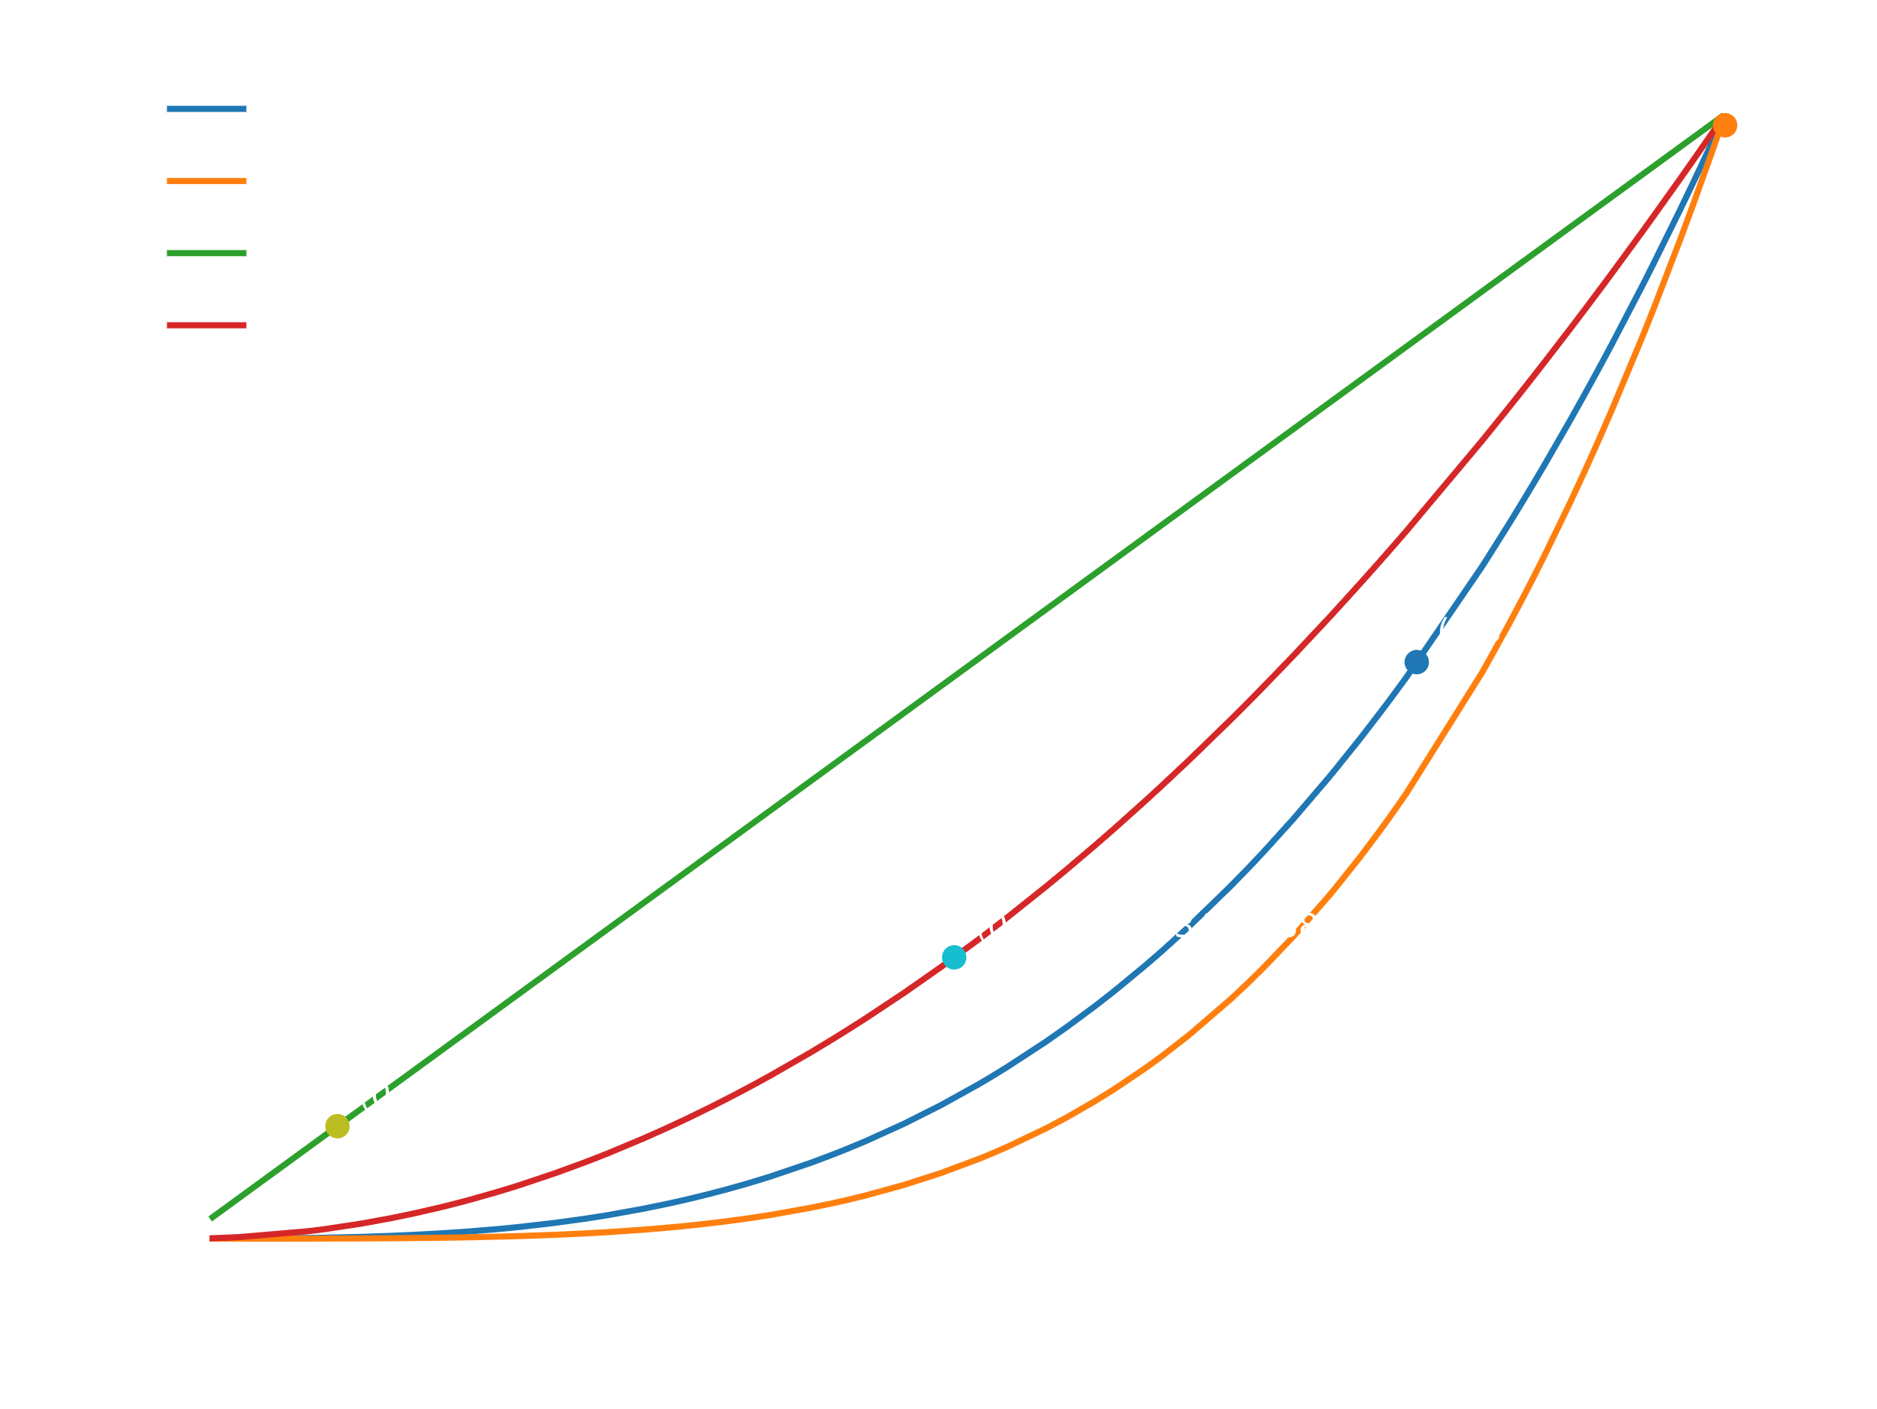
0.53404640489 | -1.2506379064 |  |  |  |  |  |  | ax | figure2 | PyObj<$M$5650bb56c547c952a97b3297c657c812c2ecd85bc817ae173c848cf758e5138205> | <class 'matplotlib.figure.Figure'>
0.55921097528 | -1.4985761344 |  |  |  |  |  |  | x
0.57270213885 | -1.2402305682 |  |  |  |  |  |  | y |  | PyObj<$M$58d2ea8e989f7cc08f53231ac12db969d42deca04b49631619554f60911d2880eb>_0
0.59108339891 | -0.48297208304 |  |  |  |  |  |  | color
0.60314836962 | 0.17961622297 |  |  |  |  |  |  |  | newline | PyObj<$M$60c35789598e107b4c78121c69fe4c29a6fc64891eff46cbde2ff91c1c8dfd9e61>
0.6041670507 | 0.23824376516
0.60481306087 | 0.27550366211
0.62405529081 | 1.335430876
0.6327599176 | 1.7154063381 |  |  |  |  |  |  |  |  | -6.7110602271E+18
0.63529551331 | 1.8064807019 |  |  |  |  |  |  |  |  | PyObj<$M$65ec804460f84c2d2fb9df9f9c9cf47b42f481cf53003354dbc067f00c7388c402>
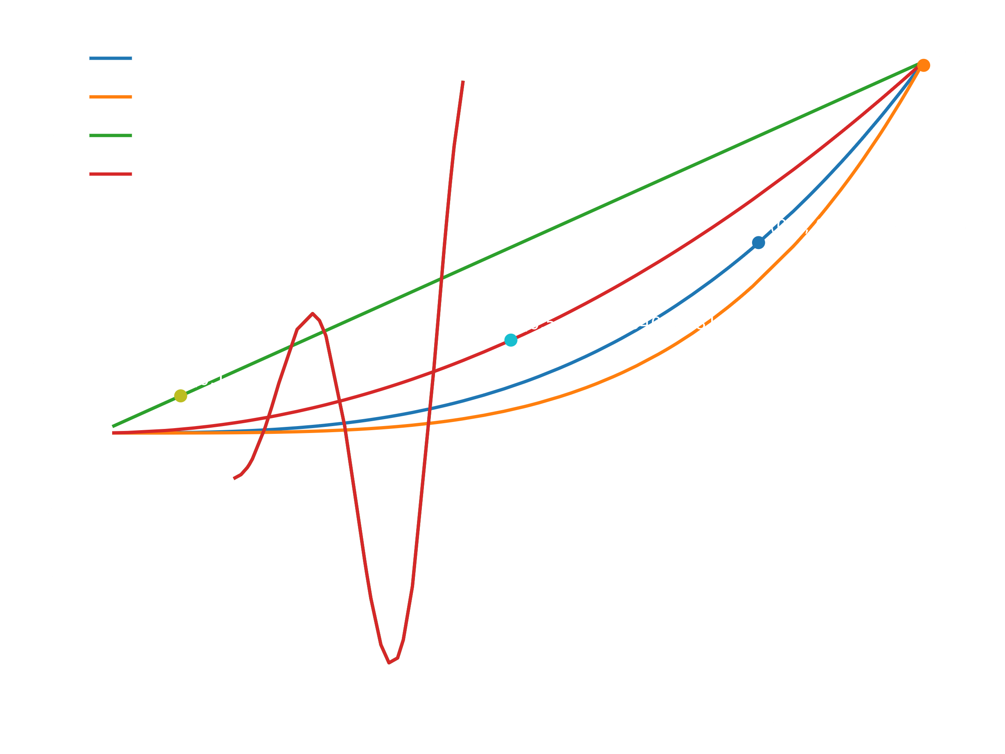
0.65248007373 | 2.1221934458
0.67883210286 | 1.4217609261
0.68775316128 | 0.88764839968
0.6920038718 | 0.59516774016
0.69508319389 | 0.37166197781
0.70041909984 | -0.032295409007
0.70122447913 | -0.094553647335
0.71980658082 | -1.5099576048
0.74282668858 | -2.6891960189
0.74698715981 | -2.7774610537
0.7618935541 | -2.7021494812
0.76539165552 | -2.5933075342
0.77594646301 | -2.0644929089
0.78029045673 | -1.7668269225
0.7829804795 | -1.5619783923
0.79315909697 | -0.67081936144
0.84201956773 | 3.4341538527
0.84617001735 | 3.5541348954
0.85965274015 | 3.5264146321
0.86246143303 | 3.4378134224
0.86826903062 | 3.1654722825
0.86939823008 | 3.0989377534
0.87578807361 | 2.6438088904
0.88253149803 | 2.0314842726
0.89944541125 | 0.070472322097
0.90776774132 | -0.99550876146
0.91210971768 | -1.544617393
0.91657036544 | -2.0892378859
0.91836856364 | -2.3006580009
0.91880748149 | -2.3514159631
0.9195713455 | -2.4389024015
0.92548143778 | -3.0736944473
0.92559584897 | -3.0851558666
0.92632378111 | -3.1572636653
0.94593005638 | -4.4373973428
0.94935182731 | -4.5054102156
0.95363027528 | -4.5175136696
0.97108227847 | -3.7181017073
0.97844801716 | -2.9990100261
0.97898596849 | -2.938760896
0.98002605485 | -2.8195138174
0.9923141705 | -1.1772826935
0.99752537509 | -0.38640220861

