Outcomes Based on Goals
Goal | Number Successful | Number Failed | Number Canceled | Total Projects | Percentage Successful | Percentage Failed | Percentage Canceled
Less Than 1000 | 141 | 45 | 0 | 186 | 76% | 24% | 0%
1000 to 4999 | 388 | 146 | 0 | 534 | 73% | 27% | 0%
5000 to 9999 | 93 | 76 | 0 | 169 | 55% | 45% | 0%
10000 to 14999 | 39 | 33 | 0 | 72 | 54% | 46% | 0%
15000 to 19999 | 12 | 12 | 0 | 24 | 50% | 50% | 0%
20000 to 24999 | 9 | 11 | 0 | 20 | 45% | 55% | 0%
25000 to 29999 | 1 | 4 | 0 | 5 | 20% | 80% | 0%
30000 to 34999 | 3 | 8 | 0 | 11 | 27% | 73% | 0%
35000 to 39999 | 4 | 2 | 0 | 6 | 67% | 33% | 0%
40000 to 44999 | 2 | 1 | 0 | 3 | 67% | 33% | 0%
45000 to 49999 | 0 | 1 | 0 | 1 | 0% | 100% | 0%
Greater Than 50000 | 2 | 14 | 0 | 16 | 13% | 88% | 0%

Outcomes Based on Goal

Theater Outcomes by Launch Date
Parent Category | theater
Years | (All)
country | (All)
Subcategory | plays

Count of outcomes | Column Labels
Row Labels | successful | failed | Grand Total
Jan | 43 | 20 | 63
Feb | 60 | 30 | 90
Mar | 46 | 21 | 67
Apr | 57 | 29 | 86
May | 93 | 42 | 135
Theater Outcomes by Launch Date
Jun | 83 | 35 | 118
Jul | 75 | 37 | 112
Aug | 62 | 30 | 92
Sep | 46 | 24 | 70
Oct | 55 | 35 | 90
Nov | 47 | 21 | 68
Dec | 27 | 29 | 56
Grand Total | 694 | 353 | 1047

Category StatisticsS
country | GB

Count of outcomes | Column Labels
Row Labels | canceled | failed | live | successful | Grand Total
film & video | 2 | 30 |  | 21 | 53
food | 1 | 8 | 1 |  | 10
games |  | 17 |  | 16 | 33
music | 1 | 7 | 1 | 25 | 34
photography |  | 27 |  | 18 | 45
publishing | 3 | 8 |  | 6 | 17
technology | 12 | 19 |  | 22 | 53
theater | 6 | 89 | 6 | 258 | 359
Grand Total | 25 | 205 | 8 | 366 | 604

OUTCOMES BASED ON CATEGORY
 | canceled | failed | live | successful
film & video | 2 | 30 |  | 21
food | 1 | 8 | 1
games |  | 17 |  | 16
music | 1 | 7 | 1 | 25
photography |  | 27 |  | 18
publishing | 3 | 8 |  | 6
technology | 12 | 19 |  | 22
theater | 6 | 89 | 6 | 258

Category Statistics
OUTCOMES BASED ON CATEGORY (GB)
 | canceled | failed | live | successful
film & video | 2 | 30 |  | 21
food | 1 | 8 | 1
games |  | 17 |  | 16
music | 1 | 7 | 1 | 25
photography |  | 27 |  | 18
publishing | 3 | 8 |  | 6
technology | 12 | 19 |  | 22
theater | 6 | 89 | 6 | 258

canceled | failed | live | successful | Grand Total
25 | 205 | 8 | 366 | 604
We have found that while there are only a total of 604 Kickstarter campaigns for plays in Great Britain, the "theater" category is the most successful.

subcatData
Years | (All)
Category | theater

Count of outcomes | Column Labels
Row Labels | canceled | failed | live | successful | Grand Total
musical | 20 | 60 |  | 60 | 140
plays |  | 353 | 19 | 694 | 1066
spaces | 17 | 80 | 5 | 85 | 187
Grand Total | 37 | 493 | 24 | 839 | 1393

Outcomes based on subcategory
 | canceled | failed | live | successful
musical | 20 | 60 |  | 60
plays |  | 353 | 19 | 694
spaces | 17 | 80 | 5 | 85

Subcategory Statistics
outcomes based on theater subcategory
 | canceled | failed | live | successful
musical | 20 | 60 |  | 60
plays |  | 353 | 19 | 694
spaces | 17 | 80 | 5 | 85

Row Labels | canceled | failed | live | successful | Grand Total
musical | 20 | 60 |  | 60 | 140
plays |  | 353 | 19 | 694 | 1066
spaces | 17 | 80 | 5 | 85 | 187
Grand Total | 37 | 493 | 24 | 839 | 1393

 | 1460506208 | 1463098208

 | 2016-04-13 00:10:08 | 2016-05-13 00:10:08

 | 2016-04-13 00:10:08

 | A1/(24*60*60) + DATE(1970;1;1)

Edinburgh Research
Edinburgh Research

Name | blurb | goal | pledged | average donation | backers_count
Be Prepared | Help us get actor-writer Ian Bonar's debut play - a hilarious, heartbreaking story of grief and loss - to the 2016 Edinburgh Fringe. | $2,000 | $2,020 | $52 | 39
Checkpoint 22 | The play yet to be described as "A surefire Edinburgh Fringe Festival Cult Hit". Coming to the Underbelly, Edinburgh, 5th-30th August. | $2,000 | $2,020 | $36 | 56
Cutting Off Kate Bush | Cutting Off Kate Bush is a one-woman show written & performed by Lucy Benson-Brown, premiering at the Edinburgh Fringe Festival 2014 | $1,500 | $2,576 | $33 | 78
Jestia and Raedon | Jestia and Raedon is a brand new romantic comedy play going to the Edinburgh Fringe Festival this summer. | $1,000 | $1,168 | $45 | 26
The Hitchhiker's Guide to the Family | A one-man show about love, loss, and motorways, written & performed by Ben Norris. Help us get to the 2015 Edinburgh Fringe and beyond! | $4,000 | $4,137 | $37 | 113

Descriptive Statistics
U.S. Kickstarters / "theater" / "plays" / "outcome" Measures of Cental Tendancy & Spread

Based on these statistics, we can determine the following:
- The mean of each distribution is around the 3rd quartile, so the data follows similar distributions in each subset.
- The standard deviations are larger than the mean, which means everything below the mean is considered "close" to the center.
- Some large values are driving all of these distributions. The standard deviations are all roughly twice the IQR in each distribution, except in the failed Kickstarters, where the standard deviation is closer to three times the IQR. There must be some failed Kickstarters with really high goals
 | Succesful | Failed
Mean Goal | $5,074 | $10,726
Median Goal | $3,000 | $5,000
SD of Goal | $7,774 | $28,641
Upper Quartile of Goal | $5,000 | $10,000
Lower Quartile of Goal | $1,500 | $2,000
IQR of Goal | $3,500 | $8,000

 | Succesful | Failed
Mean Pledged | $5,629 | $568
Median Pledged | $3,168 | $114
SD of Pledged | $8,362 | $1,339
Upper Quartile of Pledged | $5,747 | $508
Lower Quartile of Pledged | $1,697 | $10
IQR of Pledged | $4,050 | $498

GB Musical Research
Subcategory | musical
country | GB
outcomes | (Multiple Items)

Row Labels | Sum of goal | Sum of pledged | goal | pledged
1000 words (Canceled) | £5,000 | £10 | £5,000 | £10
A Brief History of Musical Theatre... | £200 | £130 | £200 | £130
Arts in Conflict | £10,000 | £102 | £10,000 | £102
Austen a New Musical Play | £3,550 | £116 | £3,550 | £116
CAGED - A New Musical (Canceled) | £15,000 | £- | £15,000 | £-
Children Must Run: An Original Musical | £8,000 | £273 | £8,000 | £273
Drinking with Angelika - Marlowe Studio Canterbury May 2016 | £3,900 | £2,059 | £3,900 | £2,059
Duodeca | £600 | £10 | £600 | £10
Forbear! Theatre | £10,000 | £10,092 | £10,000 | £10,092
iolite the musical | £1,250 | £1,328 | £1,250 | £1,328
Jack and the Beanstalk, The Family Pantomime December 2015 | £5,000 | £50 | £5,000 | £50
Jeremy Kyle- The Opera | £3,000 | £1 | £3,000 | £1
Les Miserables - Backing fund | £500 | £500 | £500 | £500
MARSHA - a girl who does bad things | £500 | £500 | £500 | £500
No Horizon - The forgotten story, told in a unique musical. | £2,000 | £2,035 | £2,000 | £2,035
Nothing Changes | £2,000 | £25 | £2,000 | £25
POP! Community Cabaret Presents... | £500 | £565 | £500 | £565
Retro Rhapsody | £550 | £713 | £550 | £713
Send "Pawn" to Edinburgh! | £2,000 | £3,015 | £2,000 | £3,015
Shock Treatment - The Sequel to Rocky Horror! | £5,000 | £587 | £5,000 | £587
Some Enchanted Evening UK TOUR | £500 | £100 | £500 | £100
The White Feather: a new musical | £2,000 | £2,000 | £2,000 | £2,000
Theatre 'Portable' Royal (Canceled) | £15,000 | £- | £15,000 | £-
Thoroughly Modern Millie (Canceled) | £7,500 | £980 | £7,500 | £980
UCAS | £1,500 | £2,000 | £1,500 | £2,000
Zachariah Sheldon: A musical to chill your blood | £500 | £30 | £500 | £30

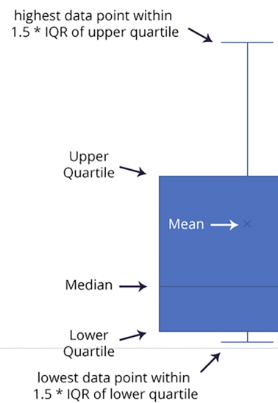

From these plots, we can see that the mean campaign goal is around £4,000. This is outside of the range of outliers for amount pledged, so Louise should probably try to get her play produced for less than £4,000. Half of the campaign goals are less than £2,000, which is just over the 3rd quartile for amounts pledged.

GB - Musical Research
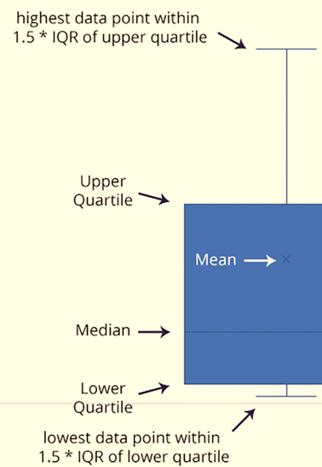
25% of the Kickstarter campaigns for musicals in Great Britain got no funding at all.

From these plots, we can see that the mean campaign goal is around £4,000. This is outside of the range of outliers for amount pledged, so Louise should probably try to get her play produced for less than £4,000. Half of the campaign goals are less than £2,000, which is just over the 3rd quartile for amounts pledged.

