Pin Mapping
 | 2332 ROM | 2732 EPROM
 | Pin 1 | Pin 1
 | Pin 2 | Pin 2
 | Pin 3 | Pin 3
 | Pin 4 | Pin 4
 | Pin 5 | Pin 5
 | Pin 6 | Pin 6
 | Pin 7 | Pin 7
 | Pin 8 | Pin 8
 | Pin 9 | Pin 9
 | Pin 10 | Pin 10
 | Pin 11 | Pin 11
GND | Pin 12 | Pin 12 | GND
 | Pin 13 | Pin 13
 | Pin 14 | Pin 14
 | Pin 15 | Pin 15
 | Pin 16 | Pin 16
 | Pin 17 | Pin 17
 | Pin 18 | Pin 18 | CS1
 | Pin 19 | Pin 19
CS1 | Pin 20 | Pin 20 | Vpp
CS2 | Pin 21 | Pin 21
 | Pin 22 | Pin 22
 | Pin 23 | Pin 23
Vcc | Pin 24 | Pin 24 | Vcc

Logic Circuit
 | Pin 1 | Pin 1
 | Pin 2 | Pin 2
 | Pin 3 | Pin 3
 | Pin 4 | Pin 4
 | Pin 5 | Pin 5
 | Pin 6 | Pin 6
GND | Pin 7 | Pin 7 | GND
 | Pin 8 | Pin 8
 | Pin 9 | Pin 9
 | Pin 10 | Pin 10
 | Pin 11 | Pin 11
 | Pin 12 | Pin 12
 | Pin 13 | Pin 13
Vcc | Pin 14 | Pin 14 | Vcc
 | 74LS04 NOT | 74LS04 OR

Logic Circuit
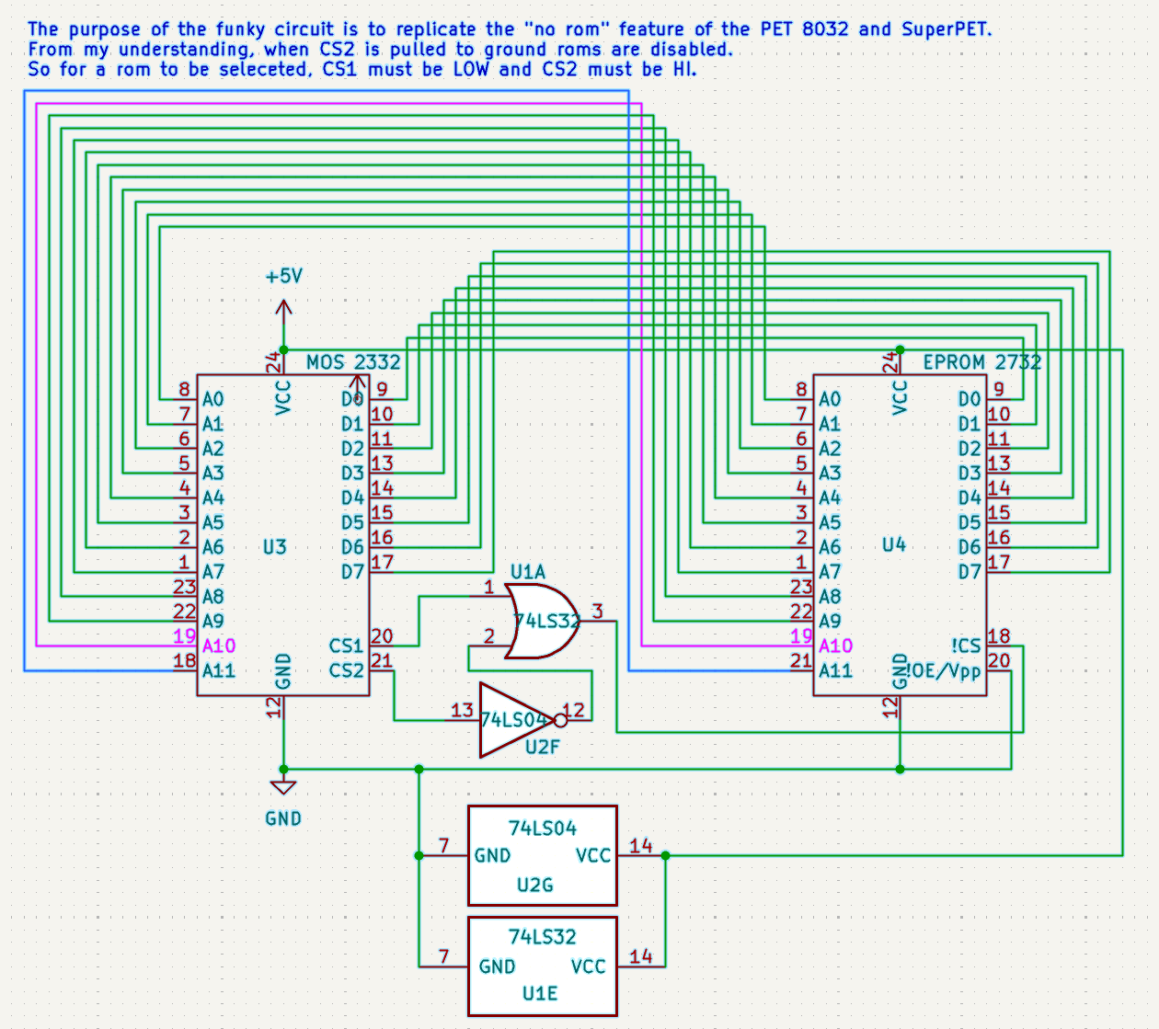
CS1 | CS2 | ROM Selected | NOT CS2 | CS1 OR CS2
Hi | Hi | ⮽ | Lo | Hi
Hi | Lo | ⮽ | Hi | Hi
Lo | Hi | ☑ | Lo | Lo
Lo | Lo | ⮽ | Hi | Hi

The purpose of the funky circuit is to replicate the "no rom" feature of the PET 8032 and SuperPET. From my understanding, when CS2 is pulled to ground roms are disabled. So for a rom to be seleceted, CS1 must be low and CS2 must be hi.

