Model Overview
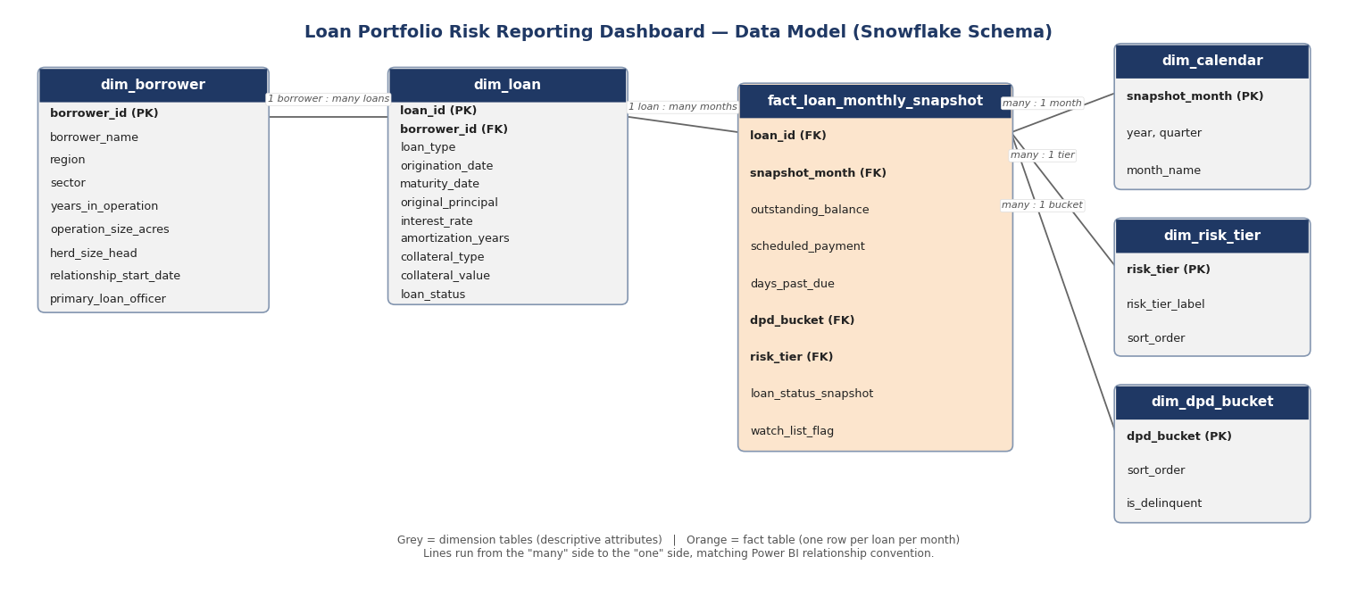
Data Model Design — Model Overview
Loan Portfolio Risk Reporting Dashboard — Harvest Trust Financial (HTF)
Phase 5 of 7: | Data Model Design
Prepared By: | Dwij Siyal
Version: | 1.0.
Date: | 5-Aug-26

Schema type: Snowflake schema: one fact table plus five dimension/lookup tables, with dim_loan
connected to dim_borrower (rather than borrower attributes flattened onto dim_loan), since a
borrower can hold multiple loans and this avoids repeating borrower details on every loan row.

Fact table grain: fact_loan_monthly_snapshot holds one row per active loan per calendar month
this grain is what makes the trailing-12-month delinquency trend (FR3) and the month-over-month
watch-list flag (FR8) possible; a single point-in-time snapshot would not support either.

Source: all six tables are generated by generate_synthetic_data.py (Phase 4) and exported as CSV
to /04_data/raw/. This workbook documents that output for use in the Power BI build (Phase 6).

Table Inventory
Table | Type | Grain (one row per...) | Row Count | Purpose
dim_borrower | Dimension | borrower | 380 | Borrower/client attributes: region, sector, farm size, relationship history.
dim_loan | Dimension | loan | 539 | Loan-level static attributes: type, principal, rate, collateral, current status.
fact_loan_monthly_snapshot | Fact | loan + month | 9,372 | Monthly balance, delinquency, and risk-tier position for every active loan.
dim_risk_tier | Lookup | risk tier (1-4) | 4 | Friendly labels and sort order for the 4-tier risk scale.
dim_dpd_bucket | Lookup | DPD bucket | 5 | Friendly labels, sort order, and delinquency flag for DPD buckets.
dim_calendar | Lookup | month | 24 | Monthly calendar dimension for time intelligence (trailing-12-month trend, etc.).

