Sheet1
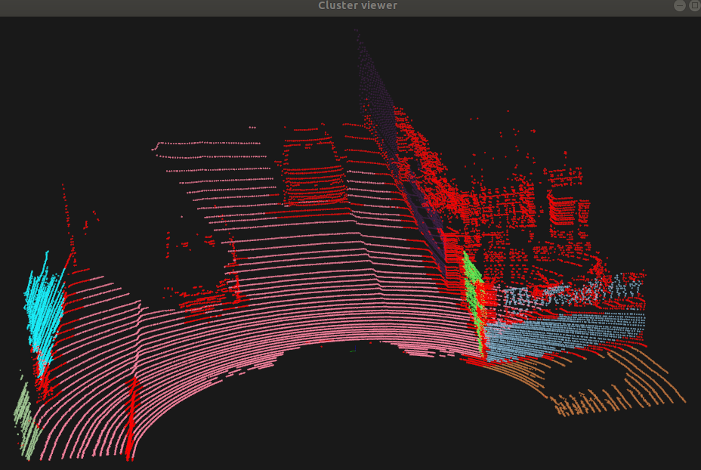
MinClusterSize | 500 |  | 500 | 1000
MaxClusterSize | 1000000
NumberofNeighbours | 30 | 50 | 100 | 100
SmoothnessThres | 1/180*PI
CurvatureThres | 1
 | Floor was seg into small pieces | some floor seg merges | more floor merged, no small pieces | no changes
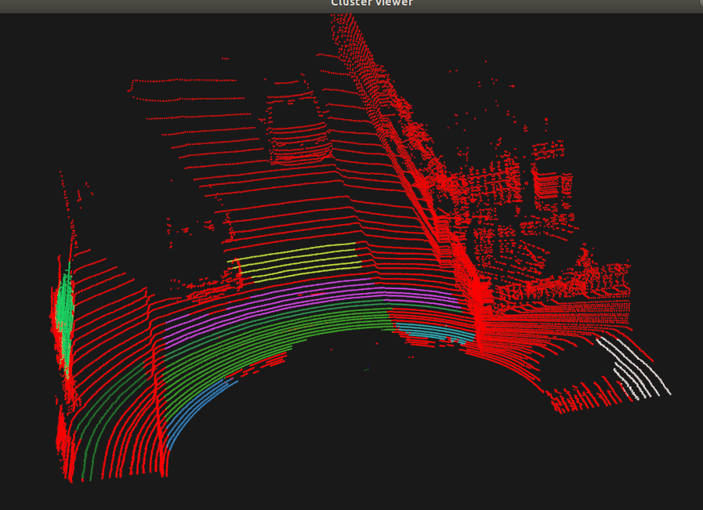
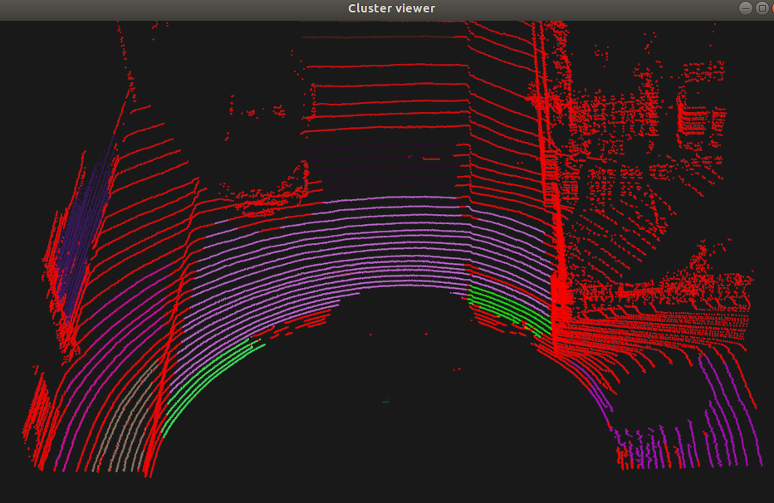
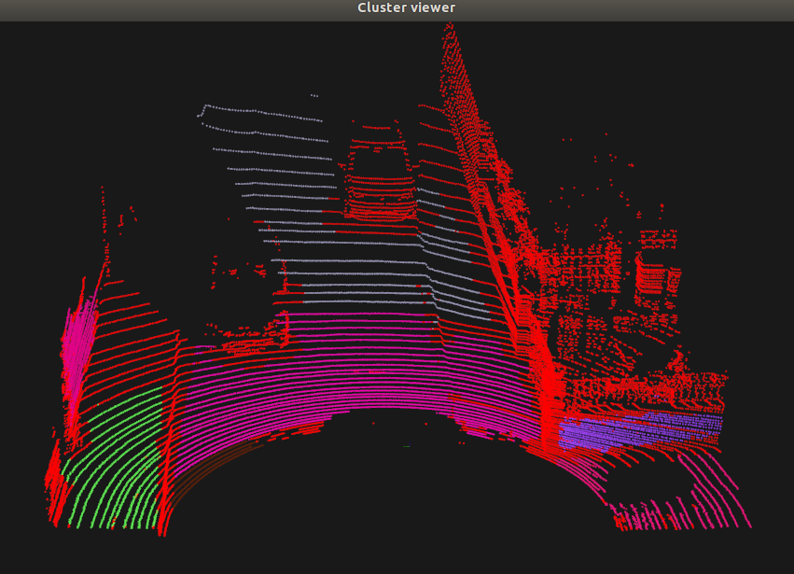
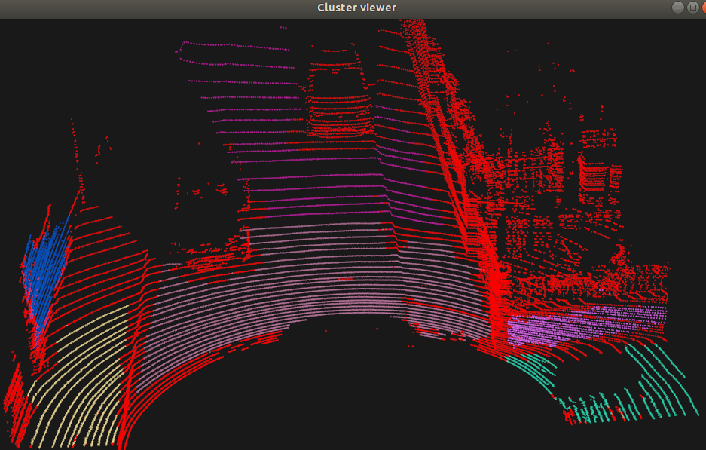

MinClusterSize | 1000 |  |  | 1000
MaxClusterSize |  |  |  | 1000000
NumberofNeighbours | 100 | 50 | 50 | 100
SmoothnessThres | 3.0/180*PI | 3.0/180*PI | 2.0/180*PI | 2.0/180*PI
CurvatureThres | 1 |  |  | 1
 | Left 2 vertical, right 3 wall, large floor, right floor | only problem is floor shoulder | left floor shoulder seg out. Far floor seg | left wall right wall, large floor, right small floor
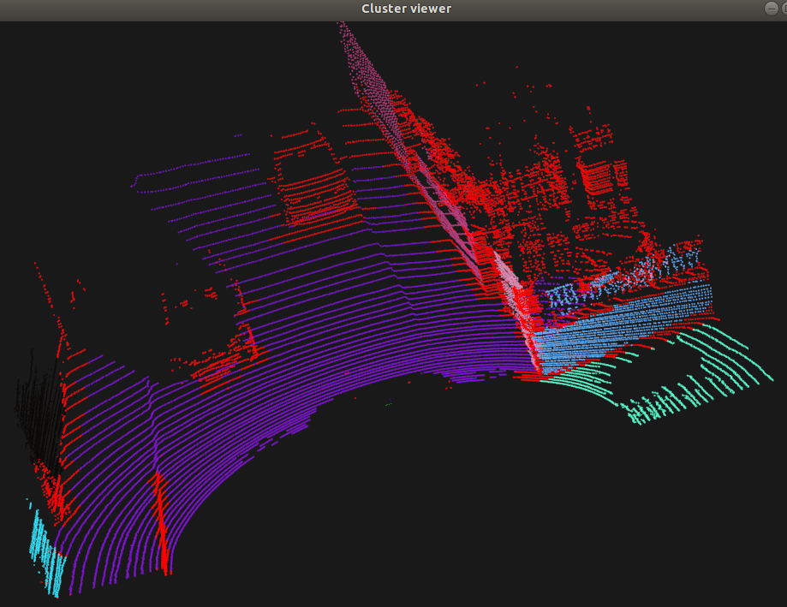
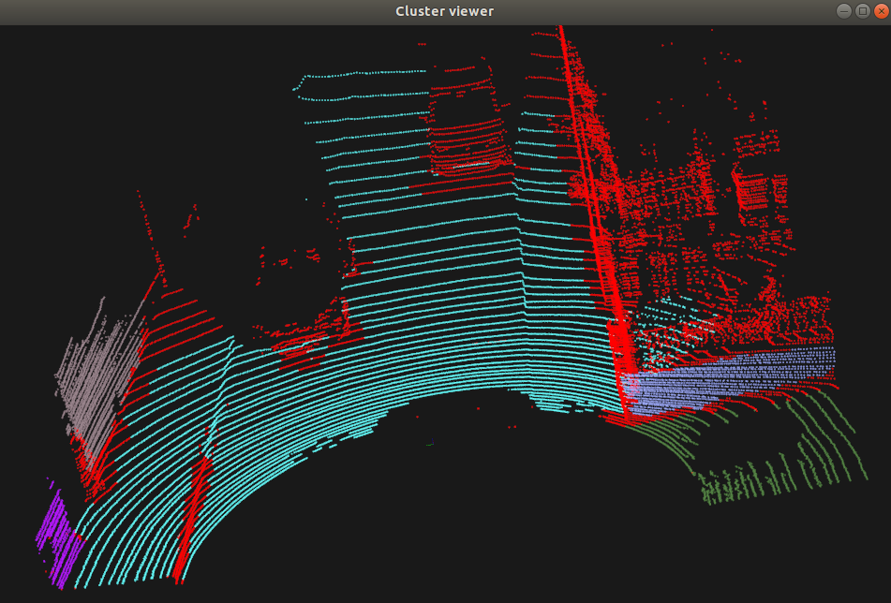
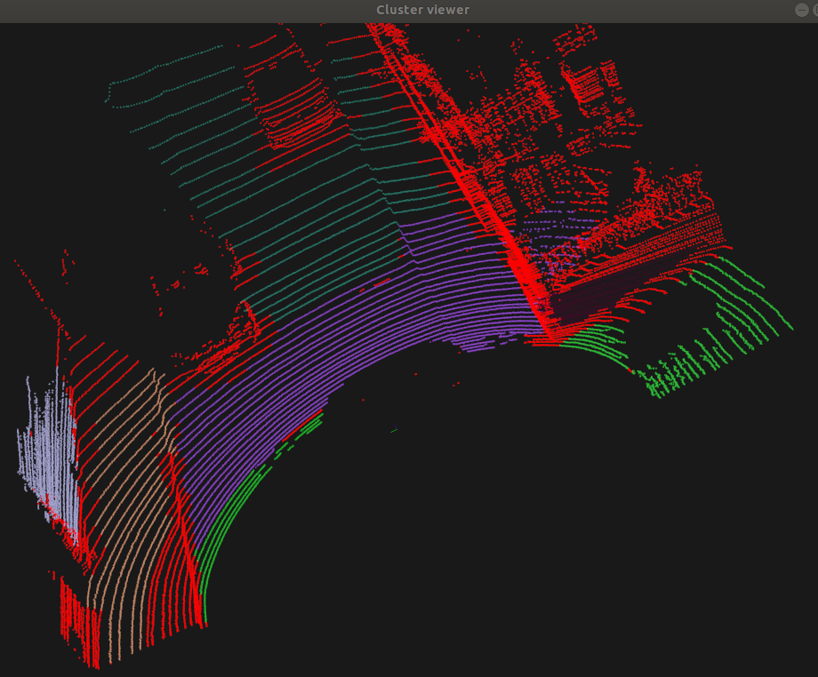
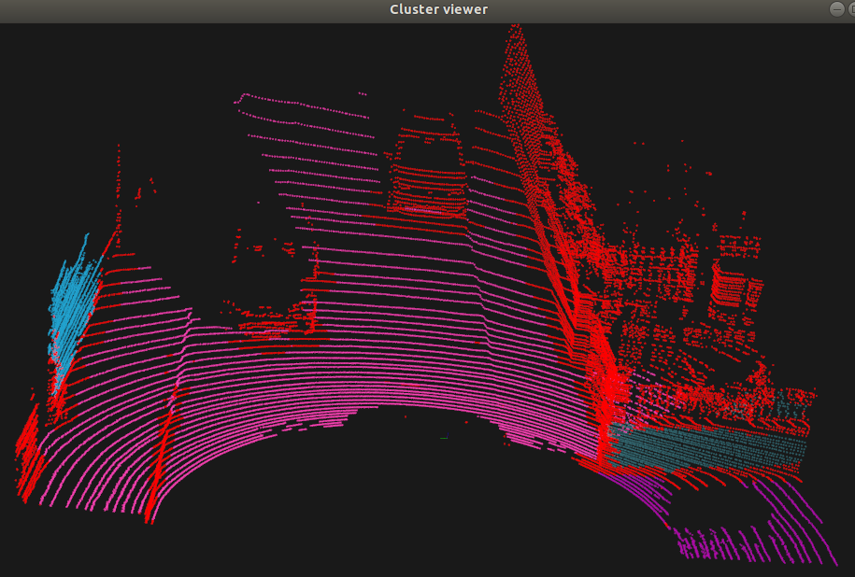

MinClusterSize
MaxClusterSize
NumberofNeighbours | 100
SmoothnessThres | 3.0/180*PI
CurvatureThres | 2
 | no changes

