Exercise 3
This table contains the dates for declaration date of dividends, dividend and ex-dividend

 | Ex.Div..Date | Amount | Type | Yield | Change | Decl..Date | Rec..Date | Pay..Date
1 | 2020-10-27 | 0.46 | Quarter | 0.46 | +7% | 2020-09-20 | 2020-10-28 | 2020-12-01
2 | 2020-07-23 | 0.43 | Quarter | 0.43 | N/A | 2020-07-13 | 2020-07-26 | 2020-09-01
3 | 2020-10-16 | 0.43 | Quarter | 0.43 | +2.4% | 2020-10-09 | 2020-10-19 | 2020-12-01
4 | 2020-07-17 | 0.42 | Quarter | 0.42 | N/A | 2020-07-08 | 2020-07-20 | 2020-09-01
5 | 2020-05-08 | 0.42 | Quarter | 0.42 | N/A | 2020-04-30 | 2020-05-11 | 2020-06-01
6 | 2020-02-13 | 0.42 | Quarter | 0.42 | +10.5% | 2020-02-04 | 2020-02-14 | 2020-03-02
7 | 2020-10-16 | 0.42 | Quarter | 0.42 | +37.7% | 2020-10-07 | 2020-10-17 | 2020-12-02
8 | 2020-05-10 | 0.305 | Quarter | 0.305 | N/A | 2020-05-01 | 2020-05-13 | 2020-06-03
9 | 2020-02-08 | 0.305 | Quarter | 0.305 | N/A | 2020-01-30 | 2020-02-11 | 2020-03-01
10 | 2020-10-12 | 0.305 | Quarter | 0.305 | +7% | 2020-10-05 | 2020-10-15 | 2020-12-03
11 | 2020-07-20 | 0.285 | Quarter | 0.285 | N/A | 2020-07-11 | 2020-07-23 | 2020-09-04
12 | 2020-05-11 | 0.285 | Quarter | 0.285 | N/A | 2020-05-04 | 2020-05-14 | 2020-06-01
13 | 2020-02-09 | 0.285 | Quarter | 0.285 | +7.5% | 2020-02-01 | 2020-02-12 | 2020-03-01
14 | 2020-10-13 | 0.265 | Quarter | 0.265 | N/A | 2020-10-06 | 2020-10-16 | 2020-12-01
15 | 2020-07-20 | 0.265 | Quarter | 0.265 | N/A | 2020-07-12 | 2020-07-24 | 2020-09-01
16 | 2020-05-11 | 0.265 | Quarter | 0.265 | N/A | 2020-05-05 | 2020-05-15 | 2020-06-01
17 | 2020-02-10 | 0.265 | Quarter | 0.265 | +6% | 2020-01-31 | 2020-02-14 | 2020-03-01
18 | 2020-10-13 | 0.25 | Quarter | 0.25 | N/A | 2020-10-06 | 2020-10-17 | 2020-12-01
19 | 2020-07-21 | 0.25 | Quarter | 0.25 | N/A | 2020-07-13 | 2020-07-25 | 2020-09-01
20 | 2020-05-18 | 0.25 | Quarter | 0.25 | N/A | 2020-05-10 | 2020-05-20 | 2020-06-01
21 | 2020-02-11 | 0.25 | Quarter | 0.25 | -66.2% | 2020-02-04 | 2020-02-16 | 2020-03-01
22 | 2020-10-15 | 0.74 | Quarter | 0.74 | N/A | 2020-10-09 | 2020-10-19 | 2020-12-01
23 | 2020-07-23 | 0.74 | Quarter | 0.74 | +1.4% | 2020-07-16 | 2020-07-27 | 2020-09-01
24 | 2020-05-20 | 0.73 | Quarter | 0.73 | N/A | 2020-05-12 | 2020-05-22 | 2020-06-01
25 | 2020-02-12 | 0.75 | Quarter | 0.75 | N/A | 2020-02-04 | 2020-02-17 | 2020-03-02

The following tables contains the dates of announcements of open market or tender offers for shares repurchases

In late 2016, we initiated our current share repurchase program, which has a current total program authorization of $25 billion of our common stock. Cost of share repurchases were $892 million, $3,500million, $2,999 million in 2020, 2019 and 2018, respectively. Share repurchases were suspended in the second and third quarters of 2020 in response to the economic downturn. In the fourth quarter of 2020, we resumed share repurchases, repurchasing $0.2 billion of shares in October, until suspending further repurchases upon
entry into a definitive agreement to acquire Concho. In February 2021, we resumed share repurchases following our Concho acquisition. Share repurchases since inception of our current program totaled 189 million shares at a cost of $10,517 million, as of December 31, 2020.
 | announcement_date |  | total_repurchases | number of shares
 | 2020-02-01 |  | 2020 | 892
 | 2018-02-01 |  | 2019 | 3500
 | 2017-03-29 |  | 2018 | 2999
 | 2016-11-10 |  | 2017 | 3000
 |  |  | 2016 | 126
 |  |  | 2015 | 0

Exercise 4
The S&P500 is the most suitable market proxy for a US-based firm in the broadest sense.
However, as part of this case study we try to evaluate a potential investment in
the sector of US publicly traded companies that deal in oil/gas. Hence, the most suitable
market proxy would be an US index that tracks the oil/gas sector in the USA.
The S&P500 Energy Index seems like a suitable choice. The index is
designed to measure the stock performance of U.S. companies in the oil and gas sector. The S&P 500® Energy comprises those companies included in the S&P 500 that are classified as members of the GICS® energy sector. Thus, we deem it to be the most appropriate proxy for the “market” for the company
ConocoPhillips (COP).
Source: https://www.spglobal.com/spdji/en/indices/equity/sp-500-energy-sector/#overview

Exercise 7
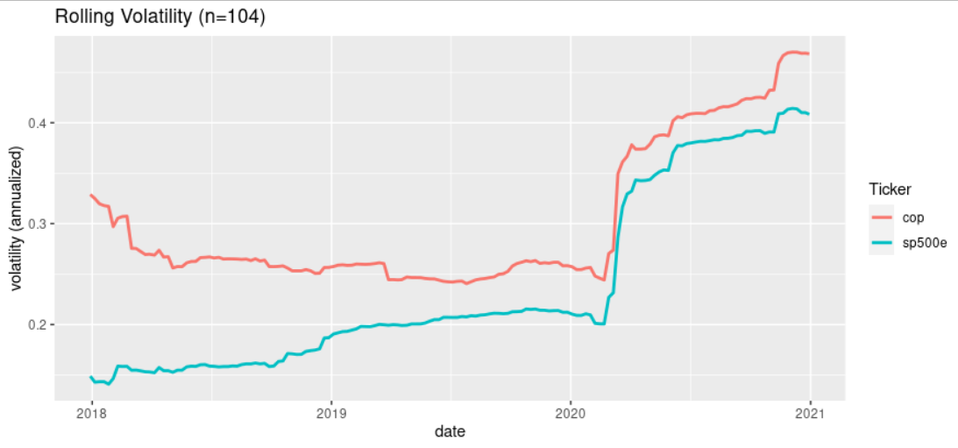

Exercise 8
