Worksheet


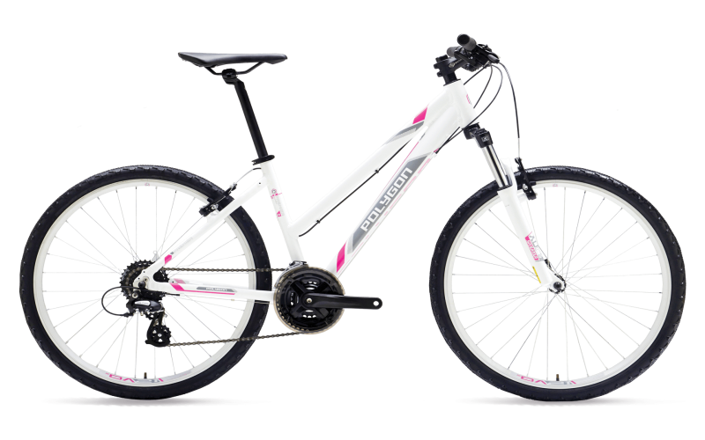
NO | QUESTION | QUESTION PICTURE | OPTION A | OPTION PICTURE A | OPTION B | OPTION PICTURE B | OPTION C | OPTION PICTURE C | OPTION D | OPTION PICTURE D | OPTION E | OPTION PICTURE E | TRUE ANSWER
1 | Q1 |  | Q1 A |  | Q1 B |  |  |  |  |  |  |  | A
2 | Q2 |  | Q2 A |  | Q2 B |  | Q2 C |  | Q2 D |  |  |  | C
3 | Q3 |  | Q3 A |  | Q3 B |  | Q3 C |  | Q3 D |  | Q3 E |  | E

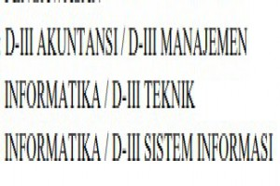
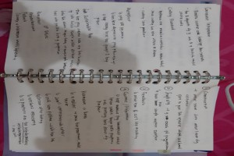
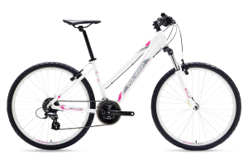
4 | Q4 |  | Q4 A |  | Q4 B |  | Q4 C |  |  |  |  |  | B
5 | Q5 |  | Q5 A |  | Q5 B |  | Q5 C |  |  |  |  |  | C

