Purchase Request
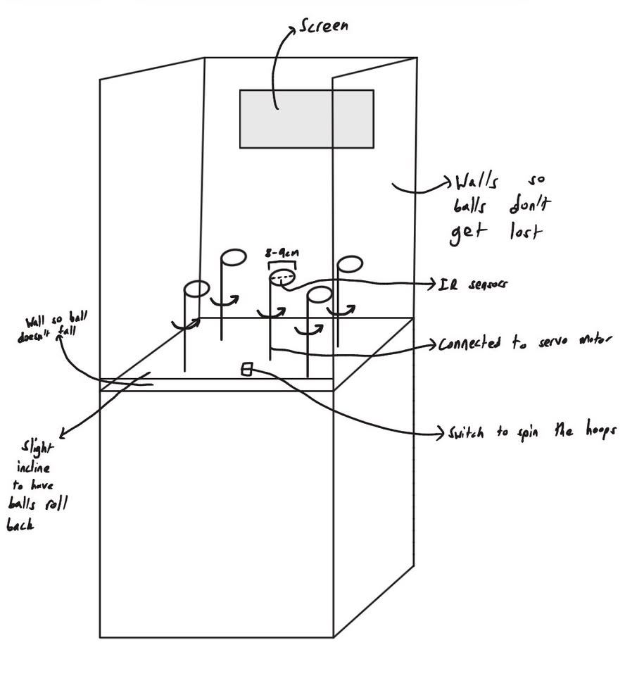
Item | Vendor Name | Vendor Part Number | Item Description | Currency (eg, USD, AUD, Euro) | Unit Price (Vendor Currency) | Exchange Rate | Quantity | Total Price (NZD) | In Stock | Estimated Delivery Time | Team Name | Link
4 | AliExpress |  | 2.42 inch 2.42" OLED Display | NZD | 15.51 | 1 | 1 | 15.51 | Yes | Jun 12 - 17 | dc-p1-team04-2026 | aliexpress OLED
7 | AliExpress |  | MS3625 I2S Microphone Module | NZD | 3.61 | 1 | 1 | 3.61 | Yes | Jun 15 - 18 | dc-p1-team04-2026 | microphone module
8 | AliExpress |  | MAX98357A I2S Audio Amplifier | NZD | 3.2 | 1 | 1 | 3.2 | Yes | Jun 15 - 18 | dc-p1-team04-2026 | audio amplifier
9 | AliExpress |  | Mini Cavity Speaker | NZD | 4.88 | 1 | 1 | 4.88 | Yes | Jun 15 - 18 | dc-p1-team04-2026 | speaker
10 | AliExpress |  | MG90S 9g Digital Mini Micro Servo 180/360 Degree (We want 360) | NZD | 5.51 | 1 | 2 | 11.02 | Yes | Jun 16 - 22 | dc-p1-team04-2026 | 360 degree servo
11 | AliExpress |  | MG90S 9g Digital Mini Micro Servo 180/360 Degree (We want 180) | NZD | 5.51 | 1 | 3 | 16.53 | Yes | Jun 16 - 22 | dc-p1-team04-2026 | 180 degree servo
12 |  |  |  |  |  | 0 |  | 0
13 |  |  |  |  |  | 0 |  | 0
14 |  |  |  |  |  | 0 |  | 0
15 |  |  |  |  |  | 0 |  | 0
16 |  |  |  |  |  | 0 |  | 0
17 |  |  |  |  |  | 0 |  | 0
18 |  |  |  |  |  | 0 |  | 0
19 |  |  |  |  |  | 0 |  | 0
20 |  |  |  |  |  | 0 |  | 0
Total (NZD) |  |  |  |  |  |  |  | $54.75

Project Brief:
As the theme is arcade, we decided to make an arcade style basketball game. This will involve a small field with 5 mini basketball hoops, and the player would have to throw a ball (probably a ping pong ball or a similar lightweight ball) into as many hoops as they can in the given time. The time for a round will be displayed, and different hoops will vary in difficulty whether that is the distance from the player, or a rotating hoop (using servos). We hope to add difficulties that the player can select, and keep track of different players' scores on a global leaderboard on a webpage. The time limit and the score will be shown on a display screen for the player to view. A rough concept design is shown below. If we have extra time in the end we plan to integrate AI that will say random catch phrases during the game.

