Purchase Request
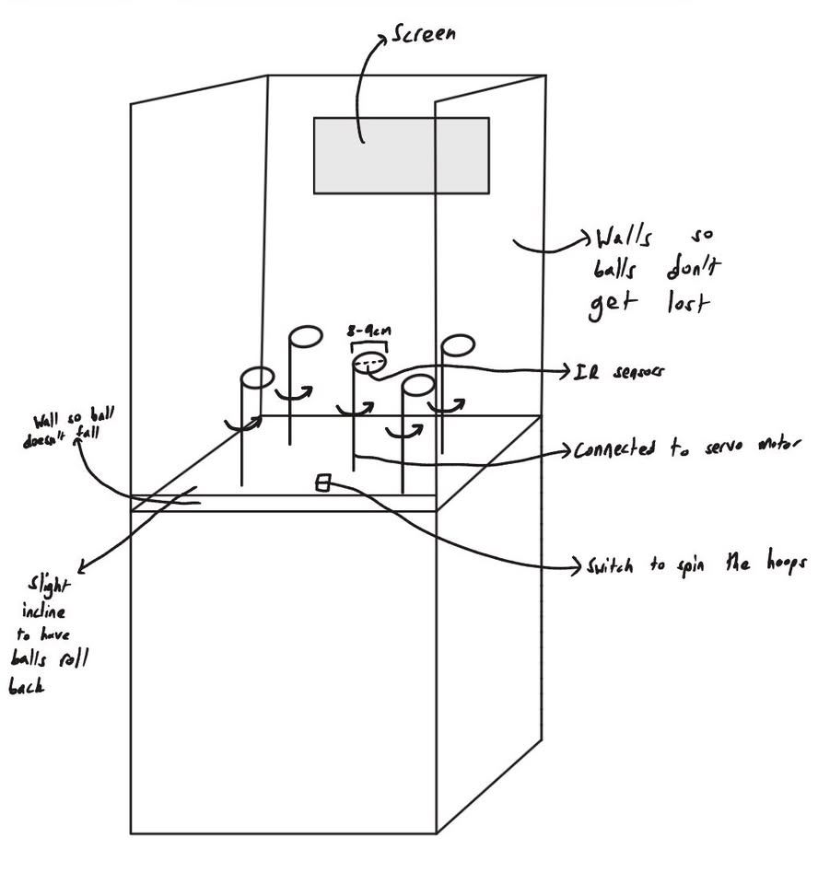
Item | Vendor Name | Vendor Part Number | Item Description | Currency (eg, USD, AUD, Euro) | Unit Price (Vendor Currency) | Exchange Rate | Quantity | Total Price (NZD) | In Stock | Estimated Delivery Time | Team Name | Link
1 | Digikey NZ | 1738-SEN0503-ND | SEN0503 IR break beam sensor | NZD | 9 | 1 | 5 | 47.265 | Yes | 2WK | dc-p1-team04-2026 | Digikey IR break beam sensor
2 | Digikey NZ | 433-1028-ND | WT-1205 buzzer | NZD | 1.449 | 1 | 1 | 1.449 | Yes | 2WK | dc-p1-team04-2026 | buzzer
3 |  |  |  |  |  | 0 |  | 0
6 |  |  |  |  |  | 0 |  | 0
10 |  |  |  |  |  | 0 |  | 0
11 |  |  |  |  |  | 0 |  | 0
12 |  |  |  |  |  | 0 |  | 0
13 |  |  |  |  |  | 0 |  | 0
14 |  |  |  |  |  | 0 |  | 0
15 |  |  |  |  |  | 0 |  | 0
16 |  |  |  |  |  | 0 |  | 0
17 |  |  |  |  |  | 0 |  | 0
18 |  |  |  |  |  | 0 |  | 0
19 |  |  |  |  |  | 0 |  | 0
20 |  |  |  |  |  | 0 |  | 0
Total (NZD) |  |  |  |  |  |  |  | $48.71

Project Brief:
As the theme is arcade, we decided to make an arcade style basketball game. This will involve a small field with 5 mini basketball hoops, and the player would have to throw a ball (probably a ping pong ball or a similar lightweight ball) into as many hoops as they can in the given time. The time for a round will be displayed, and different hoops will vary in difficulty whether that is the distance from the player, or a rotating hoop (using servos). We hope to add difficulties that the player can select, and keep track of different players' scores on a global leaderboard on a webpage. The time limit and the score will be shown on a display screen for the player to view. A rough concept design is shown below. If we have extra time in the end we plan to integrate AI that will say random catch phrases during the game.

