Histograms
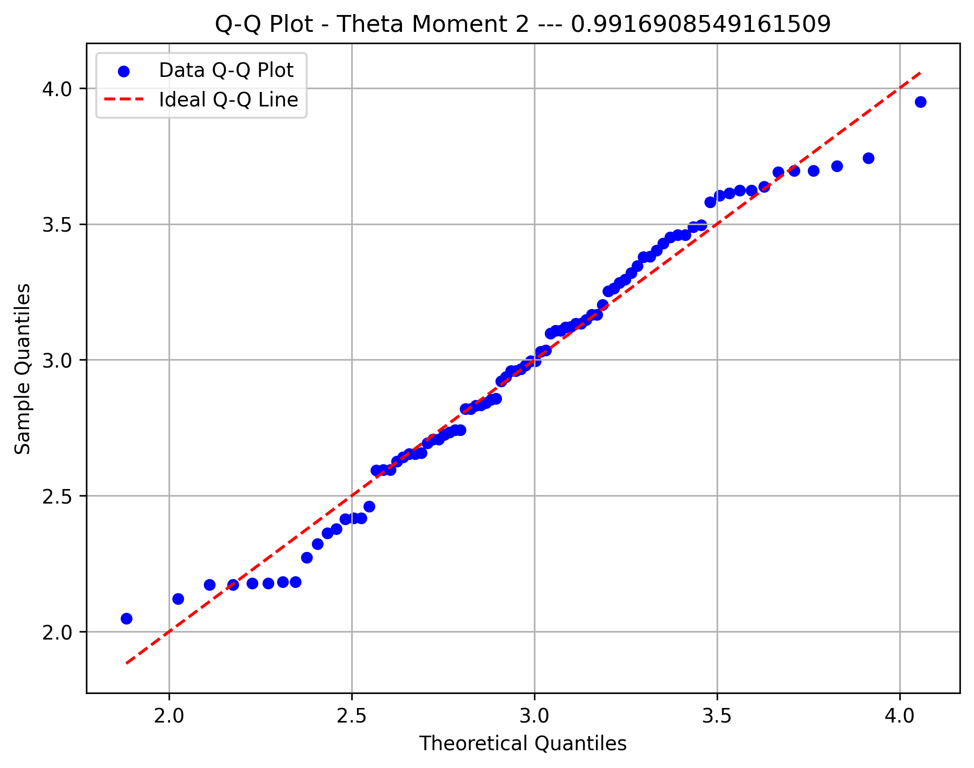
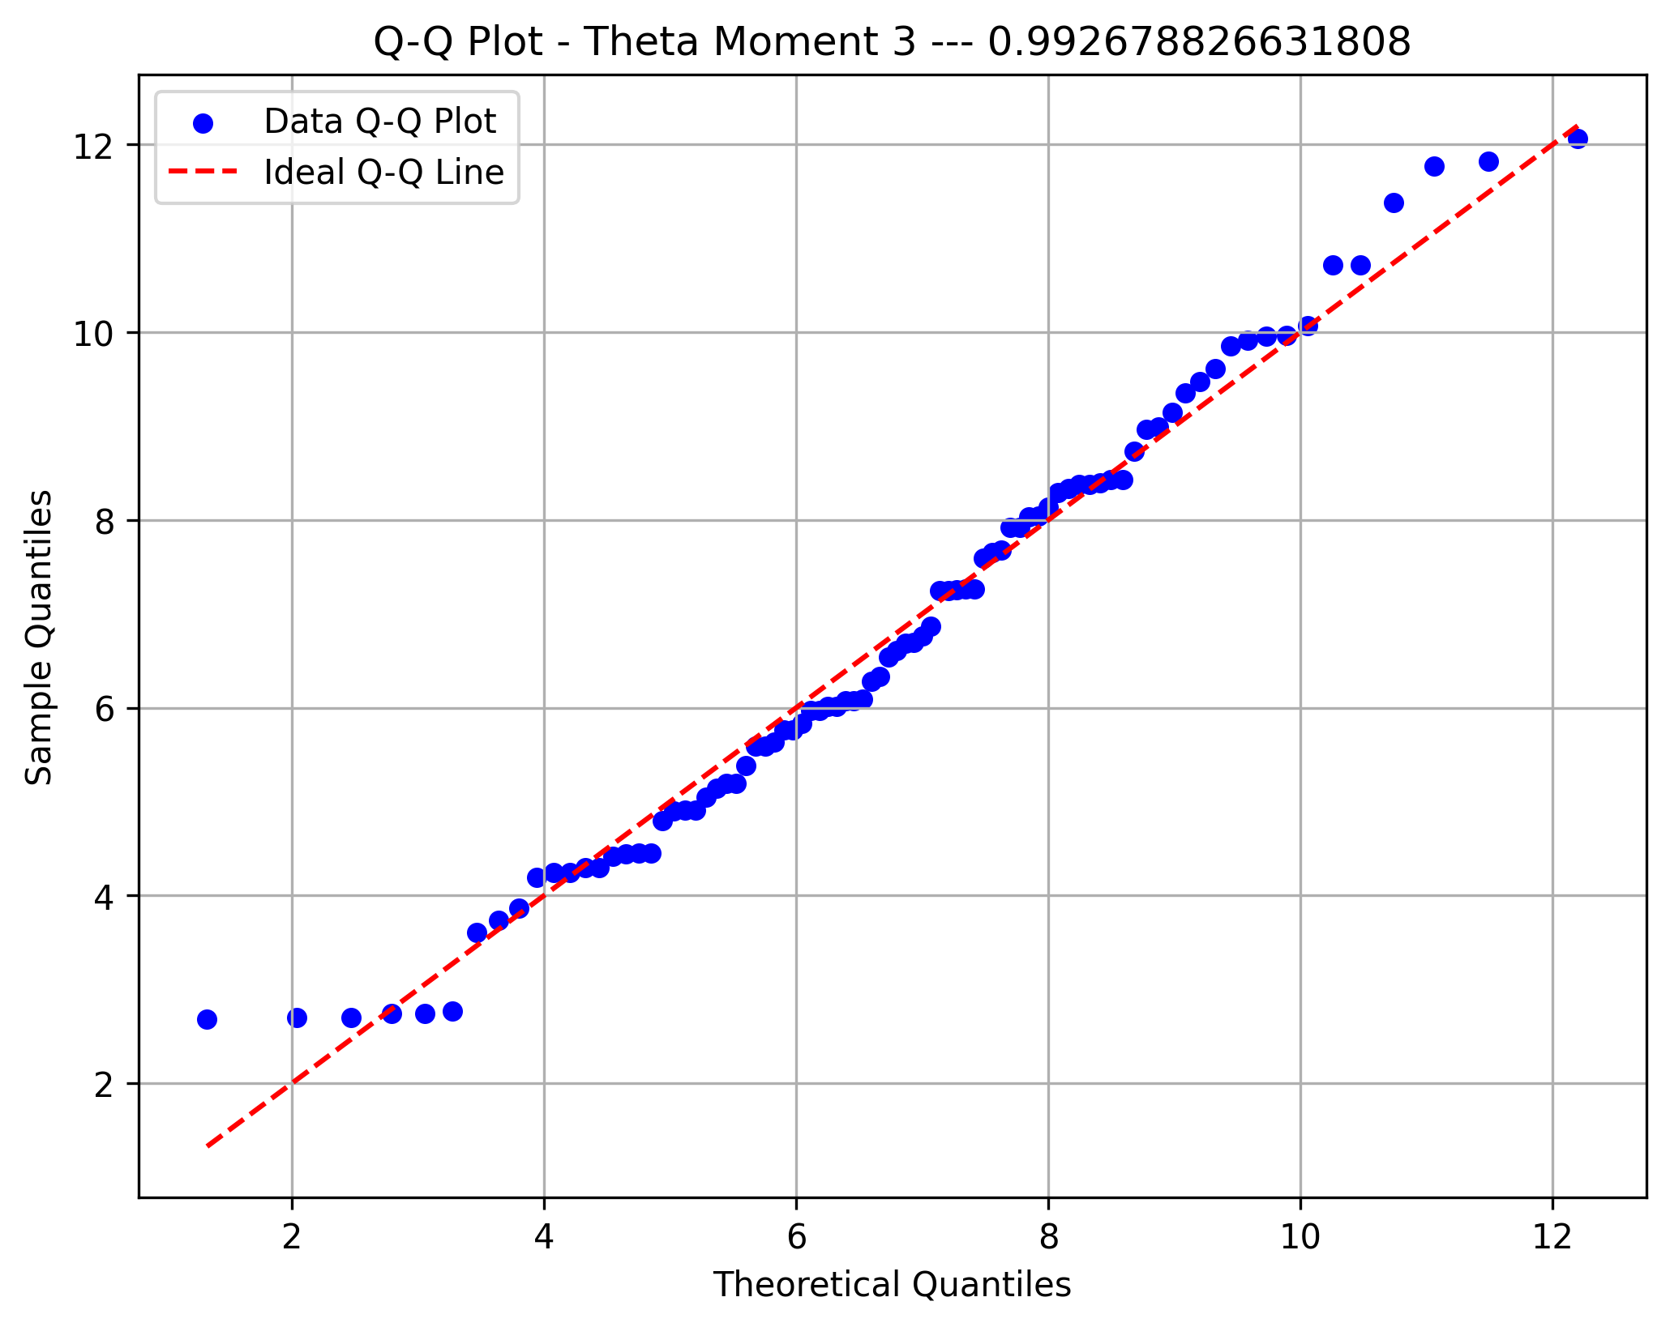
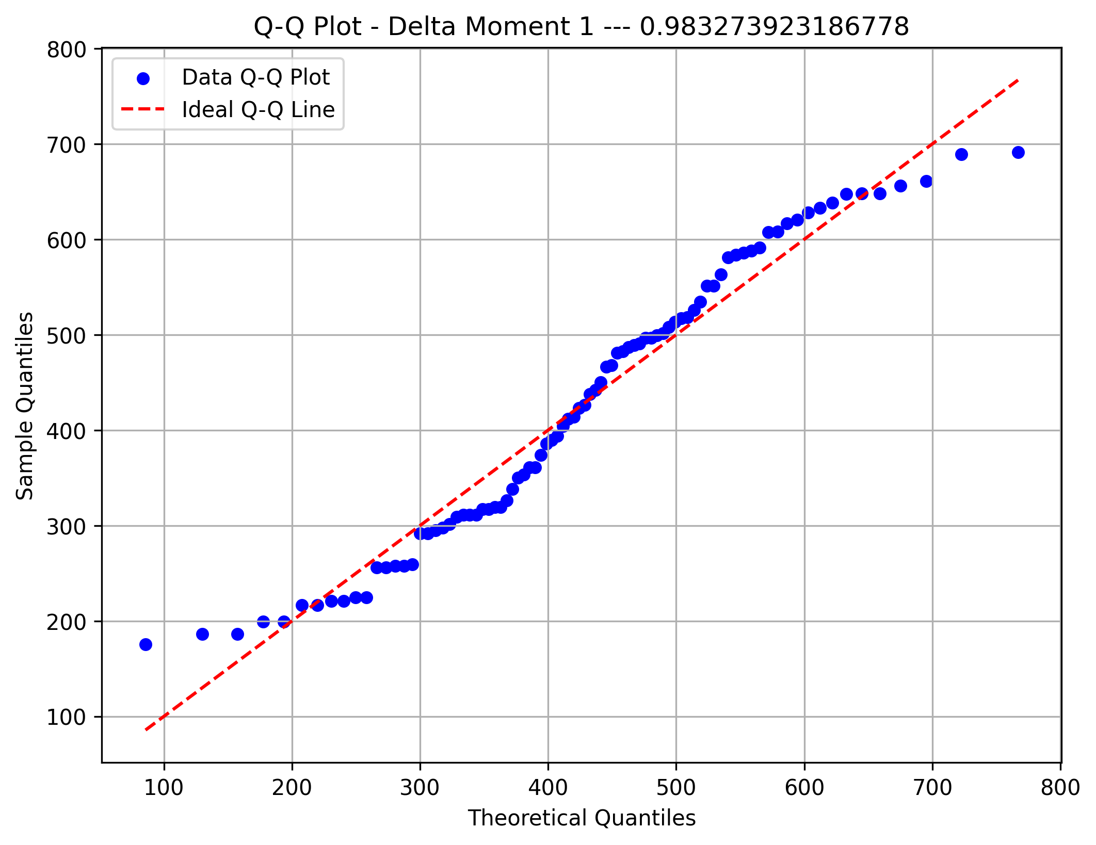
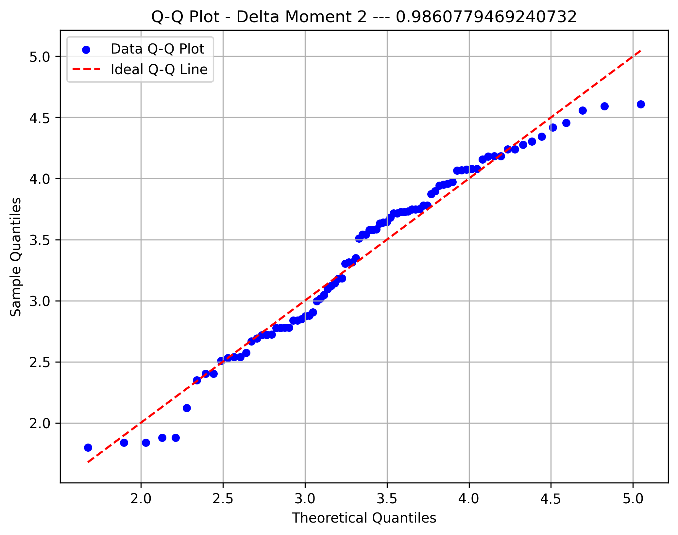
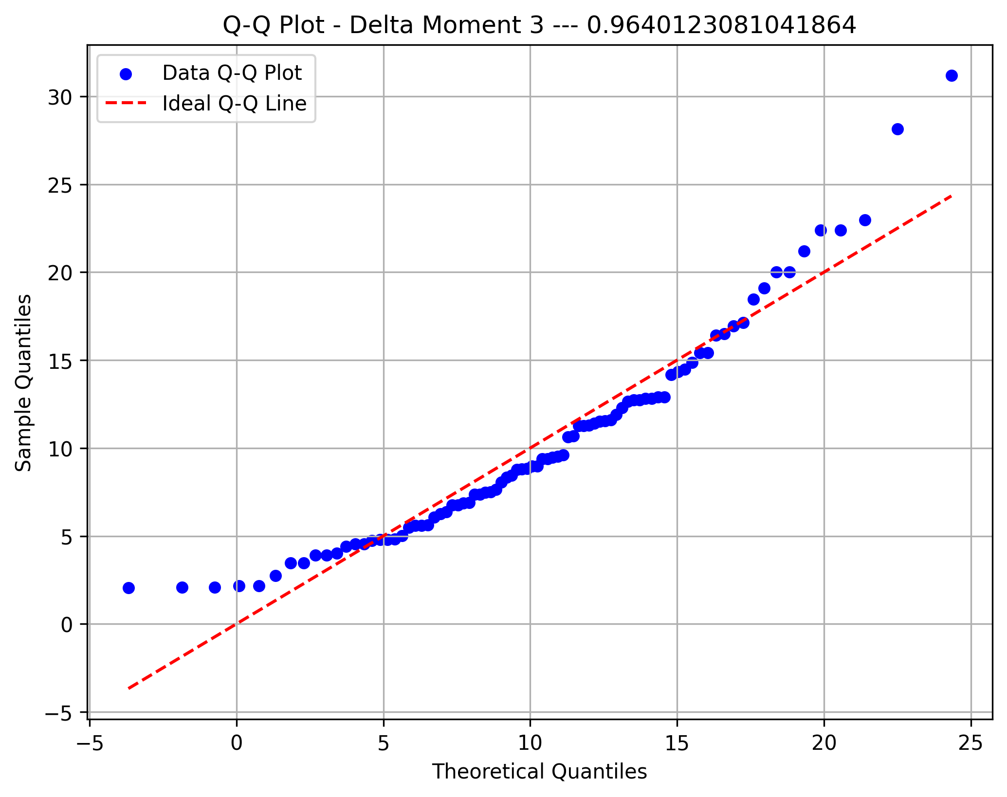
STD Orig
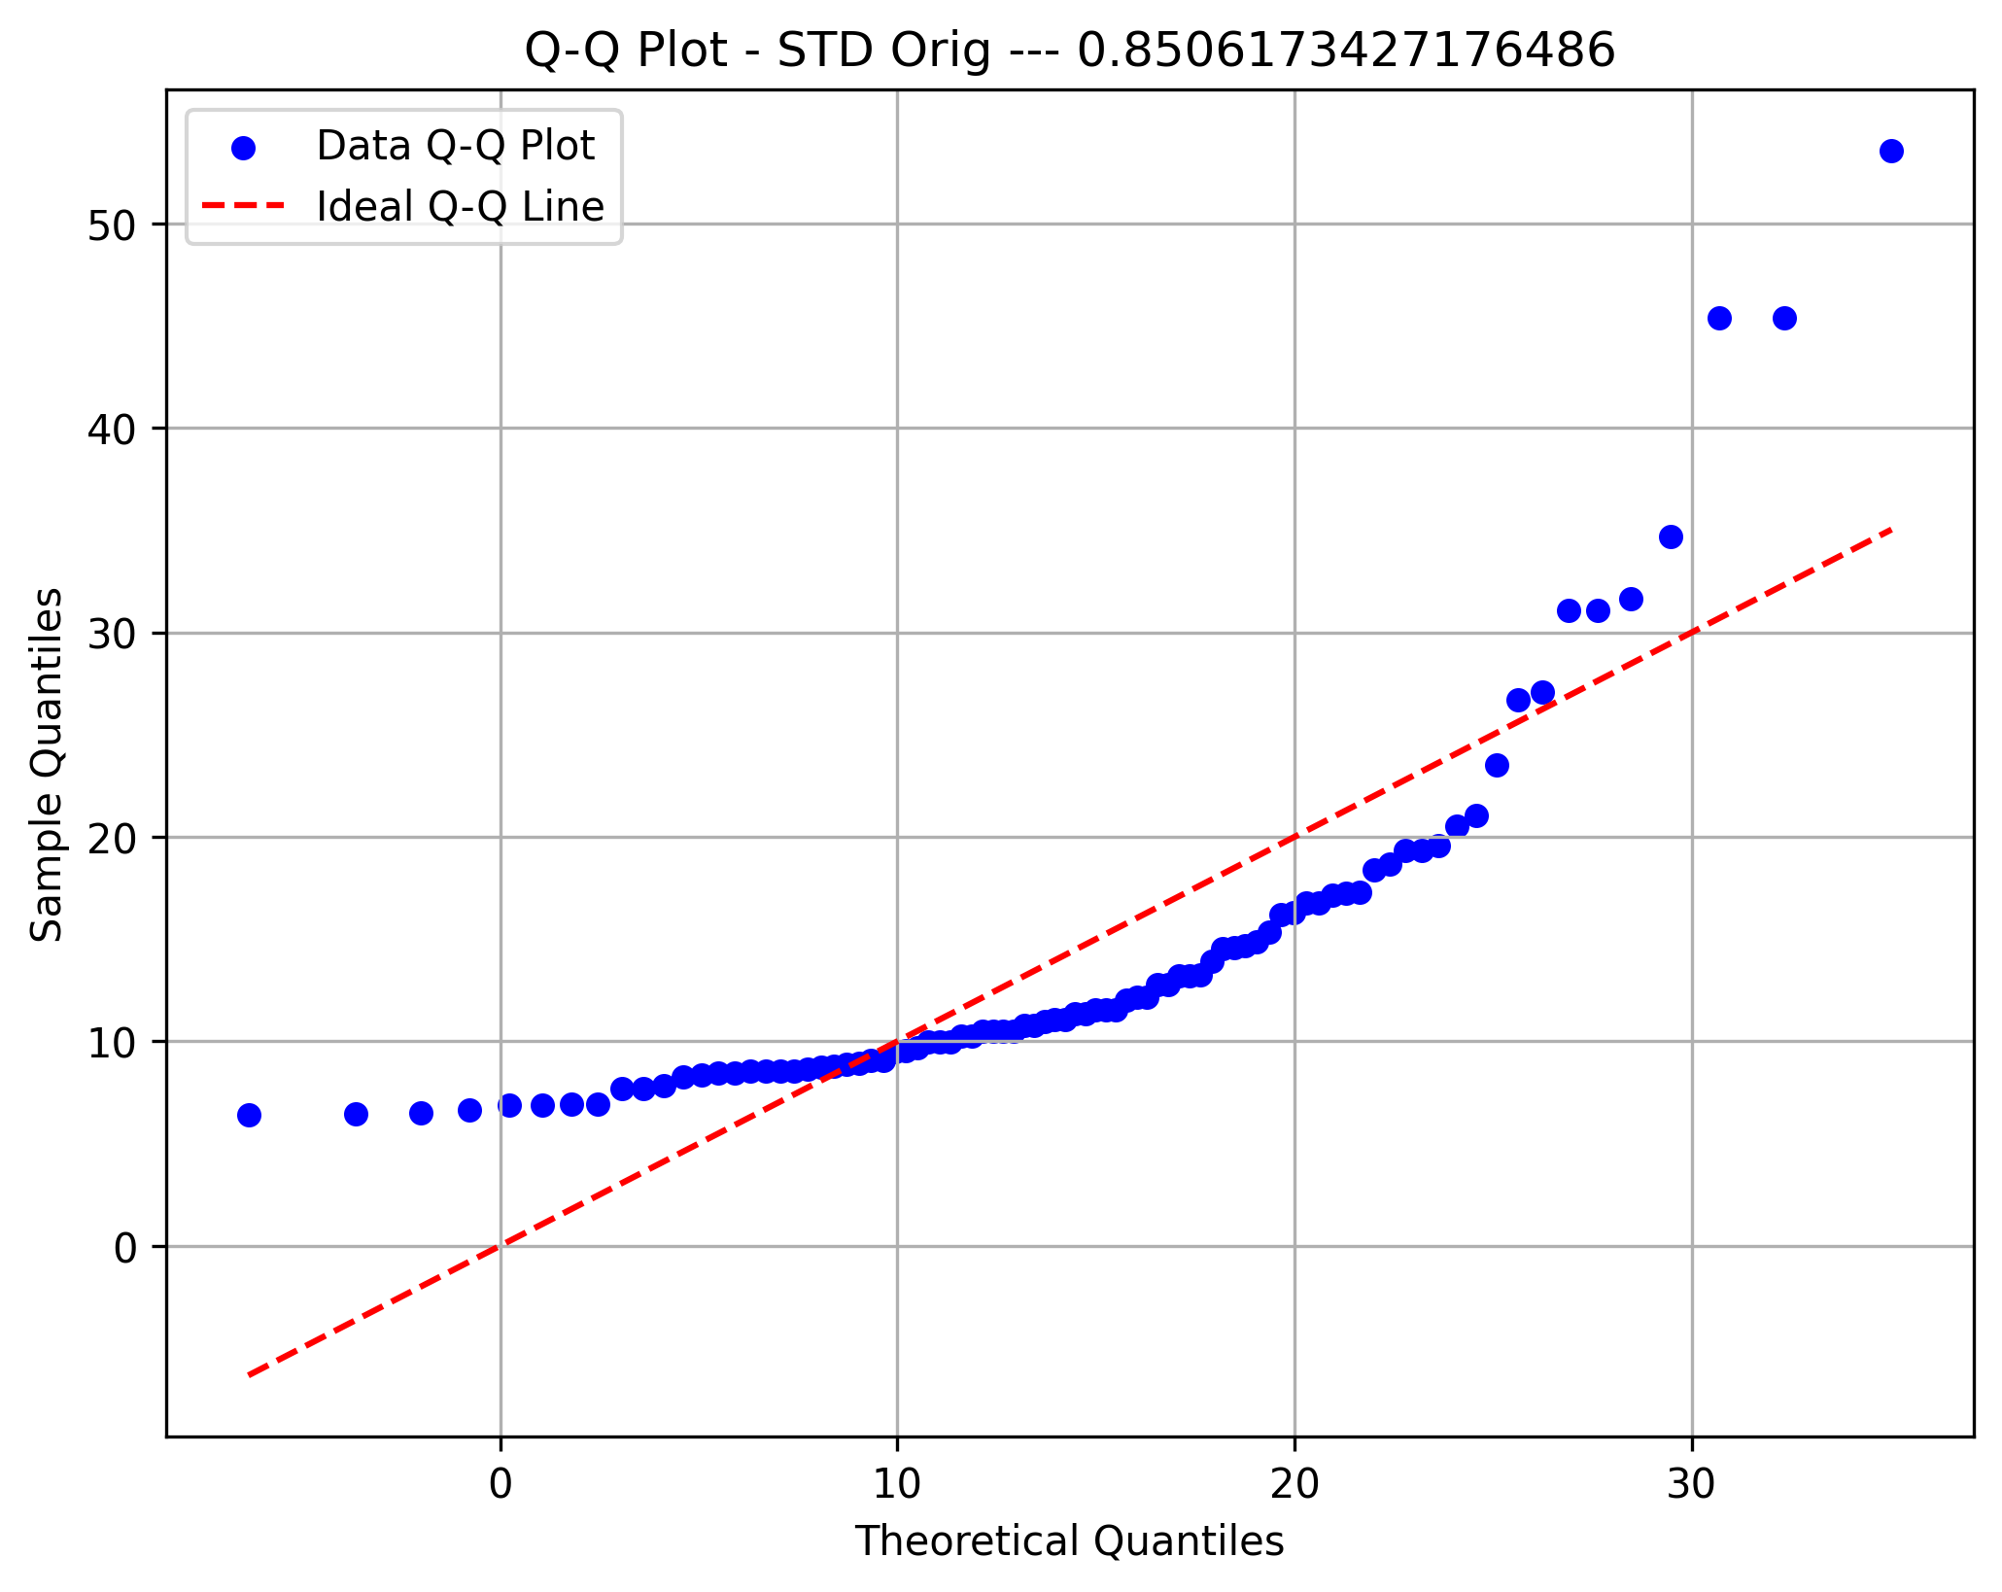
Metric 5 | 6.4098899481 | 11.123511953 | 15.837133959 | 20.550755964 | 25.264377969 | 29.977999974 | 34.691621979 | 39.405243985 | 44.11886599 | 48.832487995 | 53.54611
Frequency | 43 | 19 | 13 | 2 | 2 | 3 | 1 | 0 | 2 | 1
Metric 6 | 1.0005032669E-14 | 3.2691173271E-14 | 5.5377313874E-14 | 7.8063454476E-14 | 1.0074959508E-13 | 1.2343573568E-13 | 1.4612187628E-13 | 1.6880801688E-13 | 1.9149415749E-13 | 2.1418029809E-13 | 2.3686643869E-13
Frequency | 58 | 14 | 7 | 2 | 1 | 0 | 1 | 2 | 0 | 1
Metric 7 | 2.3686643869E-13 | 0.98160869278 | 1.9632173856 | 2.9448260784 | 3.9264347711 | 4.9080434639 | 5.8896521567 | 6.8712608495 | 7.8528695423 | 8.8344782351 | 9.8160869278
Frequency | 10 | 34 | 15 | 11 | 6 | 4 | 3 | 2 | 0 | 1
Metric 8 | 3.8882726821E-13 | 4.8365848753 | 9.6731697507 | 14.509754626 | 19.346339501 | 24.182924377 | 29.019509252 | 33.856094127 | 38.692679003 | 43.529263878 | 48.365848753
Frequency | 1 | 10 | 21 | 17 | 12 | 8 | 11 | 1 | 2 | 3
Metric 9 | 9.6843727525 | 26.395244556 | 43.106116361 | 59.816988165 | 76.527859969 | 93.238731773 | 109.94960358 | 126.66047538 | 143.37134718 | 160.08221899 | 176.79309079
Frequency | 31 | 21 | 11 | 3 | 4 | 7 | 4 | 1 | 3 | 1
Raw-Recon Diff
Metric 10 | 2.3276216335 | 2.4539125887 | 2.5802035438 | 2.706494499 | 2.8327854542 | 2.9590764093 | 3.0853673645 | 3.2116583196 | 3.3379492748 | 3.46424023 | 3.5905311851
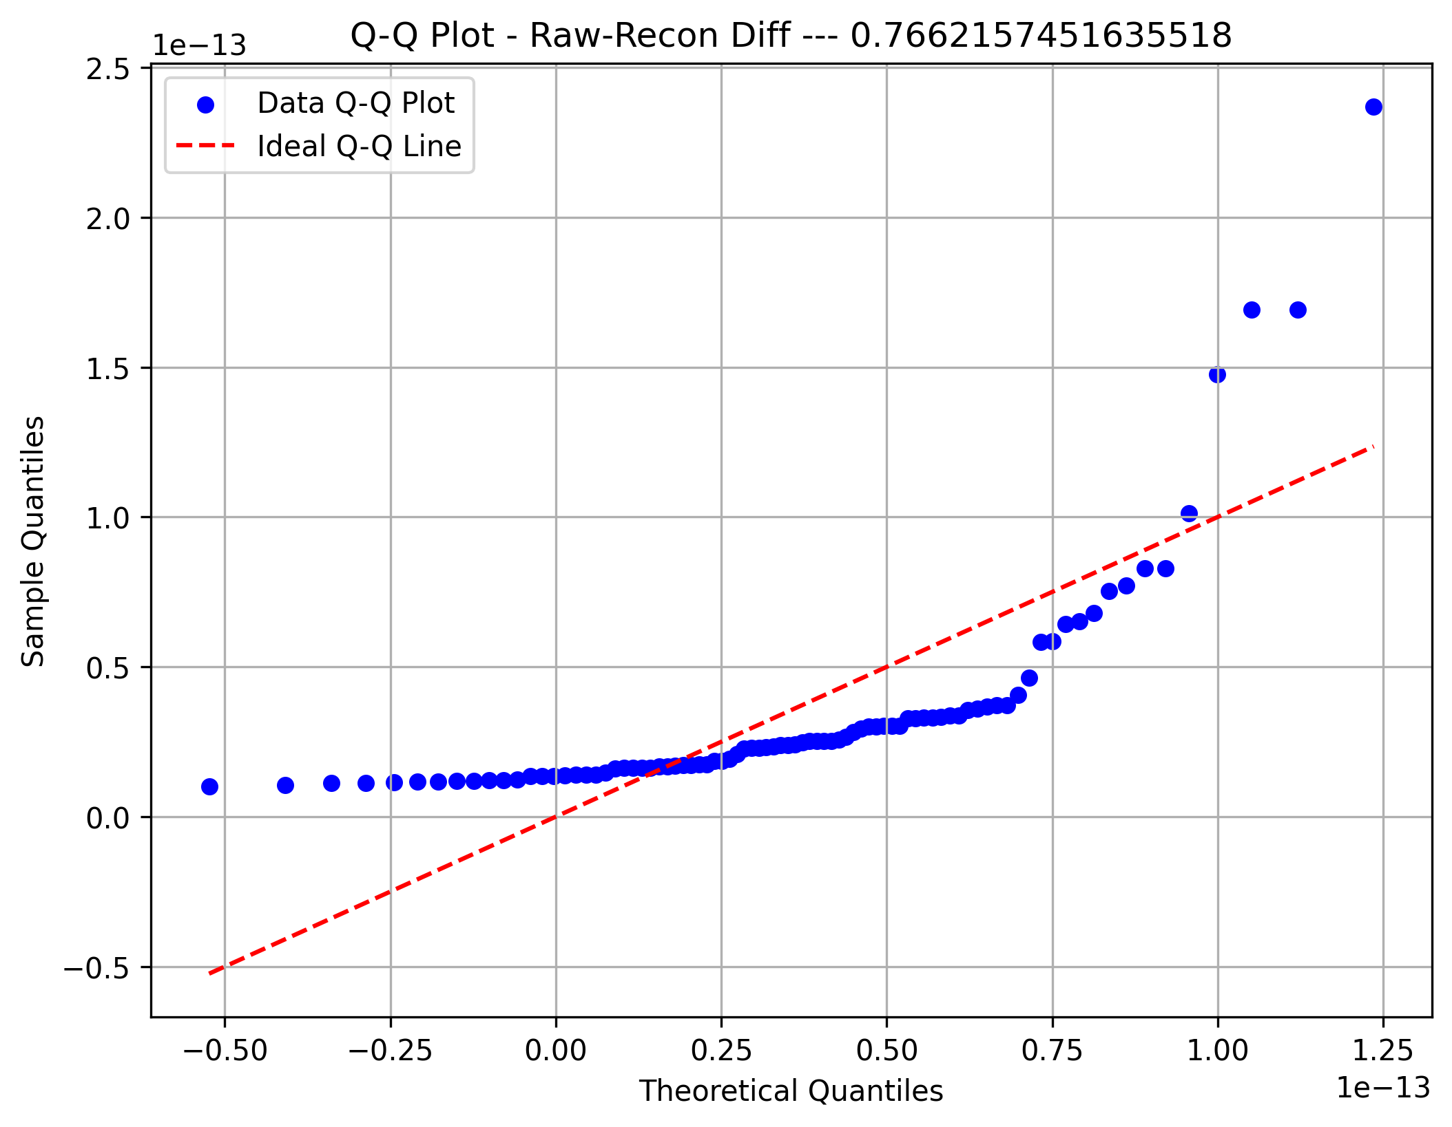
Frequency | 6 | 35 | 6 | 7 | 4 | 0 | 0 | 5 | 3 | 20
Metric 11 | 0.43507282101 | 0.57943566345 | 0.72379850589 | 0.86816134834 | 1.0125241908 | 1.1568870332 | 1.3012498757 | 1.4456127181 | 1.5899755606 | 1.734338403 | 1.8787012454
Frequency | 5 | 9 | 12 | 7 | 21 | 10 | 8 | 8 | 4 | 2
Metric 12 | 0.21845220094 | 0.23761714983 | 0.25678209871 | 0.27594704759 | 0.29511199648 | 0.31427694536 | 0.33344189424 | 0.35260684312 | 0.37177179201 | 0.39093674089 | 0.41010168977
Frequency | 11 | 4 | 8 | 12 | 19 | 5 | 6 | 13 | 6 | 2
Metric 13 | 0.95398811454 | 1.3144789403 | 1.674969766 | 2.0354605918 | 2.3959514175 | 2.7564422433 | 3.116933069 | 3.4774238948 | 3.8379147205 | 4.1984055463 | 4.558896372
Frequency | 3 | 5 | 6 | 9 | 8 | 13 | 17 | 9 | 11 | 5
Metric 14 | 220.12587224 | 274.31389378 | 328.50191532 | 382.68993685 | 436.87795839 | 491.06597992 | 545.25400146 | 599.442023 | 653.63004453 | 707.81806607 | 762.00608761
Frequency | 20 | 4 | 14 | 10 | 14 | 10 | 4 | 5 | 3 | 2
Raw-Clean Diff
Metric 15 | 1.3589308817 | 1.5886650763 | 1.8183992708 | 2.0481334653 | 2.2778676599 | 2.5076018544 | 2.737336049 | 2.9670702435 | 3.1968044381 | 3.4265386326 | 3.6562728271
Frequency | 3 | 15 | 5 | 10 | 8 | 14 | 8 | 10 | 10 | 3
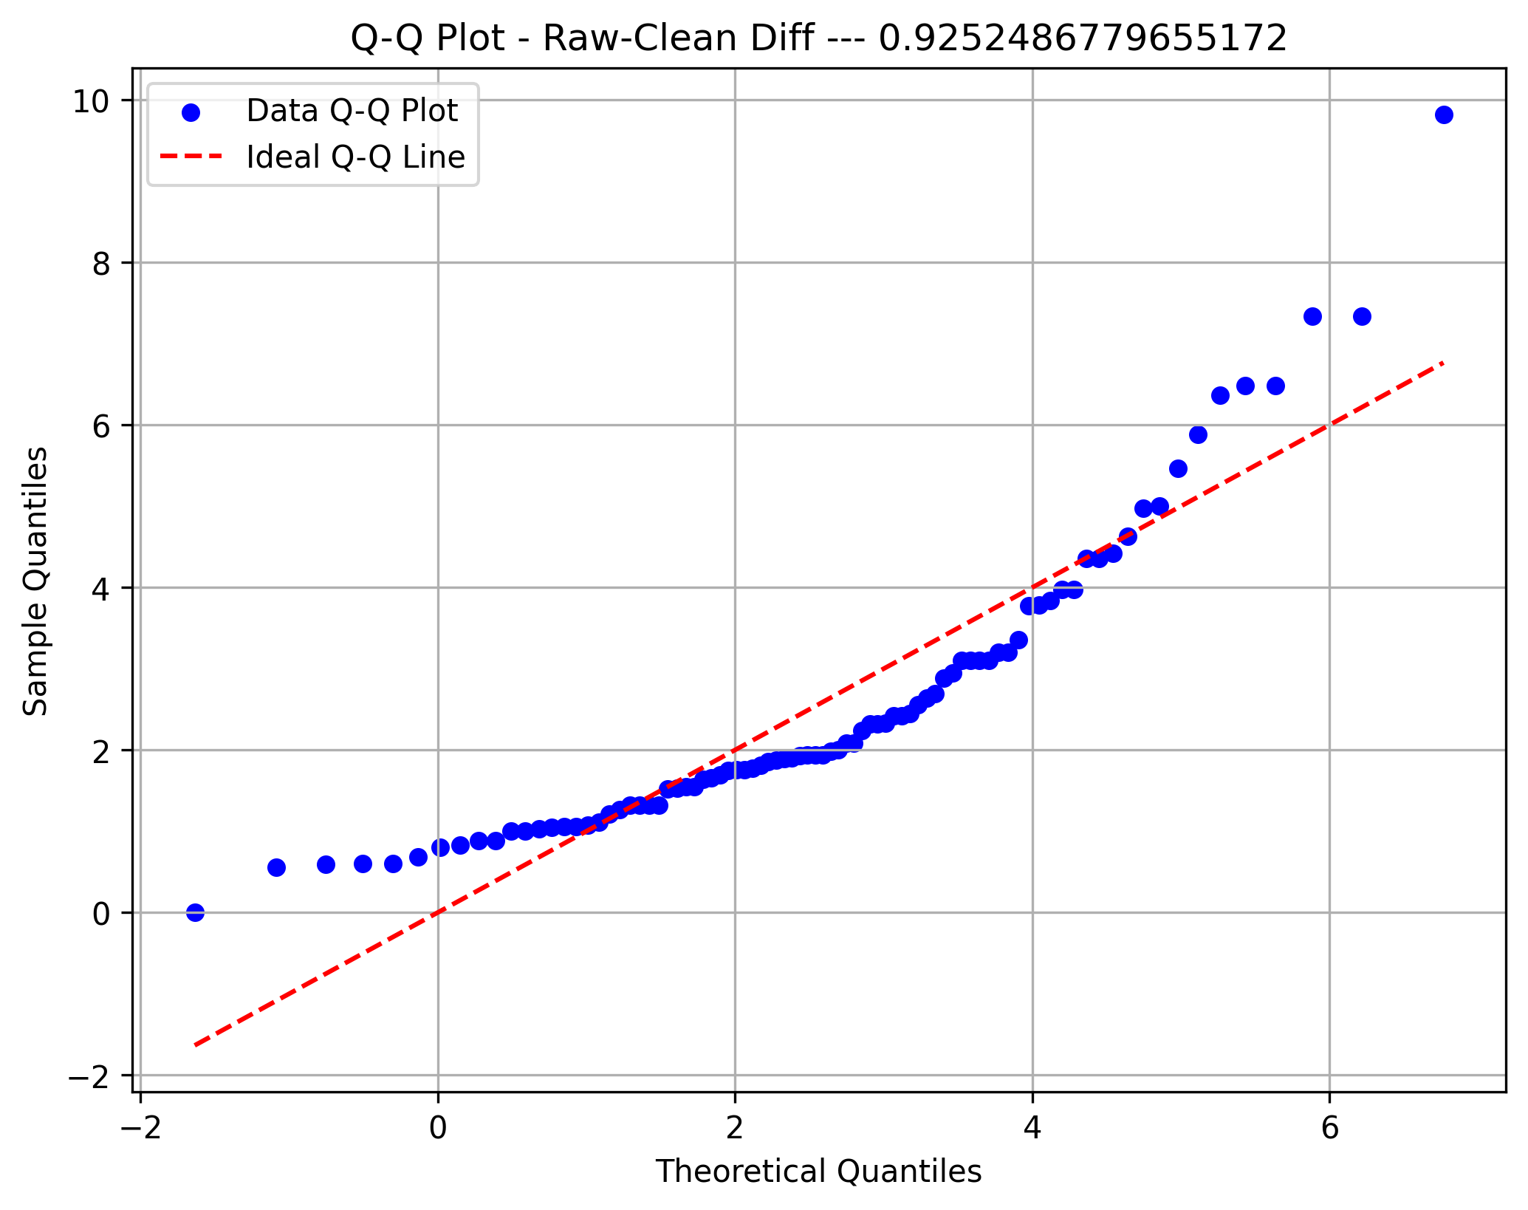
Metric 16 | 0.59412864354 | 0.7380604326 | 0.88199222166 | 1.0259240107 | 1.1698557998 | 1.3137875888 | 1.4577193779 | 1.601651167 | 1.745582956 | 1.8895147451 | 2.0334465341
Frequency | 9 | 19 | 11 | 17 | 17 | 6 | 4 | 1 | 1 | 1
Metric 17 | 0 | 1.17 | 2.34 | 3.51 | 4.68 | 5.85 | 7.02 | 8.19 | 9.36 | 10.53 | 11.7
Frequency | 4 | 4 | 6 | 8 | 14 | 17 | 12 | 12 | 2 | 7
Metric 18 | 14.419880408 | 15.532272205 | 16.644664002 | 17.757055799 | 18.869447595 | 19.981839392 | 21.094231189 | 22.206622986 | 23.319014783 | 24.431406579 | 25.543798376
Frequency | 4 | 7 | 7 | 13 | 9 | 11 | 8 | 12 | 9 | 6
Metric 19 | 105.66737288 | 167.29832581 | 228.92927874 | 290.56023167 | 352.1911846 | 413.82213753 | 475.45309046 | 537.08404339 | 598.71499632 | 660.34594924 | 721.97690217
Frequency | 9 | 22 | 12 | 23 | 7 | 5 | 7 | 0 | 0 | 1
Percentage Removed
Metric 20 | 0.65770766328 | 0.74346375753 | 0.82921985179 | 0.91497594604 | 1.0007320403 | 1.0864881345 | 1.1722442288 | 1.258000323 | 1.3437564173 | 1.4295125116 | 1.5152686058
Frequency | 13 | 8 | 7 | 11 | 17 | 11 | 4 | 4 | 7 | 4
Metric 21 | 0.29495989821 | 0.48292121621 | 0.6708825342 | 0.8588438522 | 1.0468051702 | 1.2347664882 | 1.4227278062 | 1.6106891242 | 1.7986504422 | 1.9866117602 | 2.1745730782
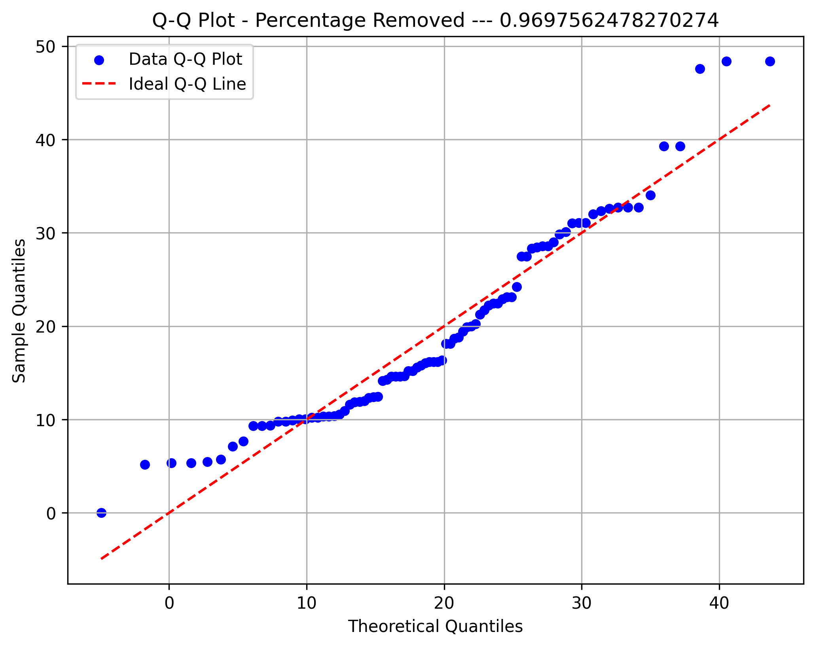
Frequency | 7 | 7 | 10 | 11 | 11 | 13 | 11 | 11 | 4 | 1
Metric 22 | 0.637791523 | 0.72944574321 | 0.82109996342 | 0.91275418362 | 1.0044084038 | 1.096062624 | 1.1877168442 | 1.2793710644 | 1.3710252847 | 1.4626795049 | 1.5543337251
Frequency | 10 | 13 | 7 | 15 | 19 | 5 | 7 | 5 | 4 | 1
Metric 23 | 0.49839048091 | 0.55047574922 | 0.60256101752 | 0.65464628582 | 0.70673155413 | 0.75881682243 | 0.81090209074 | 0.86298735904 | 0.91507262734 | 0.96715789565 | 1.019243164
Frequency | 5 | 2 | 2 | 7 | 12 | 13 | 13 | 18 | 7 | 7
Metric 24 | 346.50850404 | 424.54516829 | 502.58183254 | 580.61849679 | 658.65516104 | 736.69182529 | 814.72848954 | 892.76515379 | 970.80181803 | 1048.8384823 | 1126.8751465
Frequency | 11 | 7 | 17 | 9 | 3 | 10 | 10 | 10 | 3 | 6
STD Raw
Metric 25 | 0.095101685227 | 0.16594511535 | 0.23678854547 | 0.3076319756 | 0.37847540572 | 0.44931883585 | 0.52016226597 | 0.5910056961 | 0.66184912622 | 0.73269255634 | 0.80353598647
Frequency | 6 | 9 | 12 | 15 | 16 | 11 | 9 | 2 | 4 | 2
Metric 26 | 31.402811657 | 36.546245729 | 41.6896798 | 46.833113872 | 51.976547943 | 57.119982015 | 62.263416086 | 67.406850158 | 72.550284229 | 77.693718301 | 82.837152372
Frequency | 16 | 7 | 4 | 3 | 11 | 8 | 14 | 11 | 8 | 4
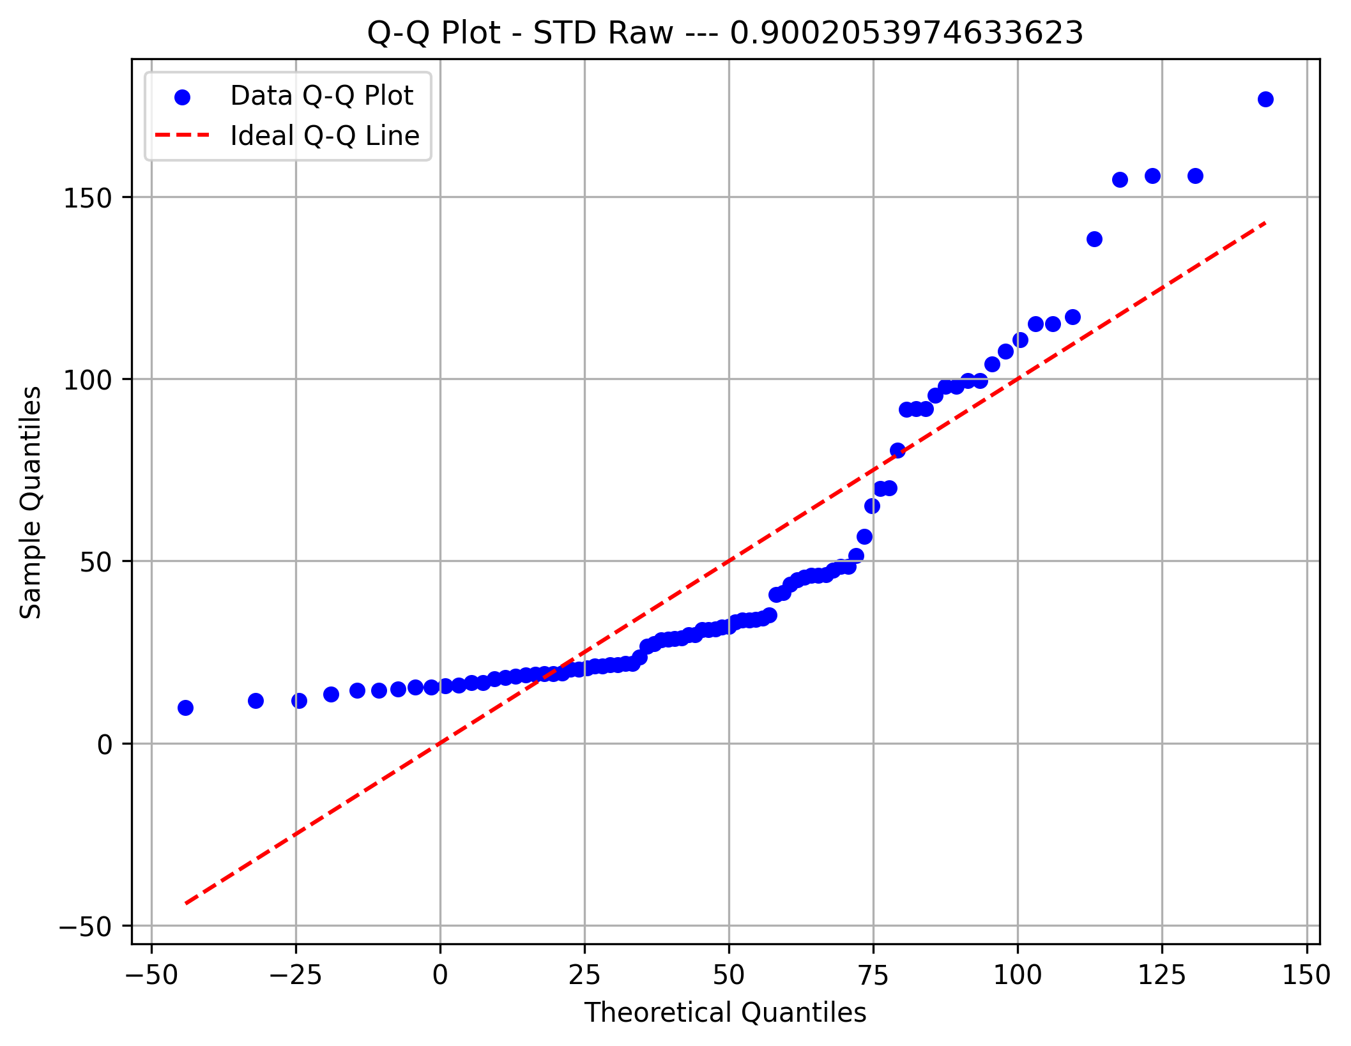
Metric 27 | 0.26777821905 | 0.32743356864 | 0.38708891824 | 0.44674426784 | 0.50639961743 | 0.56605496703 | 0.62571031663 | 0.68536566622 | 0.74502101582 | 0.80467636541 | 0.86433171501
Frequency | 7 | 4 | 10 | 7 | 13 | 8 | 14 | 2 | 13 | 8
Metric 28 | 22.677446017 | 27.452022147 | 32.226598278 | 37.001174408 | 41.775750538 | 46.550326668 | 51.324902798 | 56.099478928 | 60.874055058 | 65.648631189 | 70.423207319
Frequency | 19 | 7 | 4 | 2 | 12 | 18 | 10 | 6 | 4 | 4
Metric 29 | 0.088766352677 | 0.1261784074 | 0.16359046212 | 0.20100251684 | 0.23841457156 | 0.27582662627 | 0.31323868099 | 0.35065073571 | 0.38806279043 | 0.42547484515 | 0.46288689987
Frequency | 18 | 11 | 9 | 9 | 10 | 15 | 1 | 5 | 5 | 3
Global STD
Metric 30 | 17.597747986 | 20.073724165 | 22.549700344 | 25.025676523 | 27.501652703 | 29.977628882 | 32.453605061 | 34.92958124 | 37.40555742 | 39.881533599 | 42.357509778
Frequency | 14 | 16 | 7 | 3 | 7 | 3 | 11 | 5 | 5 | 15
Metric 31 | 0.084478761978 | 0.15543124606 | 0.22638373015 | 0.29733621423 | 0.36828869831 | 0.4392411824 | 0.51019366648 | 0.58114615056 | 0.65209863465 | 0.72305111873 | 0.79400360281
Frequency | 10 | 7 | 10 | 12 | 11 | 10 | 10 | 6 | 5 | 5
Metric 32 | 26.115520218 | 29.641137363 | 33.166754509 | 36.692371654 | 40.2179888 | 43.743605946 | 47.269223091 | 50.794840237 | 54.320457382 | 57.846074528 | 61.371691673
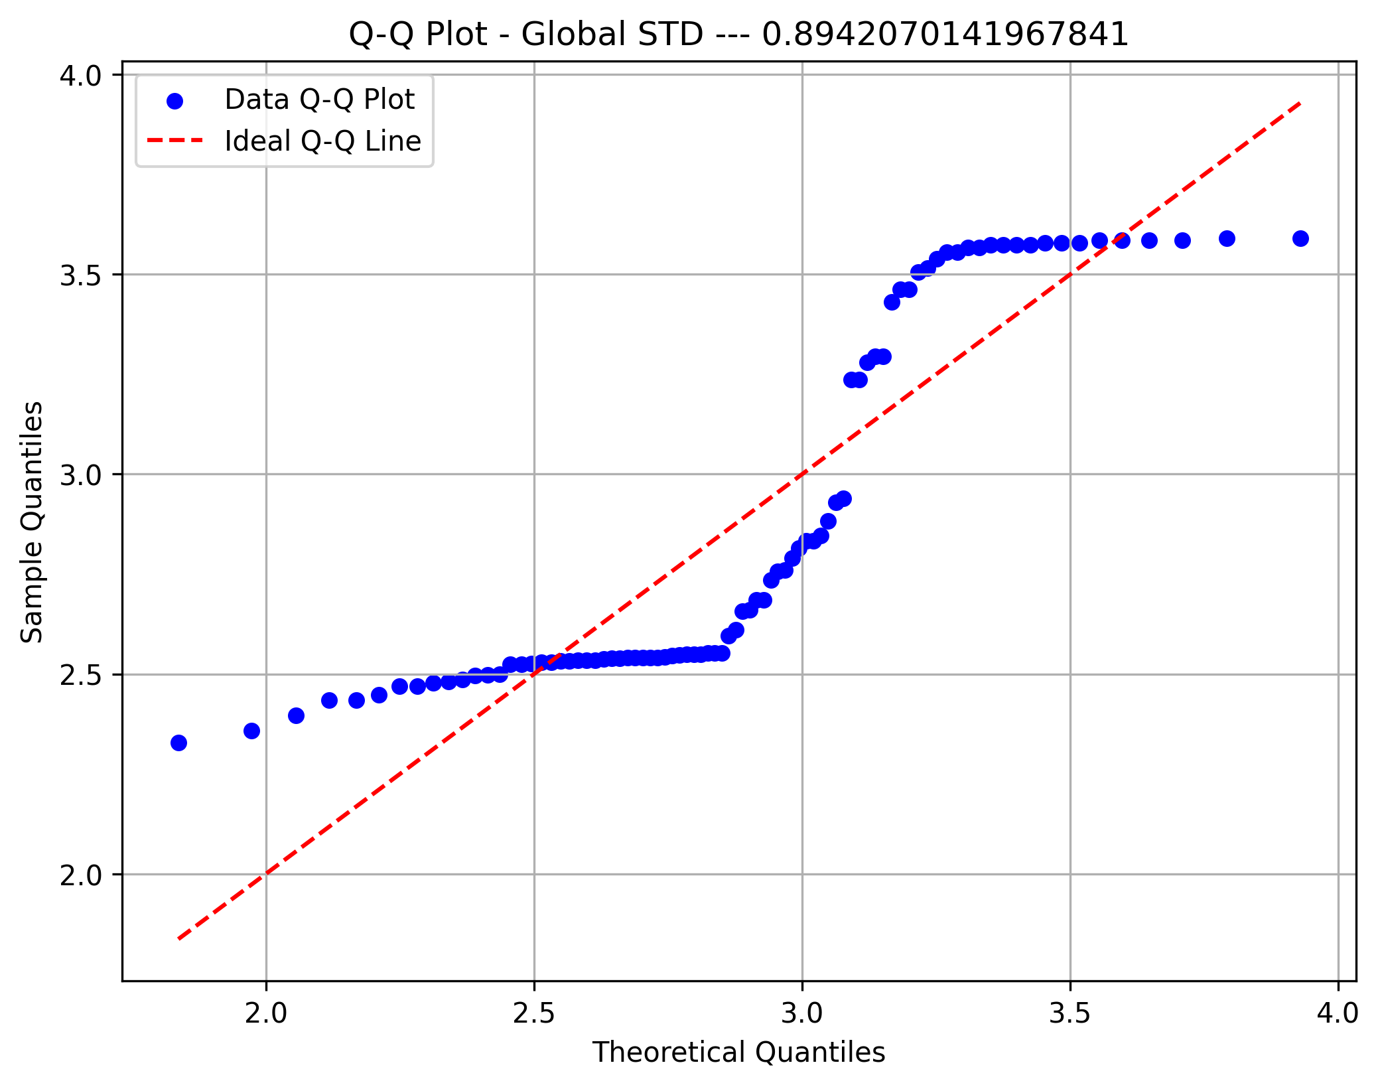
Frequency | 19 | 10 | 5 | 4 | 4 | 9 | 7 | 6 | 12 | 10
Metric 33 | 22.662844424 | 27.213992829 | 31.765141233 | 36.316289638 | 40.867438043 | 45.418586448 | 49.969734853 | 54.520883258 | 59.072031663 | 63.623180068 | 68.174328472
Frequency | 11 | 11 | 8 | 7 | 11 | 8 | 12 | 7 | 8 | 3
Metric 34 | 18.768591905 | 22.99267732 | 27.216762735 | 31.44084815 | 35.664933565 | 39.88901898 | 44.113104396 | 48.337189811 | 52.561275226 | 56.785360641 | 61.009446056
Frequency | 13 | 14 | 4 | 4 | 6 | 17 | 11 | 11 | 4 | 2
PDR Symmetry
Metric 35 | 3.3627488467 | 4.4750949452 | 5.5874410436 | 6.6997871421 | 7.8121332405 | 8.924479339 | 10.036825437 | 11.149171536 | 12.261517634 | 13.373863733 | 14.486209831
Frequency | 8 | 11 | 9 | 15 | 5 | 8 | 10 | 5 | 8 | 7
Metric 36 | 0.26922161508 | 0.49066033484 | 0.71209905461 | 0.93353777437 | 1.1549764941 | 1.3764152139 | 1.5978539337 | 1.8192926534 | 2.0407313732 | 2.2621700929 | 2.4836088127
Frequency | 15 | 19 | 26 | 11 | 8 | 4 | 1 | 0 | 0 | 2
Metric 37 | 23.167154732 | 27.334020591 | 31.50088645 | 35.667752309 | 39.834618168 | 44.001484027 | 48.168349886 | 52.335215745 | 56.502081604 | 60.668947463 | 64.835813322
Frequency | 15 | 15 | 1 | 3 | 9 | 14 | 9 | 7 | 9 | 3
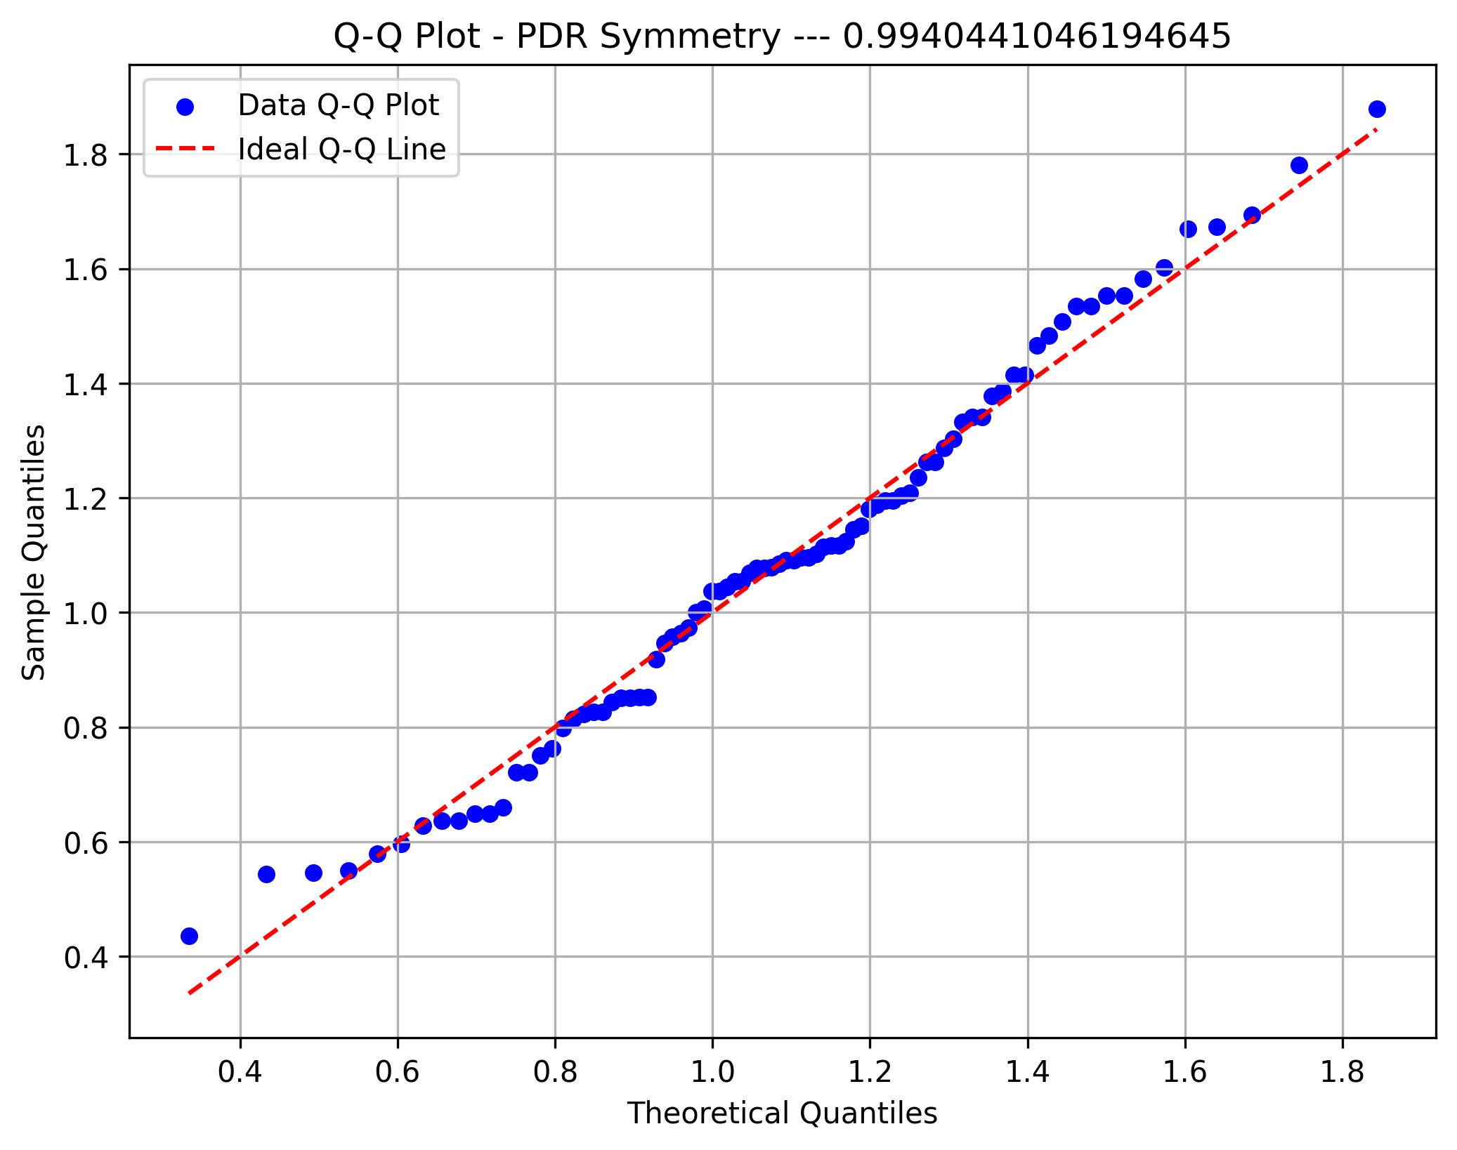
Metric 38 | 19.523038764 | 23.378071192 | 27.233103621 | 31.088136049 | 34.943168478 | 38.798200906 | 42.653233334 | 46.508265763 | 50.363298191 | 54.21833062 | 58.073363048
Frequency | 10 | 14 | 9 | 2 | 4 | 16 | 15 | 9 | 3 | 4
Metric 39 | 8.1971916351 | 10.273910863 | 12.350630092 | 14.42734932 | 16.504068549 | 18.580787777 | 20.657507005 | 22.734226234 | 24.810945462 | 26.887664691 | 28.964383919
Frequency | 4 | 13 | 15 | 8 | 8 | 9 | 5 | 8 | 5 | 11
PDR Synchrony
Metric 40 | 16.749639654 | 19.982350313 | 23.215060973 | 26.447771633 | 29.680482292 | 32.913192952 | 36.145903611 | 39.378614271 | 42.61132493 | 45.84403559 | 49.07674625
Frequency | 6 | 14 | 11 | 6 | 9 | 6 | 6 | 6 | 12 | 10
Metric 41 | 3.8444494932 | 4.9053095505 | 5.9661696077 | 7.0270296649 | 8.0878897222 | 9.1487497794 | 10.209609837 | 11.270469894 | 12.331329951 | 13.392190008 | 14.453050066
Frequency | 6 | 17 | 13 | 3 | 11 | 9 | 6 | 9 | 5 | 6
Metric 42 | 1.5841425993 | 14.480718149 | 27.377293699 | 40.273869249 | 53.170444799 | 66.067020349 | 78.963595899 | 91.860171449 | 104.756747 | 117.65332255 | 130.5498981
Frequency | 58 | 15 | 7 | 1 | 4 | 0 | 0 | 0 | 0 | 1
Metric 43 | 0.49524017546 | 0.59151220185 | 0.68778422823 | 0.78405625462 | 0.88032828101 | 0.9766003074 | 1.0728723338 | 1.1691443602 | 1.2654163866 | 1.3616884129 | 1.4579604393
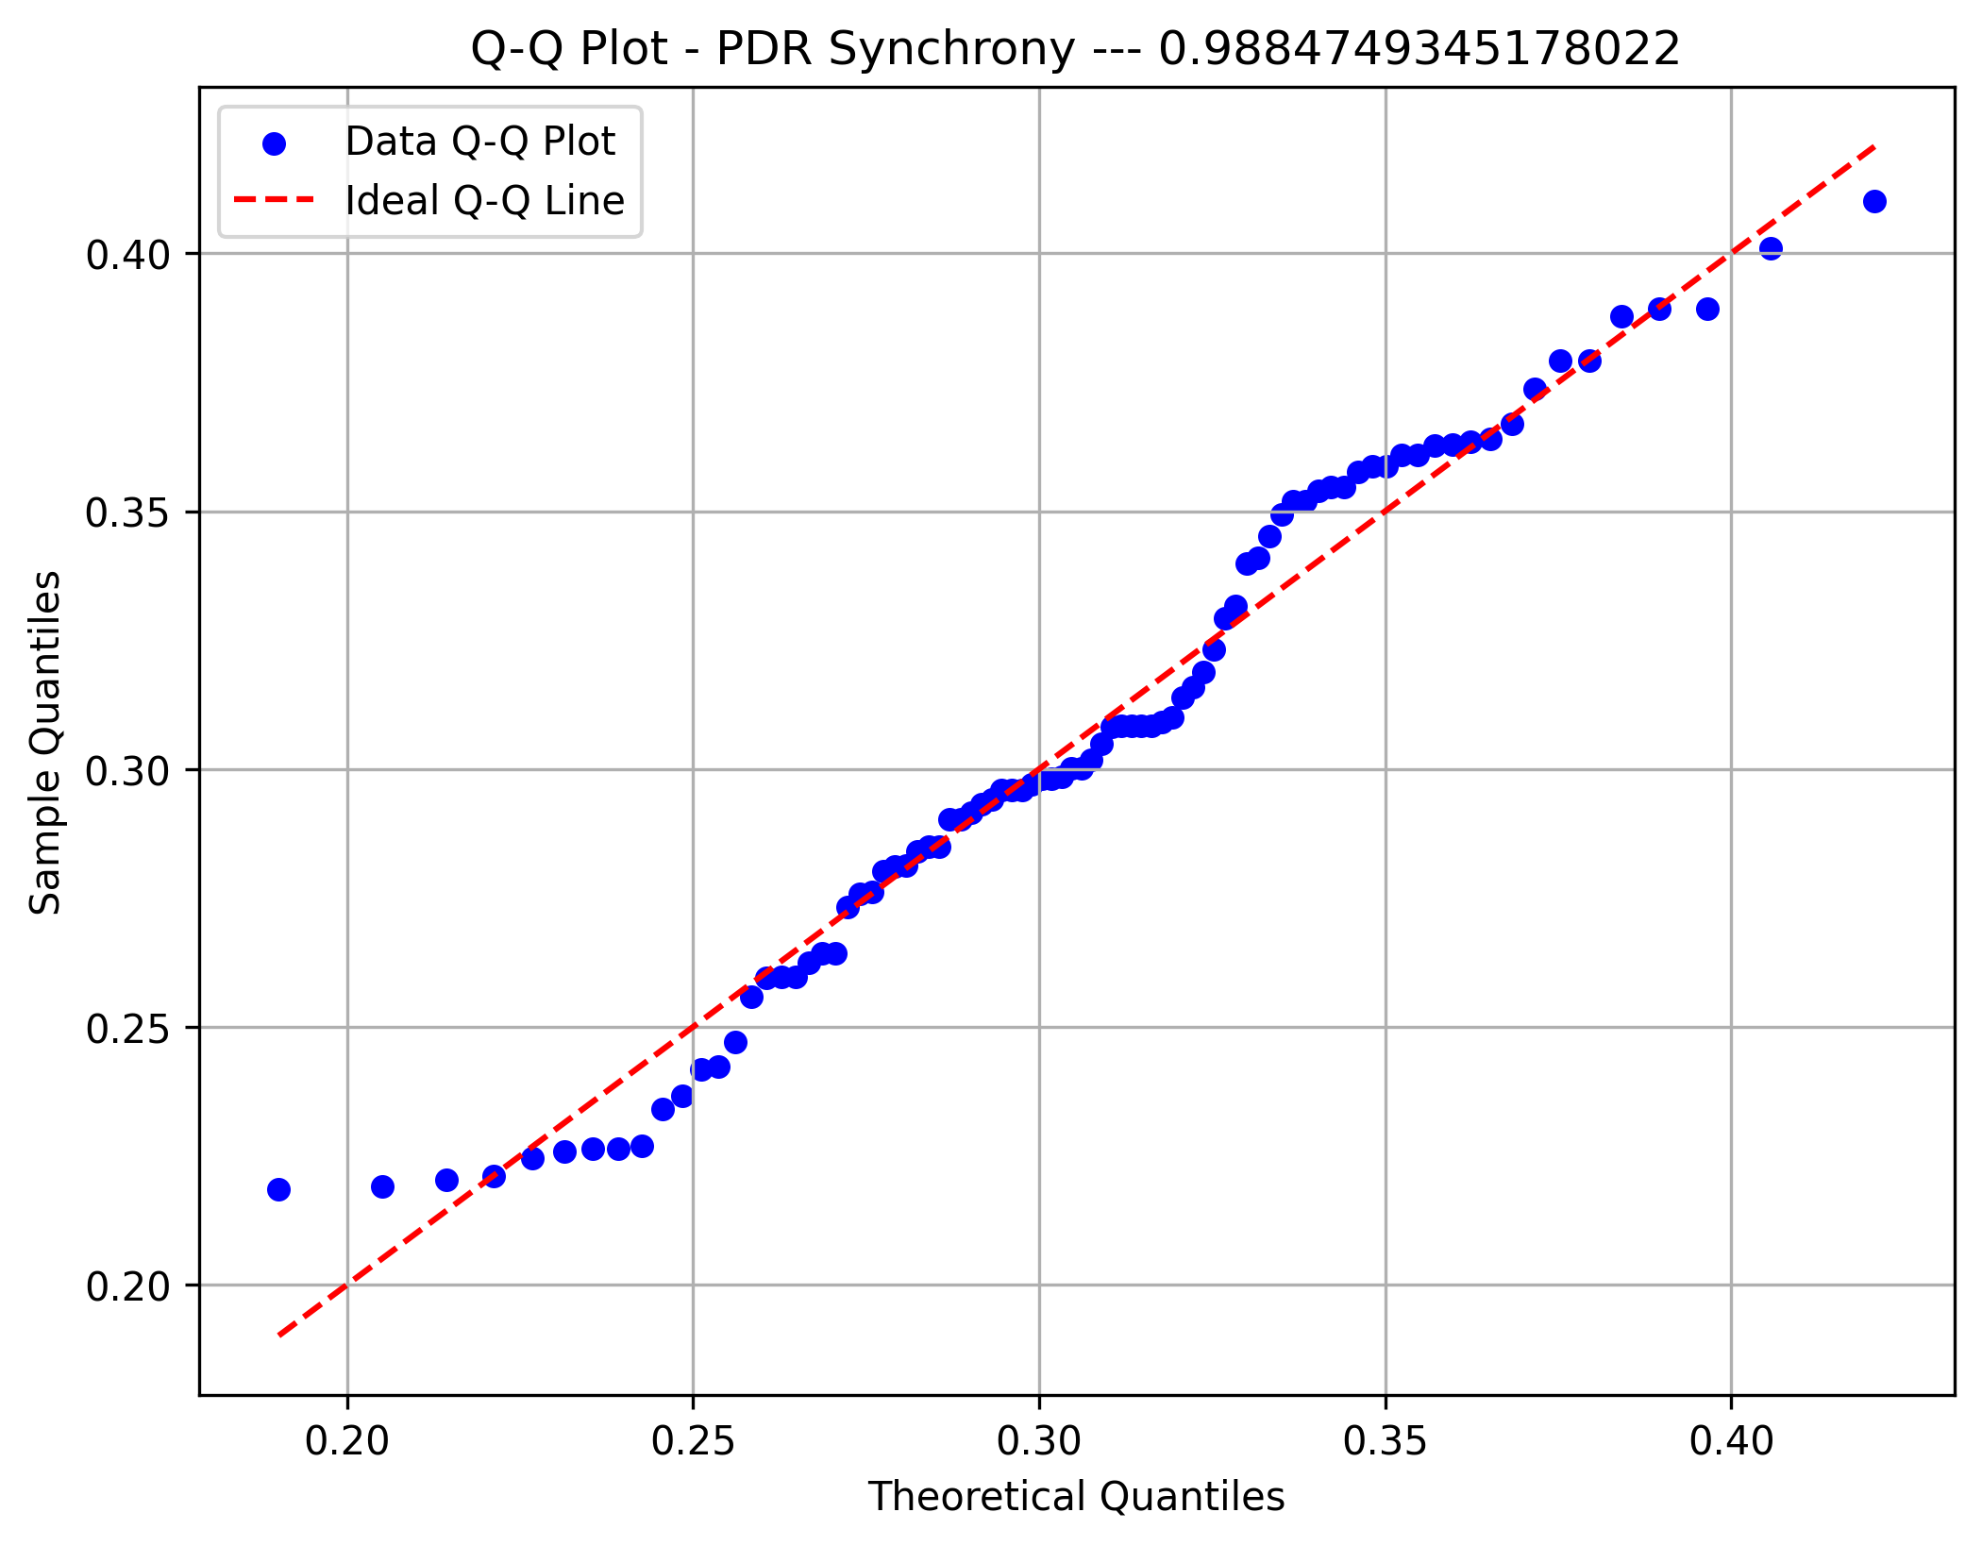
Frequency | 10 | 24 | 11 | 9 | 5 | 4 | 8 | 4 | 3 | 8
Metric 44 | 220.12587224 | 274.31389378 | 328.50191532 | 382.68993685 | 436.87795839 | 491.06597992 | 545.25400146 | 599.442023 | 653.63004453 | 707.81806607 | 762.00608761
Frequency | 20 | 4 | 14 | 10 | 14 | 10 | 4 | 5 | 3 | 2
PDR Regulation
Metric 45 | 2.2126113679 | 2.4478818691 | 2.6831523703 | 2.9184228715 | 3.1536933727 | 3.3889638739 | 3.6242343751 | 3.8595048763 | 4.0947753775 | 4.3300458787 | 4.5653163799
Frequency | 2 | 7 | 17 | 6 | 20 | 12 | 8 | 2 | 4 | 8
Metric 46 | 4.5176659426 | 5.6085612227 | 6.6994565028 | 7.7903517829 | 8.8812470631 | 9.9721423432 | 11.063037623 | 12.153932903 | 13.244828183 | 14.335723464 | 15.426618744
Frequency | 19 | 7 | 19 | 6 | 14 | 7 | 2 | 2 | 5 | 5
Metric 47 | 162.95447883 | 202.77165076 | 242.58882269 | 282.40599462 | 322.22316655 | 362.04033848 | 401.8575104 | 441.67468233 | 481.49185426 | 521.30902619 | 561.12619812
Frequency | 9 | 12 | 8 | 10 | 4 | 10 | 12 | 7 | 7 | 7
Metric 48 | 1.5785500439 | 1.8076600912 | 2.0367701385 | 2.2658801857 | 2.494990233 | 2.7241002803 | 2.9532103275 | 3.1823203748 | 3.4114304221 | 3.6405404693 | 3.8696505166
Frequency | 4 | 4 | 4 | 14 | 16 | 13 | 8 | 9 | 10 | 4
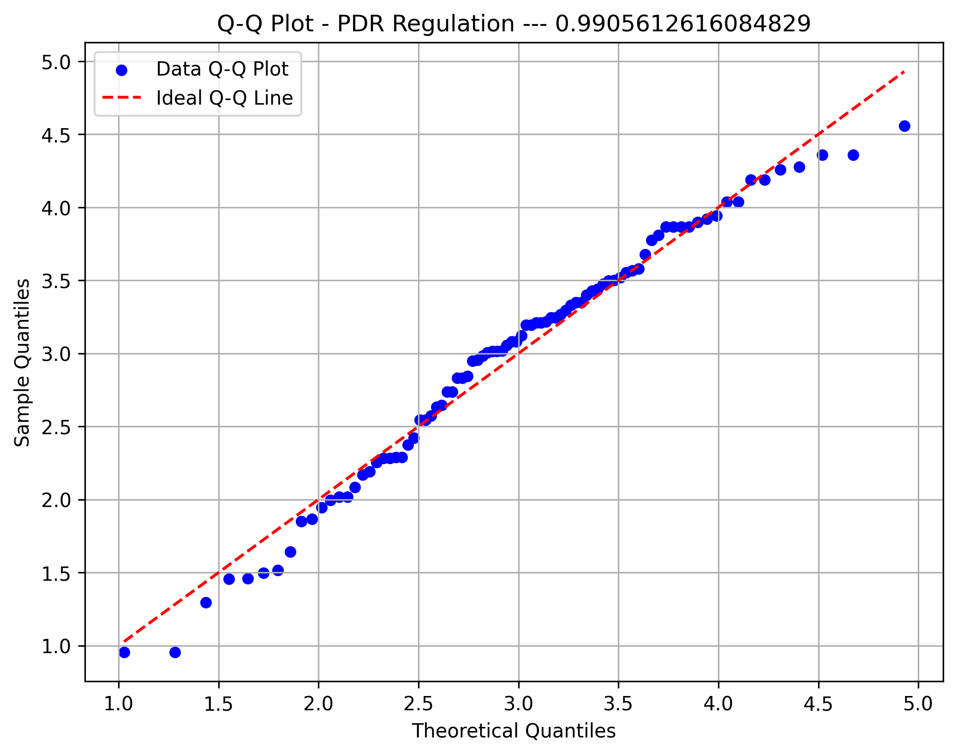
Metric 49 | 2.1891864395 | 2.915443052 | 3.6416996645 | 4.367956277 | 5.0942128895 | 5.8204695019 | 6.5467261144 | 7.2729827269 | 7.9992393394 | 8.7254959519 | 9.4517525643
Frequency | 8 | 14 | 4 | 16 | 10 | 10 | 6 | 5 | 3 | 10
PDR Magnitude
Metric 50 | 171.81835531 | 218.72749517 | 265.63663502 | 312.54577487 | 359.45491473 | 406.36405458 | 453.27319444 | 500.18233429 | 547.09147414 | 594.000614 | 640.90975385
Frequency | 7 | 17 | 11 | 6 | 12 | 11 | 9 | 4 | 5 | 4
Metric 51 | 2.0489818239 | 2.2390757636 | 2.4291697033 | 2.619263643 | 2.8093575827 | 2.9994515224 | 3.1895454621 | 3.3796394018 | 3.5697333415 | 3.7598272812 | 3.9499212209
Frequency | 8 | 7 | 4 | 12 | 15 | 12 | 8 | 8 | 11 | 1
Metric 52 | 2.6859365138 | 3.6237920116 | 4.5616475095 | 5.4995030073 | 6.4373585052 | 7.375214003 | 8.3130695009 | 9.2509249987 | 10.188780497 | 11.126635994 | 12.064491492
Frequency | 7 | 11 | 9 | 15 | 11 | 9 | 10 | 8 | 2 | 4
Metric 53 | 175.54489159 | 227.12424838 | 278.70360516 | 330.28296195 | 381.86231873 | 433.44167551 | 485.0210323 | 536.60038908 | 588.17974587 | 639.75910265 | 691.33845944
Frequency | 11 | 5 | 14 | 6 | 8 | 7 | 13 | 7 | 8 | 6
Metric 54 | 1.7976249649 | 2.0787089066 | 2.3597928482 | 2.6408767898 | 2.9219607314 | 3.2030446731 | 3.4841286147 | 3.7652125563 | 4.0462964979 | 4.3273804396 | 4.6084643812
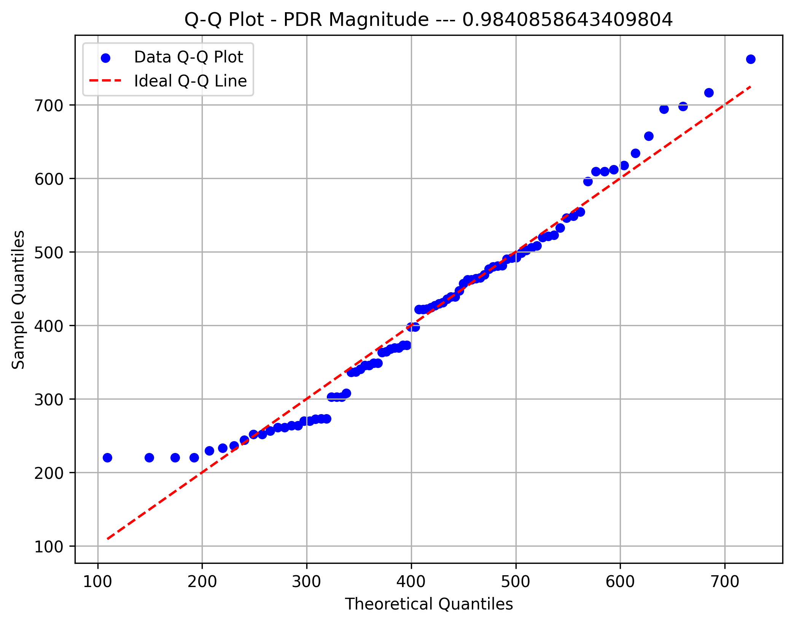
Frequency | 5 | 2 | 7 | 15 | 8 | 4 | 18 | 8 | 13 | 6
PDR Sinusoidal
Metric 55 | 2.0665255574 | 4.9783056006 | 7.8900856438 | 10.801865687 | 13.71364573 | 16.625425773 | 19.537205817 | 22.44898586 | 25.360765903 | 28.272545946 | 31.184325989
Frequency | 18 | 17 | 15 | 16 | 8 | 4 | 5 | 1 | 1 | 0

PDR Max Post.
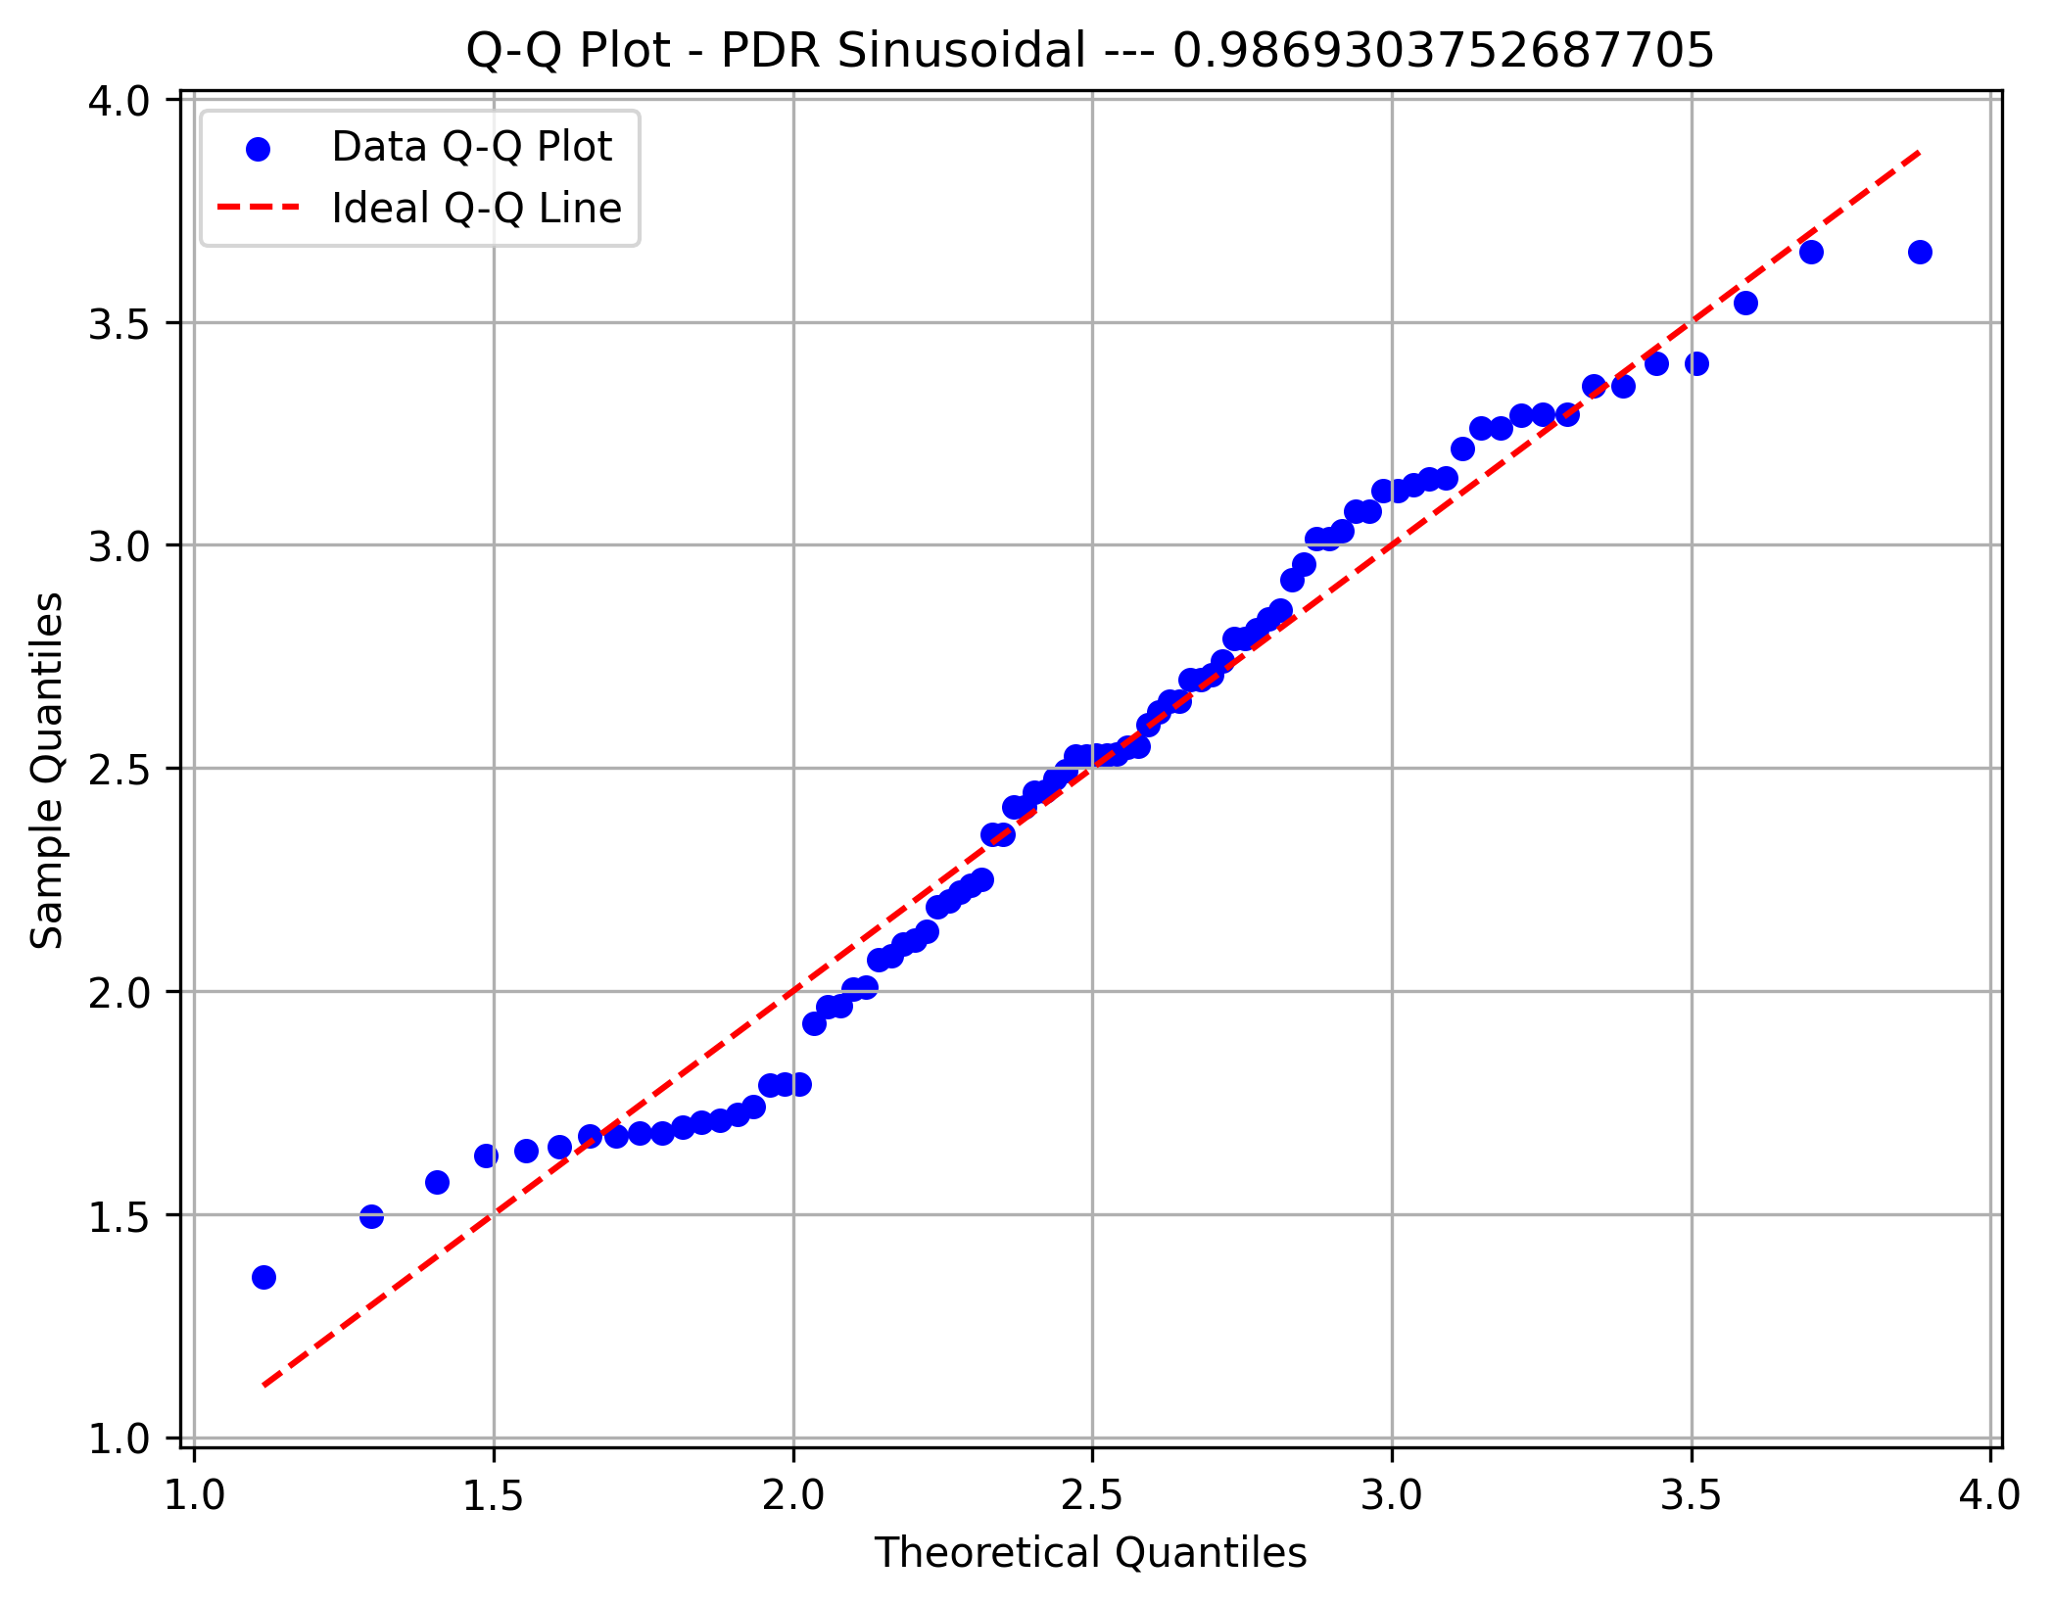

PDR FFT Width
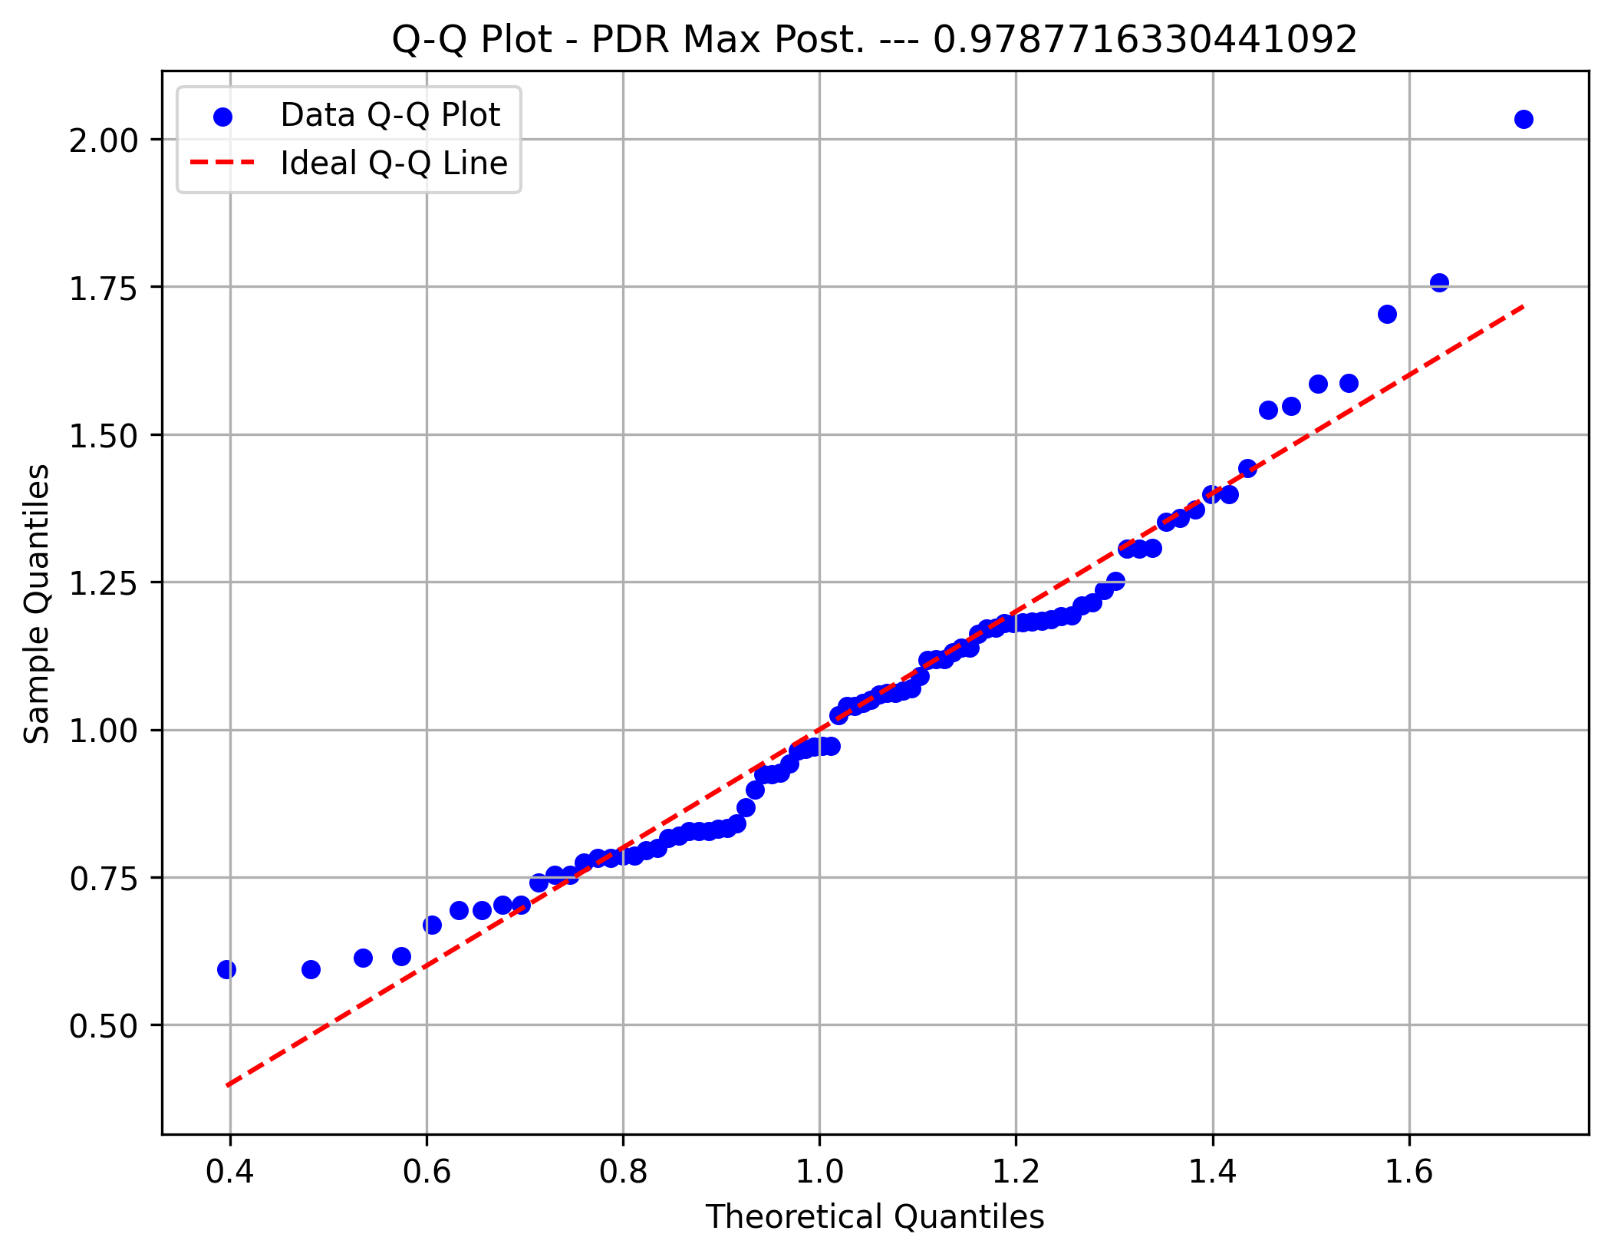

PDR Amplitude



PDR Artifact Width

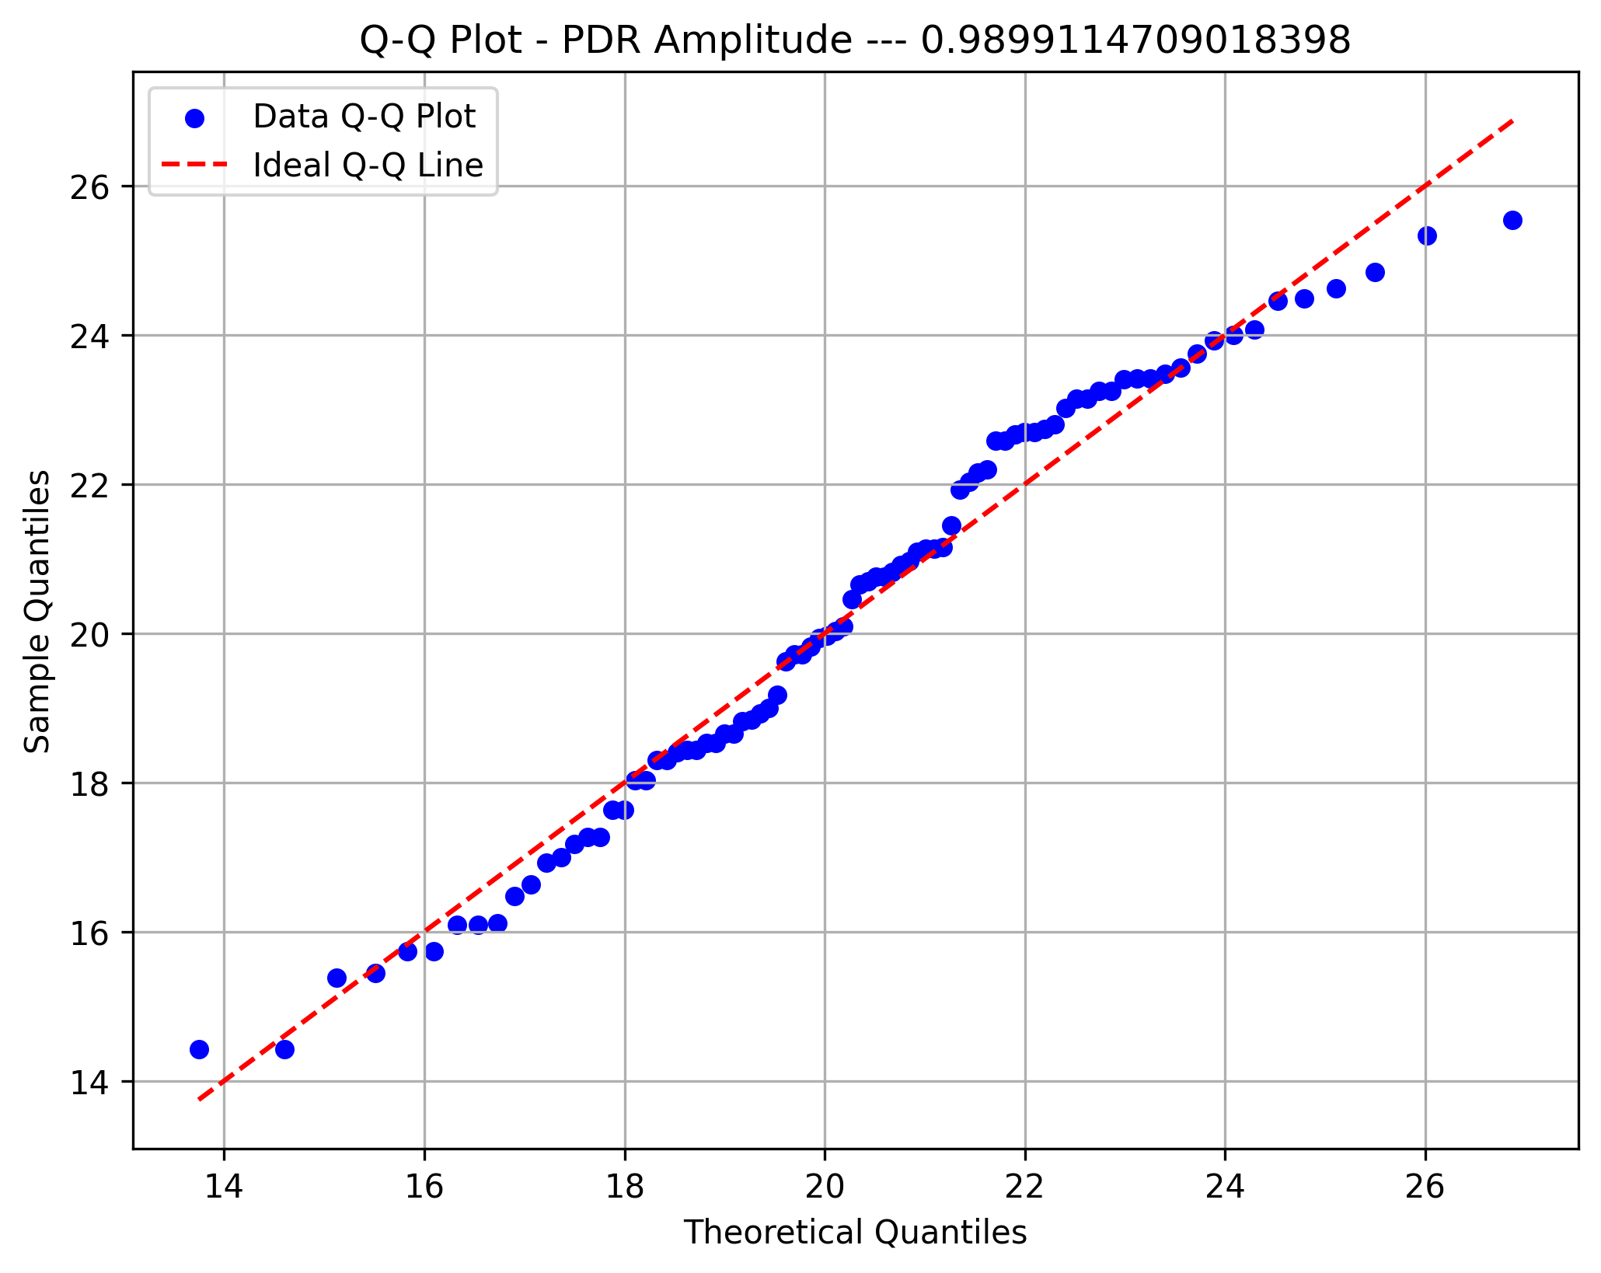

Beta Max Front

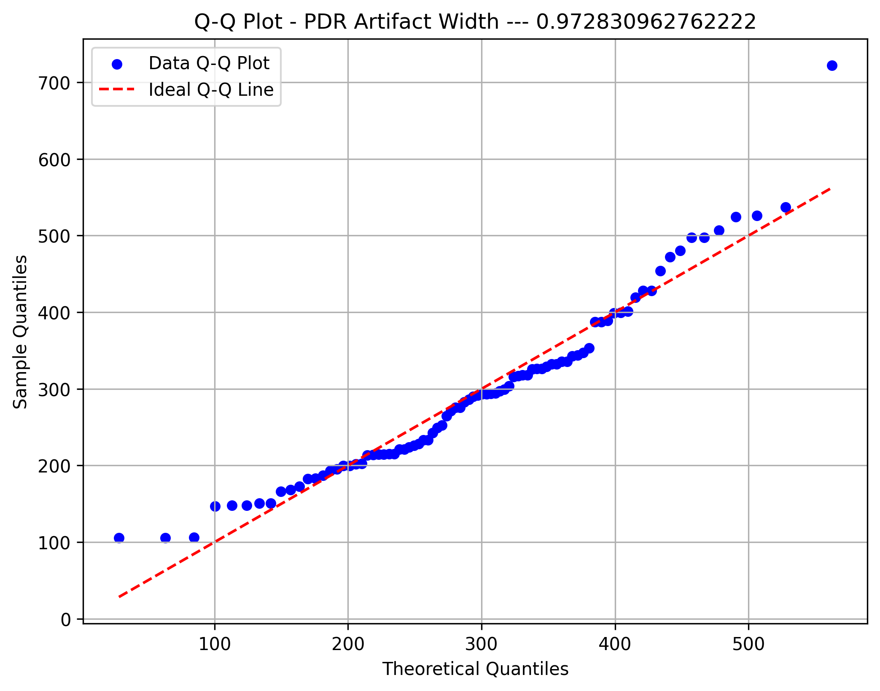

Front Alpha Asym

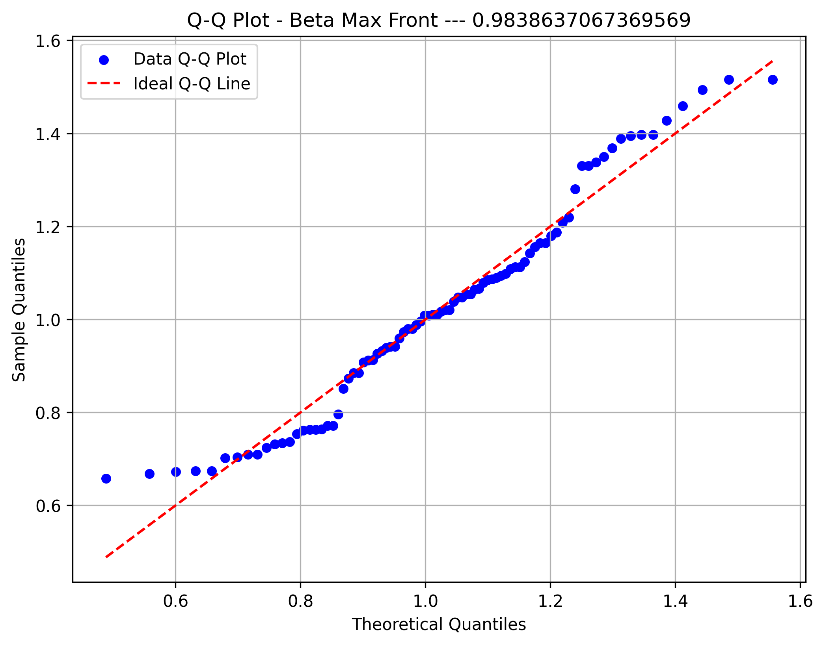

XS Temp. Alpha



Fast Alpha

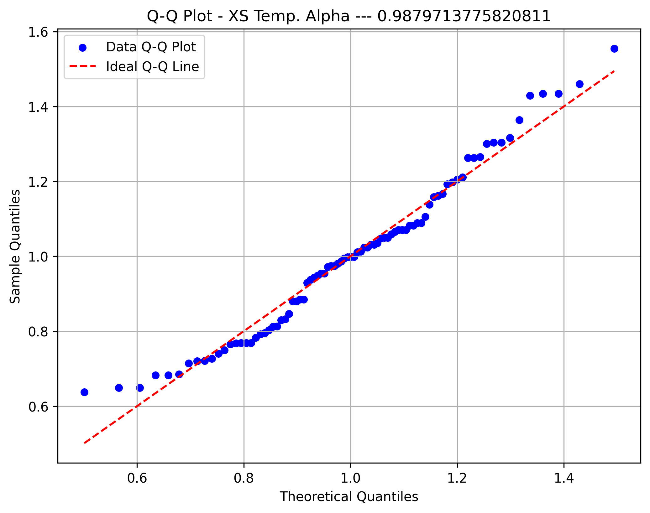

Midline Beta

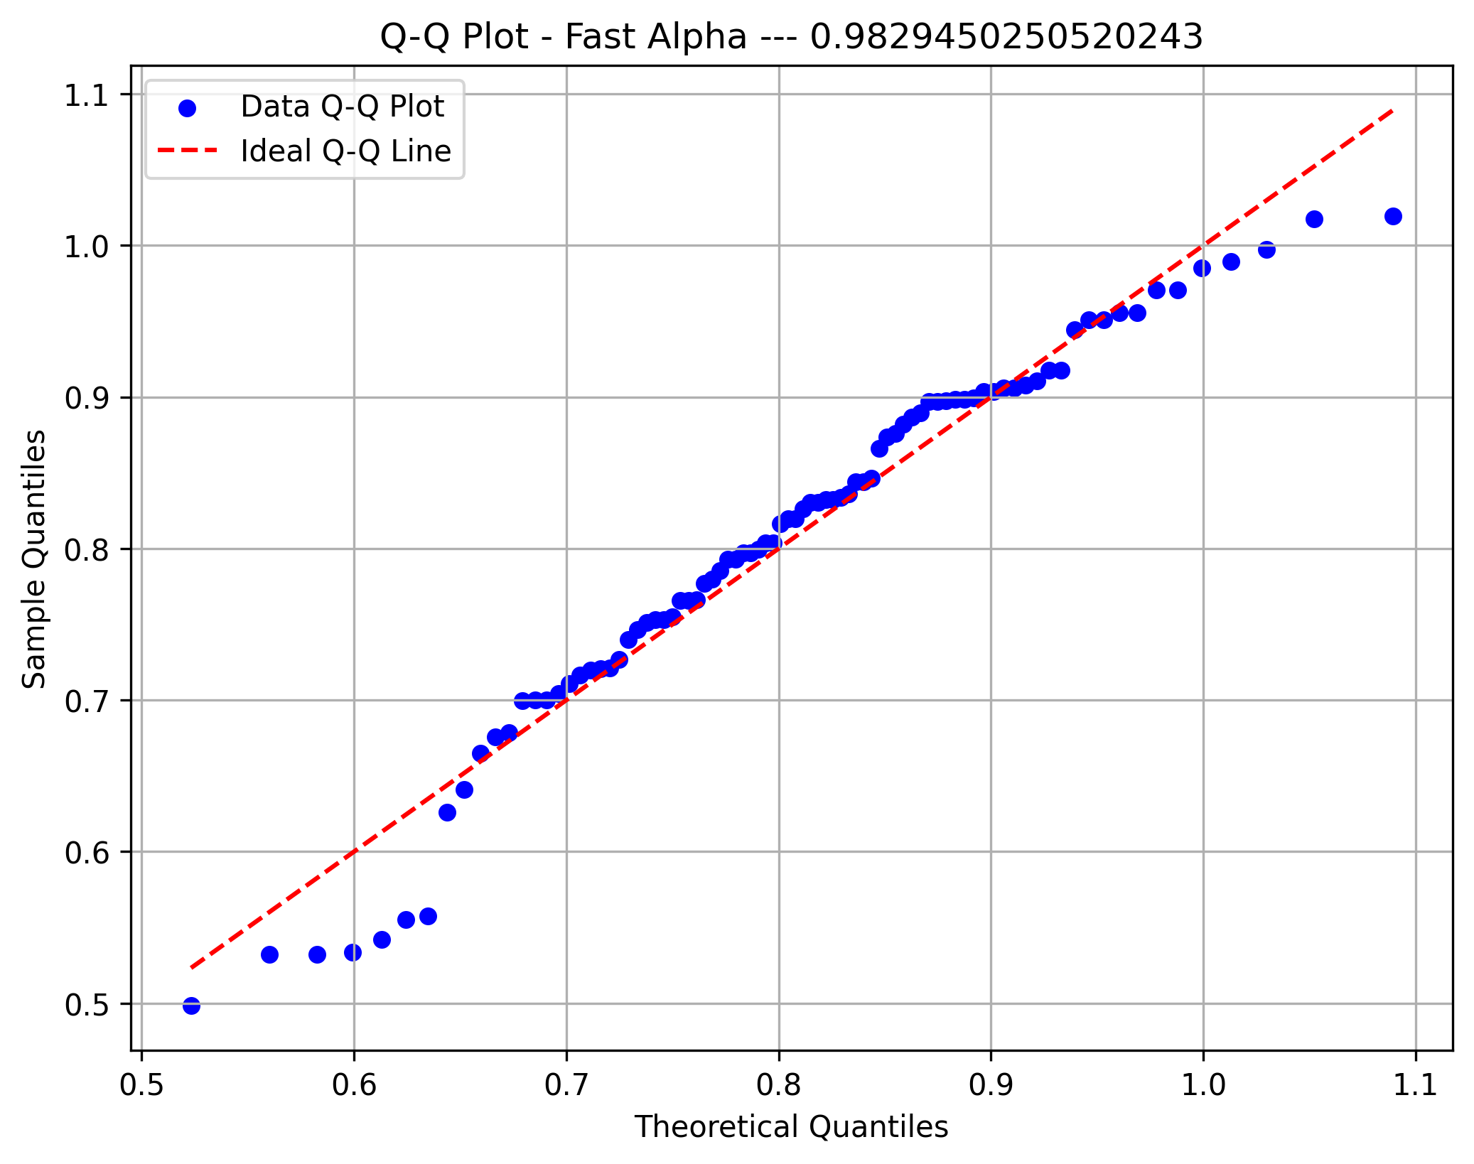

Focal Delta Index

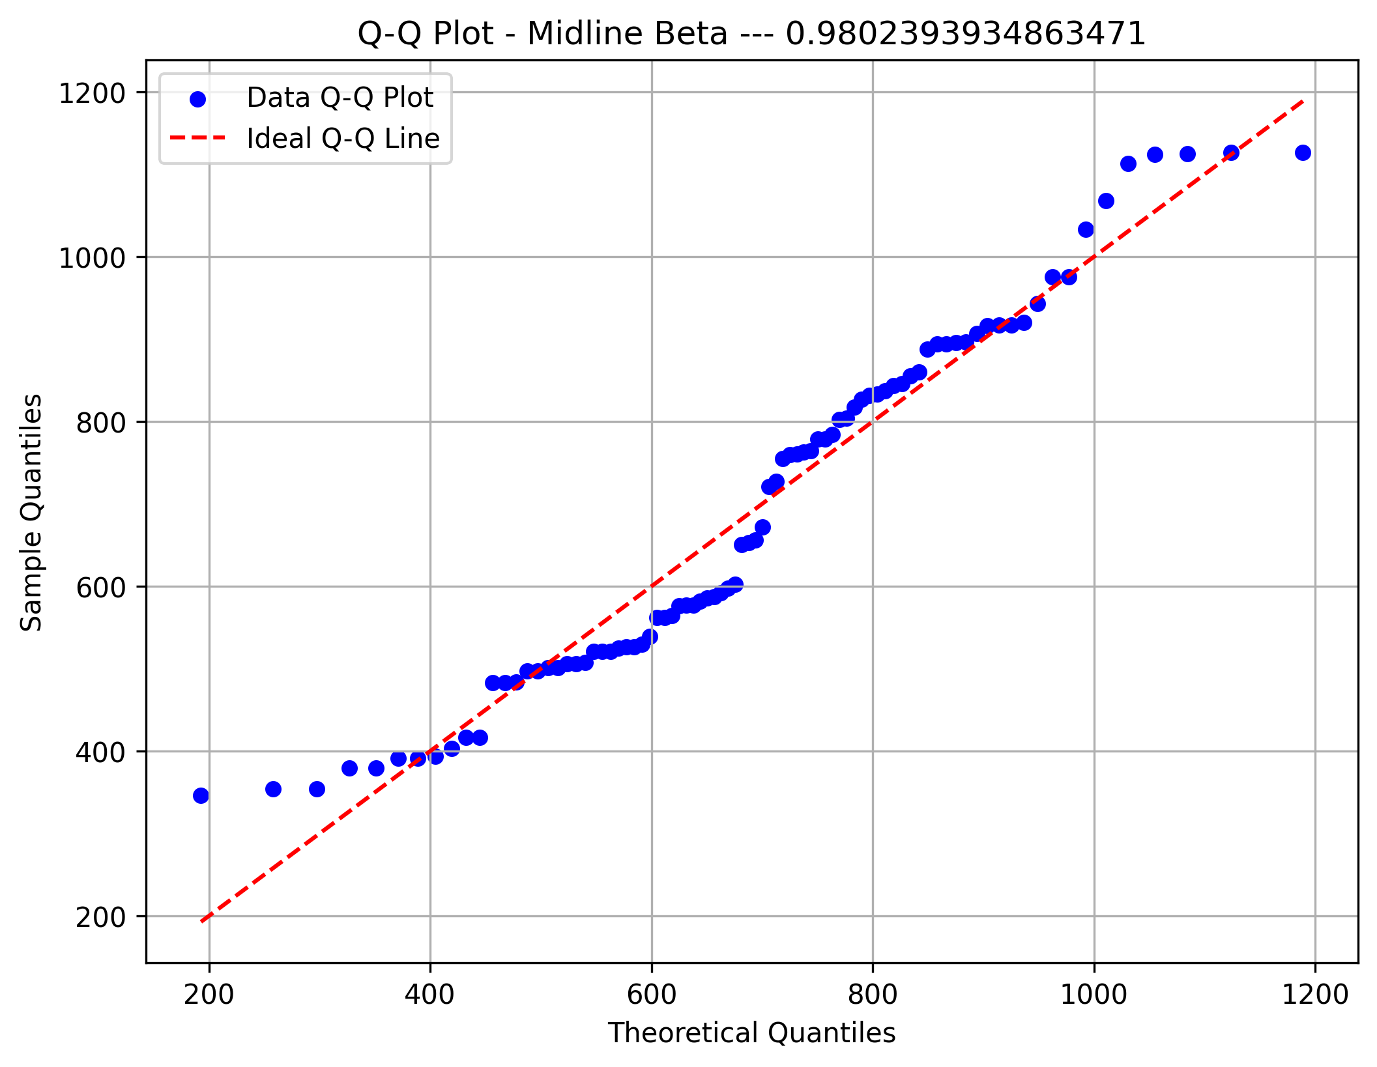
Focal Delta Amplitude

Focal Theta Index
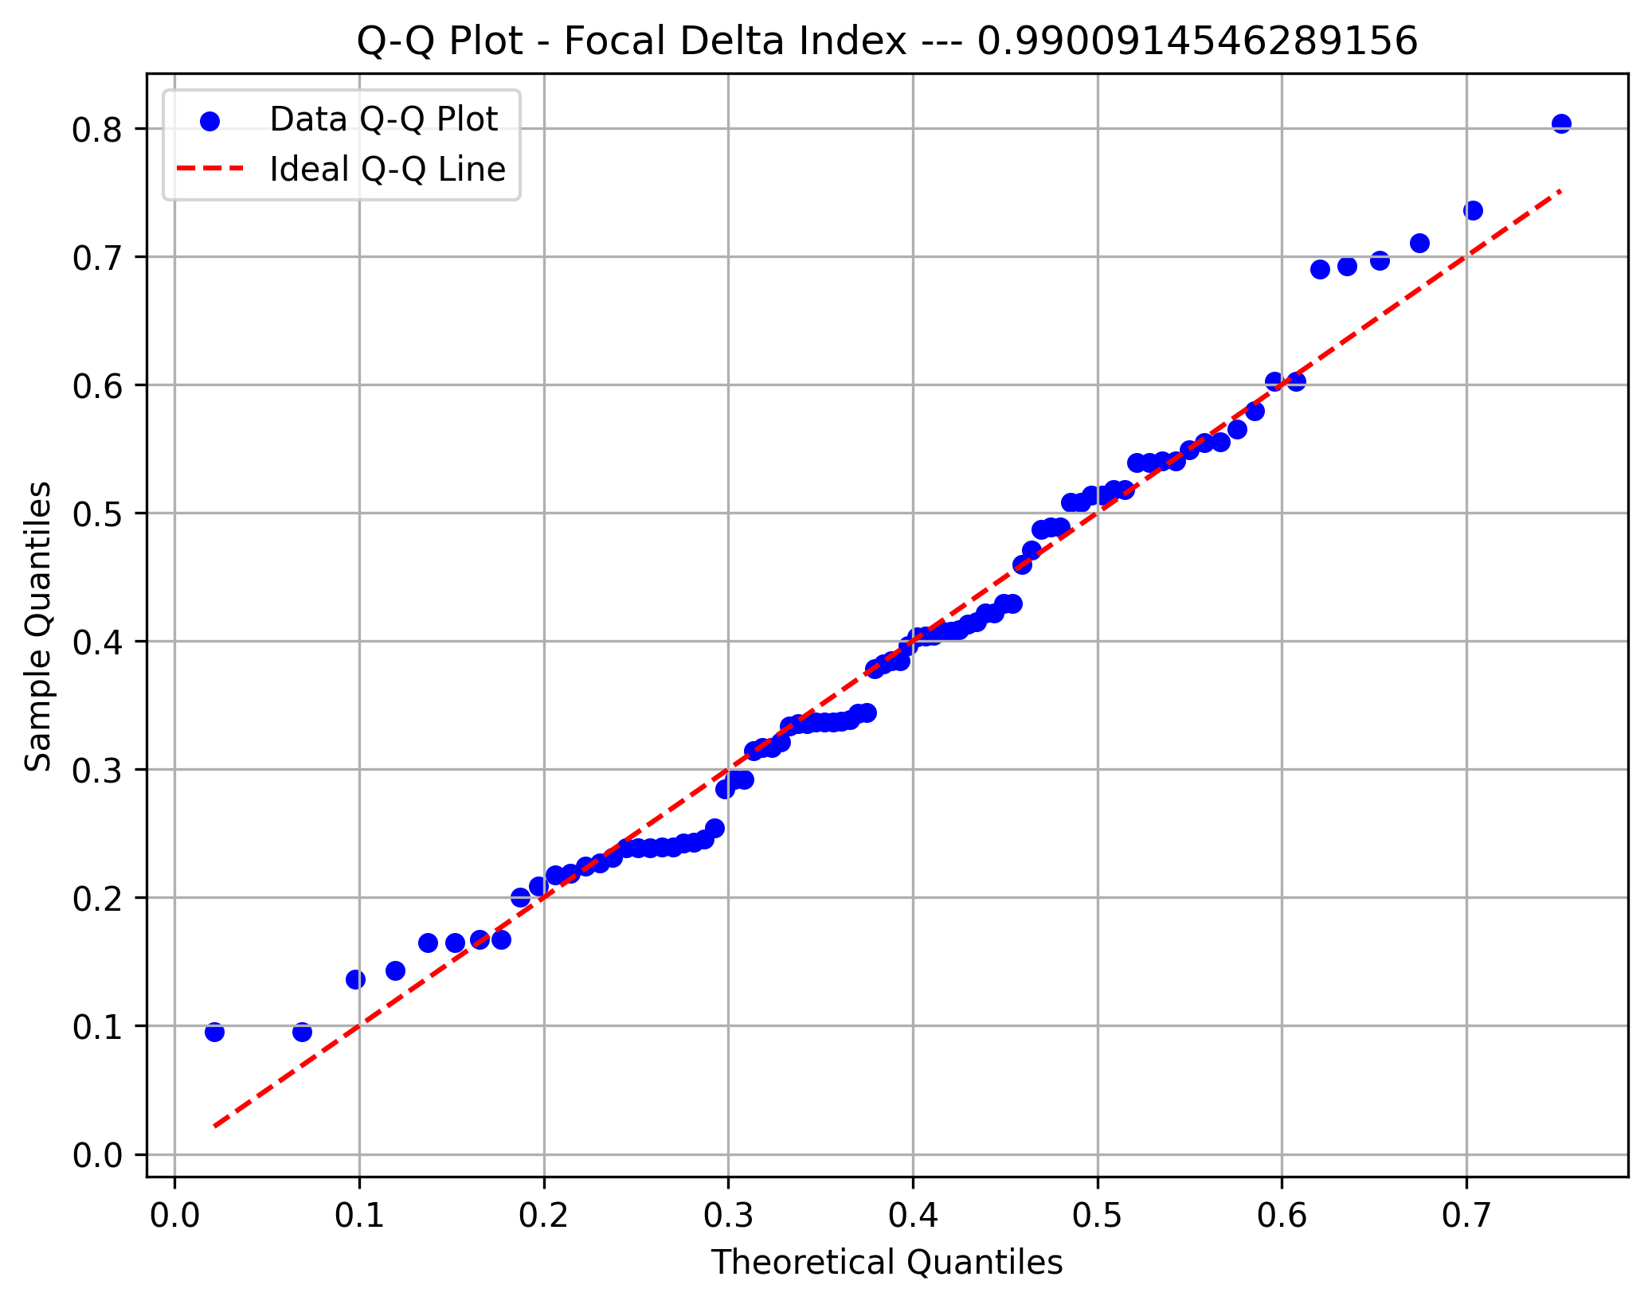

Focal Theta Amplitude
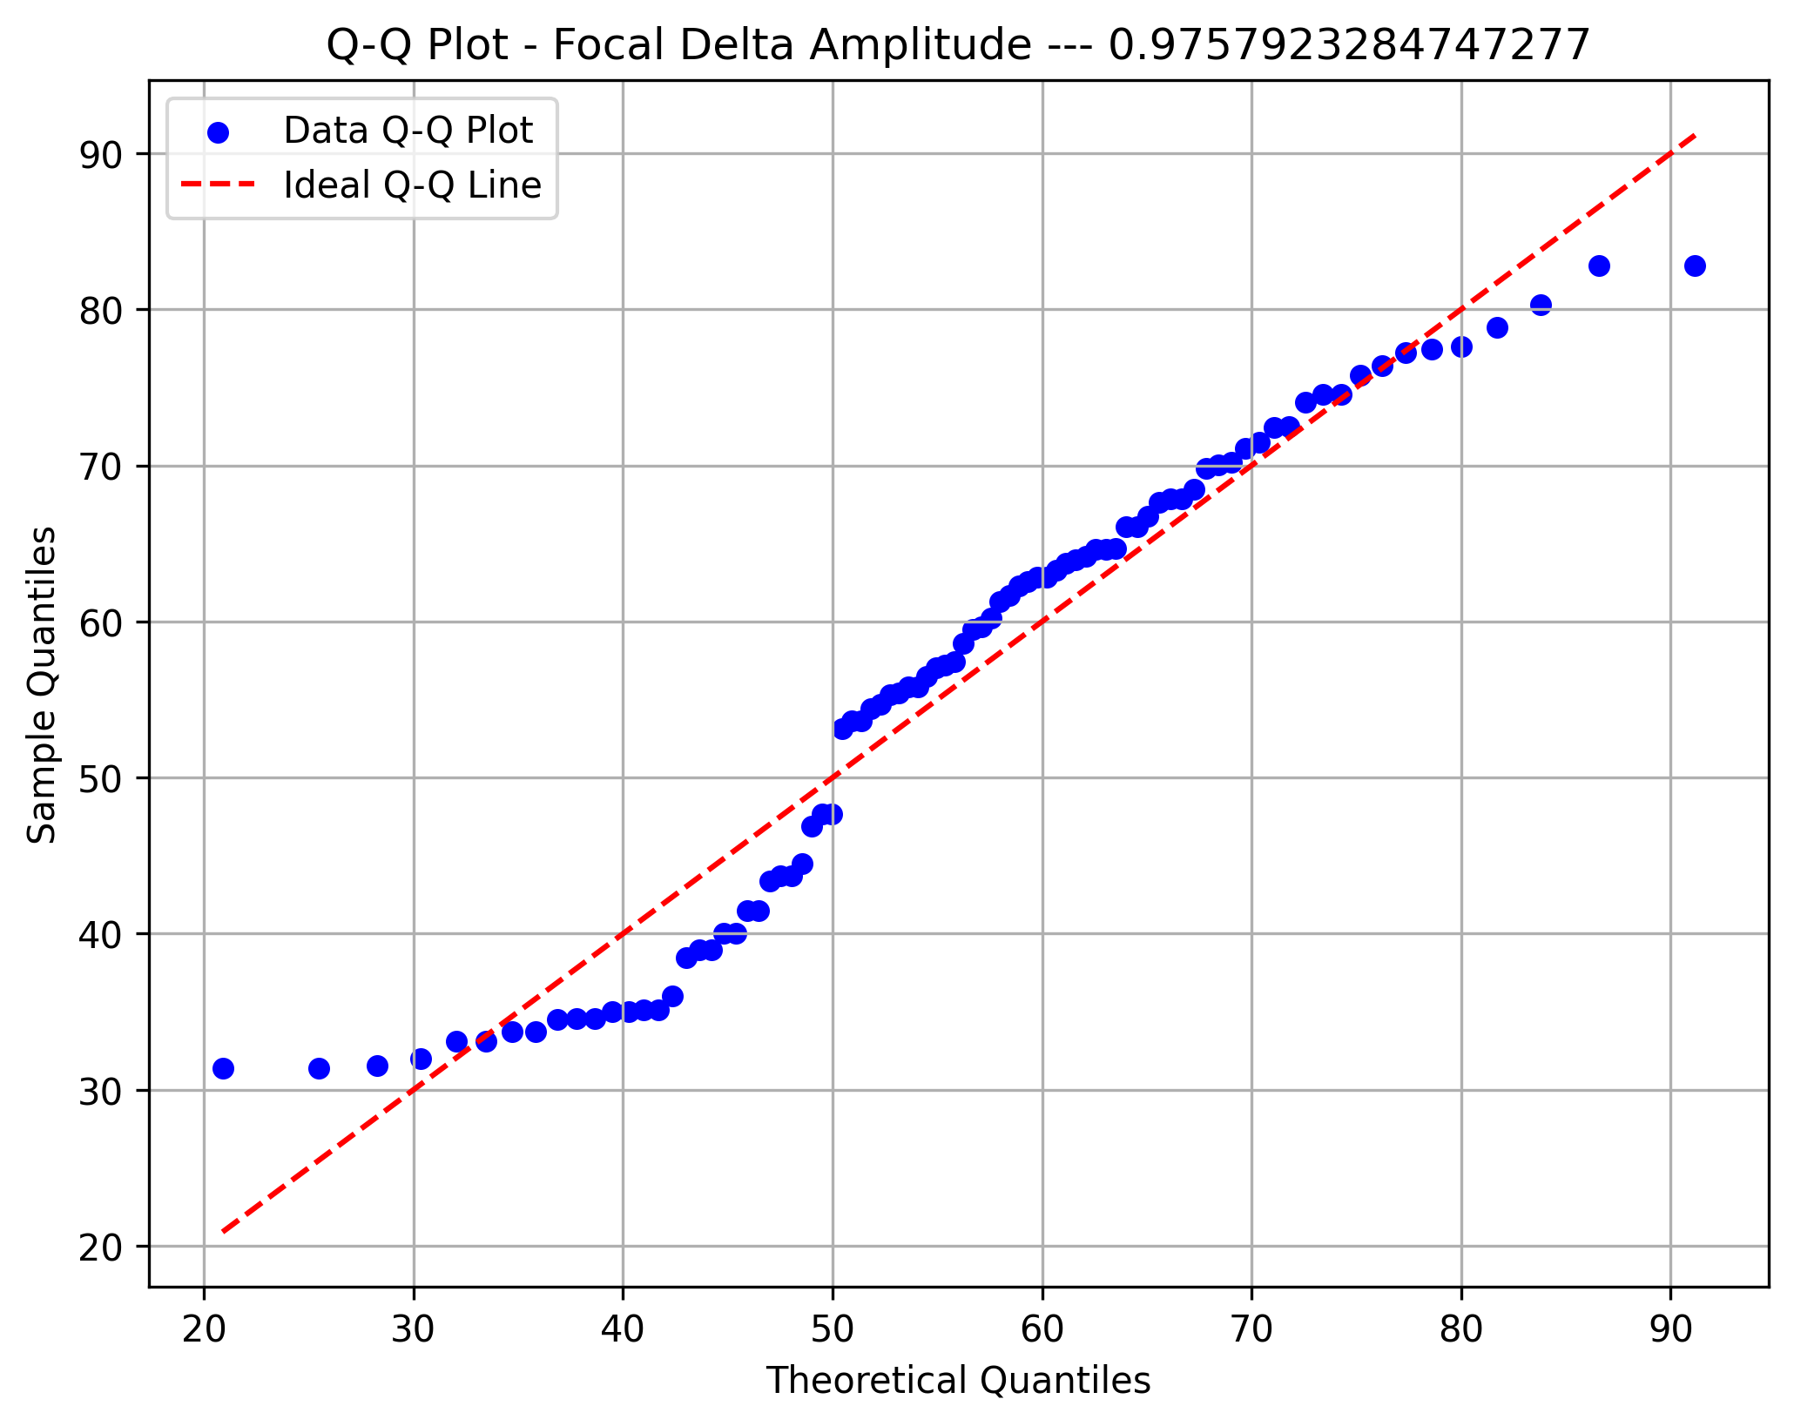

Focal HiBeta Ind.



Focal HiBeta Amp.

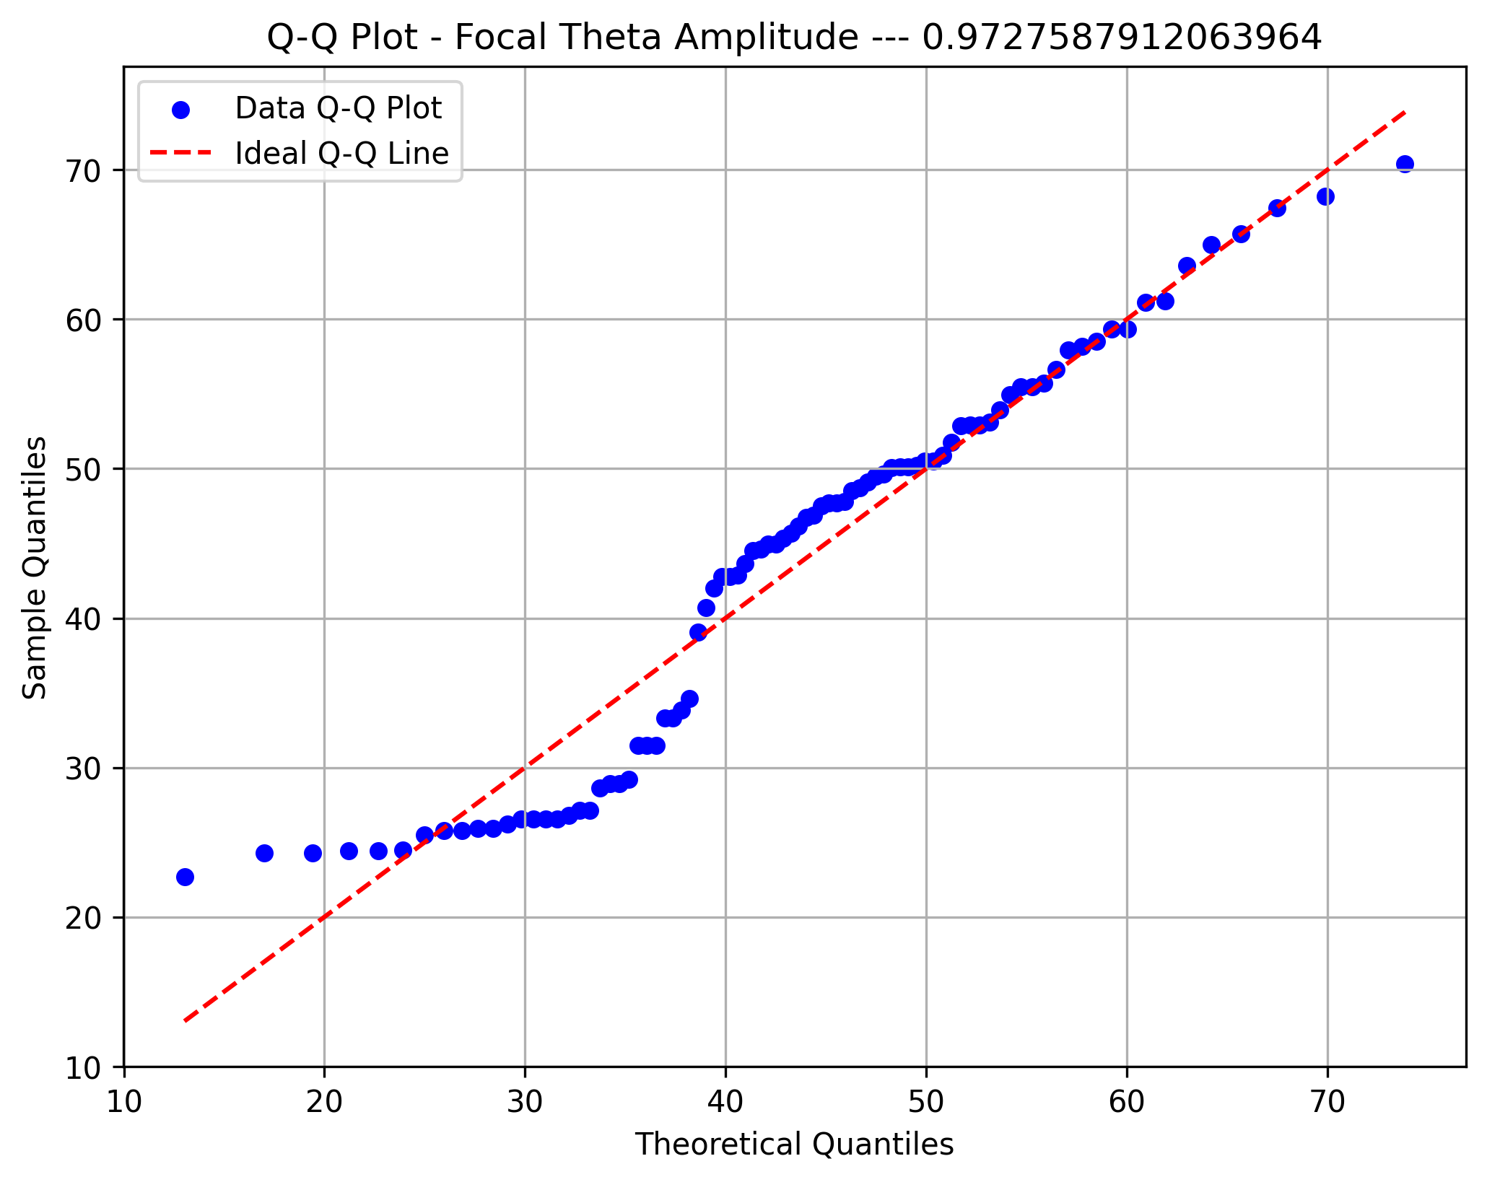

Focal Beta Ind.

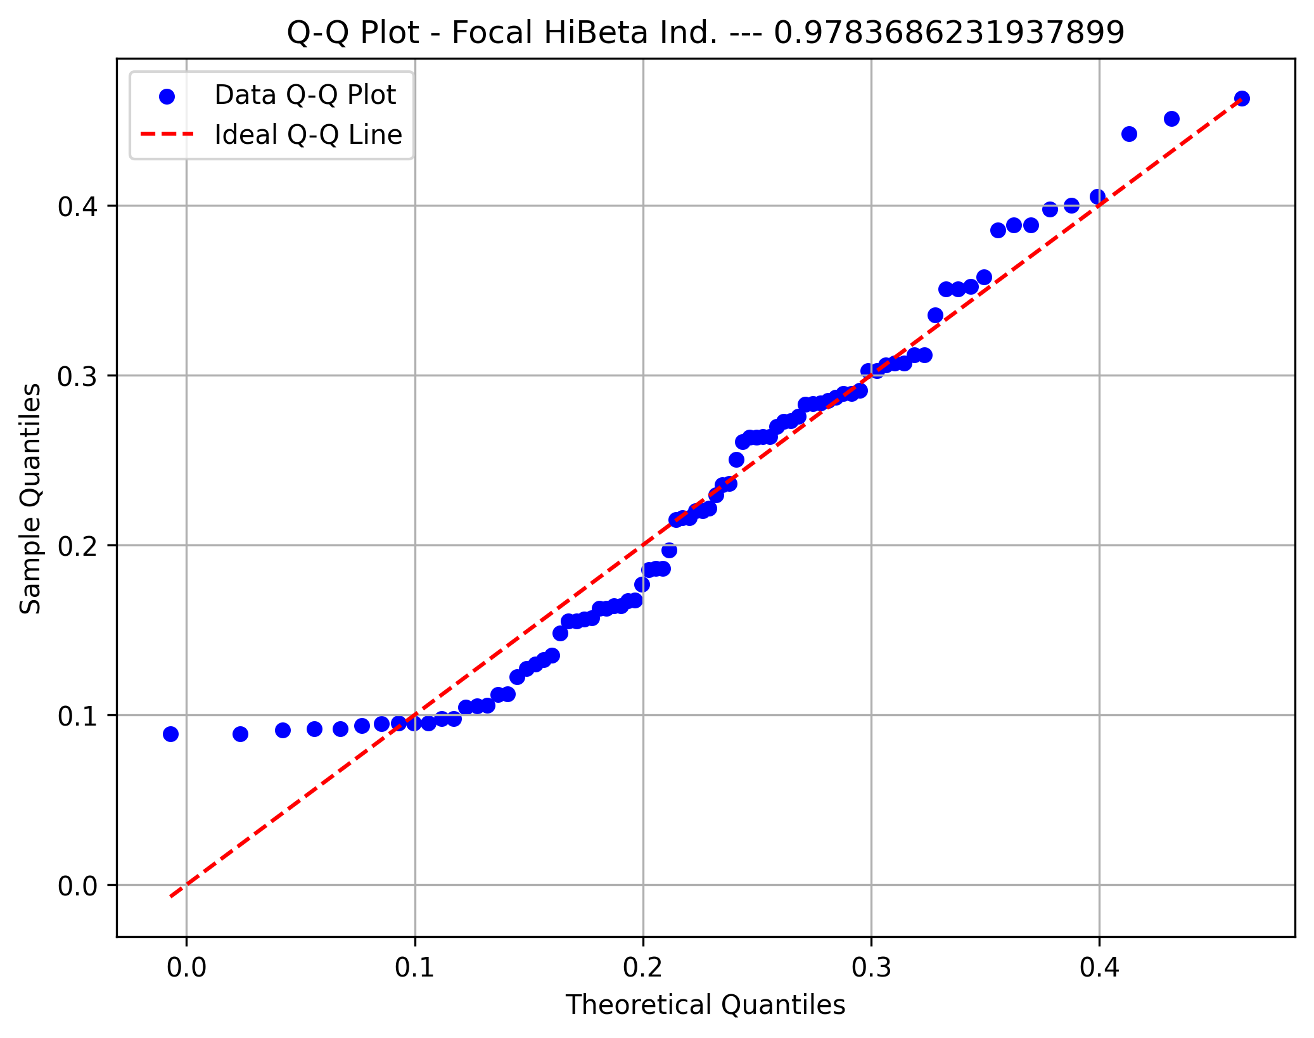

Focal Beta Amp.

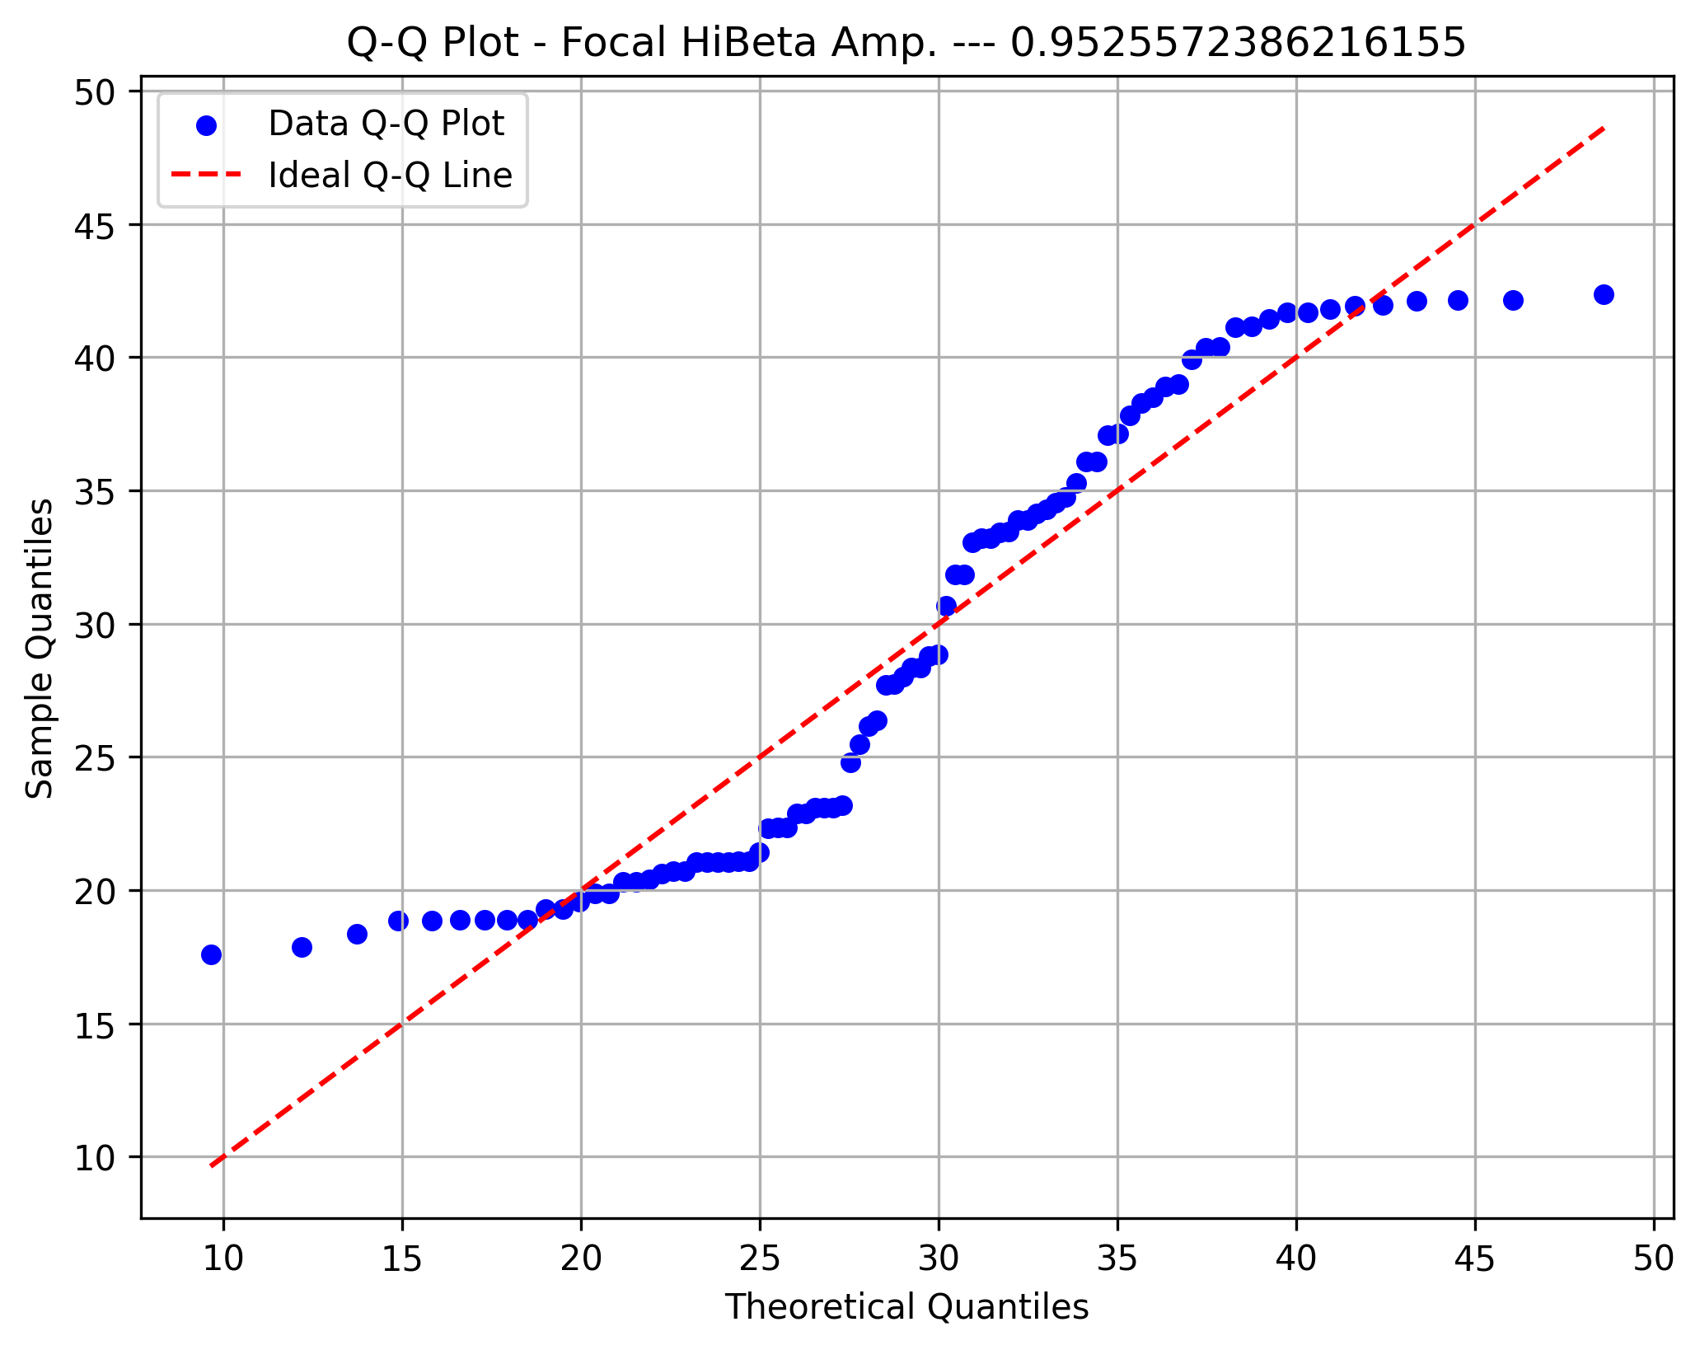

Frontal Delta

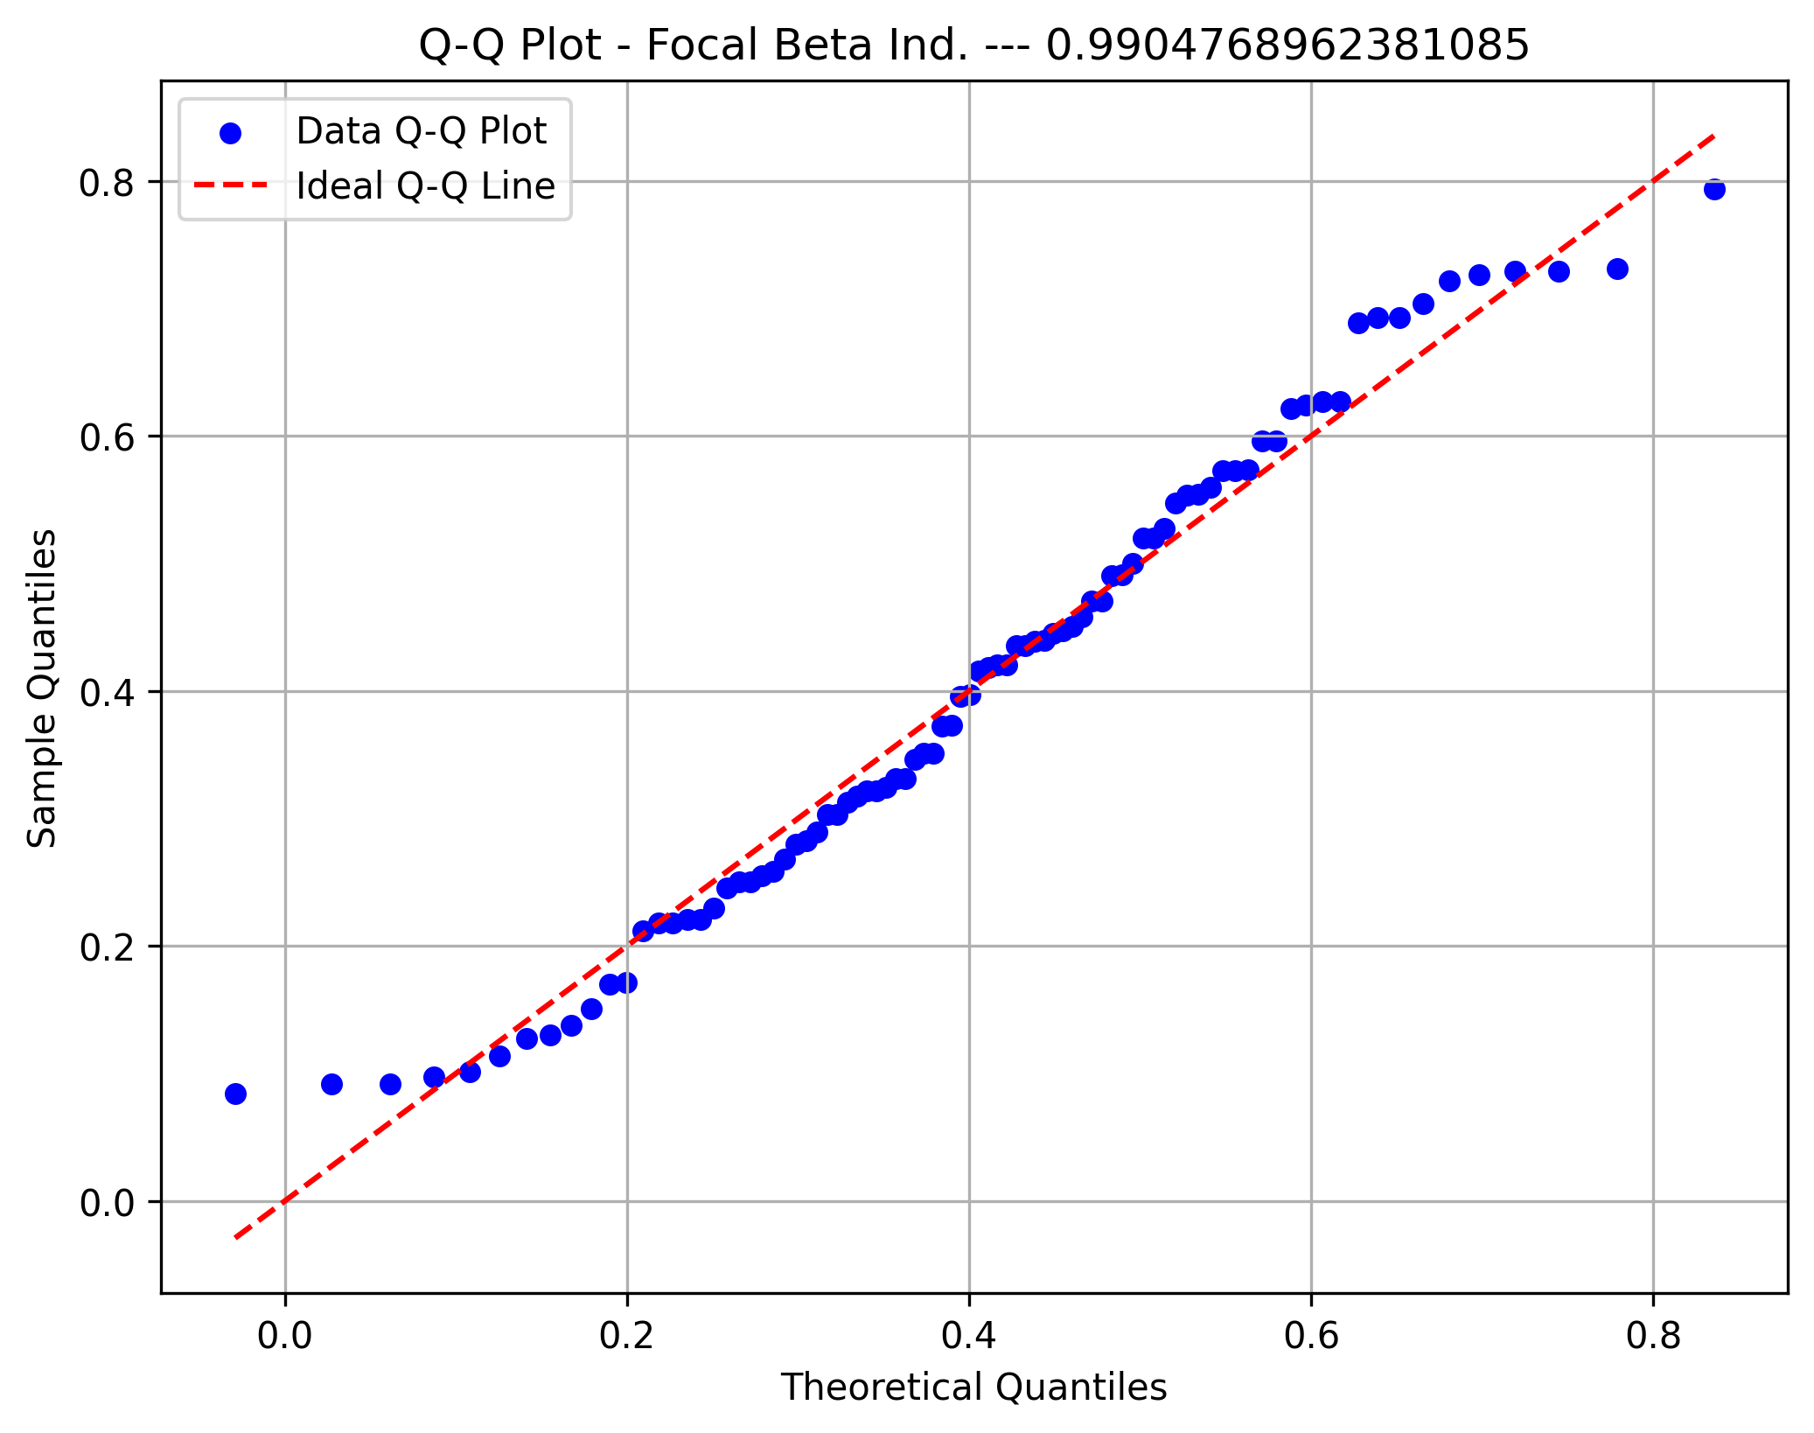

Frontal Theta

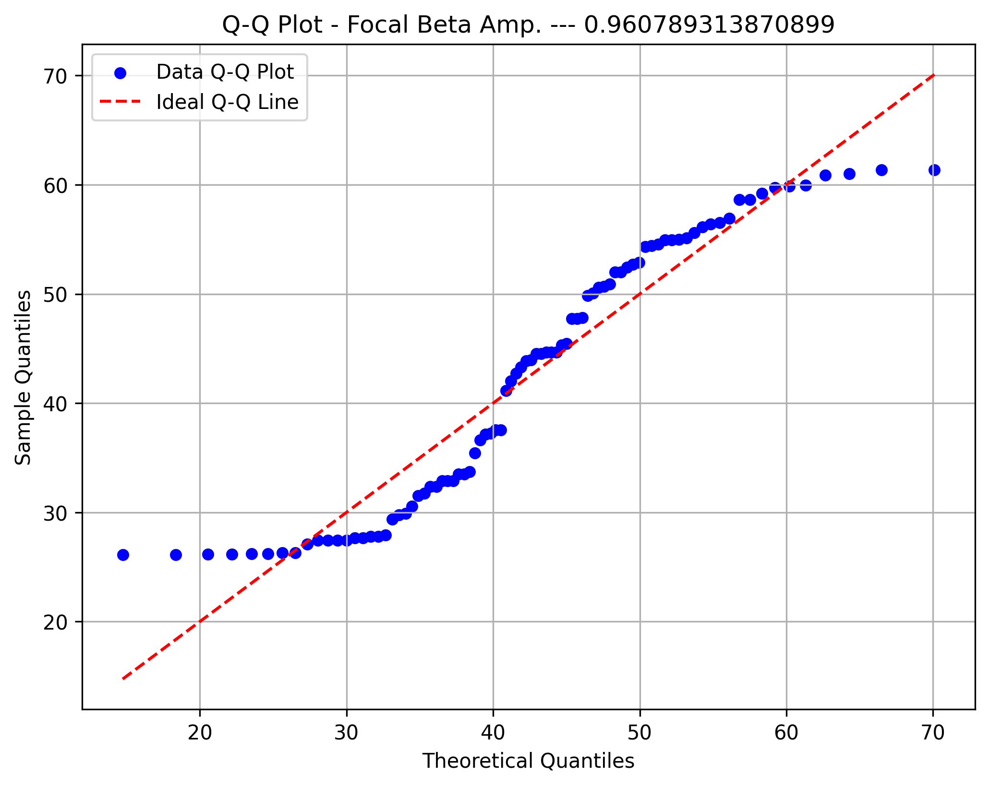

Frontal Gamma

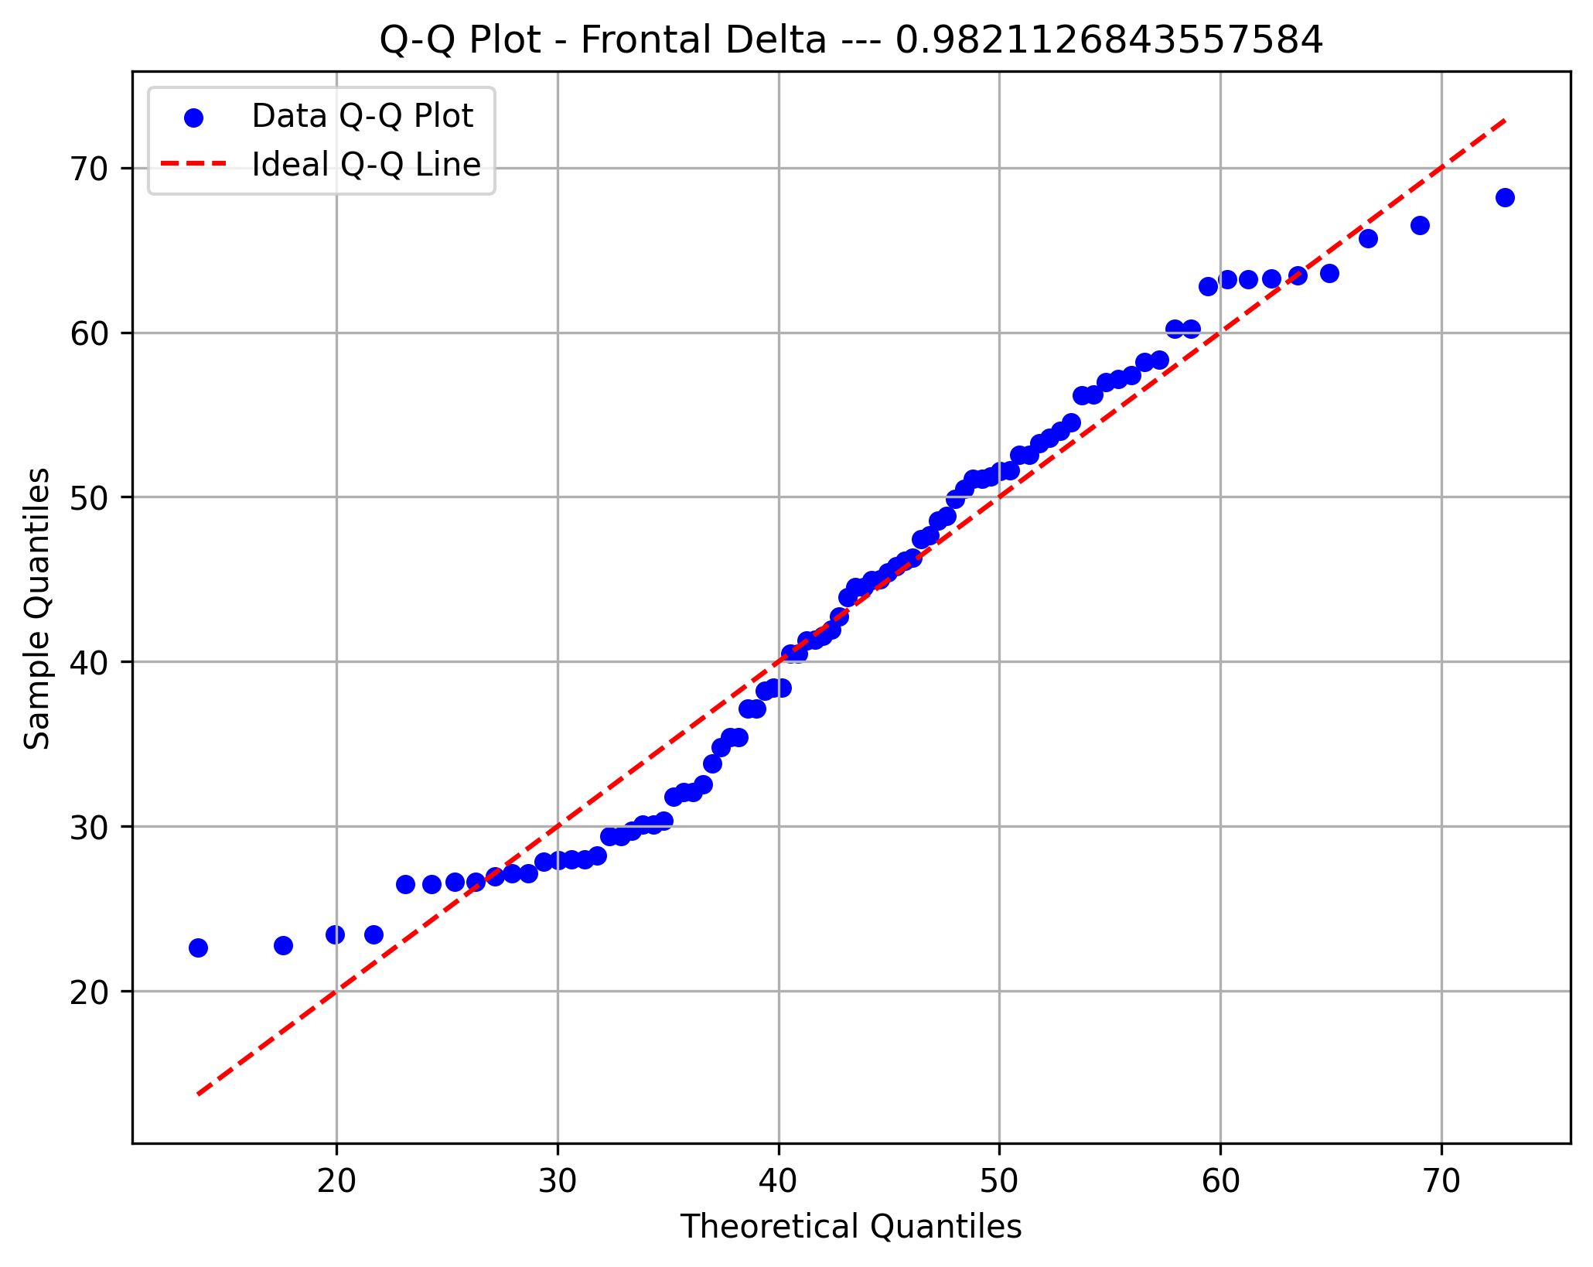

Front Gamma Asym

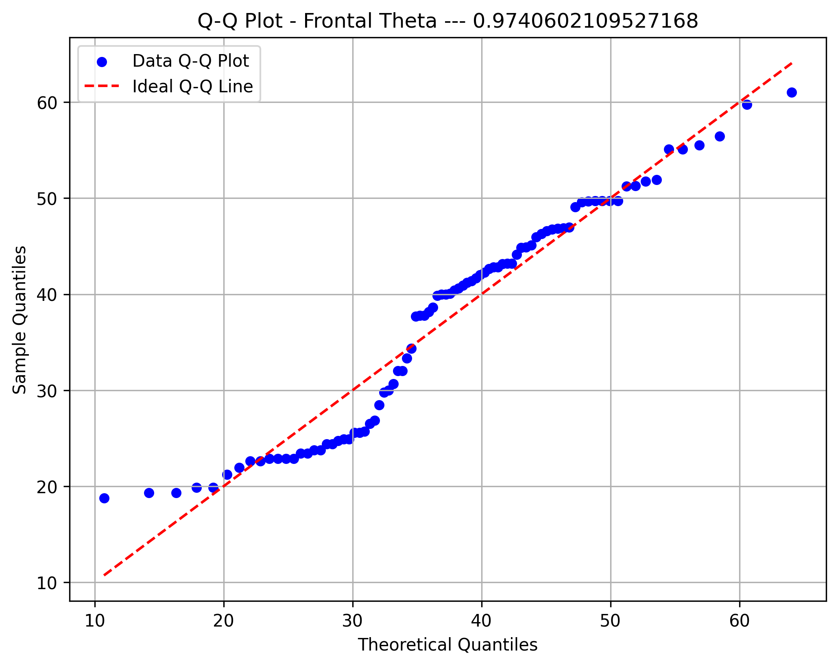
Diffuse Delta

Diffuse Theta
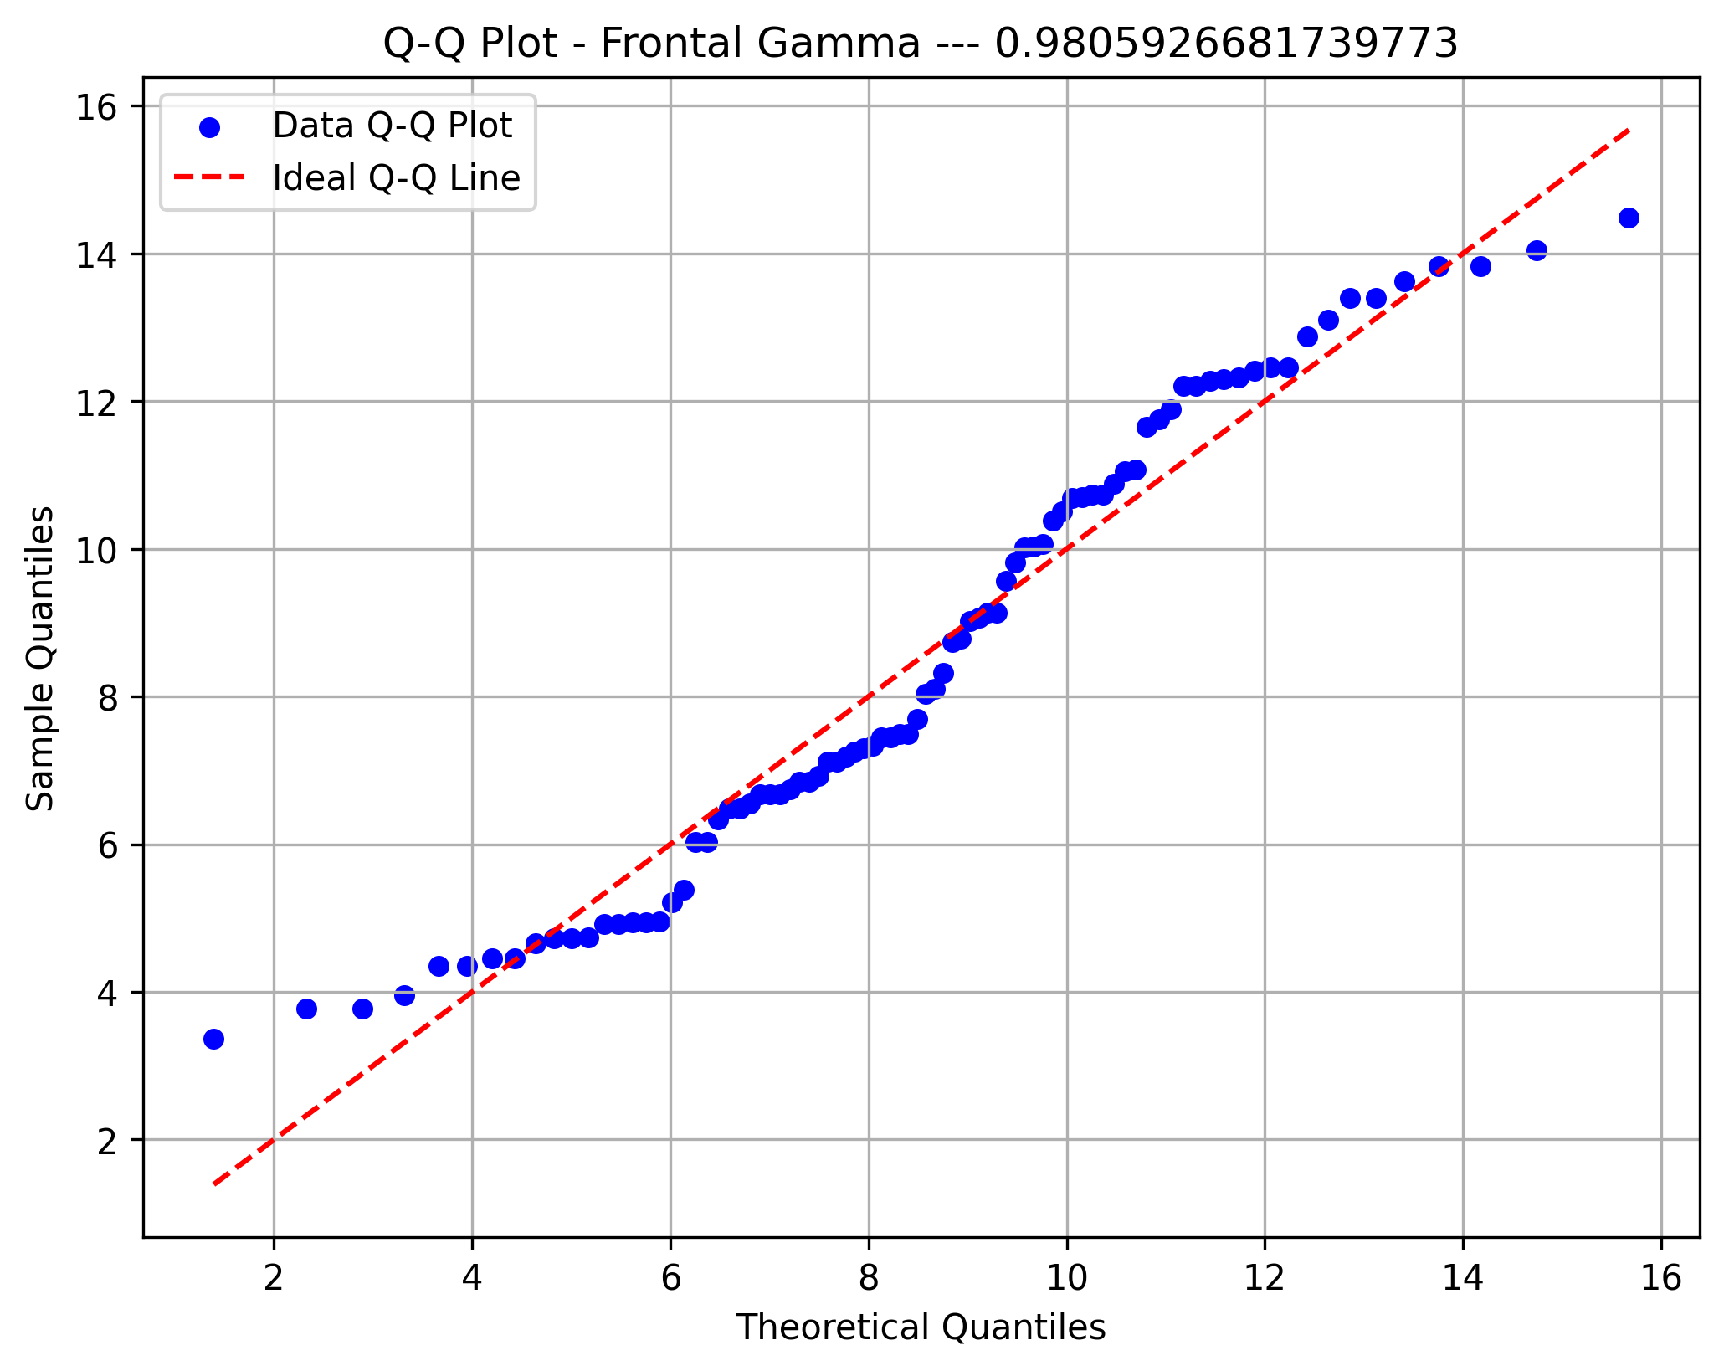

Diffuse HiBeta
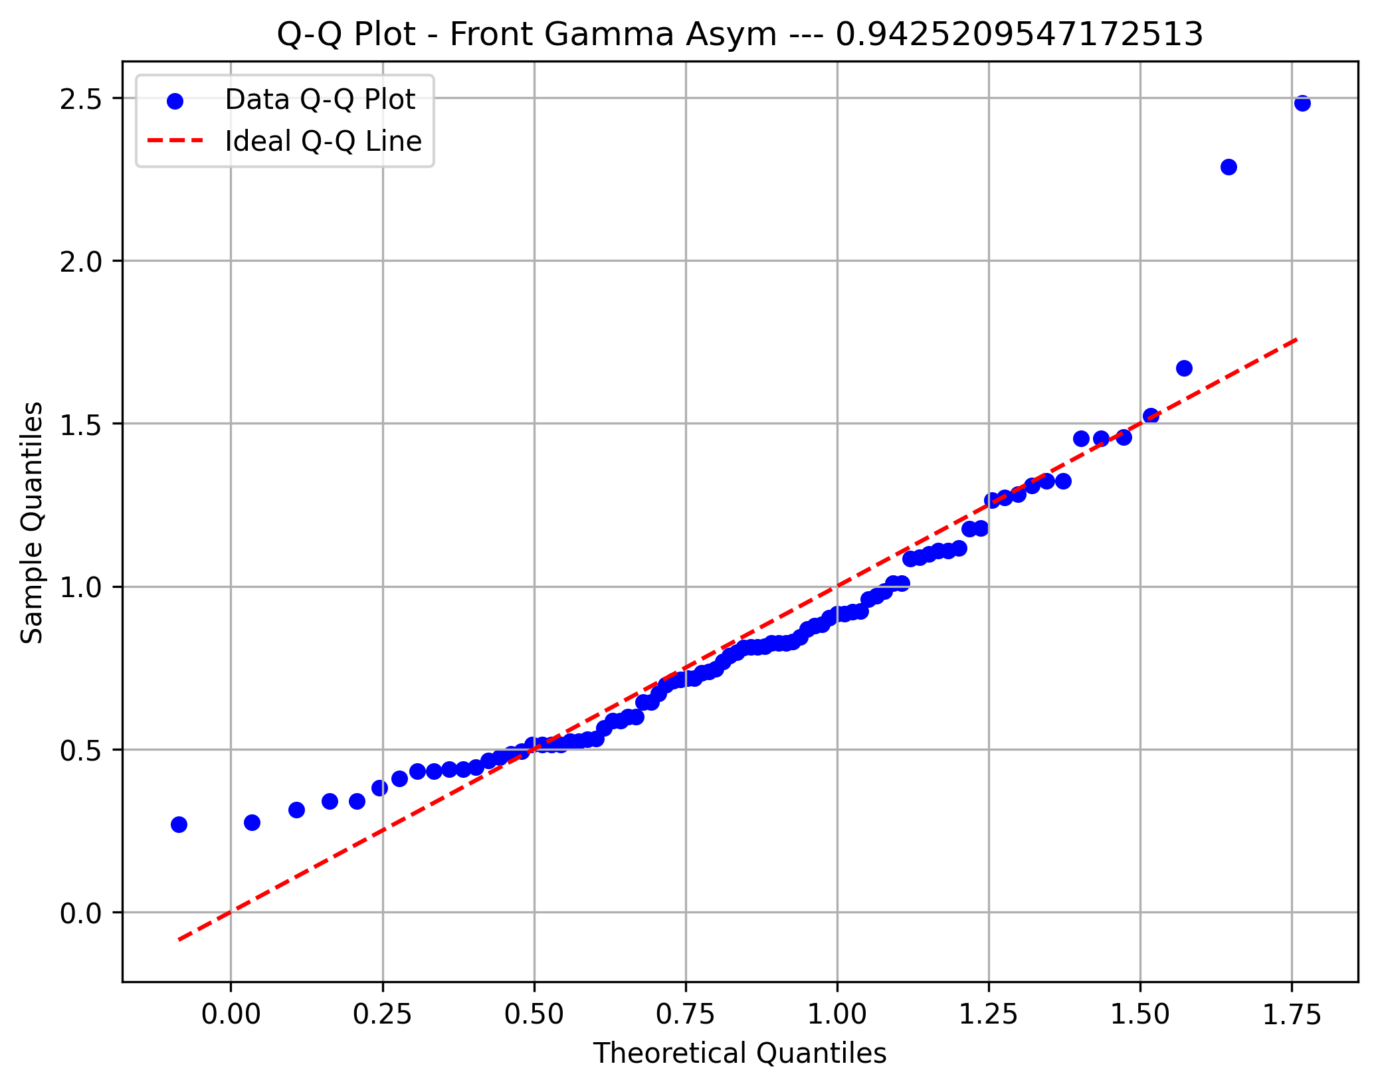

Diffuse Beta

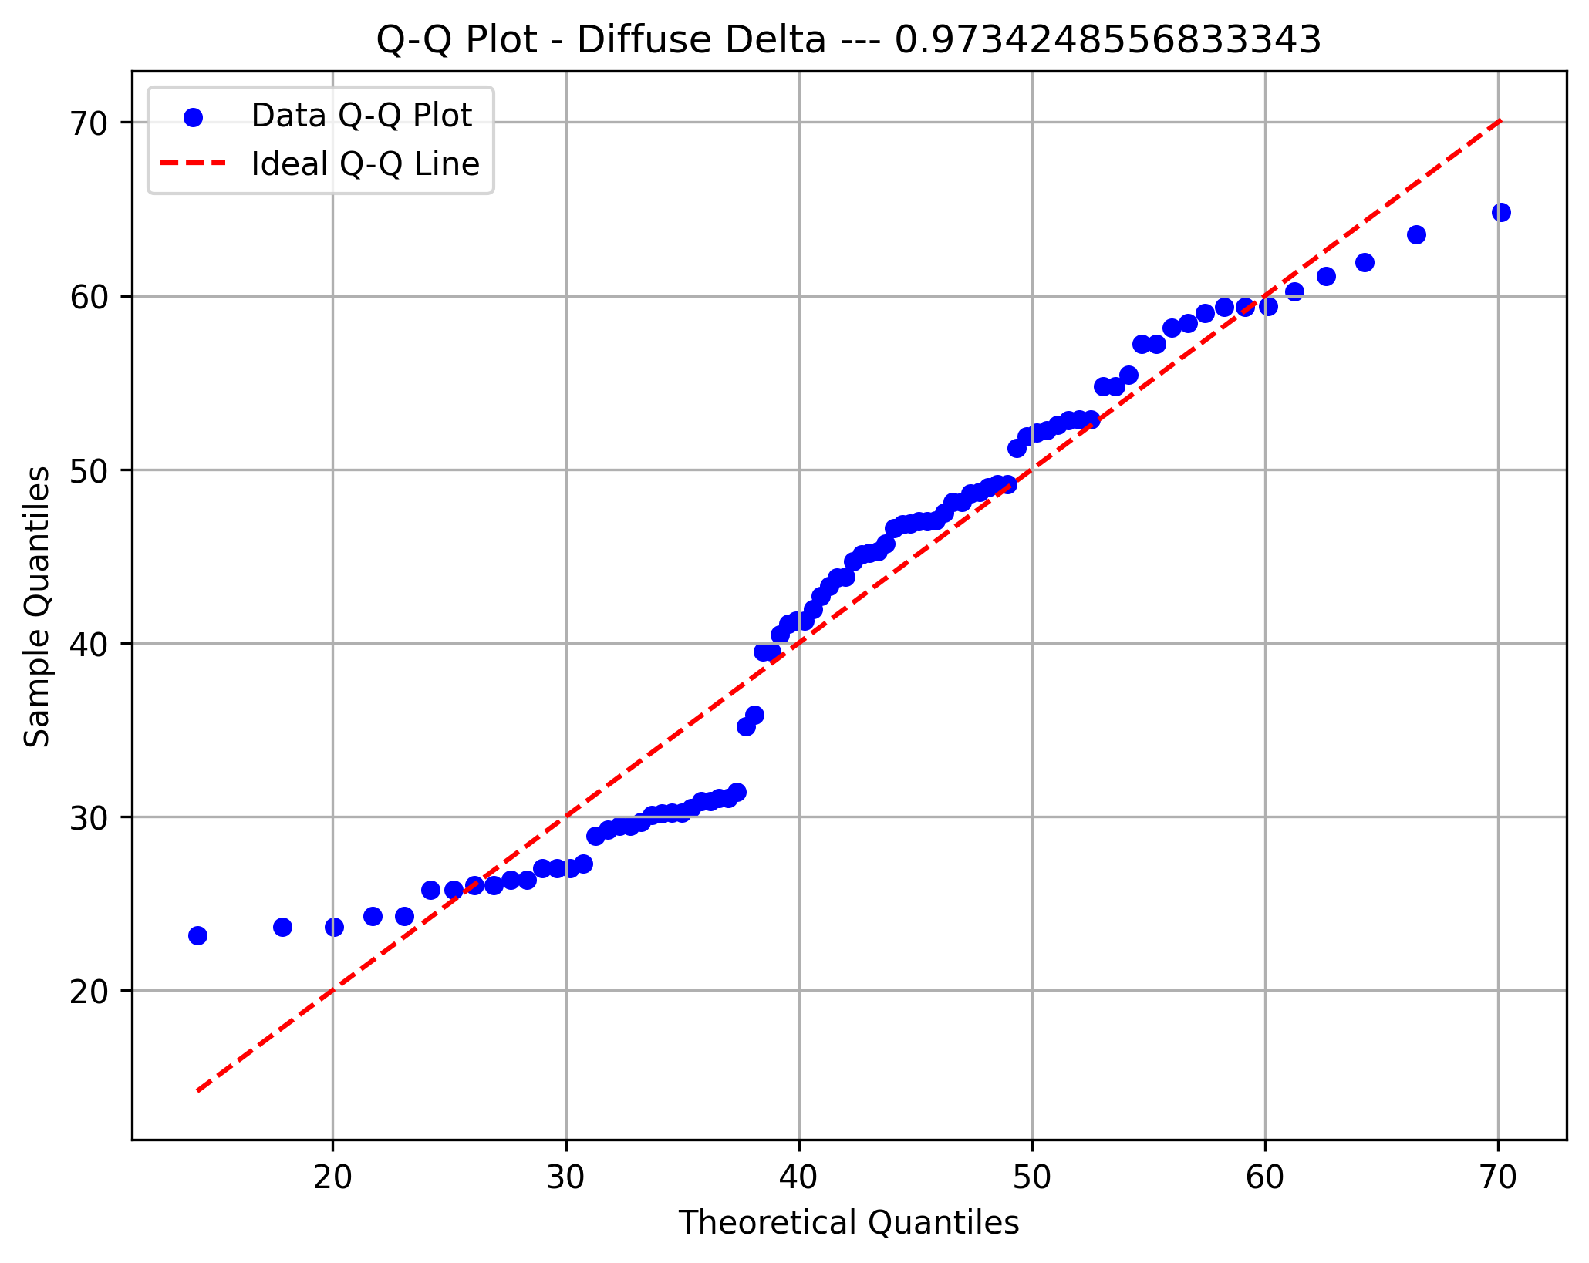

Diffuse Gamma

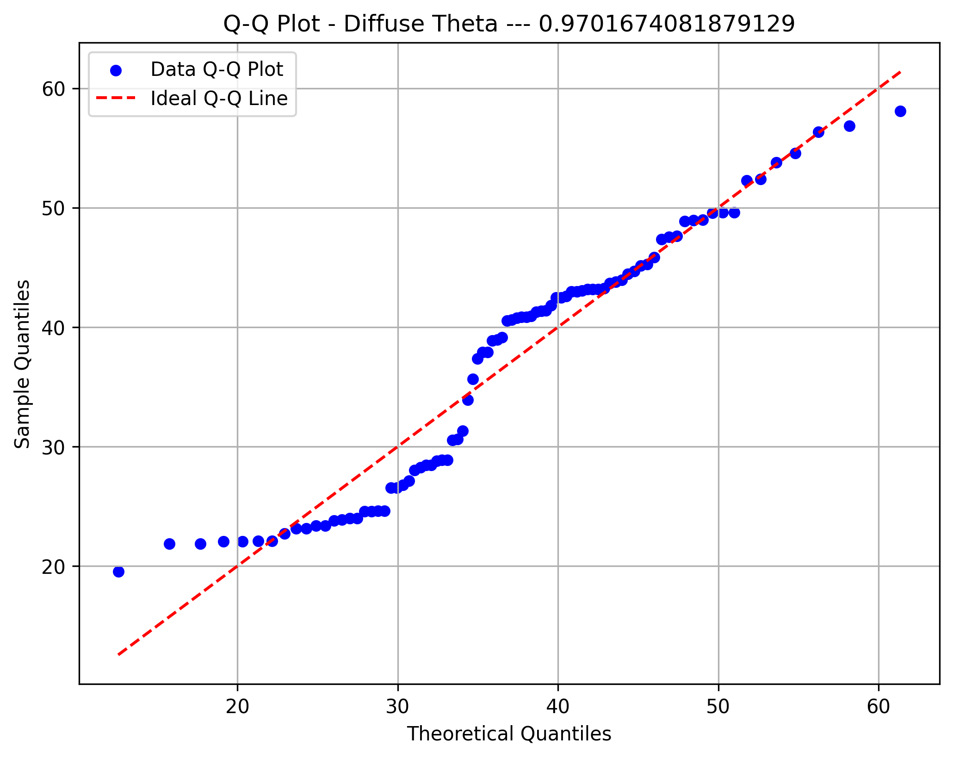

60hz Diffuse

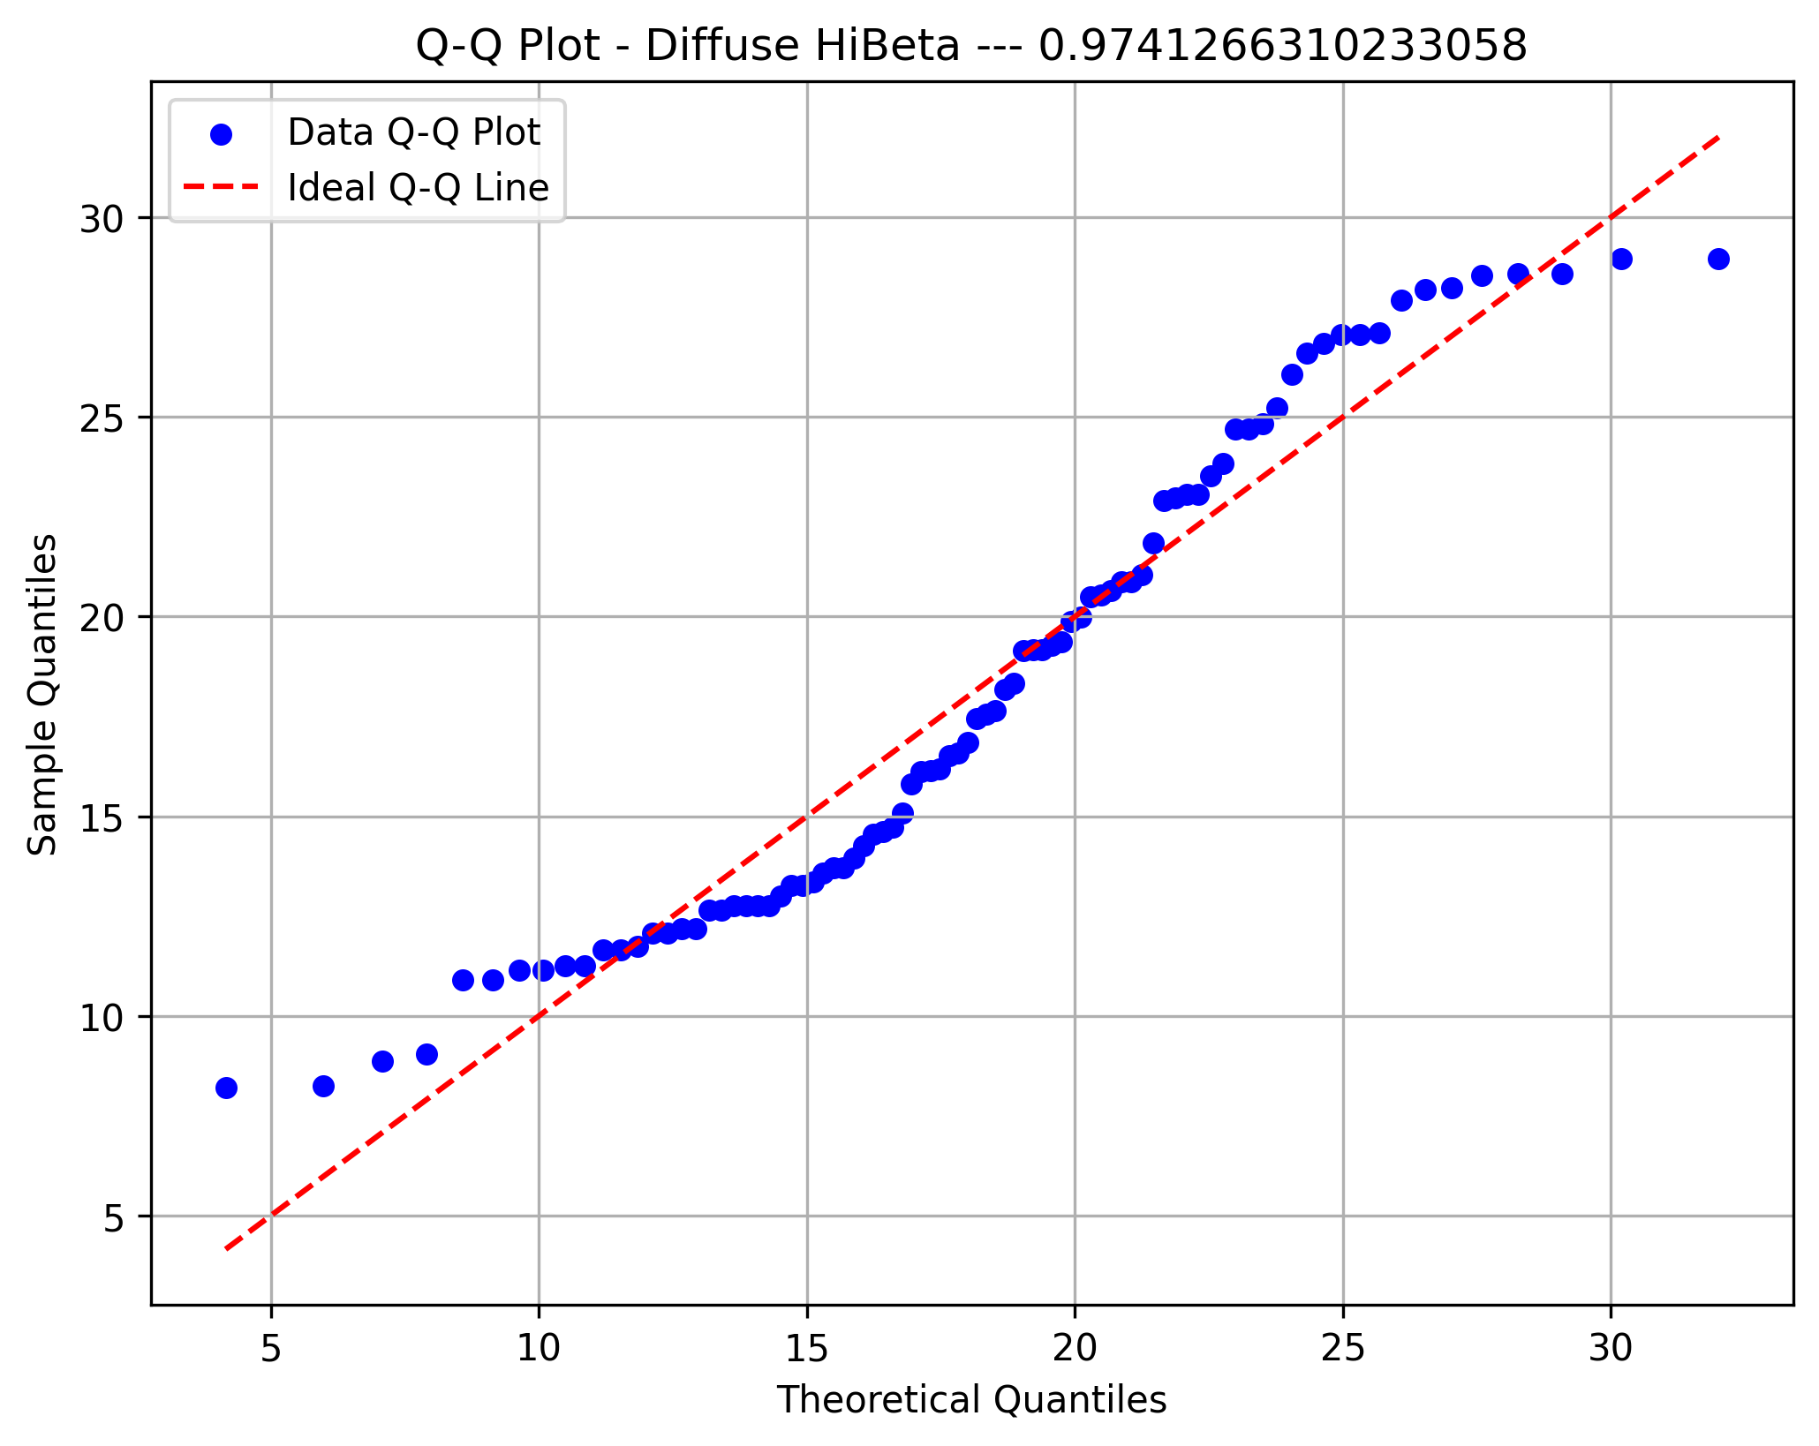

Fractal Dimension



PDR Moment 1

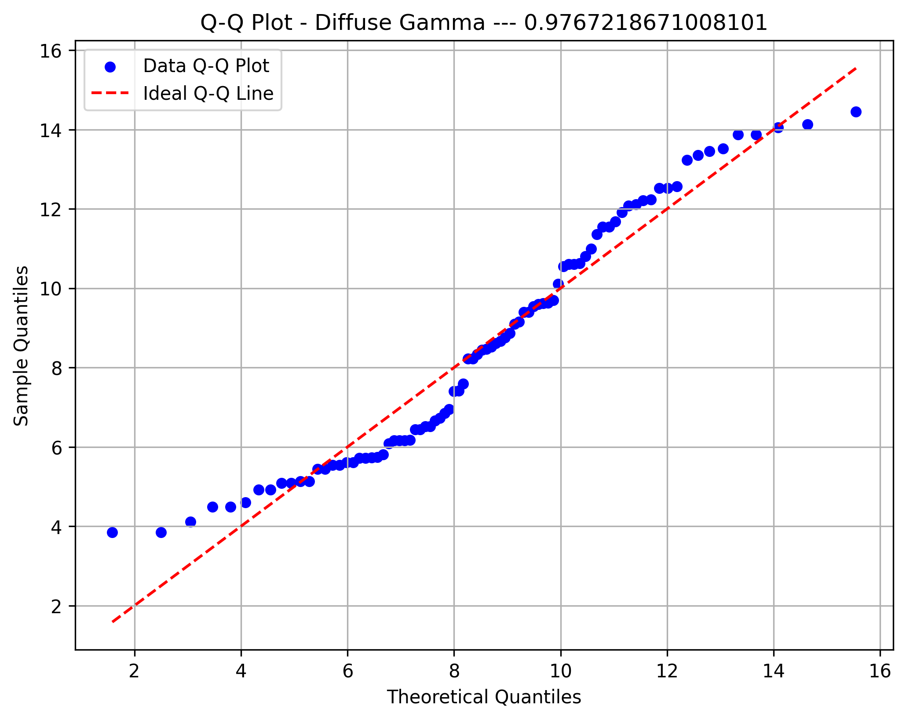

PDR Moment 2

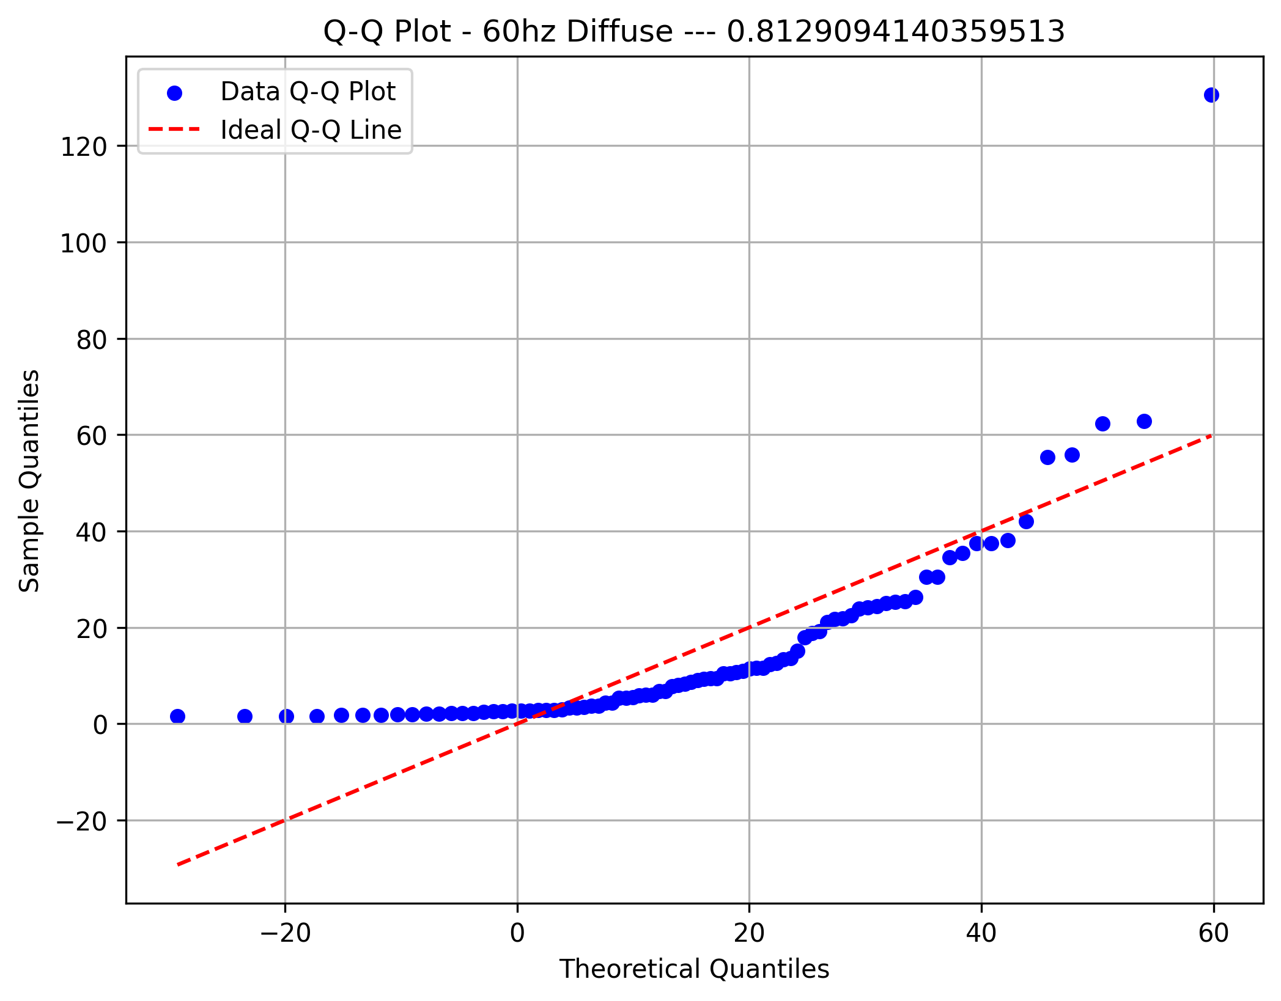

PDR Moment 3

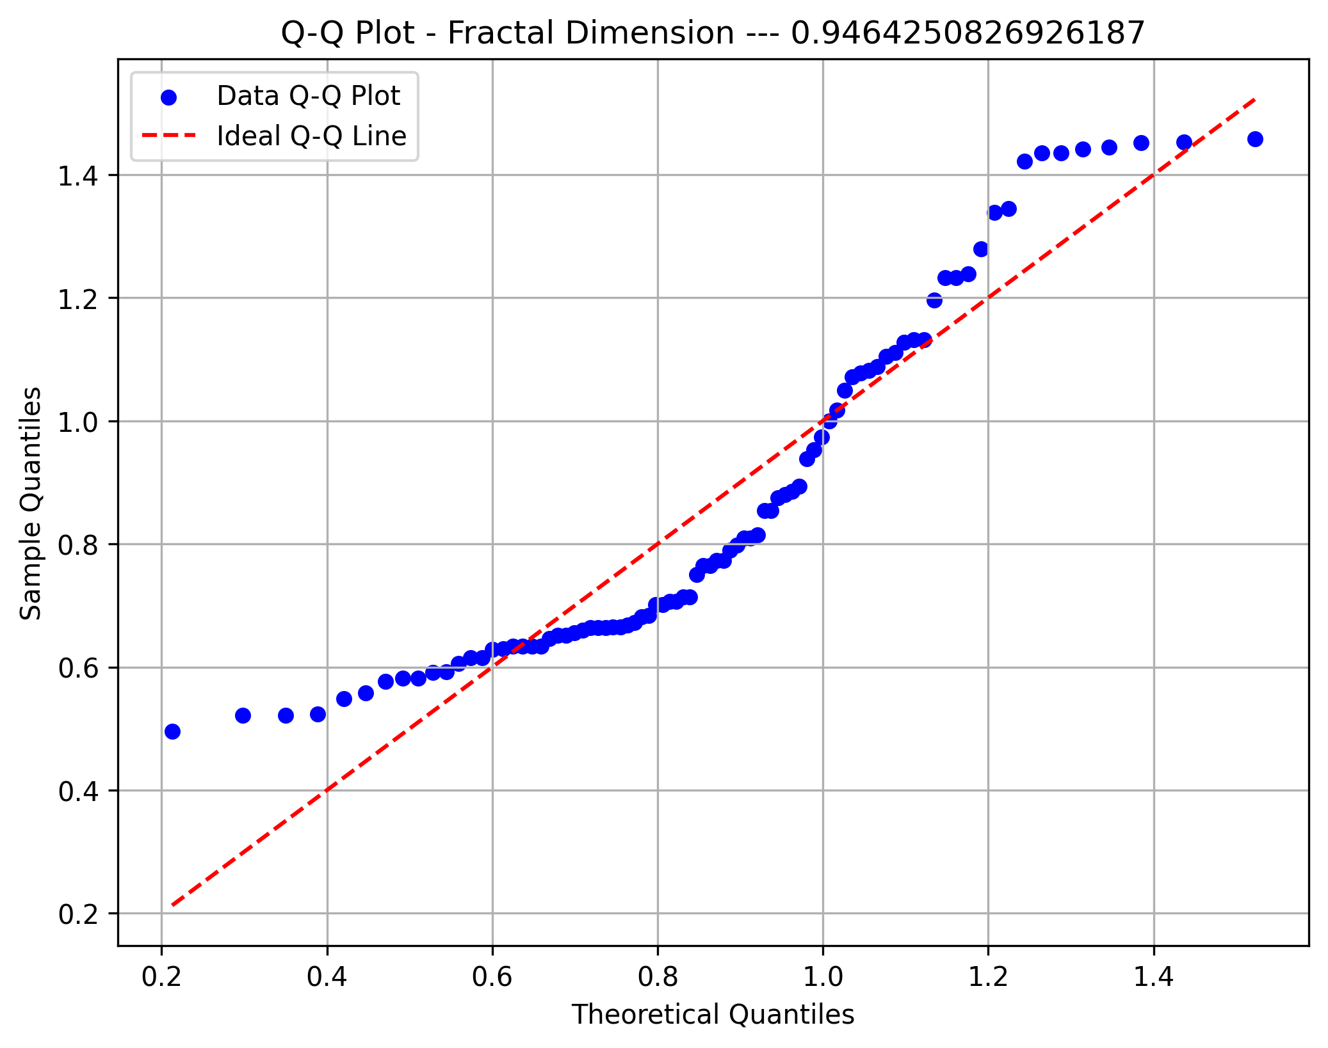

Beta Moment 1


Beta Moment 2

Beta Moment 3
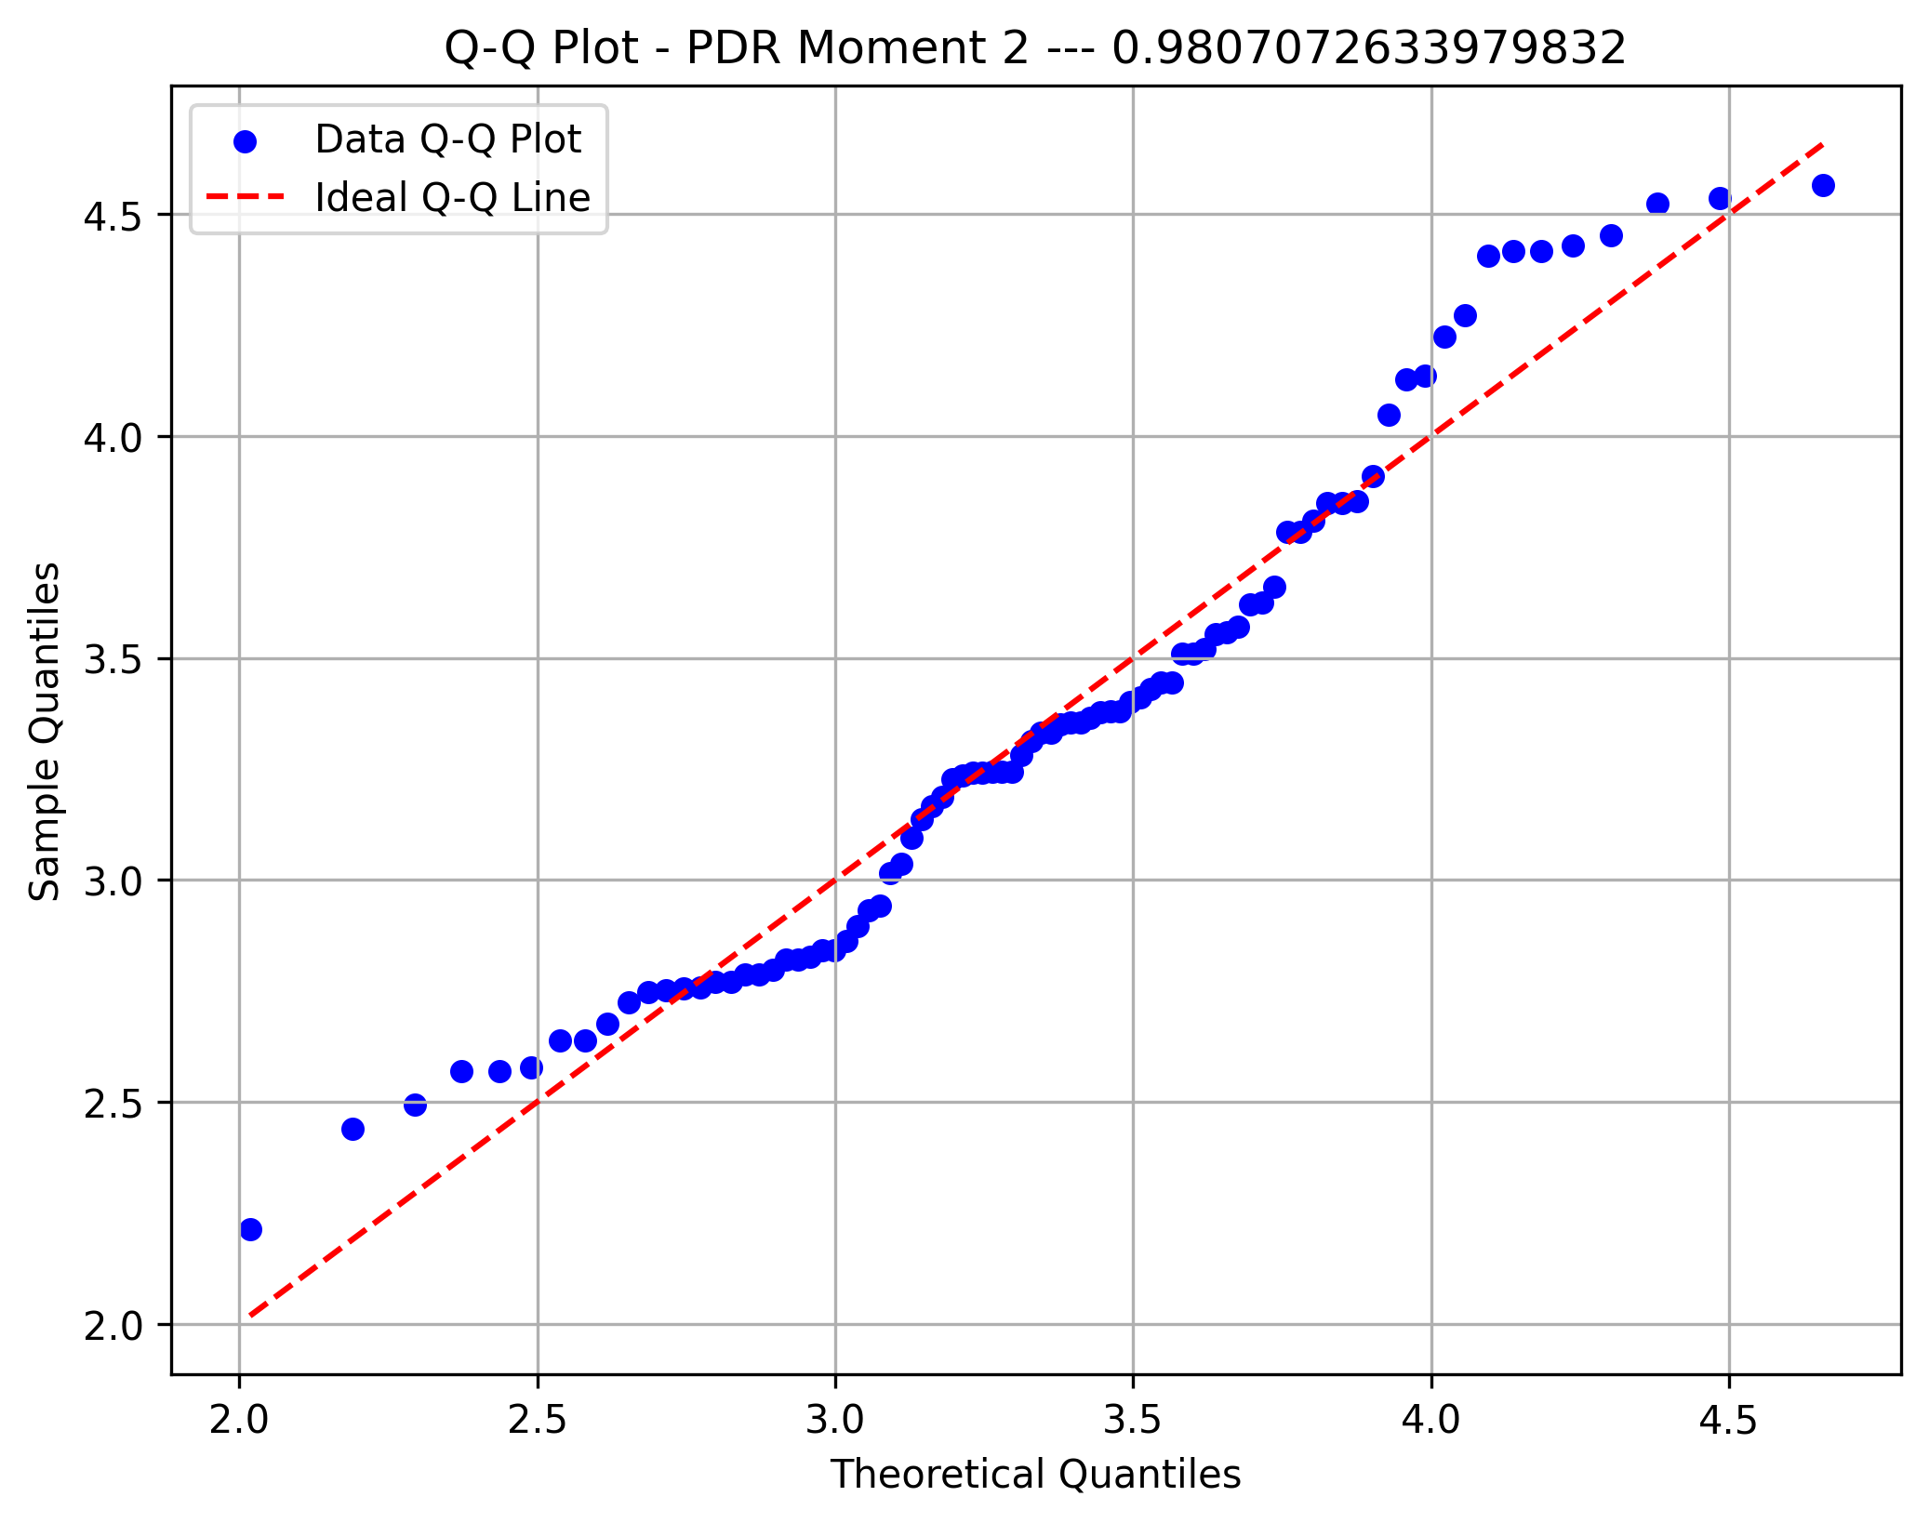

Theta Moment 1
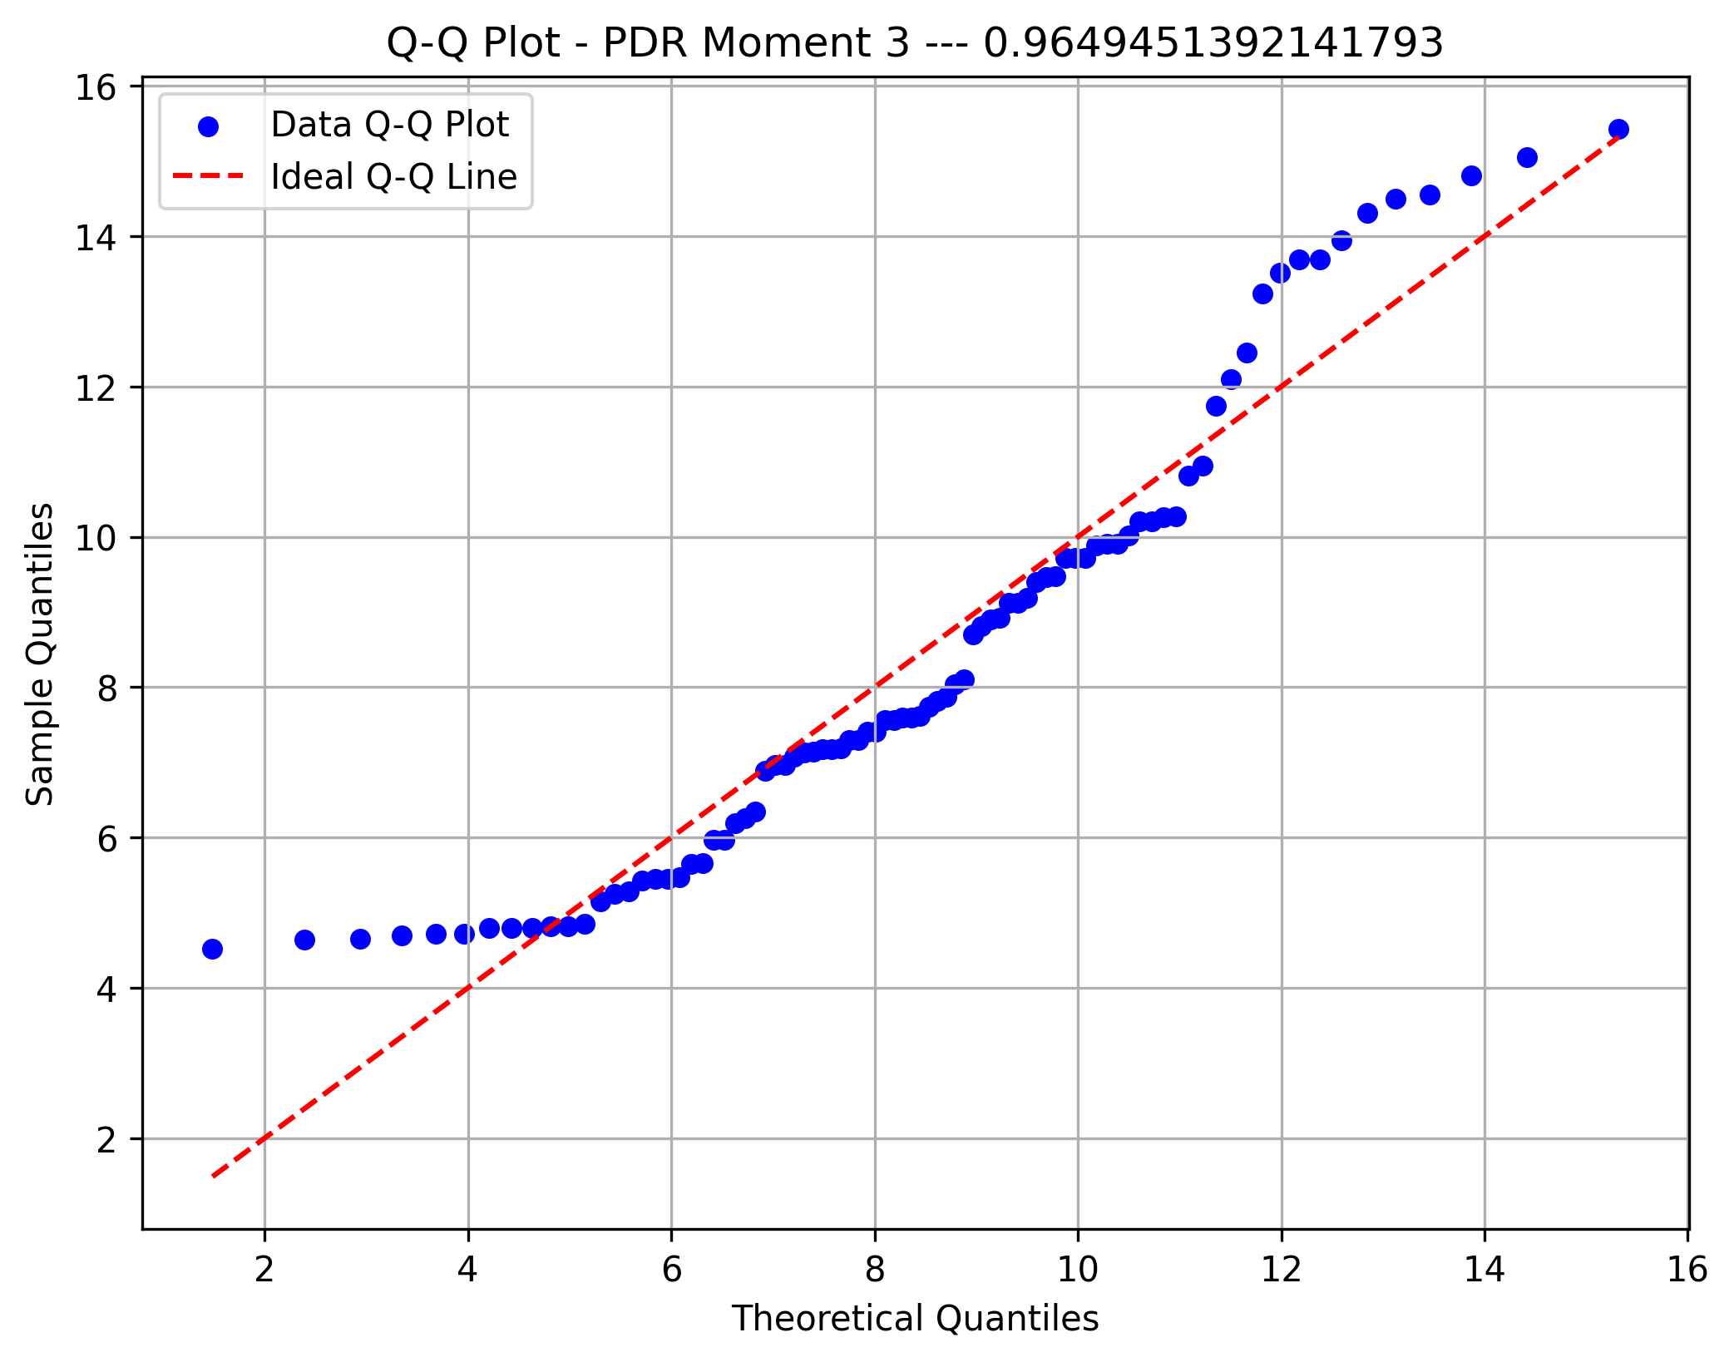

Theta Moment 2

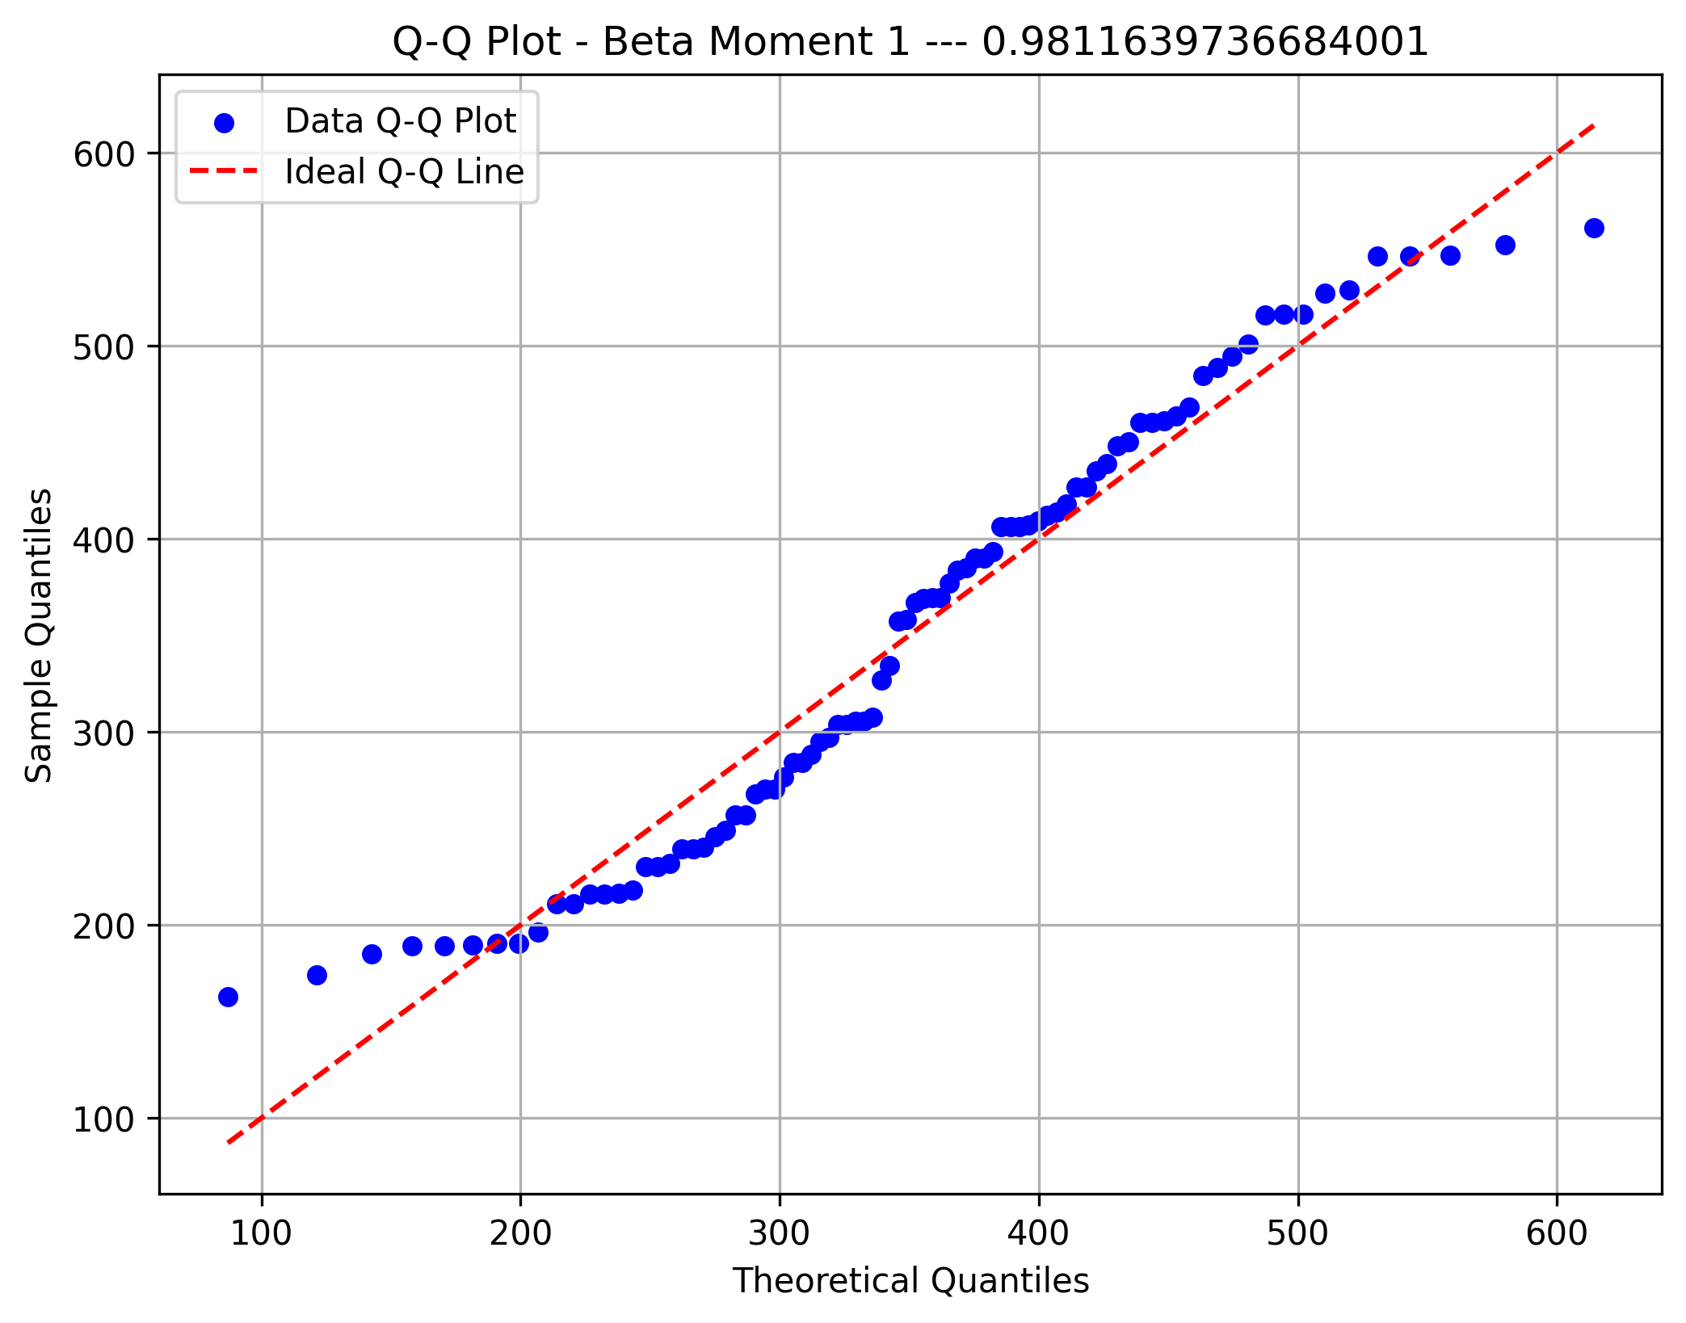

Theta Moment 3

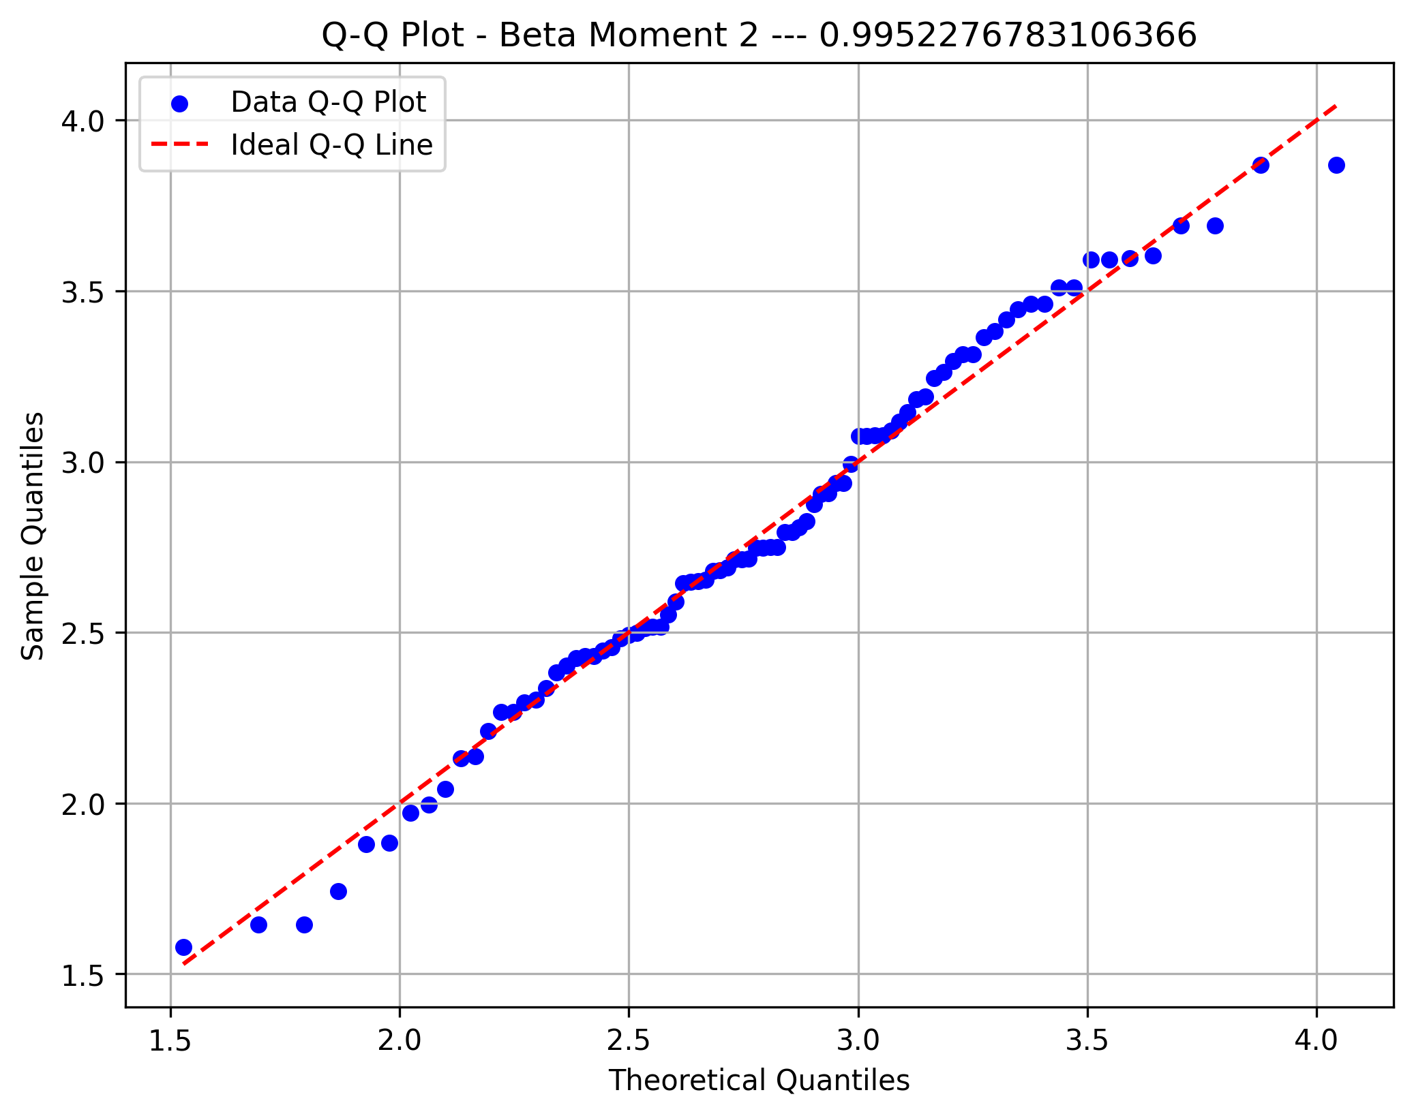

Delta Moment 1

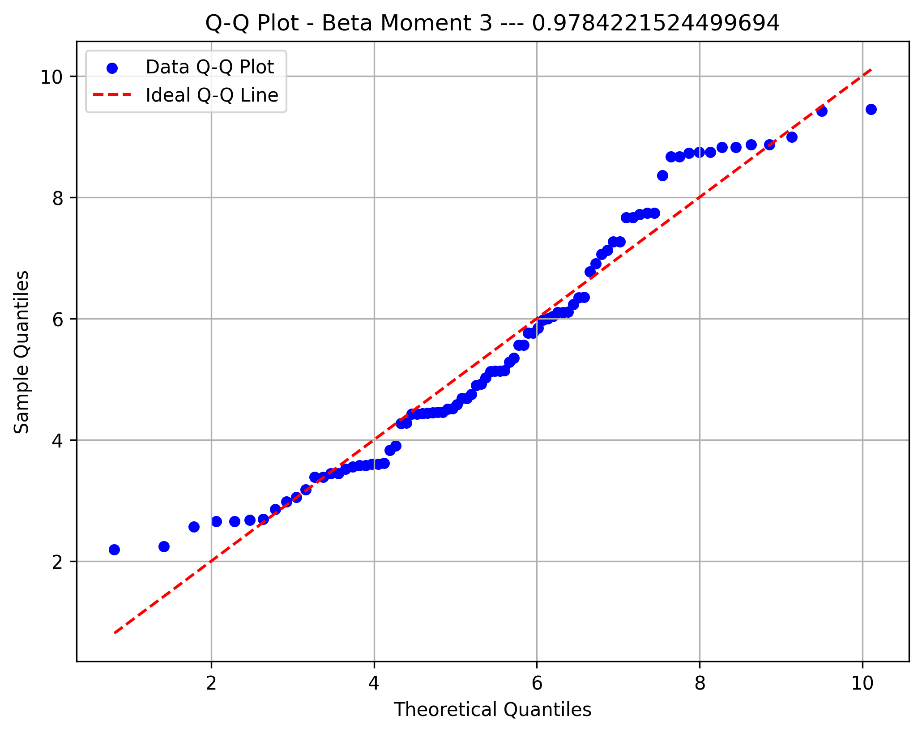

Delta Moment 2

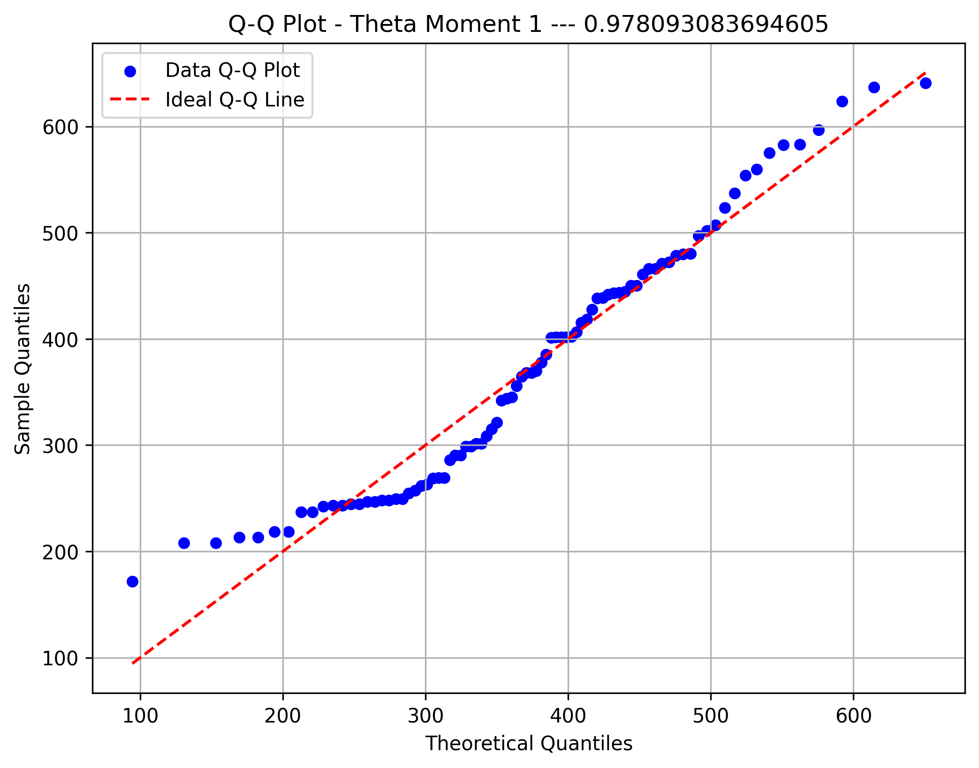

Delta Moment 3

