Histograms
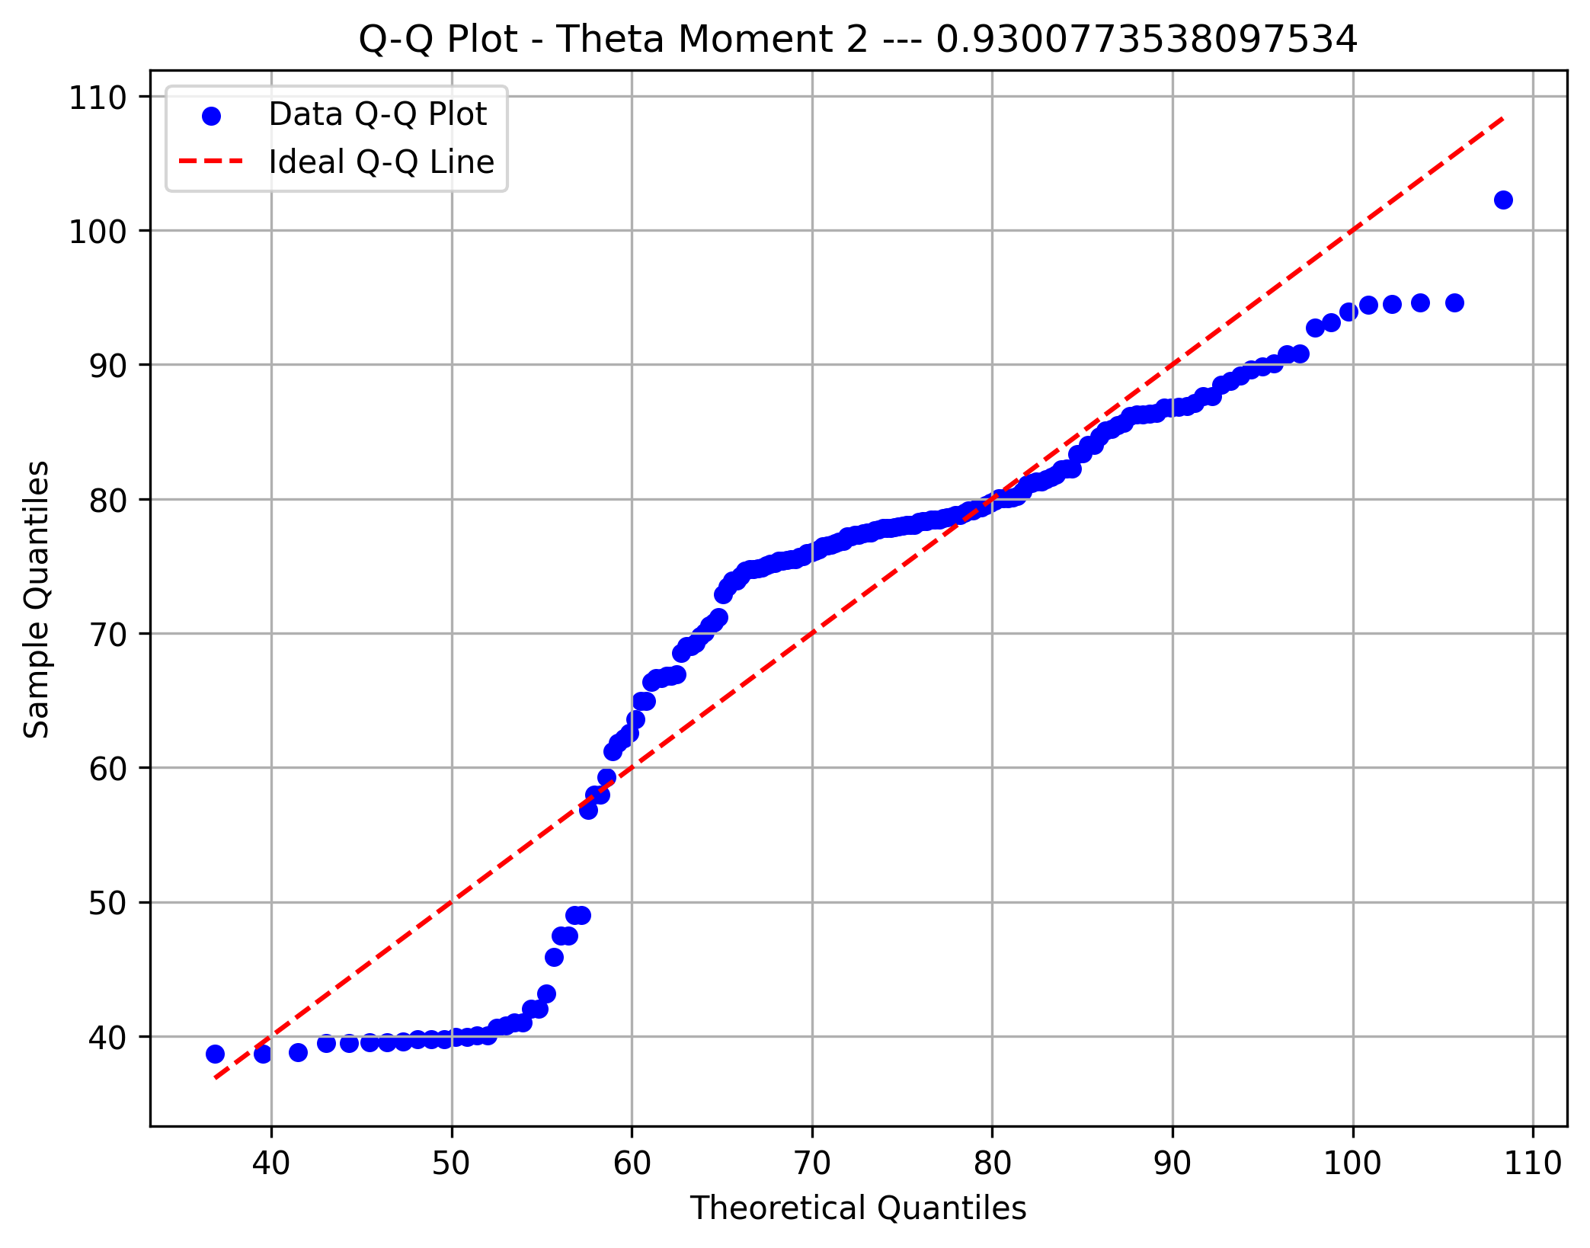
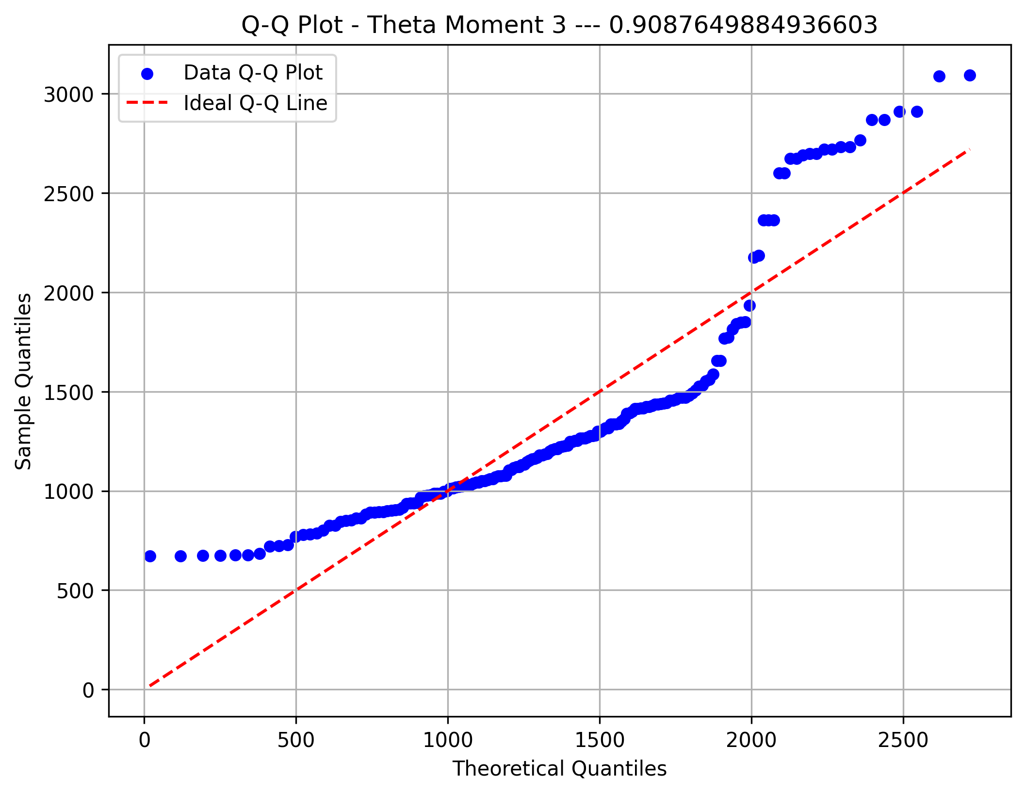
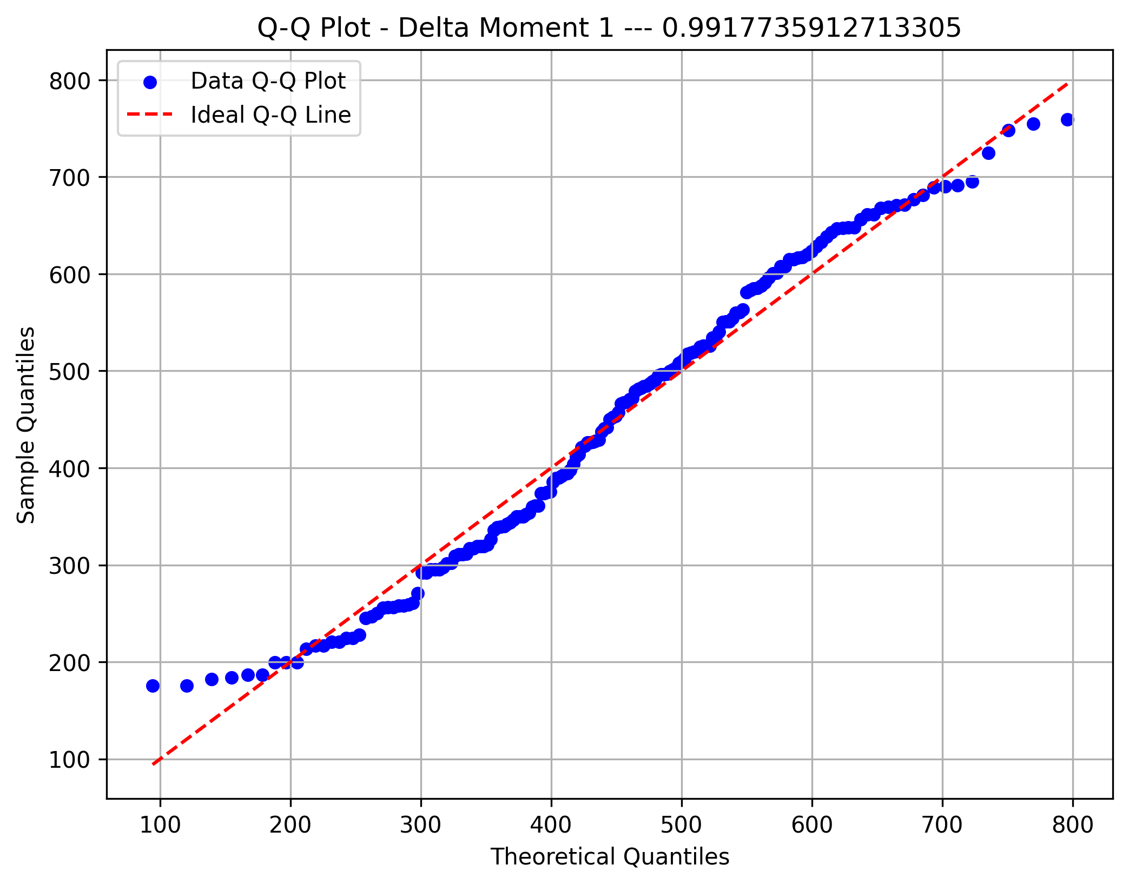
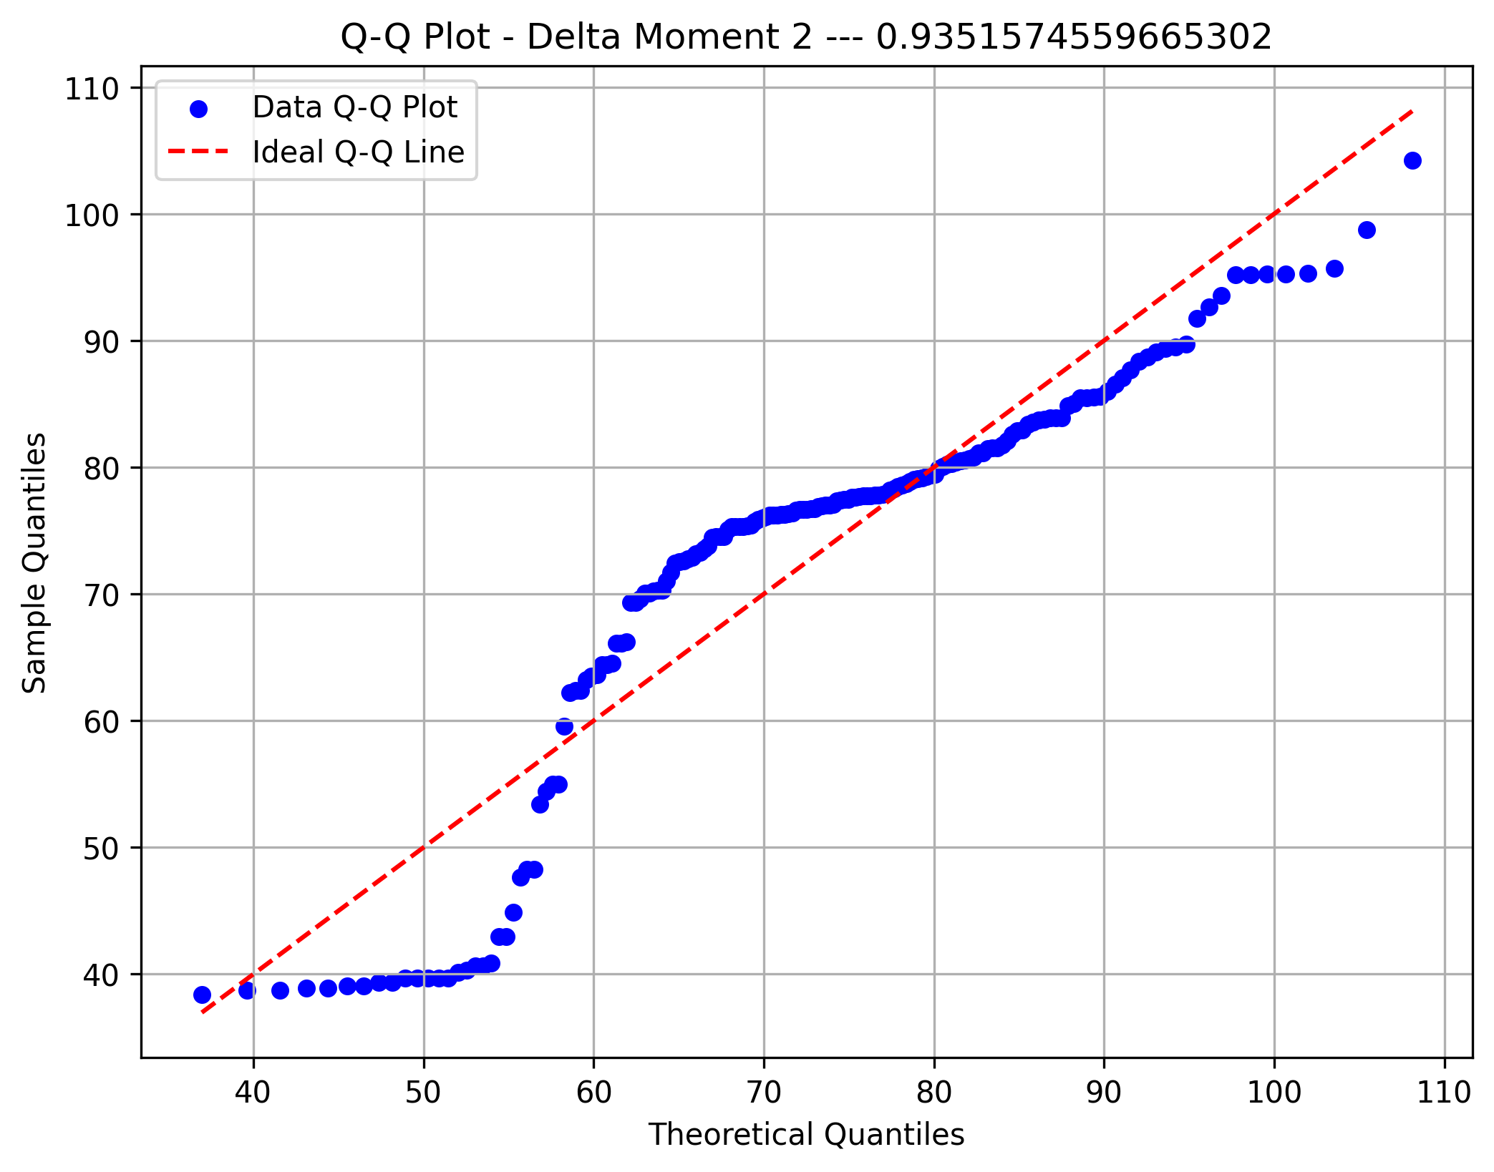
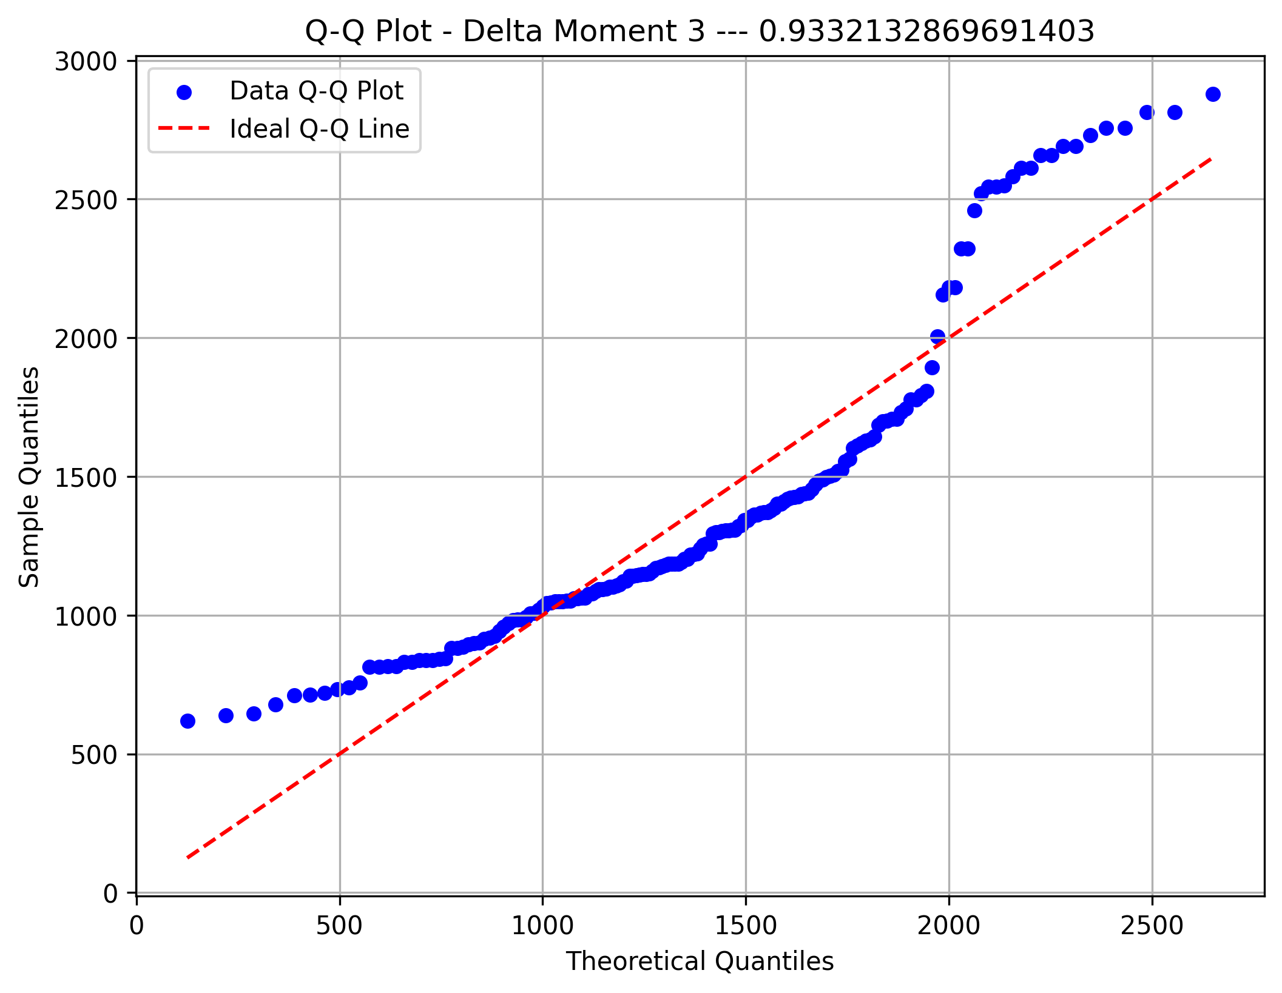
STD Orig
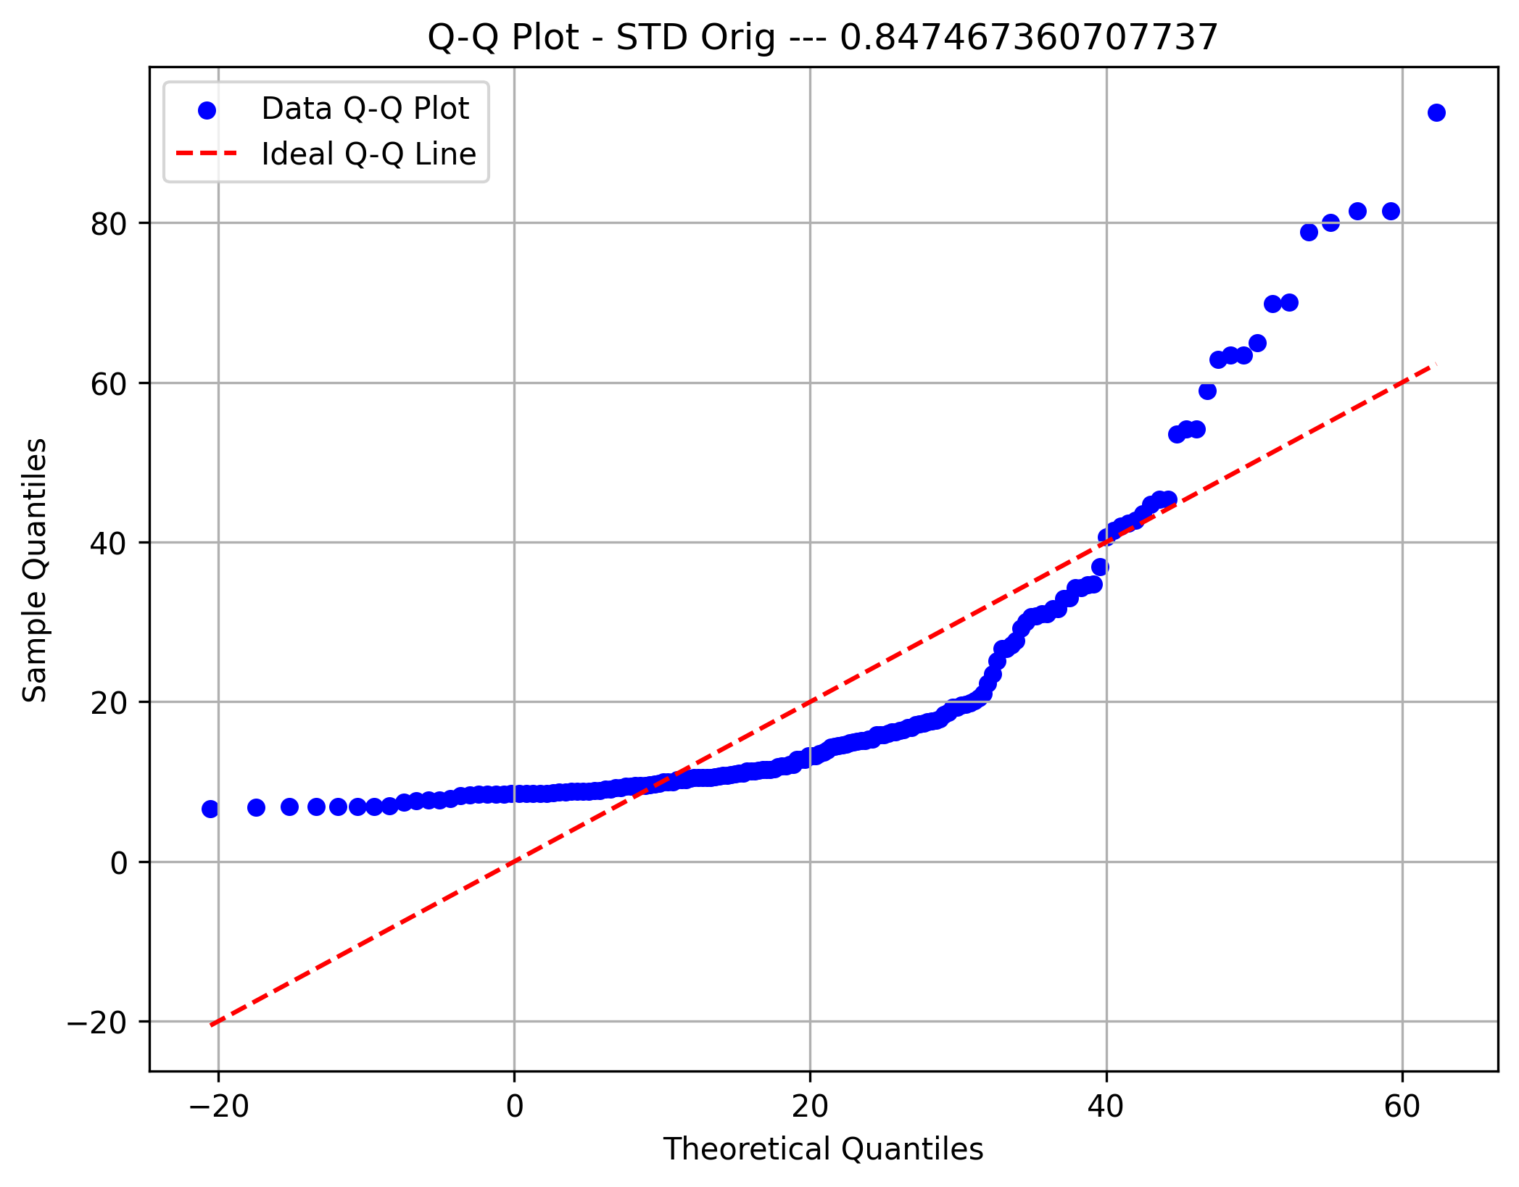
Metric 5 | 6.6340407755 | 15.351222039 | 24.068403303 | 32.785584566 | 41.50276583 | 50.219947093 | 58.937128357 | 67.65430962 | 76.371490884 | 85.088672148 | 93.805853411
Frequency | 100 | 29 | 13 | 9 | 7 | 3 | 5 | 2 | 4 | 1
Metric 6 | 1.0911305213E-14 | 3.6539338921E-14 | 6.216737263E-14 | 8.7795406339E-14 | 1.1342344005E-13 | 1.3905147376E-13 | 1.6467950747E-13 | 1.9030754117E-13 | 2.1593557488E-13 | 2.4156360859E-13 | 2.671916423E-13
Frequency | 111 | 20 | 17 | 3 | 4 | 2 | 7 | 5 | 2 | 2
Metric 7 | 7.1987368289E-14 | 2.2505698056 | 4.5011396113 | 6.7517094169 | 9.0022792225 | 11.252849028 | 13.503418834 | 15.753988639 | 18.004558445 | 20.255128251 | 22.505698056
Frequency | 90 | 46 | 14 | 8 | 3 | 4 | 3 | 0 | 3 | 2
Metric 8 | 2.1021525424E-13 | 7.2472151062 | 14.494430212 | 21.741645319 | 28.988860425 | 36.236075531 | 43.483290637 | 50.730505743 | 57.97772085 | 65.224935956 | 72.472151062
Frequency | 27 | 40 | 44 | 27 | 18 | 5 | 3 | 3 | 2 | 4
Metric 9 | 14.473910673 | 34.475833647 | 54.477756621 | 74.479679594 | 94.481602568 | 114.48352554 | 134.48544852 | 154.48737149 | 174.48929446 | 194.49121744 | 214.49314041
Frequency | 65 | 34 | 19 | 11 | 13 | 7 | 7 | 5 | 8 | 4
Raw-Recon Diff
Metric 10 | 2.1564548729 | 2.2992714698 | 2.4420880667 | 2.5849046636 | 2.7277212605 | 2.8705378573 | 3.0133544542 | 3.1561710511 | 3.298987648 | 3.4418042448 | 3.5846208417
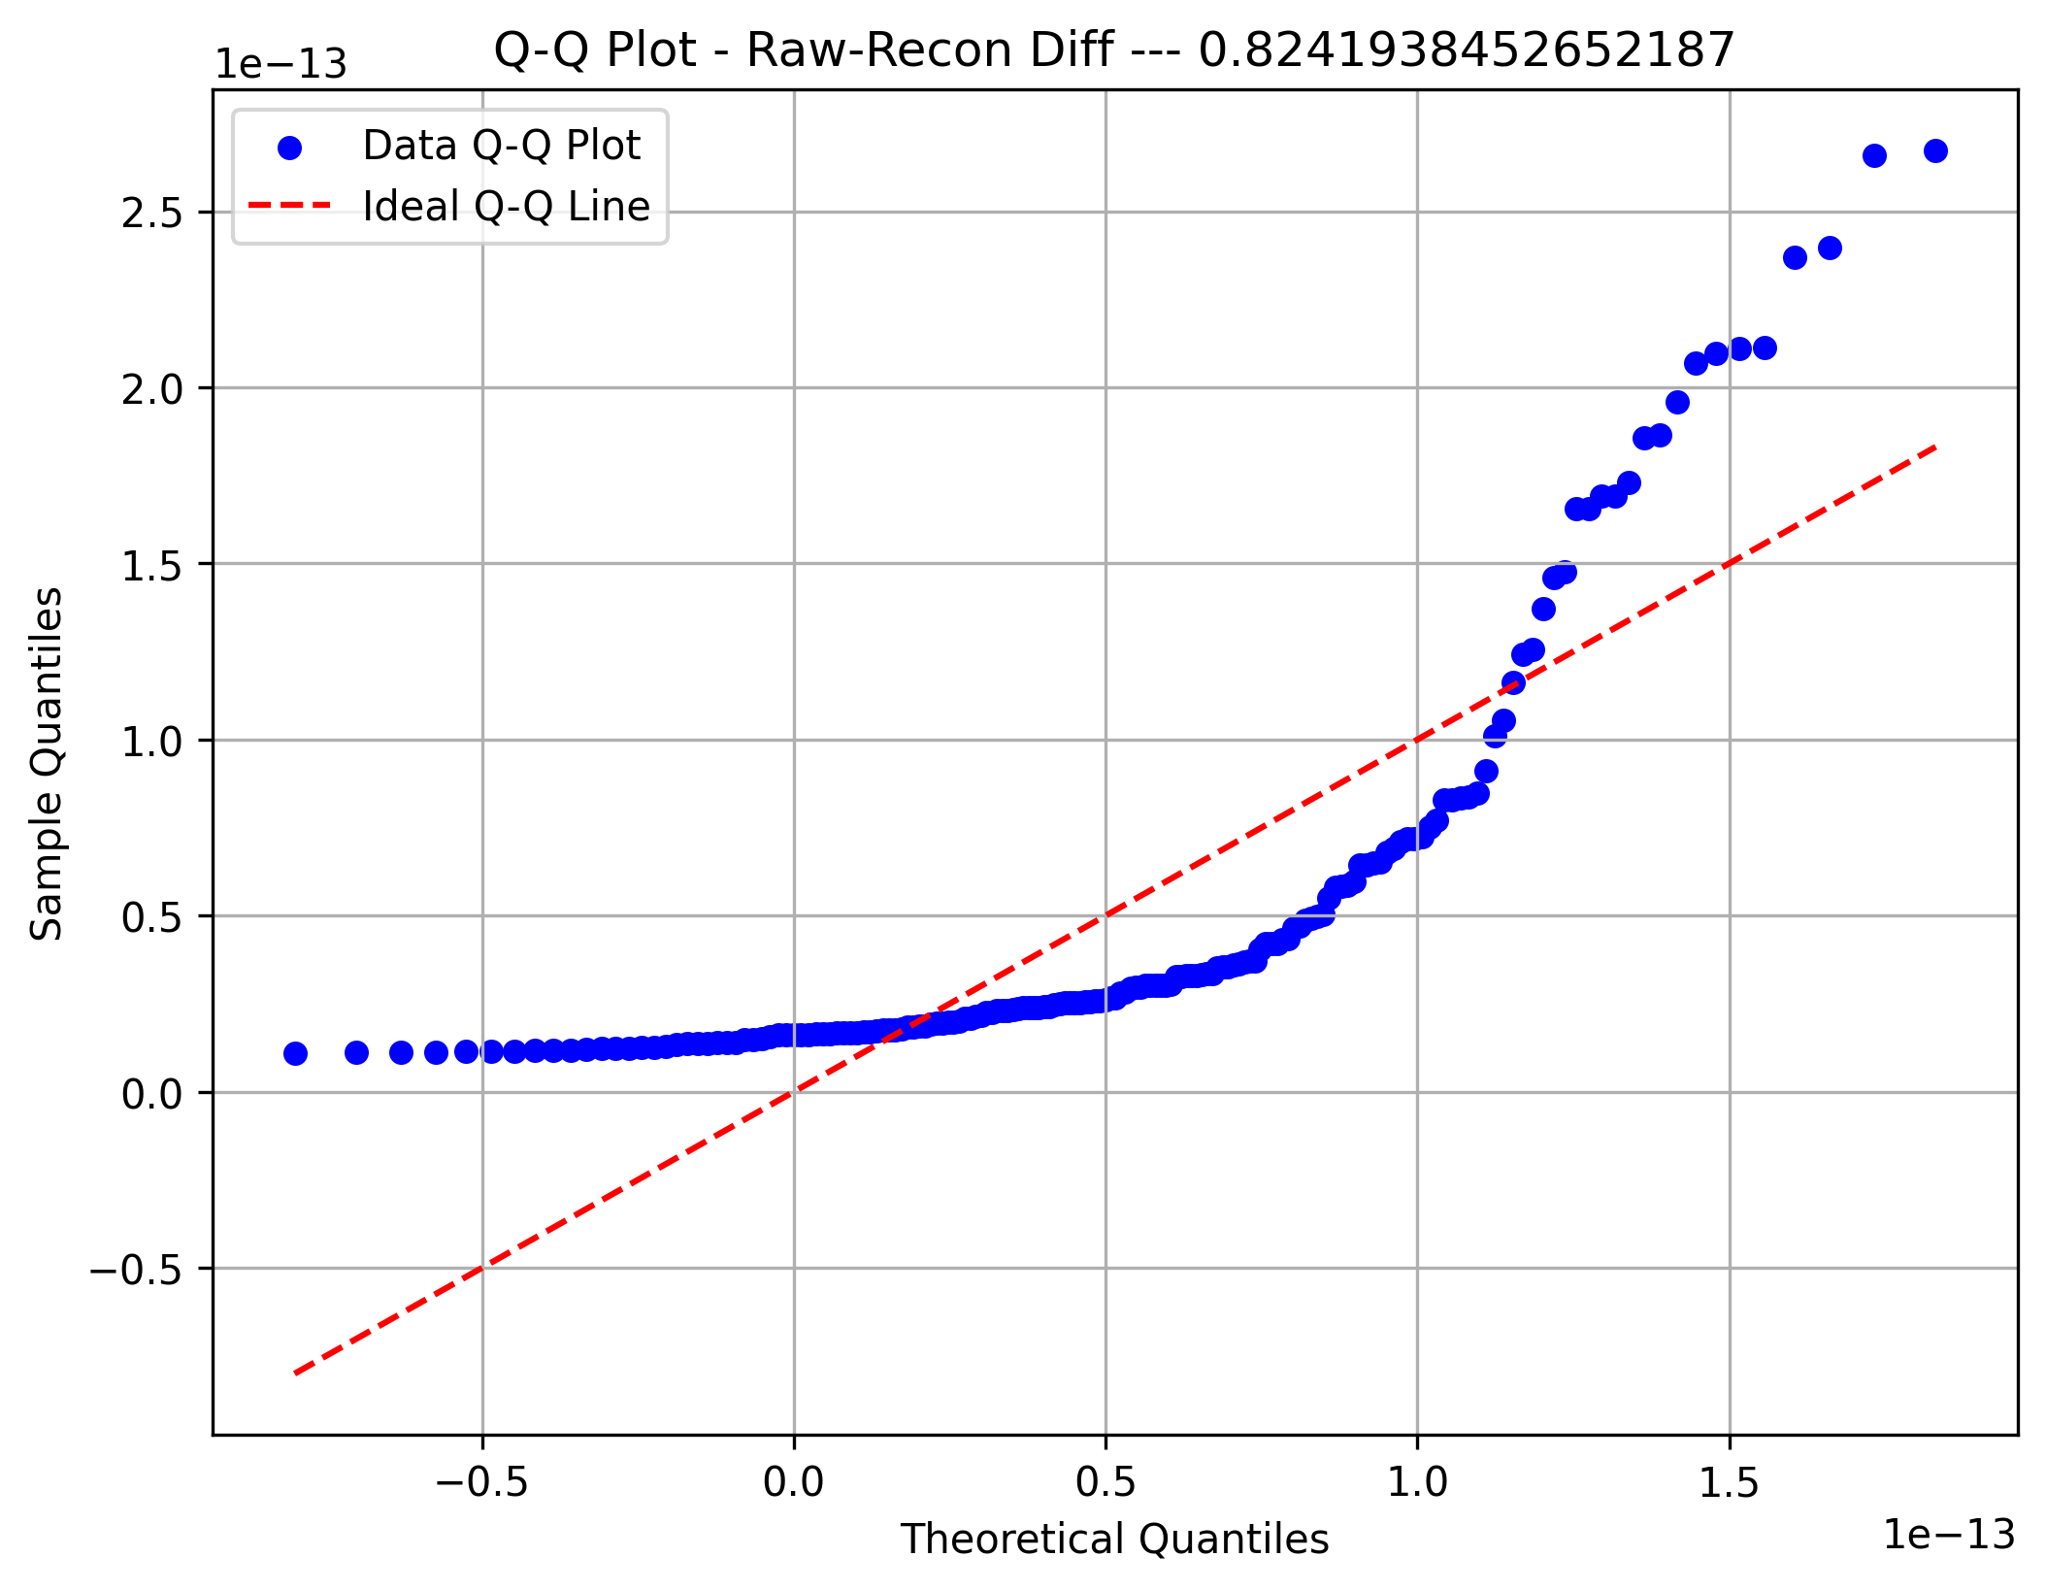
Frequency | 7 | 30 | 89 | 9 | 9 | 3 | 0 | 5 | 1 | 20
Metric 11 | 0.40762034732 | 0.55472843714 | 0.70183652695 | 0.84894461676 | 0.99605270657 | 1.1431607964 | 1.2902688862 | 1.437376976 | 1.5844850658 | 1.7315931556 | 1.8787012454
Frequency | 12 | 16 | 28 | 22 | 35 | 20 | 17 | 12 | 7 | 4
Metric 12 | 0.21904286949 | 0.27595492159 | 0.33286697368 | 0.38977902578 | 0.44669107787 | 0.50360312997 | 0.56051518206 | 0.61742723416 | 0.67433928625 | 0.73125133835 | 0.78816339044
Frequency | 40 | 67 | 38 | 10 | 9 | 2 | 2 | 1 | 3 | 1
Metric 13 | 0.06279641019 | 0.48004713567 | 0.89729786116 | 1.3145485866 | 1.7317993121 | 2.1490500376 | 2.5663007631 | 2.9835514886 | 3.4008022141 | 3.8180529395 | 4.235303665
Frequency | 9 | 11 | 8 | 10 | 23 | 18 | 20 | 36 | 19 | 19
Metric 14 | 194.54969658 | 252.04252627 | 309.53535595 | 367.02818563 | 424.52101532 | 482.013845 | 539.50667468 | 596.99950436 | 654.49233405 | 711.98516373 | 769.47799341
Frequency | 17 | 18 | 18 | 17 | 31 | 30 | 14 | 13 | 10 | 5
Raw-Clean Diff
Metric 15 | 0.63106009076 | 0.93358136439 | 1.236102638 | 1.5386239117 | 1.8411451853 | 2.1436664589 | 2.4461877326 | 2.7487090062 | 3.0512302799 | 3.3537515535 | 3.6562728271
Frequency | 11 | 5 | 5 | 24 | 19 | 26 | 32 | 20 | 22 | 9
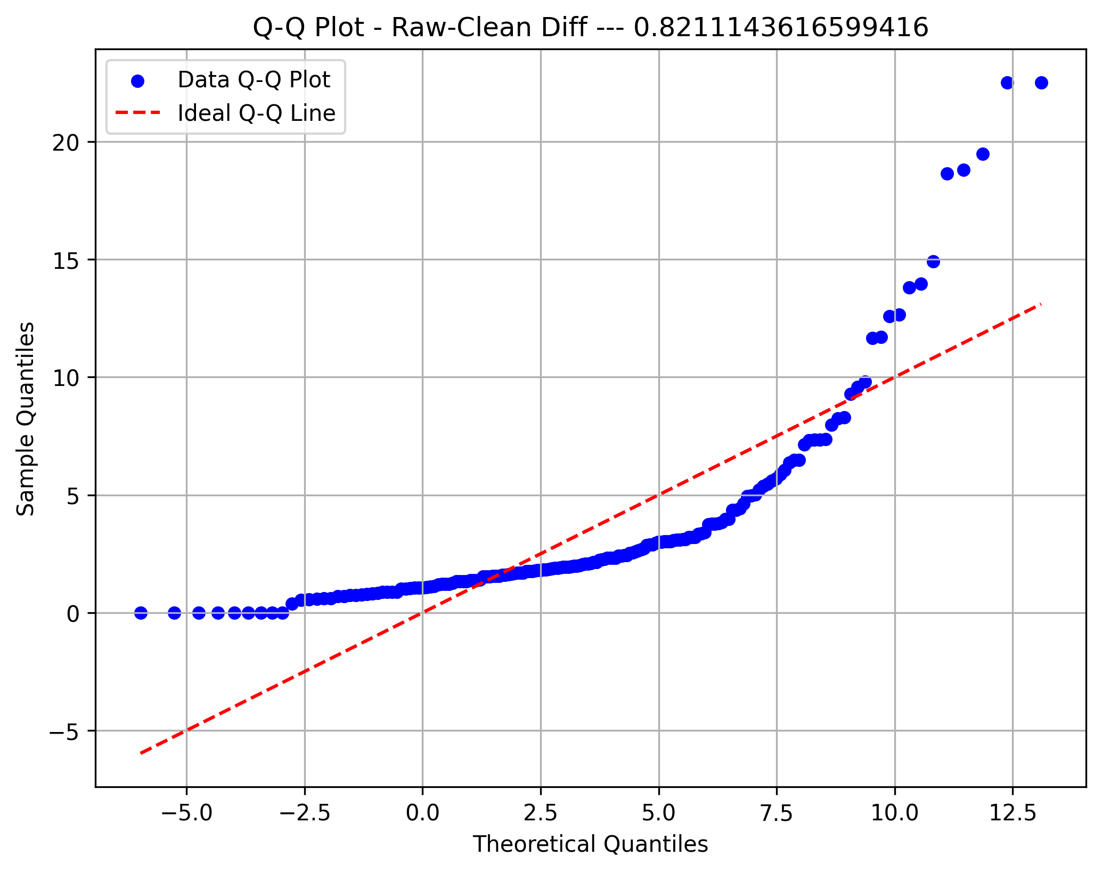
Metric 16 | 0.38648495114 | 0.55585794091 | 0.72523093069 | 0.89460392047 | 1.0639769103 | 1.2333499 | 1.4027228898 | 1.5720958796 | 1.7414688694 | 1.9108418591 | 2.0802148489
Frequency | 10 | 19 | 35 | 38 | 33 | 17 | 8 | 5 | 4 | 3
Metric 17 | 0 | 1.35 | 2.7 | 4.05 | 5.4 | 6.75 | 8.1 | 9.45 | 10.8 | 12.15 | 13.5
Frequency | 15 | 11 | 12 | 25 | 36 | 24 | 17 | 7 | 13 | 13
Metric 18 | 11.67235787 | 13.091291825 | 14.51022578 | 15.929159735 | 17.34809369 | 18.767027644 | 20.185961599 | 21.604895554 | 23.023829509 | 24.442763464 | 25.861697419
Frequency | 6 | 11 | 9 | 20 | 23 | 20 | 26 | 27 | 21 | 10
Metric 19 | 113.34745763 | 157.18553383 | 201.02361004 | 244.86168625 | 288.69976246 | 332.53783866 | 376.37591487 | 420.21399108 | 464.05206728 | 507.89014349 | 551.7282197
Frequency | 16 | 23 | 23 | 26 | 32 | 14 | 14 | 10 | 8 | 7
Percentage Removed
Metric 20 | 0.48643709251 | 0.59243231804 | 0.69842754357 | 0.8044227691 | 0.91041799463 | 1.0164132202 | 1.1224084457 | 1.2284036712 | 1.3343988968 | 1.4403941223 | 1.5463893478
Frequency | 7 | 14 | 27 | 16 | 27 | 30 | 18 | 11 | 16 | 7
Metric 21 | 0.24231750083 | 0.48276729279 | 0.72321708475 | 0.96366687672 | 1.2041166687 | 1.4445664606 | 1.6850162526 | 1.9254660446 | 2.1659158365 | 2.4063656285 | 2.6468154205
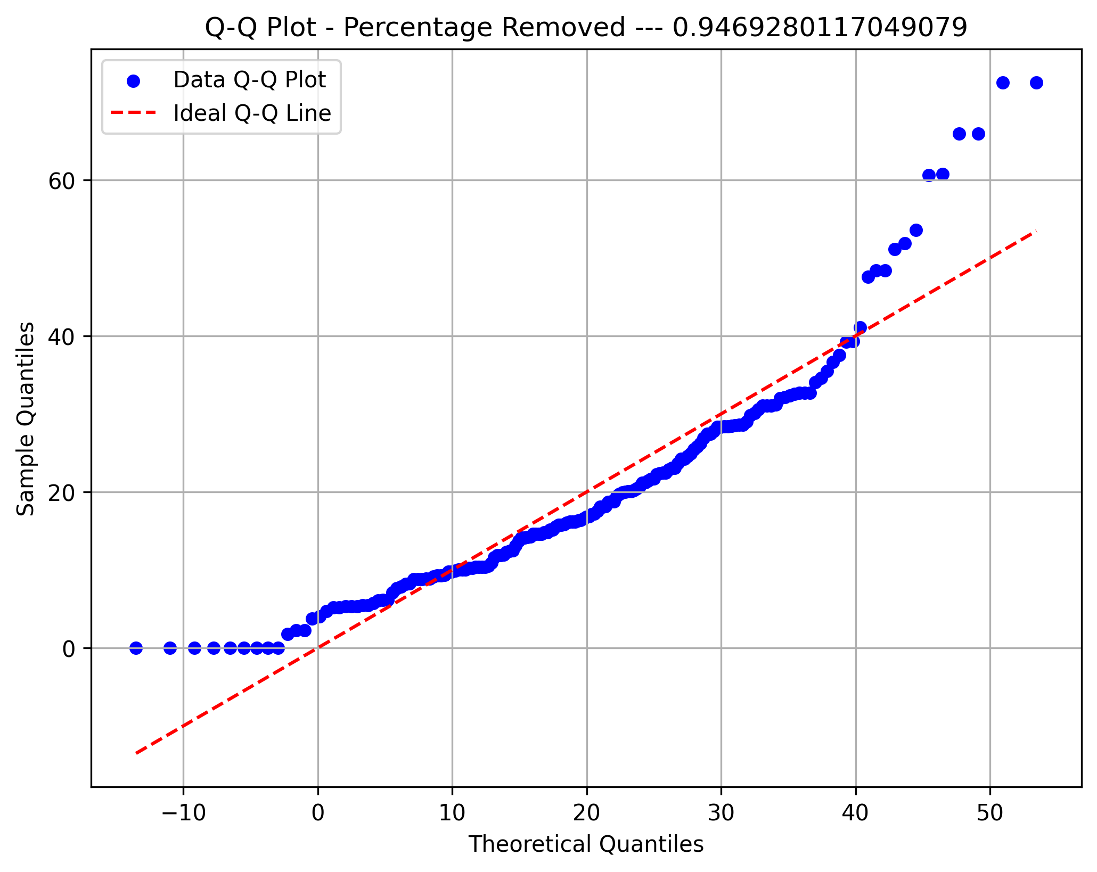
Frequency | 19 | 27 | 41 | 29 | 22 | 22 | 5 | 5 | 2 | 1
Metric 22 | 0.45146697423 | 0.56791613841 | 0.68436530259 | 0.80081446676 | 0.91726363094 | 1.0337127951 | 1.1501619593 | 1.2666111235 | 1.3830602876 | 1.4995094518 | 1.615958616
Frequency | 7 | 17 | 26 | 27 | 33 | 28 | 16 | 10 | 6 | 3
Metric 23 | 0.53220755167 | 0.5803732696 | 0.62853898754 | 0.67670470547 | 0.72487042341 | 0.77303614134 | 0.82120185927 | 0.86936757721 | 0.91753329514 | 0.96569901308 | 1.013864731
Frequency | 8 | 3 | 14 | 22 | 20 | 29 | 24 | 28 | 11 | 14
Metric 24 | 7.7 | 8.06 | 8.42 | 8.78 | 9.14 | 9.5 | 9.86 | 10.22 | 10.58 | 10.94 | 11.3
Frequency | 11 | 13 | 12 | 19 | 13 | 35 | 16 | 19 | 21 | 14
STD Raw
Metric 25 | 230.78934935 | 320.53013075 | 410.27091214 | 500.01169354 | 589.75247493 | 679.49325633 | 769.23403772 | 858.97481912 | 948.71560051 | 1038.4563819 | 1128.1971633
Frequency | 8 | 13 | 18 | 27 | 12 | 21 | 25 | 26 | 11 | 12
Metric 26 | 0.098350147254 | 0.15820463314 | 0.21805911902 | 0.2779136049 | 0.33776809078 | 0.39762257666 | 0.45747706255 | 0.51733154843 | 0.57718603431 | 0.63704052019 | 0.69689500608
Frequency | 6 | 12 | 37 | 27 | 21 | 26 | 20 | 16 | 4 | 4
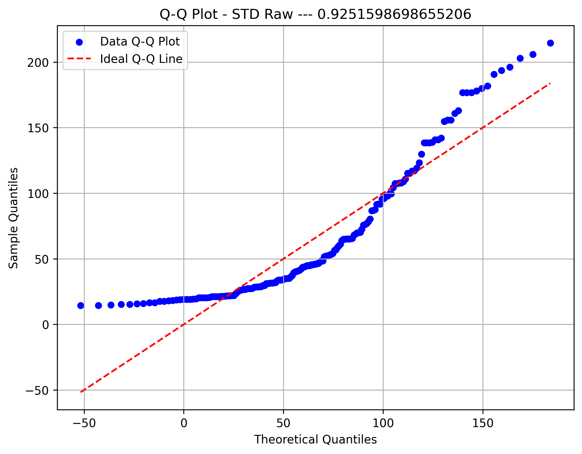
Metric 27 | 31.402811657 | 37.009678729 | 42.616545801 | 48.223412873 | 53.830279946 | 59.437147018 | 65.04401409 | 70.650881162 | 76.257748234 | 81.864615306 | 87.471482378
Frequency | 20 | 12 | 7 | 7 | 19 | 31 | 31 | 19 | 14 | 13
Metric 28 | 0.19162177023 | 0.25533609222 | 0.31905041422 | 0.38276473621 | 0.44647905821 | 0.5101933802 | 0.5739077022 | 0.63762202419 | 0.70133634619 | 0.76505066818 | 0.82876499018
Frequency | 12 | 8 | 18 | 21 | 24 | 20 | 26 | 16 | 10 | 18
Metric 29 | 24.284163247 | 29.338394385 | 34.392625523 | 39.446856662 | 44.5010878 | 49.555318939 | 54.609550077 | 59.663781215 | 64.718012354 | 69.772243492 | 74.826474631
Frequency | 23 | 9 | 3 | 11 | 34 | 32 | 26 | 14 | 12 | 9
Global STD
Metric 30 | 0.091721232158 | 0.13091527482 | 0.17010931749 | 0.20930336015 | 0.24849740282 | 0.28769144548 | 0.32688548815 | 0.36607953081 | 0.40527357348 | 0.44446761615 | 0.48366165881
Frequency | 40 | 25 | 17 | 22 | 22 | 16 | 11 | 10 | 6 | 4
Metric 31 | 15.385224213 | 18.853556297 | 22.321888382 | 25.790220467 | 29.258552552 | 32.726884636 | 36.195216721 | 39.663548806 | 43.131880891 | 46.600212975 | 50.06854506
Frequency | 8 | 26 | 15 | 9 | 8 | 24 | 18 | 43 | 13 | 9
Metric 32 | 0.091823060235 | 0.15555046366 | 0.21927786709 | 0.28300527052 | 0.34673267395 | 0.41046007737 | 0.4741874808 | 0.53791488423 | 0.60164228766 | 0.66536969109 | 0.72909709451
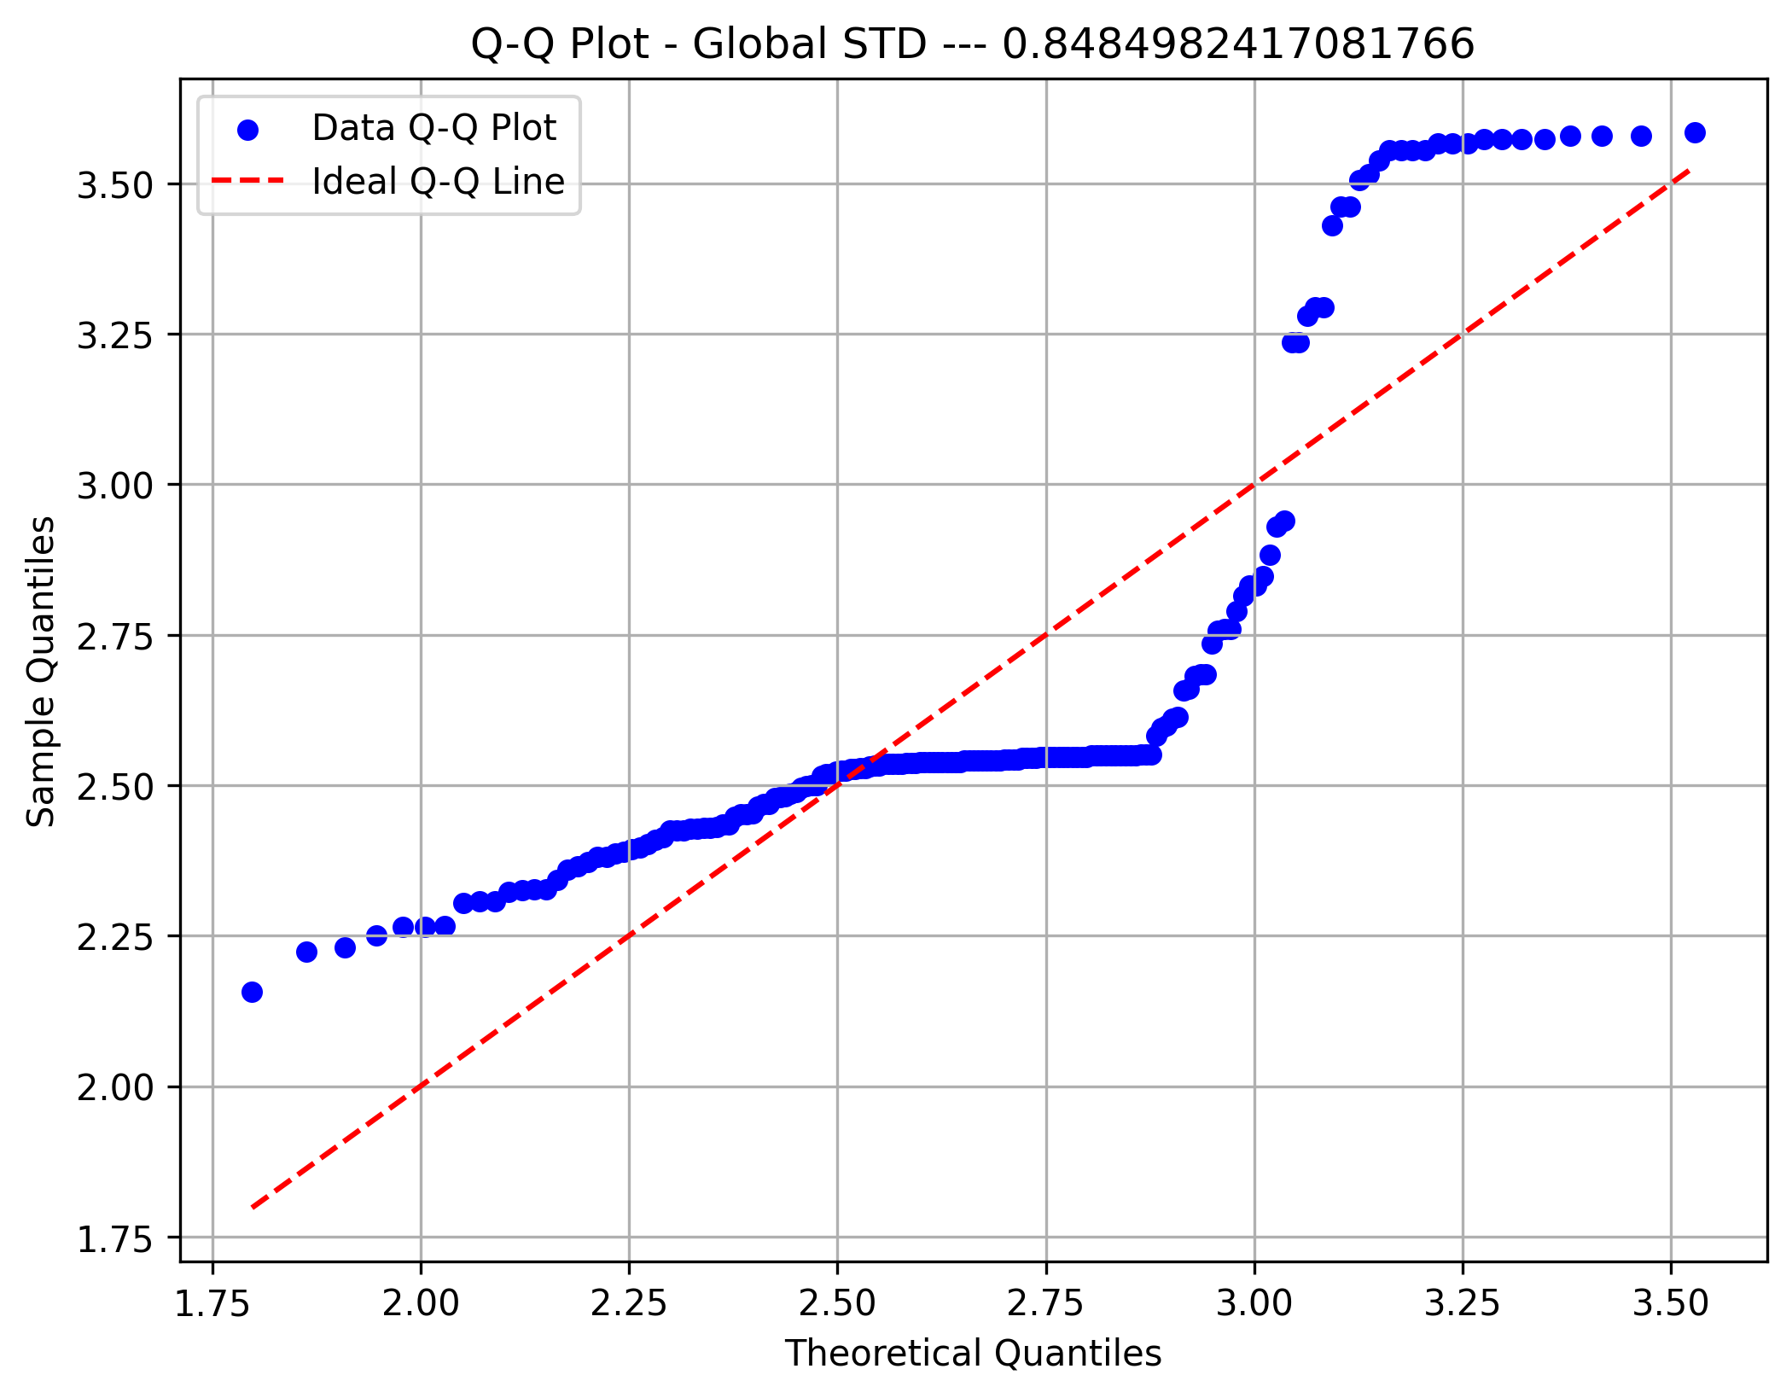
Frequency | 29 | 21 | 21 | 23 | 12 | 22 | 12 | 15 | 6 | 12
Metric 33 | 24.253714209 | 28.789618883 | 33.325523556 | 37.86142823 | 42.397332903 | 46.933237576 | 51.46914225 | 56.005046923 | 60.540951596 | 65.07685627 | 69.612760943
Frequency | 23 | 11 | 11 | 2 | 18 | 11 | 34 | 32 | 18 | 13
Metric 34 | 16.323007794 | 21.593550466 | 26.864093137 | 32.134635809 | 37.405178481 | 42.675721153 | 47.946263825 | 53.216806496 | 58.487349168 | 63.75789184 | 69.028434512
Frequency | 5 | 16 | 24 | 13 | 24 | 25 | 19 | 19 | 19 | 9
PDR Symmetry
Metric 35 | 16.426982564 | 20.820707597 | 25.21443263 | 29.608157663 | 34.001882696 | 38.395607729 | 42.789332762 | 47.183057795 | 51.576782828 | 55.97050786 | 60.364232893
Frequency | 15 | 23 | 8 | 12 | 15 | 27 | 29 | 20 | 14 | 10
Metric 36 | 3.2029919591 | 4.3929181842 | 5.5828444093 | 6.7727706344 | 7.9626968595 | 9.1526230846 | 10.34254931 | 11.532475535 | 12.72240176 | 13.912327985 | 15.10225421
Frequency | 18 | 25 | 18 | 20 | 16 | 18 | 14 | 22 | 14 | 7
Metric 37 | 0.26922161508 | 0.46073745119 | 0.6522532873 | 0.84376912341 | 1.0352849595 | 1.2268007956 | 1.4183166317 | 1.6098324678 | 1.801348304 | 1.9928641401 | 2.1843799762
Frequency | 21 | 26 | 45 | 25 | 20 | 11 | 10 | 5 | 6 | 4
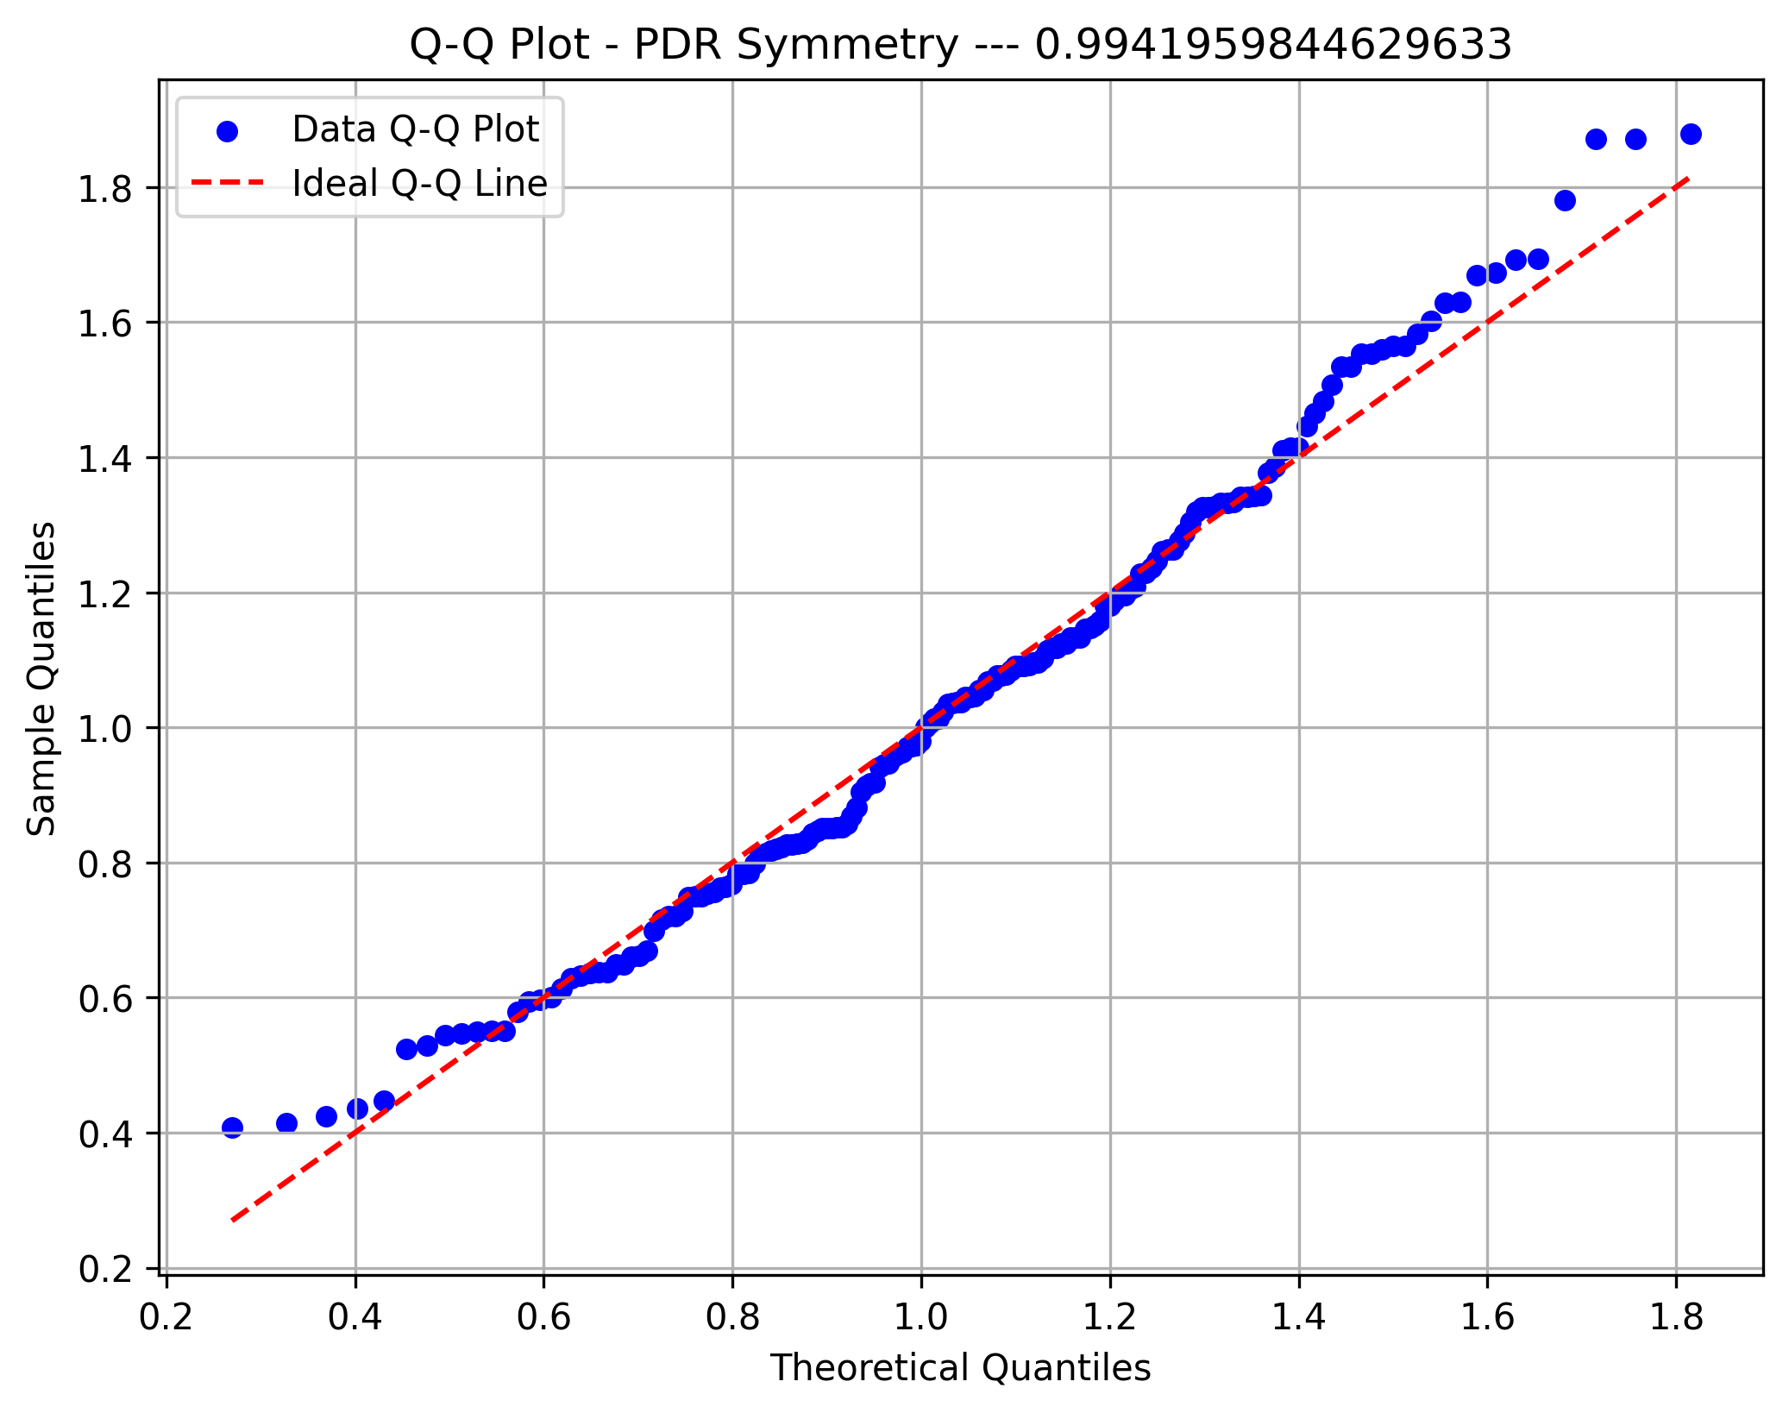
Metric 38 | 19.578543522 | 24.345507343 | 29.112471164 | 33.879434985 | 38.646398806 | 43.413362626 | 48.180326447 | 52.947290268 | 57.714254089 | 62.48121791 | 67.248181731
Frequency | 14 | 15 | 17 | 10 | 20 | 30 | 28 | 20 | 13 | 6
Metric 39 | 17.125671135 | 21.276248636 | 25.426826136 | 29.577403636 | 33.727981136 | 37.878558636 | 42.029136136 | 46.179713636 | 50.330291137 | 54.480868637 | 58.631446137
Frequency | 9 | 23 | 15 | 8 | 9 | 31 | 34 | 22 | 10 | 12
PDR Synchrony
Metric 40 | 7.8116945294 | 10.051204228 | 12.290713927 | 14.530223625 | 16.769733324 | 19.009243023 | 21.248752721 | 23.48826242 | 25.727772119 | 27.967281817 | 30.206791516
Frequency | 12 | 19 | 22 | 16 | 11 | 23 | 17 | 22 | 18 | 13
Metric 41 | 13.81620408 | 17.582122987 | 21.348041894 | 25.1139608 | 28.879879707 | 32.645798614 | 36.411717521 | 40.177636428 | 43.943555335 | 47.709474242 | 51.475393149
Frequency | 11 | 14 | 22 | 13 | 13 | 18 | 15 | 26 | 25 | 16
Metric 42 | 3.7912619914 | 4.8928081335 | 5.9943542757 | 7.0959004178 | 8.1974465599 | 9.2989927021 | 10.400538844 | 11.502084986 | 12.603631128 | 13.705177271 | 14.806723413
Frequency | 17 | 24 | 19 | 7 | 19 | 21 | 20 | 22 | 13 | 11
Metric 43 | 1.6108962852 | 23.809944305 | 46.008992325 | 68.208040344 | 90.407088364 | 112.60613638 | 134.8051844 | 157.00423242 | 179.20328044 | 201.40232846 | 223.60137648
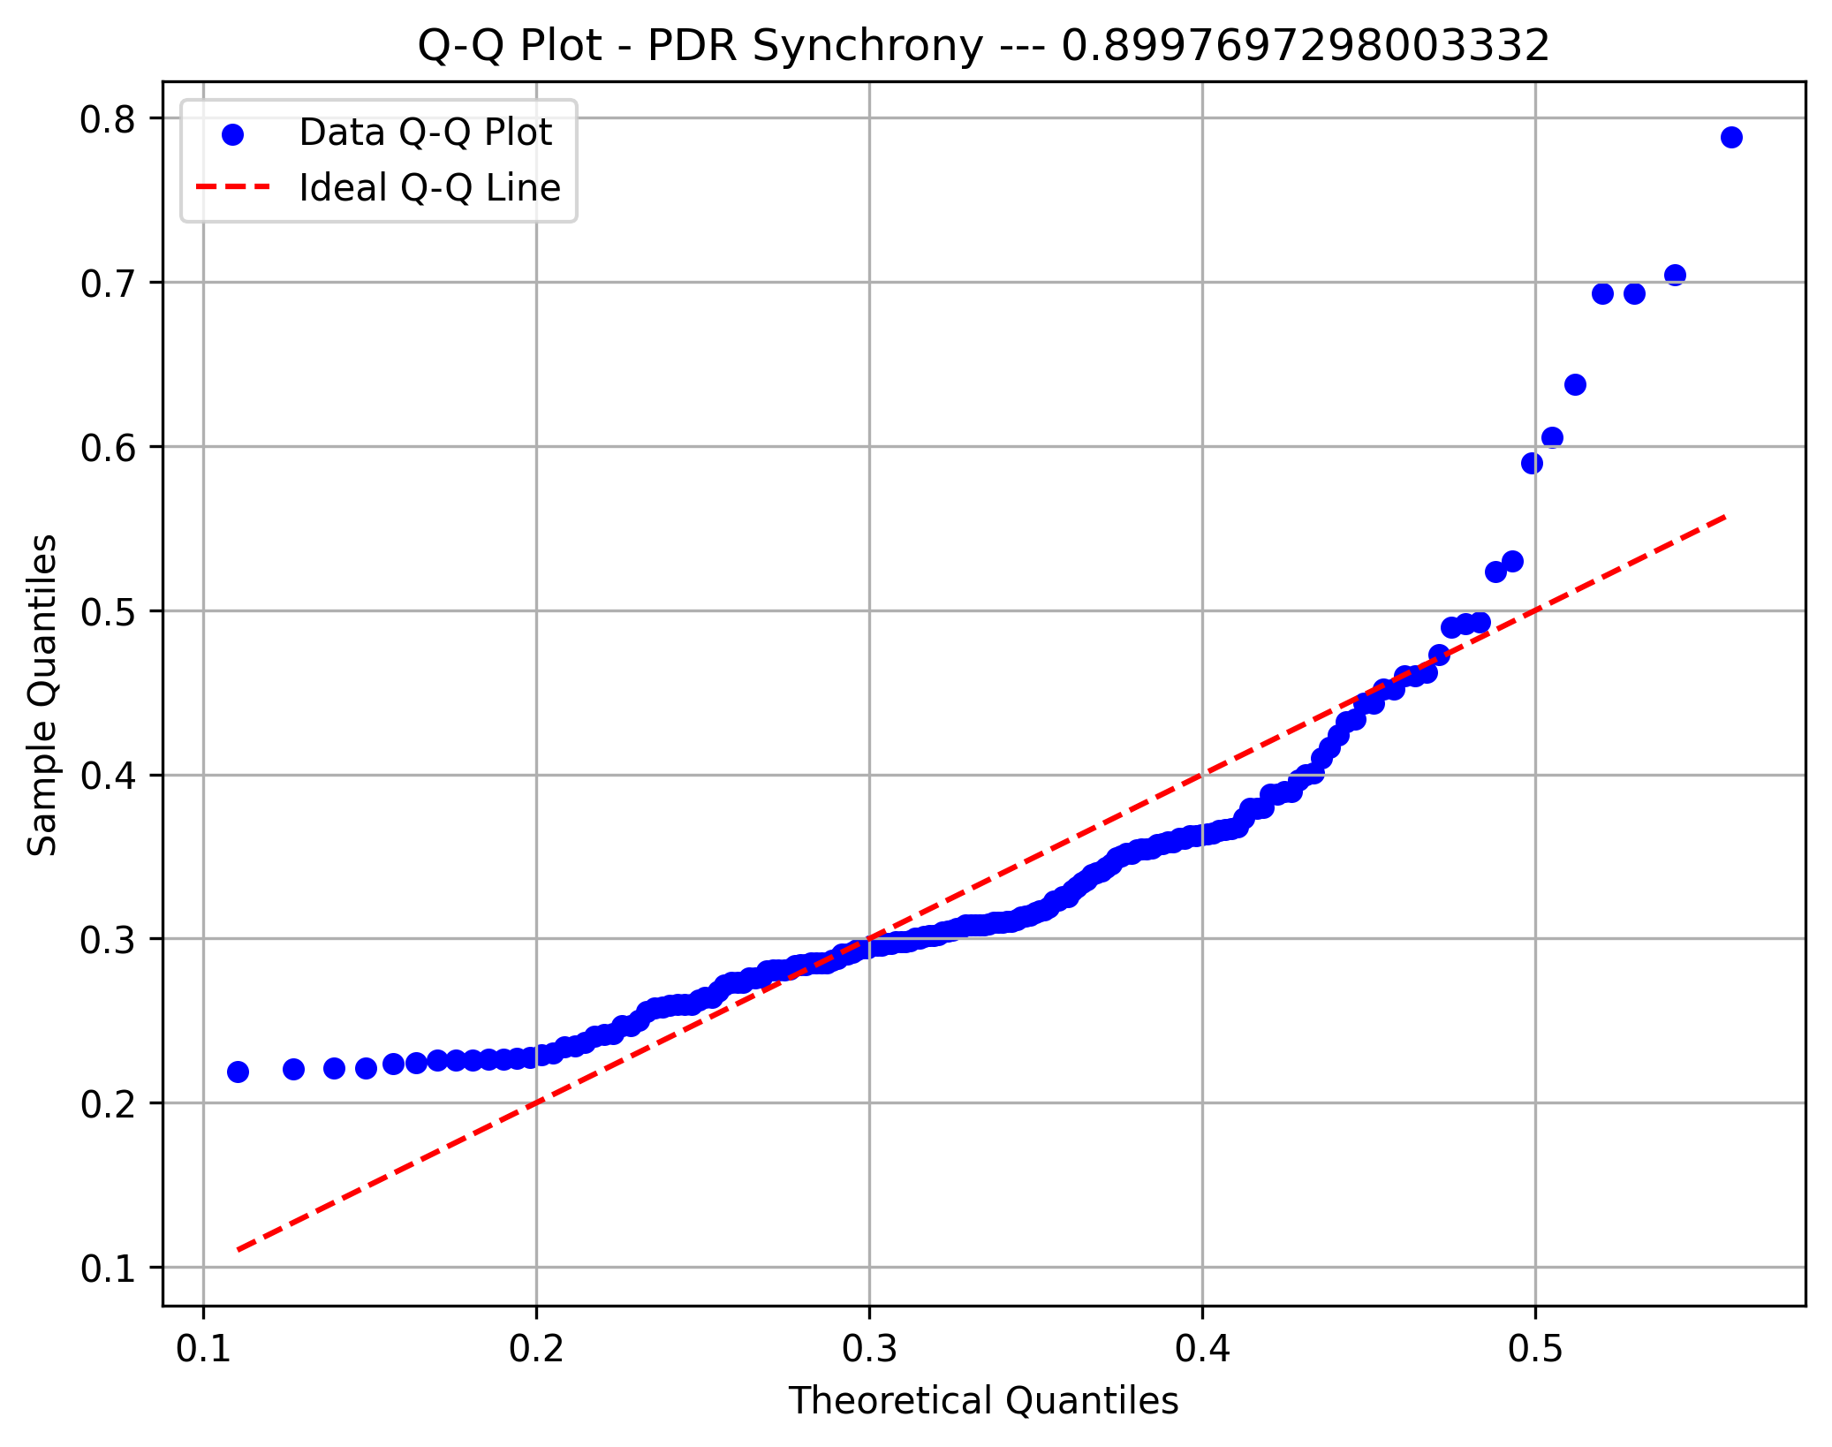
Frequency | 94 | 40 | 15 | 8 | 1 | 5 | 2 | 4 | 3 | 0
Metric 44 | 0.52774984501 | 0.62048690227 | 0.71322395952 | 0.80596101677 | 0.89869807402 | 0.99143513128 | 1.0841721885 | 1.1769092458 | 1.269646303 | 1.3623833603 | 1.4551204175
Frequency | 20 | 31 | 17 | 17 | 7 | 9 | 11 | 11 | 9 | 41
PDR Regulation
Metric 45 | 194.54969658 | 252.04252627 | 309.53535595 | 367.02818563 | 424.52101532 | 482.013845 | 539.50667468 | 596.99950436 | 654.49233405 | 711.98516373 | 769.47799341
Frequency | 17 | 18 | 18 | 17 | 31 | 30 | 14 | 13 | 10 | 5
Metric 46 | 38.848250842 | 45.089535572 | 51.330820302 | 57.572105032 | 63.813389762 | 70.054674491 | 76.295959221 | 82.537243951 | 88.778528681 | 95.019813411 | 101.26109814
Frequency | 22 | 5 | 1 | 8 | 15 | 41 | 45 | 23 | 8 | 5
Metric 47 | 231.00721857 | 363.91863355 | 496.83004852 | 629.74146349 | 762.65287847 | 895.56429344 | 1028.4757084 | 1161.3871234 | 1294.2985384 | 1427.2099533 | 1560.1213683
Frequency | 17 | 33 | 33 | 38 | 20 | 9 | 1 | 3 | 10 | 9
Metric 48 | 139.15301024 | 182.43202608 | 225.71104193 | 268.99005777 | 312.26907361 | 355.54808945 | 398.82710529 | 442.10612113 | 485.38513697 | 528.66415281 | 571.94316865
Frequency | 10 | 16 | 18 | 18 | 8 | 26 | 23 | 24 | 13 | 17
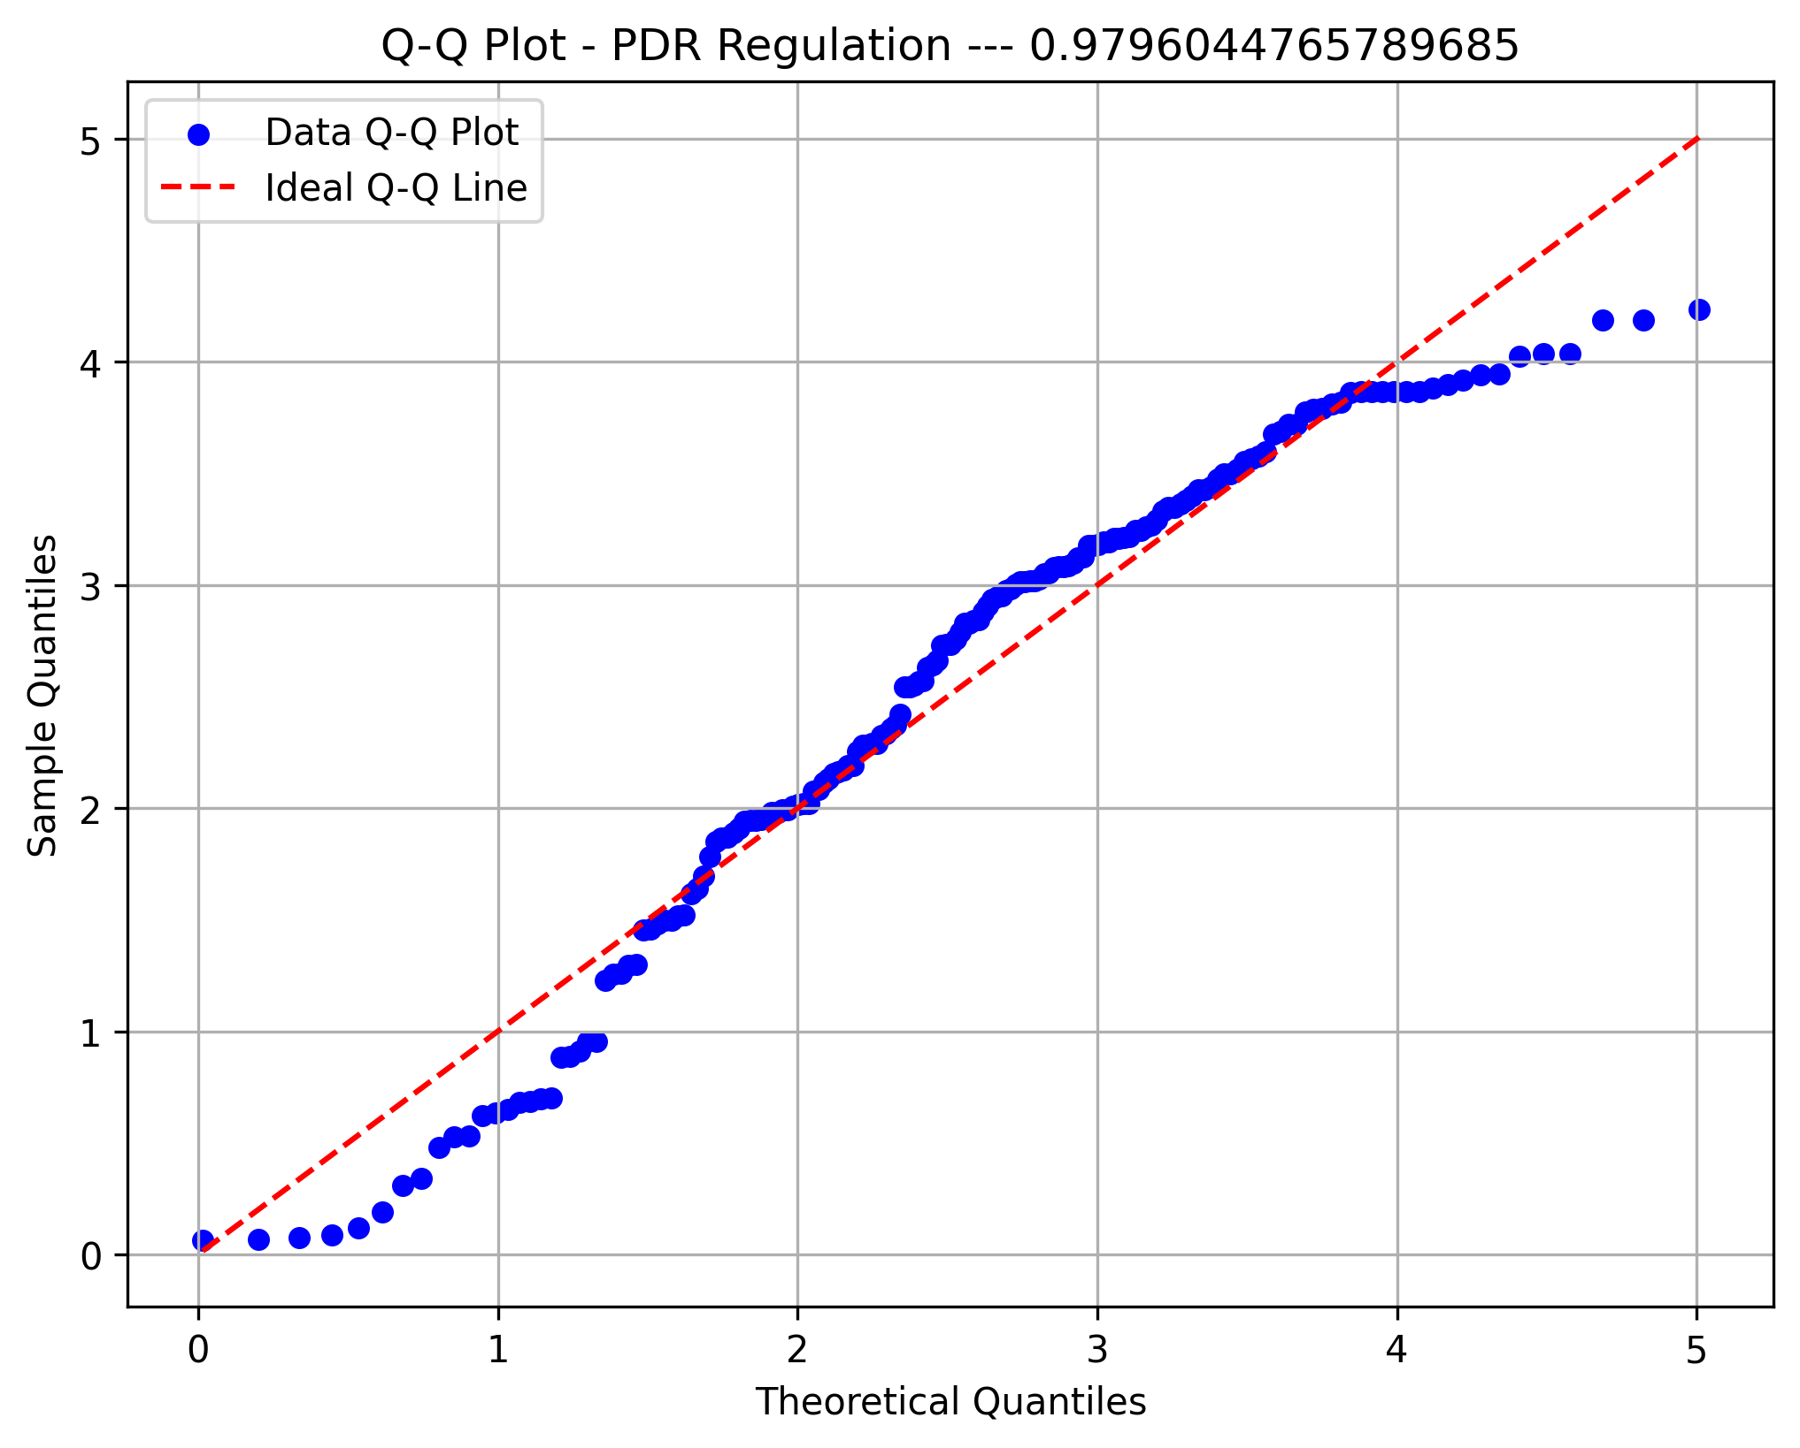
Metric 49 | 38.407396643 | 44.767162348 | 51.126928053 | 57.486693759 | 63.846459464 | 70.206225169 | 76.565990874 | 82.92575658 | 89.285522285 | 95.64528799 | 102.0050537
Frequency | 22 | 5 | 1 | 12 | 9 | 33 | 57 | 23 | 9 | 2
PDR Magnitude
Metric 50 | 534.62999148 | 781.47151738 | 1028.3130433 | 1275.1545692 | 1521.9960951 | 1768.837621 | 2015.6791469 | 2262.5206728 | 2509.3621987 | 2756.2037246 | 3003.0452505
Frequency | 19 | 35 | 44 | 33 | 14 | 2 | 6 | 2 | 3 | 14
Metric 51 | 154.90110145 | 203.19764863 | 251.49419582 | 299.790743 | 348.08729019 | 396.38383737 | 444.68038455 | 492.97693174 | 541.27347892 | 589.5700261 | 637.86657329
Frequency | 7 | 22 | 19 | 12 | 16 | 33 | 22 | 13 | 17 | 12
Metric 52 | 38.667299355 | 45.029725099 | 51.392150843 | 57.754576587 | 64.117002331 | 70.479428074 | 76.841853818 | 83.204279562 | 89.566705306 | 95.929131049 | 102.29155679
Frequency | 22 | 5 | 1 | 8 | 14 | 32 | 54 | 24 | 12 | 1
Metric 53 | 672.95332788 | 914.88910739 | 1156.8248869 | 1398.7606664 | 1640.6964459 | 1882.6322254 | 2124.5680049 | 2366.5037844 | 2608.4395639 | 2850.3753434 | 3092.3111229
Frequency | 31 | 44 | 39 | 27 | 8 | 1 | 5 | 2 | 10 | 5
Metric 54 | 175.54489159 | 233.92434458 | 292.30379756 | 350.68325054 | 409.06270352 | 467.4421565 | 525.82160949 | 584.20106247 | 642.58051545 | 700.95996843 | 759.33942142
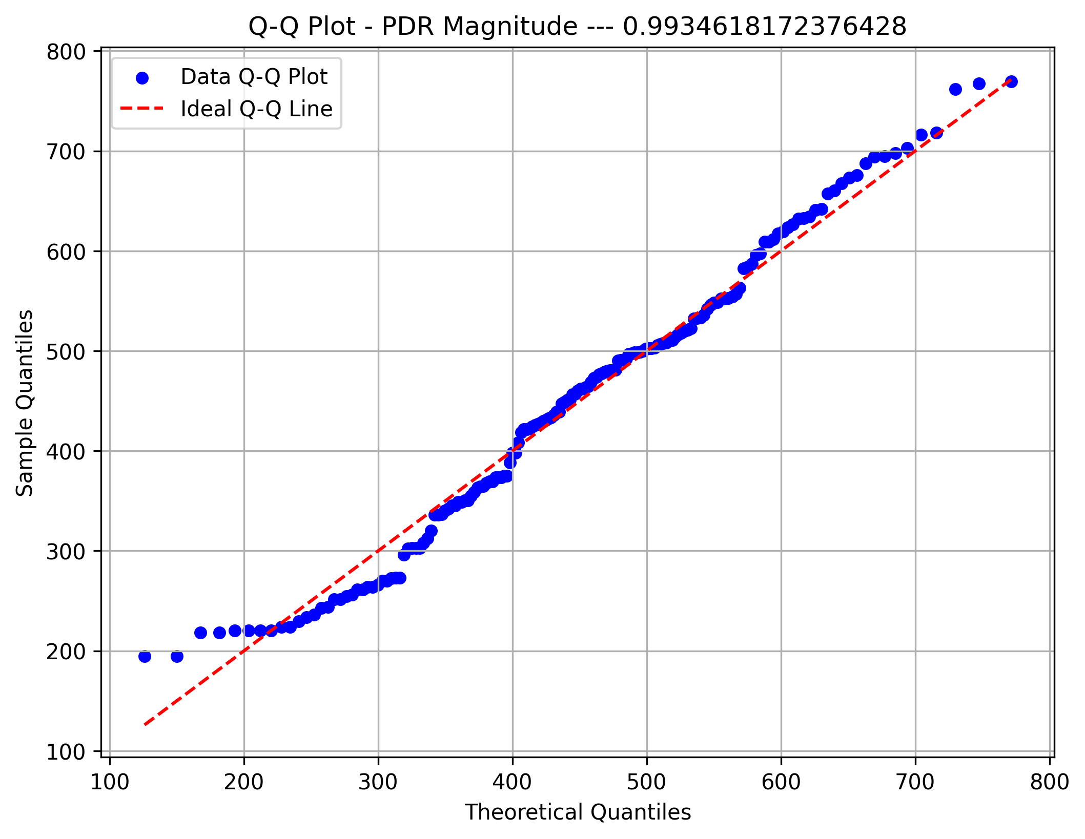
Frequency | 17 | 13 | 27 | 17 | 18 | 28 | 13 | 18 | 18 | 3
PDR Sinusoidal
Metric 55 | 38.367316977 | 44.952543373 | 51.537769768 | 58.122996163 | 64.708222559 | 71.293448954 | 77.878675349 | 84.463901744 | 91.04912814 | 97.634354535 | 104.21958093
Frequency | 22 | 3 | 4 | 10 | 12 | 56 | 39 | 16 | 9 | 2
Metric 56 | 620.32371375 | 846.12899068 | 1071.9342676 | 1297.7395445 | 1523.5448214 | 1749.3500984 | 1975.1553753 | 2200.9606522 | 2426.7659291 | 2652.5712061 | 2878.376483
Frequency | 21 | 31 | 39 | 37 | 16 | 5 | 4 | 2 | 8 | 10

PDR Max Post.
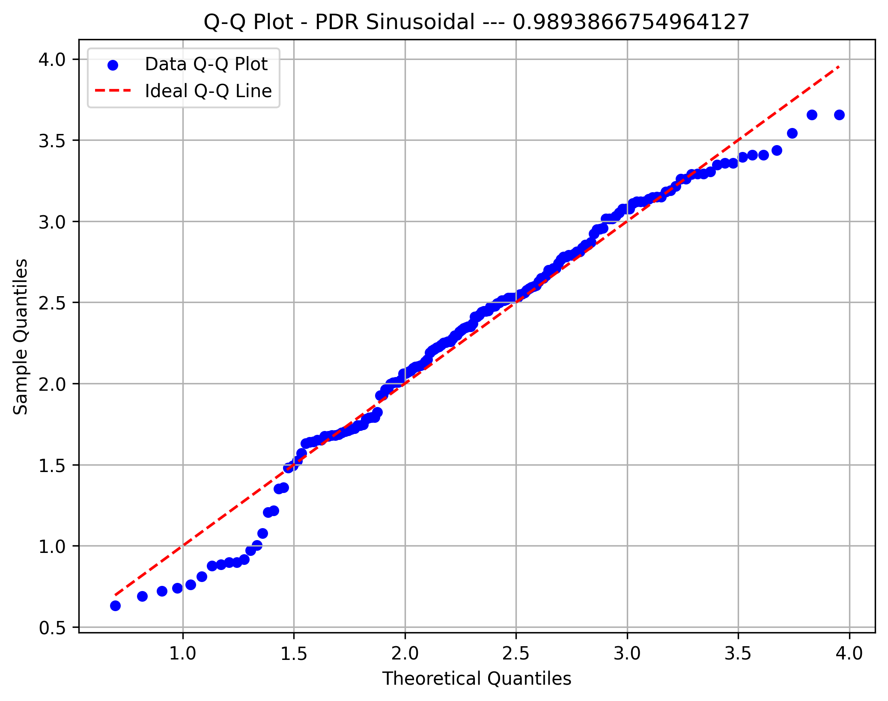

PDR FFT Width
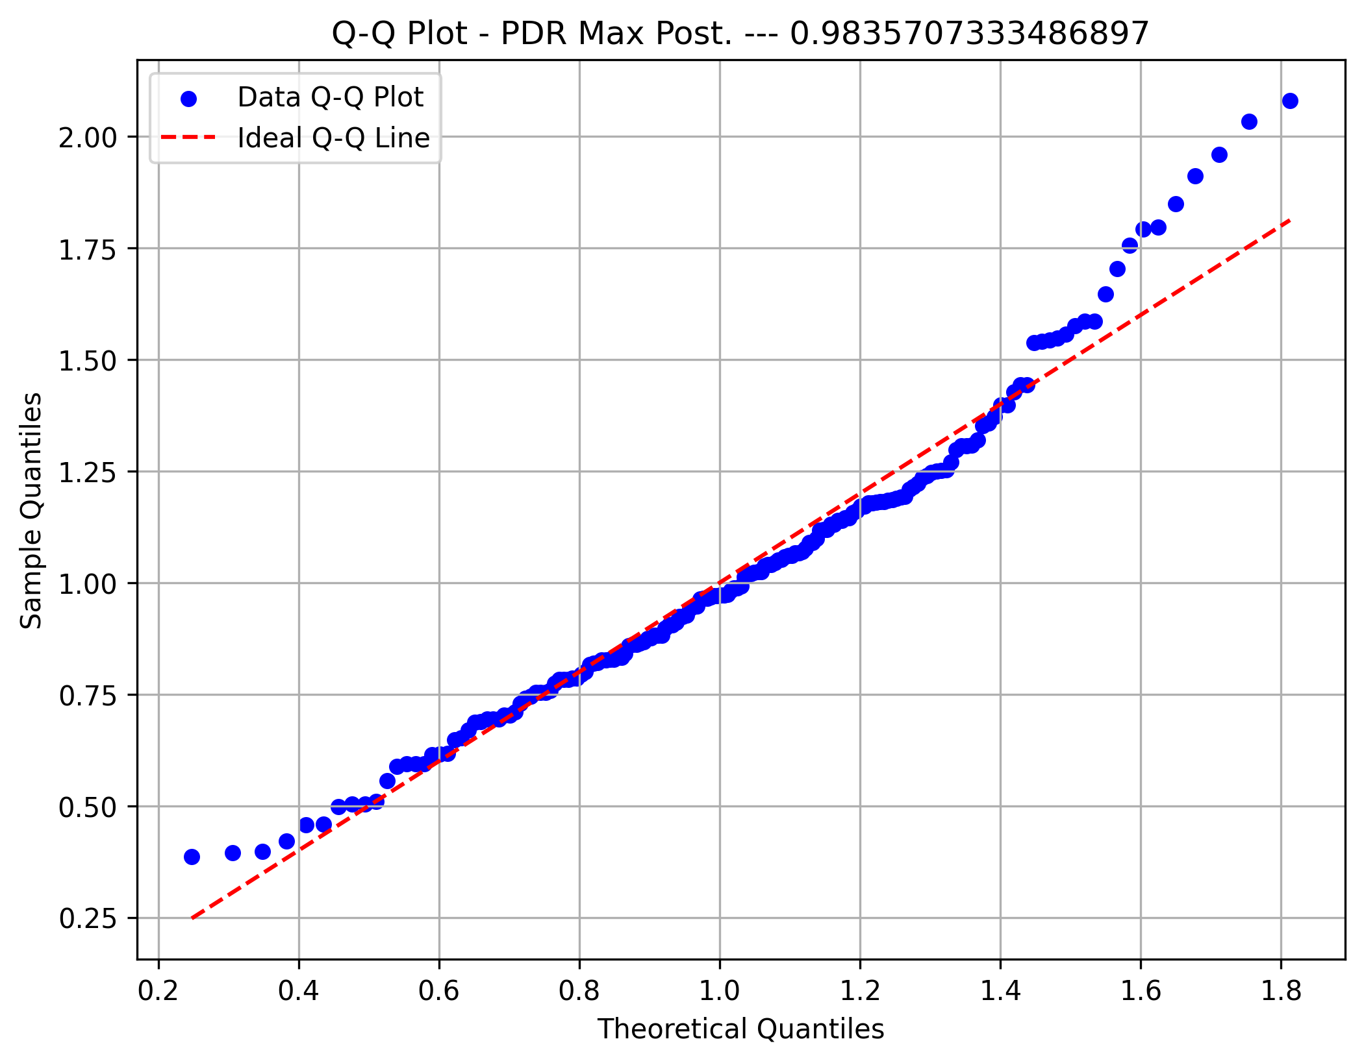

PDR Amplitude

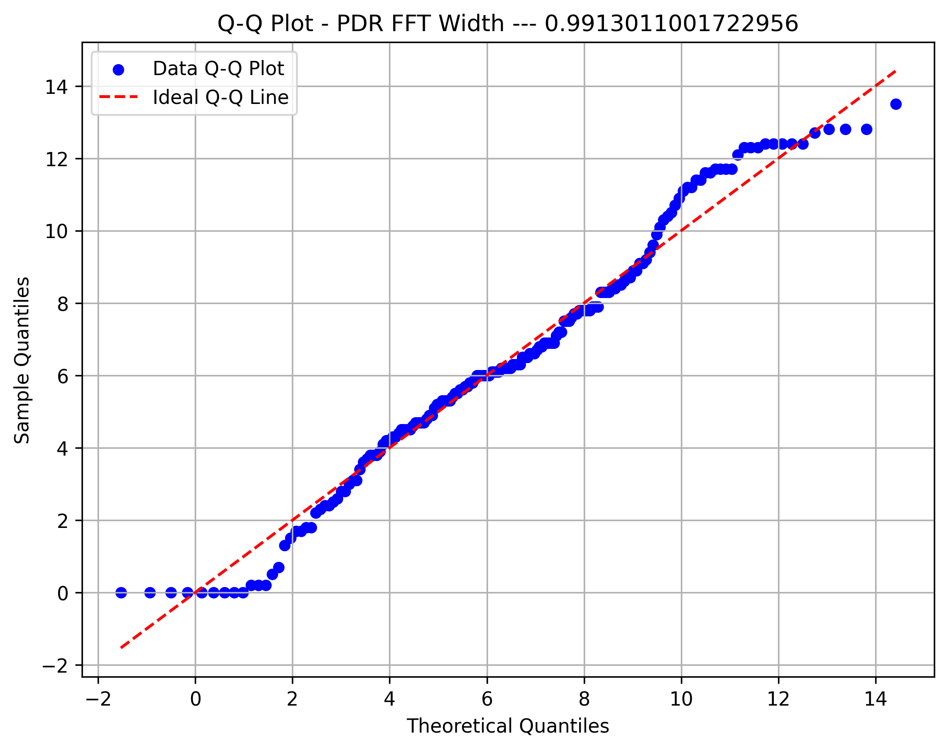

PDR Artifact Width

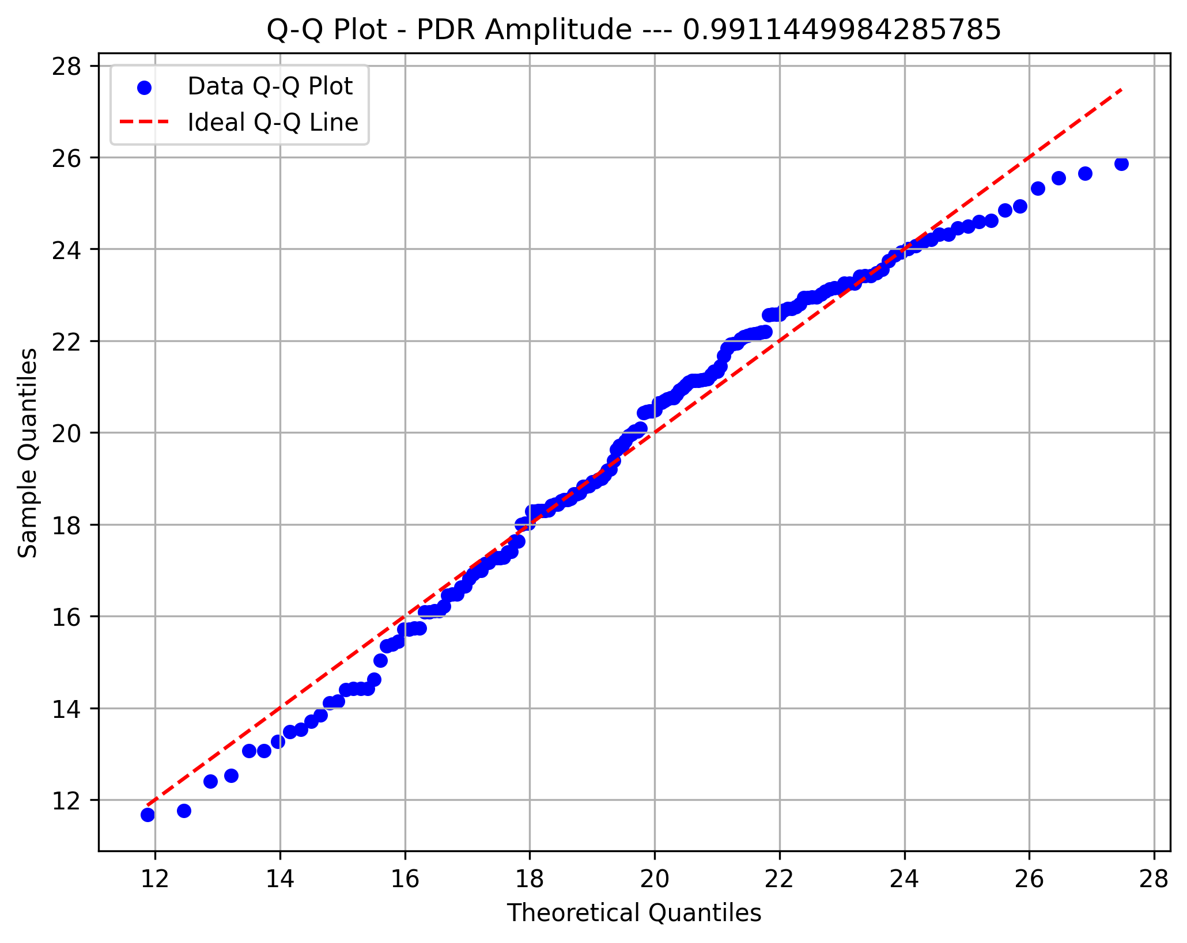

Beta Max Front

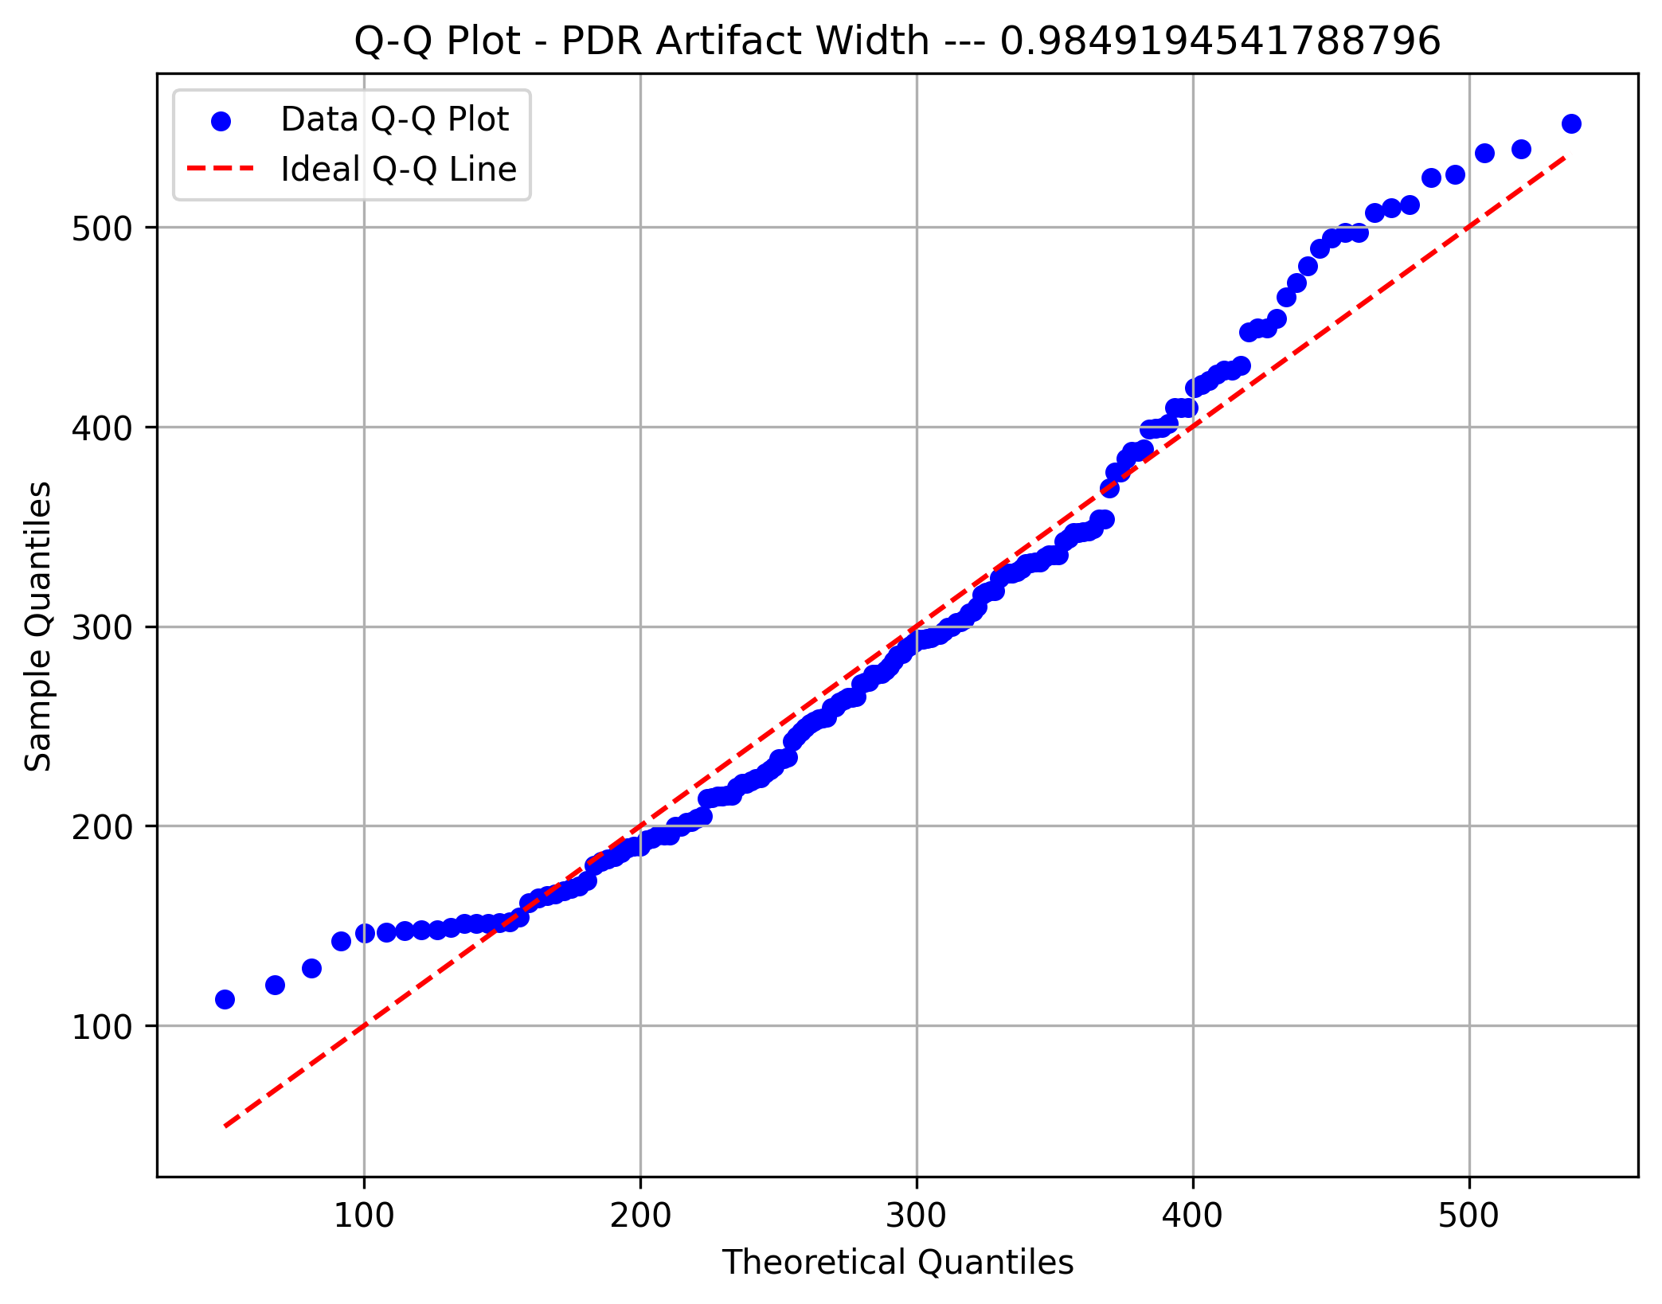

Front Alpha Asym

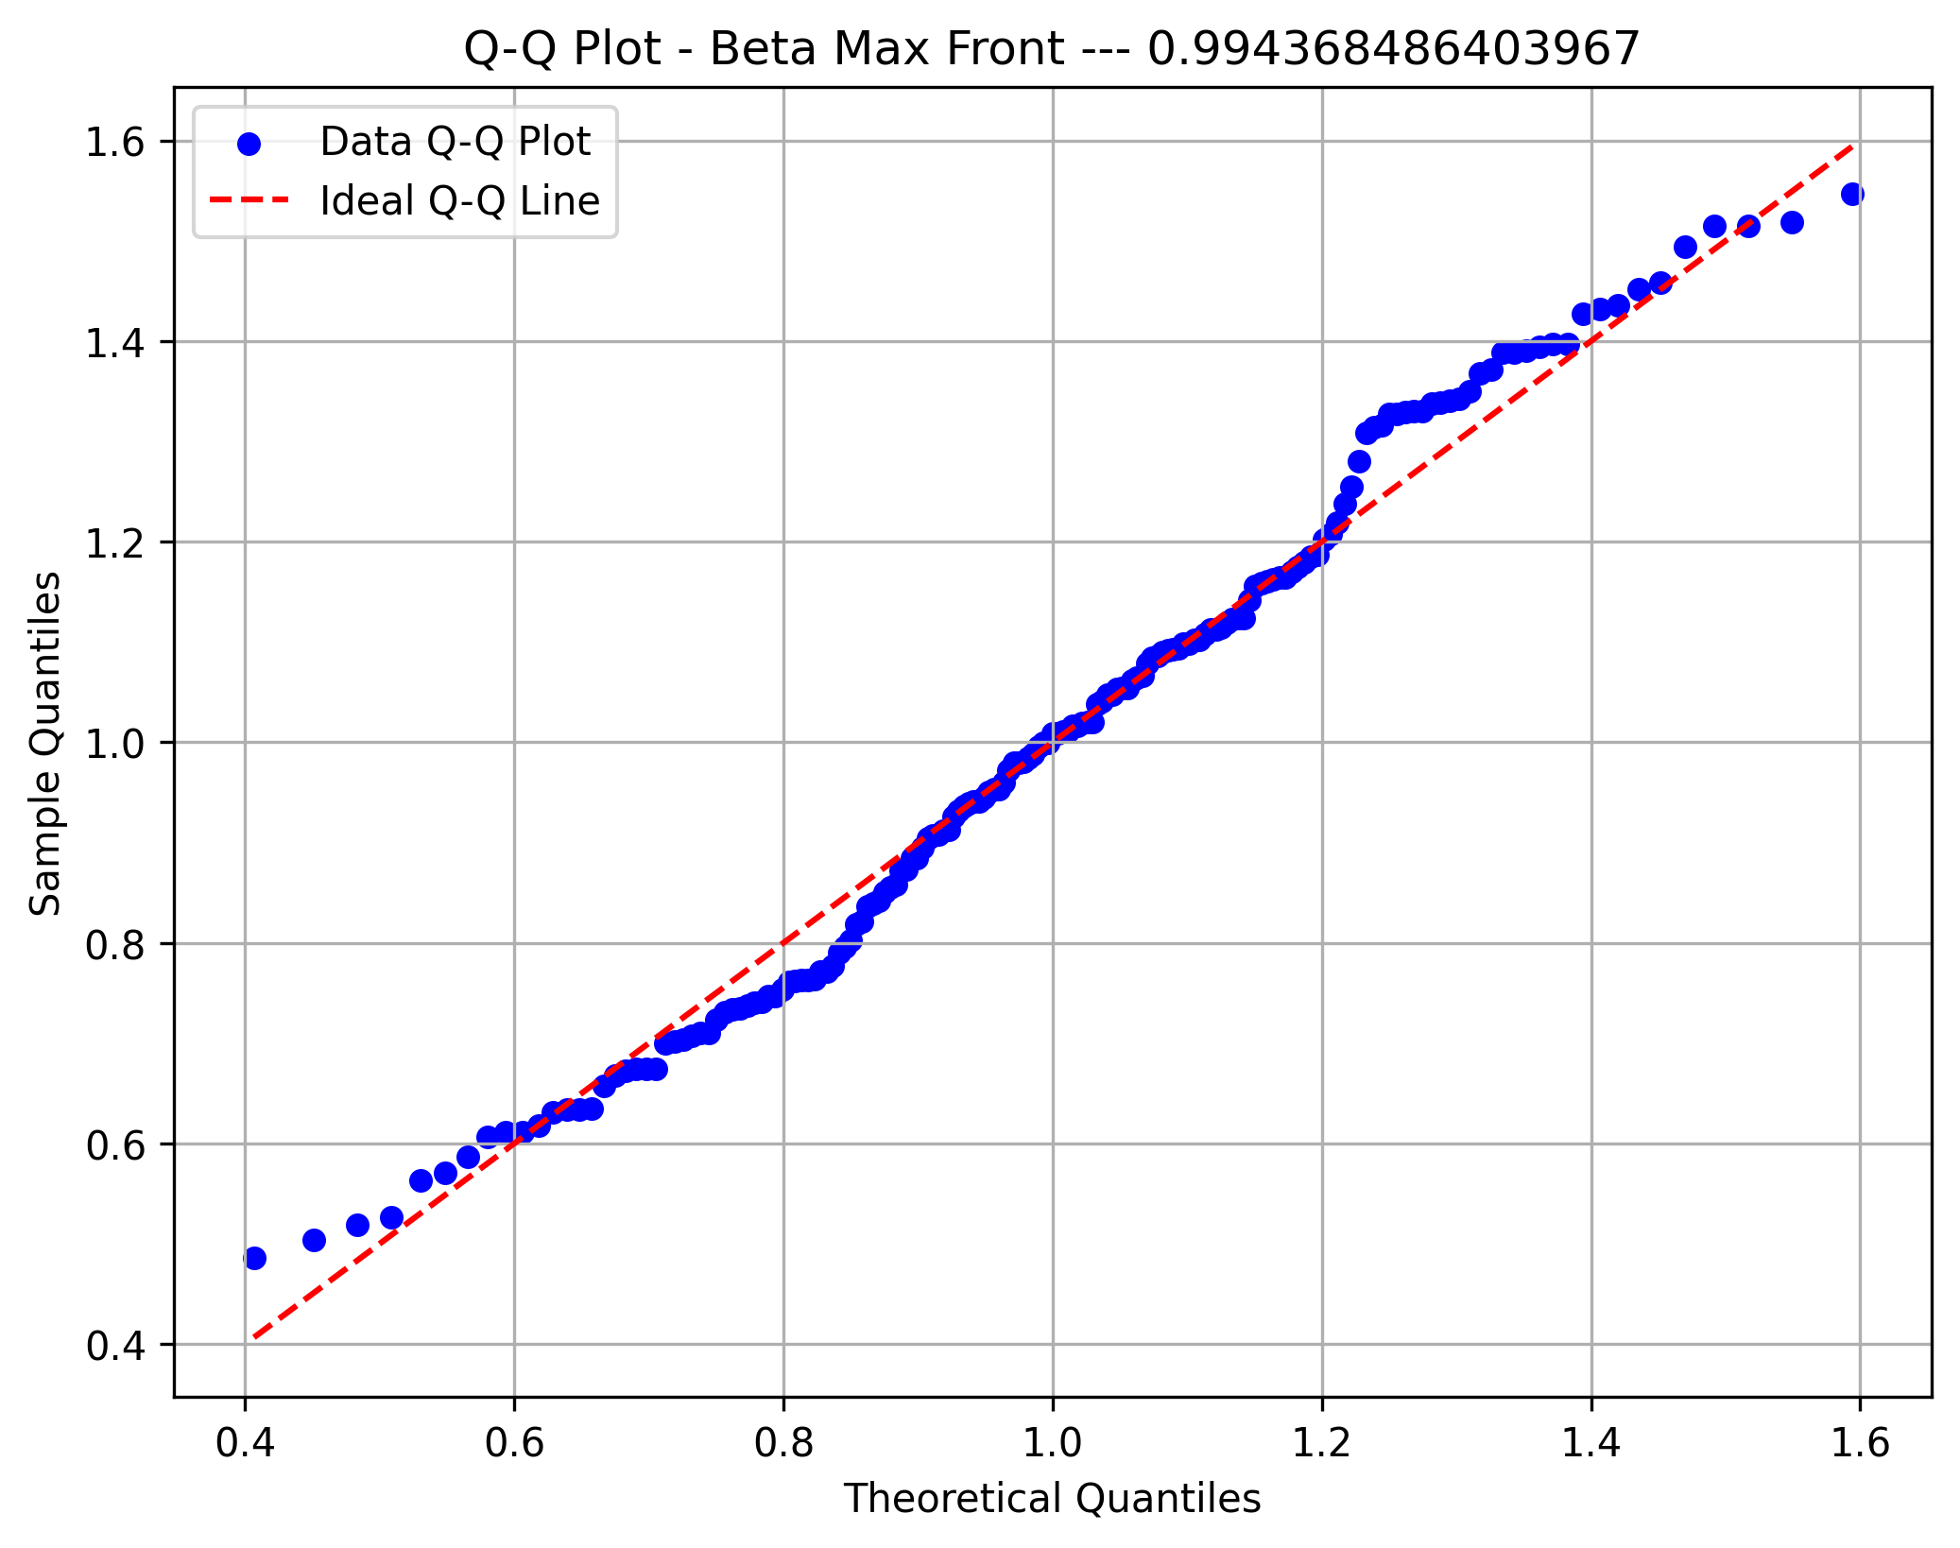

XS Temp. Alpha

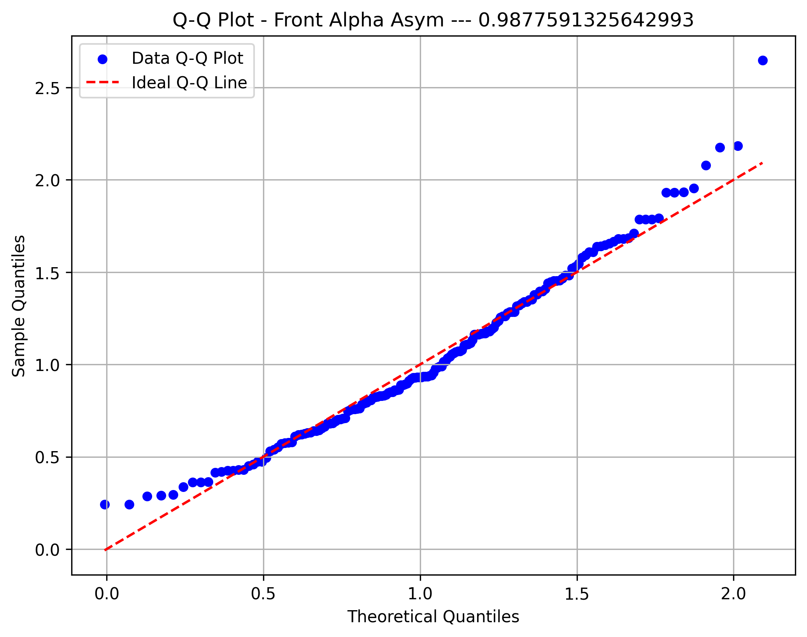

Fast Alpha

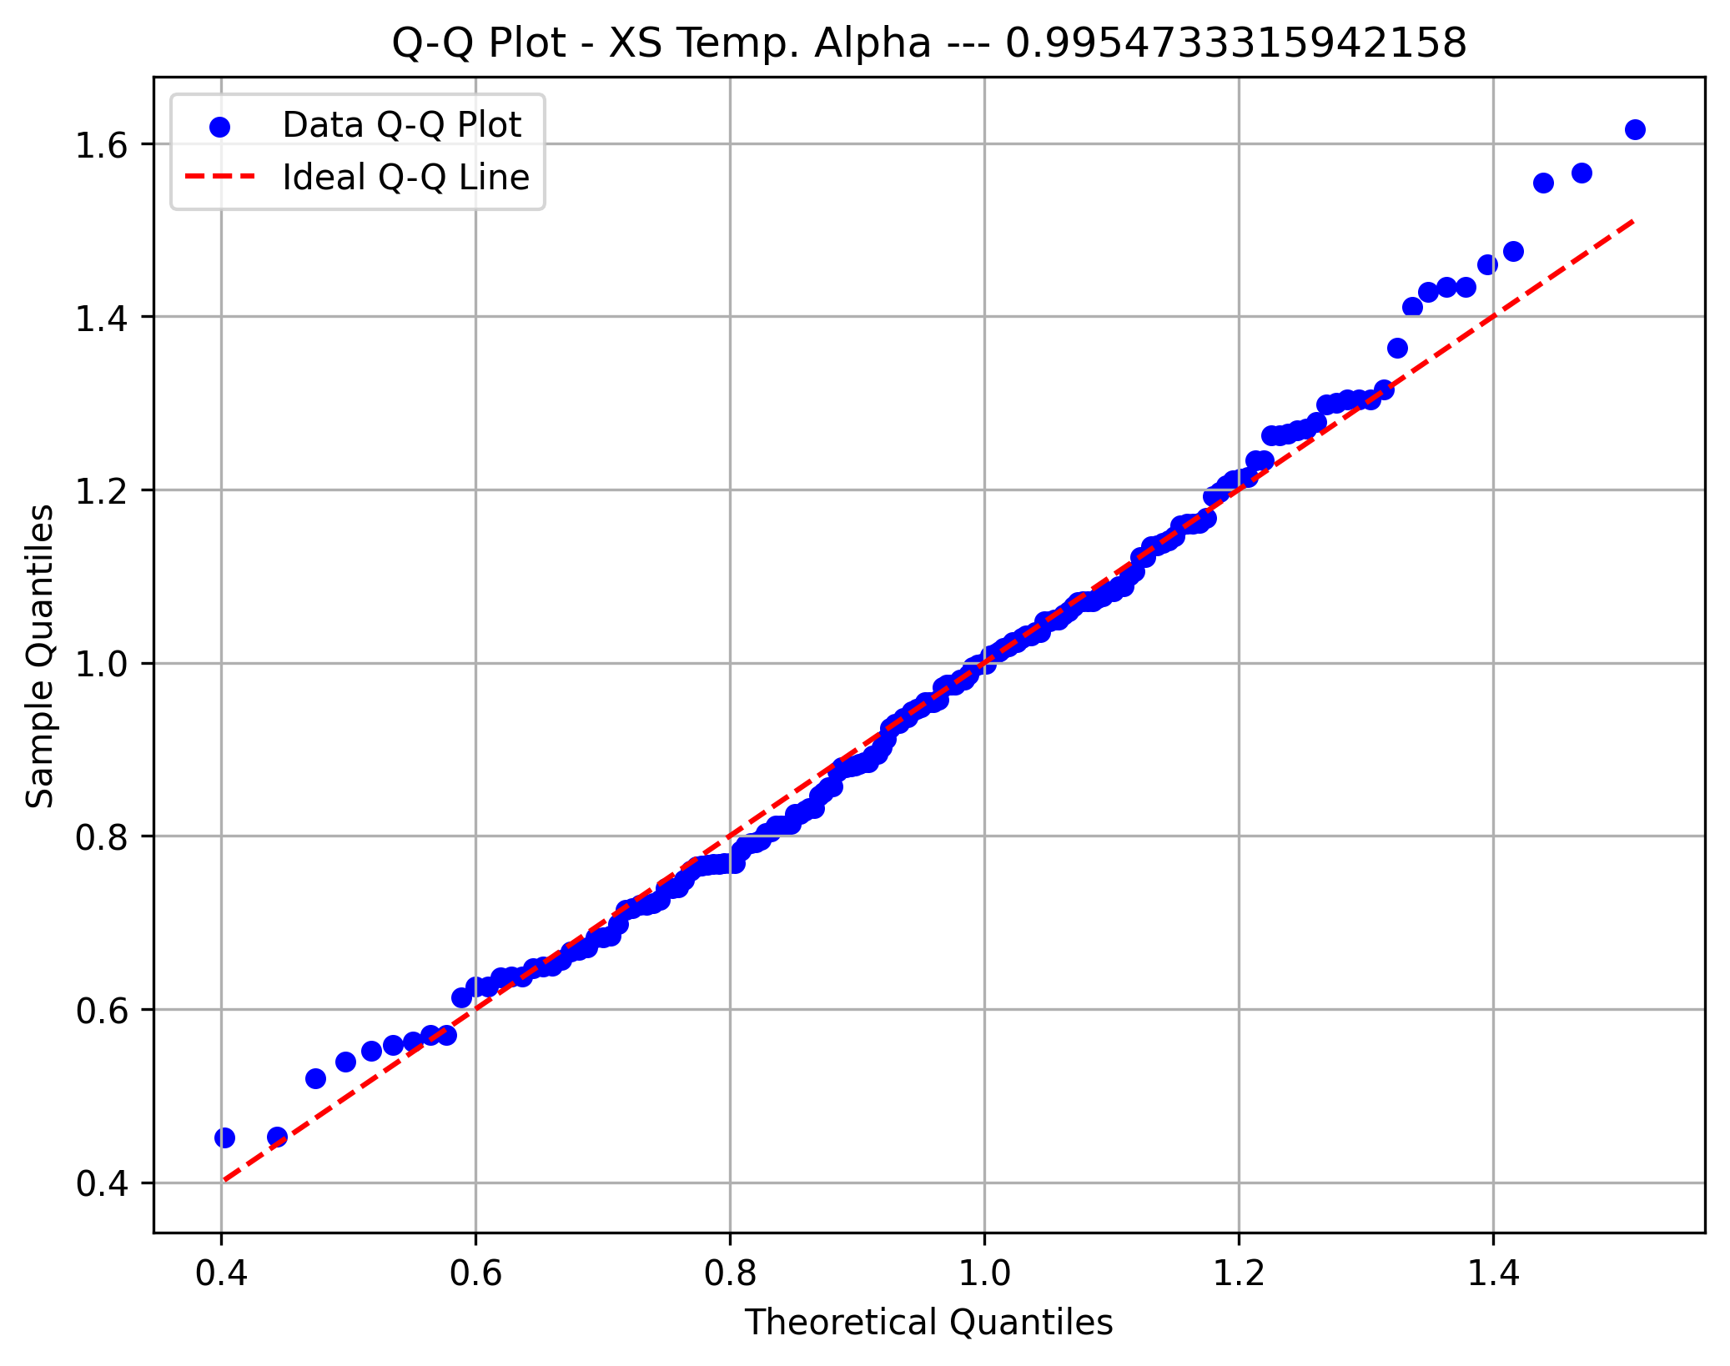

Alpha Peak

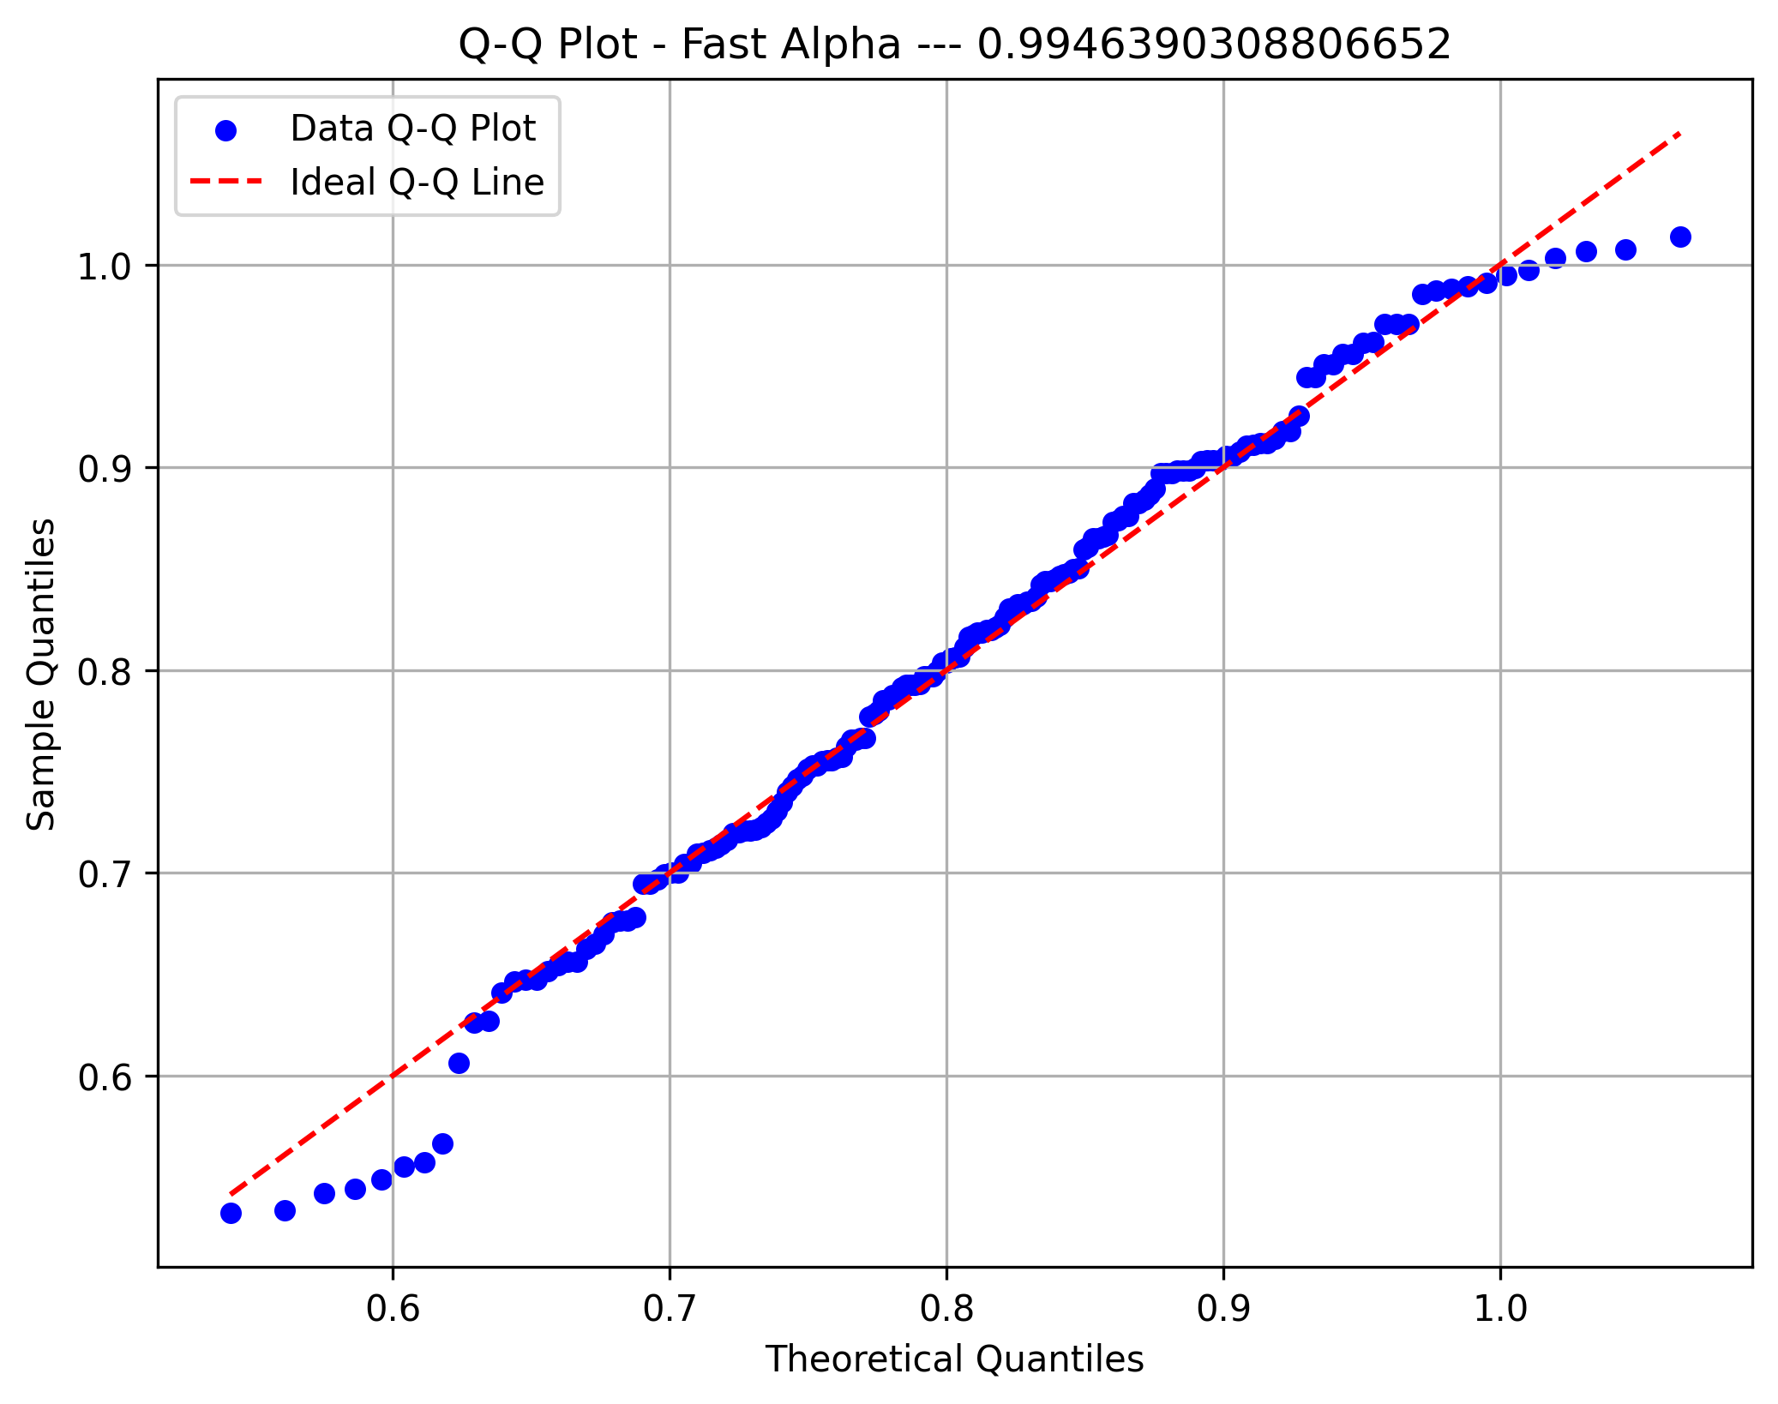

Midline Beta

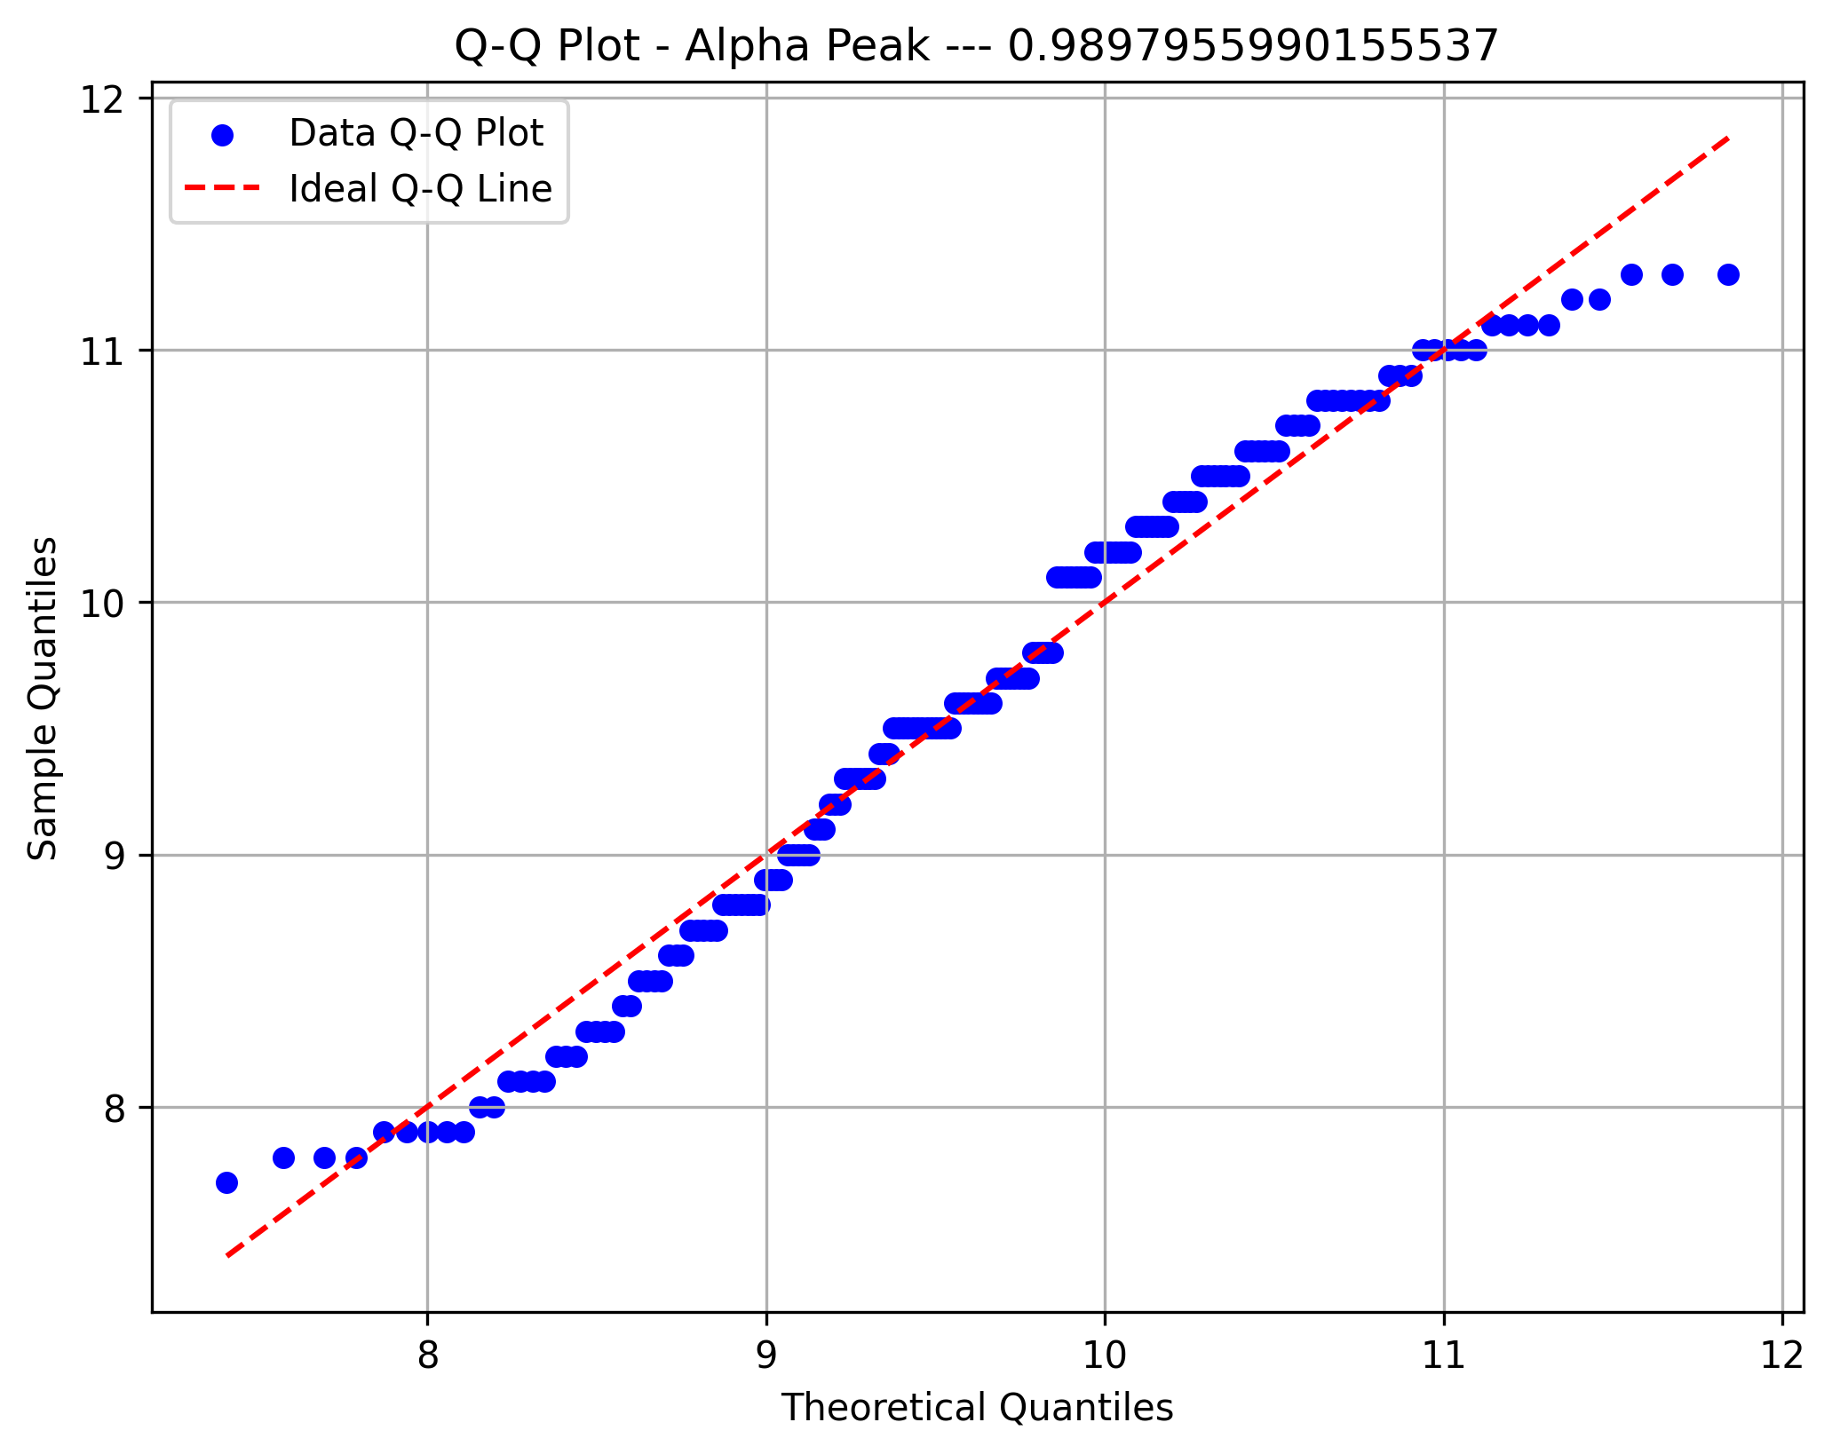
Focal Delta Index

Focal Delta Amplitude
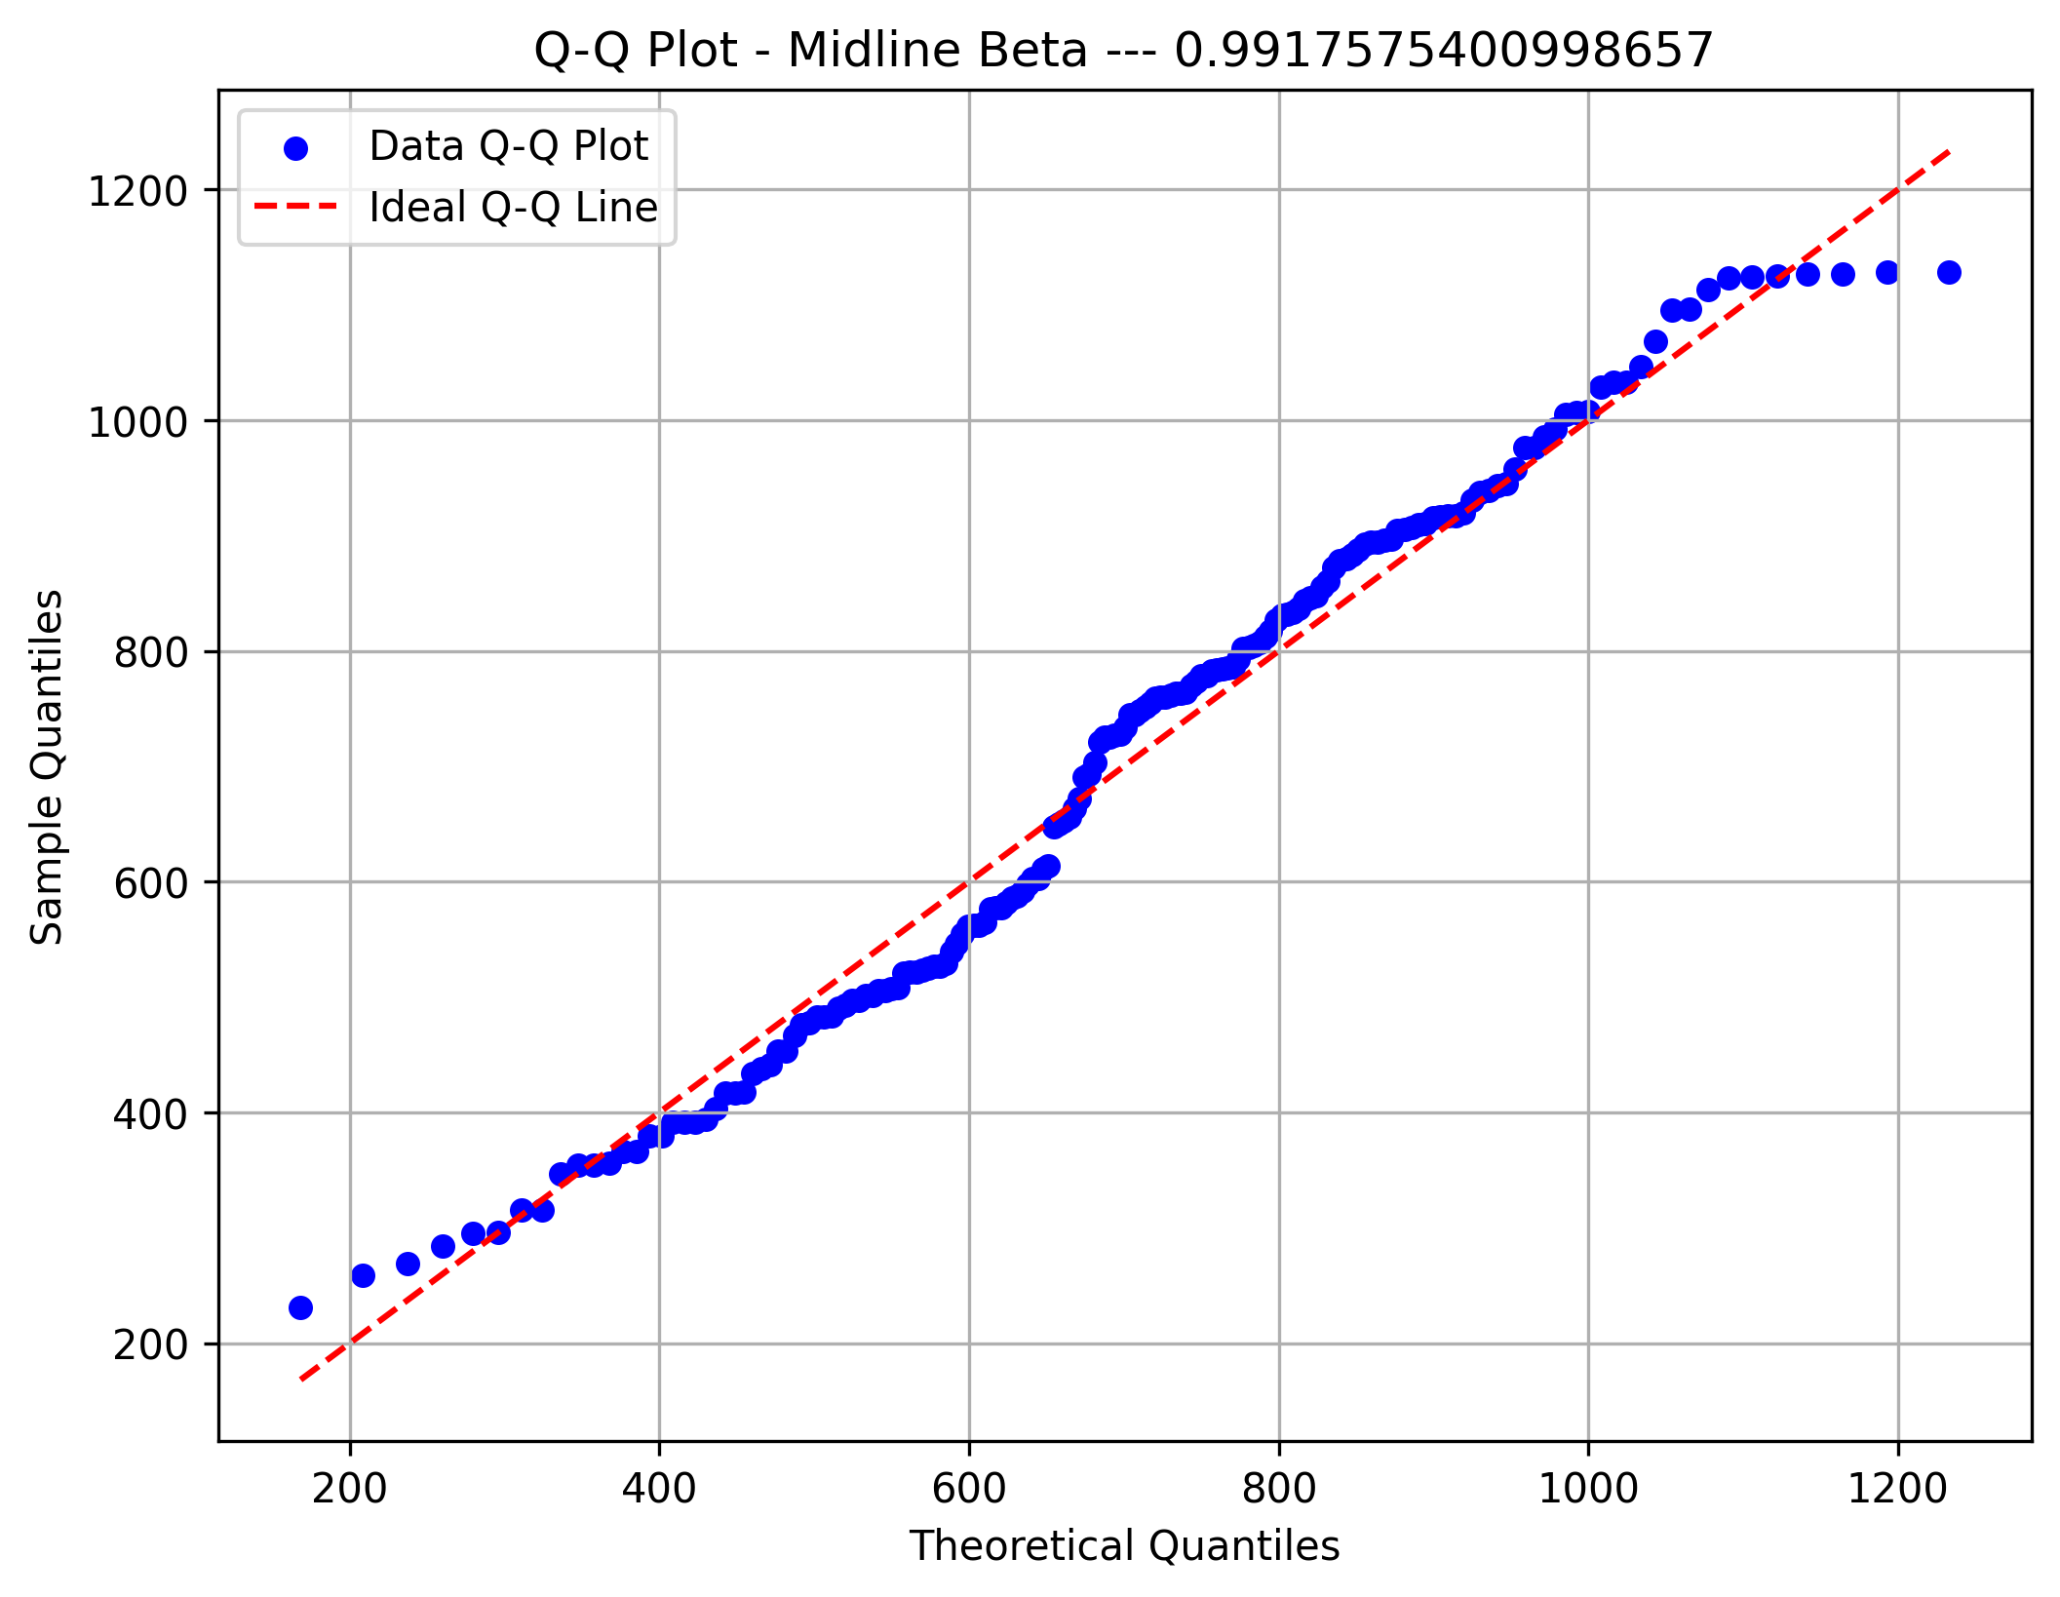

Focal Theta Index
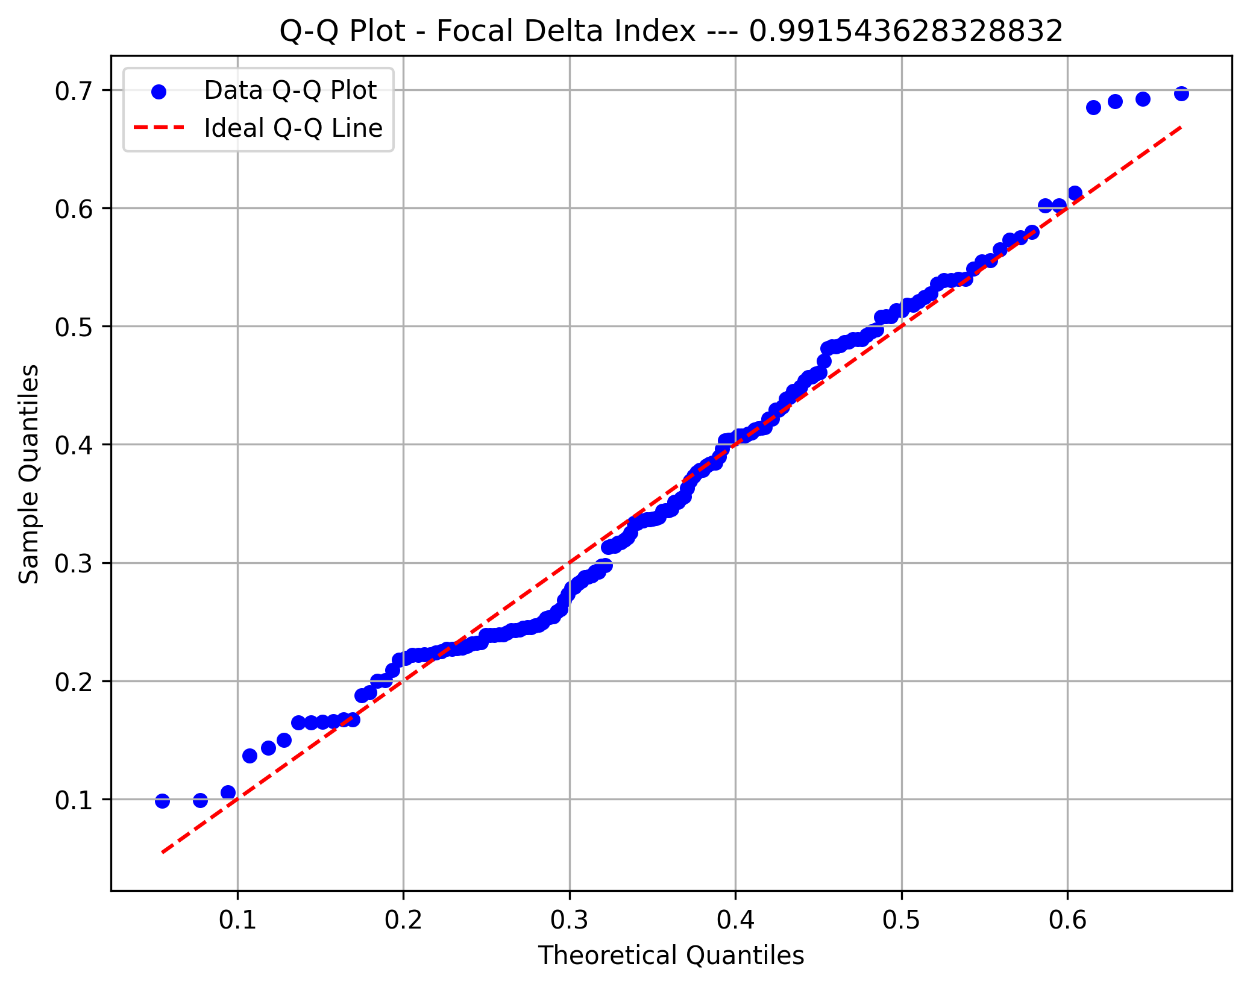

Focal Theta Amplitude

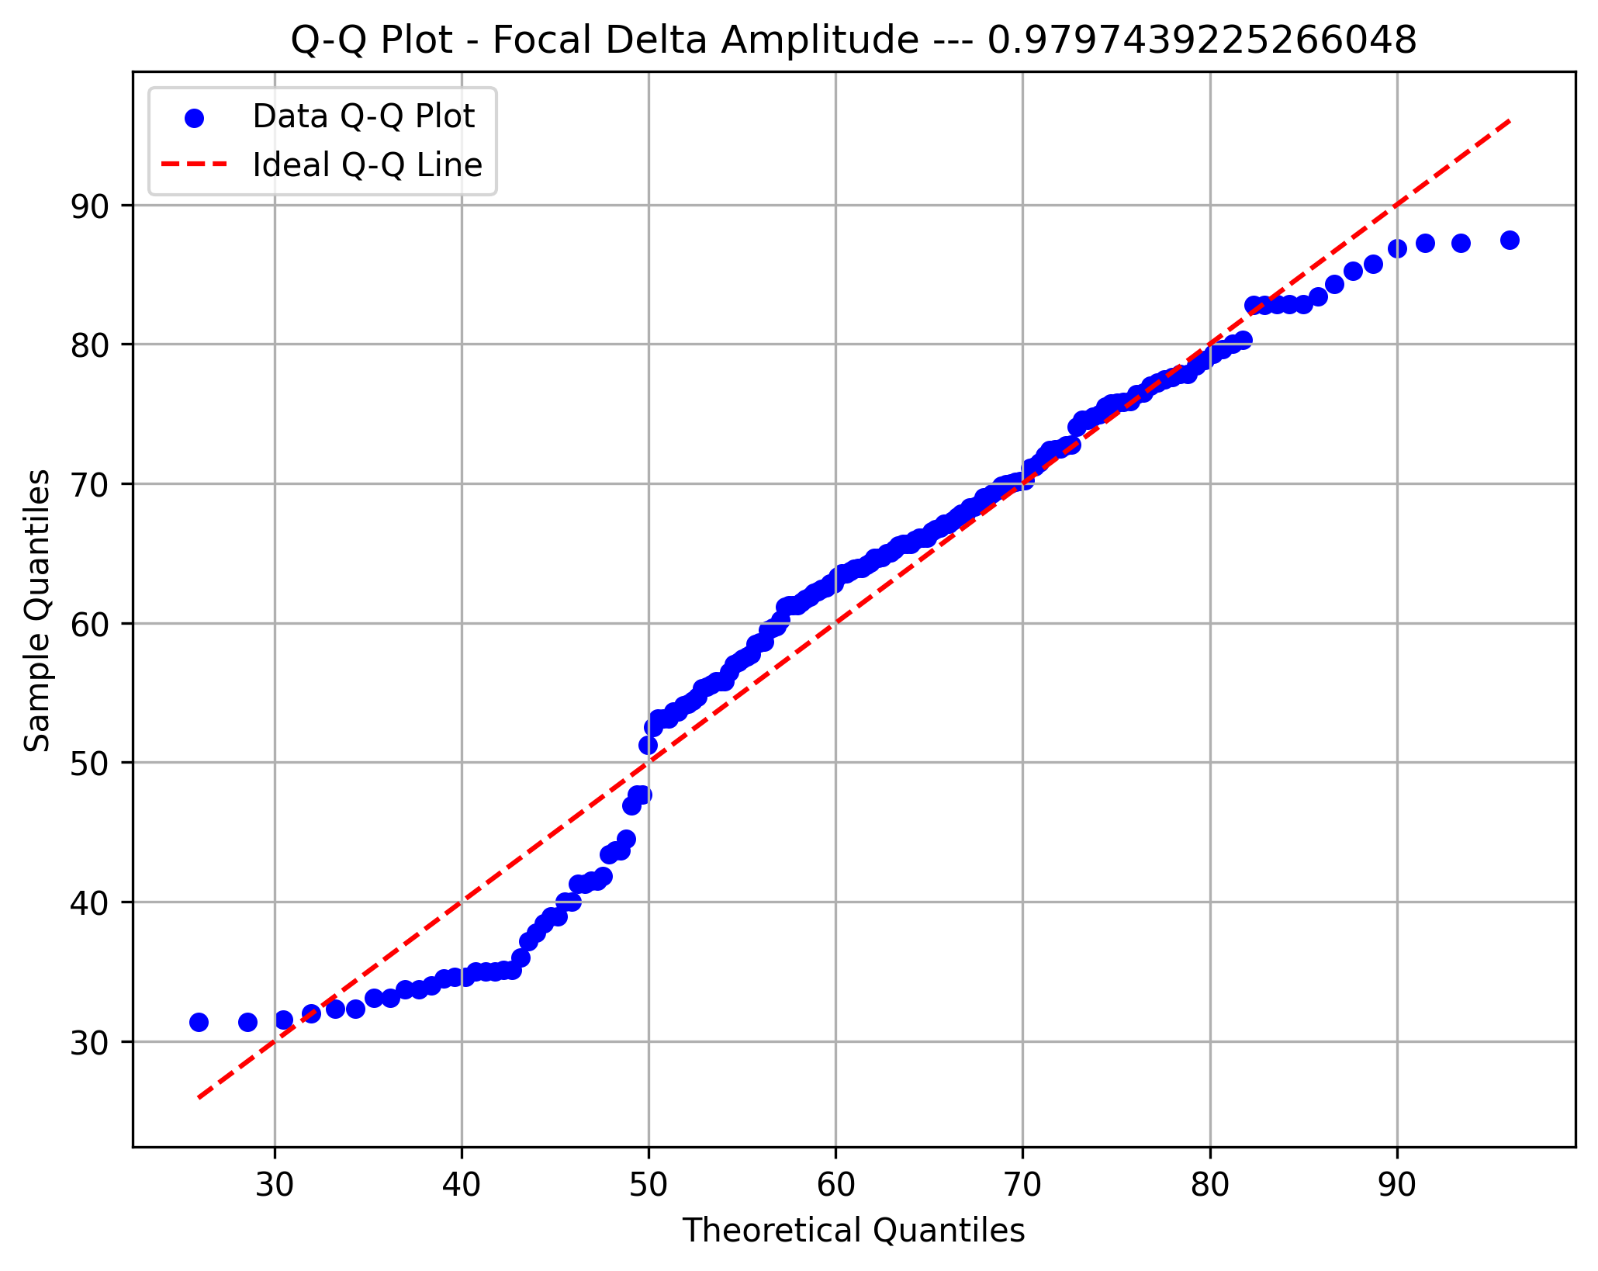

Focal HiBeta Ind.

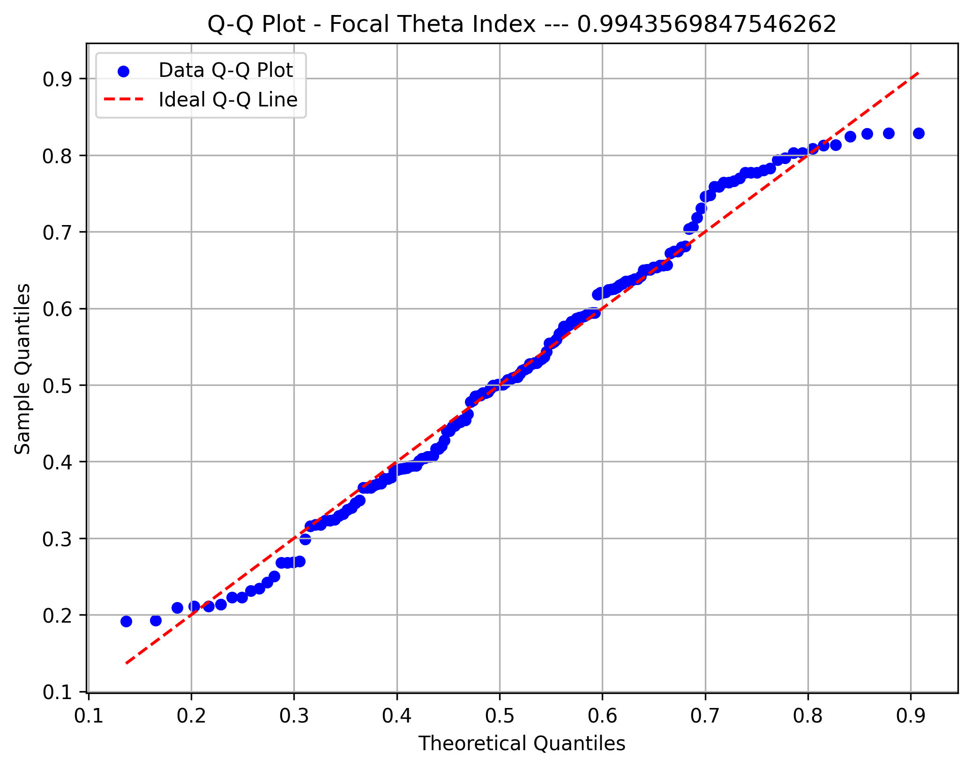

Focal HiBeta Amp.

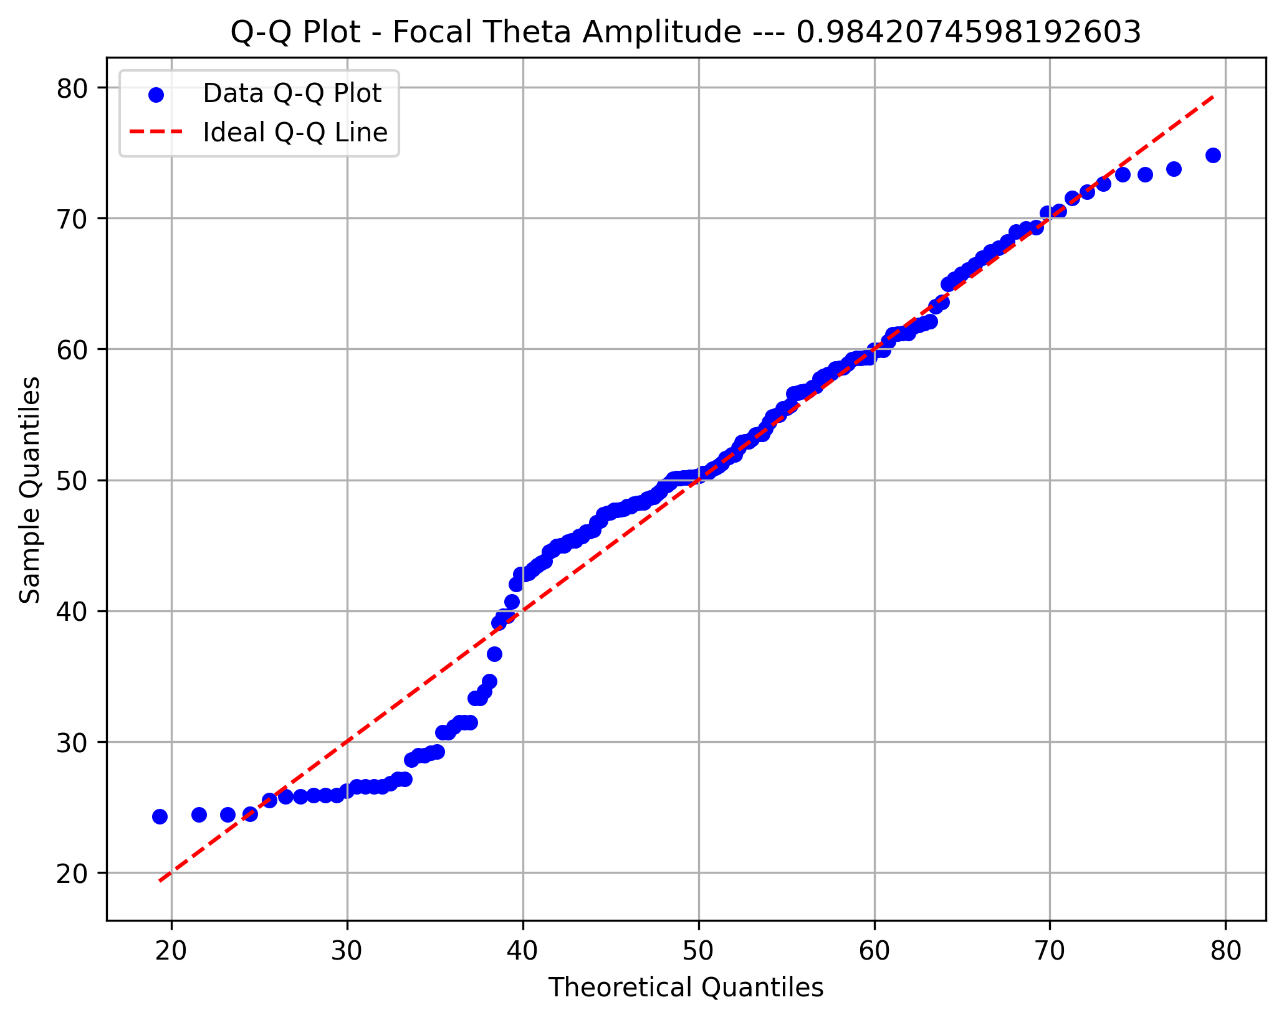

Focal Beta Ind.

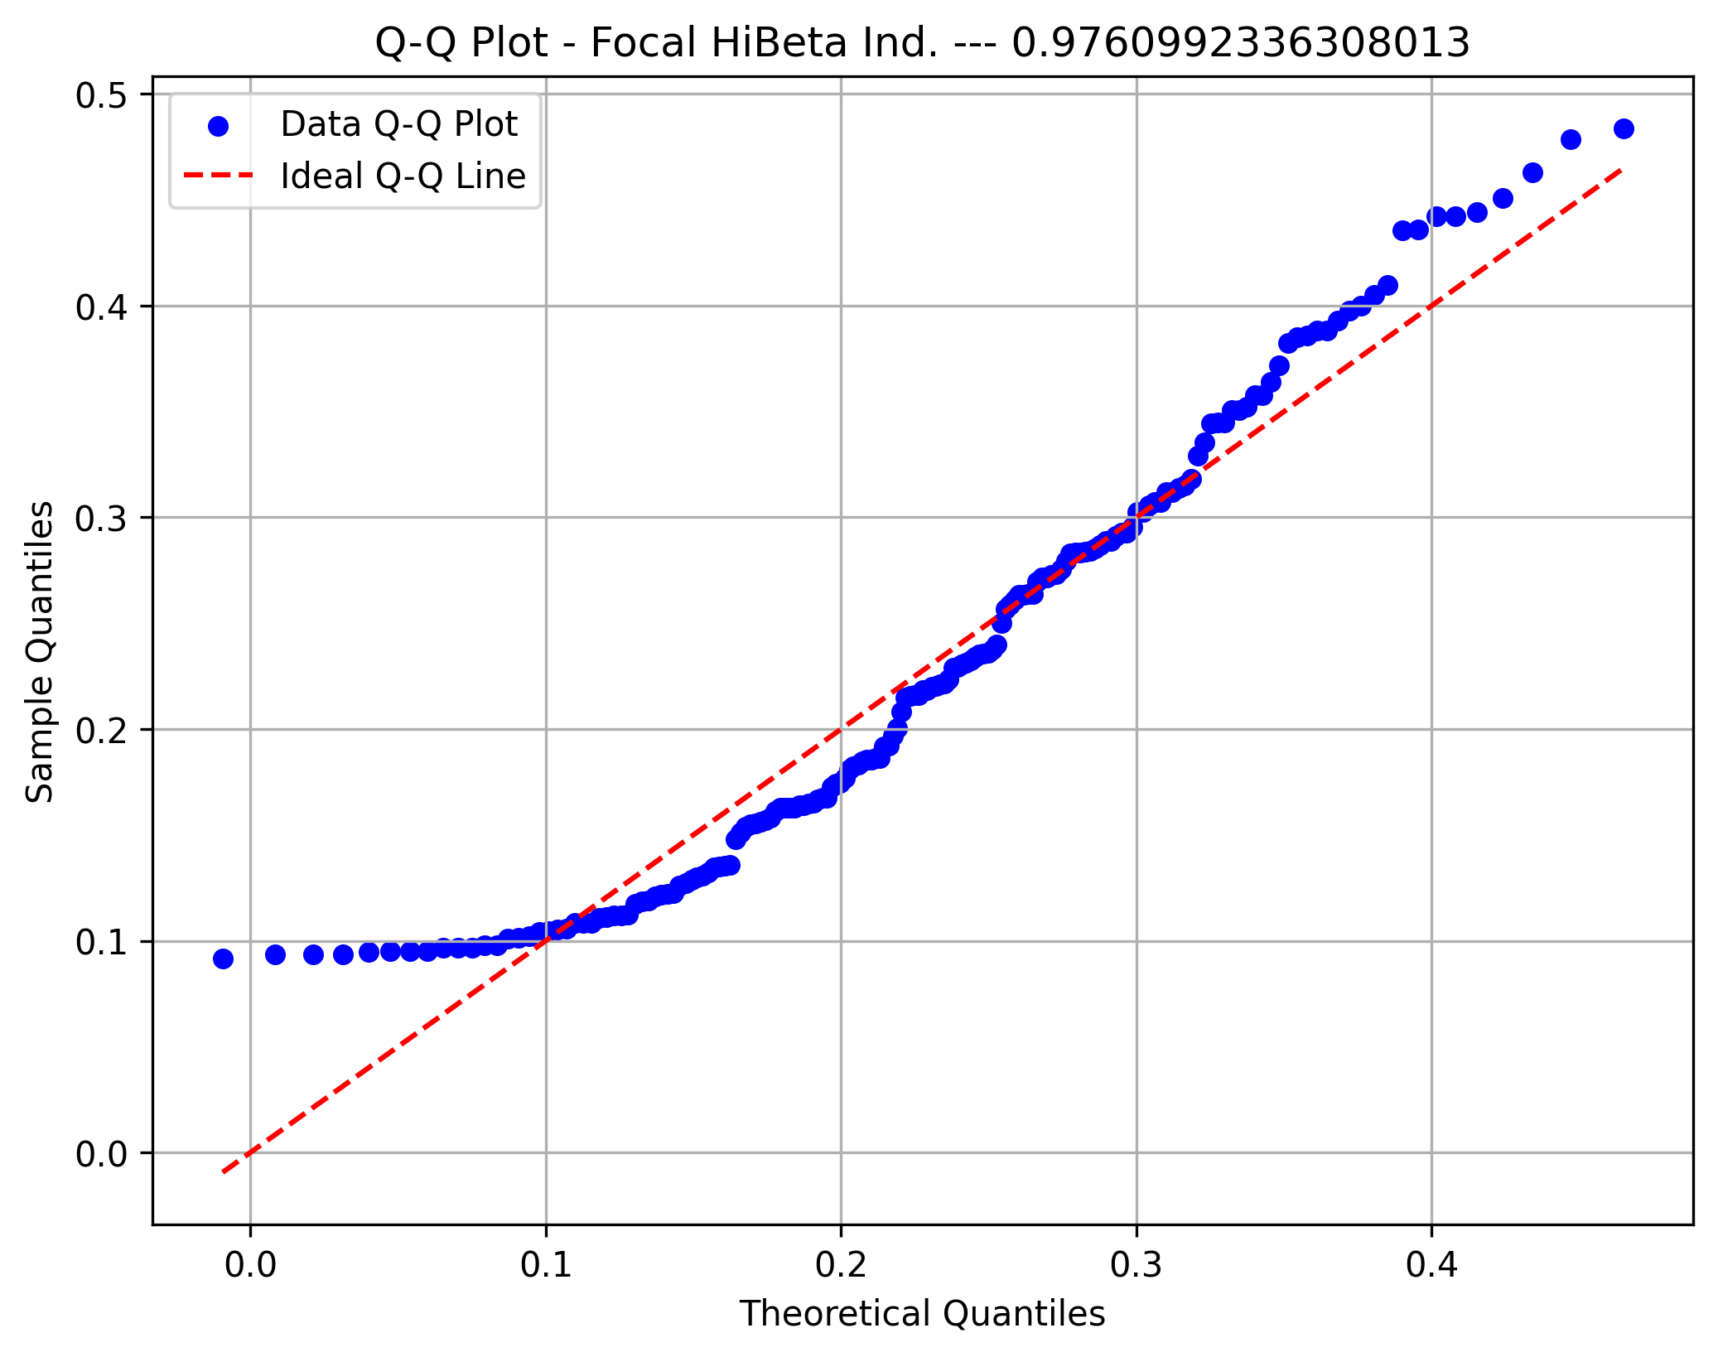

Focal Beta Amp.

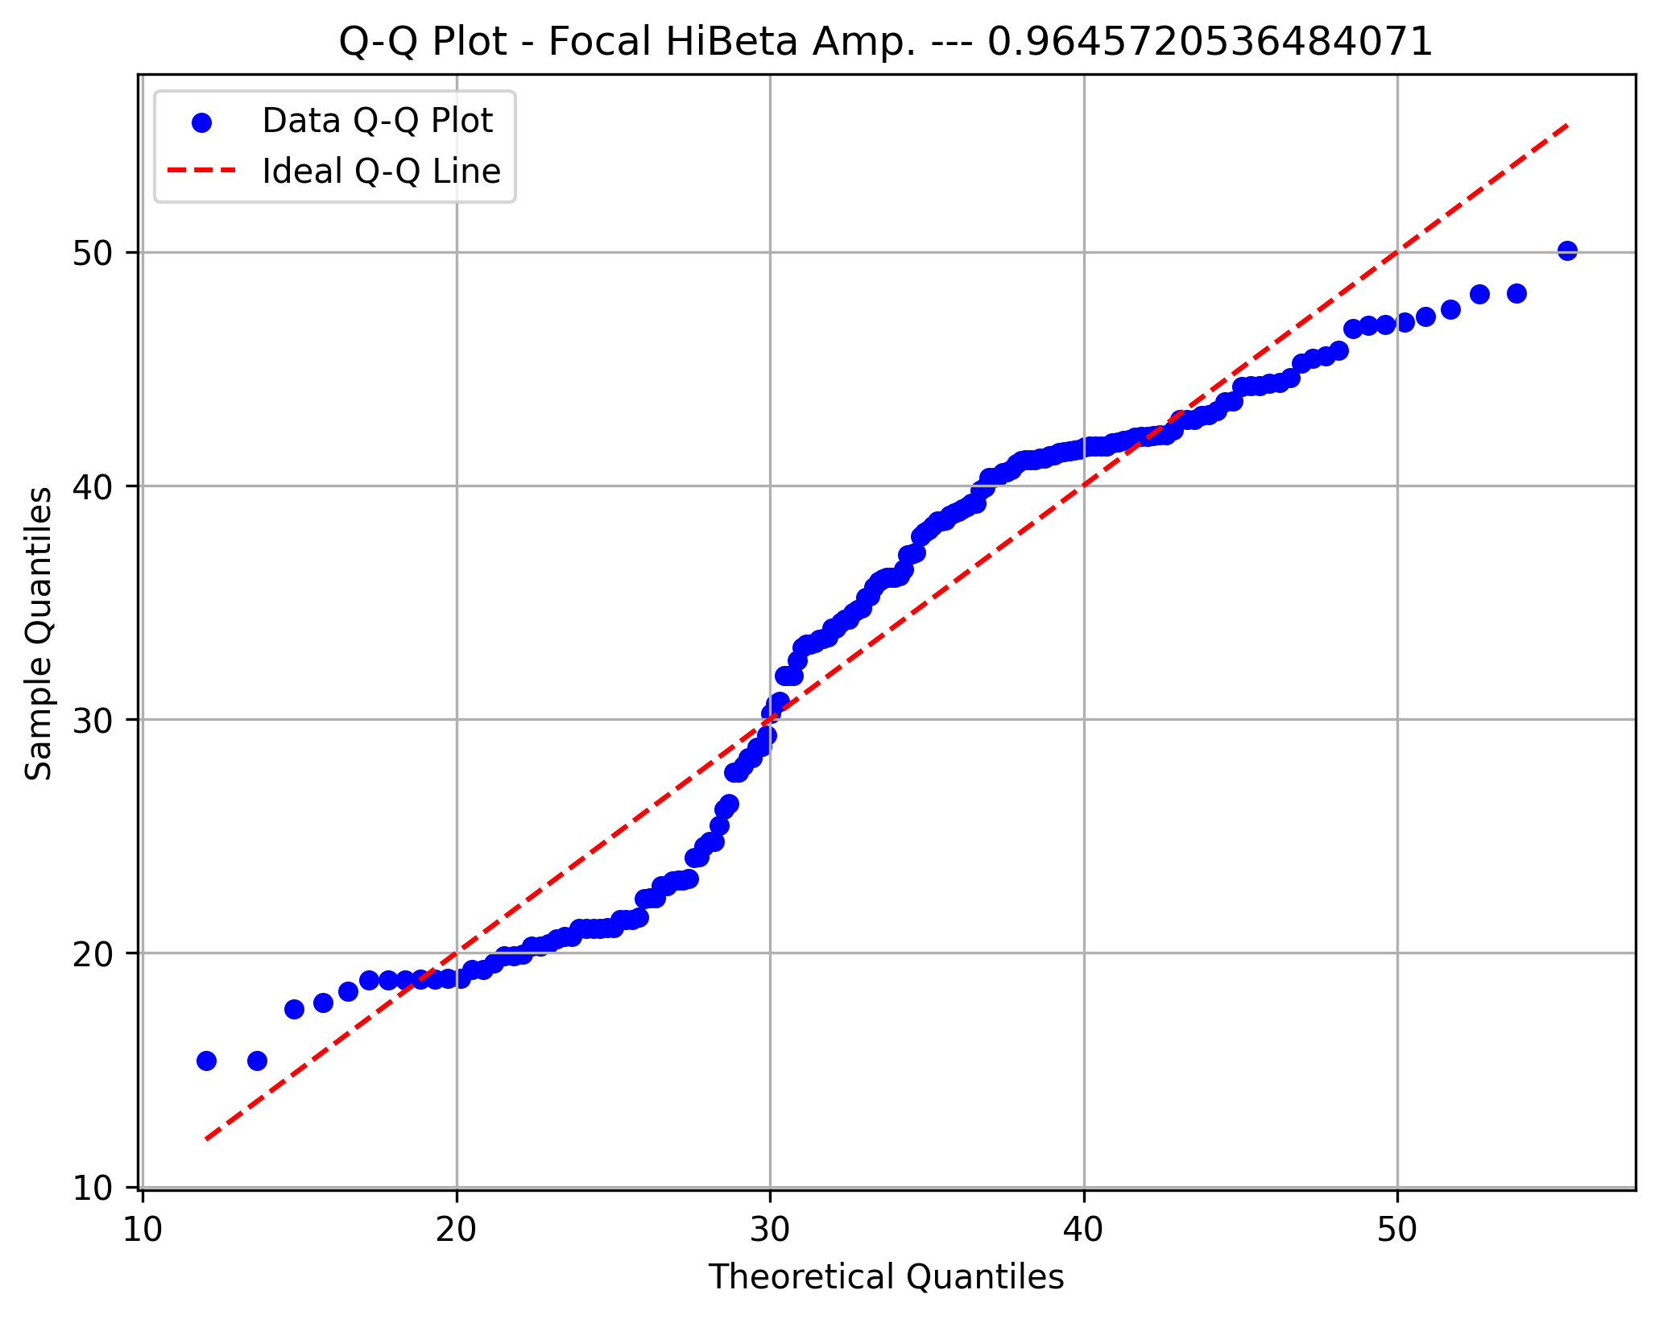

Frontal Delta

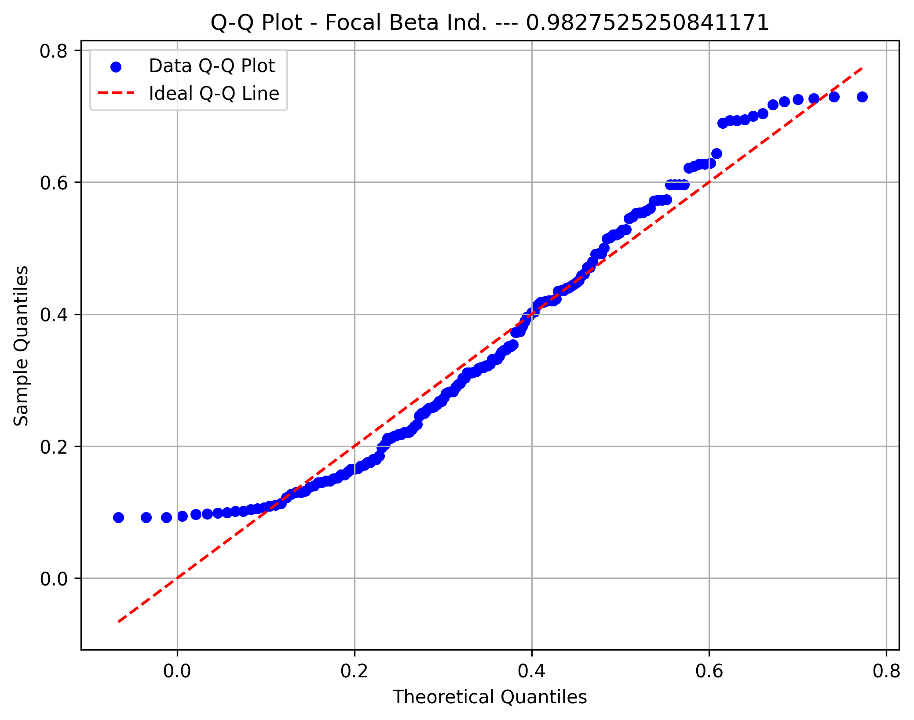

Frontal Theta

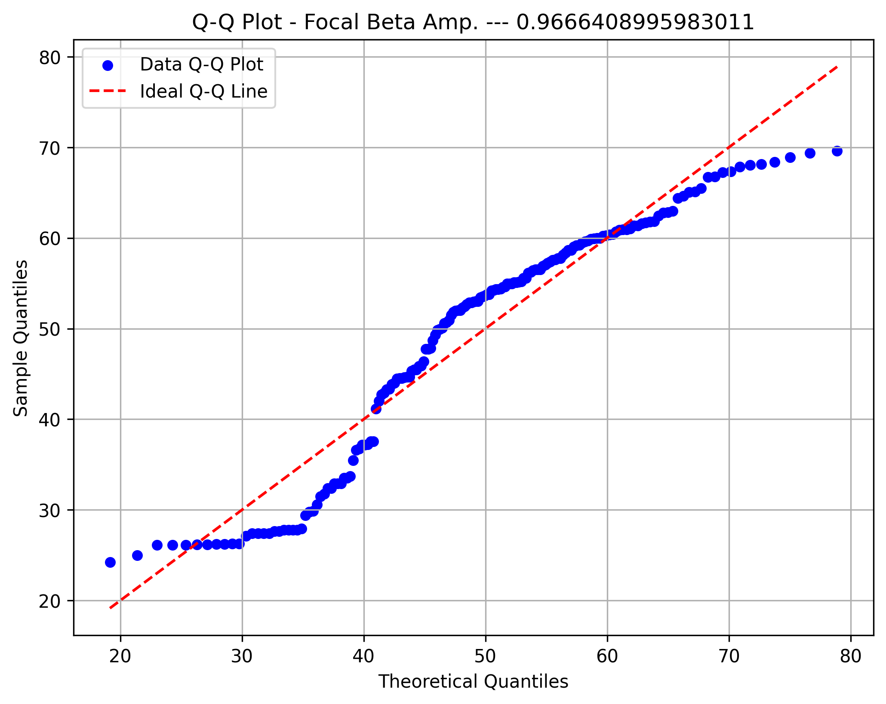

Frontal Gamma

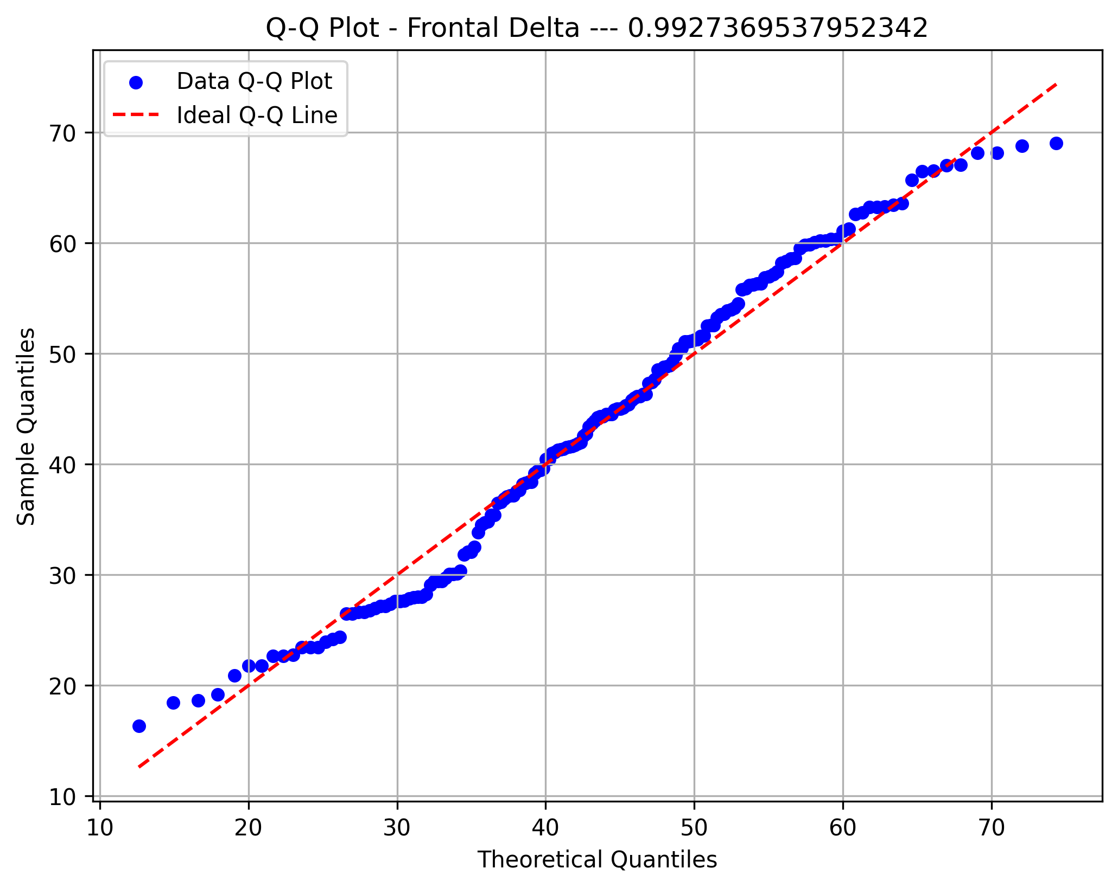
Front Gamma Asym

Diffuse Delta
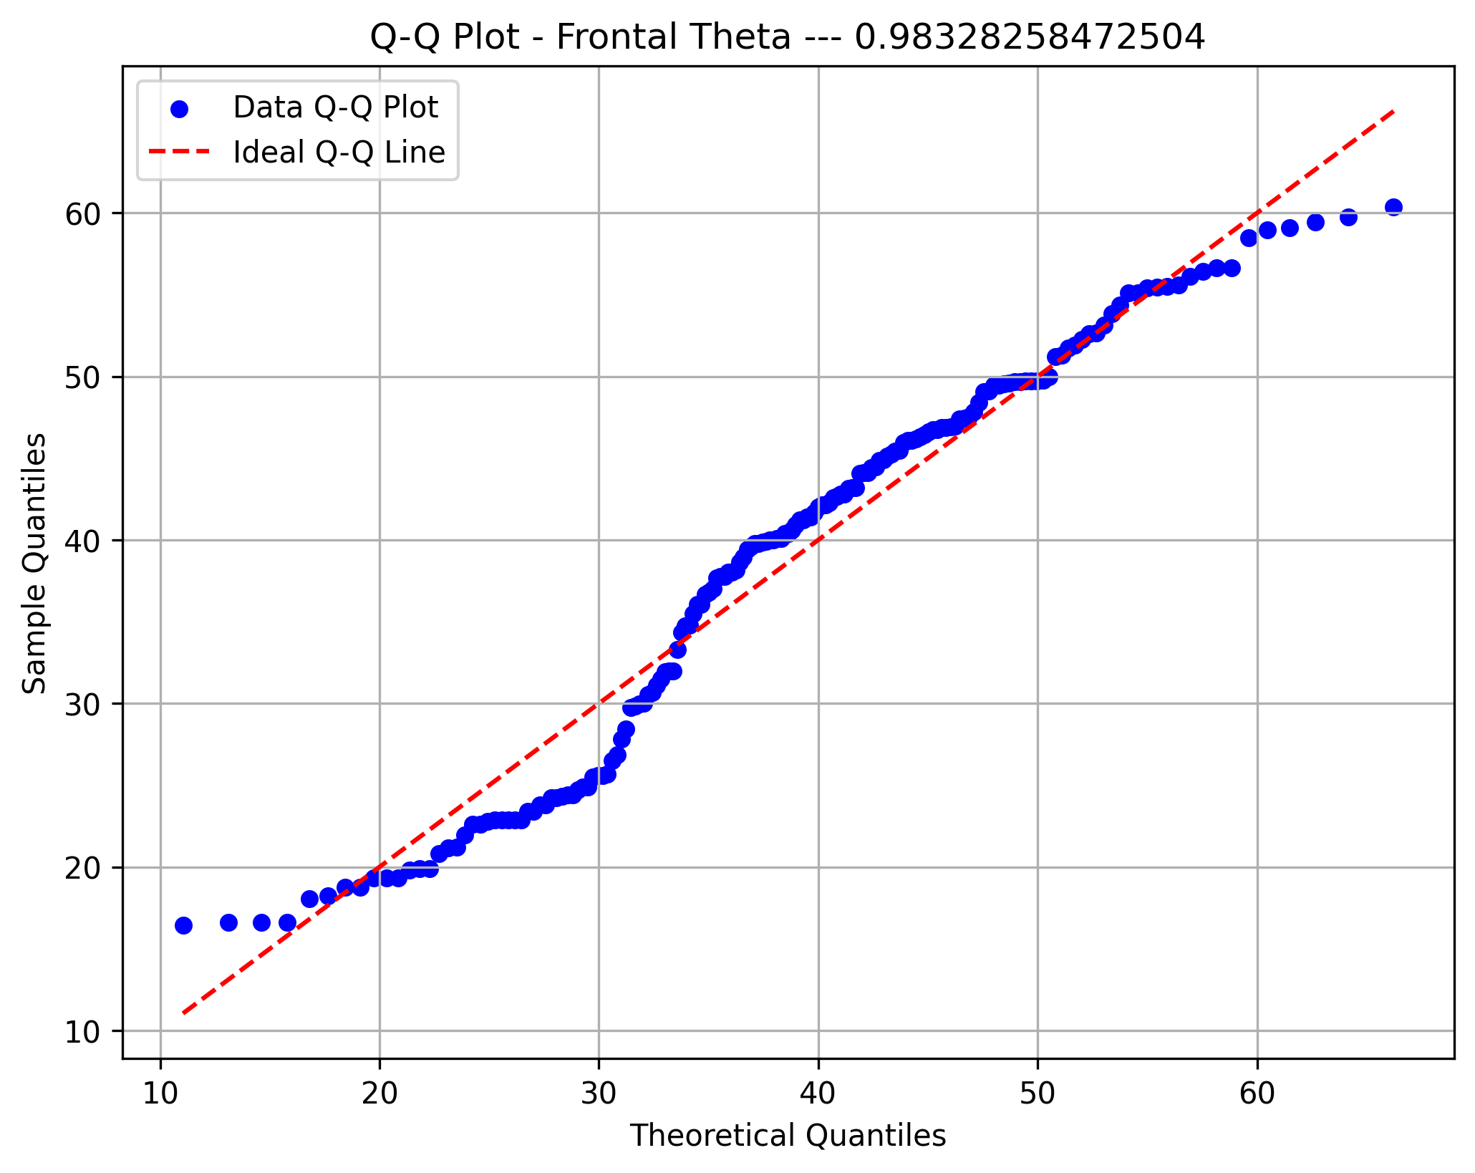

Diffuse Theta
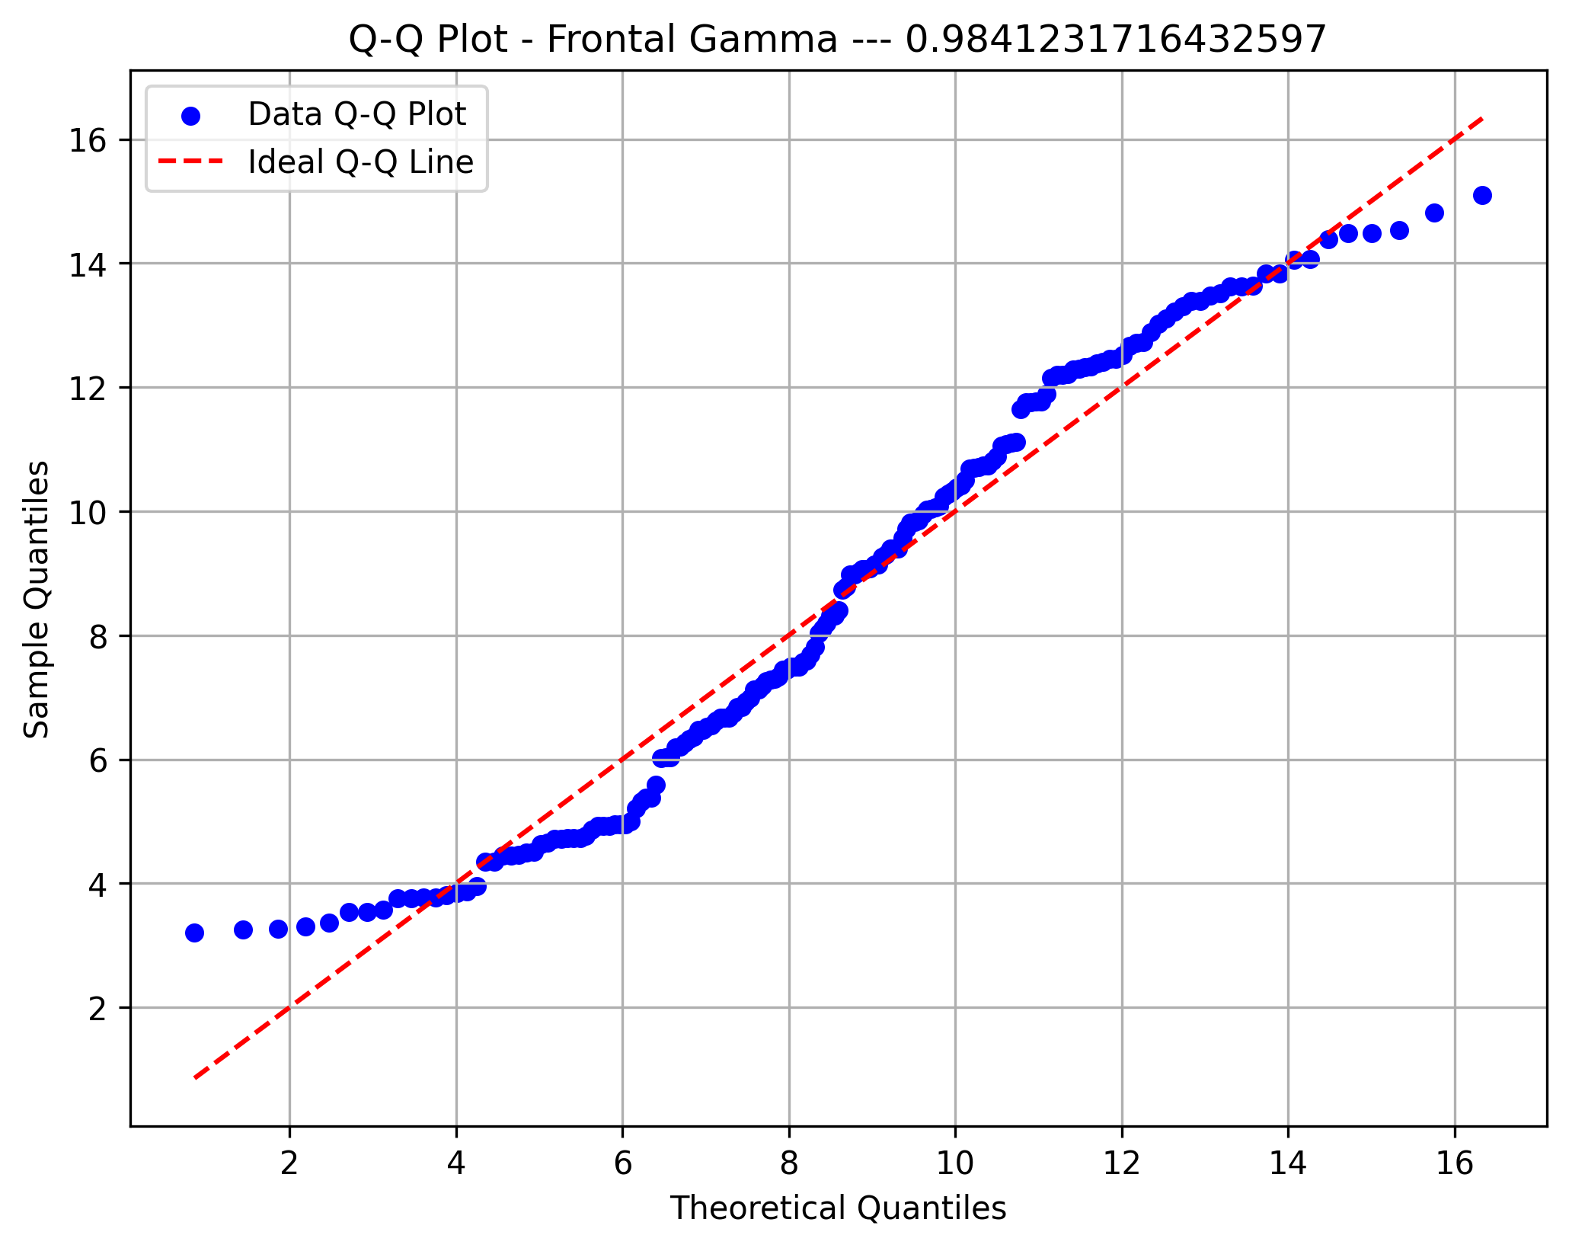

Diffuse HiBeta

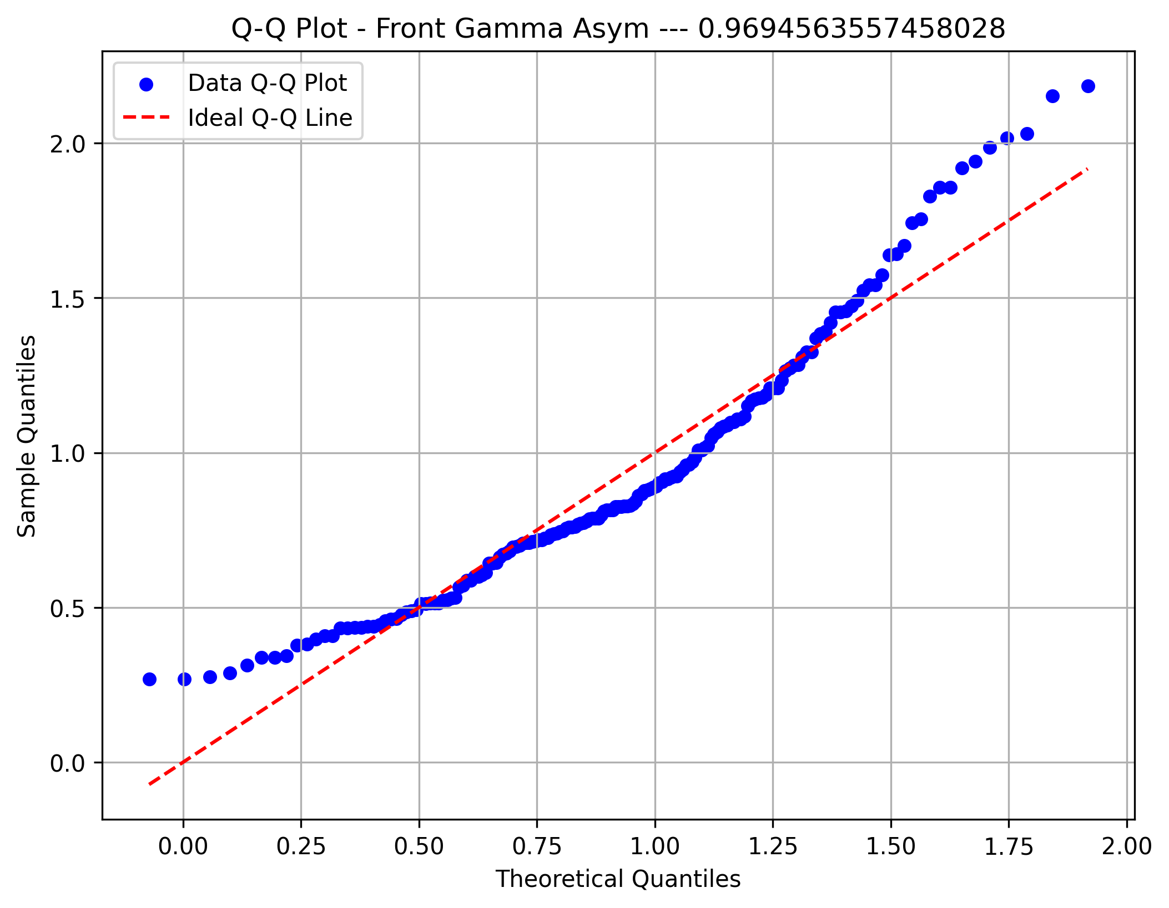

Diffuse Beta

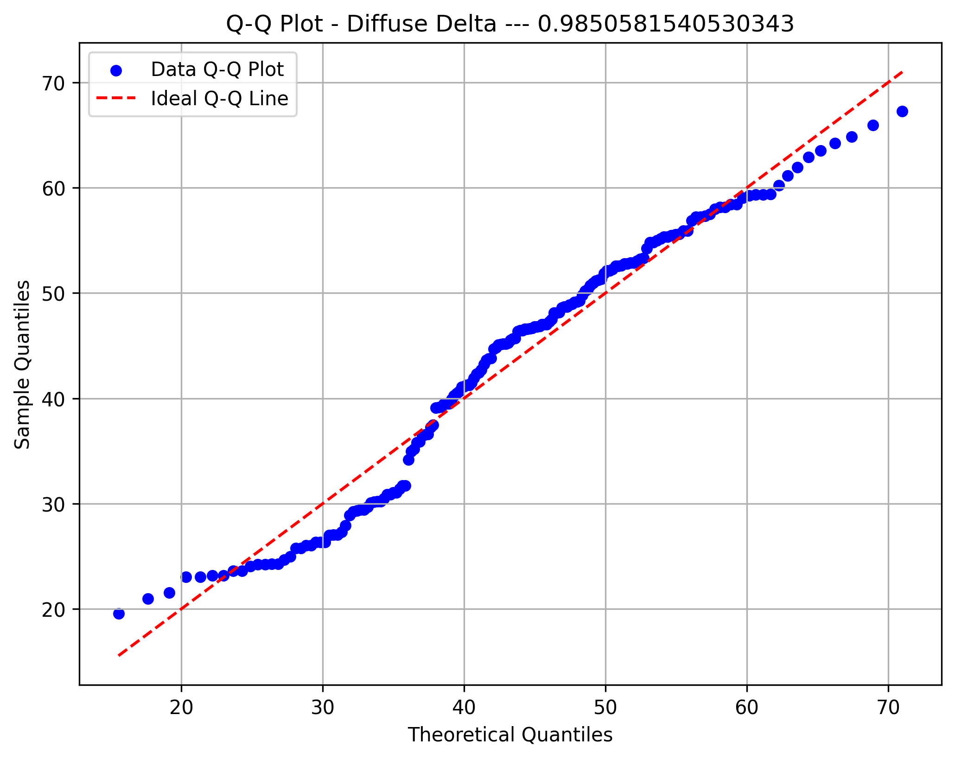

Diffuse Gamma

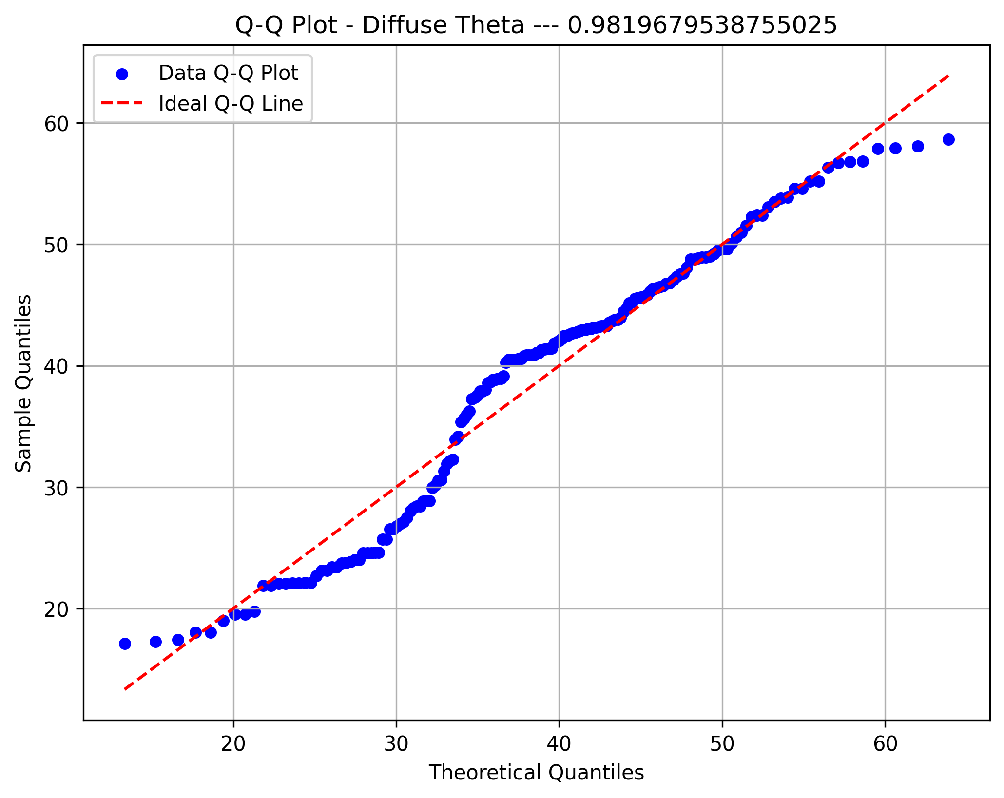

60hz Diffuse

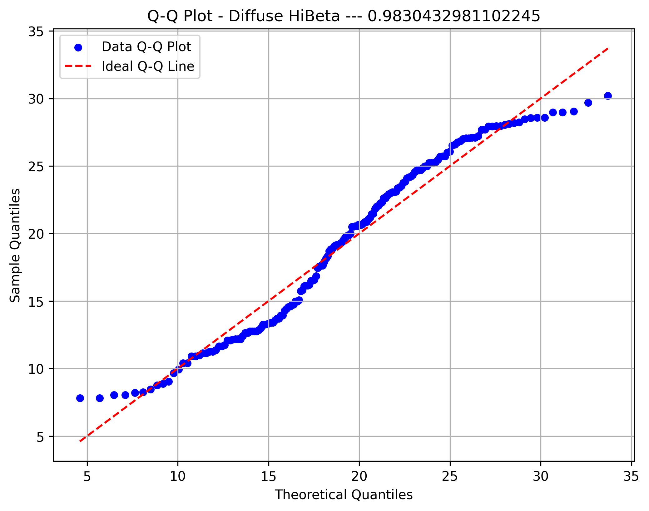

Fractal Dimension



PDR Moment 1

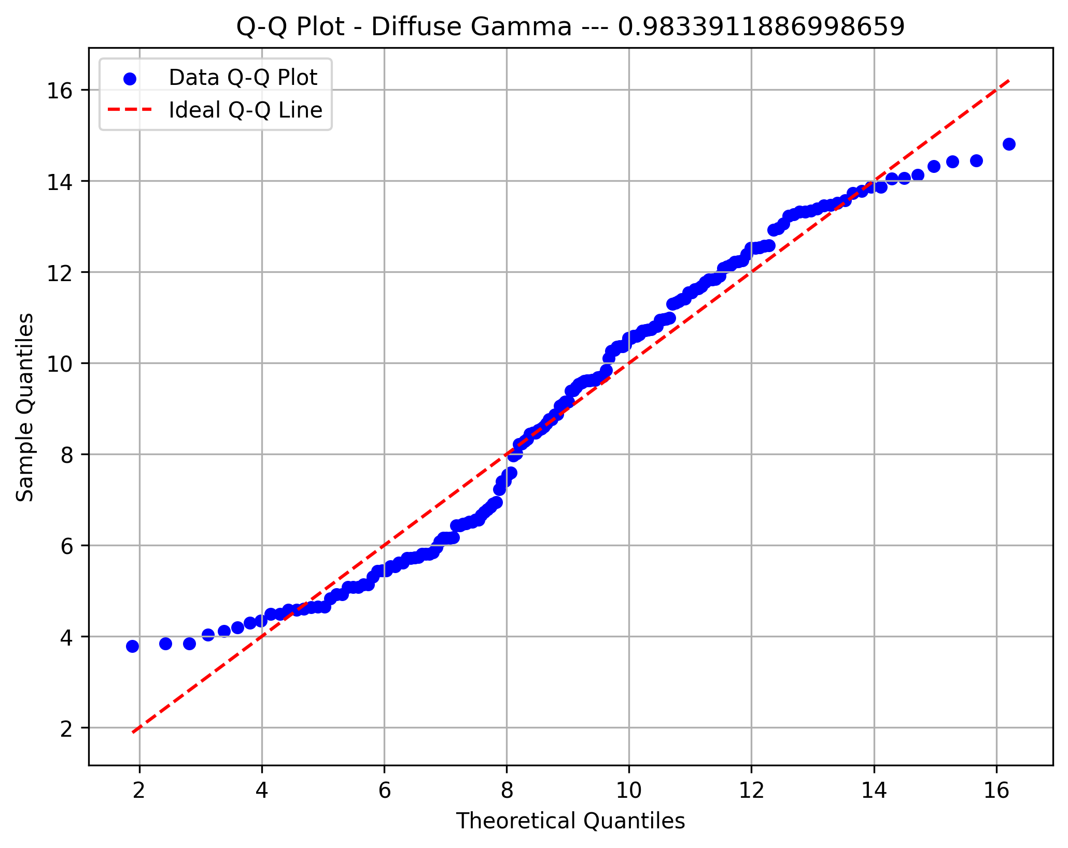

PDR Moment 2

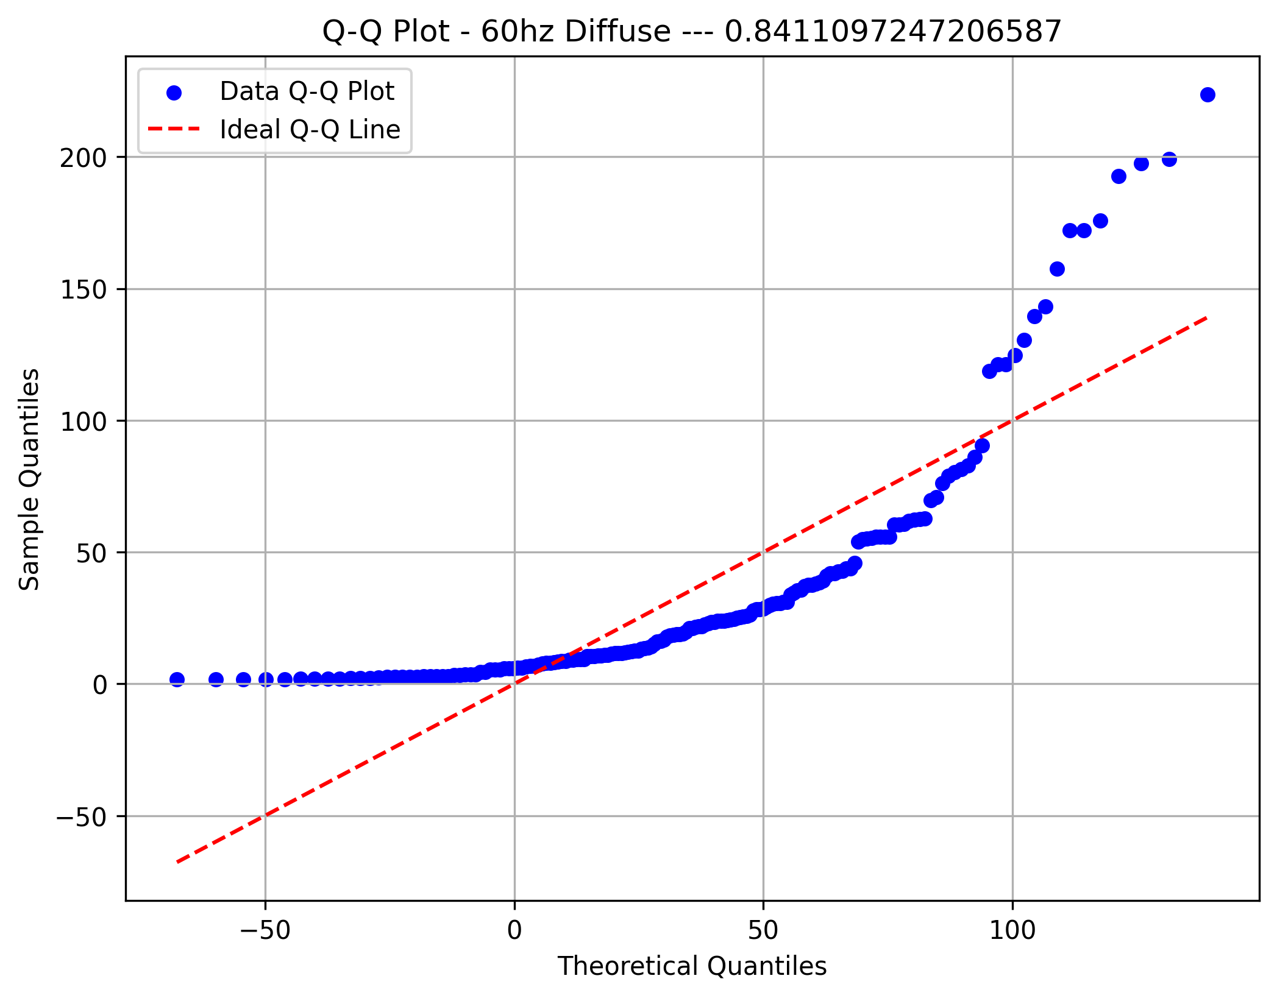

PDR Moment 3

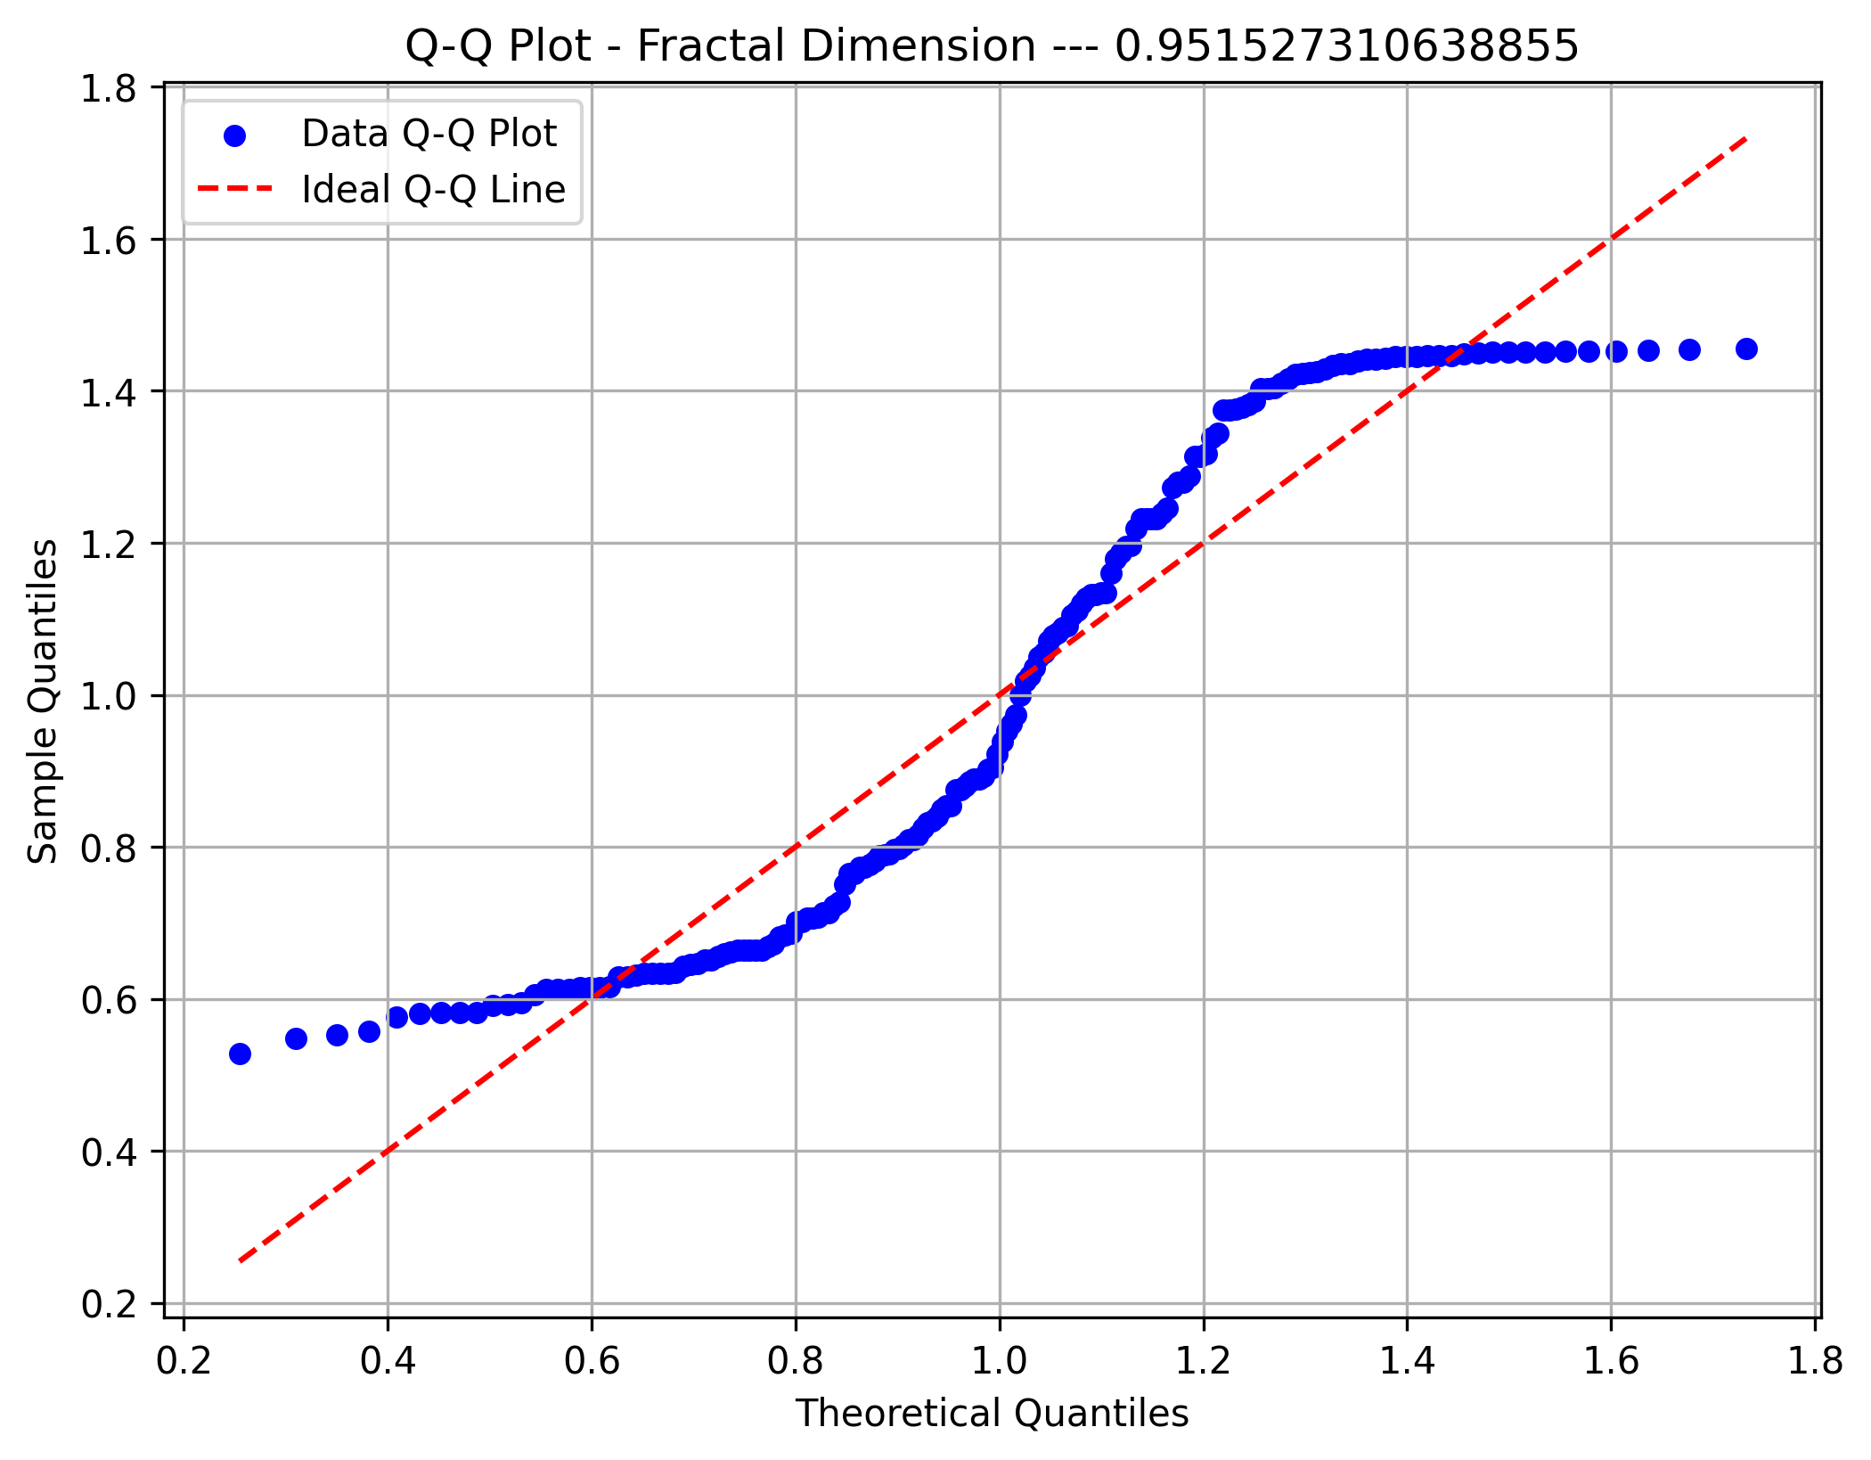
Beta Moment 1

Beta Moment 2


Beta Moment 3


Theta Moment 1

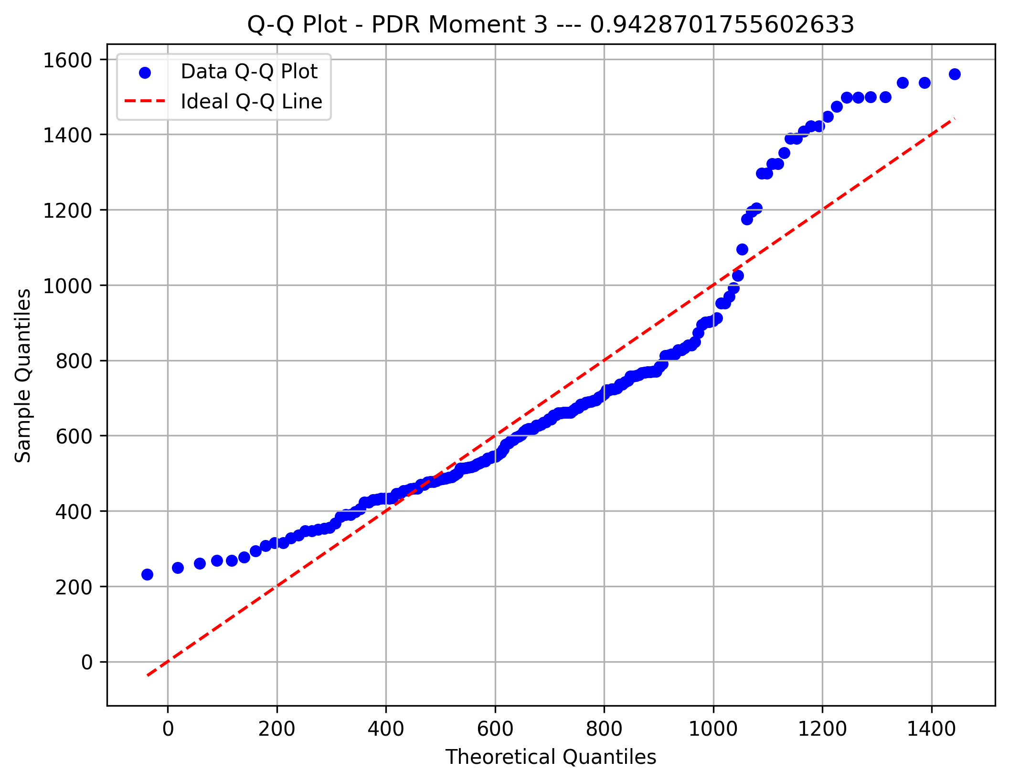

Theta Moment 2



Theta Moment 3

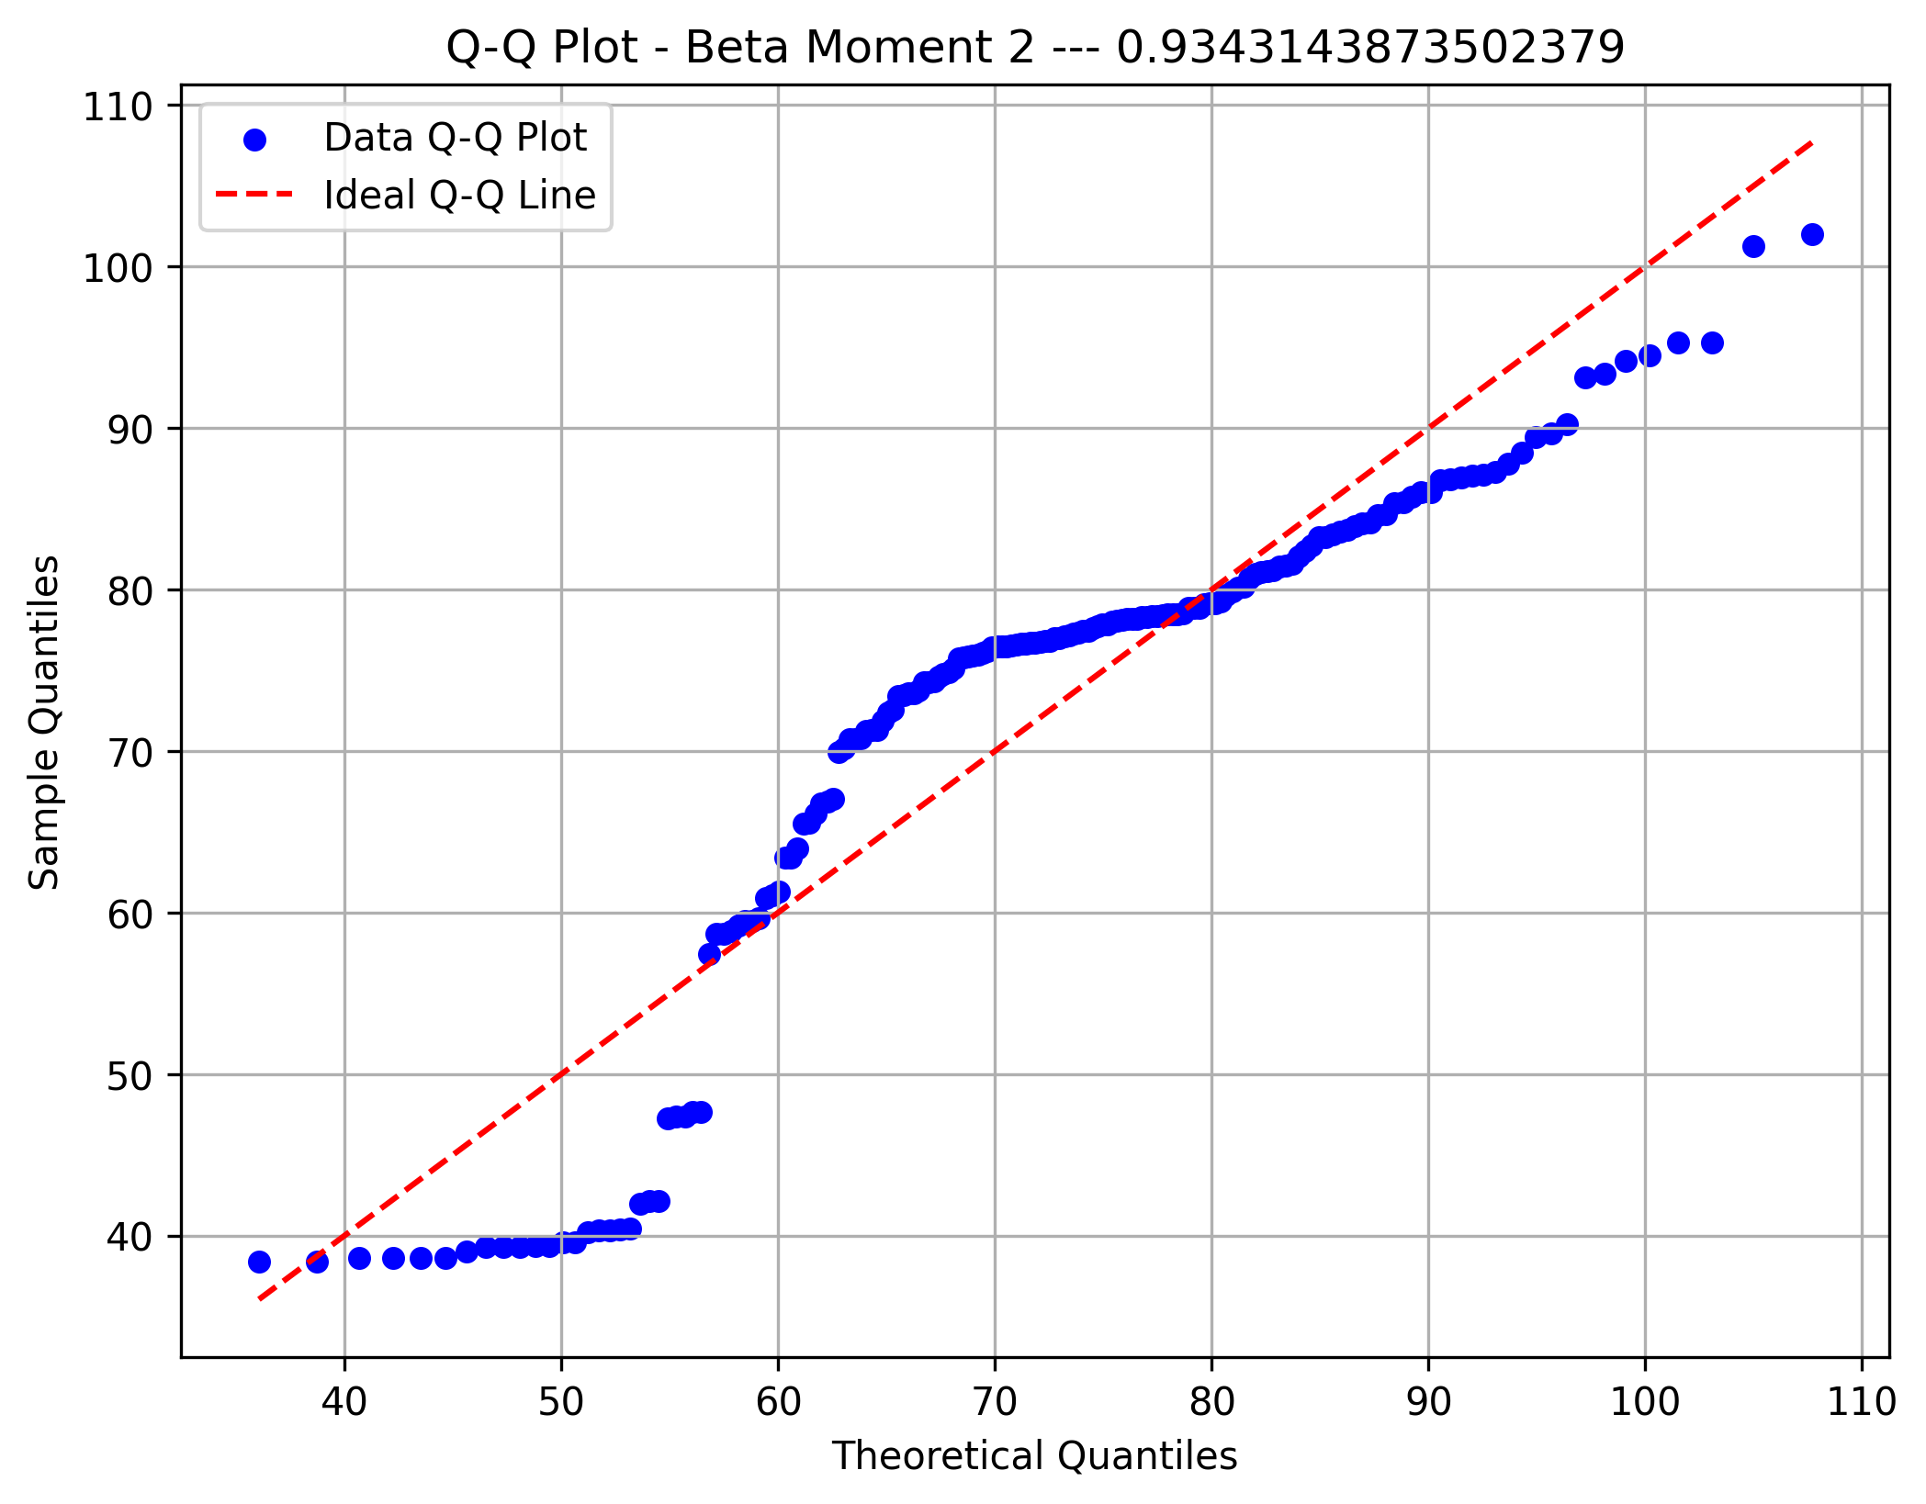

Delta Moment 1



Delta Moment 2

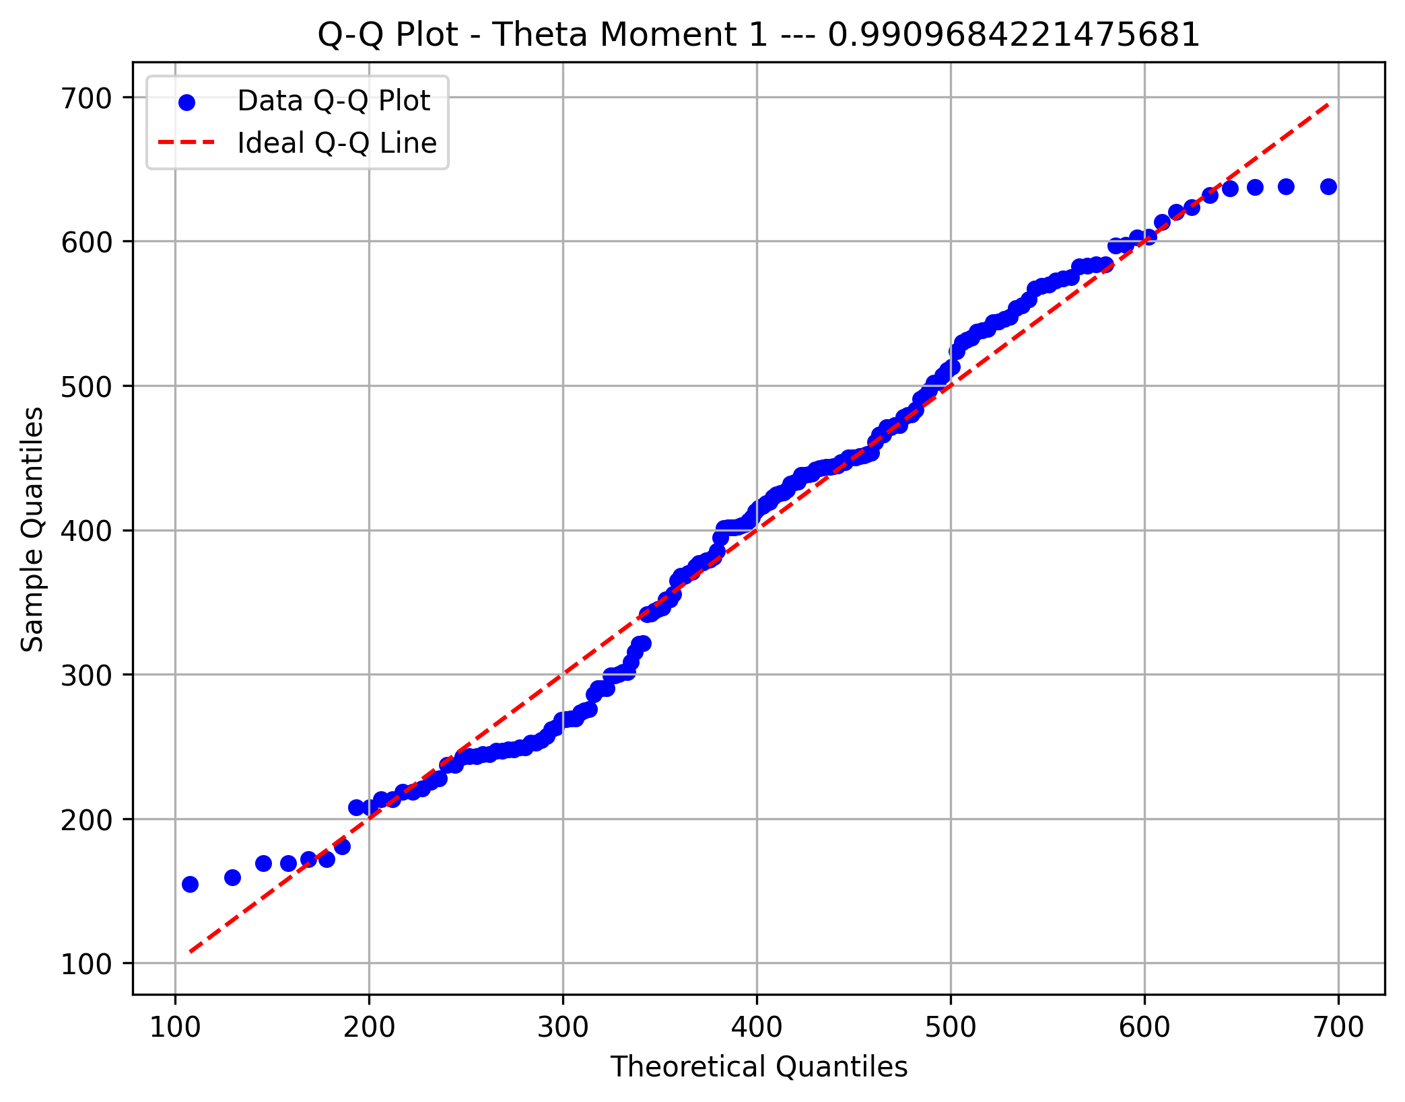

Delta Moment 3

