ShotChart
Ambush v. Comets | 11.28.2025
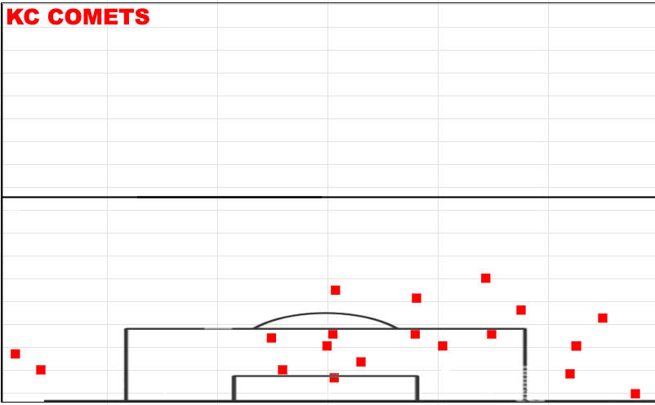
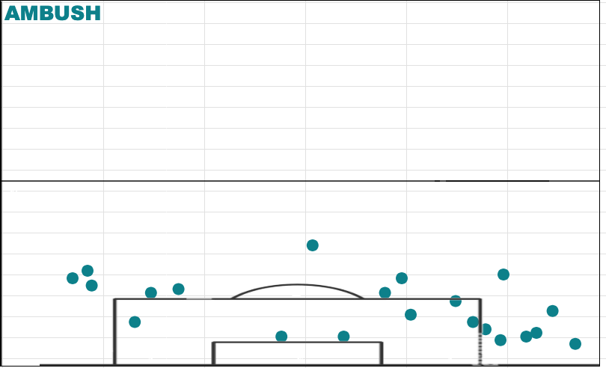

Ambush v. Wave | 12.14.2025
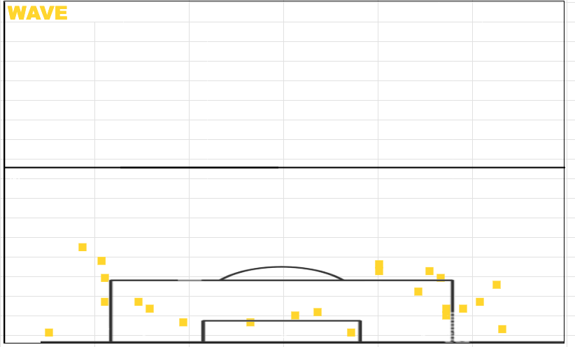
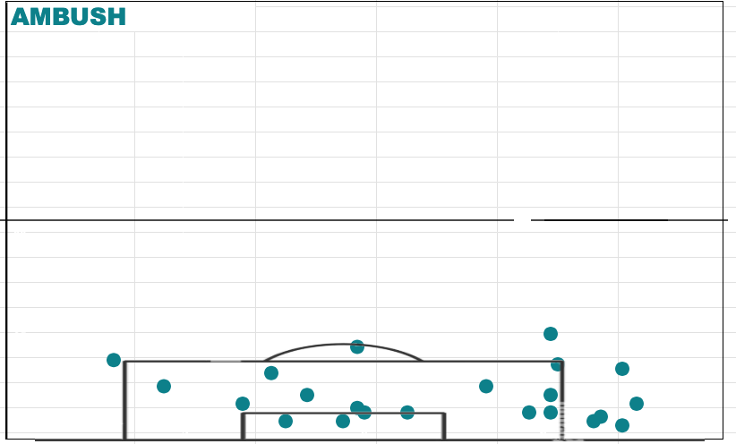

Ambush v. Comets | 12.21.25
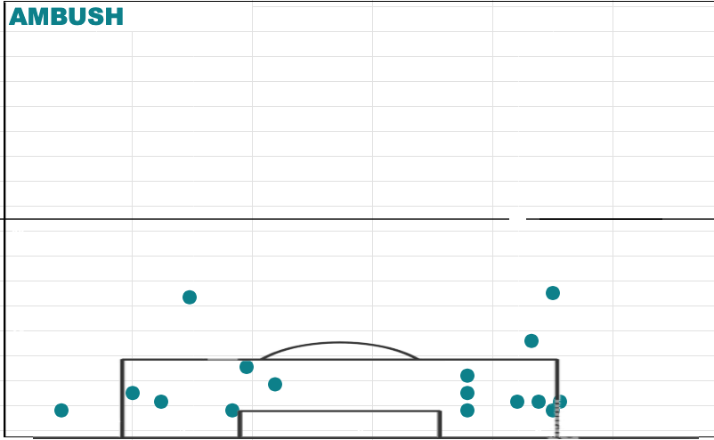
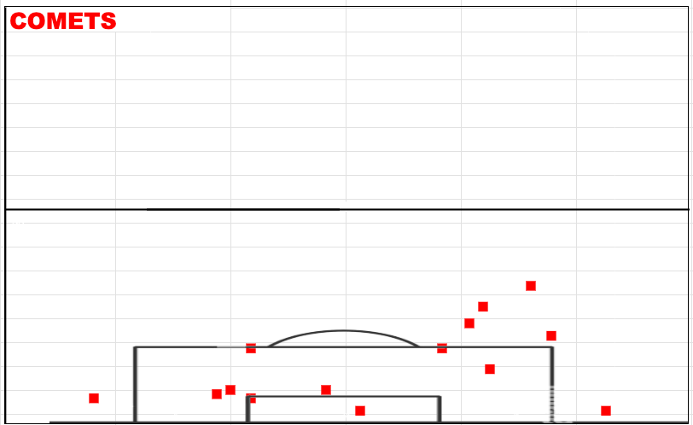

Ambush v. Comets | 12.31.25 | Didn't calculate it to the best degree. Focused on other things. No real pattern.
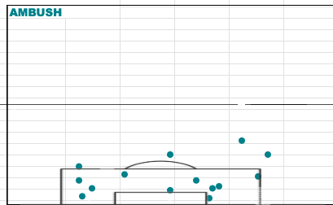
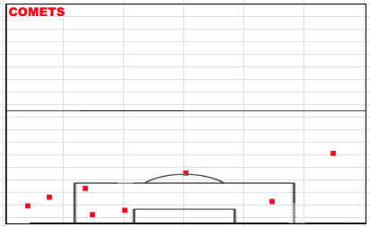

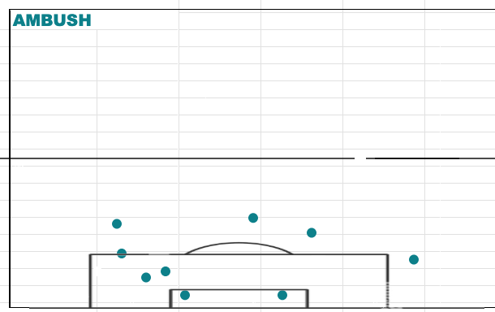
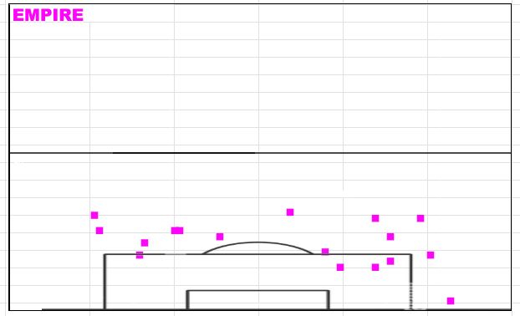

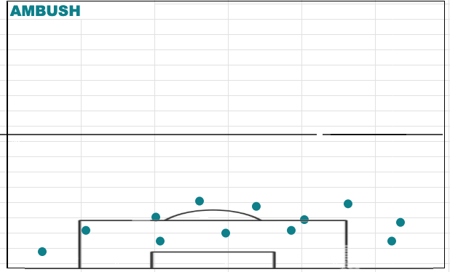
Ambush v. Wave | 1.24.26
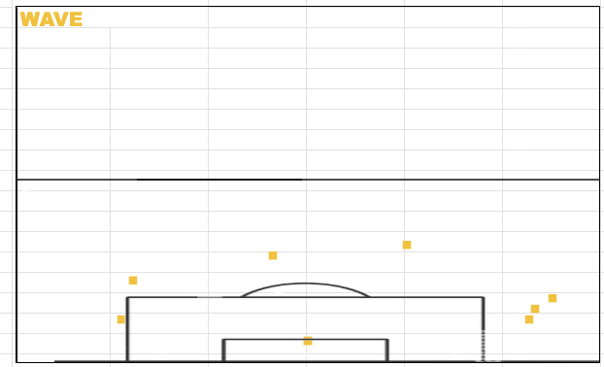

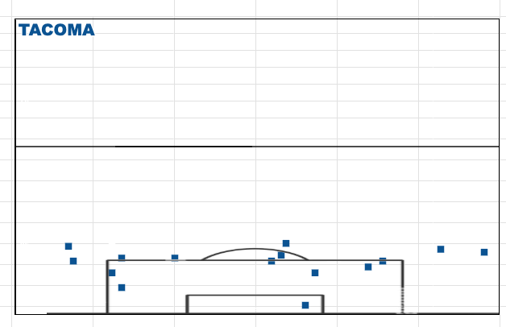
Ambush v. Tacoma | 2.7.26
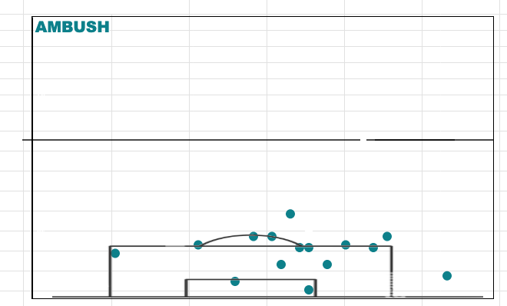

Ambush v. Blast | 3.1.26

Hudl Assist Data
Date | Team | GOALS | ASSISTS | SHOTS | SHOTS ON TARGET | SHOTS OFF TARGET | SHOTS SAVED | SHOTS BLOCKED BY OPPONENT | CROSSES | PASSES | SUCCESSFUL PASSES | UNSUCCESSFUL PASSES | SHOT BLOCKS | SAVES | GK THROWS | FOULS | PASSES PER ATTACK AVG. | PASS STRINGS OF 0 | ATTACKS STARTING FROM DEF THIRD | ATTACKS STARTING FROM MID THIRD | ATTACKS STARTING FROM FINAL THIRD | ATTACKS ENDING IN DEF THIRD | ATTACKS ENDING IN MID THIRD | ATTACKS ENDING IN FINAL THIRD | ATTK OUTCOME - ENDS IN TRANSITION TO DEF | ATTK OUTCOME - SHOTS | ATTK OUTCOME - FOULS | ATTK OUTCOME - BALL OUT | ATTK OUTCOME - GK PICKUP
11/28/2025 | Saint Louis Ambush | 3 | 3 | 39 | 38.00% | 41.00% | 31.00% | 21.00% | 9 | 397 | 85.00% | 15.00% | 5 | 9 | 19 | 17 | 3.1 | 47 | 31% | 47% | 22% | 14% | 44% | 42% | 48% | 29% | 13% | 9% | 1%
11/28/2025 | KC Comets | 7 | 4 | 38 | 39.00% | 47.00% | 24.00% | 13.00% | 10 | 288 | 82.00% | 18.00% | 8 | 12 | 15 | 18 | 2.2 | 45 | 41% | 36% | 23% | 25% | 33% | 42% | 42% | 28% | 12% | 15% | 1%
11/29/2025 | Saint Louis Ambush | 3 | 1 | 44 | 23.00% | 27.00% | 18.00% | 50.00% | 8 | 446 | 85.00% | 15.00% | 3 | 5 | 11 | 12 | 3.7 | 29 | 27% | 56% | 17% | 10% | 49% | 41% | 43% | 33% | 9% | 6% | 1% | Date | Metric
11/29/2025 | KC Comets | 8 | 8 | 24 | 54.00% | 33.00% | 21.00% | 13.00% | 5 | 301 | 78.00% | 24.00% | 22 | 8 | 7 | 16 | 3.1 | 33 | 36% | 57% | 7% | 28% | 35% | 37% | 51% | 22% | 12% | 10% | 1% | 11/28/2025 | 1%
12/15/2025 | Saint Louis Ambush | 7 | 3 | 34 | 47.00% | 32.00% | 26.00% | 21.00% | 16 | 335 | 84.00% | 16.00% | 6 | 15 | 12 | 17 | 3.2 | 27 | 28% | 53% | 19% | 16% | 38% | 46% | 47% | 29% | 14% | 5% | 3% | 11/29/2025 | 1%
12/15/2025 | Milwaukee Wave | 6 | 3 | 33 | 64.00% | 18.00% | 45.00% | 18.00% | 12 | 539 | 89.00% | 11.00% | 7 | 9 | 19 | 12 | 5.1 | 26 | 37% | 43% | 20% | 18% | 37% | 45% | 51% | 28% | 9% | 6% | 4% | 12/15/2025 | 3%
12/19/2025 | Saint Louis Ambush | 5 | 3 | 29 | 38.00% | 41.00% | 21.00% | 21.00% | 6 | 187 | 79.00% | 21.00% | 11 | 19 | 11 | 23 | 2 | 43 | 33% | 39% | 28% | 28% | 30% | 42% | 38% | 28% | 21% | 8% | 3% | 12/19/2025 | 3%
12/19/2025 | Milwaukee Wave | 4 | 0 | 60 | 38.00% | 43.00% | 32.00% | 18.00% | 6 | 585 | 94.00% | 6.00% | 6 | 6 | 10 | 17 | 5.1 | 45 | 20% | 40% | 40% | 13% | 27% | 60% | 32% | 46% | 13% | 8% | 1% | 12/21/2025 | 2%
12/21/2025 | Saint Louis Ambush | 2 | 0 | 50 | 32.00% | 42.00% | 28.00% | 26.00% | 14 | 453 | 88.00% | 12.00% | 7 | 15 | 12 | 18 | 3 | 43 | 39% | 42% | 19% | 24% | 32% | 44% | 46% | 30% | 11% | 8% | 2% | 12/27/2025 | 2%
12/21/2025 | Kansas City Comets | 2 | 2 | 38 | 47.00% | 34.00% | 39.00% | 18.00% | 5 | 434 | 85.00% | 15.00% | 13 | 14 | 26 | 22 | 2.9 | 47 | 47% | 28% | 25% | 23% | 36% | 41% | 48% | 23% | 14% | 9% | 1% | 12/31/2025 | 2%
12/27/2025 | Saint Louis Ambush | 6 | 3 | 18 | 56.00% | 44.00% | 22.00% | 0.00% | 2 | 333 | 80.00% | 20.00% | 3 | 14 | 10 | 12 | 2.9 | 31 | 36% | 44% | 20% | 19% | 46% | 35% | 56% | 15% | 10% | 11% | 2% | 1/4/2026 | 2.00%
12/27/2025 | Kansas City Comets | 9 | 6 | 37 | 62% | 30% | 38% | 8% | 0 | 366 | 87% | 13% | 0 | 4 | 18 | 12 | 3 | 37 | 40% | 35% | 25.00% | 18% | 38% | 44% | 44% | 29% | 9% | 9% | 4% | 1/11/2026 | 3.00%
12/31/2025 | Saint Louis Ambush | 5 | 2 | 36 | 56.00% | 36.00% | 42.00% | 8.00% | 0 | 447 | 74.00% | 26.00% | 2 | 12 | 14 | 29 | 2.7 | 33 | 39% | 37% | 24% | 25% | 29% | 46% | 61% | 21% | 15% | 0% | 2% | 1/16/2026 | 5.00%
12/31/2025 | Kansas City Comets | 4 | 2 | 34 | 47% | 47% | 35% | 6% | 0 | 624 | 83% | 17% | 3 | 16 | 19 | 20 | 3.8 | 28 | 44% | 39% | 17.00% | 28% | 32% | 40% | 67% | 20% | 10% | 2% | 2% | 1/24/2026 | 1.00%
1/4/2026 | Saint Louis Ambush | 7 | 5 | 44 | 48.00% | 30.00% | 32.00% | 25.00% | 3 | 308 | 80.00% | 20.00% | 12 | 20 | 27 | 16 | 2.6 | 44 | 36.00% | 25.00% | 39.00% | 23.00% | 28.00% | 49.00% | 46.00% | 28.00% | 10.00% | 13.00% | 2.00% | 1/25/2026 | 1.00%
1/4/2026 | Kansas City Comets | 6 | 5 | 57 | 46.00% | 33.00% | 35.00% | 21.00% | 11 | 549 | 91.00% | 9.00% | 10 | 14 | 13 | 17 | 4.4 | 38 | 34.00% | 31.00% | 35.00% | 9.00% | 25.00% | 66.00% | 38.00% | 40.00% | 12.00% | 5.00% | 2.00% | 2/7/2026 | 2.00%
1/11/2026 | Saint Louis Ambush | 6 | 3 | 21 | 52.00% | 29.00% | 24.00% | 19.00% | 0 | 366 | 62.00% | 38.00% | 3 | 3 | 19 | 19 | 2.8 | 26 | 49.00% | 20.00% | 31.00% | 20.00% | 29.00% | 51.00% | 64.00% | 17.00% | 13.00% | 3.00% | 3.00% | 2/14/2026 | 2.00%
1/11/2026 | Tacoma Stars | 7 | 0 | 21 | 38.00% | 48.00% | 14.00% | 14.00% | 1 | 679 | 78.00% | 22.00% | 4 | 5 | 23 | 14 | 5.2 | 17 | 48.00% | 29.00% | 23.00% | 20.00% | 24.00% | 56.00% | 67.00% | 16.00% | 10.00% | 4.00% | 2.00% | 2/16/2026 | 3.00%
1/16/2026 | Saint Louis Ambush | 4 | 1 | 16 | 19.00% | 50.00% | 13.00% | 31.00% | 0 | 193 | 77.00% | 23.00% | 5 | 17 | 18 | 19 | 2.6 | 15 | 52.00% | 37.00% | 11.00% | 35.00% | 42.00% | 23.00% | 50.00% | 20.00% | 18.00% | 7.00% | 5.00% | 2/21/2026 | 4.00%
1/16/2026 | Empire Strykers | 2 | 0 | 40 | 43.00% | 45.00% | 43.00% | 13.00% | 0 | 465 | 92.00% | 8.00% | 5 | 2 | 7 | 13 | 5.4 | 29 | 22.00% | 63.00% | 15.00% | 9.00% | 29.00% | 62.00% | 32.00% | 41.00% | 13.00% | 7.00% | 4.00% | 2/22/2026 | 5.00%
1/24/2026 | Saint Louis Ambush | 5 | 0 | 33 | 58.00% | 24.00% | 42.00% | 18.00% | 2 | 264 | 80.00% | 20.00% | 6 | 15 | 7 | 13 | 2.6 | 35 | 33.00% | 37.00% | 30.00% | 16.00% | 24.00% | 60.00% | 39.00% | 31.00% | 11.00% | 18.00% | 1.00% | 2/27/2026 | 1.00%
1/24/2026 | Milwaukee Wave | 3 | 1 | 39 | 46.00% | 38.00% | 38.00% | 15.00% | 3 | 363 | 81.00% | 19.00% | 6 | 14 | 13 | 12 | 3.5 | 19 | 47.00% | 27.00% | 26.00% | 28.00% | 22.00% | 50.00% | 44.00% | 34.00% | 11.00% | 7.00% | 3.00% | 3/1/2026 | 2.00%
1/25/2026 | Saint Louis Ambush | 6 | 2 | 33 | 52.00% | 36.00% | 32.00% | 12.00% | 3 | 286 | 68.00% | 32.00% | 4 | 13 | 4 | 13 | 2.1 | 29 | 41.00% | 32.00% | 27.00% | 25.00% | 35.00% | 40.00% | 56.00% | 24.00% | 9.00% | 9.00% | 1.00% | 3/7/2026 | 2.00%
1/25/2026 | Milwaukee Wave | 7 | 2 | 48 | 44.00% | 44.00% | 28.00% | 11.00% | 2 | 476 | 83.00% | 17.00% | 4 | 10 | 16 | 12 | 3.7 | 34 | 38.00% | 38.00% | 24.00% | 21.00% | 25.00% | 54.00% | 47.00% | 32.00% | 8.00% | 6.00% | 3.00% | 3/21/2026 | 1.00%
2/7/2026 | Saint Louis Ambush | 8 | 4 | 30 | 50.00% | 43.00% | 27.00% | 7.00% | 0 | 372 | 80.00% | 20.00% | 1 | 8 | 16 | 13 | 2.4 | 35 | 38.00% | 42.00% | 20.00% | 20.00% | 42.00% | 38.00% | 66.00% | 21.00% | 7.00% | 3.00% | 2.00% | 3/22/2026 | 0.00%
2/7/2026 | Tacoma Stars | 5 | 1 | 23 | 57.00% | 39.00% | 35.00% | 4.00% | 2 | 486 | 86.00% | 14.00% | 2 | 10 | 15 | 22 | 3.4 | 23 | 41.00% | 41.00% | 18.00% | 27.00% | 34.00% | 39.00% | 64.00% | 16.00% | 15.00% | 4.00% | 1.00%
2/14/2026 | Saint Louis Ambush | 7 | 3 | 32 | 69.00% | 25.00% | 50.00% | 6.00% | 0 | 349 | 71.00% | 29.00% | 5 | 14 | 23 | 24 | 3 | 33 | 50.00% | 28.00% | 22.00% | 24.00% | 24.00% | 52.00% | 50.00% | 27.00% | 17.00% | 3.00% | 2.00%
2/14/2026 | Baltimore Blast | 3 | 2 | 44 | 39.00% | 50.00% | 32.00% | 11.00% | 0 | 595 | 81.00% | 19.00% | 2 | 18 | 15 | 23 | 4.3 | 40 | 47.00% | 30.00% | 23.00% | 20.00% | 24.00% | 56.00% | 44.00% | 31.00% | 15.00% | 6.00% | 3.00%
2/16/2026 | Saint Louis Ambush | 6 | 1 | 57 | 42.00% | 37.00% | 33.00% | 21.00% | 3 | 365 | 75.00% | 25.00% | 4 | 16 | 16 | 13 | 2.7 | 47 | 39.00% | 34.00% | 27.00% | 17.00% | 25.00% | 58.00% | 42.00% | 38.00% | 8.00% | 7.00% | 3.00%
2/16/2026 | Utica | 4 | 1 | 47 | 43.00% | 49.00% | 34.00% | 9.00% | 8 | 483 | 79.00% | 21.00% | 12 | 20 | 14 | 19 | 3.6 | 27 | 42.00% | 35.00% | 23.00% | 24.00% | 25.00% | 51.00% | 45.00% | 33.00% | 12.00% | 4.00% | 6.00%
2/21/2026 | Saint Louis Ambush | 13 | 4 | 35 | 69.00% | 26.00% | 31.00% | 6.00% | 1 | 380 | 81.00% | 19.00% | 4 | 13 | 23 | 12 | 3 | 31 | 50.00% | 30.00% | 20.00% | 25.00% | 30.00% | 45.00% | 55.00% | 26.00% | 9.00% | 7.00% | 4.00%
2/21/2026 | Utica | 0 | 0 | 27 | 48.00% | 37.00% | 48.00% | 15.00% | 1 | 449 | 82.00% | 18.00% | 2 | 11 | 13 | 18 | 3.4 | 28 | 34.00% | 47.00% | 19.00% | 20.00% | 33.00% | 47.00% | 62.00% | 20.00% | 12.00% | 6.00% | 0.00%
2/22/2026 | Saint Louis Ambush | 7 | 2 | 41 | 32.00% | 50.00% | 18.00% | 18.00% | 8 | 292 | 80.00% | 20.00% | 11 | 8 | 12 | 18 | 2.3 | 42 | 38.00% | 33.00% | 29.00% | 24.00% | 26.00% | 50.00% | 46.00% | 31.00% | 13.00% | 6.00% | 5.00%
2/22/2026 | Milwaukee Wave | 6 | 3 | 46 | 27.00% | 52.00% | 14.00% | 20.00% | 16 | 435 | 90.00% | 10.00% | 8 | 9 | 18 | 19 | 3.7 | 35 | 42.00% | 28.00% | 30.00% | 25.00% | 20.00% | 55.00% | 43.00% | 33.00% | 13.00% | 7.00% | 1.00%
2/27/2026 | Saint Louis Ambush | 4 | 2 | 33 | 55.00% | 21.00% | 42.00% | 24.00% | 0 | 435 | 79.00% | 21.00% | 11 | 10 | 11 | 13 | 3 | 24 | 33.00% | 48.00% | 19.00% | 23.00% | 36.00% | 41.00% | 60.00% | 22.00% | 8.00% | 8.00% | 1.00%
2/27/2026 | Baltimore Blast | 5 | 5 | 35 | 43.00% | 26.00% | 29.00% | 31.00% | 0 | 521 | 83.00% | 17.00% | 8 | 14 | 11 | 11 | 3.6 | 24 | 42.00% | 39.00% | 19.00% | 24.00% | 37.00% | 39.00% | 62.00% | 23.00% | 7.00% | 6.00% | 1.00%
3/1/2026 | Saint Louis Ambush | 4 | 2 | 45 | 47.00% | 36.00% | 38.00% | 18.00% | 18 | 461 | 86.00% | 14.00% | 4 | 11 | 8 | 15 | 4.3 | 31 | 33.00% | 44.00% | 23.00% | 12.00% | 31.00% | 57.00% | 43.00% | 38.00% | 12.00% | 6.00% | 2.00%
3/1/2026 | Baltimore Blast | 5 | 1 | 28 | 57.00% | 29.00% | 39.00% | 14.00% | 8 | 392 | 79.00% | 21.00% | 8 | 17 | 14 | 9 | 3.6 | 25 | 47.00% | 34.00% | 19.00% | 31.00% | 33.00% | 36.00% | 57.00% | 23.00% | 7.00% | 7.00% | 2.00%
3/7/2026 | Saint Louis Ambush | 4 | 3 | 39 | 54.00% | 31.00% | 46.00% | 15.00% | 10 | 208 | 88.00% | 12.00% | 3 | 12 | 9 | 12 | 2.2 | 30 | 27.00% | 45.00% | 28.00% | 12.00% | 37.00% | 51.00% | 44.00% | 38.00% | 10.00% | 4.00% | 2.00%
3/7/2026 | Empire Strykers | 5 | 4 | 32 | 53.00% | 38.00% | 38.00% | 9.00% | 5 | 343 | 94.00% | 6.00% | 6 | 18 | 20 | 17 | 3.9 | 27 | 41.00% | 42.00% | 17.00% | 28.00% | 27.00% | 45.00% | 41.00% | 33.00% | 16.00% | 6.00% | 2.00%
3/21/2026 | Saint Louis Ambush | 7 | 2 | 37 | 24.00% | 22.00% | 5.00% | 54.00% | 5 | 201 | 80.00% | 20.00% | 7 | 2 | 13 | 26 | 2.4 | 38 | 29.00% | 47.00% | 24.00% | 11.00% | 33.00% | 56.00% | 34.00% | 37.00% | 26.00% | 1.00% | 1.00%
3/21/2026 | Tacoma Stars | 4 | 3 | 24 | 25.00% | 46.00% | 8.00% | 29.00% | 4 | 431 | 91.00% | 9.00% | 20 | 2 | 15 | 24 | 4.9 | 24 | 38.00% | 45.00% | 17.00% | 10.00% | 47.00% | 43.00% | 46.00% | 25.00% | 23.00% | 2.00% | 1.00%
3/22/2026 | Saint Louis Ambush | 4 | 2 | 44 | 55.00% | 41.00% | 45.00% | 5.00% | 0 | 210 | 84.00% | 16.00% | 11 | 19 | 12 | 17 | 2 | 53 | 30.00% | 46.00% | 24.00% | 15.00% | 30.00% | 55.00% | 37.00% | 37.00% | 11.00% | 11.00% | 0.00%
3/22/2026 | San Diego Sockers | 5 | 3 | 45 | 53.00% | 22.00% | 42.00% | 24.00% | 0 | 424 | 94.00% | 6.00% | 2 | 21 | 16 | 19 | 3.7 | 37 | 40.00% | 32.00% | 28.00% | 22.00% | 28.00% | 50.00% | 37.00% | 35.00% | 12.00% | 12.00% | 0.00%
Ambush Progession Visual
Helps understand how Ambush are growing as the season goes on.

Select your metric to view:
ATTK OUTCOME - GK PICKUP
Ambush Progression

*The teal line shows the baseline. This means the collective average. Whereas the pink line serves as how we performed relative to each game.
If it is above the line then we performed above average.

