Introduction
Events App Bulk Import: Participant Template |  | Recommended Limit: For best performance, import a maximum of 150 records at a time.
Please fill out all fields in the "Participant" tab.
Field Name | Description
EnterpriseID | Enterprise ID of the participant you wish to add. Guidelines: This field is required. |  | Figure 1: | Figure 2:
Participant Layout | This defines a user’s role(s) for the event, e.g. faculty, presenter, participant, etc. For a valid list of values, please locate in the Participant module in Orchard: 1. Log in to Orchard > Dashboard 2. In "New" section, click "Participant" (see Figure 1) 3. Scroll down and find the "Participant Layout" section, and use the appropriate "group" level value, e.g. "Agenda Speakers" (see Figure 2). Note: The "sub group" (e.g. Accenture Digital) will auto populate in Orchard and is not entered in this template. Guidelines: 1) This field is required, 2) Upper/lower case counts, 3) Exact spelling is required, 4) Separate values with a semicolon (;) 5) If a user already exists in Orchard, bulk import will just update the existing record and will not create an additional record |  | 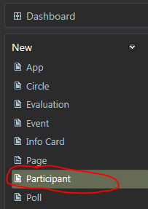 | 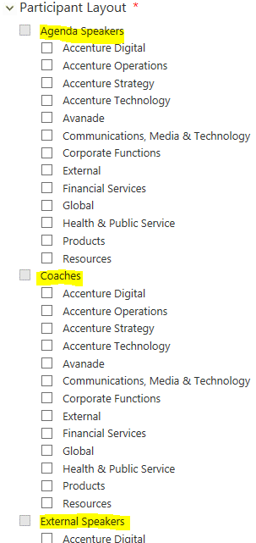

SAMPLE of how to populate "Participant" tab:
Enterprise ID | Participant Layout
jane.a.smith | Agenda Speakers
john.r.jones | Coaches;External Speakers

