Summary
Identifier | Humboldt Bay
Country | United States
Region | California, northern West Coast
Near to | BOEM Humboldt lease areas (OCS-P0561, OCS-P0652)
Latitude | 40.928
Longitude | -124.708
Analysis years | 2000-2020

Data type | Data sources | Latitude (deg) | Longitude (deg) | Water depth (m) | Distance to shore (nm) | Start year | End year
Wave/ metocean (primary) | NDBC station 46022 | 40.748 | -124.527 | 419 | 12 | 1982 | 2022
Wave/ metocean (secondary) | NDBC station 46244 | 40.896 | -124.357 | 110 | 8 | 2010 | 2022
Wind | NOW-23 | 40.928 | -124.708 | 800 | 25 | 2000 | 2022
Current | HFRNet | 41 | -124.551 | 600 | 20 | 2012 | 2023
The metocean analysis uses data from 2000 to 2020 to have a consistent time span
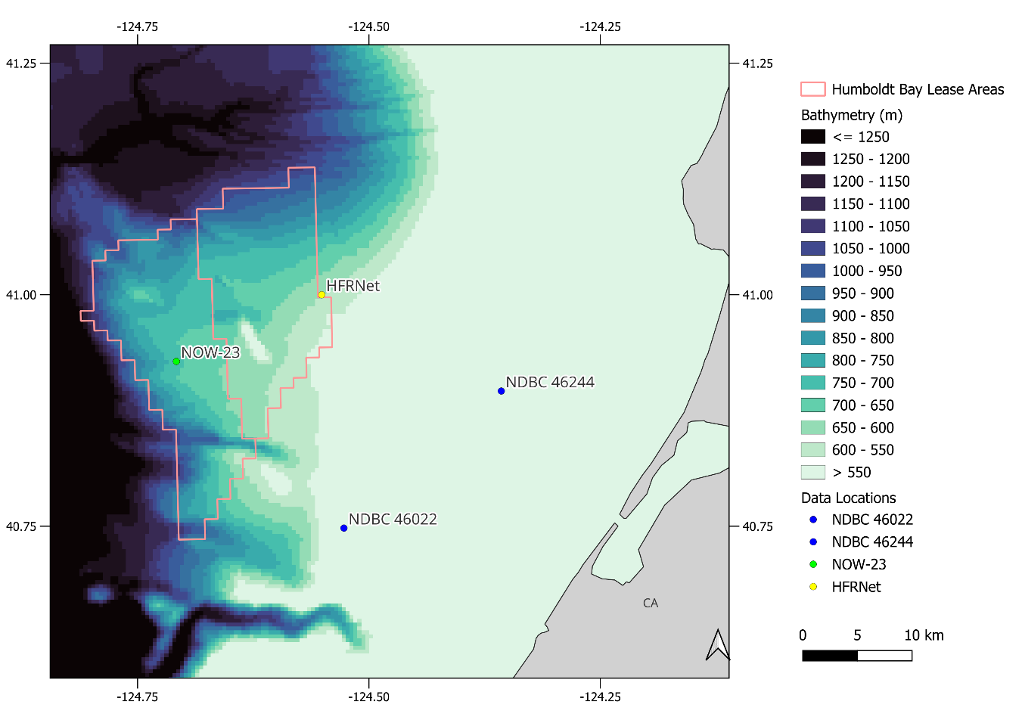

Content of metocean_1hr.txt time series file

Data type | Parameter | Unit | Data coverage | Description |  | Data source
Time | YY | yr |  | Year
 | MM | mo |  | Month, from 1 to 12
 | DD | dy |  | Day of month, from 1
 | hh | hr |  | Hour, from 0 to 23
Wind data | WDIR10m | deg | 100.00% | Wind direction at 10 m ("from") |  | NOW-23
 | WSPD10m | m/s | 100.00% | Wind speed at 10 m
 | WDIR150m | deg | 100.00% | Wind direction at 150 m ("from")
 | WSPD150m | m/s | 100.00% | Wind speed at 150 m
Waves | MWD | deg | 60.51% | Mean wave direction ("from") |  | NDBC
 | WVHT | m | 93.98% | Significant wave height
 | DPD | sec | 93.86% | Peak wave period
Ocean currents | CDIR | deg | 25.49% | Surface current direction ("from") |  | HFRNet
 | CSPD | m/s | 25.48% | Surface current speed
Temperature | ATMP10m | degC | 100.00% | Air temperature at 10 m |  | NOW-23
 | WTMP | degC | 75.59% | Water temperature |  | NDBC
All directions are in compass headings measured in degrees clockwise from geographic North. Wind, wave and current directions are the heading from which the wind/wave/current is coming.

Monthly statistics
Statistical values | Month | Mean Wind Direction | Wind Speed (hub height) | Mean Wave Direction | Significant Wave Height | Peak Wave Period | Current Direction | Current Speed
 |  | deg | m/s | deg | m | s | deg | m/s

MEAN |  | 190.75 | 9.82 | 282.03 | 2.95 | 13.27 | 109.76 | 0.27
STD |  | 104.87 | 6.04 | 34.41 | 1.13 | 2.73 | 93.78 | 0.16
MAX |  | 164.28 | 37.88 | 282.03 | 10.79 | 17.39 | 109.76 | 0.94
Q3 | 1 | 286.76 | 13.55 | 295 | 3.61 | 14.81 | 254.5 | 0.36
MED |  | 185.36 | 8.95 | 283.5 | 2.79 | 12.9 | 150.26 | 0.25
Q1 |  | 160.52 | 5.07 | 270 | 2.12 | 11.43 | 82.38 | 0.16
MIN |  | 293.27 | 0.54 | 282.04 | 0.75 | 12.14 | 109.76 | 0.04
MEAN |  | 265.81 | 10.08 | 290.97 | 2.84 | 12.77 | 72.79 | 0.33
STD |  | 114.25 | 5.79 | 32.15 | 1 | 2.82 | 97.58 | 0.19
MAX |  | 168.46 | 33.29 | 290.97 | 8.73 | 16.26 | 72.79 | 0.96
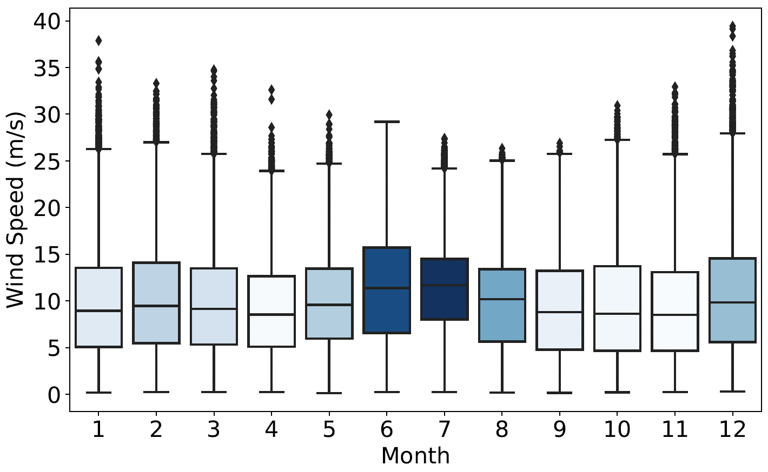
Q3 | 2 | 337.86 | 14.09 | 308 | 3.38 | 14.29 | 237.57 | 0.45
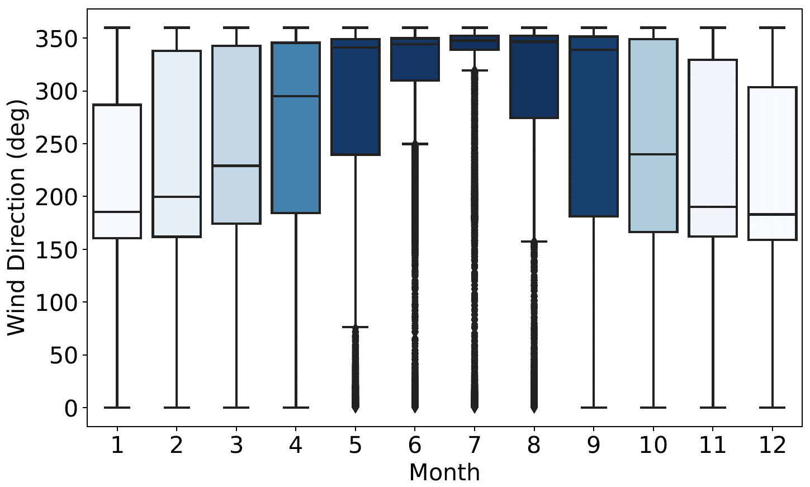
MED |  | 199.79 | 9.46 | 289 | 2.7 | 12.5 | 96.01 | 0.31
Q1 |  | 161.8 | 5.48 | 274 | 2.12 | 10.81 | 67.38 | 0.18
MIN |  | 321.65 | 0.61 | 290.97 | 0.79 | 12.08 | 72.79 | 0.05
MEAN |  | 278.38 | 9.83 | 295.06 | 2.7 | 12.24 | 63.93 | 0.29
STD |  | 106.68 | 5.67 | 34.28 | 1.06 | 2.71 | 100.48 | 0.18
MAX |  | 164.36 | 34.68 | 295.06 | 8.77 | 13.39 | 63.93 | 0.97
Q3 | 3 | 342.75 | 13.5 | 312 | 3.37 | 13.79 | 260.54 | 0.4
MED |  | 229.24 | 9.16 | 292.5 | 2.54 | 12.12 | 121.76 | 0.26
Q1 |  | 174.38 | 5.34 | 280 | 1.91 | 10 | 75.96 | 0.16
MIN |  | 302.98 | 0.59 | 295.06 | 0.69 | 11.37 | 63.93 | 0.04
MEAN |  | 327.49 | 9.22 | 301.32 | 2.42 | 11.6 | 70.24 | 0.34
STD |  | 106.72 | 5.24 | 35.62 | 0.91 | 2.7 | 92.25 | 0.2
MAX |  | 351.06 | 32.61 | 301.32 | 8.03 | 14.9 | 70.24 | 0.97
Q3 | 4 | 345.62 | 12.63 | 318 | 2.94 | 12.92 | 111.71 | 0.46
MED |  | 295.05 | 8.53 | 297.5 | 2.28 | 11.43 | 79.42 | 0.31
Q1 |  | 184.21 | 5.1 | 285.5 | 1.76 | 9.09 | 57.26 | 0.19
MIN |  | 307.17 | 0.59 | 301.32 | 0 | 11.62 | 70.24 | 0.05
MEAN |  | 341.42 | 10.06 | 309.82 | 1.94 | 9.87 | 73.97 | 0.35
STD |  | 97.75 | 5.34 | 58.68 | 0.8 | 2.58 | 94.64 | 0.2
MAX |  | 349.37 | 29.93 | 309.82 | 6.34 | 12.67 | 73.97 | 0.97
Q3 | 5 | 349.11 | 13.46 | 326 | 2.43 | 11.43 | 127.78 | 0.47
MED |  | 341.27 | 9.58 | 301.5 | 1.8 | 9.09 | 87.69 | 0.32
Q1 |  | 239.79 | 5.97 | 283 | 1.35 | 8.33 | 66.8 | 0.2
MIN |  | 326.24 | 0.5 | 309.82 | 0.61 | 10.16 | 73.97 | 0.04
MEAN |  | 344.99 | 11.59 | 314.68 | 1.93 | 9.28 | 72.52 | 0.31
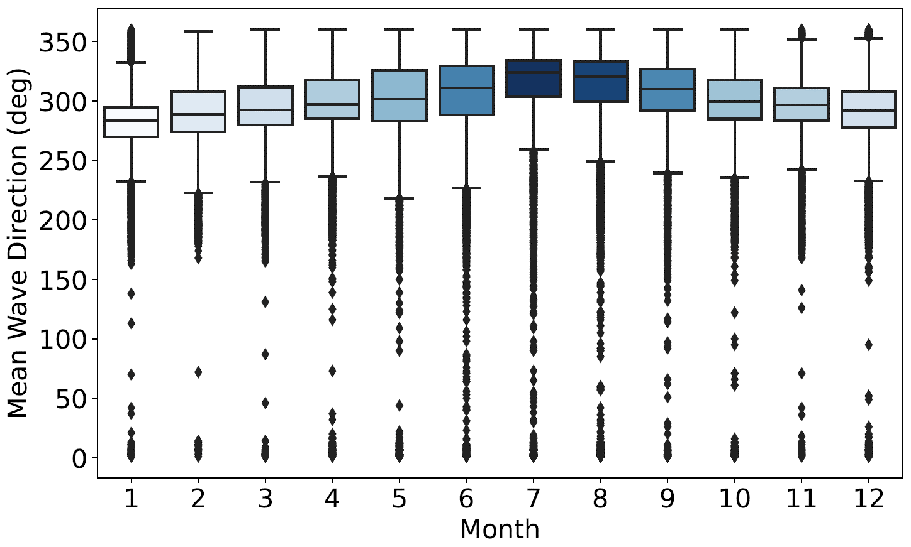
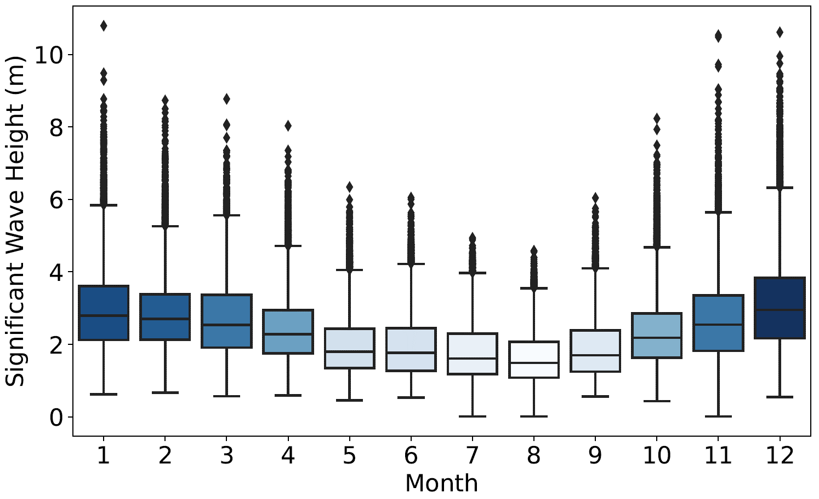
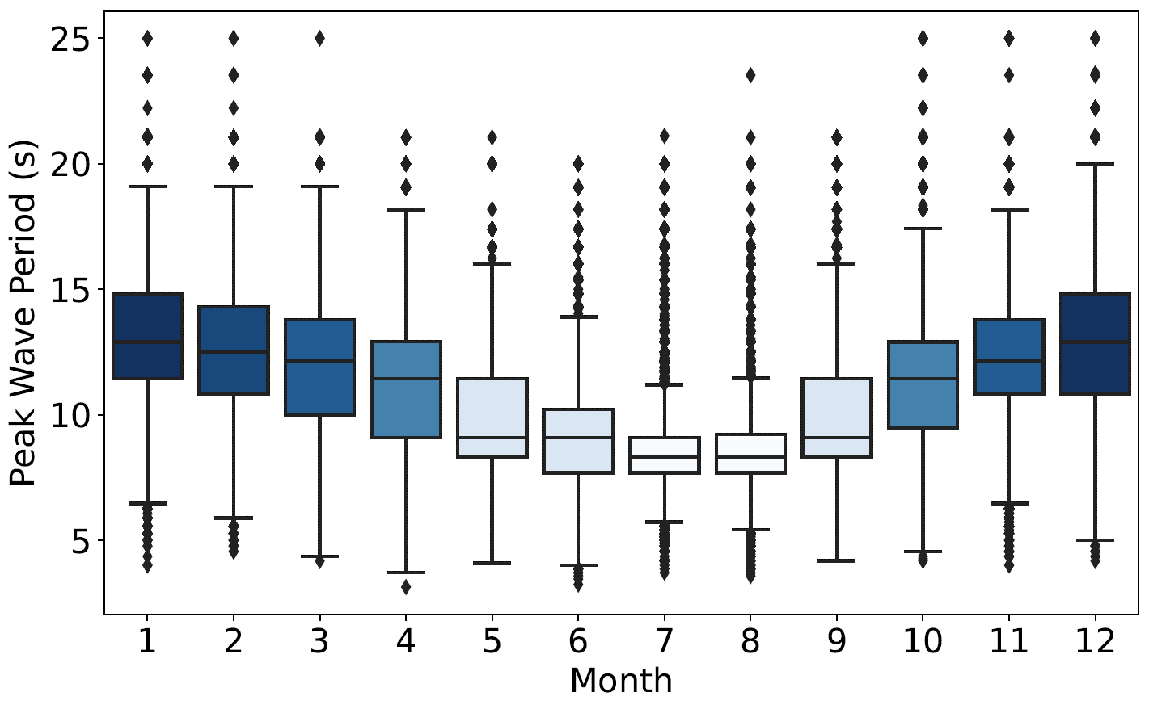
STD |  | 93.7 | 6.14 | 43.62 | 0.85 | 2.61 | 97.91 | 0.17
MAX |  | 348.42 | 28.84 | 314.68 | 5.97 | 10.71 | 72.52 | 0.96
Q3 | 6 | 349.87 | 15.7 | 329.5 | 2.45 | 10.2 | 122 | 0.41
MED |  | 344.4 | 11.38 | 311 | 1.77 | 9.09 | 86.31 | 0.29
Q1 |  | 309.79 | 6.58 | 288.5 | 1.27 | 7.69 | 63.44 | 0.19
MIN |  | 327.71 | 0.58 | 314.68 | 0.69 | 9.96 | 72.52 | 0.05
MEAN |  | 349.05 | 11.37 | 325.81 | 1.78 | 8.79 | 68.89 | 0.29
STD |  | 100.23 | 5.05 | 59.97 | 0.78 | 2.49 | 104.28 | 0.17
MAX |  | 349.16 | 27.22 | 325.81 | 4.91 | 9.71 | 68.89 | 0.97
Q3 | 7 | 352.19 | 14.49 | 334 | 2.3 | 9.09 | 180 | 0.38
MED |  | 347.69 | 11.7 | 324 | 1.61 | 8.33 | 91.36 | 0.26
Q1 |  | 339.07 | 8.03 | 304 | 1.18 | 7.69 | 65.16 | 0.16
MIN |  | 341.72 | 0.58 | 325.81 | 0.01 | 10.35 | 68.89 | 0.05
MEAN |  | 348.92 | 9.86 | 322.76 | 1.61 | 8.84 | 51.8 | 0.23
STD |  | 112.04 | 5.18 | 51.44 | 0.71 | 2.28 | 113.55 | 0.15
MAX |  | 349.64 | 26.12 | 322.76 | 4.5 | 9.83 | 51.8 | 0.97
Q3 | 8 | 352.21 | 13.39 | 333 | 2.06 | 9.22 | 281.31 | 0.3
MED |  | 346.72 | 10.17 | 321 | 1.49 | 8.33 | 107.62 | 0.2
Q1 |  | 274.28 | 5.64 | 299.5 | 1.08 | 7.69 | 66.47 | 0.13
MIN |  | 342.81 | 0.53 | 322.76 | 0.06 | 9.7 | 51.8 | 0.04
MEAN |  | 348.47 | 9.37 | 312.43 | 1.88 | 10.18 | 71.05 | 0.25
STD |  | 126.65 | 5.56 | 37.63 | 0.81 | 2.72 | 99.64 | 0.15
MAX |  | 351.36 | 26.71 | 312.43 | 6.04 | 14.98 | 71.05 | 0.96
Q3 | 9 | 351.49 | 13.21 | 327 | 2.39 | 11.43 | 248.75 | 0.33
MED |  | 339.12 | 8.79 | 310 | 1.7 | 9.09 | 99.87 | 0.22
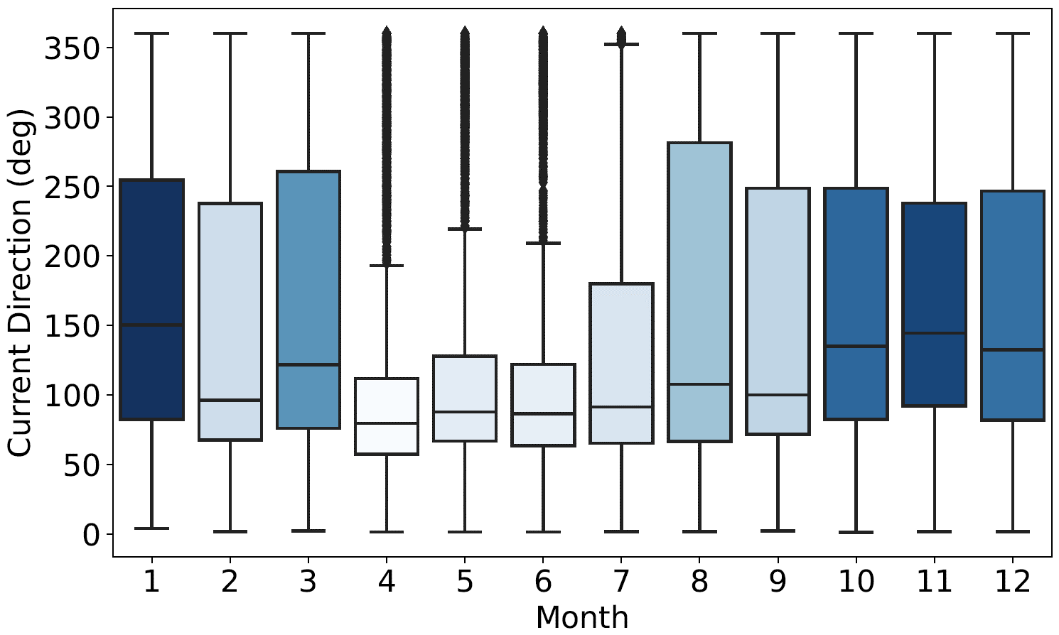
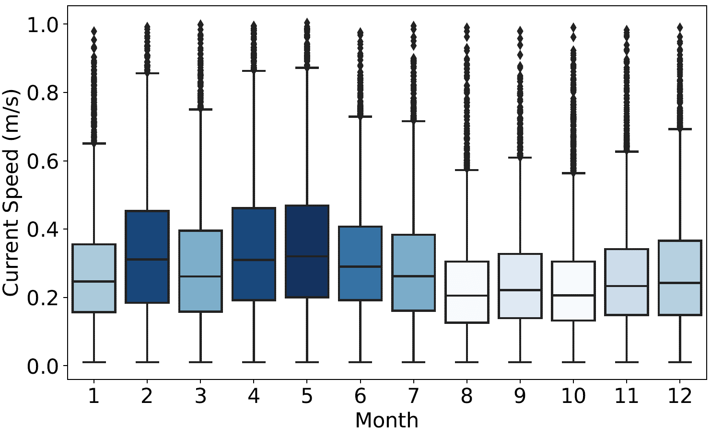
Q1 |  | 181.31 | 4.76 | 292 | 1.25 | 8.33 | 71.56 | 0.14
MIN |  | 338.06 | 0.51 | 312.43 | 0.7 | 10.17 | 71.05 | 0.04
MEAN |  | 346.05 | 9.51 | 301.25 | 2.33 | 11.66 | 92.11 | 0.24
STD |  | 127.29 | 5.84 | 35.95 | 0.96 | 2.72 | 94.09 | 0.15
MAX |  | 20.56 | 30.66 | 301.25 | 8.23 | 16.67 | 92.11 | 0.98
Q3 | 10 | 348.98 | 13.7 | 318 | 2.85 | 12.9 | 248.57 | 0.3
MED |  | 240.06 | 8.63 | 299.5 | 2.18 | 11.43 | 135 | 0.21
Q1 |  | 166.47 | 4.67 | 285 | 1.63 | 9.48 | 82.24 | 0.13
MIN |  | 334.57 | 0.6 | 301.25 | 0.54 | 11.12 | 92.11 | 0.05
MEAN |  | 237.46 | 9.34 | 297.65 | 2.62 | 12.62 | 126.67 | 0.26
STD |  | 115.44 | 5.75 | 31.43 | 1.21 | 2.63 | 86.01 | 0.15
MAX |  | 167.99 | 32.93 | 297.67 | 10.5 | 16.37 | 126.67 | 0.96
Q3 | 11 | 329.49 | 13.09 | 311 | 3.34 | 13.79 | 238 | 0.34
MED |  | 190.2 | 8.52 | 297 | 2.53 | 12.12 | 144.46 | 0.23
Q1 |  | 162.2 | 4.65 | 283.5 | 1.8 | 10.81 | 92.01 | 0.15
MIN |  | 322.11 | 0.59 | 297.65 | 0.01 | 11.6 | 126.67 | 0.04
MEAN |  | 193.14 | 10.62 | 292.73 | 3.12 | 13.08 | 99.98 | 0.28
STD |  | 109.73 | 6.39 | 37.14 | 1.27 | 2.83 | 93.45 | 0.17
MAX |  | 167.3 | 39.28 | 292.73 | 10.61 | 16.94 | 99.98 | 0.96
Q3 | 12 | 303.65 | 14.54 | 308 | 3.83 | 14.81 | 246.62 | 0.37
MED |  | 183.1 | 9.84 | 292 | 2.95 | 12.9 | 132.51 | 0.24
Q1 |  | 158.94 | 5.59 | 278 | 2.17 | 10.82 | 81.75 | 0.15
MIN |  | 318.25 | 0.63 | 292.72 | 0.64 | 11.65 | 99.98 | 0.05

MEAN | Mean value
STD | Standard deviation
MAX | Maximum value
Q3 | 3rd / upper Quantile (75%)
MED | Median
Q1 | 1st / lower Quantile (25%)
MIN | Minimum value

Distribution plots
