Map
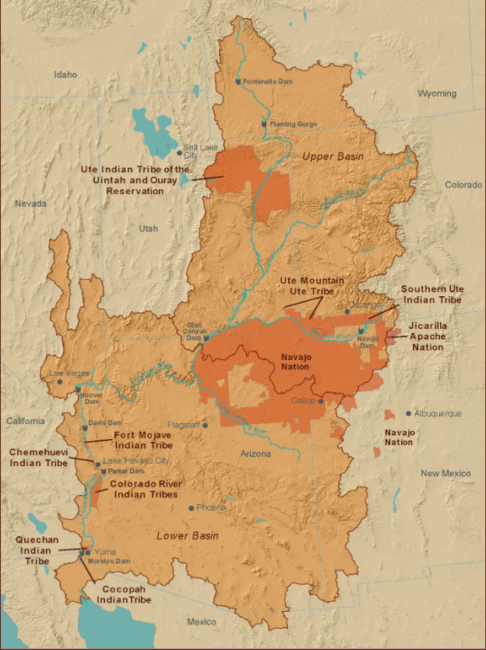

 | Navajo Nation only settled in New Mexico

Reserved decreed water rights

