Figures
This sheet plots figures with supplemental data

Annual streamflow at Lees Ferry (USGS) minus release reported from Glen Canyon Dam (Reclamation, new Hydrologic Database)
2005 | 130,282
2006 | 263,635
2007 | 167,018
2008 | 183,025
2009 | 162,297
2010 | 185,246
2011 | 211,802
2012 | 58,058
2013 | 27,930
2014 | 85,343
2015 | 135,727
2016 | 118,017
2017 | 151,014
2018 | 158,094
2019 | 243,605

 | Figure 3. Graph showing difference between annual release from Lake Powell reported by Reclamation (24 Month Study and Hydrologic Database) and annual stream flow at Lees Ferry reported by the USGS since 2005.

Annual streamflow at Lees Ferry (USGS) minus release reported from Glen Canyon Dam (Reclamation, Water Accouting Reports)
2005 | 130,368
2006 | 263,387
2007 | 167,157
2008 | 182,926
2009 | 162,247
2010 | 185,239
2011 | 39,611
2012 | (3,700)
2013 | 26,213
2014 | 101,045
2015 | 135,726
2016 | 118,015
2017 | 151,013
2018 | 158,094
2019 | 243,604

 | Figure 4. Graph showing difference between annual release from Lake Powell reported by Reclamation (Water Accounting Reports) and annual stream flow at Lees Ferry reported by the USGS since 2005.

Annual Gains above Grand Canyon Gage from 1900 to 2018
 |  |  | 1to1
265,100 | 258,786 | 0 | 0
285,000 | 288,412 | 600000 | 600000
249,000 | 247,940
 | 82,538
 | 4,281
 | 245,775
313,000 | 313,990
306,000 | 301,372
229,000 | 230,025
150,000 | 157,109
395,000 | 396,228
353,000 | 353,585
221,000 | 220,370
265,000 | 264,602
326,000 | 327,792
326,000 | 331,090
276,000 | 292,752
344,000 | 345,020
272,000 | 267,129
392,000 | 393,121
289,000 | 291,729
319,000 | 316,476
304,000 | 332,089
362,000 | 358,780
293,000 | 288,503
297,000 | 284,102
335,000 | 360,303
309,000 | 319,884
307,000 | 303,882
1:1 line

 | Figure 9. Graph showing annual intervening flows between Lees Ferry and the Grand Canyon gage calculated from USGS gaging data and reported by Reclamation in the Natural Flow Data base.

Annual Gains above Hoover from 2007 to 2018
 |  |  | 1to1
302,530 | (68,117) | 0 | 0
372,080 | 107,419 | 600000 | 600000
432,950 | (69,616)
528,390 | 76,231
231,020 | 168,944
353,840 | 144,338
391,460 | 175,250
434,710 | 137,307
310,120 | 109,114
288,740 | 134,880
402,720 | 212,190
286,770 | 86,462
Intervening flows calculated with USGS data minus intervening flows in the Natural Flow Data base
2007 | 370,647
2008 | 264,661
2009 | 502,566
2010 | 452,159
2011 | 62,076
2012 | 209,502
2013 | 216,210
2014 | 297,403
2015 | 201,006
2016 | 153,860
2017 | 190,530
2018 | 200,308

 | Figure 10. Graph showing annual intervening flows between the Grand Canyon gage and Hoover Dam calculated from USGS gaging data and reported by Reclamation in the Natural Flow Data base.

Average Annual Lake Powell Water Budget from Water Years 2016 to 2019
 | all inputs |  | loss+gross+Lees |  | loss+net+Lees
9.801 | 1 | 9.991 | 2 | 9.649 | 3
9.596 | 1 | 9.735 | 2 | 9.455 | 3
10.006 | 1 | 10.295 | 2 | 9.843 | 3
All Loss (Change in Storage
+ Change in bank + Gross evap
+ Lees Ferry Gage Measurement)
All Gains (Inflow + Precipitation)
All Loss (Change in Storage
+ Change in bank + Net evap
+ Glen Canyon Dam Release)

 | Figure 12. Diagram showing average annual Lake Powell gains and losses with uncertainty range, based on different assumptions that are described in the text.

CompareUSGStoNatFlow
Water Year | USGS | Natural Flow | 0 | 0
1990 | 0.82 | 0.68 | 2.5 | 1
1991 | 0.86 | 0.87
1992 | 1.10 | 1.20
1993 | 1.66 | 2.05
1994 | 0.67 | 0.66
1995 | 1.21 | 1.41
1996 | 0.58 | 0.64
1997 | 0.80 | 0.77
1998 | 0.96 | 1.22
1999 | 0.83 | 0.66
2000 | 0.82 | 0.45
2001 | 0.84 | 0.61
2002 | 0.62 | 0.33
2003 | 0.68 | 0.50
2004 | 0.72 | 0.47
2005 | 1.65 | 1.89
2006 | 0.69 | 0.44
2007 | 0.90 | 0.51
2008 | 1.00 | 0.73
2009 | 0.99 | 0.49
2010 | 1.21 | 0.74
2011 | 1.14 | 0.95
2012 | 0.89 | 0.67
2013 | 1.05 | 0.79
2014 | 0.91 | 0.59
2015 | 0.81 | 0.59
2016 | 0.84 | 0.68
2017 | 1.05 | 0.84
2018 | 0.75 | 0.53

Mead bank storage
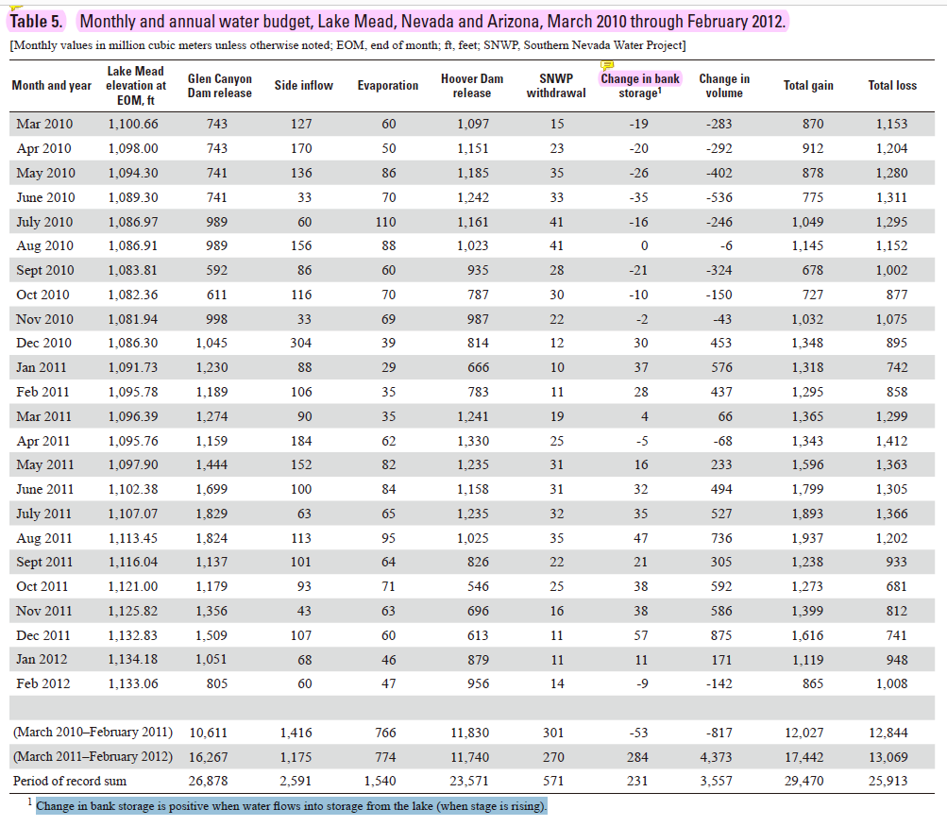
 | bank storage
 | million cubic meters | acre-feet | Data source | Moreo, M.T. 2015. Evaporation data from Lake Mead and Lake Mohave, Nevada and Arizona, March 2010 through April 2015. U.S. Geological Survey Data Release, http://dx.doi.org/10.5066/F79C6VG3
1910-01-31
1910-02-28
1910-03-31 | -19 | -15,404
1910-04-30 | -20 | -16,214
1910-05-31 | -26 | -21,079
1910-06-30 | -35 | -28,375
1910-07-31 | -16 | -12,971
1910-08-31 | 0 | 0
1910-09-30 | -21 | -17,025
1910-10-31 | -10 | -8,107
1910-11-30 | -2 | -1,621
1910-12-31 | 30 | 24,321
1911-01-31 | 37 | 29,996
1911-02-28 | 28 | 22,700
1911-03-31 | 4 | 3,243
1911-04-30 | -5 | -4,054
1911-05-31 | 16 | 12,971
1911-06-30 | 32 | 25,943
1911-07-31 | 35 | 28,375
1911-08-31 | 47 | 38,104
1911-09-30 | 21 | 17,025
1911-10-31 | 38 | 30,807
1911-11-30 | 38 | 30,807
1911-12-31 | 57 | 46,211
1912-01-31 | 11 | 8,918
1912-02-29 | -9 | -7,296
1912-03-31
1912-04-30
1912-05-31
1912-06-30
1912-07-31
1912-08-31
1912-09-30
1912-10-31
1912-11-30
1912-12-31
1913-01-31
1913-02-28
1913-03-31
1913-04-30
1913-05-31
1913-06-30
1913-07-31
1913-08-31
1913-09-30
1913-10-31
1913-11-30
1913-12-31
1914-01-31
1914-02-28
1914-03-31
1914-04-30
1914-05-31
1914-06-30
1914-07-31
1914-08-31
1914-09-30
1914-10-31
1914-11-30
1914-12-31
1915-01-31
1915-02-28
1915-03-31
1915-04-30
1915-05-31
1915-06-30
1915-07-31
1915-08-31
1915-09-30
1915-10-31
1915-11-30
1915-12-31

09328920-GR@MB
USGS 09328920 GREEN RIVER AT MINERAL BOTTOM NR CYNLNDS NTL PARK
https://waterdata.usgs.gov/ut/nwis/monthly/?referred_module=sw&amp;site_no=09328920&amp;por_09328920_143156=2674131,00060,143156,2014-03,2020-04&amp;format=html_table&amp;date_format=YYYY-MM-DD&amp;rdb_compression=file&amp;submitted_form=parameter_selection_list
 | cubic feet per second
 | Jan | Feb | Mar | Apr | May | Jun | Jul | Aug | Sep | Oct | Nov | Dec
2015 | 3,450 | 3,741 | 3,715 | 4,411 | 10,480 | 10,940 | 3,931 | 2,347 | 2,260 | 3,205 | 3,604 | 3,108
2016 | 3,268 | 3,930 | 3,234 | 4,932 | 12,380 | 18,330 | 5,041 | 2,189 | 2,989 | 2,885 | 2,702 | 2,768
2017 | 3,044 | 5,006 | 7,260 | 13,940 | 17,040 | 18,420 | 6,596 | 3,211 | 2,776 | 3,248 | 3,402 | 3,965
2018 | 3,922 | 4,069 | 3,548 | 4,311 | 9,203 | 5,586 | 2,268 | 2,101 | 1,975 | 2,807 | 2,494 | 2,875
2019 | 2,934 | 2,961 | 3,425 | 5,740 | 11,870 | 22,240 | 9,952 | 3,095 | 2,690 | 2,589 | 2,639 | 3,266
2020 | 3,114 | 3,662 | 4,516
 |  |  |  |  |  |  |  |  |  |  |  |  | https://waterdata.usgs.gov/ut/nwis/annual/?referred_module=sw&amp;site_no=09328920&amp;por_09328920_143156=2674131,00060,143156,2014,2020&amp;year_type=W&amp;format=html_table&amp;date_format=YYYY-MM-DD&amp;rdb_compression=file&amp;submitted_form=parameter_selection_list
 | cfs | days | cubic feet | acre feet | gap between gage 09328920 and 09315000 |  |  | WY | Calculated (maf/yr) |  |  | Annual published | cfs | days | seconds per day | cubic feet | converted from annually(maf/yr) | gap between gage 09328920 and 09315000 | gap between gage 09328920 and sum of 09315000 and 09328500
1915-10-31 | 3,205 | 31 | 8,584,272,000 | 197,068 | 2,582 | 1.31% |  | 2016 | 3.996 |  |  | 2016 | 5505 | 366 | 86400 | 174081312000 | 3.996 | 0.019 | -0.010
1915-11-30 | 3,604 | 30 | 9,341,568,000 | 214,453 | 952 | 0.44% |  | 2017 | 5.161 |  |  | 2017 | 7129 | 365 | 86400 | 224820144000 | 5.161 | 0.088 | -0.008
1915-12-31 | 3,108 | 31 | 8,324,467,200 | 191,103 | 9,531 | 4.99% |  | 2018 | 2.872 |  |  | 2018 | 3967 | 365 | 86400 | 125103312000 | 2.872 | -0.069 | -0.082
1916-01-31 | 3,268 | 31 | 8,753,011,200 | 200,941 | 7,563 | 3.76% |  | 2019 | 4.410 |  |  | 2019 | 6092 | 365 | 86400 | 192117312000 | 4.410 | 0.106 | -0.021
1916-02-29 | 3,930 | 29 | 9,847,008,000 | 226,056 | 1,150 | 0.51% |  | average | 4.110 |  |  | average |  |  |  |  | 4.110 | 0.036 | -0.030
1916-03-31 | 3,234 | 31 | 8,661,945,600 | 198,851 | 18,754 | 9.43%
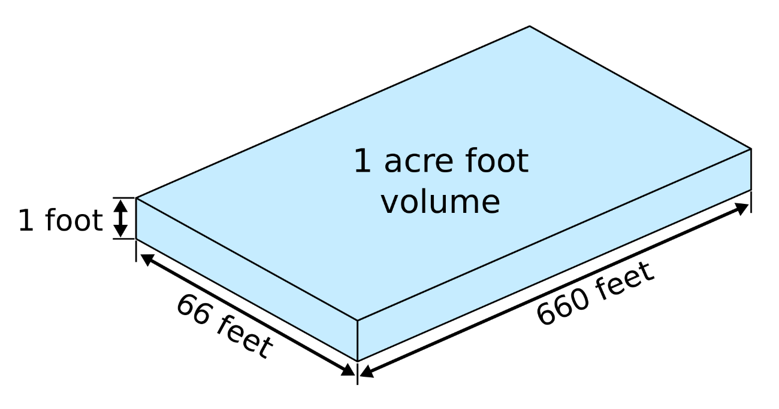
1916-04-30 | 4,932 | 30 | 12,783,744,000 | 293,474 | -6,307 | -2.15%
1916-05-31 | 12,380 | 31 | 33,158,592,000 | 761,217 | -15,372 | -2.02%
1916-06-30 | 18,330 | 30 | 47,511,360,000 | 1,090,711 | 4,760 | 0.44%
1916-07-31 | 5,041 | 31 | 13,501,814,400 | 309,959 | 5,349 | 1.73%
1916-08-31 | 2,189 | 31 | 5,863,017,600 | 134,596 | -3,320 | -2.47%
1916-09-30 | 2,989 | 30 | 7,747,488,000 | 177,858 | -6,069 | -3.41%
1916-10-31 | 2,885 | 31 | 7,727,184,000 | 177,392 | -2,521 | -1.42%
1916-11-30 | 2,702 | 30 | 7,003,584,000 | 160,780 | -4,225 | -2.63%
1916-12-31 | 2,768 | 31 | 7,413,811,200 | 170,198 | 15,679 | 9.21%
1917-01-31 | 3,044 | 31 | 8,153,049,600 | 187,168 | 12,482 | 6.67%
1917-02-28 | 5,006 | 28 | 12,110,515,200 | 278,019 | -28,046 | -10.09%
1917-03-31 | 7,260 | 31 | 19,445,184,000 | 446,400 | -35,724 | -8.00%
1917-04-30 | 13,940 | 30 | 36,132,480,000 | 829,488 | 4,760 | 0.57%
1917-05-31 | 17,040 | 31 | 45,639,936,000 | 1,047,749 | 23,980 | 2.29%
1917-06-30 | 18,420 | 30 | 47,744,640,000 | 1,096,066 | 81,521 | 7.44%
1917-07-31 | 6,596 | 31 | 17,666,726,400 | 405,572 | 20,660 | 5.09%
1917-08-31 | 3,211 | 31 | 8,600,342,400 | 197,437 | 1,599 | 0.81%
1917-09-30 | 2,776 | 30 | 7,195,392,000 | 165,183 | -1,726 | -1.04%
1917-10-31 | 3,248 | 31 | 8,699,443,200 | 199,712 | -1,660 | -0.83%
1917-11-30 | 3,402 | 30 | 8,817,984,000 | 202,433 | -8,390 | -4.14%
1917-12-31 | 3,965 | 31 | 10,619,856,000 | 243,798 | -553 | -0.23%
1918-01-31 | 3,922 | 31 | 10,504,684,800 | 241,154 | -3,935 | -1.63%
1918-02-28 | 4,069 | 28 | 9,843,724,800 | 225,981 | -9,941 | -4.40%
1918-03-31 | 3,548 | 31 | 9,502,963,200 | 218,158 | -7,747 | -3.55%
1918-04-30 | 4,311 | 30 | 11,174,112,000 | 256,522 | -6,545 | -2.55%
1918-05-31 | 9,203 | 31 | 24,649,315,200 | 565,870 | -18,692 | -3.30%
1918-06-30 | 5,586 | 30 | 14,478,912,000 | 332,390 | -12,674 | -3.81%
1918-07-31 | 2,268 | 31 | 6,074,611,200 | 139,454 | 1,414 | 1.01%
1918-08-31 | 2,101 | 31 | 5,627,318,400 | 129,185 | 1,906 | 1.48%
1918-09-30 | 1,975 | 30 | 5,119,200,000 | 117,521 | -1,726 | -1.47%
1918-10-31 | 2,807 | 31 | 7,518,268,800 | 172,596 | 4,980 | 2.89%
1918-11-30 | 2,494 | 30 | 6,464,448,000 | 148,403 | 7,914 | 5.33%
1918-12-31 | 2,875 | 31 | 7,700,400,000 | 176,777 | 12,789 | 7.23%
1919-01-31 | 2,934 | 31 | 7,858,425,600 | 180,405 | 10,822 | 6.00%
1919-02-28 | 2,961 | 28 | 7,163,251,200 | 164,446 | 4,110 | 2.50%
1919-03-31 | 3,425 | 31 | 9,173,520,000 | 210,595 | 123 | 0.06%
1919-04-30 | 5,740 | 30 | 14,878,080,000 | 341,554 | -15,888 | -4.65%
1919-05-31 | 11,870 | 31 | 31,792,608,000 | 729,858 | 17,217 | 2.36%
1919-06-30 | 22,240 | 30 | 57,646,080,000 | 1,323,372 | 18,446 | 1.39%
1919-07-31 | 9,952 | 31 | 26,655,436,800 | 611,925 | 37,261 | 6.09%
1919-08-31 | 3,095 | 31 | 8,289,648,000 | 190,304 | 7,194 | 3.78%
1919-09-30 | 2,690 | 30 | 6,972,480,000 | 160,066 | 298 | 0.19%
 |  |  |  | 0 | 144,734 | #DIV/0!
 |  |  |  | 0 | 36183.471074 | #DIV/0!

 | 9074 | 31 | 24,303,801,600 | 557,940
 | 9899 | 30 | 25,658,208,000 | 589,033
 | 10486 | 31 | 28,085,702,400 | 644,761

